First Grouping
 | First |  |  | Second |  |  | Third |  |  | Fourth
 | One exercise for the Beginning, One for the Middle and One for the End
 | B-M | B-E | M-E | B-M | B-E | M-E | B-M | B-E | M-E | B-M | B-E | M-E | Strong Correlation | Weak Correlation | % Strong Corr. | % Weak Corr.
Average distance from center | 0.24075235179 | 0.4348621055 | 0.8591452231 | 0.38277958874 | 0.21377778868 | 0.79352147087 | 0.11601453736 | 0.15829194085 | 0.74635954355 | 0.041554851456 | 0.43333928345 | 0.13646538342 | 1 | 0 | 8.33% | 0.00%
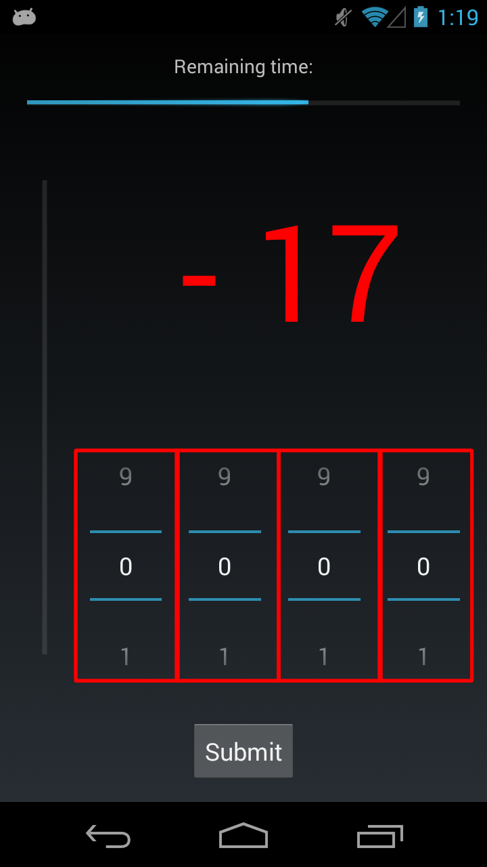
Average length | 0.11376048756 | 0.25154188736 | 0.66923532513 | 0.6072224109 | 0.16683570477 | 0.36434490404 | 0.41671883496 | 0.10443927996 | 0.18755883238 | 0.055109174431 | 0.097367658502 | 0.8649691898 | 0 | 2 | 0.00% | 16.67%
Average ratio over bottom | 0.40040455095 | 0.34289738318 | 0.29646267506 | 0.37500069834 | 0.29967343657 | 0.15552150308 | 0.3664697631 | 0.32417703663 | 0.47551454317 | 0.34113822022 | 0.3152704055 | 0.68524912004 | 0 | 0 | 0.00% | 0.00%
Average area rectangle | 0.10382241627 | 0.1122053884 | 0.84661985109 | 0.06700040617 | 0.051932914286 | 0.8734575848 | 0.012273324236 | 0.0065984670905 | 0.91982505993 | 0.004066810252 | 0.0060386212066 | 0.55737139789 | 4 | 2 | 33.33% | 16.67%
Average linearity | 0.31194201174 | 0.72112287166 | 0.16811368595 | 0.70889071848 | 0.90710591002 | 0.4530335752 | 0.41474090205 | 0.2561157552 | 0.56627651656 | 0.099524337963 | 0.12435486038 | 0.85312725568 | 0 | 1 | 0.00% | 8.33%
Average Size | 0.28072142911 | 0.91303092464 | 0.066594753599 | 0.19043384441 | 0.29160703263 | 0.29171098373 | 0.091306627162 | 0.15128695854 | 0.15343483951 | 0.029659416982 | 0.49645402147 | 0.023127500157 | 2 | 2 | 16.67% | 16.67%
Average Pressure | 0.57586413557 | 0.3457897753 | 0.32251777744 | 0.64165328331 | 0.62733631093 | 0.9842486078 | 0.82606086875 | 0.7750590235 | 0.5513512051 | 0.25473091249 | 0.6460966604 | 0.079319707527 | 0 | 1 | 0.00% | 8.33%
Average time duration | 0.16621773191 | 0.39582923539 | 0.46250403712 | 0.10387445636 | 0.14671848266 | 0.98329981453 | 0.011512106252 | 0.034041220748 | 0.28499736824 | 5.17E-04 | 0.026341521054 | 0.54509486495 | 4 | 0 | 33.33% | 0.00%

 | Three exercises for the Beginning, Three for the Middle and Three for the End
 | B-M | B-E | M-E | B-M | B-E | M-E | B-M | B-E | M-E | B-M | B-E | M-E
Average distance from center | 0.11858764872 | 0.042640348528 | 0.23665929383 | 0.57501042563 | 0.17589878823 | 0.5444433963 | 0.38823677521 | 0.14495375932 | 0.65419961369 | 0.28869497826 | 0.879959401 | 0.29385446221 | 1 | 0 | 8.33% | 0.00%
Average length | 0.25835070472 | 0.28934756185 | 0.49459986349 | 0.98476410987 | 0.33143568327 | 0.47964641017 | 0.91651736904 | 0.22558681991 | 0.1616995974 | 0.66828956774 | 0.65782934935 | 0.98473596037 | 0 | 0 | 0.00% | 0.00%
Average ratio over bottom | 0.44904610212 | 0.3153080793 | 0.25549626456 | 0.30230556927 | 0.20086803941 | 0.27025793407 | 0.24464098194 | 0.20525008692 | 0.72460900697 | 0.22007718187 | 0.19489557988 | 0.84013798712 | 0 | 0 | 0.00% | 0.00%
Average area rectangle | 0.011448853943 | 0.27273745399 | 0.81087084172 | 0.015716675929 | 0.076612209592 | 0.89235287287 | 7.97E-04 | 0.0043340663464 | 0.54896874574 | 4.85E-04 | 0.0066279274856 | 0.35228731489 | 6 | 1 | 50.00% | 8.33%
Average linearity | 0.026799582522 | 0.5744547006 | 0.069436658207 | 0.84835158264 | 0.81251112751 | 0.67410299939 | 0.38955499871 | 0.18441645332 | 0.6528218563 | 0.13901892727 | 0.22194990386 | 0.69017035502 | 1 | 1 | 8.33% | 8.33%
Average Size | 0.15937723725 | 0.47017707848 | 0.23114008065 | 0.10700917479 | 0.73291818076 | 0.081453130548 | 0.073593217904 | 0.44590778402 | 0.034297168183 | 0.15752412431 | 0.77489518551 | 0.023845919866 | 2 | 2 | 16.67% | 16.67%
Average Pressure | 0.30677778749 | 0.77423790271 | 0.30309542798 | 0.47055137039 | 0.57368794644 | 0.66236990694 | 0.85293079844 | 0.84053727614 | 0.96847580198 | 0.83656109598 | 0.20161492107 | 0.14101452813 | 0 | 0 | 0.00% | 0.00%
Average time duration | 0.55733986069 | 0.82297024159 | 0.62487801815 | 0.53244984108 | 0.28488817846 | 0.98298180078 | 0.51564694822 | 0.4309314227 | 0.15817012332 | 0.57692475621 | 0.69942899778 | 0.33784915914 | 0 | 0 | 0.00% | 0.00%

 | All the stressors divided in three set: Beginning, Middle and End
 | B-M | B-E | M-E | B-M | B-E | M-E | B-M | B-E | M-E | B-M | B-E | M-E
Average distance from center | 0.56263592994 | 0.86524709064 | 0.64875631453 | 0.75459066803 | 0.25421894413 | 0.32330759949 | 0.30676621661 | 0.078539951162 | 0.21972395617 | 0.15870317661 | 0.0086288870708 | 0.040518077159 | 2 | 1 | 16.67% | 8.33%
Average length | 0.25823843689 | 0.74027409882 | 0.65809330138 | 0.90131327033 | 0.79986582727 | 0.73955354978 | 0.59486591449 | 0.80811547743 | 0.62155304924 | 0.38462633009 | 0.57157944032 | 0.95124806324 | 0 | 0 | 0.00% | 0.00%
Average ratio over bottom | 0.60458651426 | 0.26920722565 | 0.065156945696 | 0.64918214618 | 0.36106950937 | 0.44574296666 | 0.17772254331 | 0.72071307213 | 0.23469454386 | 0.10833918383 | 0.58746347481 | 0.048908617379 | 1 | 1 | 8.33% | 8.33%
Average area rectangle | 0.14667606087 | 0.014461080417 | 0.6430989014 | 0.42391891259 | 0.14525556736 | 0.8241220019 | 0.23147507663 | 0.030721824843 | 0.36497077907 | 0.23980307092 | 0.033664687173 | 0.23550144007 | 3 | 0 | 25.00% | 0.00%
Average linearity | 0.31194201174 | 0.72112287166 | 0.16811368595 | 0.70889071848 | 0.90710591002 | 0.4530335752 | 0.41474090205 | 0.2561157552 | 0.56627651656 | 0.099524337963 | 0.12435486038 | 0.85312725568 | 0 | 1 | 0.00% | 8.33%
Average Size | 0.53363535566 | 0.43527114253 | 0.38356227035 | 0.83475476676 | 0.19224591877 | 0.17328382744 | 0.53531566136 | 0.059653646364 | 0.084127235864 | 0.14820582451 | 0.011539868312 | 0.032820827199 | 2 | 2 | 16.67% | 16.67%
Average Pressure | 0.27948626845 | 0.20109499056 | 0.26191849157 | 0.13380969656 | 0.044857371137 | 0.22283953947 | 0.06139561295 | 0.0078793881602 | 0.075704781915 | 0.025170311855 | 4.67E-04 | 0.011961769401 | 5 | 2 | 41.67% | 16.67%
Average time duration | 0.17101739476 | 0.21946601403 | 0.73887228645 | 0.12025271847 | 0.022371911751 | 0.51369809019 | 0.057375458306 | 0.65915448348 | 0.3096527556 | 0.011583798835 | 0.78751645614 | 0.45198472118 | 2 | 1 | 16.67% | 8.33%

Second Grouping
 | First |  |  | Second
 | One exercise for the Beginning, One for the Middle and One for the End
 | B-M | B-E | M-E | B-M | B-E | M-E | Strong correlation | Weak Correlation | % Strong Corr. | % Weak Corr.
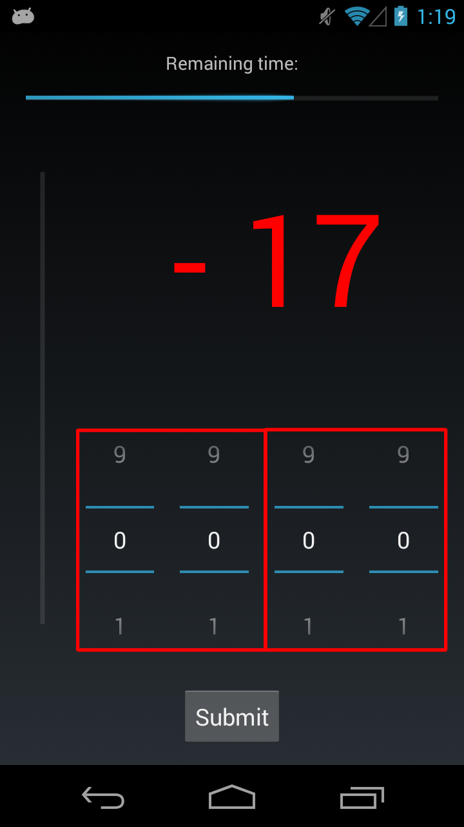
Average distance from center | 0.31245587329 | 0.3495876068 | 0.74841758743 | 0.045154844141 | 0.50003224609 | 0.14894687264 | 1 | 0 | 16.67% | 0.00%
Average length | 0.59936937501 | 0.17911027966 | 0.44815380016 | 0.074002766945 | 0.1865359979 | 0.8835472454 | 0 | 1 | 0.00% | 16.67%
Average ratio over bottom | 0.37704826404 | 0.3082714807 | 0.16000119806 | 0.33747356085 | 0.3195211417 | 0.69915208304 | 0 | 0 | 0.00% | 0.00%
Average area rectangle | 0.16685339389 | 0.15229646942 | 0.90141354972 | 0.028718061635 | 0.034919051364 | 0.63682437046 | 2 | 0 | 33.33% | 0.00%
Average linearity | 0.7022483388 | 0.91019831445 | 0.50173458104 | 0.13509524117 | 0.21009851997 | 0.87190228872 | 0 | 0 | 0.00% | 0.00%
Average Size | 0.24319981886 | 0.32627961532 | 0.27797071039 | 0.066896120627 | 0.53449114584 | 0.020402435095 | 1 | 1 | 16.67% | 16.67%
Average Pressure | 0.65453409135 | 0.720906279 | 0.98473905871 | 0.29079938828 | 0.71753388343 | 0.13943296815 | 0 | 0 | 0.00% | 0.00%
Average time duration | 0.18044253229 | 0.2640645685 | 0.98725608886 | 0.0020895514851 | 0.073986943382 | 0.61932814531 | 1 | 1 | 16.67% | 16.67%

 | Three exercises for the Beginning, Three for the Middle and Three for the End
 | B-M | B-E | M-E | B-M | B-E | M-E
Average distance from center | 0.54142241637 | 0.15018103022 | 0.44649126571 | 0.32971254939 | 0.89196155828 | 0.27297493856 | 0 | 0 | 0.00% | 0.00%
Average length | 0.98522316594 | 0.18806692013 | 0.55398045231 | 0.70938829644 | 0.69133058132 | 0.98555364143 | 0 | 0 | 0.00% | 0.00%
Average ratio over bottom | 0.29335868285 | 0.20172667838 | 0.27527479962 | 0.20689147502 | 0.19275483262 | 0.84964236002 | 0 | 0 | 0.00% | 0.00%
Average area rectangle | 0.040675011434 | 0.15239378249 | 0.89217245989 | 0.0042122179925 | 0.03075696083 | 0.4101660296 | 3 | 0 | 50.00% | 0.00%
Average linearity | 0.83327312145 | 0.83163572474 | 0.71885559403 | 0.18001935085 | 0.27207752342 | 0.70963014108 | 0 | 0 | 0.00% | 0.00%
Average Size | 0.15632956738 | 0.71424323849 | 0.098693887547 | 0.25686808609 | 0.79151458766 | 0.021182417249 | 1 | 1 | 16.67% | 16.67%
Average Pressure | 0.4847518439 | 0.65352121864 | 0.6106059632 | 0.85418393684 | 0.28047827193 | 0.14248045111 | 0 | 0 | 0.00% | 0.00%
Average time duration | 0.54509357559 | 0.15077452373 | 0.98694730133 | 0.6001170064 | 0.74660454901 | 0.44389720748 | 0 | 0 | 0.00% | 0.00%

 | All the stressors divided in three set: Beginning, Middle and End
 | B-M | B-E | M-E | B-M | B-E | M-E
Average distance from center | 0.7391124423 | 0.40107929747 | 0.45085744945 | 0.16554828841 | 0.043942037764 | 0.11754466274 | 1 | 0 | 16.67% | 0.00%
Average length | 0.90129062253 | 0.84943057348 | 0.80063621366 | 0.43238974388 | 0.64849156319 | 0.96116068313 | 0 | 0 | 0.00% | 0.00%
Average ratio over bottom | 0.65613799197 | 0.36798332493 | 0.45418780554 | 0.16501910872 | 0.61604801712 | 0.10114151416 | 0 | 0 | 0.00% | 0.00%
Average area rectangle | 0.029756377219 | 0.16077369618 | 0.79854141953 | 0.0063259078021 | 0.10290912356 | 0.33628679683 | 2 | 0 | 33.33% | 0.00%
Average linearity | 0.7022483388 | 0.91019831445 | 0.50173458104 | 0.13509524117 | 0.21009851997 | 0.87190228872 | 0 | 0 | 0.00% | 0.00%
Average Size | 0.84743460783 | 0.35358942957 | 0.34142027694 | 0.2194334218 | 0.066171762127 | 0.12853266521 | 0 | 1 | 0.00% | 16.67%
Average Pressure | 0.2083931982 | 0.15646196067 | 0.37924379011 | 0.052479928951 | 0.011345987249 | 0.066991846975 | 1 | 2 | 16.67% | 33.33%
Average time duration | 0.1955575338 | 0.053859667583 | 0.64005218759 | 0.023107146875 | 0.76935700922 | 0.50961353946 | 1 | 1 | 16.67% | 16.67%

Third Grouping
 | First
 | One exercise for the Beginning, One for the Middle and One for the End
 | B-M | B-E | M-E | Strong Correlation | Weak Correlation | % Strong Corr. | % Weak Corr.
Average distance from center | 0.097548088712 | 0.61065297896 | 0.23762993835 | 0 | 1 | 0.00% | 33.33%
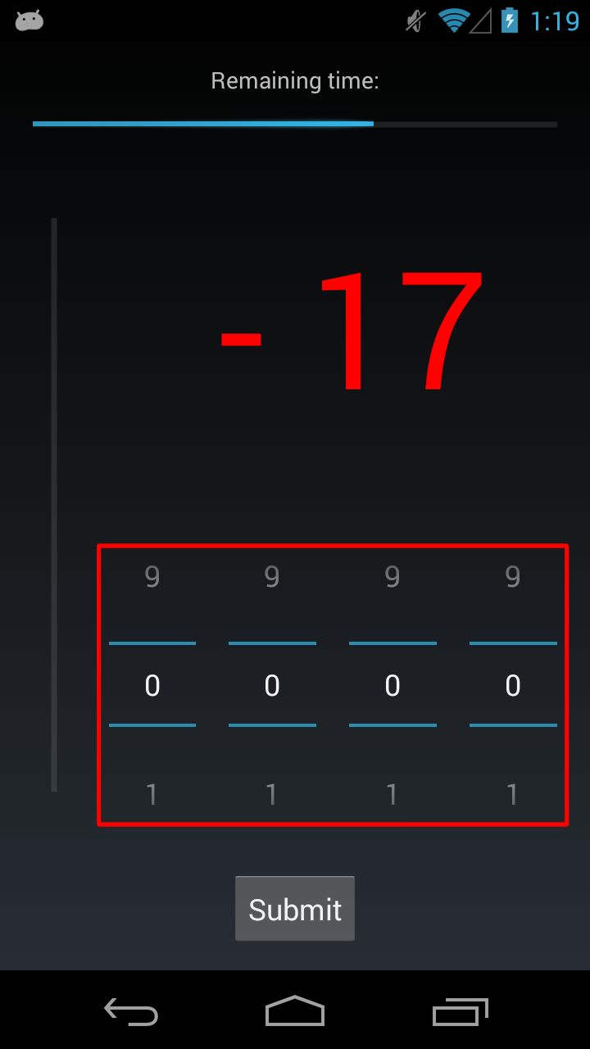
Average length | 0.13767076064 | 0.27687177572 | 0.90521125212 | 0 | 0 | 0.00% | 0.00%
Average ratio over bottom | 0.36474225962 | 0.35347659705 | 0.7050659307 | 0 | 0 | 0.00% | 0.00%
Average area rectangle | 0.10554843203 | 0.10345228516 | 0.7049788533 | 0 | 0 | 0.00% | 0.00%
Average linearity | 0.19844275016 | 0.22932108121 | 0.8847514884 | 0 | 0 | 0.00% | 0.00%
Average Size | 0.15615595541 | 0.60054808597 | 0.025307351881 | 1 | 0 | 33.33% | 0.00%
Average Pressure | 0.283846127 | 0.78709983416 | 0.24818175491 | 0 | 0 | 0.00% | 0.00%
Average time duration | 0.0084855343124 | 0.17501758383 | 0.69333338089 | 1 | 0 | 33.33% | 0.00%

 | Three exercises for the Beginning, Three for the Middle and Three for the End
 | B-M | B-E | M-E
Average distance from center | 0.37401827766 | 0.89503829613 | 0.159324491 | 0 | 0 | 0.00% | 0.00%
Average length | 0.67526212742 | 0.70919297358 | 0.98779816514 | 0 | 0 | 0.00% | 0.00%
Average ratio over bottom | 0.23868178884 | 0.23294698085 | 0.85597408412 | 0 | 0 | 0.00% | 0.00%
Average area rectangle | 0.037968015986 | 0.09184200769 | 0.52336058238 | 1 | 1 | 33.33% | 33.33%
Average linearity | 0.16027031036 | 0.27813459187 | 0.76189207996 | 0 | 0 | 0.00% | 0.00%
Average Size | 0.35454058967 | 0.81294747635 | 0.035386686702 | 1 | 0 | 33.33% | 0.00%
Average Pressure | 0.85893552835 | 0.37167841187 | 0.048617178054 | 1 | 0 | 33.33% | 0.00%
Average time duration | 0.37130791841 | 0.73471647356 | 0.5409715405 | 0 | 0 | 0.00% | 0.00%

 | All the stressors divided in three set: Beginning, Middle and End
 | B-M | B-E | M-E
Average distance from center | 0.25064034317 | 0.14193258905 | 0.26117547889 | 0 | 0 | 0.00% | 0.00%
Average length | 0.5247475334 | 0.73256285982 | 0.97045383984 | 0 | 0 | 0.00% | 0.00%
Average ratio over bottom | 0.19442060046 | 0.64868128744 | 0.11635655056 | 0 | 0 | 0.00% | 0.00%
Average area rectangle | 0.036990658442 | 0.21005281372 | 0.45514651939 | 1 | 0 | 33.33% | 0.00%
Average linearity | 0.19844275016 | 0.22932108121 | 0.8847514884 | 0 | 0 | 0.00% | 0.00%
Average Size | 0.27634468823 | 0.19450445207 | 0.28046014082 | 0 | 0 | 0.00% | 0.00%
Average Pressure | 0.079842481129 | 0.073909610299 | 0.18218873431 | 0 | 2 | 0.00% | 66.67%
Average time duration | 0.064938259668 | 0.79606399885 | 0.57740248435 | 0 | 1 | 0.00% | 33.33%

Fourth Grouping
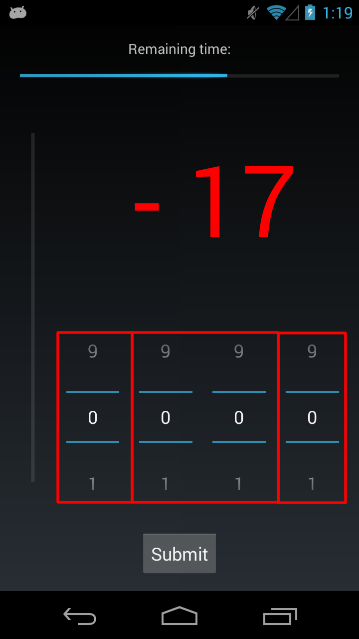
 | First |  |  | Second |  |  | Third
 | One exercise for the Beginning, One for the Middle and One for the End
 | B-M | B-E | M-E | B-M | B-E | M-E | B-M | B-E | M-E | Strong Correlation | Weak correlation | % Strong Corr. | % Weak Corr.
Average distance from center | 0.24075235179 | 0.4348621055 | 0.8591452231 | 0.14183732713 | 0.2242646726 | 0.75795215431 | 0.050568078382 | 0.63092617193 | 0.087742129919 | 0 | 2 | 0.00% | 22.22%
Average length | 0.11376048756 | 0.25154188736 | 0.66923532513 | 0.26812264362 | 0.10644784756 | 0.45440155535 | 0.013574445924 | 0.14064608099 | 0.62540251075 | 1 | 0 | 11.11% | 0.00%
Average ratio over bottom | 0.40040455095 | 0.34289738318 | 0.29646267506 | 0.37901507067 | 0.32947169593 | 0.36820716946 | 0.35138444564 | 0.31882060751 | 0.58132854312 | 0 | 0 | 0.00% | 0.00%
Average area rectangle | 0.10382241627 | 0.1122053884 | 0.84661985109 | 0.025700737198 | 0.018076839311 | 0.97841509132 | 0.0076825260144 | 0.017794298967 | 0.59369732468 | 4 | 0 | 44.44% | 0.00%
Average linearity | 0.31194201174 | 0.72112287166 | 0.16811368595 | 0.3301515899 | 0.39897834382 | 0.92574215087 | 0.04165428146 | 0.17151661179 | 0.64922771359 | 1 | 0 | 11.11% | 0.00%
Average Size | 0.28072142911 | 0.91303092464 | 0.066594753599 | 0.14614827992 | 0.27872527515 | 0.10819722558 | 0.042020358311 | 0.86996057663 | 0.025196892241 | 2 | 1 | 22.22% | 11.11%
Average Pressure | 0.57586413557 | 0.3457897753 | 0.32251777744 | 0.82847409129 | 0.62780862899 | 0.40712131491 | 0.14374046562 | 0.54967834761 | 0.035713595332 | 1 | 0 | 11.11% | 0.00%
Average time duration | 0.16621773191 | 0.39582923539 | 0.46250403712 | 0.025237611719 | 0.078129694433 | 0.49051233772 | 6.89E-04 | 0.064008128212 | 0.95475334409 | 2 | 2 | 22.22% | 22.22%

 | Three exercises for the Beginning, Three for the Middle and Three for the End
 | B-M | B-E | M-E | B-M | B-E | M-E | B-M | B-E | M-E
Average distance from center | 0.11858764872 | 0.042640348528 | 0.23665929383 | 0.25840705667 | 0.06641136086 | 0.45032706413 | 0.22186485668 | 0.90297782624 | 0.19934482657 | 1 | 1 | 11.11% | 11.11%
Average length | 0.25835070472 | 0.28934756185 | 0.49459986349 | 0.69531351203 | 0.20152173352 | 0.44494400605 | 0.35687783859 | 0.83484074508 | 0.41946564005 | 0 | 0 | 0.00% | 0.00%
Average ratio over bottom | 0.44904610212 | 0.3153080793 | 0.25549626456 | 0.33162787799 | 0.2500343158 | 0.45552215783 | 0.29933751004 | 0.23630909308 | 0.58369212158 | 0 | 0 | 0.00% | 0.00%
Average area rectangle | 0.011448853943 | 0.27273745399 | 0.81087084172 | 0.0014435080679 | 0.032015435118 | 0.82941628273 | 0.0011060339155 | 0.031521295366 | 0.49709371358 | 5 | 0 | 55.56% | 0.00%
Average linearity | 0.026799582522 | 0.5744547006 | 0.069436658207 | 0.12773763348 | 0.20507359796 | 0.69267968021 | 0.030655763515 | 0.30407193354 | 0.19616829682 | 2 | 1 | 22.22% | 11.11%
Average Size | 0.15937723725 | 0.47017707848 | 0.23114008065 | 0.099851381955 | 0.42690609566 | 0.046669741633 | 0.25937905848 | 0.63831501649 | 0.043614366964 | 2 | 1 | 22.22% | 11.11%
Average Pressure | 0.30677778749 | 0.77423790271 | 0.30309542798 | 0.98651308395 | 0.81484052574 | 0.75078552384 | 0.62285029313 | 0.16634590377 | 0.05424238462 | 0 | 1 | 0.00% | 11.11%
Average time duration | 0.55733986069 | 0.82297024159 | 0.62487801815 | 0.72952360248 | 0.3163744105 | 0.35092625376 | 0.81709747608 | 0.89764533536 | 0.73761306826 | 0 | 0 | 0.00% | 0.00%

 | All the stressors divided in three set: Beginning, Middle and End
 | B-M | B-E | M-E | B-M | B-E | M-E | B-M | B-E | M-E
Average distance from center | 0.56263592994 | 0.86524709064 | 0.64875631453 | 0.6321964848 | 0.24783894645 | 0.34384328698 | 0.30190206046 | 0.026172575963 | 0.05489117432 | 1 | 1 | 11.11% | 11.11%
Average length | 0.25823843689 | 0.74027409882 | 0.65809330138 | 0.99356936227 | 0.78006282833 | 0.79022446352 | 0.60868455001 | 0.42244458599 | 0.63535295618 | 0 | 0 | 0.00% | 0.00%
Average ratio over bottom | 0.60458651426 | 0.26920722565 | 0.065156945696 | 0.3100730858 | 0.87230169334 | 0.39891491339 | 0.1662409714 | 0.81481308764 | 0.05785038958 | 0 | 2 | 0.00% | 22.22%
Average area rectangle | 0.14667606087 | 0.014461080417 | 0.6430989014 | 0.16562560689 | 0.026960320782 | 0.69952468407 | 0.17553998828 | 0.05018742802 | 0.42874560123 | 2 | 1 | 22.22% | 11.11%
Average linearity | 0.31194201174 | 0.72112287166 | 0.16811368595 | 0.3301515899 | 0.39897834382 | 0.92574215087 | 0.04165428146 | 0.17151661179 | 0.64922771359 | 1 | 0 | 11.11% | 0.00%
Average Size | 0.53363535566 | 0.43527114253 | 0.38356227035 | 0.77958253022 | 0.14629029381 | 0.16287545978 | 0.18487899769 | 0.026516267416 | 0.060255444915 | 1 | 1 | 11.11% | 11.11%
Average Pressure | 0.27948626845 | 0.20109499056 | 0.26191849157 | 0.084416665704 | 0.035090803502 | 0.12409543864 | 0.036750603797 | 0.0019358655575 | 0.017189766976 | 4 | 1 | 44.44% | 11.11%
Average time duration | 0.17101739476 | 0.21946601403 | 0.73887228645 | 0.041345228938 | 0.82826590576 | 0.40233971116 | 0.013222919771 | 0.30129912993 | 0.70624232805 | 2 | 0 | 22.22% | 0.00%

