Sheet1
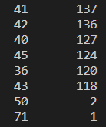
All Entries: 501730
 | 0 | 1 | 2 | 3 | 4 | 5 | 6 | 7 | 8 | 9 | 10 | 11 | 12 | 13 | 14
 | QUEUE_ID | CU | STATUS | QUEUE_TYPE | PLATFORM | CPU_USAGE | MEM_USAGE | LAUNCHING | RUNNING | SUCCEED | CANCELLED | FAILED | DOTTING_TIME | RESOURCE_TYPE | DISK_USAGE
non-null count | 501730 | 501730 | 501730 | 501730 | 501730 | 501730 | 501730 | 501730 | 501730 | 501730 | 501730 | 501730 | 501730 | 468635 | 468635
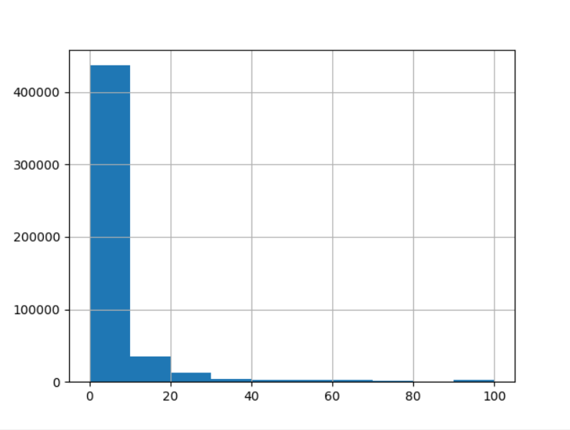
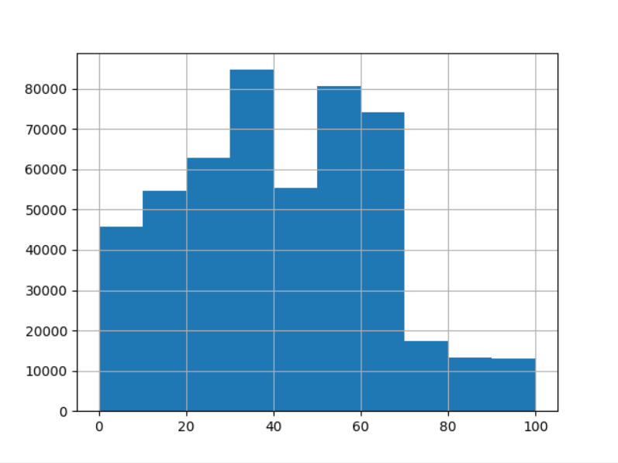
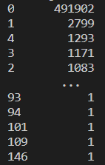
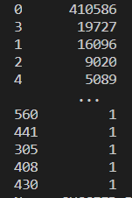
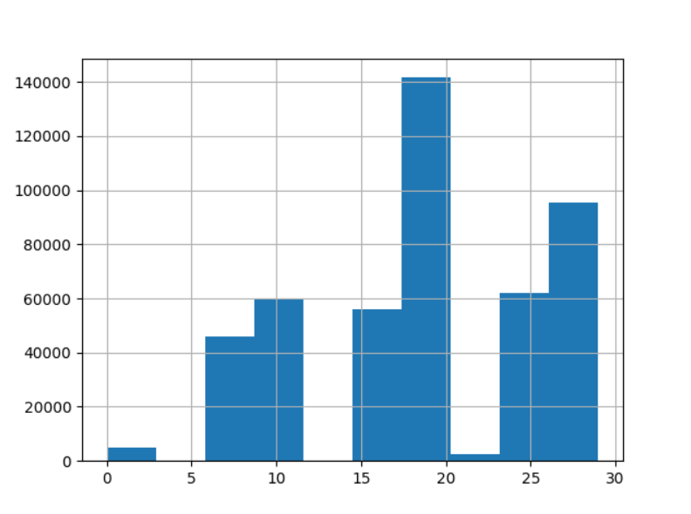
vaule_counts

