Sheet1
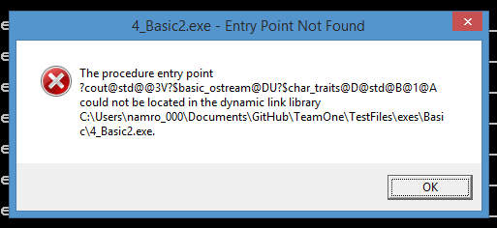
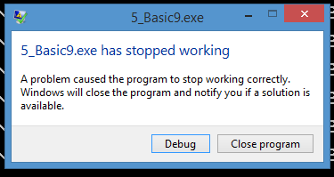
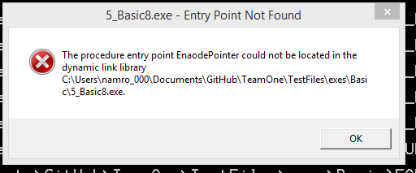
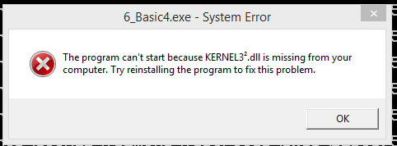
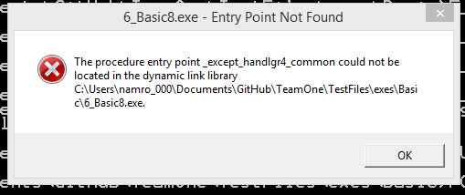
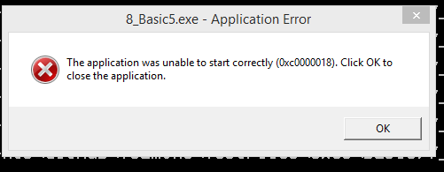
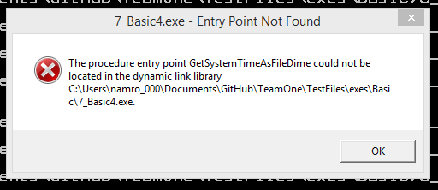
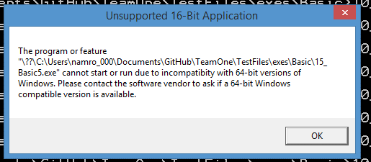
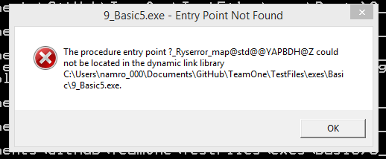
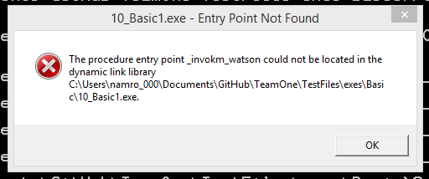
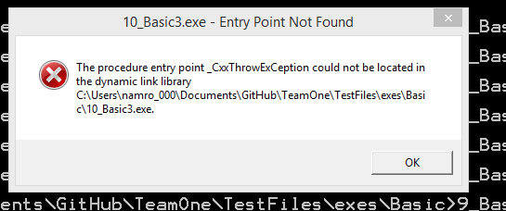
 | 0 | 1 | 2 | 3 | 4 | 5 | 6 | 7 | 8 | 9 | 10 | 15 | 20 | 25 | 50 | 100 | 500 | 1000
0 | 5 | 5 | 0 | 0 | 5 | 0 | 0 | 0 | 0 | 4 | 0 | 0 | 0 | 0 | 0 | 0 | 0 | 0
1 | 5 | 5 | 4 | 4 | 5 | 0 | 0 | 0 | 0 | 5 | 0 | 0 | 0 | 0 | 0 | 0 | 0 | 0
2 | 5 | 5 | 2 | 0 | 0 | 0 | 5 | 0 | 0 | 0 | 0 | 0 | 0 | 0 | 0 | 0 | 0 | 0
3 | 5 | 5 | 0 | 0 | 0 | 0 | 0 | 0 | 0 | 5 | 0 | 0 | 0 | 0 | 0 | 0 | 0 | 0
4 | 5 | 5 | 0 | 0 | 5 | 5 | 0 | 0 | 0 | 0 | 0 | 0 | 0 | 0 | 0 | 0 | 0 | 0
5 | 5 | 5 | 0 | 0 | 5 | 0 | 0 | 5 | 0 | 0 | 0 | 0 | 0 | 0 | 0 | 0 | 0 | 0
6 | 5 | 5 | 0 | 0 | 0 | 0 | 5 | 4 | 0 | 0 | 0 | 0 | 0 | 0 | 0 | 0 | 0 | 0
7 | 5 | 5 | 0 | 4 | 0 | 0 | 5 | 0 | 0 | 0 | 0 | 0 | 0 | 0 | 0 | 0 | 0 | 0
8 | 5 | 5 | 0 | 0 | 4 | 0 | 0 | 4 | 0 | 4 | 0 | 0 | 0 | 0 | 0 | 0 | 0 | 0
9 | 5 | 5 | 0 | 0 | 0 | 0 | 5 | 0 | 0 | 0 | 0 | 0 | 0 | 0 | 0 | 0 | 0 | 0

 |  | 5 | perfect output |  |  | Note: Typically it ran or didn't run, there wasn't a lot of inbetween,
 |  | 4 | minor diff
 |  | 2 | moderate diff
runs |  | 0 | no output

 |  |  |  |  | entry point not found
 |  |  |  |  | hangs system
 |  |  |  |  | standard crash
 |  |  |  |  | access is denied
 |  |  |  |  | cannot run 16 bit application
 |  | 3_8
 |  | The application has failed to start because its side-by-side configuration is incorrect. Please see the application event log or use the comma
 |  | nd-line sxstrace.exe tool for more detail.

 |  | TYPES OF CRASHES

