Green
Green Mean
Mean
 | 0 | 1 | 2 | 3 | 4 | 5 | 6 | 7 | 8 | 9 | 10 | 15 | 20 | 25 | 50 | 100 | 500 | 1000
jpg | 5 | 4.1 | 4.2 | 3.5 | 3.6 | 2.6 | 3.4 | 2.4 | 2.8 | 2.7 | 1.3 | 2.1 | 1.3 | 2 | 0.4 | 0.1 | 0 | 0
bmp | 5 | 5 | 5 | 5 | 5 | 4.5 | 4.1 | 4 | 4 | 4 | 4 | 3.6 | 3.6 | 4 | 3.6 | 3.6 | 2.9 | 1.4
gif | 5 | 4.7 | 3.7 | 3.7 | 3.6 | 3.4 | 3.3 | 3.4 | 3.1 | 3.6 | 2.6 | 3 | 3.2 | 2.7 | 1.2 | 1.2 | 0.3 | 0.3
png | 5 | 2.1 | 2.3 | 1.9 | 1.5 | 0.9 | 0.5 | 1.4 | 0.6 | 0.7 | 1.2 | 0.4 | 0.5 | 0.4 | 0.2 | 0 | 0 | 0

Median
 | 0 | 1 | 2 | 3 | 4 | 5 | 6 | 7 | 8 | 9 | 10 | 15 | 20 | 25 | 50 | 100 | 500 | 1000
jpg | 5 | 4.1 | 4 | 4 | 4 | 2.6 | 4 | 2.4 | 4 | 3 | 1.3 | 2.1 | 0 | 2 | 0 | 0 | 0 | 0
bmp | 5 | 5 | 5 | 5 | 5 | 5 | 4 | 4 | 4 | 4 | 4 | 4 | 4 | 4 | 4 | 4 | 4 | 0
gif | 5 | 5 | 4 | 4 | 4 | 4 | 4 | 4 | 4 | 4 | 2.6 | 3 | 3.2 | 3 | 1 | 1 | 0 | 0
png | 5 | 2 | 2 | 2 | 1 | 1 | 0 | 1.5 | 0 | 1 | 1 | 0 | 0.5 | 0 | 0 | 0 | 0 | 0

Mode
 | 0 | 1 | 2 | 3 | 4 | 5 | 6 | 7 | 8 | 9 | 10 | 15 | 20 | 25 | 50 | 100 | 500 | 1000
jpg | 5 | 5 | 4 | 4 | 4 | 4 | 4 | 4 | 4 | 4 | 0 | 4 | 0 | 4 | 0 | 0 | 0 | 0
bmp | 5 | 5 | 5 | 5 | 5 | 5 | 4 | 4 | 4 | 4 | 4 | 4 | 4 | 4 | 4 | 4 | 4 | 0
gif | 5 | 5 | 4 | 4 | 4 | 4 | 4 | 4 | 4 | 4 | 4 | 4 | 4 | 3 | 1 | 1 | 0 | 0
png | 5 | 2 | 2 | 1 | 1 | 0 | 0 | 2 | 0 | 1 | 1 | 0 | 0 | 0 | 0 | 0 | 0 | 0
Green Open Rates

Open
 | 0 | 1 | 2 | 3 | 4 | 5 | 6 | 7 | 8 | 9 | 10 | 15 | 20 | 25 | 50 | 100 | 500 | 1000
jpg | 10 | 9 | 10 | 10 | 10 | 8 | 10 | 7 | 8 | 8 | 6 | 6 | 4 | 7 | 1 | 1 | 0 | 0
bmp | 10 | 10 | 10 | 10 | 10 | 9 | 10 | 10 | 10 | 10 | 10 | 9 | 9 | 10 | 9 | 9 | 8 | 4
gif | 10 | 10 | 9 | 10 | 10 | 10 | 10 | 10 | 9 | 10 | 9 | 10 | 10 | 10 | 9 | 9 | 2 | 3
png | 10 | 8 | 10 | 10 | 10 | 6 | 4 | 9 | 3 | 6 | 8 | 4 | 5 | 3 | 2 | 0 | 0 | 0

Quad
Quad Mean
Mean
 | 0 | 1 | 2 | 3 | 4 | 5 | 6 | 7 | 8 | 9 | 10 | 15 | 20 | 25 | 50 | 100 | 500 | 1000
jpg | 5 | 2.1 | 2.1 | 1.2 | 1.1 | 1 | 1.2 | 0.9 | 1.2 | 1.3 | 1.1 | 0.8 | 0.7 | 0.4 | 0.6 | 0.2 | 0.1 | 0.1
bmp | 5 | 4 | 4 | 4 | 4 | 4 | 4 | 4 | 4 | 4 | 4 | 4 | 4 | 4 | 4 | 3.2 | 2.8 | 2.8
gif | 5 | 2.7 | 1.9 | 1.3 | 1.2 | 1.5 | 1.3 | 1 | 1 | 1 | 1 | 1 | 1 | 1 | 0.9 | 0.9 | 0.7 | 0.6
png | 5 | 4.3 | 3.8 | 3.4 | 3.6 | 3 | 3 | 3.4 | 3.1 | 3.2 | 3.2 | 2.7 | 3 | 2.6 | 2.6 | 2.2 | 1.7 | 2.1

Median
 | 0 | 1 | 2 | 3 | 4 | 5 | 6 | 7 | 8 | 9 | 10 | 15 | 20 | 25 | 50 | 100 | 500 | 1000
jpg | 5 | 2 | 2 | 1 | 1 | 1 | 1 | 1 | 1 | 1 | 1 | 1 | 1 | 0 | 1 | 0 | 0 | 0
bmp | 5 | 4 | 4 | 4 | 4 | 4 | 4 | 4 | 4 | 4 | 4 | 4 | 4 | 4 | 4 | 4 | 4 | 4
gif | 5 | 2 | 1.9 | 1 | 1 | 1 | 1 | 1 | 1 | 1 | 1 | 1 | 1 | 1 | 1 | 1 | 1 | 1
png | 5 | 4.5 | 4 | 3 | 4 | 3 | 3 | 3 | 3 | 3 | 3 | 3 | 3 | 3 | 3 | 3 | 2 | 2

Mode
 | 0 | 1 | 2 | 3 | 4 | 5 | 6 | 7 | 8 | 9 | 10 | 15 | 20 | 25 | 50 | 100 | 500 | 1000
jpg | 5 | 2 | 2 | 1 | 1 | 1 | 1 | 1 | 1 | 1 | 1 | 1 | 1 | 0 | 1 | 0 | 0 | 0
bmp | 5 | 4 | 4 | 4 | 4 | 4 | 4 | 4 | 4 | 4 | 4 | 4 | 4 | 4 | 4 | 4 | 4 | 4
gif | 5 | 2 | 1 | 1 | 1 | 1 | 1 | 1 | 1 | 1 | 1 | 1 | 1 | 1 | 1 | 1 | 1 | 1
png | 5 | 5 | 4 | 3 | 4 | 3 | 3 | 3 | 3 | 3 | 3 | 3 | 3 | 3 | 3 | 3 | 3 | 3
Quad Open Rates

Open
 | 0 | 1 | 2 | 3 | 4 | 5 | 6 | 7 | 8 | 9 | 10 | 15 | 20 | 25 | 50 | 100 | 500 | 1000
jpg | 10 | 9 | 10 | 10 | 10 | 10 | 8 | 7 | 10 | 10 | 10 | 8 | 7 | 4 | 6 | 2 | 1 | 1
bmp | 10 | 10 | 10 | 10 | 10 | 10 | 10 | 10 | 10 | 10 | 10 | 10 | 10 | 10 | 10 | 8 | 7 | 7
gif | 10 | 10 | 9 | 10 | 10 | 10 | 10 | 10 | 9 | 10 | 10 | 10 | 10 | 10 | 9 | 9 | 7 | 6
png | 10 | 10 | 10 | 10 | 10 | 10 | 10 | 10 | 10 | 10 | 10 | 9 | 10 | 9 | 10 | 10 | 7 | 10

Mem
Mem Mean
Mean
 | 0 | 1 | 2 | 3 | 4 | 5 | 6 | 7 | 8 | 9 | 10 | 15 | 20 | 25 | 50 | 100 | 500 | 1000
jpg | 5 | 3.9 | 2.8 | 2.8 | 1.7 | 2 | 1.2 | 2.1 | 1.5 | 1.5 | 1.2 | 1 | 1 | 0.9 | 0.9 | 0.8 | 0.9 | 0.3
bmp | 5 | 4 | 4 | 4 | 4 | 4 | 4 | 3.6 | 4 | 4 | 4 | 4 | 4 | 4 | 4 | 4 | 4 | 3.2
gif | 5 | 4.2 | 3.7 | 3.8 | 3.6 | 3.2 | 3.8 | 3 | 2.7 | 2.9 | 2.9 | 2.7 | 2.1 | 1.8 | 1.5 | 1.2 | 1.4 | 1.2
png | 5 | 4.3 | 3.8 | 3.4 | 3.6 | 3 | 3 | 3.4 | 3.1 | 3.2 | 3.2 | 2.7 | 3 | 2.6 | 2.6 | 2.2 | 1.7 | 2.1

Median
 | 0 | 1 | 2 | 3 | 4 | 5 | 6 | 7 | 8 | 9 | 10 | 15 | 20 | 25 | 50 | 100 | 500 | 1000
jpg | 5 | 4 | 4 | 2.8 | 2 | 2 | 1 | 2 | 1 | 1 | 1 | 1 | 1 | 1 | 1 | 1 | 1 | 0
bmp | 5 | 4 | 4 | 4 | 4 | 4 | 4 | 4 | 4 | 4 | 4 | 4 | 4 | 4 | 4 | 4 | 4 | 4
gif | 5 | 4 | 4 | 4 | 4 | 4 | 4 | 3 | 2 | 2.9 | 2.9 | 2 | 2 | 2 | 1.5 | 1 | 1 | 1
png | 5 | 4.5 | 4 | 3 | 4 | 3 | 3 | 3 | 3 | 3 | 3 | 3 | 3 | 3 | 3 | 3 | 2 | 2

Mode
 | 0 | 1 | 2 | 3 | 4 | 5 | 6 | 7 | 8 | 9 | 10 | 15 | 20 | 25 | 50 | 100 | 500 | 1000
jpg | 5 | 4 | 4 | 4 | 2 | 2 | 1 | 1 | 1 | 1 | 1 | 1 | 1 | 1 | 1 | 1 | 1 | 0
bmp | 5 | 4 | 4 | 4 | 4 | 4 | 4 | 4 | 4 | 4 | 4 | 4 | 4 | 4 | 4 | 4 | 4 | 4
gif | 5 | 4 | 4 | 4 | 4 | 4 | 4 | 2 | 2 | 4 | 4 | 2 | 2 | 2 | 1 | 1 | 1 | 1
png | 5 | 5 | 4 | 3 | 4 | 3 | 3 | 3 | 3 | 3 | 3 | 3 | 3 | 3 | 3 | 3 | 3 | 3
Mem Open Rates

Open
 | 0 | 1 | 2 | 3 | 4 | 5 | 6 | 7 | 8 | 9 | 10 | 15 | 20 | 25 | 50 | 100 | 500 | 1000
jpg | 10 | 10 | 10 | 10 | 10 | 9 | 10 | 10 | 10 | 10 | 10 | 10 | 10 | 8 | 9 | 8 | 9 | 3
bmp | 10 | 10 | 10 | 10 | 10 | 10 | 10 | 9 | 10 | 10 | 10 | 10 | 10 | 10 | 10 | 10 | 10 | 8
gif | 10 | 10 | 10 | 10 | 10 | 10 | 10 | 10 | 10 | 10 | 10 | 10 | 10 | 10 | 10 | 9 | 10 | 10
png | 10 | 10 | 10 | 10 | 10 | 10 | 10 | 10 | 10 | 10 | 10 | 9 | 10 | 9 | 10 | 10 | 7 | 10

Boxes
Boxes Mean
Mean
 | 0 | 1 | 2 | 3 | 4 | 5 | 6 | 7 | 8 | 9 | 10 | 15 | 20 | 25 | 50 | 100 | 500 | 1000
jpg | 5 | 3.4 | 3.3 | 1.6 | 1.2 | 1.2 | 1.5 | 1.3 | 1.2 | 1.5 | 0.9 | 0.9 | 0.7 | 1 | 0.9 | 1 | 0.8 | 0.4
bmp | 5 | 4 | 4 | 4 | 4 | 4 | 4 | 4 | 4 | 4 | 4 | 4 | 4 | 3.7 | 4 | 4 | 3.2 | 3.2
gif | 5 | 4.1 | 3.4 | 2.2 | 2 | 2.3 | 2.2 | 2 | 2 | 2.2 | 2 | 1.7 | 1.7 | 1.6 | 1 | 1 | 1 | 1.1
png | 5 | 3.1 | 2.8 | 2.3 | 2.4 | 2.1 | 1.7 | 1.6 | 1.4 | 1.8 | 1.6 | 1.4 | 1.1 | 1.7 | 0.9 | 1 | 0.8 | 0.6

Median
 | 0 | 1 | 2 | 3 | 4 | 5 | 6 | 7 | 8 | 9 | 10 | 15 | 20 | 25 | 50 | 100 | 500 | 1000
jpg | 5 | 4 | 4 | 2 | 1 | 1 | 1 | 1 | 1 | 1 | 1 | 1 | 1 | 1 | 1 | 1 | 0 | 0
bmp | 5 | 4 | 4 | 4 | 4 | 4 | 4 | 4 | 4 | 4 | 4 | 4 | 4 | 4 | 4 | 4 | 4 | 4
gif | 5 | 4 | 4 | 2 | 2 | 2 | 2 | 2 | 2 | 2 | 2 | 2 | 2 | 1 | 1 | 1 | 1 | 1
png | 5 | 3 | 3 | 2 | 2 | 2 | 2 | 2 | 1 | 2 | 1.5 | 1 | 1 | 2 | 1 | 1 | 1 | 0.5

Mode
 | 0 | 1 | 2 | 3 | 4 | 5 | 6 | 7 | 8 | 9 | 10 | 15 | 20 | 25 | 50 | 100 | 500 | 1000
jpg | 5 | 4 | 4 | 2 | 1 | 1 | 1 | 1 | 1 | 1 | 1 | 1 | 1 | 1 | 1 | 1 | 0 | 0
bmp | 5 | 4 | 4 | 4 | 4 | 4 | 4 | 4 | 4 | 4 | 4 | 4 | 4 | 4 | 4 | 4 | 4 | 4
gif | 5 | 4 | 4 | 2 | 2 | 2 | 2 | 2 | 2 | 2 | 2 | 2 | 2 | 1 | 1 | 1 | 1 | 1
Boxes Open Rates
png | 5 | 3 | 3 | 2 | 2 | 2 | 2 | 2 | 1 | 2 | 1 | 1 | 1 | 2 | 1 | 1 | 1 | 0

Open
 | 0 | 1 | 2 | 3 | 4 | 5 | 6 | 7 | 8 | 9 | 10 | 15 | 20 | 25 | 50 | 100 | 500 | 1000
jpg | 10 | 10 | 10 | 10 | 9 | 10 | 10 | 10 | 10 | 10 | 9 | 9 | 7 | 10 | 9 | 6 | 4 | 4
bmp | 10 | 10 | 10 | 10 | 10 | 10 | 10 | 10 | 10 | 10 | 10 | 10 | 10 | 10 | 10 | 10 | 8 | 8
gif | 10 | 10 | 10 | 10 | 10 | 10 | 10 | 10 | 10 | 10 | 10 | 10 | 10 | 10 | 9 | 10 | 8 | 10
png | 10 | 10 | 10 | 10 | 10 | 10 | 9 | 9 | 10 | 10 | 10 | 10 | 10 | 9 | 9 | 10 | 8 | 5

JPG
Jpeg Mean
MEAN
 | 0 | 1 | 2 | 3 | 4 | 5 | 6 | 7 | 8 | 9 | 10 | 15 | 20 | 25 | 50 | 100 | 500 | 1000
green jpg | 5 | 4.1 | 4.2 | 3.5 | 3.6 | 2.6 | 3.4 | 2.4 | 2.8 | 2.7 | 1.3 | 2.1 | 1.3 | 2 | 0.4 | 0.1 | 0 | 0
quad jpg | 5 | 2.1 | 2.1 | 1.2 | 1.1 | 1 | 1.2 | 0.9 | 1.2 | 1.3 | 1.1 | 0.8 | 0.7 | 0.4 | 0.6 | 0.2 | 0.1 | 0.1
boxes jpg | 5 | 3.4 | 3.3 | 1.6 | 1.2 | 1.2 | 1.5 | 1.3 | 1.2 | 1.5 | 0.9 | 0.9 | 0.7 | 1 | 0.9 | 1 | 0.8 | 0.4
mem jpg | 5 | 3.9 | 2.8 | 2.8 | 1.7 | 2 | 1.2 | 2.1 | 1.5 | 1.5 | 1.2 | 1 | 1 | 0.9 | 0.9 | 0.8 | 0.9 | 0.3

OPEN
 | 0 | 1 | 2 | 3 | 4 | 5 | 6 | 7 | 8 | 9 | 10 | 15 | 20 | 25 | 50 | 100 | 500 | 1000
green jpg | 10 | 9 | 10 | 10 | 10 | 8 | 10 | 7 | 8 | 8 | 6 | 6 | 4 | 7 | 1 | 1 | 0 | 0
quad jpg | 10 | 9 | 10 | 10 | 10 | 8 | 10 | 7 | 8 | 8 | 6 | 6 | 4 | 7 | 1 | 1 | 0 | 0
boxes jpg | 10 | 10 | 10 | 10 | 9 | 10 | 10 | 10 | 10 | 10 | 9 | 9 | 7 | 10 | 9 | 6 | 4 | 4
mem jpg | 10 | 10 | 10 | 10 | 10 | 9 | 10 | 10 | 10 | 10 | 10 | 10 | 10 | 8 | 9 | 8 | 9 | 3

Jpeg by Open Rates

BMP
BMP Mean
MEAN
 | 0 | 1 | 2 | 3 | 4 | 5 | 6 | 7 | 8 | 9 | 10 | 15 | 20 | 25 | 50 | 100 | 500 | 1000
green bmp | 5 | 5 | 5 | 5 | 5 | 4.5 | 4.1 | 4 | 4 | 4 | 4 | 3.6 | 3.6 | 4 | 3.6 | 3.6 | 2.9 | 1.4
quad bmp | 5 | 4 | 4 | 4 | 4 | 4 | 4 | 4 | 4 | 4 | 4 | 4 | 4 | 4 | 4 | 3.2 | 2.8 | 2.8
boxes bmp | 5 | 4 | 4 | 4 | 4 | 4 | 4 | 4 | 4 | 4 | 4 | 4 | 4 | 3.7 | 4 | 4 | 3.2 | 3.2
mem bmp | 5 | 4 | 4 | 4 | 4 | 4 | 4 | 3.6 | 4 | 4 | 4 | 4 | 4 | 4 | 4 | 4 | 4 | 3.2

OPEN
 | 0 | 1 | 2 | 3 | 4 | 5 | 6 | 7 | 8 | 9 | 10 | 15 | 20 | 25 | 50 | 100 | 500 | 1000
green bmp | 10 | 10 | 10 | 10 | 10 | 9 | 10 | 10 | 10 | 10 | 10 | 9 | 9 | 10 | 9 | 9 | 8 | 4
quad bmp | 10 | 10 | 10 | 10 | 10 | 9 | 10 | 10 | 10 | 10 | 10 | 9 | 9 | 10 | 9 | 9 | 8 | 4
boxes bmp | 10 | 10 | 10 | 10 | 10 | 10 | 10 | 10 | 10 | 10 | 10 | 10 | 10 | 10 | 10 | 10 | 8 | 8
mem bmp | 10 | 10 | 10 | 10 | 10 | 10 | 10 | 9 | 10 | 10 | 10 | 10 | 10 | 10 | 10 | 10 | 10 | 8

BMP by Open Rates

GIF
GIF Mean
MEAN
 | 0 | 1 | 2 | 3 | 4 | 5 | 6 | 7 | 8 | 9 | 10 | 15 | 20 | 25 | 50 | 100 | 500 | 1000
green gif | 5 | 4.7 | 3.7 | 3.7 | 3.6 | 3.4 | 3.3 | 3.4 | 3.1 | 3.6 | 2.6 | 3 | 3.2 | 2.7 | 1.2 | 1.2 | 0.3 | 0.3
quad gif | 5 | 2.7 | 1.9 | 1.3 | 1.2 | 1.5 | 1.3 | 1 | 1 | 1 | 1 | 1 | 1 | 1 | 0.9 | 0.9 | 0.7 | 0.6
boxes gif | 5 | 4.1 | 3.4 | 2.2 | 2 | 2.3 | 2.2 | 2 | 2 | 2.2 | 2 | 1.7 | 1.7 | 1.6 | 1 | 1 | 1 | 1.1
mem gif | 5 | 4.2 | 3.7 | 3.8 | 3.6 | 3.2 | 3.8 | 3 | 2.7 | 2.9 | 2.9 | 2.7 | 2.1 | 1.8 | 1.5 | 1.2 | 1.4 | 1.2

OPEN
 | 0 | 1 | 2 | 3 | 4 | 5 | 6 | 7 | 8 | 9 | 10 | 15 | 20 | 25 | 50 | 100 | 500 | 1000
green gif | 10 | 10 | 9 | 10 | 10 | 10 | 10 | 10 | 9 | 10 | 9 | 10 | 10 | 10 | 9 | 9 | 2 | 3
quad gif | 10 | 10 | 9 | 10 | 10 | 10 | 10 | 10 | 9 | 10 | 9 | 10 | 10 | 10 | 9 | 9 | 2 | 3
boxes gif | 10 | 10 | 10 | 10 | 10 | 10 | 10 | 10 | 10 | 10 | 10 | 10 | 10 | 10 | 9 | 10 | 8 | 10
mem gif | 10 | 10 | 10 | 10 | 10 | 10 | 10 | 10 | 10 | 10 | 10 | 10 | 10 | 10 | 10 | 9 | 10 | 10

GIF by Open Rates

PNG
PNG Mean
MEAN
 | 0 | 1 | 2 | 3 | 4 | 5 | 6 | 7 | 8 | 9 | 10 | 15 | 20 | 25 | 50 | 100 | 500 | 1000
greeen png | 5 | 2.1 | 2.3 | 1.9 | 1.5 | 0.9 | 0.5 | 1.4 | 0.6 | 0.7 | 1.2 | 0.4 | 0.5 | 0.4 | 0.2 | 0 | 0 | 0
quad png | 5 | 3.8 | 3 | 2.8 | 2.6 | 2.2 | 2.1 | 2 | 2 | 2 | 2 | 2 | 1.8 | 2.2 | 1.2 | 1 | 1 | 1
boxes png | 5 | 3.1 | 2.8 | 2.3 | 2.4 | 2.1 | 1.7 | 1.6 | 1.4 | 1.8 | 1.6 | 1.4 | 1.1 | 1.7 | 0.9 | 1 | 0.8 | 0.6
mem png | 5 | 4.3 | 3.8 | 3.4 | 3.6 | 3 | 3 | 3.4 | 3.1 | 3.2 | 3.2 | 2.7 | 3 | 2.6 | 2.6 | 2.2 | 1.7 | 2.1
 | 5 | 3.325 | 2.975 | 2.6 | 2.525 | 2.05 | 1.825 | 2.1 | 1.775 | 1.925 | 2 | 1.625 | 1.6 | 1.725 | 1.225 | 1.05 | 0.875 | 0.925

OPEN
 | 0 | 1 | 2 | 3 | 4 | 5 | 6 | 7 | 8 | 9 | 10 | 15 | 20 | 25 | 50 | 100 | 500 | 1000
greeen png | 10 | 8 | 10 | 10 | 10 | 6 | 4 | 9 | 3 | 6 | 8 | 4 | 5 | 3 | 2 | 0 | 0 | 0
quad png | 10 | 10 | 10 | 10 | 10 | 10 | 10 | 10 | 10 | 10 | 10 | 10 | 10 | 10 | 10 | 10 | 10 | 10
boxes png | 10 | 10 | 10 | 10 | 10 | 10 | 9 | 9 | 10 | 10 | 10 | 10 | 10 | 9 | 9 | 10 | 8 | 5
mem png | 10 | 10 | 10 | 10 | 10 | 10 | 10 | 10 | 10 | 10 | 10 | 9 | 10 | 9 | 10 | 10 | 7 | 10
 | 40 | 38 | 40 | 40 | 40 | 36 | 33 | 38 | 33 | 36 | 38 | 33 | 35 | 31 | 31 | 30 | 25 | 25

PNG by Open Rates

AVERAGES
mean
 | 0 | 1 | 2 | 3 | 4 | 5 | 6 | 7 | 8 | 9 | 10 | 15 | 20 | 25 | 50 | 100 | 500 | 1000
all bmp | 5 | 4.25 | 4.25 | 4.25 | 4.25 | 4.125 | 4.025 | 3.9 | 4 | 4 | 4 | 3.9 | 3.9 | 3.925 | 3.9 | 3.7 | 3.225 | 2.65
all jpg | 5 | 3.375 | 3.1 | 2.275 | 1.9 | 1.7 | 1.825 | 1.675 | 1.675 | 1.75 | 1.125 | 1.2 | 0.925 | 1.075 | 0.7 | 0.525 | 0.45 | 0.2
all gif | 5 | 3.925 | 3.175 | 2.75 | 2.6 | 2.6 | 2.65 | 2.35 | 2.2 | 2.425 | 2.125 | 2.1 | 2 | 1.775 | 1.15 | 1.075 | 0.85 | 0.8
all png | 5 | 3.325 | 2.975 | 2.6 | 2.525 | 2.05 | 1.825 | 2.1 | 1.775 | 1.925 | 2 | 1.625 | 1.6 | 1.725 | 1.225 | 1.05 | 0.875 | 0.925

Average Usability Scores by File Type

open
 | 0 | 1 | 2 | 3 | 4 | 5 | 6 | 7 | 8 | 9 | 10 | 15 | 20 | 25 | 50 | 100 | 500 | 1000
all bmp | 100.00% | 100.00% | 100.00% | 100.00% | 100.00% | 95.00% | 100.00% | 97.50% | 100.00% | 100.00% | 100.00% | 95.00% | 95.00% | 100.00% | 95.00% | 95.00% | 85.00% | 60.00%
all jpg | 100.00% | 95.00% | 100.00% | 100.00% | 97.50% | 87.50% | 100.00% | 85.00% | 90.00% | 90.00% | 77.50% | 77.50% | 62.50% | 80.00% | 50.00% | 40.00% | 32.50% | 17.50%
all gif | 100.00% | 100.00% | 95.00% | 100.00% | 100.00% | 100.00% | 100.00% | 100.00% | 95.00% | 100.00% | 95.00% | 100.00% | 100.00% | 100.00% | 92.50% | 92.50% | 55.00% | 65.00%
all png | 100.00% | 95.00% | 100.00% | 100.00% | 100.00% | 90.00% | 82.50% | 95.00% | 82.50% | 90.00% | 95.00% | 82.50% | 87.50% | 77.50% | 77.50% | 75.00% | 62.50% | 62.50%

Average Open Rates by File Type

All Graphs
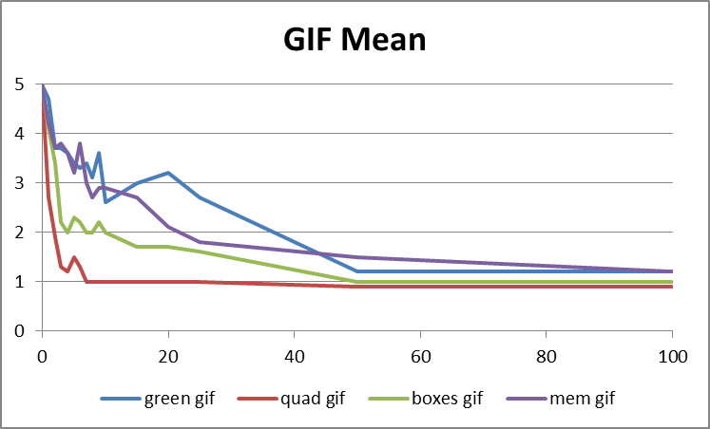
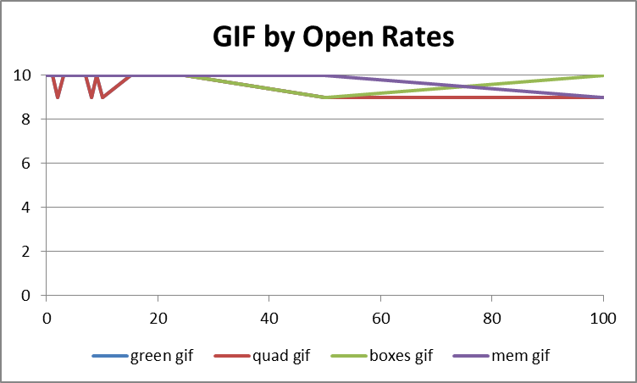
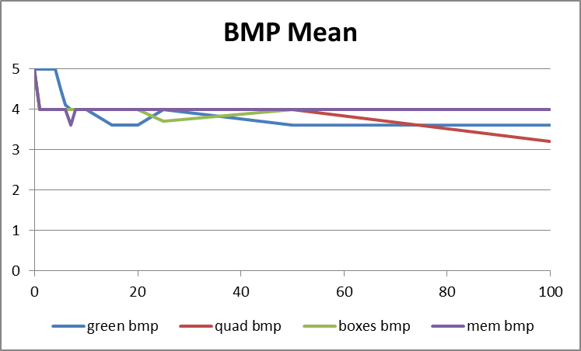
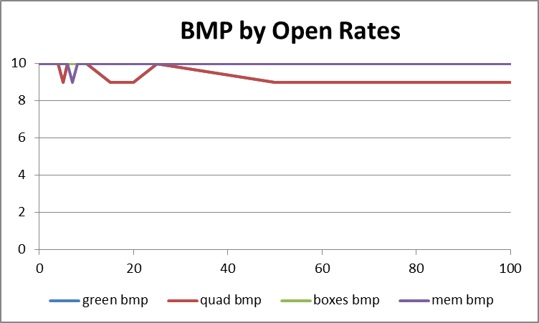
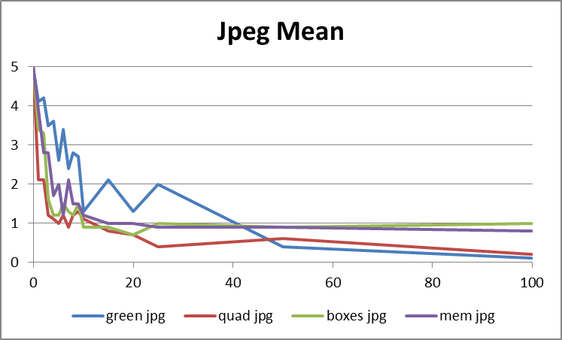
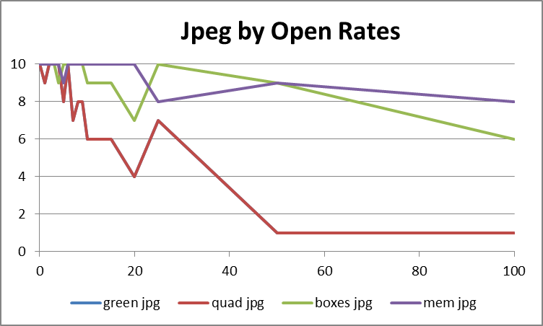
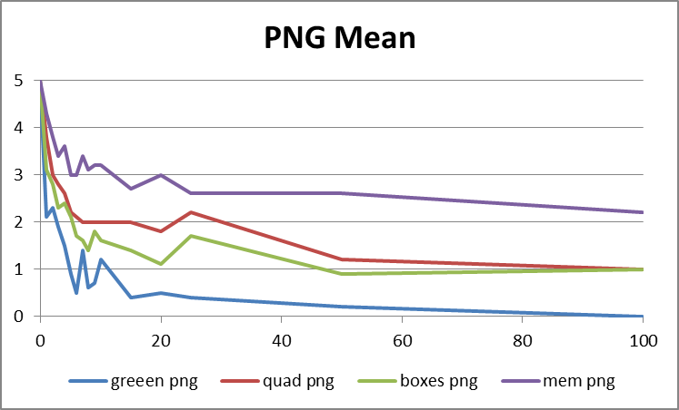
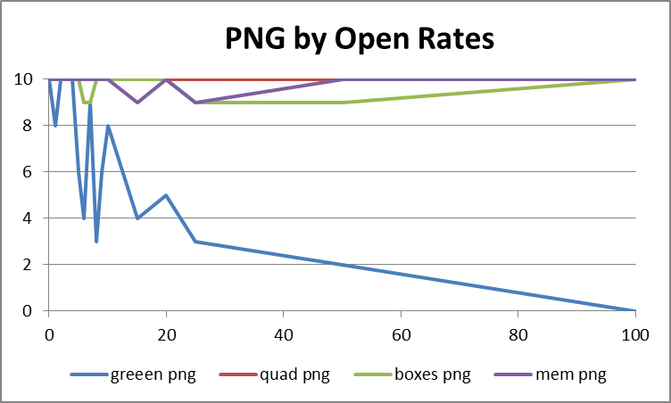
Notes:
All files similar deterioration in bmp format
PNG: memo, quad, boxes, green
GIF: green/mem, boxes, quad
jpeg: Pretty close
green on top until 50 bit flips
Starts roughly: green, memo, boxes, quad
Ends roughly: boxes, memo, quad, green
Notes on open rates:
Green fails fast in png, all others fail at roughly the same rate
gif and bmp open rates stay very high
quad and green falls fast in jpeg, memo and boxes stay steady

EXE
 | 0 | 1 | 2 | 3 | 4 | 5 | 6 | 7 | 8 | 9 | 10 | 15 | 20 | 25 | 50 | 100 | 500 | 1000
0 | 5 | 5 | 0 | 0 | 5 | 0 | 0 | 0 | 0 | 4 | 0 | 0 | 0 | 0 | 0 | 0 | 0 | 0
1 | 5 | 5 | 4 | 4 | 5 | 0 | 0 | 0 | 0 | 5 | 0 | 0 | 0 | 0 | 0 | 0 | 0 | 0
2 | 5 | 5 | 2 | 0 | 0 | 0 | 5 | 0 | 0 | 0 | 0 | 0 | 0 | 0 | 0 | 0 | 0 | 0
3 | 5 | 5 | 0 | 0 | 0 | 0 | 0 | 0 | 0 | 5 | 0 | 0 | 0 | 0 | 0 | 0 | 0 | 0
4 | 5 | 5 | 0 | 0 | 5 | 5 | 0 | 0 | 0 | 0 | 0 | 0 | 0 | 0 | 0 | 0 | 0 | 0
5 | 5 | 5 | 0 | 0 | 5 | 0 | 0 | 5 | 0 | 0 | 0 | 0 | 0 | 0 | 0 | 0 | 0 | 0
6 | 5 | 5 | 0 | 0 | 0 | 0 | 5 | 4 | 0 | 0 | 0 | 0 | 0 | 0 | 0 | 0 | 0 | 0
7 | 5 | 5 | 0 | 4 | 0 | 0 | 5 | 0 | 0 | 0 | 0 | 0 | 0 | 0 | 0 | 0 | 0 | 0
8 | 5 | 5 | 0 | 0 | 4 | 0 | 0 | 4 | 0 | 4 | 0 | 0 | 0 | 0 | 0 | 0 | 0 | 0
9 | 5 | 5 | 0 | 0 | 0 | 0 | 5 | 0 | 0 | 0 | 0 | 0 | 0 | 0 | 0 | 0 | 0 | 0
mean | 5 | 5 | 0.6 | 0.8 | 2.4 | 0.5 | 2 | 1.3 | 0 | 1.8 | 0 | 0 | 0 | 0 | 0 | 0 | 0 | 0
median | 5 | 5 | 0 | 0 | 2.4 | 0 | 0 | 0 | 0 | 0 | 0 | 0 | 0 | 0 | 0 | 0 | 0 | 0
mode | 5 | 5 | 0 | 0 | 0 | 0 | 0 | 0 | 0 | 0 | 0 | 0 | 0 | 0 | 0 | 0 | 0 | 0
stdDev | 0 | 0 | 1.3498971154 | 1.6865480854 | 2.5473297566 | 1.5811388301 | 2.5819888975 | 2.1108186932 | 0 | 2.3475755816 | 0 | 0 | 0 | 0 | 0 | 0 | 0 | 0
EXE Usability
# Open | 10 | 10 | 2 | 2 | 5 | 1 | 4 | 3 | 0 | 4 | 0 | 0 | 0 | 0 | 0 | 0 | 0 | 0

 | 0 | 1 | 2 | 3 | 4 | 5 | 6 | 7 | 8 | 9 | 10 | 15 | 20 | 25 | 50 | 100 | 500 | 1000
mean | 5 | 5 | 0.6 | 0.8 | 2.4 | 0.5 | 2 | 1.3 | 0 | 1.8 | 0 | 0 | 0 | 0 | 0 | 0 | 0 | 0

 | 0 | 1 | 2 | 3 | 4 | 5 | 6 | 7 | 8 | 9 | 10 | 15 | 20 | 25 | 50 | 100 | 500 | 1000
# Open | 9 | 10 | 10 | 10 | 10 | 10 | 10 | 10 | 9 | 10 | 9 | 9 | 9 | 9 | 9 | 9 | 9 | 9

