Sheet7
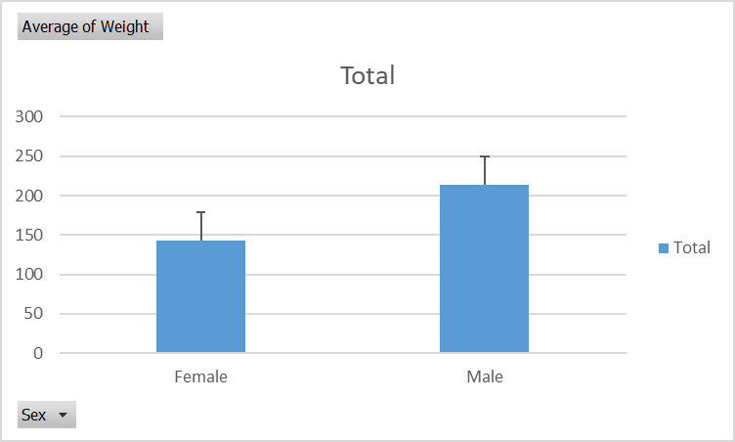
Average of Weight | Column Labels
Row Labels | Female | Male | Grand Total
4 | 172.66666667 | 242.4 | 226.30769231
5 | 108.5 | 142.66666667 | 119.88888889
6 | 121.66666667 | 130 | 126.42857143
8 | 134.30769231 | 232.28571429 | 194.82352941
Weight by month
9 | 140.125 | 195.65217391 | 181.32258065
10 | 258 | 224.13333333 | 231.26315789
11 | 140 | 228.4 | 203.14285714
Grand Total | 146.17073171 | 213.90697674 | 192.03937008

Weights by month - line

Sheet8
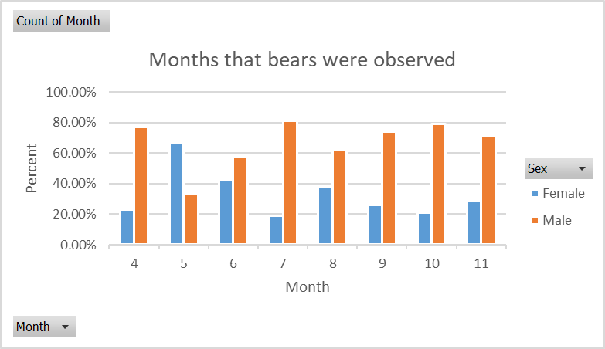
Count of Month | Column Labels
Row Labels | Female | Male | Grand Total
4 | 3 | 10 | 13
Months that bears were observed
5 | 6 | 3 | 9
6 | 3 | 4 | 7
7 | 3 | 13 | 16
8 | 13 | 21 | 34
9 | 8 | 23 | 31
10 | 4 | 15 | 19
11 | 4 | 10 | 14
Grand Total | 44 | 99 | 143

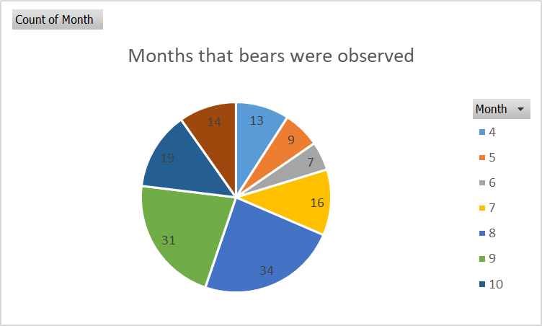



Months that bears were observed

Sheet4
 | Column Labels
Values | Female | Male | Grand Total
Average of Weight | 74.44% | 111.36% | 100.00%
Average of Head Length | 93.93% | 102.70% | 100.00%
Average of Head Width | 90.83% | 104.08% | 100.00%
Average of Neck Girth | 87.65% | 105.49% | 100.00%
Average of Length | 94.14% | 102.60% | 100.00%
Average of Chest Girth | 91.19% | 103.92% | 100.00%

Sheet1
ID | Age | Month | Sex | Weight | Head Length | Head Width | Neck Girth | Length | Chest Girth | Observation Number | Name | Obs num
41 | 19 | 7 | Female | 70 | 11 | 6.5 | 20 | 47.5 | 24 | 1 | Berta | 1
41 | 20 | 8 | Female | 74 | 12 | 6 | 17 | 57 | 27 | 2 | Berta | 2
41 | 23 | 11 | Female | 142 | 12.5 | 5 | 20.5 | 59.5 | 38 | 3 | Berta | 3
41 | 29 | 5 | Female | 121 | 12 | 6 | 18 | 62 | 31 | 4 | Berta | 4
Power relationship
91 | 104 | 8 | Female | 166 | 15.5 | 6.5 | 22 | 62 | 35 | 1 | Geraldine | 5
179 | 100 | 4 | Female | 220 | 13 | 7 | 21 | 70 | 41 | 1 | Fannie | 6
274 | 57 | 9 | Female | 204 | 13.5 | 7 | 20 | 64 | 38 | 1 | Xeronda | 7
280 | 53 | 5 | Female | 144 | 12.5 | 6 | 18 | 58 | 31 | 1 | Clara | 8
509 | 44 | 8 | Female | 140 | 12.5 | 4.5 | 10.5 | 63 | 32 | 1 | Kim | 9
513 | 20 | 8 | Female | 105 | 11.5 | 5 | 17.5 | 52 | 29 | 1 | Lorie | 10
520 | 9 | 9 | Female | 26 | 9 | 4.5 | 12 | 36 | 19 | 1 | Ness | 11
527 | 57 | 9 | Female | 125 | 12.5 | 5 | 19 | 57.5 | 32 | 1 | Smokey | 12
527 | 67 | 7 | Female | 152 | 12.5 | 6 | 19 | 57 | 34 | 2 | Smokey | 13
527 | 69 | 9 | Female | 176 | 12.5 | 6.5 | 19.5 | 61 | 36 | 3 | Smokey | 14
529 | 81 | 9 | Female | 132 | 13 | 5 | 20 | 61 | 33 | 1 | Tozia | 15
529 | 84 | 8 | Female | 180 | 13.5 | 5 | 18.5 | 57 | 35 | 2 | Tozia | 16
543 | 57 | 9 | Female | 116 | 13 | 5.5 | 17.5 | 60.5 | 31 | 1 | Zelda | 17
545 | 45 | 9 | Female | 182 | 13 | 6.5 | 21 | 60 | 34.5 | 1 | Allison | 18
551 | 82 | 10 | Female | 356 | 13.5 | 6.5 | 28 | 64 | 48 | 1 | Diane | 19
553 | 70 | 10 | Female | 316 | 14.5 | 6.5 | 26 | 65 | 48 | 1 | Edith | 20
568 | 58 | 10 | Female | 202 | 13.5 | 6.5 | 21.5 | 63 | 40 | 1 | Noreen | 21
581 | 11 | 11 | Female | 62 | 9 | 5 | 15 | 46 | 27 | 1 | Suzie | 22
583 | 83 | 11 | Female | 236 | 14.5 | 7 | 23 | 61.5 | 44 | 1 | Thelma | 23
592 |  | 4 | Female | 146 | 13 | 7 | 21 | 59 | 34 | 1 | Vanessa | 24
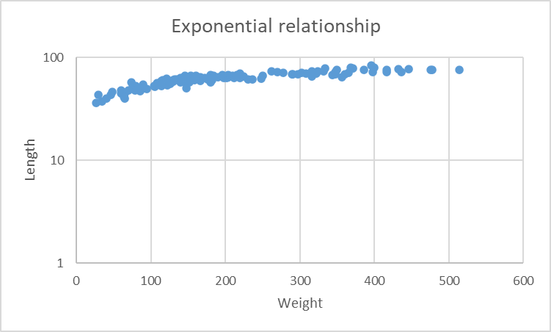
592 |  | 4 | Female | 152 | 15.5 | 6 | 20.5 | 60 | 35 | 2 | Vanessa | 25
606 | 17 | 5 | Female | 76 | 11.5 | 5 | 15 | 52.5 | 28 | 1 | Denise | 26
609 | 17 | 5 | Female | 48 | 11 | 4.5 | 13 | 46 | 23 | 1 | Evelyn | 27
611 |  | 5 | Female | 148 | 12 | 6 | 19 | 57 | 34.5 | 1 | Fran | 28
615 |  | 5 | Female | 114 | 13.5 | 5 | 17 | 58 | 29 | 1 | Gert | 29
617 |  | 6 | Female | 116 | 13.5 | 5 | 17 | 58 | 29.5 | 1 | Michele | 30
617 |  | 8 | Female | 158 | 12.5 | 7.5 | 19 | 60 | 34 | 2 | Michele | 31
621 |  | 6 | Female | 114 | 12 | 5 | 19 | 58.5 | 33.5 | 1 | Sally | 32
623 |  | 6 | Female | 135 | 13 | 6 | 17.5 | 61 | 33 | 1 | Mary | 33
623 |  | 8 | Female | 130 | 13.5 | 5 | 17 | 58 | 29 | 2 | Mary | 34
632 |  | 7 | Female | 79 | 11 | 5 | 15.5 | 48.5 | 25.5 | 1 | Patty | 35
638 |  | 8 | Female | 122 | 12 | 6 | 19 | 53.5 | 32 | 1 | Ann | 36
650 |  | 8 | Female | 156 | 13 | 5.5 | 19.5 | 61.5 | 37 | 1 | Margie | 37
652 |  | 8 | Female | 142 | 12.5 | 6 | 19.5 | 58.5 | 32 | 1 | Pam | 38
655 | 8 | 8 | Female | 29 | 10 | 4.5 | 10 | 43.5 | 24 | 1 | Addy | 39
663 |  | 9 | Female | 160 | 14 | 7 | 21 | 66.5 | 37 | 1 | Frieda | 40
673 |  | 10 | Female | 158 | 13.5 | 5.5 | 19.5 | 61 | 35 | 1 | Louise | 41
675 |  | 11 | Female | 120 | 12.5 | 5.5 | 19 | 56 | 32 | 1 | Nan | 42
909 |  | 8 | Female | 114 | 12 | 5 | 18 | 56 | 32.5 | 1 | Sara | 43
907 |  | 8 | Female | 230 | 13 | 6 | 22 | 61 | 40 | 1 | Molly | 44
39 | 19 | 7 | Male | 65 | 10 | 5 | 15 | 45 | 23 | 1 | Allen | 45
43 | 19 | 7 | Male | 80 | 11 | 5.5 | 16 | 53 | 26 | 1 | Clyde | 46
43 | 20 | 8 | Male | 108 | 12 | 5.5 | 17 | 56 | 30.5 | 2 | Clyde | 47
45 | 55 | 7 | Male | 344 | 16.5 | 9 | 28 | 67.5 | 45 | 1 | Doc | 48
45 | 67 | 7 | Male | 371 | 16.5 | 9 | 27 | 78 | 49 | 2 | Doc | 49
48 | 81 | 9 | Male | 416 | 15.5 | 8 | 31 | 72 | 54 | 1 | Quincy | 50
69 |  | 10 | Male | 432 | 16 | 8 | 32 | 77 | 52 | 1 | Kooch | 51
83 | 115 | 7 | Male | 348 | 17 | 10 | 31.5 | 72 | 49 | 1 | Charlie | 52
83 | 117 | 9 | Male | 476 | 15.5 | 7.5 | 32 | 75 | 54.5 | 2 | Charlie | 53
83 | 124 | 4 | Male | 478 | 17.5 | 8 | 32 | 75 | 55 | 3 | Charlie | 54
83 | 140 | 8 | Male | 386 | 15 | 9 | 33 | 75 | 49 | 4 | Charlie | 55
238 | 70 | 9 | Male | 334 | 15 | 6.5 | 28 | 78 | 45 | 2 | Adam | 56
241 | 56 | 7 | Male | 262 | 15 | 7.5 | 26.5 | 73.5 | 41 | 1 | Dieter | 57
253 | 51 | 4 | Male | 360 | 13.5 | 8 | 27 | 68.5 | 49 | 1 | John | 58
47 |  | 4 | Male | 416 | 15.5 | 7 | 29.3 | 76 | 53 | 2 | Palmer | 59
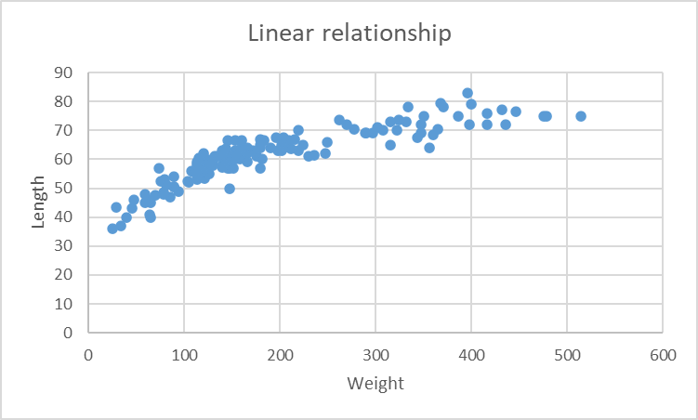
394 |  | 6 | Male | 122 | 12 | 8.3 | 18.5 | 60.3 | 32 | 1 | Abe | 60
501 | 68 | 8 | Male | 332 | 16 | 9 | 29 | 73 | 44 | 1 | Eugene | 61
503 | 8 | 8 | Male | 34 | 9 | 4.5 | 13 | 37 | 19 | 1 | Floyd | 62
511 | 32 | 8 | Male | 180 | 14 | 5 | 21.5 | 67 | 37 | 1 | Ichabod | 63
515 | 32 | 8 | Male | 166 | 13 | 8 | 21.5 | 59 | 33 | 1 | Mighty | 64
518 | 45 | 9 | Male | 204 | 13.5 | 7 | 24 | 64 | 39 | 1 | Oliver | 65
518 | 56 | 8 | Male | 250 | 14.5 | 7.5 | 26.5 | 66 | 40 | 2 | Oliver | 66
522 | 21 | 9 | Male | 120 | 13 | 6 | 19 | 59 | 30 | 1 | Pete | 67
522 | 21 | 9 | Male | 114 | 13 | 6 | 19 | 59 | 30 | 2 | Pete | 68
522 | 30 | 9 | Male | 210 | 13.5 | 6.5 | 23 | 66.5 | 38 | 3 | Pete | 69
525 | 177 | 9 | Male | 436 | 16 | 9.5 | 30 | 72 | 48 | 1 | Robert | 70
531 | 21 | 9 | Male | 90 | 13 | 5 | 17 | 54 | 28 | 1 | Unser | 71
531 | 23 | 11 | Male | 140 | 13 | 5.5 | 20.5 | 57.8 | 34.5 | 2 | Unser | 72
533 | 9 | 9 | Male | 40 | 10 | 4 | 13 | 40 | 23 | 1 | Viking | 73
535 | 45 | 9 | Male | 220 | 16 | 6 | 24 | 63 | 42 | 1 | Walt | 74
538 | 9 | 9 | Male | 46 | 10 | 4 | 13.5 | 43 | 23 | 1 | Xavier | 75
538 | 18 | 6 | Male | 60 | 11 | 5 | 15 | 45 | 25 | 2 | Xavier | 76
541 | 33 | 9 | Male | 154 | 13.5 | 6 | 22 | 66.5 | 34 | 1 | Yogi | 77
547 | 21 | 9 | Male | 150 | 14.5 | 5.5 | 20 | 61 | 34 | 1 | Buck | 78
547 | 22 | 10 | Male | 180 | 14 | 6.5 | 26 | 65 | 39 | 2 | Buck | 79
549 | 22 | 10 | Male | 172 | 13 | 6 | 20 | 63 | 35 | 4 | Christopher | 80
549 | 21 | 9 | Male | 150 | 13.5 | 6 | 21 | 59.5 | 32.5 | 3 | Christopher | 81
549 | 16 | 4 | Male | 90 | 11 | 4 | 16 | 50.5 | 28 | 2 | Christopher | 82
549 | 10 | 10 | Male | 65 | 9.5 | 4.5 | 16 | 40 | 26 | 1 | Christopher | 83
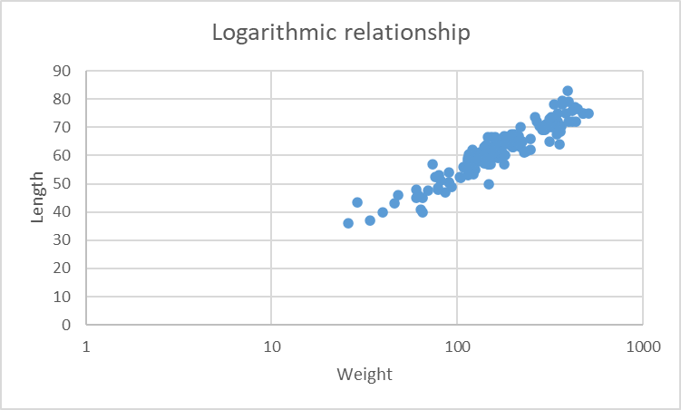
555 | 20 | 8 | Male | 148 | 13.5 | 5.5 | 19 | 60.5 | 34 | 3 | Gary | 84
555 | 16 | 4 | Male | 104 | 11.5 | 5.5 | 17.5 | 52.5 | 30 | 2 | Gary | 85
555 | 10 | 10 | Male | 94 | 11 | 5 | 17 | 49 | 29 | 1 | Gary | 86
557 | 10 | 10 | Male | 86 | 11.5 | 5 | 17 | 47 | 29.5 | 1 | Herman | 87
560 | 34 | 10 | Male | 150 | 13 | 7 | 21 | 59 | 35 | 1 | Jim | 88
560 | 43 | 7 | Male | 166 | 13.5 | 6 | 21 | 64 | 35 | 2 | Jim | 89
562 | 34 | 10 | Male | 270 | 16.5 | 6.5 | 27 | 72 | 44.5 | 1 | Ken | 90
564 | 34 | 10 | Male | 202 | 14 | 5.5 | 24 | 65 | 39 | 1 | Leon | 91
570 | 58 | 10 | Male | 365 | 15.5 | 7 | 28 | 70.5 | 50 | 1 | Orville | 92
572 | 11 | 11 | Male | 79 | 11.5 | 6 | 16.5 | 48 | 31 | 1 | Pasquale | 93
574 | 17 | 5 | Male | 90 | 11.5 | 5 | 17 | 50.5 | 28 | 2 | Quinn | 94
576 | 23 | 11 | Male | 148 | 12 | 6.5 | 19 | 50 | 38 | 1 | Rich | 95
579 | 70 | 10 | Male | 446 | 15.5 | 7 | 28 | 76.5 | 55 | 1 | Ian | 96
585 | 35 | 11 | Male | 212 | 13.5 | 8.5 | 23 | 63.5 | 44 | 1 | U-Sam | 97
578 |  | 4 | Male | 204 | 18.5 | 8.5 | 23.5 | 67.5 | 42 | 1 | Bill | 98
578 |  | 5 | Male | 224 | 15 | 7 | 26 | 65 | 40 | 2 | Bill | 99
589 | 16 | 4 | Male | 60 | 10 | 4 | 15.5 | 48 | 26 | 1 | Wille | 100
590 | 16 | 4 | Male | 64 | 10 | 5 | 15 | 41 | 26 | 1 | XRay | 101
596 |  | 4 | Male | 400 | 15.5 | 9 | 29 | 79 | 50 | 1 | Zack | 102
598 |  | 4 | Male | 248 | 13.5 | 7 | 24.5 | 62 | 41 | 1 | Albert | 103
598 |  | 10 | Male | 278 | 14.5 | 6.5 | 26 | 70.5 | 41 | 2 | Albert | 104
598 |  | 11 | Male | 297 | 15 | 7 | 26.5 | 69 | 46.5 | 3 | Albert | 105
301 |  | 8 | Male | 350 | 16 | 9 | 31.5 | 75 | 47 | 1 |  | 106
601 | 17 | 5 | Male | 114 | 11.5 | 5 | 17 | 53 | 30.5 | 1 |  | 107
619 |  | 6 | Male | 198 | 14 | 6.5 | 21 | 63 | 35 | 1 | Villager | 108
626 |  | 8 | Male | 130 | 12.5 | 6.5 | 18 | 60 | 30 | 2 | Francis | 109
626 |  | 11 | Male | 190 | 13.5 | 6.5 | 22 | 64 | 36 | 3 | Francis | 110
628 |  | 7 | Male | 180 | 14.5 | 6.5 | 21.5 | 64 | 37 | 1 | Sonny | 111
630 |  | 7 | Male | 110 | 12 | 6.5 | 18.5 | 55.5 | 27.5 | 1 | Davy | 112
630 |  | 9 | Male | 140 | 13 | 6 | 19.5 | 61.5 | 31 | 2 | Davy | 113
630 |  | 9 | Male | 144 | 13.5 | 6 | 20 | 63.5 | 33 | 3 | Davy | 114
630 |  | 10 | Male | 160 | 13.5 | 6 | 20 | 64 | 35 | 4 | Davy | 115
630 |  | 11 | Male | 184 | 13.5 | 6.5 | 22 | 66.5 | 35 | 5 | Davy | 116
634 |  | 8 | Male | 216 | 14.5 | 6 | 22.5 | 67 | 40 | 1 | Friday | 117
636 |  | 8 | Male | 302 | 15 | 8 | 26.5 | 71 | 42.5 | 1 | Swartz | 118
640 |  | 8 | Male | 322 | 17 | 9 | 29.5 | 70 | 45.5 | 1 | Tiffy | 119
640 |  | 8 | Male | 308 | 15.5 | 8 | 27 | 70 | 47 | 2 | Tiffy | 120
642 |  | 8 | Male | 154 | 15.5 | 8 | 20 | 63 | 33 | 1 | Ralph | 121
644 |  | 8 | Male | 146 | 12 | 6 | 18 | 66.5 | 34 | 1 | Bronson | 122
644 |  | 9 | Male | 162 | 13 | 5.5 | 19.5 | 64 | 35 | 2 | Bronson | 123
646 |  | 8 | Male | 396 | 17.5 | 8 | 30 | 83 | 49 | 1 | Eddie | 124
648 |  | 8 | Male | 122 | 13 | 5 | 18 | 55.5 | 30.5 | 1 | Ozz | 125
648 |  | 9 | Male | 126 | 13 | 5.5 | 19.5 | 55 | 32.5 | 2 | Ozz | 126
648 |  | 10 | Male | 146 | 13 | 6 | 20.5 | 57 | 34 | 3 | Ozz | 127
657 |  | 8 | Male | 348 | 16.5 | 8.5 | 29.5 | 69 | 49.5 | 1 | Curt | 128
659 |  | 9 | Male | 368 | 17 | 8.5 | 30.5 | 79.5 | 48.5 | 1 | Kermit | 129
661 |  | 9 | Male | 116 | 12 | 5.5 | 18 | 54.5 | 32 | 1 | Paul | 130
661 |  | 9 | Male | 130 | 13 | 6 | 19 | 59 | 34 | 3 | Paul | 131
665 |  | 9 | Male | 154 | 13 | 6.5 | 20.5 | 60 | 36.5 | 1 | Chet | 132
670 |  | 10 | Male | 316 | 16 | 7.5 | 28 | 73 | 45 | 1 | Brander | 133
677 | 83 | 11 | Male | 514 | 15.5 | 8 | 30.5 | 75 | 54 | 1 | Ian | 134
679 |  | 11 | Male | 324 | 15.5 | 7.5 | 25.5 | 73.5 | 43 | 1 | Larry | 135
681 |  | 11 | Male | 196 | 14.5 | 7 | 22 | 67.5 | 38 | 1 | Scott | 136
683 | 18 | 6 | Male | 140 | 12.5 | 8.5 | 18 | 57.3 | 32.8 | 1 | Grizz | 137
911 |  | 8 | Male | 82 | 12 | 5.5 | 15 | 51 | 24 | 1 | Lou | 138
555 | 31 | 7 | Male | 290 | 15.5 | 6 | 23 | 69 | 42.5 | 4 | Gary | 139
555 | 31 | 7 | Male | 289 | 15.5 | 6 | 23 | 69 | 42.5 | 5 | Gary | 140
692 |  | 7 | Male | 128 | 12 | 4 | 17.5 | 59 | 28.5 | 1 | Graham | 141
694 |  | 7 | Male | 156 | 13.5 | 6 | 20 | 62 | 32.5 | 1 | Jeffrey | 142
657 |  | 8 | Male | 398 | 16.5 | 6.5 | 30 | 72 | 49 | 2 | Curt | 143

