Urban
 |  |  | From:
Contrib. to class: | HY | JUV | NB | BR | Stable stage |  | Lw | Lambda w
HY | 0.000 | 0.000 | 0.000 | 0.780 | 0.274 |  | 0.28264180719 | 0.28263640462
JUV | 0.400 | 0.000 | 0.000 | 0.000 | 0.106 |  | 0.10966006114 | 0.10965660557
NB | 0.000 | 0.800 | 0.700 | 0.000 | 0.257 |  | 0.26507840545 | 0.26508365574
BR | 0.000 | 0.000 | 0.100 | 0.960 | 0.362 |  | 0.37357928273 | 0.37357809754

Lambda | 1.0309547585 |  |  |  | Sum to 1 |  | SS
 |  |  |  |  | 1.000 |  | 7.0098927024E-11
L-Lambda I | -1.031 | 0.000 | 0.000 | 0.780
 | 0.400 | -1.031 | 0.000 | 0.000 | Parameter | Sensitivity | Elasticity
 | 0.000 | 0.800 | -0.331 | 0.000 | SHY | 0.13119191062 | 0.050901131998
 | 0.000 | 0.000 | 0.100 | -0.071 | SJ | 0.065600804337 | 0.050904894746
Elasticity
 |  |  |  |  | SNB | 0.15858325125 | 0.10767521558
Determ | -8.7413381735E-07 |  |  |  | SNBBR | 0.52481737173 | 0.05090595561
 |  |  |  |  | SBR | 0.73961661174 | 0.68871300259
Repro value (v) | 0.055888972758 | 0.14404898614 | 0.18565455756 | 0.61440748741 | FA | 0.067278497596 | 0.050901581947

vL | 0.057619594456 | 0.14852364605 | 0.19139893903 | 0.63342458667
v Lambda | 0.057619002413 | 0.14850798772 | 0.19140144956 | 0.63342632281 | vw
 |  |  |  |  | 0.30101742845
SS | 2.5485065457E-10 |  | Sum | 1.0000000039

Desert
 |  |  | From:
Contrib. to class: | HY | JUV | NB | BR | Stable stage |  | Lw | Lambda w
HY | 0.000 | 0.000 | 0.000 | 0.470 | 0.178 |  | 0.15046473006 | 0.15046462707
JUV | 0.200 | 0.000 | 0.000 | 0.000 | 0.042 |  | 0.035679380738 | 0.035679257288
NB | 0.000 | 0.800 | 0.700 | 0.100 | 0.459 |  | 0.38726981887 | 0.38726980066
BR | 0.000 | 0.000 | 0.100 | 0.700 | 0.320 |  | 0.2700126691 | 0.2700125517
Elasticity
Lambda | 0.8434262252 |  | Obs. lambda | 0.8434262252 | Sum to 1 |  | SS
 |  |  |  |  | 1.000 |  | 3.9961345169E-14
L-Lambda I | -0.843 | 0.000 | 0.000 | 0.470
 | 0.200 | -0.843 | 0.000 | 0.000 | Parameter | Sensitivity | Elasticity
 | 0.000 | 0.800 | -0.143 | 0.100 | SHY | 0.16945284755 | 0.040182020072
 | 0.000 | 0.000 | 0.100 | -0.143 | SJ | 0.042363080428 | 0.040181895381
 |  |  |  |  | SNB | 0.45981735495 | 0.38162454385
Determ | -7.262772769E-08 |  |  |  | SNBBR | 0.65950234774 | 0.07819324655
 |  |  |  |  | SBR | 0.45981873996 | 0.38162569334
Repro value | 0.062344071563 | 0.26291309872 | 0.27718485191 | 0.3975579839 | FA | 0.072107651188 | 0.040182051549
 |  |  |  |  | SBRNB | 0.32059421394 | 0.038010937336
Lv | 0.052582619744 | 0.22174788153 | 0.23378519473 | 0.33531078756
Lambda v | 0.052582624942 | 0.22174780241 | 0.23378497333 | 0.33531082966 | vw
 |  |  |  |  | 0.27679017159
SS | 5.7076601522E-14 |  | Sum | 1.0000000061
 |  |  |  |  | Parameters that stabilize the population

 |  |  |  |  | Parameter | Observed | Value that stabilizes the population | Multiple
 |  |  |  |  | SHY | 0.200 | 2.128 | 10.6
 |  |  |  |  | SJ | 0.800 | 8.511 | 10.6
 |  |  |  |  | SNB | 0.700 | 0.942 | 1.3
 |  |  |  |  | SNBBR | 0.100 | 0.514 | 5.1
 |  |  |  |  | SBR | 0.700 | 0.942 | 1.3
 |  |  |  |  | FA | 0.470 | 5.000 | 10.6
 |  |  |  |  | SBRNB | 0.100 | 0.825 | 8.2

Projection
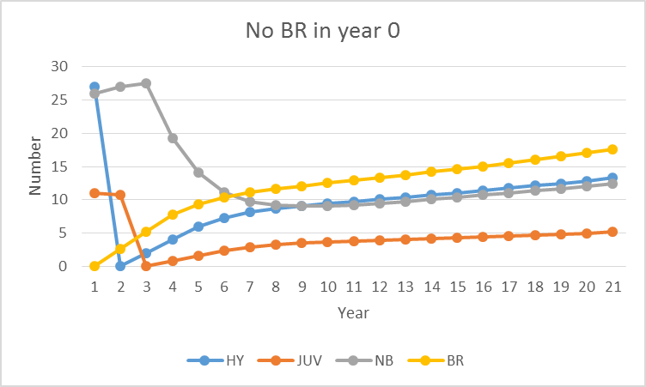
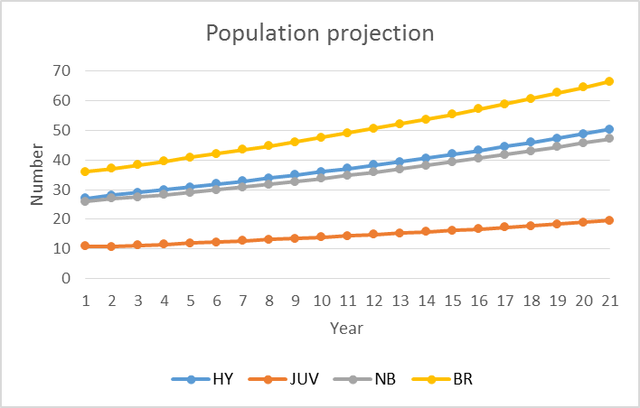
 |  |  | From:
Contrib. to class: | HY | JUV | NB | BR |  | Pop vector | t+1 | t+2 | t+3 | t+4 | t+5 | t+6 | t+7 | t+8 | t+9 | t+10 | t+11 | t+12 | t+13 | t+14 | t+15 | t+16 | t+17 | t+18 | t+19 | t+20
HY | 0.000 | 0.000 | 0.000 | 0.780 |  | 27 | 28.08 | 28.9848 | 29.931408 | 30.88227168 | 31.851541613 | 32.844133116 | 33.864112953 | 34.913991549 | 35.995556545 | 37.110211107 | 38.259184699 | 39.443637965 | 40.664715995 | 41.923574709 | 43.221394119 | 44.559385236 | 45.938793955 | 47.360903512 | 48.827036289 | 50.338555335
JUV | 0.400 | 0.000 | 0.000 | 0.000 |  | 11 | 10.8 | 11.232 | 11.59392 | 11.9725632 | 12.352908672 | 12.740616645 | 13.137653247 | 13.545645181 | 13.96559662 | 14.398222618 | 14.844084443 | 15.303673879 | 15.777455186 | 16.265886398 | 16.769429884 | 17.288557647 | 17.823754094 | 18.375517582 | 18.944361405 | 19.530814515
NB | 0.000 | 0.800 | 0.700 | 0.000 |  | 26 | 27 | 27.54 | 28.2636 | 29.059656 | 29.91980976 | 30.82619377 | 31.770828955 | 32.749702866 | 33.761308151 | 34.805393001 | 35.882353195 | 36.992914791 | 38.137979457 | 39.318549769 | 40.535693957 | 41.790529677 | 43.084216892 | 44.4179551 | 45.792982635 | 47.210576968
BR | 0.000 | 0.000 | 0.100 | 0.960 |  | 36 | 37.16 | 38.3736 | 39.592656 | 40.83530976 | 42.10786297 | 43.415529427 | 44.761527627 | 46.148149417 | 47.577193727 | 49.050236793 | 50.568766621 | 52.134251276 | 53.748172704 | 55.412043742 | 57.127416969 | 58.895889686 | 60.719107066 | 62.598764473 | 64.536609404 | 66.534443291

 |  |  |  |  | Population | 100 | 103.04 | 106.1304 | 109.381584 | 112.74980064 | 116.23212301 | 119.82647296 | 123.53412278 | 127.35748901 | 131.29965504 | 135.36406352 | 139.55438896 | 143.87447791 | 148.32832334 | 152.92005462 | 157.65393493 | 162.53436225 | 167.56587201 | 172.75314067 | 178.10098973 | 183.61439011
 |  |  |  |  | Growth rate | 1.0304 | 1.029992236 | 1.0306338617 | 1.0307932699 | 1.0308853972 | 1.0309238948 | 1.0309418256 | 1.0309498796 | 1.0309535471 | 1.0309552106 | 1.0309559667 | 1.0309563102 | 1.0309564663 | 1.0309565373 | 1.0309565696 | 1.0309565842 | 1.0309565909 | 1.0309565939 | 1.0309565953 | 1.030956596

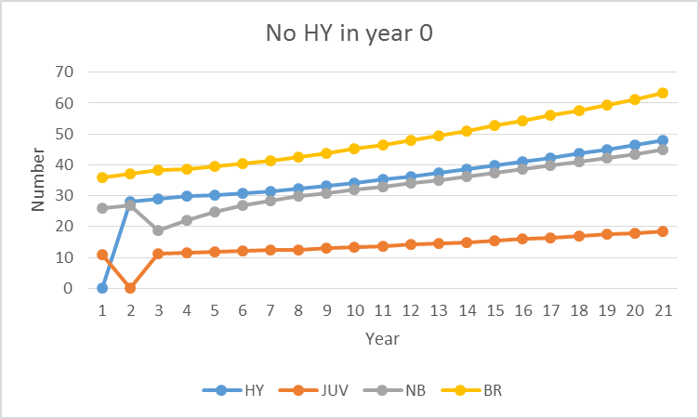
Population projection
 |  |  |  |  |  |  |  |  | 27
 |  |  |  |  |  |  |  |  | 11
 |  |  |  |  |  |  |  |  | 26
 |  |  |  |  |  |  |  |  | 36

