Hoja3
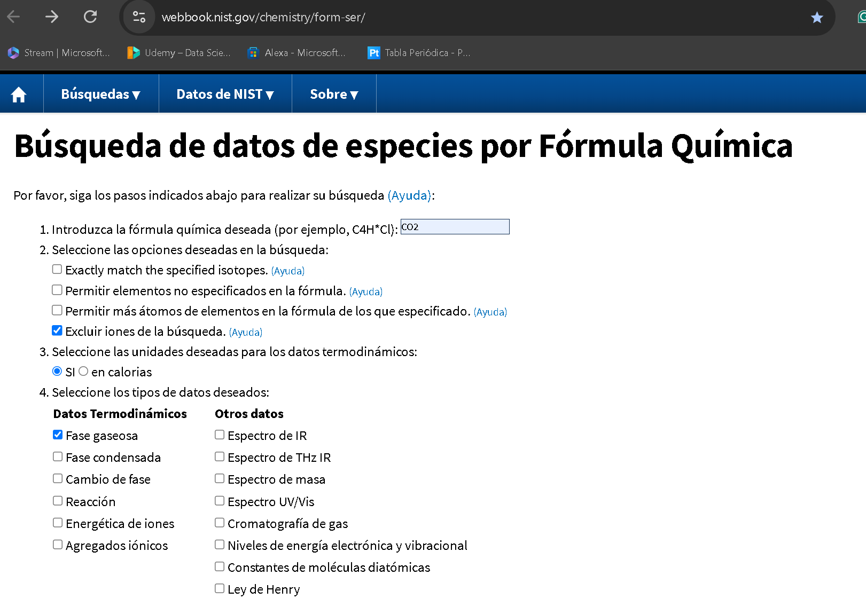
Fluid Data | CO2

Isothermal Data for T = 373.13 K
Temperature (K) | Pressure (psia) | Density (mol/l) | Volume (l/mol) | Internal Energy (kJ/mol) | Enthalpy (kJ/mol) | Entropy (J/mol*K) | Cv (J/mol*K) | Cp (J/mol*K) | Sound Spd. (m/s) | Joule-Thomson (F/psia) | Viscosity (uPa*s) | Therm. Cond. (W/m*K) | Phase
373.13 | 14.7 | 0.032746 | 30.538 | 22.09 | 25.185 | 129.18 | 32.046 | 40.46 | 297.63 | 0.077896 | 18.423 | 0.022545 | vapor
373.13 | 54.7 | 0.12264 | 8.1537 | 22.039 | 25.114 | 118.12 | 32.162 | 40.852 | 296.6 | 0.077829 | 18.461 | 0.022677 | vapor
373.13 | 94.7 | 0.21372 | 4.679 | 21.988 | 25.044 | 113.42 | 32.279 | 41.257 | 295.58 | 0.077753 | 18.501 | 0.022812 | vapor
373.13 | 134.7 | 0.30601 | 3.2679 | 21.937 | 24.972 | 110.35 | 32.398 | 41.674 | 294.56 | 0.077668 | 18.543 | 0.022952 | vapor
373.13 | 174.7 | 0.39953 | 2.5029 | 21.885 | 24.9 | 108.05 | 32.518 | 42.105 | 293.55 | 0.077574 | 18.587 | 0.023096 | vapor
373.13 | 214.7 | 0.49434 | 2.0229 | 21.832 | 24.827 | 106.19 | 32.639 | 42.549 | 292.55 | 0.07747 | 18.633 | 0.023245 | vapor
373.13 | 254.7 | 0.59045 | 1.6936 | 21.779 | 24.753 | 104.63 | 32.761 | 43.007 | 291.55 | 0.077356 | 18.681 | 0.023399 | vapor
373.13 | 294.7 | 0.68791 | 1.4537 | 21.725 | 24.679 | 103.27 | 32.885 | 43.48 | 290.56 | 0.077231 | 18.732 | 0.023558 | vapor
373.13 | 334.7 | 0.78675 | 1.271 | 21.671 | 24.604 | 102.06 | 33.01 | 43.969 | 289.57 | 0.077095 | 18.785 | 0.023722 | vapor
373.13 | 374.7 | 0.88702 | 1.1274 | 21.616 | 24.528 | 100.98 | 33.136 | 44.473 | 288.59 | 0.076948 | 18.841 | 0.023892 | vapor
373.13 | 414.7 | 0.98874 | 1.0114 | 21.56 | 24.452 | 99.982 | 33.264 | 44.995 | 287.62 | 0.076788 | 18.899 | 0.024067 | vapor
373.13 | 454.7 | 1.092 | 0.91579 | 21.504 | 24.375 | 99.064 | 33.392 | 45.534 | 286.66 | 0.076615 | 18.96 | 0.024249 | vapor
373.13 | 494.7 | 1.1967 | 0.83562 | 21.447 | 24.297 | 98.209 | 33.523 | 46.091 | 285.71 | 0.076429 | 19.024 | 0.024437 | vapor
373.13 | 534.7 | 1.3031 | 0.76742 | 21.389 | 24.218 | 97.407 | 33.654 | 46.666 | 284.76 | 0.07623 | 19.091 | 0.024632 | vapor
373.13 | 574.7 | 1.4111 | 0.70869 | 21.331 | 24.139 | 96.649 | 33.787 | 47.262 | 283.83 | 0.076015 | 19.161 | 0.024833 | vapor
373.13 | 614.7 | 1.5207 | 0.65759 | 21.271 | 24.058 | 95.929 | 33.921 | 47.878 | 282.91 | 0.075786 | 19.235 | 0.025042 | vapor
373.13 | 654.7 | 1.6321 | 0.61271 | 21.212 | 23.977 | 95.243 | 34.056 | 48.515 | 282 | 0.075541 | 19.312 | 0.025259 | vapor
373.13 | 694.7 | 1.7453 | 0.57298 | 21.151 | 23.896 | 94.586 | 34.192 | 49.175 | 281.1 | 0.075279 | 19.393 | 0.025483 | vapor
373.13 | 734.7 | 1.8602 | 0.53757 | 21.09 | 23.813 | 93.954 | 34.33 | 49.858 | 280.21 | 0.075 | 19.478 | 0.025716 | vapor
373.13 | 774.7 | 1.9771 | 0.50579 | 21.028 | 23.729 | 93.345 | 34.468 | 50.564 | 279.34 | 0.074703 | 19.566 | 0.025958 | vapor | 760
373.13 | 814.7 | 2.0959 | 0.47713 | 20.965 | 23.645 | 92.755 | 34.608 | 51.296 | 278.49 | 0.074388 | 19.66 | 0.026209 | vapor
373.13 | 854.7 | 2.2166 | 0.45113 | 20.901 | 23.56 | 92.184 | 34.749 | 52.053 | 277.65 | 0.074053 | 19.757 | 0.02647 | vapor
373.13 | 894.7 | 2.3394 | 0.42745 | 20.837 | 23.474 | 91.629 | 34.89 | 52.838 | 276.83 | 0.073698 | 19.859 | 0.026741 | vapor
373.13 | 934.7 | 2.4643 | 0.40579 | 20.772 | 23.387 | 91.088 | 35.033 | 53.65 | 276.03 | 0.073322 | 19.967 | 0.027022 | vapor
373.13 | 974.7 | 2.5914 | 0.3859 | 20.705 | 23.299 | 90.56 | 35.177 | 54.491 | 275.26 | 0.072925 | 20.079 | 0.027314 | vapor
373.13 | 1014.7 | 2.7206 | 0.36757 | 20.638 | 23.21 | 90.044 | 35.321 | 55.361 | 274.5 | 0.072505 | 20.197 | 0.027618 | vapor
373.13 | 1054.7 | 2.8521 | 0.35062 | 20.571 | 23.12 | 89.538 | 35.466 | 56.262 | 273.78 | 0.072062 | 20.32 | 0.027933 | vapor
373.13 | 1094.7 | 2.9859 | 0.33491 | 20.502 | 23.03 | 89.042 | 35.612 | 57.195 | 273.07 | 0.071596 | 20.45 | 0.028261 | vapor
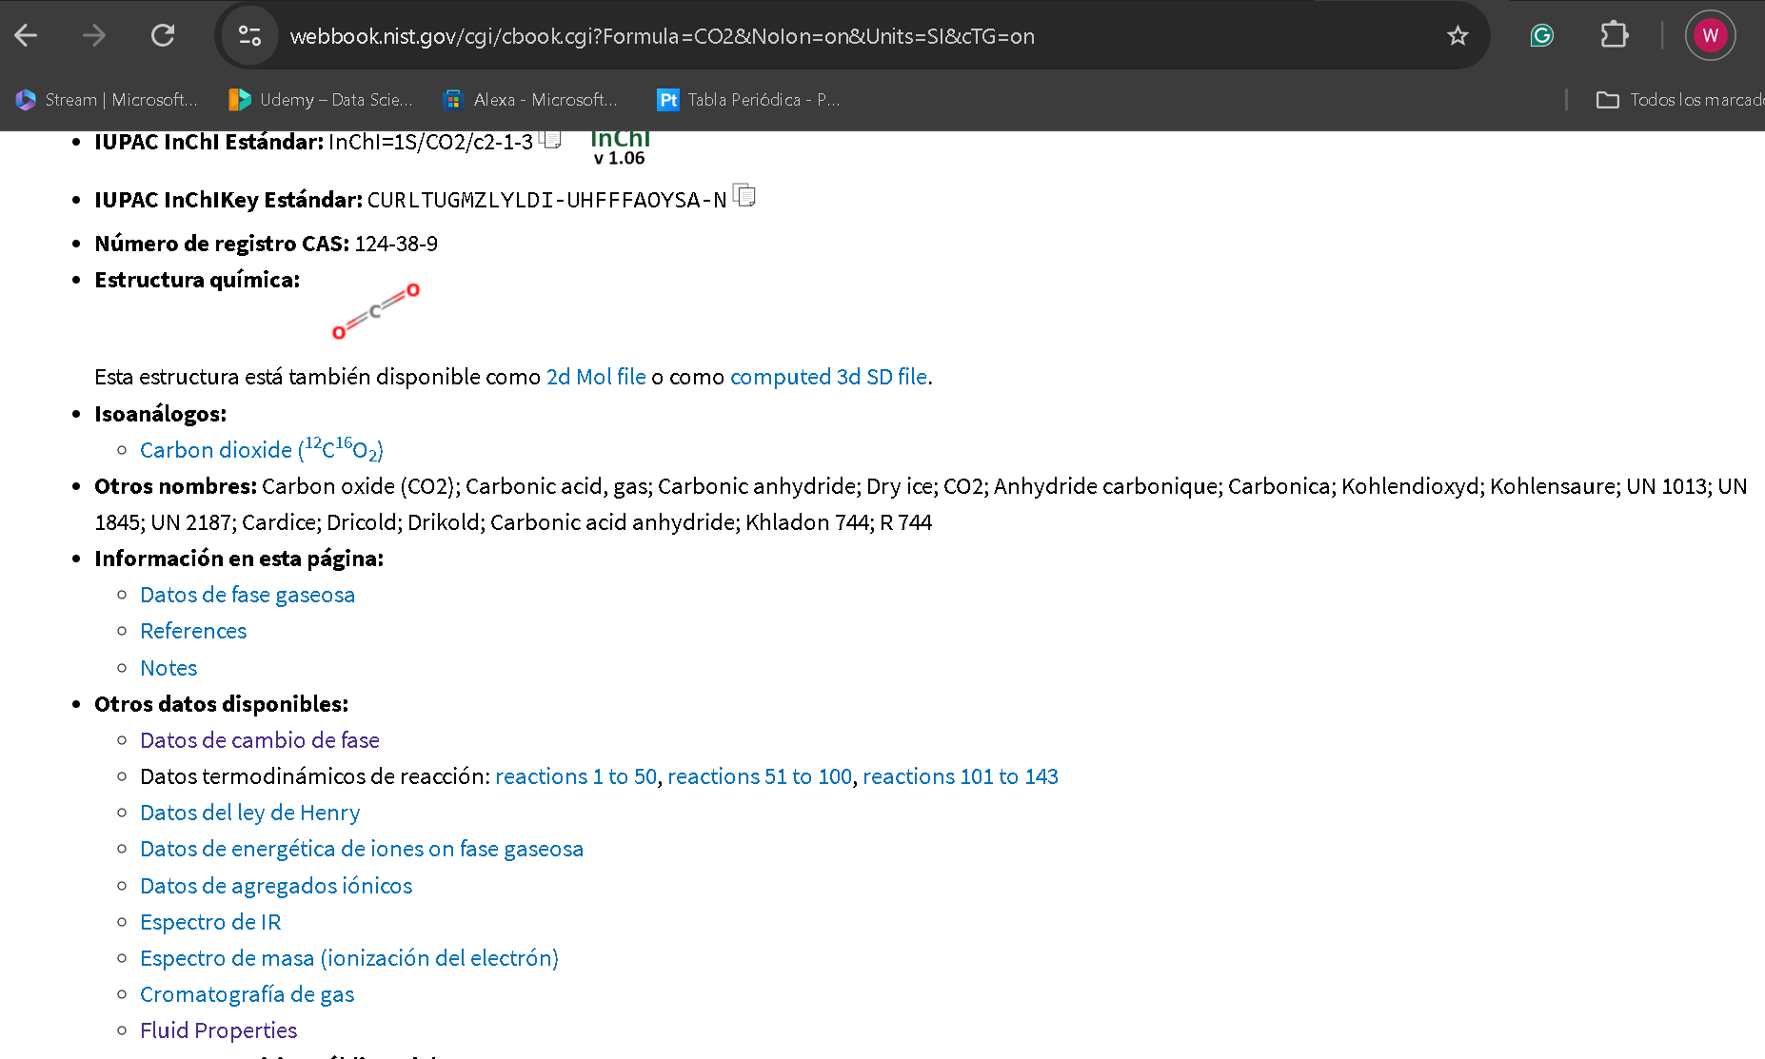
373.13 | 1094.7 | 2.9859 | 0.33491 | 20.502 | 23.03 | 89.042 | 35.612 | 57.195 | 273.07 | 0.071596 | 20.45 | 0.028261 | supercritical
373.13 | 1094.7 | 2.9859 | 0.33491 | 20.502 | 23.03 | 89.042 | 35.612 | 57.195 | 273.07 | 0.071596 | 20.45 | 0.028261 | supercritical
373.13 | 1134.7 | 3.122 | 0.32031 | 20.432 | 22.938 | 88.555 | 35.759 | 58.16 | 272.4 | 0.071105 | 20.586 | 0.028602 | supercritical
373.13 | 1174.7 | 3.2606 | 0.30669 | 20.362 | 22.846 | 88.076 | 35.906 | 59.158 | 271.76 | 0.070589 | 20.728 | 0.028957 | supercritical
373.13 | 1214.7 | 3.4016 | 0.29398 | 20.291 | 22.753 | 87.604 | 36.053 | 60.19 | 271.15 | 0.070048 | 20.878 | 0.029325 | supercritical
373.13 | 1254.7 | 3.5452 | 0.28207 | 20.218 | 22.659 | 87.139 | 36.201 | 61.256 | 270.58 | 0.06948 | 21.035 | 0.029708 | supercritical
373.13 | 1294.7 | 3.6913 | 0.27091 | 20.145 | 22.564 | 86.68 | 36.348 | 62.358 | 270.05 | 0.068886 | 21.199 | 0.030105 | supercritical
373.13 | 1334.7 | 3.8401 | 0.26041 | 20.071 | 22.468 | 86.227 | 36.496 | 63.494 | 269.55 | 0.068264 | 21.372 | 0.030518 | supercritical
373.13 | 1374.7 | 3.9914 | 0.25054 | 19.996 | 22.371 | 85.779 | 36.643 | 64.667 | 269.11 | 0.067614 | 21.552 | 0.030947 | supercritical
373.13 | 1414.7 | 4.1455 | 0.24123 | 19.921 | 22.273 | 85.335 | 36.79 | 65.875 | 268.7 | 0.066937 | 21.742 | 0.031392 | supercritical
373.13 | 1454.7 | 4.3022 | 0.23244 | 19.844 | 22.175 | 84.897 | 36.937 | 67.117 | 268.35 | 0.066231 | 21.941 | 0.031853 | supercritical
373.13 | 1494.7 | 4.4617 | 0.22413 | 19.766 | 22.076 | 84.462 | 37.082 | 68.395 | 268.05 | 0.065496 | 22.149 | 0.032331 | supercritical
373.13 | 1534.7 | 4.624 | 0.21626 | 19.688 | 21.976 | 84.032 | 37.227 | 69.706 | 267.81 | 0.064734 | 22.368 | 0.032826 | supercritical
373.13 | 1574.7 | 4.7889 | 0.20881 | 19.608 | 21.875 | 83.605 | 37.37 | 71.049 | 267.63 | 0.063942 | 22.597 | 0.033338 | supercritical
373.13 | 1614.7 | 4.9566 | 0.20175 | 19.528 | 21.774 | 83.182 | 37.512 | 72.424 | 267.51 | 0.063122 | 22.836 | 0.033867 | supercritical
373.13 | 1654.7 | 5.127 | 0.19504 | 19.447 | 21.672 | 82.762 | 37.652 | 73.826 | 267.47 | 0.062274 | 23.087 | 0.034413 | supercritical
373.13 | 1694.7 | 5.3001 | 0.18867 | 19.365 | 21.57 | 82.346 | 37.79 | 75.254 | 267.49 | 0.061399 | 23.35 | 0.034976 | supercritical
373.13 | 1734.7 | 5.4758 | 0.18262 | 19.283 | 21.467 | 81.933 | 37.926 | 76.705 | 267.59 | 0.060496 | 23.624 | 0.035555 | supercritical
373.13 | 1774.7 | 5.6541 | 0.17686 | 19.199 | 21.364 | 81.523 | 38.059 | 78.173 | 267.76 | 0.059567 | 23.911 | 0.03615 | supercritical
373.13 | 1814.7 | 5.8349 | 0.17138 | 19.116 | 21.26 | 81.117 | 38.188 | 79.656 | 268.03 | 0.058612 | 24.211 | 0.036761 | supercritical
373.13 | 1854.7 | 6.018 | 0.16617 | 19.031 | 21.156 | 80.714 | 38.315 | 81.148 | 268.38 | 0.057632 | 24.523 | 0.037387 | supercritical
373.13 | 1894.7 | 6.2034 | 0.1612 | 18.946 | 21.052 | 80.314 | 38.438 | 82.642 | 268.82 | 0.056629 | 24.849 | 0.038027 | supercritical
373.13 | 1934.7 | 6.3908 | 0.15647 | 18.861 | 20.948 | 79.918 | 38.557 | 84.134 | 269.36 | 0.055604 | 25.189 | 0.038679 | supercritical
373.13 | 1974.7 | 6.5802 | 0.15197 | 18.775 | 20.844 | 79.526 | 38.671 | 85.614 | 270 | 0.054559 | 25.541 | 0.039344 | supercritical
373.13 | 2014.7 | 6.7714 | 0.14768 | 18.689 | 20.741 | 79.137 | 38.781 | 87.077 | 270.74 | 0.053495 | 25.908 | 0.040019 | supercritical
373.13 | 2054.7 | 6.9641 | 0.14359 | 18.603 | 20.637 | 78.753 | 38.887 | 88.514 | 271.59 | 0.052415 | 26.288 | 0.040703 | supercritical
373.13 | 2094.7 | 7.1581 | 0.1397 | 18.517 | 20.534 | 78.372 | 38.987 | 89.918 | 272.55 | 0.051321 | 26.682 | 0.041396 | supercritical
373.13 | 2134.7 | 7.3531 | 0.136 | 18.431 | 20.432 | 77.997 | 39.082 | 91.28 | 273.62 | 0.050214 | 27.089 | 0.042094 | supercritical
373.13 | 2174.7 | 7.549 | 0.13247 | 18.344 | 20.331 | 77.625 | 39.171 | 92.592 | 274.8 | 0.049099 | 27.509 | 0.042798 | supercritical
373.13 | 2214.7 | 7.7454 | 0.12911 | 18.259 | 20.23 | 77.259 | 39.255 | 93.847 | 276.1 | 0.047976 | 27.942 | 0.043505 | supercritical
373.13 | 2254.7 | 7.9419 | 0.12591 | 18.173 | 20.131 | 76.898 | 39.333 | 95.037 | 277.51 | 0.04685 | 28.388 | 0.044214 | supercritical
373.13 | 2294.7 | 8.1385 | 0.12287 | 18.088 | 20.032 | 76.543 | 39.406 | 96.157 | 279.04 | 0.045723 | 28.845 | 0.044924 | supercritical
373.13 | 2334.7 | 8.3346 | 0.11998 | 18.004 | 19.935 | 76.193 | 39.473 | 97.201 | 280.68 | 0.044598 | 29.314 | 0.045633 | supercritical
373.13 | 2374.7 | 8.5301 | 0.11723 | 17.92 | 19.84 | 75.849 | 39.534 | 98.163 | 282.44 | 0.043477 | 29.794 | 0.04634 | supercritical
373.13 | 2414.7 | 8.7246 | 0.11462 | 17.837 | 19.746 | 75.512 | 39.59 | 99.041 | 284.31 | 0.042364 | 30.283 | 0.047043 | supercritical
373.13 | 2454.7 | 8.9179 | 0.11213 | 17.755 | 19.653 | 75.18 | 39.641 | 99.831 | 286.29 | 0.04126 | 30.782 | 0.047742 | supercritical
373.13 | 2494.7 | 9.1096 | 0.10977 | 17.674 | 19.563 | 74.855 | 39.686 | 100.53 | 288.37 | 0.040169 | 31.289 | 0.048436 | supercritical
373.13 | 2534.7 | 9.2996 | 0.10753 | 17.595 | 19.474 | 74.537 | 39.726 | 101.15 | 290.56 | 0.039092 | 31.803 | 0.049124 | supercritical
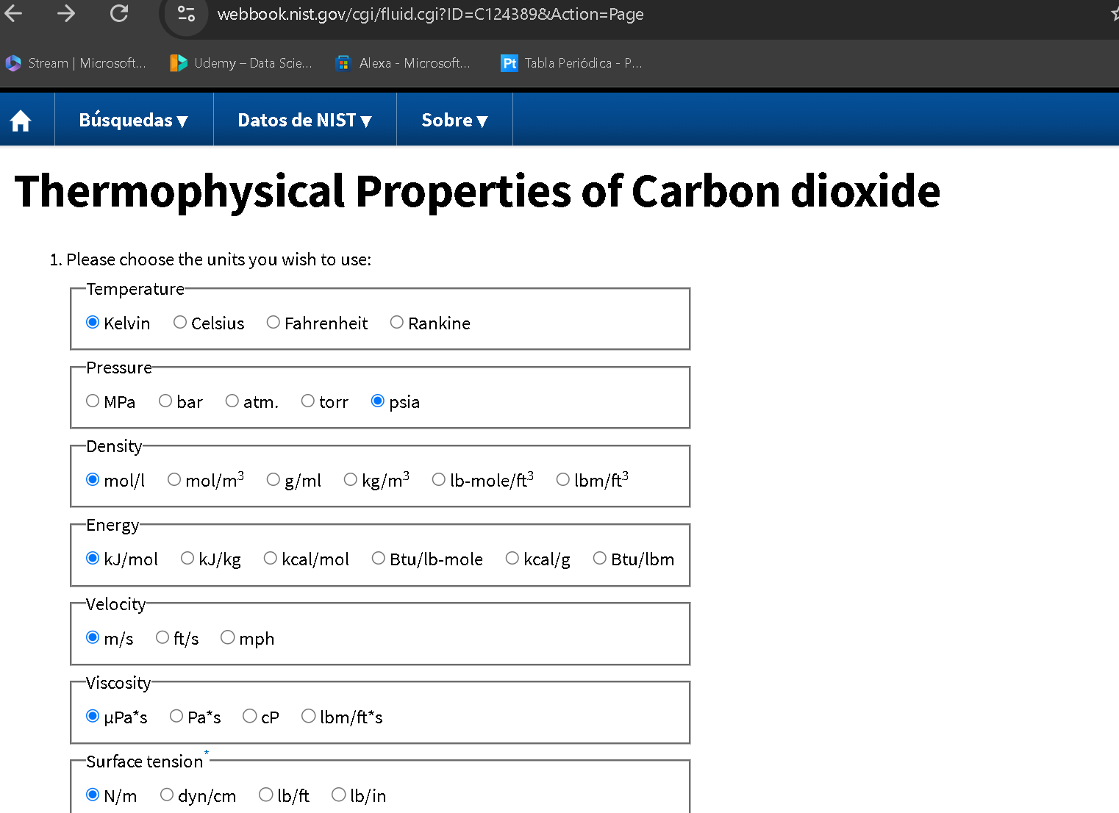
373.13 | 2574.7 | 9.4875 | 0.1054 | 17.516 | 19.387 | 74.225 | 39.762 | 101.67 | 292.84 | 0.038032 | 32.325 | 0.049806 | supercritical
373.13 | 2614.7 | 9.6732 | 0.10338 | 17.438 | 19.302 | 73.92 | 39.793 | 102.11 | 295.22 | 0.03699 | 32.852 | 0.05048 | supercritical
373.13 | 2654.7 | 9.8564 | 0.10146 | 17.362 | 19.219 | 73.623 | 39.821 | 102.46 | 297.69 | 0.035968 | 33.384 | 0.051146 | supercritical
373.13 | 2694.7 | 10.037 | 0.099631 | 17.287 | 19.138 | 73.332 | 39.844 | 102.73 | 300.24 | 0.034967 | 33.92 | 0.051804 | supercritical
373.13 | 2734.7 | 10.215 | 0.097896 | 17.214 | 19.059 | 73.047 | 39.864 | 102.93 | 302.87 | 0.033989 | 34.459 | 0.052454 | supercritical
373.13 | 2774.7 | 10.39 | 0.096248 | 17.141 | 18.983 | 72.77 | 39.88 | 103.05 | 305.58 | 0.033034 | 35.001 | 0.053095 | supercritical
373.13 | 2814.7 | 10.562 | 0.094682 | 17.071 | 18.908 | 72.5 | 39.894 | 103.11 | 308.35 | 0.032103 | 35.544 | 0.053728 | supercritical
373.13 | 2854.7 | 10.73 | 0.093193 | 17.001 | 18.836 | 72.236 | 39.904 | 103.1 | 311.19 | 0.031196 | 36.088 | 0.054351 | supercritical
373.13 | 2894.7 | 10.896 | 0.091776 | 16.933 | 18.765 | 71.979 | 39.913 | 103.03 | 314.08 | 0.030314 | 36.633 | 0.054966 | supercritical
373.13 | 2934.7 | 11.058 | 0.090429 | 16.867 | 18.697 | 71.728 | 39.919 | 102.91 | 317.03 | 0.029458 | 37.177 | 0.055573 | supercritical
373.13 | 2974.7 | 11.218 | 0.089146 | 16.802 | 18.63 | 71.484 | 39.923 | 102.75 | 320.03 | 0.028626 | 37.72 | 0.05617 | supercritical
373.13 | 3014.7 | 11.373 | 0.087925 | 16.738 | 18.566 | 71.246 | 39.925 | 102.54 | 323.07 | 0.02782 | 38.262 | 0.056759 | supercritical
373.13 | 3054.7 | 11.526 | 0.086761 | 16.676 | 18.504 | 71.014 | 39.926 | 102.29 | 326.15 | 0.027038 | 38.801 | 0.057339 | supercritical
373.13 | 3094.7 | 11.675 | 0.085651 | 16.616 | 18.443 | 70.788 | 39.925 | 102.01 | 329.26 | 0.026282 | 39.339 | 0.057912 | supercritical
373.13 | 3134.7 | 11.821 | 0.084593 | 16.556 | 18.384 | 70.568 | 39.923 | 101.7 | 332.4 | 0.025549 | 39.873 | 0.058476 | supercritical
373.13 | 3174.7 | 11.964 | 0.083583 | 16.498 | 18.328 | 70.354 | 39.92 | 101.37 | 335.57 | 0.024841 | 40.404 | 0.059032 | supercritical
373.13 | 3214.7 | 12.104 | 0.082618 | 16.441 | 18.273 | 70.145 | 39.917 | 101.02 | 338.77 | 0.024155 | 40.932 | 0.05958 | supercritical
373.13 | 3254.7 | 12.241 | 0.081695 | 16.386 | 18.219 | 69.941 | 39.912 | 100.64 | 341.98 | 0.023493 | 41.456 | 0.06012 | supercritical
373.13 | 3294.7 | 12.374 | 0.080813 | 16.332 | 18.167 | 69.742 | 39.907 | 100.26 | 345.2 | 0.022853 | 41.977 | 0.060653 | supercritical
373.13 | 3334.7 | 12.505 | 0.079969 | 16.279 | 18.117 | 69.548 | 39.901 | 99.863 | 348.44 | 0.022234 | 42.493 | 0.061179 | supercritical
373.13 | 3374.7 | 12.633 | 0.07916 | 16.227 | 18.069 | 69.359 | 39.895 | 99.457 | 351.69 | 0.021636 | 43.005 | 0.061697 | supercritical
373.13 | 3414.7 | 12.758 | 0.078385 | 16.176 | 18.022 | 69.175 | 39.888 | 99.044 | 354.94 | 0.021059 | 43.513 | 0.062208 | supercritical
373.13 | 3454.7 | 12.88 | 0.077642 | 16.127 | 17.976 | 68.995 | 39.881 | 98.627 | 358.2 | 0.020501 | 44.016 | 0.062713 | supercritical
373.13 | 3494.7 | 12.999 | 0.076928 | 16.078 | 17.932 | 68.819 | 39.874 | 98.206 | 361.46 | 0.019962 | 44.514 | 0.063211 | supercritical
373.13 | 3534.7 | 13.116 | 0.076243 | 16.031 | 17.889 | 68.648 | 39.867 | 97.784 | 364.72 | 0.019441 | 45.009 | 0.063702 | supercritical
373.13 | 3574.7 | 13.23 | 0.075585 | 15.984 | 17.847 | 68.48 | 39.859 | 97.361 | 367.97 | 0.018938 | 45.498 | 0.064187 | supercritical
373.13 | 3614.7 | 13.342 | 0.074951 | 15.939 | 17.807 | 68.316 | 39.852 | 96.939 | 371.22 | 0.018451 | 45.983 | 0.064666 | supercritical
373.13 | 3654.7 | 13.451 | 0.074341 | 15.894 | 17.768 | 68.156 | 39.844 | 96.519 | 374.47 | 0.017981 | 46.463 | 0.065139 | supercritical
373.13 | 3694.7 | 13.559 | 0.073754 | 15.851 | 17.73 | 68 | 39.837 | 96.101 | 377.7 | 0.017527 | 46.939 | 0.065606 | supercritical
373.13 | 3734.7 | 13.663 | 0.073188 | 15.808 | 17.693 | 67.846 | 39.83 | 95.687 | 380.93 | 0.017088 | 47.41 | 0.066067 | supercritical
373.13 | 3774.7 | 13.766 | 0.072642 | 15.766 | 17.657 | 67.697 | 39.822 | 95.276 | 384.14 | 0.016663 | 47.877 | 0.066522 | supercritical
373.13 | 3814.7 | 13.867 | 0.072115 | 15.726 | 17.622 | 67.55 | 39.815 | 94.87 | 387.34 | 0.016252 | 48.339 | 0.066972 | supercritical
373.13 | 3854.7 | 13.965 | 0.071607 | 15.685 | 17.589 | 67.406 | 39.808 | 94.469 | 390.53 | 0.015854 | 48.797 | 0.067417 | supercritical
373.13 | 3894.7 | 14.062 | 0.071115 | 15.646 | 17.556 | 67.266 | 39.801 | 94.074 | 393.71 | 0.015469 | 49.25 | 0.067857 | supercritical
373.13 | 3934.7 | 14.156 | 0.07064 | 15.607 | 17.524 | 67.128 | 39.795 | 93.684 | 396.87 | 0.015096 | 49.699 | 0.068291 | supercritical
373.13 | 3974.7 | 14.249 | 0.07018 | 15.57 | 17.493 | 66.993 | 39.788 | 93.299 | 400.01 | 0.014736 | 50.143 | 0.068721 | supercritical
373.13 | 4014.7 | 14.34 | 0.069735 | 15.532 | 17.463 | 66.86 | 39.782 | 92.92 | 403.14 | 0.014386 | 50.584 | 0.069146 | supercritical
373.13 | 4054.7 | 14.429 | 0.069304 | 15.496 | 17.433 | 66.73 | 39.776 | 92.548 | 406.25 | 0.014047 | 51.02 | 0.069566 | supercritical
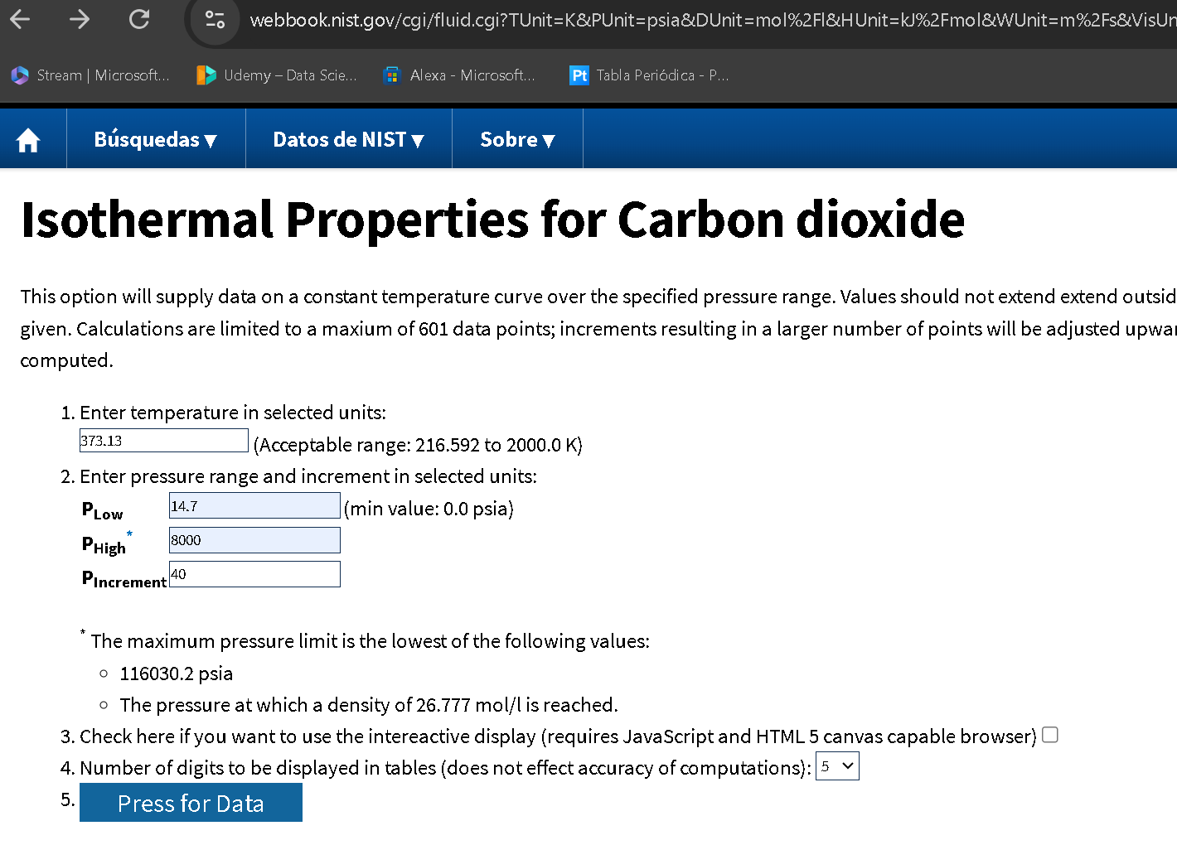
373.13 | 4094.7 | 14.517 | 0.068886 | 15.46 | 17.405 | 66.603 | 39.77 | 92.181 | 409.35 | 0.013719 | 51.452 | 0.069982 | supercritical
373.13 | 4134.7 | 14.603 | 0.068481 | 15.425 | 17.377 | 66.478 | 39.764 | 91.821 | 412.43 | 0.0134 | 51.88 | 0.070393 | supercritical
373.13 | 4174.7 | 14.687 | 0.068088 | 15.39 | 17.35 | 66.355 | 39.759 | 91.466 | 415.49 | 0.013092 | 52.304 | 0.0708 | supercritical
373.13 | 4214.7 | 14.77 | 0.067707 | 15.356 | 17.324 | 66.235 | 39.753 | 91.118 | 418.53 | 0.012792 | 52.724 | 0.071203 | supercritical
373.13 | 4254.7 | 14.851 | 0.067336 | 15.323 | 17.298 | 66.116 | 39.748 | 90.776 | 421.56 | 0.012501 | 53.141 | 0.071601 | supercritical
373.13 | 4294.7 | 14.931 | 0.066976 | 15.29 | 17.274 | 66 | 39.743 | 90.44 | 424.57 | 0.012218 | 53.553 | 0.071996 | supercritical
373.13 | 4334.7 | 15.009 | 0.066626 | 15.258 | 17.249 | 65.886 | 39.738 | 90.109 | 427.56 | 0.011944 | 53.962 | 0.072386 | supercritical
373.13 | 4374.7 | 15.086 | 0.066286 | 15.226 | 17.226 | 65.773 | 39.734 | 89.785 | 430.54 | 0.011677 | 54.368 | 0.072773 | supercritical
373.13 | 4414.7 | 15.162 | 0.065955 | 15.195 | 17.203 | 65.663 | 39.729 | 89.466 | 433.5 | 0.011417 | 54.769 | 0.073156 | supercritical
373.13 | 4454.7 | 15.236 | 0.065632 | 15.164 | 17.18 | 65.554 | 39.725 | 89.153 | 436.44 | 0.011165 | 55.168 | 0.073535 | supercritical
373.13 | 4494.7 | 15.31 | 0.065319 | 15.134 | 17.158 | 65.447 | 39.721 | 88.845 | 439.36 | 0.01092 | 55.563 | 0.073911 | supercritical
373.13 | 4534.7 | 15.382 | 0.065013 | 15.104 | 17.137 | 65.342 | 39.717 | 88.543 | 442.26 | 0.010681 | 55.954 | 0.074283 | supercritical
373.13 | 4574.7 | 15.452 | 0.064715 | 15.075 | 17.116 | 65.238 | 39.714 | 88.246 | 445.15 | 0.010449 | 56.343 | 0.074652 | supercritical
373.13 | 4614.7 | 15.522 | 0.064424 | 15.046 | 17.096 | 65.136 | 39.71 | 87.955 | 448.02 | 0.010222 | 56.728 | 0.075017 | supercritical
373.13 | 4654.7 | 15.591 | 0.064141 | 15.018 | 17.076 | 65.036 | 39.707 | 87.669 | 450.87 | 0.010002 | 57.109 | 0.075379 | supercritical
373.13 | 4694.7 | 15.658 | 0.063864 | 14.99 | 17.057 | 64.937 | 39.704 | 87.388 | 453.71 | 0.0097868 | 57.488 | 0.075738 | supercritical
373.13 | 4734.7 | 15.725 | 0.063594 | 14.962 | 17.038 | 64.84 | 39.701 | 87.112 | 456.53 | 0.0095775 | 57.864 | 0.076094 | supercritical
373.13 | 4774.7 | 15.79 | 0.06333 | 14.935 | 17.02 | 64.744 | 39.699 | 86.84 | 459.33 | 0.0093733 | 58.237 | 0.076447 | supercritical
373.13 | 4814.7 | 15.855 | 0.063073 | 14.908 | 17.002 | 64.649 | 39.696 | 86.574 | 462.12 | 0.0091742 | 58.607 | 0.076797 | supercritical
373.13 | 4854.7 | 15.918 | 0.062821 | 14.882 | 16.985 | 64.556 | 39.694 | 86.312 | 464.89 | 0.00898 | 58.974 | 0.077144 | supercritical
373.13 | 4894.7 | 15.981 | 0.062575 | 14.856 | 16.968 | 64.464 | 39.692 | 86.055 | 467.64 | 0.0087905 | 59.338 | 0.077488 | supercritical
373.13 | 4934.7 | 16.042 | 0.062334 | 14.83 | 16.951 | 64.373 | 39.69 | 85.802 | 470.38 | 0.0086055 | 59.699 | 0.077829 | supercritical
373.13 | 4974.7 | 16.103 | 0.062099 | 14.805 | 16.935 | 64.284 | 39.688 | 85.554 | 473.1 | 0.008425 | 60.058 | 0.078167 | supercritical
373.13 | 5014.7 | 16.163 | 0.061869 | 14.78 | 16.919 | 64.196 | 39.686 | 85.31 | 475.8 | 0.0082487 | 60.414 | 0.078503 | supercritical
373.13 | 5054.7 | 16.222 | 0.061644 | 14.755 | 16.904 | 64.108 | 39.685 | 85.071 | 478.49 | 0.0080765 | 60.767 | 0.078836 | supercritical
373.13 | 5094.7 | 16.281 | 0.061423 | 14.731 | 16.889 | 64.023 | 39.683 | 84.835 | 481.17 | 0.0079082 | 61.118 | 0.079166 | supercritical
373.13 | 5134.7 | 16.338 | 0.061207 | 14.707 | 16.874 | 63.938 | 39.682 | 84.604 | 483.82 | 0.0077439 | 61.466 | 0.079494 | supercritical
373.13 | 5174.7 | 16.395 | 0.060995 | 14.683 | 16.859 | 63.854 | 39.681 | 84.377 | 486.46 | 0.0075832 | 61.812 | 0.07982 | supercritical
373.13 | 5214.7 | 16.451 | 0.060788 | 14.66 | 16.845 | 63.771 | 39.68 | 84.153 | 489.09 | 0.0074261 | 62.156 | 0.080143 | supercritical
373.13 | 5254.7 | 16.506 | 0.060585 | 14.637 | 16.832 | 63.69 | 39.679 | 83.934 | 491.7 | 0.0072725 | 62.497 | 0.080463 | supercritical
373.13 | 5294.7 | 16.56 | 0.060385 | 14.614 | 16.818 | 63.609 | 39.679 | 83.719 | 494.3 | 0.0071223 | 62.836 | 0.080782 | supercritical
373.13 | 5334.7 | 16.614 | 0.06019 | 14.591 | 16.805 | 63.529 | 39.678 | 83.507 | 496.88 | 0.0069754 | 63.172 | 0.081098 | supercritical
373.13 | 5374.7 | 16.667 | 0.059998 | 14.569 | 16.792 | 63.451 | 39.678 | 83.298 | 499.44 | 0.0068317 | 63.507 | 0.081411 | supercritical
373.13 | 5414.7 | 16.72 | 0.05981 | 14.547 | 16.78 | 63.373 | 39.677 | 83.094 | 502 | 0.006691 | 63.839 | 0.081723 | supercritical
373.13 | 5454.7 | 16.771 | 0.059626 | 14.525 | 16.768 | 63.296 | 39.677 | 82.893 | 504.53 | 0.0065533 | 64.169 | 0.082032 | supercritical
373.13 | 5494.7 | 16.822 | 0.059444 | 14.504 | 16.756 | 63.22 | 39.677 | 82.695 | 507.05 | 0.0064185 | 64.496 | 0.08234 | supercritical
373.13 | 5534.7 | 16.873 | 0.059267 | 14.482 | 16.744 | 63.145 | 39.677 | 82.501 | 509.56 | 0.0062865 | 64.822 | 0.082645 | supercritical
373.13 | 5574.7 | 16.923 | 0.059092 | 14.461 | 16.733 | 63.071 | 39.678 | 82.31 | 512.05 | 0.0061573 | 65.146 | 0.082948 | supercritical
373.13 | 5614.7 | 16.972 | 0.05892 | 14.441 | 16.722 | 62.997 | 39.678 | 82.122 | 514.53 | 0.0060307 | 65.468 | 0.083249 | supercritical
373.13 | 5654.7 | 17.021 | 0.058752 | 14.42 | 16.711 | 62.925 | 39.678 | 81.937 | 517 | 0.0059067 | 65.787 | 0.083548 | supercritical
373.13 | 5694.7 | 17.069 | 0.058586 | 14.4 | 16.7 | 62.853 | 39.679 | 81.756 | 519.45 | 0.0057852 | 66.105 | 0.083846 | supercritical
373.13 | 5734.7 | 17.116 | 0.058423 | 14.38 | 16.69 | 62.782 | 39.679 | 81.578 | 521.89 | 0.0056661 | 66.421 | 0.084141 | supercritical
373.13 | 5774.7 | 17.164 | 0.058263 | 14.36 | 16.68 | 62.711 | 39.68 | 81.402 | 524.31 | 0.0055493 | 66.735 | 0.084435 | supercritical
373.13 | 5814.7 | 17.21 | 0.058106 | 14.34 | 16.67 | 62.642 | 39.681 | 81.23 | 526.72 | 0.0054349 | 67.047 | 0.084726 | supercritical
373.13 | 5854.7 | 17.256 | 0.057951 | 14.321 | 16.66 | 62.573 | 39.682 | 81.06 | 529.12 | 0.0053227 | 67.358 | 0.085016 | supercritical
373.13 | 5894.7 | 17.301 | 0.057799 | 14.301 | 16.65 | 62.505 | 39.683 | 80.893 | 531.5 | 0.0052127 | 67.666 | 0.085305 | supercritical
373.13 | 5934.7 | 17.346 | 0.057649 | 14.282 | 16.641 | 62.437 | 39.684 | 80.729 | 533.87 | 0.0051048 | 67.973 | 0.085591 | supercritical
373.13 | 5974.7 | 17.391 | 0.057501 | 14.263 | 16.632 | 62.37 | 39.685 | 80.568 | 536.23 | 0.004999 | 68.279 | 0.085876 | supercritical
373.13 | 6014.7 | 17.435 | 0.057356 | 14.245 | 16.623 | 62.304 | 39.686 | 80.409 | 538.57 | 0.0048951 | 68.582 | 0.086159 | supercritical
373.13 | 6054.7 | 17.478 | 0.057213 | 14.226 | 16.615 | 62.239 | 39.688 | 80.253 | 540.91 | 0.0047932 | 68.884 | 0.086441 | supercritical
373.13 | 6094.7 | 17.522 | 0.057073 | 14.208 | 16.606 | 62.174 | 39.689 | 80.099 | 543.22 | 0.0046932 | 69.184 | 0.08672 | supercritical
373.13 | 6134.7 | 17.564 | 0.056934 | 14.19 | 16.598 | 62.11 | 39.69 | 79.948 | 545.53 | 0.0045951 | 69.483 | 0.086999 | supercritical
373.13 | 6174.7 | 17.606 | 0.056798 | 14.172 | 16.59 | 62.046 | 39.692 | 79.799 | 547.83 | 0.0044987 | 69.78 | 0.087276 | supercritical
373.13 | 6214.7 | 17.648 | 0.056663 | 14.154 | 16.582 | 61.983 | 39.694 | 79.653 | 550.11 | 0.0044041 | 70.076 | 0.087551 | supercritical
373.13 | 6254.7 | 17.69 | 0.056531 | 14.136 | 16.574 | 61.92 | 39.695 | 79.509 | 552.38 | 0.0043112 | 70.37 | 0.087825 | supercritical
373.13 | 6294.7 | 17.73 | 0.0564 | 14.119 | 16.567 | 61.858 | 39.697 | 79.367 | 554.64 | 0.00422 | 70.663 | 0.088097 | supercritical
373.13 | 6334.7 | 17.771 | 0.056272 | 14.102 | 16.559 | 61.797 | 39.699 | 79.228 | 556.88 | 0.0041303 | 70.954 | 0.088368 | supercritical
373.13 | 6374.7 | 17.811 | 0.056145 | 14.084 | 16.552 | 61.736 | 39.701 | 79.091 | 559.12 | 0.0040423 | 71.244 | 0.088637 | supercritical
373.13 | 6414.7 | 17.851 | 0.05602 | 14.068 | 16.545 | 61.676 | 39.703 | 78.956 | 561.34 | 0.0039558 | 71.532 | 0.088905 | supercritical
373.13 | 6454.7 | 17.89 | 0.055897 | 14.051 | 16.538 | 61.616 | 39.705 | 78.822 | 563.55 | 0.0038708 | 71.819 | 0.089172 | supercritical
373.13 | 6494.7 | 17.929 | 0.055775 | 14.034 | 16.532 | 61.557 | 39.707 | 78.691 | 565.75 | 0.0037873 | 72.105 | 0.089437 | supercritical
373.13 | 6534.7 | 17.968 | 0.055655 | 14.017 | 16.525 | 61.498 | 39.71 | 78.562 | 567.94 | 0.0037052 | 72.389 | 0.089701 | supercritical
373.13 | 6574.7 | 18.006 | 0.055537 | 14.001 | 16.519 | 61.44 | 39.712 | 78.435 | 570.12 | 0.0036245 | 72.672 | 0.089964 | supercritical
373.13 | 6614.7 | 18.044 | 0.05542 | 13.985 | 16.512 | 61.382 | 39.714 | 78.31 | 572.28 | 0.0035451 | 72.954 | 0.090225 | supercritical
373.13 | 6654.7 | 18.082 | 0.055305 | 13.969 | 16.506 | 61.325 | 39.717 | 78.187 | 574.44 | 0.0034671 | 73.234 | 0.090485 | supercritical
373.13 | 6694.7 | 18.119 | 0.055191 | 13.953 | 16.5 | 61.268 | 39.719 | 78.066 | 576.58 | 0.0033903 | 73.514 | 0.090744 | supercritical
373.13 | 6734.7 | 18.156 | 0.055079 | 13.937 | 16.495 | 61.212 | 39.721 | 77.946 | 578.72 | 0.0033149 | 73.792 | 0.091002 | supercritical
373.13 | 6774.7 | 18.192 | 0.054969 | 13.921 | 16.489 | 61.156 | 39.724 | 77.828 | 580.84 | 0.0032406 | 74.068 | 0.091258 | supercritical
373.13 | 6814.7 | 18.228 | 0.054859 | 13.906 | 16.483 | 61.101 | 39.727 | 77.712 | 582.95 | 0.0031676 | 74.344 | 0.091513 | supercritical
373.13 | 6854.7 | 18.264 | 0.054752 | 13.89 | 16.478 | 61.046 | 39.729 | 77.598 | 585.06 | 0.0030957 | 74.618 | 0.091767 | supercritical
373.13 | 6894.7 | 18.3 | 0.054645 | 13.875 | 16.473 | 60.991 | 39.732 | 77.485 | 587.15 | 0.003025 | 74.891 | 0.09202 | supercritical
373.13 | 6934.7 | 18.335 | 0.05454 | 13.86 | 16.467 | 60.937 | 39.735 | 77.374 | 589.23 | 0.0029554 | 75.164 | 0.092272 | supercritical
373.13 | 6974.7 | 18.37 | 0.054436 | 13.845 | 16.462 | 60.883 | 39.738 | 77.265 | 591.3 | 0.002887 | 75.434 | 0.092522 | supercritical
373.13 | 7014.7 | 18.405 | 0.054333 | 13.83 | 16.458 | 60.83 | 39.741 | 77.157 | 593.36 | 0.0028195 | 75.704 | 0.092772 | supercritical
373.13 | 7054.7 | 18.439 | 0.054232 | 13.815 | 16.453 | 60.777 | 39.743 | 77.051 | 595.42 | 0.0027532 | 75.973 | 0.09302 | supercritical
373.13 | 7094.7 | 18.473 | 0.054132 | 13.8 | 16.448 | 60.724 | 39.746 | 76.946 | 597.46 | 0.0026878 | 76.241 | 0.093268 | supercritical
373.13 | 7134.7 | 18.507 | 0.054033 | 13.786 | 16.444 | 60.672 | 39.749 | 76.842 | 599.49 | 0.0026235 | 76.507 | 0.093514 | supercritical
373.13 | 7174.7 | 18.541 | 0.053935 | 13.771 | 16.439 | 60.621 | 39.753 | 76.741 | 601.52 | 0.0025601 | 76.773 | 0.093759 | supercritical
373.13 | 7214.7 | 18.574 | 0.053838 | 13.757 | 16.435 | 60.569 | 39.756 | 76.64 | 603.53 | 0.0024977 | 77.038 | 0.094003 | supercritical
373.13 | 7254.7 | 18.607 | 0.053743 | 13.743 | 16.431 | 60.518 | 39.759 | 76.541 | 605.53 | 0.0024362 | 77.301 | 0.094246 | supercritical
373.13 | 7294.7 | 18.64 | 0.053648 | 13.728 | 16.427 | 60.468 | 39.762 | 76.443 | 607.53 | 0.0023756 | 77.564 | 0.094488 | supercritical
373.13 | 7334.7 | 18.672 | 0.053555 | 13.714 | 16.423 | 60.417 | 39.765 | 76.347 | 609.52 | 0.0023159 | 77.825 | 0.09473 | supercritical
373.13 | 7374.7 | 18.705 | 0.053462 | 13.7 | 16.419 | 60.367 | 39.769 | 76.252 | 611.49 | 0.0022571 | 78.086 | 0.09497 | supercritical
373.13 | 7414.7 | 18.737 | 0.053371 | 13.687 | 16.415 | 60.318 | 39.772 | 76.158 | 613.46 | 0.0021992 | 78.346 | 0.095209 | supercritical
373.13 | 7454.7 | 18.769 | 0.053281 | 13.673 | 16.411 | 60.268 | 39.775 | 76.065 | 615.42 | 0.0021421 | 78.604 | 0.095447 | supercritical
373.13 | 7494.7 | 18.8 | 0.053191 | 13.659 | 16.408 | 60.22 | 39.779 | 75.974 | 617.37 | 0.0020858 | 78.862 | 0.095685 | supercritical
373.13 | 7534.7 | 18.831 | 0.053103 | 13.646 | 16.404 | 60.171 | 39.782 | 75.884 | 619.32 | 0.0020303 | 79.119 | 0.095921 | supercritical
373.13 | 7574.7 | 18.862 | 0.053016 | 13.632 | 16.401 | 60.123 | 39.785 | 75.795 | 621.25 | 0.0019756 | 79.375 | 0.096157 | supercritical
373.13 | 7614.7 | 18.893 | 0.052929 | 13.619 | 16.398 | 60.075 | 39.789 | 75.707 | 623.17 | 0.0019217 | 79.63 | 0.096391 | supercritical
373.13 | 7654.7 | 18.924 | 0.052844 | 13.605 | 16.394 | 60.027 | 39.793 | 75.62 | 625.09 | 0.0018685 | 79.885 | 0.096625 | supercritical
373.13 | 7694.7 | 18.954 | 0.052759 | 13.592 | 16.391 | 59.98 | 39.796 | 75.535 | 627 | 0.0018161 | 80.138 | 0.096858 | supercritical
373.13 | 7734.7 | 18.984 | 0.052675 | 13.579 | 16.388 | 59.933 | 39.8 | 75.45 | 628.9 | 0.0017644 | 80.391 | 0.09709 | supercritical
373.13 | 7774.7 | 19.014 | 0.052592 | 13.566 | 16.385 | 59.886 | 39.803 | 75.367 | 630.79 | 0.0017134 | 80.642 | 0.097321 | supercritical
373.13 | 7814.7 | 19.044 | 0.05251 | 13.553 | 16.383 | 59.84 | 39.807 | 75.284 | 632.68 | 0.0016631 | 80.893 | 0.097551 | supercritical
373.13 | 7854.7 | 19.073 | 0.052429 | 13.54 | 16.38 | 59.794 | 39.811 | 75.203 | 634.55 | 0.0016135 | 81.143 | 0.097781 | supercritical
373.13 | 7894.7 | 19.103 | 0.052349 | 13.528 | 16.377 | 59.748 | 39.814 | 75.123 | 636.42 | 0.0015645 | 81.392 | 0.09801 | supercritical
373.13 | 7934.7 | 19.132 | 0.052269 | 13.515 | 16.375 | 59.702 | 39.818 | 75.043 | 638.28 | 0.0015162 | 81.641 | 0.098237 | supercritical
373.13 | 7974.7 | 19.161 | 0.05219 | 13.503 | 16.372 | 59.657 | 39.822 | 74.965 | 640.13 | 0.0014685 | 81.889 | 0.098464 | supercritical
373.13 | 8014.7 | 19.189 | 0.052112 | 13.49 | 16.37 | 59.612 | 39.826 | 74.888 | 641.98 | 0.0014215 | 82.136 | 0.098691 | supercritical

Auxiliary Data

