Folha1
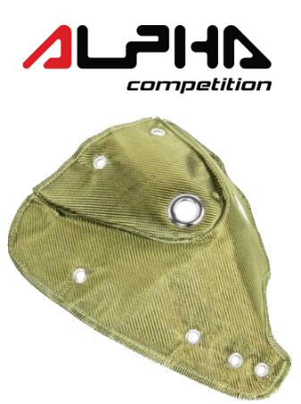 | 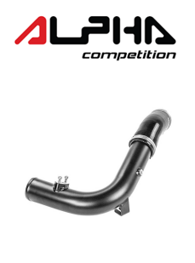 | 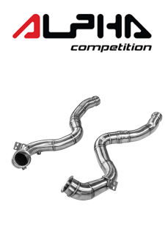
AC-R56-TB | AC-MK7-TI | AC-W205-DP
MINI COOPER S R56 TURBO BLANKET | 2.0 TFSI MQB Intercooler Inlet Pipe Kit | Mercedes Benz C63 AMG W205 Decat Downpipes
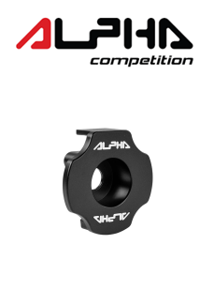 | 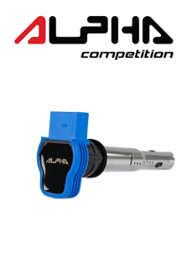 | 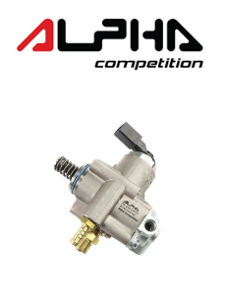
AC-MK7-DI | AC-200-CP | AC-200-HPFP
Mk7, 8V, TT, Leon 3 MQB DogBone Bushing Insert | 1.8 / 2.0 TFSI EA113 & EA888.1/2 IGNITION COILS - BLUE | 1.8 / 2.0 TFSI EA113 HIGH PRESSURE FUEL PUMP UPGRADE
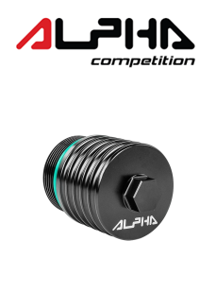 | 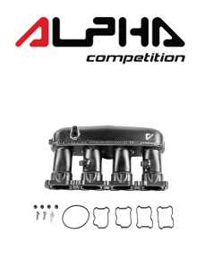 | 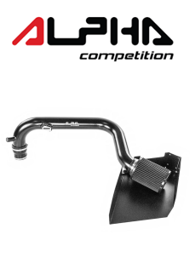
AC-MK7-GFH | AC-MK7-IM | AC-200-IT
2.0 TFSI EA888.3 DSG (6-SPEED) OIL FILTER HOUSING | 1.8 / 2.0 TFSI EA888.3 HIGH FLOW INTAKE MANIFOLD | MK6R 2.0 TFSI EA113 INTAKE SYSTEM

