첫번째 GUI
첫번째 GUI

package test;
import javax.swing.*;
import java.awt.*;
public class Ex_1
{
public static void main(String[] args) {
JFrame frame = new JFrame();
JPanel panel = new JPanel();
frame.add(panel);
panel.setBackground(Color.orange);
panel.add(new JLabel("나의 첫번째 GUI"));
frame.setTitle("첫번째 GUI");
frame.setVisible(true);
frame.setResizable(true);
frame.setSize(800,800*3/4);
frame.setLocationRelativeTo(null);
frame.setDefaultCloseOperation(JFrame.EXIT_ON_CLOSE);
}
}


}

개선된 GUI
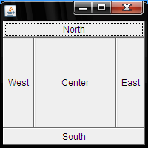
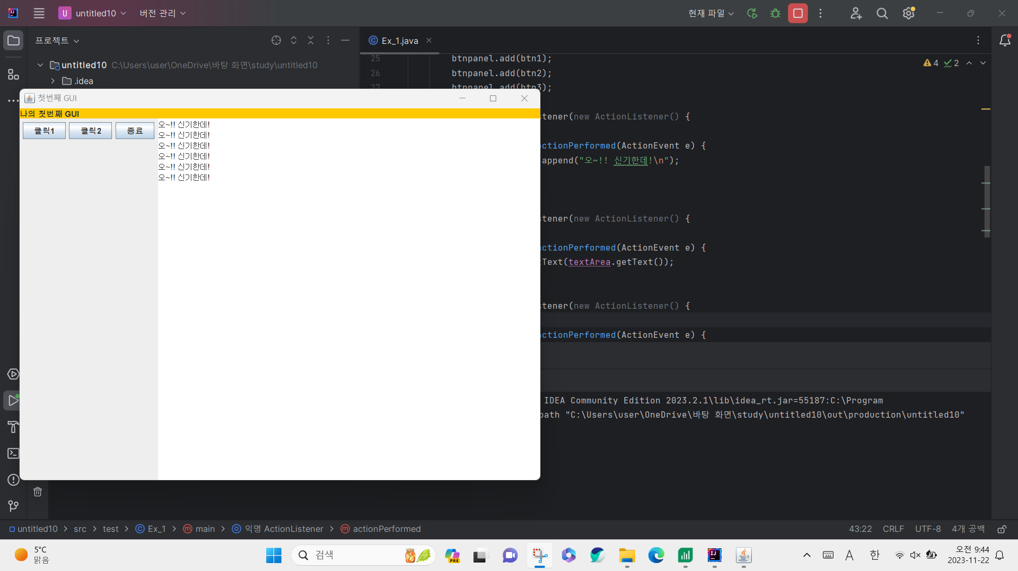
첫번째에서 개선된 GUI

package test;
import javax.swing.*;
import java.awt.*;
import java.awt.event.ActionEvent;
import java.awt.event.ActionListener;
public class Ex_1
{
private static final ActionListener ACTION_LISTENER = null;
public static void main(String[] args) {
JFrame frame = new JFrame();
JPanel panel = new JPanel();
JPanel btnpanel = new JPanel();
JLabel label = new JLabel("나의 첫번째 GUI");
JButton btn1 = new JButton("클릭1");
JButton btn2 = new JButton("클릭2");
JButton btn3 = new JButton("종료");
JTextArea textArea = new JTextArea();
panel.setLayout(new BorderLayout());
btnpanel.add(btn1);
btnpanel.add(btn2);
btnpanel.add(btn3);
btn1.addActionListener(new ActionListener() {
@Override
public void actionPerformed(ActionEvent e) {
textArea.append("오~!! 신기한데!\n");
}
});
btn2.addActionListener(new ActionListener() {
@Override
public void actionPerformed(ActionEvent e) {
label.setText(textArea.getText());
}
});
btn3.addActionListener(new ActionListener() {
@Override
public void actionPerformed(ActionEvent e) {
System.exit(0);
}
});
panel.setBackground(Color.orange);
panel.add(label,BorderLayout.NORTH);
panel.add(btnpanel, BorderLayout.WEST);
panel.add(textArea, BorderLayout.CENTER);
frame.add(panel);
frame.setTitle("첫번째 GUI");
frame.setVisible(true);
frame.setResizable(true);
frame.setSize(800,800*3/4);
frame.setLocationRelativeTo(null);
frame.setDefaultCloseOperation(JFrame.EXIT_ON_CLOSE);
}
}
 | BorderLayout

설치
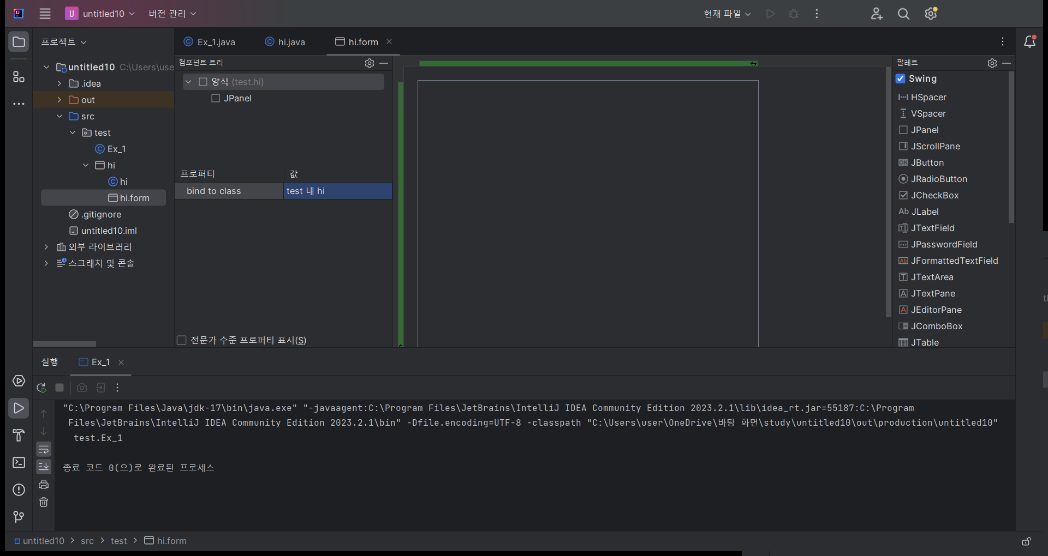
Window Builder 설치
 | https://eclipse.dev/windowbuilder/download.php

간단한 계산기 1
본인이 작업한 계산기를 캡처해서 붙여넣으세요

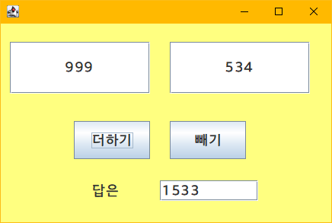

 | int num1, num2 , ans
 | num1 = integer.parseint(left.getText());
 | num2 = integer.parseint(left.getText());
 | ans = num1 + num2
 | ansHere.setText(Integer.toString(ans));

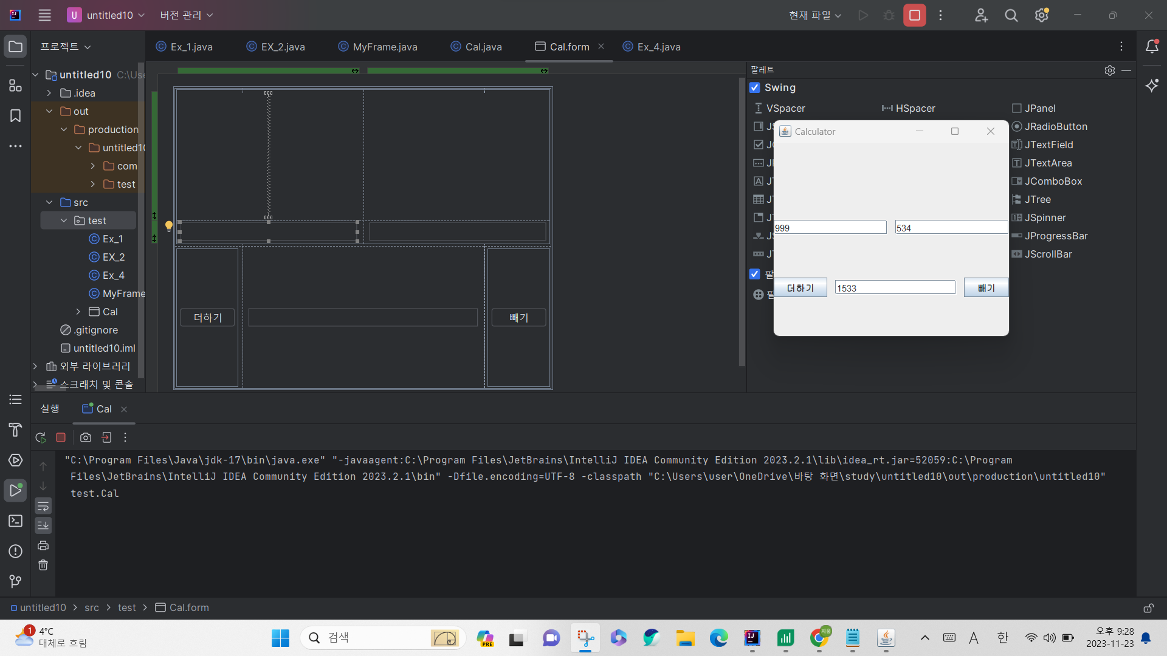

package test;
import javax.swing.*;
import java.awt.event.ActionEvent;
import java.awt.event.ActionListener;
public class Cal {
private JPanel panel1;
private JTextField textField1;
private JTextField textField2;
private JTextField textField3;
private JButton 더하기Button;
private JButton 빼기Button;
public Cal() {
더하기Button.addActionListener(new ActionListener() {
@Override
public void actionPerformed(ActionEvent e) {
performOperation('+');
}
});
빼기Button.addActionListener(new ActionListener() {
@Override
public void actionPerformed(ActionEvent e) {
performOperation('-');
}
});
}
private void performOperation(char operator) {
try {
int num1 = Integer.parseInt(textField1.getText());
int num2 = Integer.parseInt(textField2.getText());
int ans;
if (operator == '+') {
ans = num1 + num2;
} else {
ans = num1 - num2;
}
textField3.setText(Integer.toString(ans));
} catch (NumberFormatException ex) {
JOptionPane.showMessageDialog(panel1, "정수가 아닙니다.");
}
}
public static void main(String[] args) {
JFrame frame = new JFrame("Calculator");
frame.setContentPane(new Cal().panel1);
frame.setDefaultCloseOperation(JFrame.EXIT_ON_CLOSE);
frame.pack();
frame.setVisible(true);
}
}

이미지 넣기
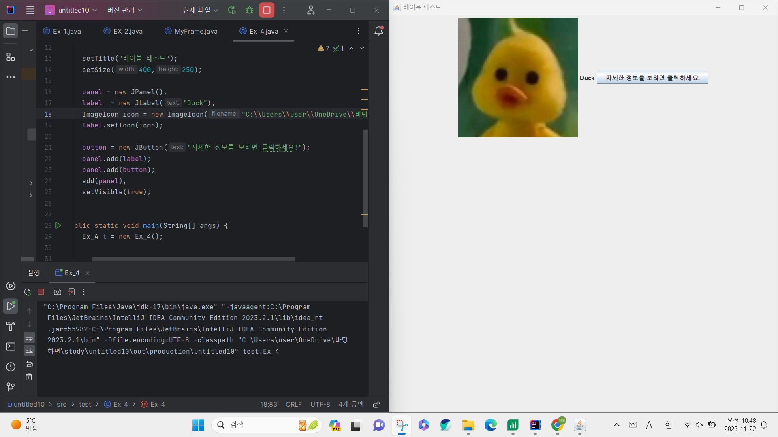
package test;
import javax.swing.*;
public class Ex_4 extends JFrame
{
private JPanel panel;
private JLabel label;
private JButton button;
public Ex_4()
{
setTitle("레이블 테스트");
setSize(400,250);
panel = new JPanel();
label = new JLabel("Duck");
ImageIcon icon = new ImageIcon("C:\\Users\\user\\OneDrive\\바탕 화면\\duck.jpg");
label.setIcon(icon);
button = new JButton("자세한 정보를 보려면 클릭하세요!");
panel.add(label);
panel.add(button);
add(panel);
setVisible(true);
}
public static void main(String[] args) {
Ex_4 t = new Ex_4();
}
}

그리드
package test;
import javax.swing.*;
import java.awt.*;
public class MyFrame extends JFrame {
public MyFrame()
{
setTitle("GridLayoutTest");
setSize(300,150);
setLayout(new GridLayout(2,3));
add(new JButton("Button1"));
add(new JButton("Button2"));
add(new JButton("Button3"));
add(new JButton("B4"));
add(new JButton("long Button5"));
setVisible(true);
setDefaultCloseOperation(JFrame.EXIT_ON_CLOSE);
}
public static void main(String[] args) {
MyFrame myFrame = new MyFrame();
}
}





