典型场景数据样例
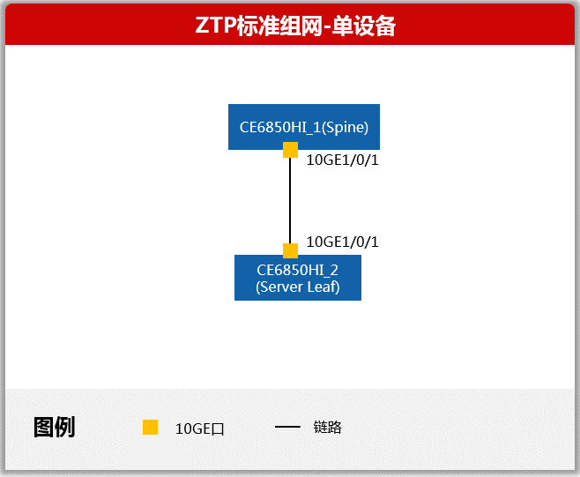
设备索引号 | 设备角色 | 设备名称 | 设备位置 | 管理IPv4地址 | VTEP IPv4地址 | VTEP IPv6地址 | ZTP 层级 | 设备序列号 | 堆叠 | Loopback1 IPv4地址
CE6850HI_1 | Spine | CE6850HI_1 | nanjing |  |  |  | 1
CE6850HI_2 | Leaf | CE6850HI_2 | nanjing |  |  |  | 2

A设备索引号 | A设备物理端口号 | A设备端Eth-Trunk名称 | B设备索引号 | B设备物理端口号 | B设备端Eth-Trunk名称
CE6850HI_1 | 10GE1/0/1 |  | CE6850HI_2 | 10GE1/0/1

A设备索引号 | A设备三层接口 | A设备接口互联IPv4地址 | A设备接口互联IPv6地址 | B设备索引号 | B设备三层接口 | B设备接口互联IPv4地址 | B设备接口互联IPv6地址

注：1. 非精细规划的待上线设备的IP以及三层链路信息由AC分配生成，无需手填 2. 1层设备可以自动上线也可以填入规划信息手动纳管

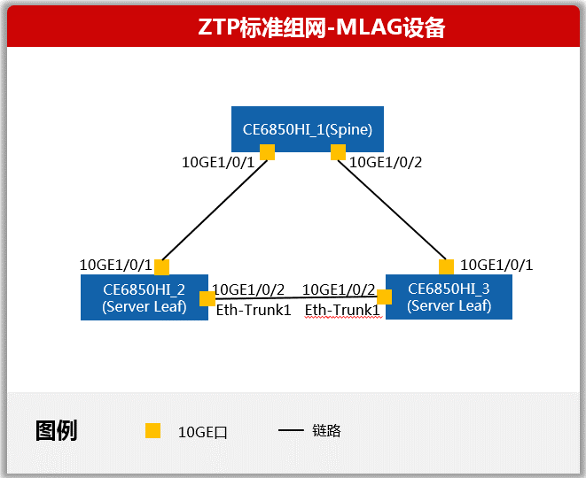
设备索引号 | 设备角色 | 设备名称 | 设备位置 | 管理IPv4地址 | VTEP IPv4地址 | VTEP IPv6地址 | ZTP 层级 | 设备序列号 | 堆叠 | Loopback1 IPv4地址
CE6850HI_1 | Spine | CE6850HI_1 | nanjing |  |  |  | 1
CE6850HI_2 | Leaf | CE6850HI_2 | nanjing |  |  |  | 2
CE6850HI_3 | Leaf | CE6850HI_3 | nanjing |  |  |  | 2

A设备索引号 | A设备物理端口号 | A设备端Eth-Trunk名称 | B设备索引号 | B设备物理端口号 | B设备端Eth-Trunk名称
CE6850HI_1 | 10GE1/0/1 |  | CE6850HI_2 | 10GE1/0/1
CE6850HI_1 | 10GE1/0/1 |  | CE6850HI_3 | 10GE1/0/1
CE6850HI_2 | 10GE1/0/2 | Eth-Trunk1 | CE6850HI_3 | 10GE1/0/2 | Eth-Trunk1

A设备索引号 | A设备三层接口 | A设备接口互联IPv4地址 | A设备接口互联IPv6地址 | B设备索引号 | B设备三层接口 | B设备接口互联IPv4地址 | B设备接口互联IPv6地址

注：1. 非精细规划的待上线设备的IP以及三层链路信息由AC分配生成，无需手填 2. 1层设备可以自动上线也可以填入规划信息手动纳管


设备索引号 | 设备角色 | 设备名称 | 设备位置 | 管理IPv4地址 | VTEP IPv4地址 | VTEP IPv6地址 | ZTP 层级 | 设备序列号 | 堆叠 | Loopback1 IPv4地址
CE6850HI_1 | Spine | CE6850HI_1 | nanjing |  |  |  | 1
CE6850HI_2 | Leaf | CE6850HI_2 | nanjing |  |  |  | 2 |  | Stack1
CE6850HI_3 | Leaf | CE6850HI_3 | nanjing |  |  |  | 2 |  | Stack1

A设备索引号 | A设备物理端口号 | A设备端Eth-Trunk名称 | B设备索引号 | B设备物理端口号 | B设备端Eth-Trunk名称 | StackMember
CE6850HI_1 | 10GE1/0/1 |  | CE6850HI_2 | 10GE1/0/1 |  | FALSE
CE6850HI_1 | 10GE1/0/2 |  | CE6850HI_3 | 10GE1/0/1 |  | FALSE
CE6850HI_2 | 10GE1/0/2 |  | CE6850HI_3 | 10GE1/0/2 |  | TRUE

A设备索引号 | A设备三层接口 | A设备接口互联IPv4地址 | A设备接口互联IPv6地址 | B设备索引号 | B设备三层接口 | B设备接口互联IPv4地址 | B设备接口互联IPv6地址

注：1. 非精细规划的待上线设备的IP以及三层链路信息由AC分配生成，无需手填 2. 1层设备可以自动上线也可以填入规划信息手动纳管

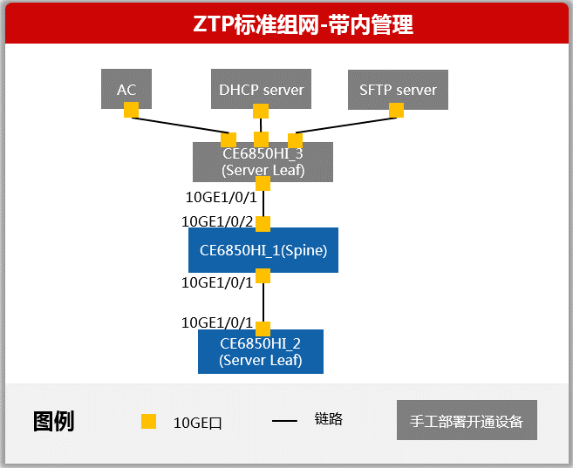
设备索引号 | 设备角色 | 设备名称 | 设备位置 | 管理IPv4地址 | VTEP IPv4地址 | VTEP IPv6地址 | ZTP 层级 | 设备序列号 | 堆叠 | Loopback1 IPv4地址
CE6850HI_3 | Leaf | CE6850HI_3 | nanjing | 192.168.1.2/24 | 11.11.11.11 |  | 1 |  |  | 13.13.13.2/24
CE6850HI_1 | Spine | CE6850HI_1 | nanjing |  |  |  | 2
CE6850HI_2 | Leaf | CE6850HI_3 | nanjing |  |  |  | 3

A设备索引号 | A设备物理端口号 | A设备端Eth-Trunk名称 | B设备索引号 | B设备物理端口号 | B设备端Eth-Trunk名称
CE6850HI_1 | 10GE1/0/1 |  | CE6850HI_2 | 10GE1/0/1
CE6850HI_3 | 10GE1/0/1 |  | CE6850HI_1 | 10GE1/0/2

A设备索引号 | A设备三层接口 | A设备接口互联IPv4地址 | A设备接口互联IPv6地址 | B设备索引号 | B设备三层接口 | B设备接口互联IPv4地址 | B设备接口互联IPv6地址

注：1. 非精细规划的待上线设备的IP以及三层链路信息由AC分配生成，无需手填 2. 1层设备手动纳管

