ssancar
 |  |  | COMMERCIAL INVOICE |  |  | 1409
Ssancar LTD. Cho Tae Shin. 499, Aam-dero, Yeonsu-gu, Incheon, Korea Phone: +82-505-366-9977 Email: ssancar9977@gmail.com
 |  |  | Date | 2026-10-23
 |  |  | Invoice No. | MU616021
 |  |  | Name | MEMA ENGJELLUSHE
 |  |  | ID | G55502014Q
 |  |  | Address | Albania
 |  |  | Phone | 355 69 550 5533
 |  |  | Euro Rate | € 1,470
 |  |  | Dollar Rate | $1,312

BANK ACCOUNT INFORMATION
Beneficiary |  | SSANCAR LTD. | Bank Name | SHINHAN BANK
Swift Cose |  | SHBKKRSE | Bank Adress | 20,Sejong-Daero9-Gil,Jung-Gu Seoul South Korea
Bank Account Number |  | 180-008-400167 | Beneficiary Adress | 163 Sangideahak-ro, Siheung-si, Gyeonggi-do,Korea

Code | Brand | Model | Chassis No. | FOB PRICE | Shipping cost
09러8333 | HYUNDAI | TUCSON | KMHJ3815GJU616021 | € 9,000 | € -

 |  | COMMISSION
 |  | AUTO LODING
 |  | TAX D/C
 |  | SUB TOTAL |  | € 9,000
 |  | DEPOSIT
 |  | DEPOSIT

 |  | TOTAL |  | € 9,000

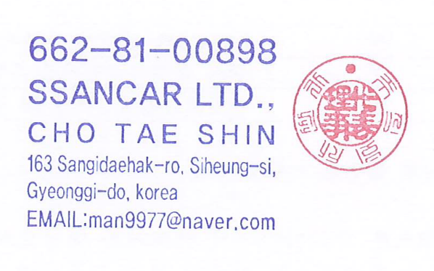
 |  | BALANCE MONEY |  | € 9,000
WE THE SELLER AND THE BUYERS, CONFIRM HAVING CONCLUDED THIS CONTRACT
COVERING UNDERMENTIONED GOODS IN ACCORDANCE
WITH THE TERMS AND CONDITIONS STATED HEREIN AND ON THE BACK

* SHIPMENT : TRANS SHIPMENT ALLOWED : PARTIAL SHIPMENT ALLOWED
* TIME OF CONTRACT EFFECT : WITHIN 1 MONTH AFTER CONTRACTING DATE
* PORT OF LORDING :ANY KOREAN PORT

## Important Notice ##
Buyer have to pay all money after contracting in One month. If do not keep this rule, seller will take deposit money

