heyman
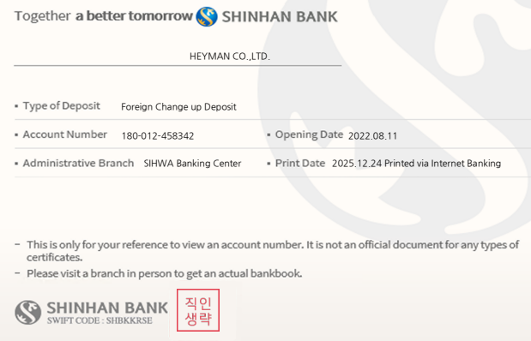
HEY MAN |  |  | COMMERCIAL INVOICE |  |  | 1407
Ssancar LTD. Cho Tae Shin. 499, Aam-dero, Yeonsu-gu, Incheon, Korea Phone: +82-505-366-9977 Email: ssancar9977@gmail.com |  |  |  |  |  |  | 2
 |  |  | Date | 2026-10-22
 |  |  | Invoice No. | MU014637
 |  |  | Name | VILLA KOHA SH.P.K
 |  |  | ID | 810039588
 |  |  | Address | KOSOVO
 |  |  | Phone | 383 49247777
 |  |  | Euro Rate | € -
 |  |  | Dollar Rate | $-

BANK ACCOUNT INFORMATION
Beneficiary |  | HEYMAN CO,. LTD. | Bank Name | SHINHAN BANK
Swift Cose |  | SHBKKRSE | Bank Adress | 20,Sejong-Daero9-Gil,Jung-Gu Seoul South Korea
Bank Account Number |  | 180-012-458342 | Beneficiary Adress | 163 Sangideahak-ro, Siheung-si, Gyeonggi-do,Korea

Code | Brand | Model | Chassis No. | FOB PRICE | Shipping cost
109무2876 | RENAULT | QM6 | KNME5C2M0HP014637 | € 4,300 | € 1,900

 |  | COMMISSION
 |  | AUTO LODING
 |  | TAX D/C
 |  | SUB TOTAL |  | € 6,200
 |  | DEPOSIT
 |  | DEPOSIT

 |  | TOTAL |  | € 6,200

 |  | BALANCE MONEY |  | € 6,200
WE THE SELLER AND THE BUYERS, CONFIRM HAVING CONCLUDED THIS CONTRACT
COVERING UNDERMENTIONED GOODS IN ACCORDANCE
WITH THE TERMS AND CONDITIONS STATED HEREIN AND ON THE BACK
* SHIPMENT : TRANS SHIPMENT ALLOWED : PARTIAL SHIPMENT ALLOWED
* TIME OF CONTRACT EFFECT : WITHIN 1 MONTH AFTER CONTRACTING DATE
* PORT OF LORDING :ANY KOREAN PORT
## Important Notice ##
Buyer have to pay all money after contracting in One month. If do not keep this rule, seller will take deposit money

