HBB340.
 |  |  |  | PROFORM CONTRACT
Karaba Co., Ltd. Kim Hee-chul. #303, 178 Injung-ro, Jung-gu, Incheon, Korea Phone: +82-32-710-7979 Email: sales@karaba.co.kr
 |  |  |  | Date | 0
 |  |  |  | Invoice No. | TRHU6652495
 |  |  |  | Name | IMP. EXP. HANNA LTDA
 |  |  |  | Adress
 |  |  |  | Phone

 |  |  |  | Dollar Rate
BANK ACCOUNT INFORMATION
Beneficiary |  | KARABA CO., LTD |  | Bank Name | KEB Hana Bank
Swift Cose |  | KOEXKRSEXXX |  | Bank Adress | 216-55, Hogupo-ro, Namdong-gu, Incheon, South Korea
Bank Account Number |  | 433 910007 14938 |  | Beneficiary Adress

Code | Brand | Model | Year | Chassis No. | FOB PRICE | Shipping cost
0 | HYUNDAI | ACCENT | 2016 | KMHCT51UGGU281238 | $2,300 | $1,075 | 0
0 | HYUNDAI | GRAND STAREX | 2017 | KMJWA37KBHU886217 | $6,400 | $1,075 | 0
0 | HYUNDAI | GRAND STAREX | 2015 | KMJWA37KAFU680072 | $5,100 | $1,075 | 0
0 | HYUNDAI | ACCENT | 2014 | KMHCS41UBEU687864 | $1,600 | $1,075 | 0
0 |  |  |  |  |  |  | 0
0 |  |  |  |  |  |  | 0
0 |  |  |  |  |  |  | 0
0 |  |  |  |  |  |  | 0
0 |  |  |  |  |  |  | 0
0 |  |  |  |  |  |  | 0
0 |  |  |  |  |  |  | 0
0 |  |  |  |  |  |  | 0
0 |  |  |  |  |  |  | 0
0 |  |  |  |  |  |  | 0
0 |  |  |  |  |  |  | 0
0 |  |  |  |  |  |  | 0
0 |  |  |  |  |  |  | 0
0 |  |  |  |  |  |  | 0
0 |  |  |  |  |  |  | 0
0 |  |  |  |  |  |  | 0
0 |  |  |  |  |  |  | 0
0 |  |  |  |  |  |  | 0
0 |  |  |  |  |  |  | 0
0 |  |  |  |  |  |  | 0
0 |  |  |  |  |  |  | 0
0 |  |  |  |  |  |  | 0
0 |  |  |  |  |  |  | 0
0 |  |  |  |  |  |  | 0
0 |  |  |  |  |  |  | 0
0 |  |  |  |  |  |  | 0
 |  |  |  | SUB TOTAL | 0 |  | 0 | FOB PRICE
 |  |  |  |  |  |  | 0 | Shipping cost

 |  |  |  | TOTAL | 0

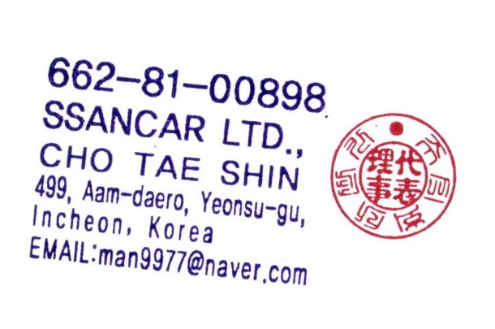
 |  |  |  | BALANCE MONEY | 0
 |  |  |  |  | .

