Pivot Table
 | Count of point | Average of Adj Z miss | StdDev of Adj Z miss
(blank)
325 | 3 | 0 | 0
309 | 1 | -56.5 | #N/A
315 | 4 | 0 | 0
300 | 1 | -41.5 | #N/A
302.5 | 1 | -36.5 | #N/A
305 | 1 | -14.5 | #N/A
306 | 4 | -7.75 | 10.202123962
306.5 | 36 | -4 | 7.3114391782
307 | 8 | -0.5625 | 13.35621177
308 | 11 | 8.4090909091 | 8.8142446693
310 | 1 | 11.5 | #N/A
320 | 1 | 31.5 | #N/A
300 | 1 | -61.5 | #N/A
302 | 1 | -11.5 | #N/A
302.5 | 12 | -4.3333333333 | 7.287390521
303 | 9 | -6.2222222222 | 13.91516958
303.5 | 6 | 0 | 6.7082039325
305 | 1 | 9.5 | #N/A
307 | 1 | 9.5 | #N/A
294 | 3 | -89.833333333 | 15.275252317
300 | 25 | -20.12 | 26.702559178
302 | 2 | -29 | 10.606601718
302.5 | 5 | -14.8 | 21.022606879
303 | 1 | 7.5 | #N/A

Row Labels | Count of point | Average of Adj Z miss | StdDev of Adj Z miss
(blank)
(blank)
91-96 | 3 | 0 | 0
325 | 3 | 0 | 0
176-181 | 5 | -11.3 | 25.267568146
309 | 1 | -56.5 | #DIV/0!
315 | 4 | 0 | 0
256-261 | 64 | -2.1328125 | 12.537955767
300 | 1 | -41.5 | #DIV/0!
302.5 | 1 | -36.5 | #DIV/0!
305 | 1 | -14.5 | #DIV/0!
306 | 4 | -7.75 | 10.202123962
306.5 | 36 | -4 | 7.3114391782
307 | 8 | -0.5625 | 13.35621177
308 | 11 | 8.4090909091 | 8.8142446693
310 | 1 | 11.5 | #DIV/0!
320 | 1 | 31.5 | #DIV/0!
336-341 | 31 | -5.2258064516 | 14.35318705
300 | 1 | -61.5 | #DIV/0!
302 | 1 | -11.5 | #DIV/0!
302.5 | 12 | -4.3333333333 | 7.287390521
303 | 9 | -6.2222222222 | 13.91516958
303.5 | 6 | 0 | 6.7082039325
305 | 1 | 9.5 | #DIV/0!
307 | 1 | 9.5 | #DIV/0!
456-461 | 36 | -24.916666667 | 31.292742198
294 | 3 | -89.833333333 | 15.275252317
300 | 25 | -20.12 | 26.702559178
302 | 2 | -29 | 10.606601718
302.5 | 5 | -14.8 | 21.022606879
303 | 1 | 7.5 | #DIV/0!
Grand Total | 139 | -9.0071942446 | 21.829459686

SimpleFit
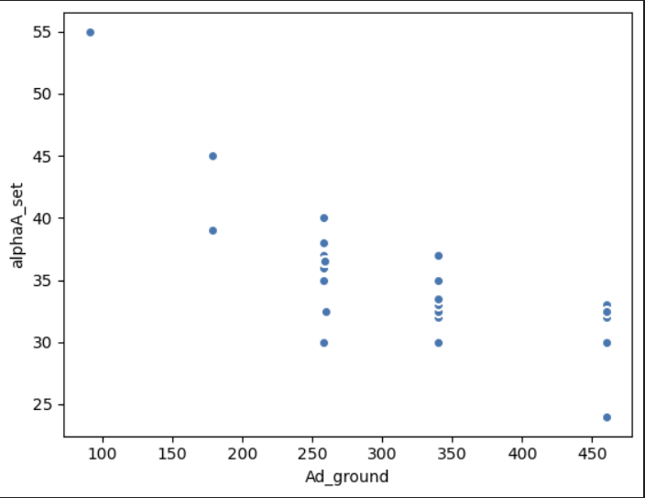
Simplified Equation

Example:
radius | angle | angle
90 | 50 | 325
175 | 40 | 315
259 | 32 | 307
339 | 28.5 | 303.5
459 | 27.75 | 302.75

 |  |  | from pymc:

