data-1598053340220
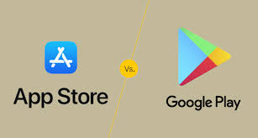
App Trader Application Analysis

Store / App Type | Total
app store apps priced <= $1.00 | 4,784
play store apps priced <= $1.00 | 10,191
app store apps priced > $1.00 | 2,413
play store apps priced > $1.00 | 649
App Count Comparison By Store and Price Group

