Planilha1
Nome | X(m) | Y(m) | Z(m) | Valor NSPT | Pontos do lote | X | Y | SPT | X | Y
SP01 | 44.25 | 26.08 | 1 | 3 | 1 | 1.27 | -2.43 | 1 | 44.25 | 26.08
SP01 | 44.25 | 26.08 | 2 | 4 | 2 | 0 | 0 | 2 | 9.11 | 18.95
SP01 | 44.25 | 26.08 | 3 | 5 | 3 | 0 | 21.52 | 3 | 29.14 | 14.81
SP01 | 44.25 | 26.08 | 4 | 7 | 4 | 29.78 | 22.52 | 4 | 13.38 | 10.72
SP01 | 44.25 | 26.08 | 5 | 15 | 5 | 29.78 | 34.12 | 5 | 25.51 | 7.43
SP01 | 44.25 | 26.08 | 6 | 18 | 6 | 46.23 | 34.12 | 6 | 6.26 | 5.43
SP01 | 44.25 | 26.08 | 7 | 23 | 7 | 46.44 | -2.43 | 7 | 39.16 | 4.62
SP01 | 44.25 | 26.08 | 8 | 37 |  |  |  | 8 | 19.31 | 0.08
SP01 | 44.25 | 26.08 | 9 | 32
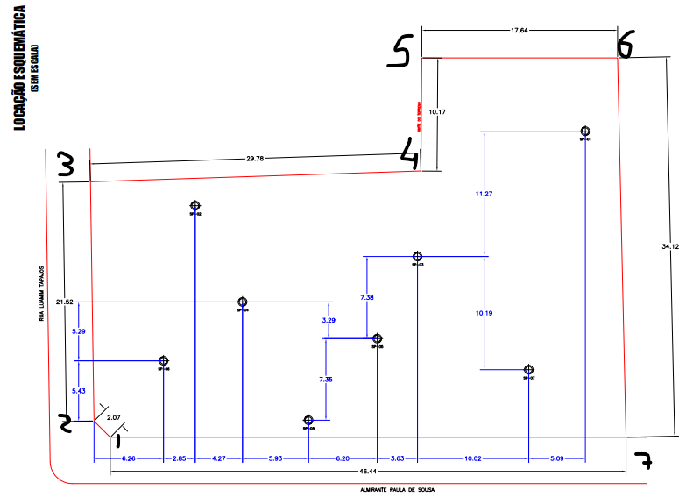
SP01 | 44.25 | 26.08 | 10 | 15
SP01 | 44.25 | 26.08 | 11 | 8
SP01 | 44.25 | 26.08 | 12 | 10
SP01 | 44.25 | 26.08 | 13 | 19
SP01 | 44.25 | 26.08 | 14 | 31
SP01 | 44.25 | 26.08 | 15 | 39
SP01 | 44.25 | 26.08 | 16 | 47
SP01 | 44.25 | 26.08 | 17 | 52
SP01 | 44.25 | 26.08 | 18 | 68
SP02 | 9.11 | 18.95 | 1 | 4
SP02 | 9.11 | 18.95 | 2 | 7
SP02 | 9.11 | 18.95 | 3 | 8
SP02 | 9.11 | 18.95 | 4 | 14
SP02 | 9.11 | 18.95 | 5 | 19
SP02 | 9.11 | 18.95 | 6 | 17
SP02 | 9.11 | 18.95 | 7 | 27
SP02 | 9.11 | 18.95 | 8 | 36
SP02 | 9.11 | 18.95 | 9 | 36
SP02 | 9.11 | 18.95 | 10 | 21
SP02 | 9.11 | 18.95 | 11 | 8
SP02 | 9.11 | 18.95 | 12 | 10
SP02 | 9.11 | 18.95 | 13 | 18
SP02 | 9.11 | 18.95 | 14 | 39
SP02 | 9.11 | 18.95 | 15 | 44
SP02 | 9.11 | 18.95 | 16 | 51
SP02 | 9.11 | 18.95 | 17 | 57
SP03 | 29.14 | 14.81 | 1 | 5
SP03 | 29.14 | 14.81 | 2 | 6
SP03 | 29.14 | 14.81 | 3 | 8
SP03 | 29.14 | 14.81 | 4 | 10
SP03 | 29.14 | 14.81 | 5 | 21
SP03 | 29.14 | 14.81 | 6 | 18
SP03 | 29.14 | 14.81 | 7 | 29
SP03 | 29.14 | 14.81 | 8 | 34
SP03 | 29.14 | 14.81 | 9 | 34
SP03 | 29.14 | 14.81 | 10 | 17
SP03 | 29.14 | 14.81 | 11 | 11
SP03 | 29.14 | 14.81 | 12 | 10
SP03 | 29.14 | 14.81 | 13 | 39
SP03 | 29.14 | 14.81 | 14 | 50
SP03 | 29.14 | 14.81 | 15 | 51
SP03 | 29.14 | 14.81 | 16 | 66
SP04 | 13.38 | 10.72 | 1 | 6
SP04 | 13.38 | 10.72 | 2 | 6
SP04 | 13.38 | 10.72 | 3 | 7
SP04 | 13.38 | 10.72 | 4 | 7
SP04 | 13.38 | 10.72 | 5 | 26
SP04 | 13.38 | 10.72 | 6 | 32
SP04 | 13.38 | 10.72 | 7 | 14
SP04 | 13.38 | 10.72 | 8 | 14
SP04 | 13.38 | 10.72 | 9 | 19
SP04 | 13.38 | 10.72 | 10 | 23
SP04 | 13.38 | 10.72 | 11 | 17
SP04 | 13.38 | 10.72 | 12 | 15
SP04 | 13.38 | 10.72 | 13 | 18
SP04 | 13.38 | 10.72 | 14 | 45
SP04 | 13.38 | 10.72 | 15 | 48
SP04 | 13.38 | 10.72 | 16 | 48
SP04 | 13.38 | 10.72 | 17 | 54
SP04 | 13.38 | 10.72 | 18 | 55
SP05 | 25.51 | 7.43 | 1 | 12
SP05 | 25.51 | 7.43 | 2 | 12
SP05 | 25.51 | 7.43 | 3 | 14
SP05 | 25.51 | 7.43 | 4 | 30
SP05 | 25.51 | 7.43 | 5 | 28
SP05 | 25.51 | 7.43 | 6 | 33
SP05 | 25.51 | 7.43 | 7 | 30
SP05 | 25.51 | 7.43 | 8 | 25
SP05 | 25.51 | 7.43 | 9 | 33
SP05 | 25.51 | 7.43 | 10 | 22
SP05 | 25.51 | 7.43 | 11 | 22
SP05 | 25.51 | 7.43 | 12 | 24
SP05 | 25.51 | 7.43 | 13 | 44
SP05 | 25.51 | 7.43 | 14 | 46
SP05 | 25.51 | 7.43 | 15 | 46
SP05 | 25.51 | 7.43 | 16 | 53
SP05 | 25.51 | 7.43 | 17 | 52
SP06 | 6.26 | 5.43 | 1 | 6
SP06 | 6.26 | 5.43 | 2 | 5
SP06 | 6.26 | 5.43 | 3 | 7
SP06 | 6.26 | 5.43 | 4 | 10
SP06 | 6.26 | 5.43 | 5 | 16
SP06 | 6.26 | 5.43 | 6 | 18
SP06 | 6.26 | 5.43 | 7 | 18
SP06 | 6.26 | 5.43 | 8 | 17
SP06 | 6.26 | 5.43 | 9 | 25
SP06 | 6.26 | 5.43 | 10 | 14
SP06 | 6.26 | 5.43 | 11 | 17
SP06 | 6.26 | 5.43 | 12 | 27
SP06 | 6.26 | 5.43 | 13 | 30
SP06 | 6.26 | 5.43 | 14 | 41
SP06 | 6.26 | 5.43 | 15 | 43
SP06 | 6.26 | 5.43 | 16 | 45
SP06 | 6.26 | 5.43 | 17 | 46
SP06 | 6.26 | 5.43 | 18 | 56
SP07 | 39.16 | 4.62 | 1 | 4
SP07 | 39.16 | 4.62 | 2 | 7
SP07 | 39.16 | 4.62 | 3 | 9
SP07 | 39.16 | 4.62 | 4 | 14
SP07 | 39.16 | 4.62 | 5 | 18
SP07 | 39.16 | 4.62 | 6 | 26
SP07 | 39.16 | 4.62 | 7 | 23
SP07 | 39.16 | 4.62 | 8 | 23
SP07 | 39.16 | 4.62 | 9 | 12
SP07 | 39.16 | 4.62 | 10 | 16
SP07 | 39.16 | 4.62 | 11 | 27
SP07 | 39.16 | 4.62 | 12 | 35
SP07 | 39.16 | 4.62 | 13 | 41
SP07 | 39.16 | 4.62 | 14 | 48
SP07 | 39.16 | 4.62 | 15 | 41
SP07 | 39.16 | 4.62 | 16 | 46
SP07 | 39.16 | 4.62 | 17 | 49
SP08 | 19.31 | 0.08 | 1 | 5
SP08 | 19.31 | 0.08 | 2 | 7
SP08 | 19.31 | 0.08 | 3 | 6
SP08 | 19.31 | 0.08 | 4 | 19
SP08 | 19.31 | 0.08 | 5 | 27
SP08 | 19.31 | 0.08 | 6 | 28
SP08 | 19.31 | 0.08 | 7 | 10
SP08 | 19.31 | 0.08 | 8 | 10
SP08 | 19.31 | 0.08 | 9 | 19
SP08 | 19.31 | 0.08 | 10 | 18
SP08 | 19.31 | 0.08 | 11 | 16
SP08 | 19.31 | 0.08 | 12 | 16
SP08 | 19.31 | 0.08 | 13 | 19
SP08 | 19.31 | 0.08 | 14 | 24
SP08 | 19.31 | 0.08 | 15 | 23
SP08 | 19.31 | 0.08 | 16 | 27
SP08 | 19.31 | 0.08 | 17 | 30
SP08 | 19.31 | 0.08 | 18 | 30
SP08 | 19.31 | 0.08 | 19 | 27
SP08 | 19.31 | 0.08 | 20 | 41

