ishare orders
Timestamp | Facebook Name | Exact chat title. Example "Hawaiian shirt" | Exact chat code. Example "C324" | Order # | total excluding tax and coupons | PayPal email | Amazon pen or profile link
2020-06-12 |  | garden trowel | B07MTB4L1Y | 112-0823609-9583428 | 22.8 | newyville@yahoo.com | https://scontent.fsgn5-5.fna.fbcdn.net/v/t1.15752-9/s1080x2048/103916502_612906949577121_7796641561493273900_n.jpg?_nc_cat=108&_nc_sid=b96e70&_nc_ohc=rtNbcL-Bu04AX8dZy1j&_nc_ht=scontent.fsgn5-5.fna&_nc_tp=7&oh=531a4bcd66d287a79a884dcaad02fa1c&oe=5F07F7D5 | 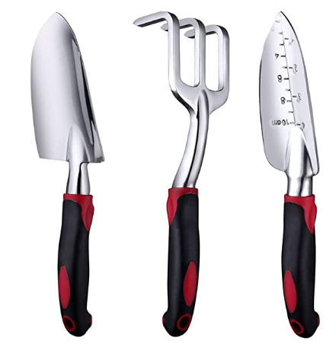
2020-06-12 |  | automatic soap dispenser | B0881VQBYP | 112-3490290-2861021 | 29.99 | mt_bmc@yahoo.com | https://scontent.fsgn5-5.fna.fbcdn.net/v/t1.15752-9/s2048x2048/104288854_260607338370367_1957397780759792880_n.jpg?_nc_cat=100&_nc_sid=b96e70&_nc_ohc=nQez0H8ZoSIAX_nVyCH&_nc_ht=scontent.fsgn5-5.fna&_nc_tp=7&oh=6e014d8ff8b01b1dee6208f12499fc43&oe=5F0A51D4

