Table Staging
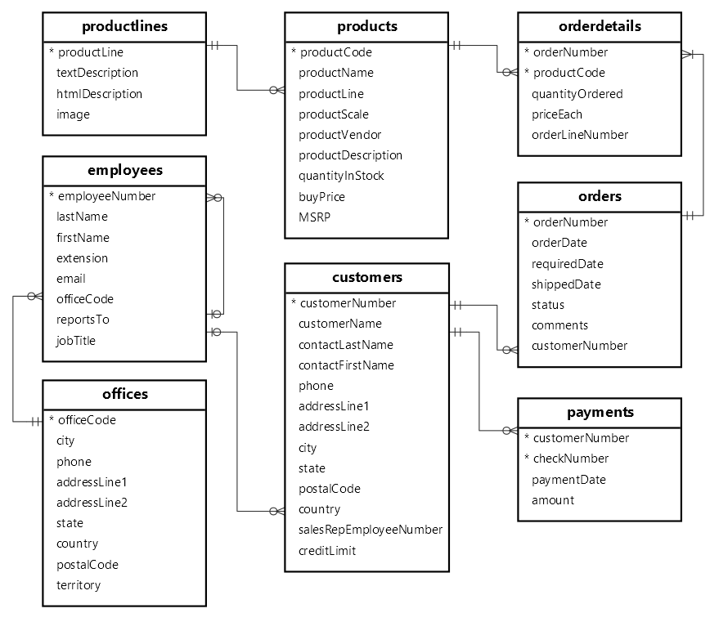
List Table Staging

No. | Table Name | Description
1 | customers | stores customer’s data.
2 | products | stores a list of scale model cars.
3 | productlines | stores a list of product lines.
4 | orders | stores sales orders placed by customers.
5 | orderdetails | stores sales order line items for every sales order.
6 | payments | stores payments made by customers based on their accounts.
7 | employees | stores employee information and the organization structure such as who reports to whom.
8 | offices | stores sales office data.

url: https://www.mysqltutorial.org/getting-started-with-mysql/mysql-sample-database/

Table DataMart
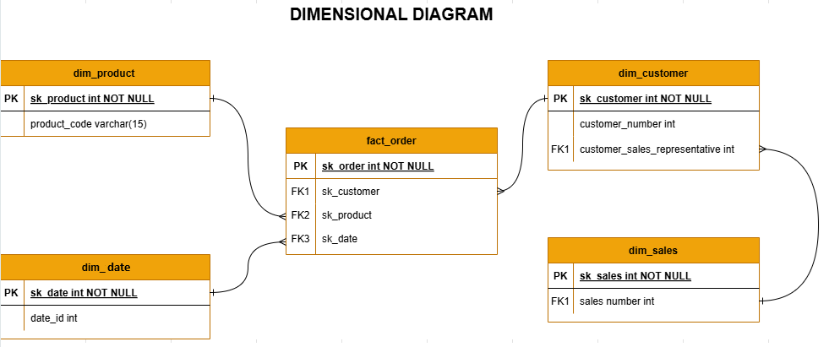
No. | Table Name | Description
1 | fact_order | fact order of every sales information
2 | dim_date | dimension of date generated
3 | dim_product | dimension of product information
4 | dim_sales | dimension of sales information
5 | dim_customer | dimension of customer information

