YC Model DD
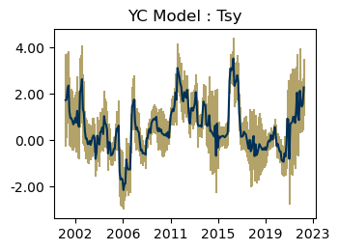
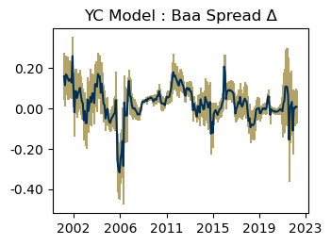
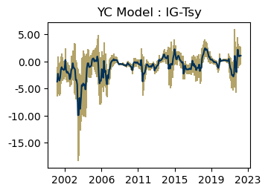
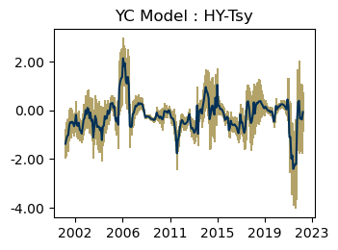
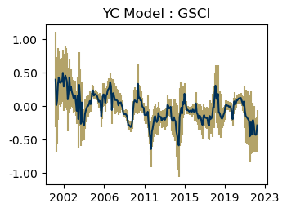
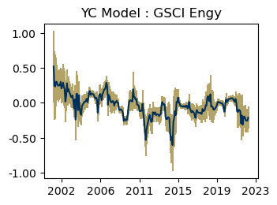
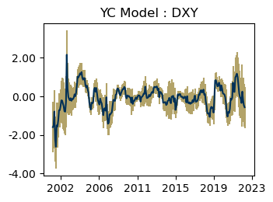
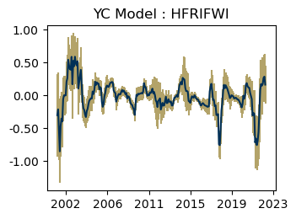
YC Model

 | YC Model
Fund Incept | Jan-90
GTF Invest | Jan-90
Mths SI | 391
Mths Invested | 391
BM | Market
NAV ($M) | 0

 |  | YC Model | Market | ACWI
Absolute Return | 1 mth | - | - | -3.68
 | 3 mth | 8.72 | -20.24 | -1.92
 | YTD | 13.24 | -39.72 | -14.61
 | FYTD | -2.38 | -3.46 | 6.98
 | 1yr (ann) | 61.3 | -34.78 | -10.48
 | 3yr (ann) | 26.53 | 36.15 | 8.52
 | 5yr (ann) | 17.57 | 34.29 | 7.86
 | GTF Inv (ann) | 23.35 | 23.71 | 4.01
 | SI (ann) | 23.35 | 23.71 | 4.01
Relative Return | 1 mth vs Mgr BM | - | - | -
(vs BM) | 3 mth vs Mgr BM | 28.96 | - | -
 | YTD vs Mgr BM | 52.96 | - | -
 | FYTD vs Mgr BM | 1.08 | - | -
 | 1yr (ann) vs Mgr BM | 96.08 | - | -
 | 3yr (ann) vs Mgr BM | -9.62 | - | -
 | 5yr (ann) vs Mgr BM | -16.72 | - | -
 | GTF Inv (ann) vs Mgr BM | -0.36 | - | -
 | SI (ann) vs Mgr BM | -0.36 | - | -
 | Jensen Alpha (1yr) | 61.37 | -36.82 | 0
 | Jensen Alpha (3yr) | 25.67 | 27.86 | 0
 | Jensen Alpha (5yr) | 16.13 | 27.62 | 0
 | Jensen Alpha (GTF Inv) | 21.09 | 19.61 | 0
 | Jensen Alpha (SI) | 21.09 | 19.61 | 0
Equity Risk | SI beta | -0.24 | 1.07 | 1
 | SI beta (eq down) | -0.21 | 1.49 | 1
 | SI beta (eq up) | -0.16 | 0.87 | 1
 | 1 yr beta | 0.06 | -0.13 | 1
 | 3 yr beta | 0.05 | 0.98 | 1
 | 5 yr beta | 0.06 | 0.83 | 1
 | SI beta (qtr window) | -0.39 | 2.09 | 1
Stress Loss | March '20 Return | -0.33 | -9.57 | -13.5
 | Q1'20 Return | -6.92 | -32.21 | -21.37
 | Q4'18 Return | 0 | -20.5 | -12.75
 | Jun'15-Feb'16 Return | 20.46 | -17.26 | -13.34
 | Oct'08-Mar'09 Return | 24.77 | -62.25 | -30.68
Vol | Vol SI (Mth) | 20.57 | 26.88 | 15.66
 | Vol SI (Qtr) | 31.98 | 41.5 | 15.2
 | Vol SI (Ann) | 36.36 | 52.5 | 16.56
 | Vol 1yr (Mth) | 19.27 | 23.13 | 17.57
 | Vol 3yr (Mth) | 17.73 | 32.81 | 18.39
 | Vol 5yr (Mth) | 14.75 | 28.62 | 16.42
Active Risk | Tracking Error (SI) | 36.82 | - | -
 | Tracking Error (1yr) | 27.24 | - | -
 | Tracking Error (3yr) | 37.27 | - | -
 | Tracking Error (5yr) | 31.49 | - | -
Efficiency | Sharpe | 1 | - | -
 | Information Ratio | 0 | - | -

Portfolio | YC Model
BM | Market
Fund Incept | Jan-90
GTF Invest | Jan-90

Stats Control Charts

Expected Alpha | 1 |  | Expected Excess Return | 6
Expected Tracking Error | 3 |  | Expected Vol | 17

Alpha over Market VS Expectation
 | Expected Alpha | Cumulative Alpha | +1 SD | -1 SD | +2 SD | -2 SD
32904 | 0.082919423776 | 7.5522454626 | 0.93620854533 | -0.77036969778 | 1.7894976669 | -1.6236588193
32932 | 0.16583884755 | 12.085768926 | 1.3725718959 | -1.0408942008 | 2.5793049442 | -2.2476272491
32963 | 0.24875827133 | 15.091753393 | 1.7266983834 | -1.2291818407 | 3.2046384955 | -2.7071219528
32993 | 0.33167769511 | 15.786108951 | 2.0382559382 | -1.374900548 | 3.7448341813 | -3.0814787911
33024 | 0.41459711888 | 20.081729075 | 2.3226095991 | -1.4934153614 | 4.2306220794 | -3.4014278416
33054 | 0.49751654266 | 26.602143536 | 2.5876394935 | -1.5926064082 | 4.6777624444 | -3.6827293591
33085 | 0.58043596643 | 47.714794547 | 2.8380267785 | -1.6771548456 | 5.0956175906 | -3.9347456577
33116 | 0.66335539021 | 75.169952602 | 3.0768214869 | -1.7501107064 | 5.4902875835 | -4.1635768031
33146 | 0.74627481399 | 103.13618058 | 3.3061421786 | -1.8135925507 | 5.8660095433 | -4.3734599153
33177 | 0.82919423776 | 111.54060993 | 3.5275313645 | -1.869142889 | 6.2258684913 | -4.5674800157
33207 | 0.91211366154 | 105.65127754 | 3.7421535154 | -1.9179261923 | 6.5721933693 | -4.7479660462
33238 | 0.99503308532 | 76.352549227 | 3.9509133095 | -1.9608471388 | 6.9067935336 | -4.916727363
33269 | 1.0779525091 | 46.940109802 | 4.1545301897 | -1.9986251715 | 7.2311078702 | -5.075202852
33297 | 1.1608719329 | 20.292576089 | 4.3535874776 | -2.0318436118 | 7.5463030223 | -5.2245591566
33328 | 1.2437913566 | 5.3142213909 | 4.5485659139 | -2.0609832006 | 7.8533404712 | -5.3657577579
33358 | 1.3267107804 | -0.62578800111 | 4.7398672666 | -2.0864457058 | 8.1530237529 | -5.499602192
33389 | 1.4096302042 | -0.88894161351 | 4.9278313816 | -2.1085709732 | 8.4460325589 | -5.6267721505
33419 | 1.492549628 | 1.0792260804 | 5.112748773 | -2.127649517 | 8.7329479179 | -5.747848662
33450 | 1.5754690518 | 6.0214426666 | 5.2948701022 | -2.1439319987 | 9.0142711527 | -5.8633330492
33481 | 1.6583884755 | 8.8723834804 | 5.474413436 | -2.157636485 | 9.2904383966 | -5.9736614455
33511 | 1.7413078993 | 13.331209578 | 5.6515698885 | -2.1689540899 | 9.5618318777 | -6.0792160791
33542 | 1.8242273231 | 23.404183604 | 5.8265080665 | -2.1780534203 | 9.8287888099 | -6.1803341638
33572 | 1.9071467469 | 28.479189862 | 5.9993776145 | -2.1850841208 | 10.091608482 | -6.2773149884
33603 | 1.9900661706 | 29.602334345 | 6.1703120724 | -2.1901797311 | 10.350557974 | -6.3704256329
33634 | 2.0729855944 | 22.934779869 | 6.3394312022 | -2.1934600134 | 10.60587681 | -6.4599056211
33663 | 2.1559050182 | 21.820066626 | 6.5068428997 | -2.1950328634 | 10.857780781 | -6.5459707449
33694 | 2.238824442 | 18.947970572 | 6.6726447782 | -2.1949958943 | 11.106465114 | -6.6288162305
33724 | 2.3217438657 | 17.603764566 | 6.8369254899 | -2.1934377584 | 11.352107114 | -6.7086193825
33755 | 2.4046632895 | 15.641928328 | 6.9997658372 | -2.1904392582 | 11.594868385 | -6.7855418059
33785 | 2.4875827133 | 15.17803767 | 7.1612397128 | -2.1860742862 | 11.834896712 | -6.8597312857
33816 | 2.5705021371 | 16.692661666 | 7.3214148992 | -2.1804106251 | 12.072327661 | -6.9313233873
33847 | 2.6534215608 | 16.734476117 | 7.4803537542 | -2.1735106325 | 12.307285947 | -7.0004428258
33877 | 2.7363409846 | 20.355388085 | 7.638113799 | -2.1654318298 | 12.539886613 | -7.0672046441
33908 | 2.8192604084 | 17.728207203 | 7.7947482286 | -2.1562274118 | 12.770236049 | -7.131715232
33938 | 2.9021798322 | 17.663163194 | 7.9503063533 | -2.145946689 | 12.998432875 | -7.1940732102
33969 | 2.985099256 | 20.110701199 | 8.1048339853 | -2.1346354734 | 13.224568715 | -7.2543702027
34000 | 3.0680186797 | 29.809312806 | 8.2583737758 | -2.1223364164 | 13.448728872 | -7.3126915125
34028 | 3.1509381035 | 38.224407756 | 8.410965513 | -2.109089306 | 13.670992922 | -7.3691167155
34059 | 3.2338575273 | 46.008257847 | 8.5626463834 | -2.0949313289 | 13.89143524 | -7.423720185
34089 | 3.3167769511 | 48.289146203 | 8.7134512046 | -2.0798973025 | 14.110125458 | -7.476571556
34120 | 3.3996963748 | 53.279613145 | 8.8634126306 | -2.0640198809 | 14.327128886 | -7.5277361367
34150 | 3.4826157986 | 58.38029777 | 9.0125613362 | -2.047329739 | 14.542506874 | -7.5772752765
34181 | 3.5655352224 | 65.178037231 | 9.1609261804 | -2.0298557357 | 14.756317138 | -7.6252466937
34212 | 3.6484546462 | 71.220734543 | 9.3085343539 | -2.0116250616 | 14.968614062 | -7.6717047694
34242 | 3.7313740699 | 69.38094134 | 9.4554115107 | -1.9926633708 | 15.179448951 | -7.7167008116
34273 | 3.8142934937 | 65.73312198 | 9.6015818871 | -1.9729948997 | 15.38887028 | -7.7602832931
34303 | 3.8972129175 | 59.248250026 | 9.7470684091 | -1.9526425742 | 15.596923901 | -7.8024980658
34334 | 3.9801323413 | 54.031623557 | 9.8918927896 | -1.931628107 | 15.803653238 | -7.8433885554
34365 | 4.063051765 | 54.183540657 | 10.036075616 | -1.9099720858 | 16.009099467 | -7.8829959367
34393 | 4.1459711888 | 57.118829205 | 10.17963643 | -1.8876940528 | 16.213301672 | -7.9213592944
...
Excess Return over cash VS Expectation
 | Expected Excess | Cumulative Excess | +1 SD | -1 SD | +2 SD | -2 SD
32904 | 0.48557423437 | 1.3473057111 | 5.0178820663 | -4.0467335976 | 9.5501898983 | -8.5790414295
32932 | 0.97114846873 | -0.44632213826 | 7.3807996735 | -5.4385027361 | 13.790450878 | -11.848153941
32963 | 1.4567227031 | -3.2253669499 | 9.3069101436 | -6.3934647374 | 17.157097584 | -14.243652178
32993 | 1.9422969375 | 3.2802972135 | 11.006912601 | -7.1223187264 | 20.071528265 | -16.18693439
33024 | 2.4278711718 | 10.378383744 | 12.562419579 | -7.7066772354 | 22.696967986 | -17.841225643
33054 | 2.9134454062 | 21.059477401 | 14.015286952 | -8.1883961393 | 25.117128497 | -19.290237685
33085 | 3.3990196406 | 30.631504232 | 15.390379029 | -8.592339748 | 27.381738418 | -20.583699137
33116 | 3.8845938749 | 43.478127557 | 16.703896285 | -8.9347085347 | 29.523198694 | -21.754010944
33146 | 4.3701681093 | 56.920238413 | 17.967091605 | -9.2267553866 | 31.564015101 | -22.823678882
33177 | 4.8557423437 | 62.823404352 | 19.18815815 | -9.4766734623 | 33.520573956 | -23.809089268
33207 | 5.341316578 | 63.371691156 | 20.373281091 | -9.6906479349 | 35.405245604 | -24.722612448
33238 | 5.8268908124 | 50.732535658 | 21.527265693 | -9.8734840686 | 37.227640574 | -25.57385895
33269 | 6.3124650468 | 39.03922093 | 22.653933331 | -10.029003238 | 38.995401615 | -26.370471522
33297 | 6.7980392811 | 29.911765023 | 23.75638236 | -10.160303797 | 40.714725438 | -27.118646876
33328 | 7.2836135155 | 25.116049818 | 24.837166269 | -10.269939238 | 42.390719022 | -27.823491991
33358 | 7.7691877499 | 24.973813549 | 25.898419078 | -10.360043578 | 44.027650405 | -28.489274906
33389 | 8.2547619842 | 22.459039032 | 26.941945903 | -10.432421935 | 45.629129822 | -29.119605854
33419 | 8.7403362186 | 26.592997246 | 27.969289833 | -10.488617396 | 47.198243447 | -29.71757101
33450 | 9.225910453 | 32.403684644 | 28.981782273 | -10.529961368 | 48.737654094 | -30.285833188
33481 | 9.7114846873 | 39.540327661 | 29.980581502 | -10.557612127 | 50.249678316 | -30.826708941
33511 | 10.197058922 | 45.474656604 | 30.966702634 | -10.572584791 | 51.736346347 | -31.342228504
33542 | 10.682633156 | 51.005769314 | 31.941041239 | -10.575774927 | 53.199449323 | -31.834183011
33572 | 11.16820739 | 62.69489624 | 32.904392164 | -10.567977383 | 54.640576938 | -32.304162157
33603 | 11.653781625 | 68.869193137 | 33.857464716 | -10.549901466 | 56.061147807 | -32.753584557
33634 | 12.139355859 | 73.375155685 | 34.800895019 | -10.522183301 | 57.462434179 | -33.18372246
33663 | 12.624930094 | 69.685068476 | 35.73525617 | -10.485395983 | 58.845582247 | -33.59572206
33694 | 13.110504328 | 65.891327594 | 36.661066649 | -10.440057994 | 60.211628971 | -33.990620315
33724 | 13.596078562 | 62.873465499 | 37.578797339 | -10.386640215 | 61.561516116 | -34.369358992
33755 | 14.081652797 | 59.563477593 | 38.488877428 | -10.325571835 | 62.89610206 | -34.732796467
33785 | 14.567227031 | 60.438627956 | 39.391699402 | -10.25724534 | 64.216171773 | -35.081717711
33816 | 15.052801265 | 60.62412262 | 40.287623293 | -10.182020763 | 65.522445322 | -35.416842791
33847 | 15.5383755 | 62.87752876 | 41.176980319 | -10.100229319 | 66.815585138 | -35.738834139
33877 | 16.023949734 | 66.073993016 | 42.060076008 | -10.01217654 | 68.096202282 | -36.048302814
33908 | 16.509523968 | 69.611053189 | 42.937192909 | -9.9181449723 | 69.36486185 | -36.345813913
33938 | 16.995098203 | 75.869598455 | 43.808592938 | -9.8183965326 | 70.622087674 | -36.631891268
33969 | 17.480672437 | 84.416150744 | 44.674519429 | -9.7131745545 | 71.868366421 | -36.907021546
34000 | 17.966246672 | 96.225150901 | 45.535198928 | -9.6027055844 | 73.104151184 | -37.17165784
34028 | 18.451820906 | 107.47302796 | 46.390842771 | -9.4872009591 | 74.329864636 | -37.426222824
34059 | 18.93739514 | 114.37642099 | 47.241648479 | -9.3668581984 | 75.545901818 | -37.671111537
34089 | 19.422969375 | 118.40124128 | 48.087800987 | -9.2418622373 | 76.752632599 | -37.906693849
34120 | 19.908543609 | 123.2030921 | 48.929473739 | -9.1123865213 | 77.95040387 | -38.133316652
34150 | 20.394117843 | 130.74573746 | 49.766829668 | -8.9785939809 | 79.139541492 | -38.351305805
34181 | 20.879692078 | 140.68824569 | 50.600022059 | -8.8406379035 | 80.32035204 | -38.560967885
34212 | 21.365266312 | 149.49530916 | 51.429195338 | -8.6986627138 | 81.493124364 | -38.76259174
34242 | 21.850840546 | 152.42696176 | 52.254485768 | -8.5528046751 | 82.65813099 | -38.956449897
34273 | 22.336414781 | 147.85767959 | 53.076022082 | -8.4031925205 | 83.815629384 | -39.142799822
34303 | 22.821989015 | 142.29468984 | 53.893926054 | -8.2499480233 | 84.965863092 | -39.321885062
34334 | 23.30756325 | 139.5094798 | 54.708313012 | -8.0931865123 | 86.109062773 | -39.493936274
34365 | 23.793137484 | 141.29412977 | 55.519292308 | -7.9330173397 | 87.245447131 | -39.659172163
34393 | 24.278711718 | 139.42482665 | 56.326967742 | -7.7695443057 | 88.375223766 | -39.81780033
...

Alpha over Market VS Expectation (L12mth)
 | Rolling Alpha | Expected Alpha | +1 SD | -1 SD | +2 SD | -2 SD
32904 |  | 1 | 4 | -2 | 7 | -5
32932 |  | 1 | 4 | -2 | 7 | -5
32963 |  | 1 | 4 | -2 | 7 | -5
32993 |  | 1 | 4 | -2 | 7 | -5
33024 |  | 1 | 4 | -2 | 7 | -5
33054 |  | 1 | 4 | -2 | 7 | -5
33085 |  | 1 | 4 | -2 | 7 | -5
33116 |  | 1 | 4 | -2 | 7 | -5
33146 |  | 1 | 4 | -2 | 7 | -5
33177 |  | 1 | 4 | -2 | 7 | -5
33207 |  | 1 | 4 | -2 | 7 | -5
33238 | 114.58280008 | 1 | 4 | -2 | 7 | -5
33269 | 48.272059981 | 1 | 4 | -2 | 7 | -5
33297 | 8.5529701087 | 1 | 4 | -2 | 7 | -5
33328 | -9.3147367499 | 1 | 4 | -2 | 7 | -5
33358 | -15.135894654 | 1 | 4 | -2 | 7 | -5
33389 | -18.917798039 | 1 | 4 | -2 | 7 | -5
33419 | -22.526107283 | 1 | 4 | -2 | 7 | -5
33450 | -34.09352661 | 1 | 4 | -2 | 7 | -5
33481 | -48.468436946 | 1 | 4 | -2 | 7 | -5
33511 | -59.263663781 | 1 | 4 | -2 | 7 | -5
33542 | -58.578257557 | 1 | 4 | -2 | 7 | -5
33572 | -53.778303491 | 1 | 4 | -2 | 7 | -5
33603 | -37.343461766 | 1 | 4 | -2 | 7 | -5
33634 | -21.341406455 | 1 | 4 | -2 | 7 | -5
33663 | 1.5392163011 | 1 | 4 | -2 | 7 | -5
33694 | 14.60686171 | 1 | 4 | -2 | 7 | -5
33724 | 19.996876306 | 1 | 4 | -2 | 7 | -5
33755 | 17.975725287 | 1 | 4 | -2 | 7 | -5
33785 | 15.141096441 | 1 | 4 | -2 | 7 | -5
33816 | 11.261398695 | 1 | 4 | -2 | 7 | -5
33847 | 8.1794164693 | 1 | 4 | -2 | 7 | -5
33877 | 7.2767529071 | 1 | 4 | -2 | 7 | -5
33908 | -5.5178977886 | 1 | 4 | -2 | 7 | -5
33938 | -10.251625184 | 1 | 4 | -2 | 7 | -5
33969 | -9.0550976445 | 1 | 4 | -2 | 7 | -5
34000 | 7.1163380556 | 1 | 4 | -2 | 7 | -5
34028 | 17.826546402 | 1 | 4 | -2 | 7 | -5
34059 | 31.075443071 | 1 | 4 | -2 | 7 | -5
34089 | 35.91422692 | 1 | 4 | -2 | 7 | -5
34120 | 45.699609665 | 1 | 4 | -2 | 7 | -5
34150 | 54.036992867 | 1 | 4 | -2 | 7 | -5
34181 | 62.39374998 | 1 | 4 | -2 | 7 | -5
34212 | 72.437141032 | 1 | 4 | -2 | 7 | -5
34242 | 63.273338318 | 1 | 4 | -2 | 7 | -5
34273 | 61.615383061 | 1 | 4 | -2 | 7 | -5
34303 | 51.565981912 | 1 | 4 | -2 | 7 | -5
34334 | 40.38370303 | 1 | 4 | -2 | 7 | -5
34365 | 27.601543152 | 1 | 4 | -2 | 7 | -5
34393 | 20.797356318 | 1 | 4 | -2 | 7 | -5
...
Excess Return over cash VS Expectation (L12mth)
 | Expected Excess | Cumulative Excess | +1 SD | -1 SD | +2 SD | -2 SD
32904 |  | 6 | 9 | 3 | 12 | 0
32932 |  | 6 | 9 | 3 | 12 | 0
32963 |  | 6 | 9 | 3 | 12 | 0
32993 |  | 6 | 9 | 3 | 12 | 0
33024 |  | 6 | 9 | 3 | 12 | 0
33054 |  | 6 | 9 | 3 | 12 | 0
33085 |  | 6 | 9 | 3 | 12 | 0
33116 |  | 6 | 9 | 3 | 12 | 0
33146 |  | 6 | 9 | 3 | 12 | 0
33177 |  | 6 | 9 | 3 | 12 | 0
33207 |  | 6 | 9 | 3 | 12 | 0
33238 | 66.084308602 | 6 | 9 | 3 | 12 | 0
33269 | 45.778644576 | 6 | 9 | 3 | 12 | 0
33297 | 35.470114337 | 6 | 9 | 3 | 12 | 0
33328 | 32.765491972 | 6 | 9 | 3 | 12 | 0
33358 | 24.226355532 | 6 | 9 | 3 | 12 | 0
33389 | 12.840660425 | 6 | 9 | 3 | 12 | 0
33419 | 5.6894824816 | 6 | 9 | 3 | 12 | 0
33450 | 1.7879767045 | 6 | 9 | 3 | 12 | 0
33481 | -3.8612762919 | 6 | 9 | 3 | 12 | 0
33511 | -10.814865875 | 6 | 9 | 3 | 12 | 0
33542 | -11.146065545 | 6 | 9 | 3 | 12 | 0
33572 | -0.67450981727 | 6 | 9 | 3 | 12 | 0
33603 | 19.885456862 | 6 | 9 | 3 | 12 | 0
33634 | 40.967523426 | 6 | 9 | 3 | 12 | 0
33663 | 48.844661301 | 6 | 9 | 3 | 12 | 0
33694 | 50.343543255 | 6 | 9 | 3 | 12 | 0
33724 | 46.081795136 | 6 | 9 | 3 | 12 | 0
33755 | 44.924739769 | 6 | 9 | 3 | 12 | 0
33785 | 40.278045607 | 6 | 9 | 3 | 12 | 0
33816 | 32.604971001 | 6 | 9 | 3 | 12 | 0
33847 | 26.285118647 | 6 | 9 | 3 | 12 | 0
33877 | 22.874505016 | 6 | 9 | 3 | 12 | 0
33908 | 20.448590223 | 6 | 9 | 3 | 12 | 0
33938 | 14.081968065 | 6 | 9 | 3 | 12 | 0
33969 | 16.82063941 | 6 | 9 | 3 | 12 | 0
34000 | 25.671346501 | 6 | 9 | 3 | 12 | 0
34028 | 45.918723863 | 6 | 9 | 3 | 12 | 0
34059 | 62.393291763 | 6 | 9 | 3 | 12 | 0
34089 | 74.242488976 | 6 | 9 | 3 | 12 | 0
34120 | 88.965853806 | 6 | 9 | 3 | 12 | 0
34150 | 101.99466396 | 6 | 9 | 3 | 12 | 0
34181 | 122.69684713 | 6 | 9 | 3 | 12 | 0
34212 | 137.78050257 | 6 | 9 | 3 | 12 | 0
34242 | 137.15166507 | 6 | 9 | 3 | 12 | 0
34273 | 118.68589919 | 6 | 9 | 3 | 12 | 0
34303 | 94.303447579 | 6 | 9 | 3 | 12 | 0
34334 | 73.487140167 | 6 | 9 | 3 | 12 | 0
34365 | 56.939436264 | 6 | 9 | 3 | 12 | 0
34393 | 37.646413071 | 6 | 9 | 3 | 12 | 0
...

Alpha over Market VS Expectation (ann.)
 | Ann Alpha Since | Ann Exp Alpha
44773 |  | 1
44742 | 6.6567653411 | 1
44712 | 22.248777508 | 1
44681 | 124.04151093 | 1
44651 | 142.27830344 | 1
44620 | 147.13481905 | 1
44592 | 127.82776176 | 1
44561 | 134.51580462 | 1
44530 | 166.95156613 | 1
44500 | 159.9030024 | 1
44469 | 155.34123125 | 1
44439 | 123.14500646 | 1
44408 | 116.57708338 | 1
44377 | 97.54193433 | 1
44347 | 90.954971069 | 1
44316 | 75.985436519 | 1
44286 | 74.277784785 | 1
44255 | 67.014392391 | 1
44227 | 59.269138841 | 1
44196 | 43.202692851 | 1
44165 | 19.042482988 | 1
44135 | 4.5176905336 | 1
44104 | -1.4994301986 | 1
44074 | -1.198920904 | 1
44043 | -4.2823591538 | 1
44012 | -9.5475141543 | 1
43982 | -14.643982925 | 1
43951 | -21.644779933 | 1
43921 | -21.576045442 | 1
43890 | -18.092412051 | 1
43861 | -12.564557847 | 1
43830 | -11.200014708 | 1
43799 | -14.015636168 | 1
43769 | -16.819260337
43738 | -18.394454822
43708 | -17.388311438
43677 | -16.33557196
43646 | -17.023216981
43616 | -16.709421831
43585 | -16.682730302
43555 | -15.293907901
43524 | -16.461448794
43496 | -19.336294532
43465 | -19.39796625
43434 | -19.235852055
43404 | -15.759477429
43373 | -13.961743875
43343 | -12.481477169
43312 | -13.313988872
43281 | -14.170070258
...
Excess Return over cash VS Expectation (ann.)

Portfolio | YC Model
BM | Market
Fund Incept | Jan-90
GTF Invest | Jan-90

Rolling Charts

12mth Rolling Annualized Return
36mth Rolling Annualized Return

12mth Rolling Beta
36mth Rolling Beta

12mth Rolling Annualized Vol
36mth Rolling Annualized Vol

Portfolio | YC Model
BM | Market
Fund Incept | Jan-90
GTF Invest | Jan-90

12mth Rolling Annualized Alpha
36mth Rolling Annualized Alpha

12mth Rolling Annualized Tracking Error
36mth Rolling Annualized Tracking Error

12mth Rolling Annualized Information Ratio
36mth Rolling Annualized Information Ratio

Portfolio | YC Model
BM | Market
Fund Incept | Jan-90
GTF Invest | Jan-90

Scatter Plots

Scatter Plot vs Market

Scatter Plot vs ACWI

Portfolio | YC Model
BM | Market
Fund Incept | Jan-90
GTF Invest | Jan-90

Growth and Drawdown Charts

Drawdown

Cumulative Return

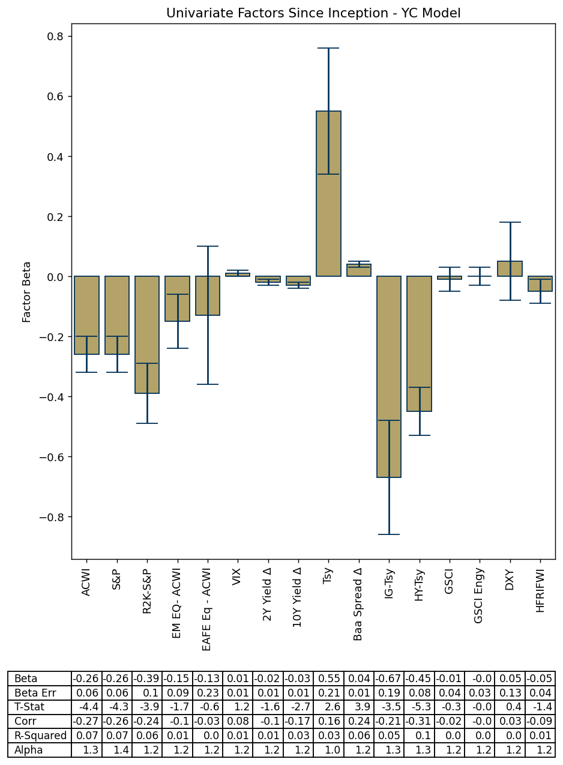

Rolling 12 month Beta (Gold represents rolling error of factor)

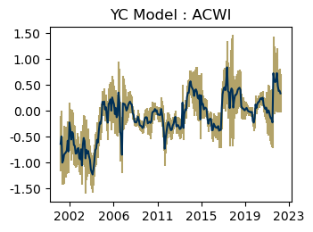
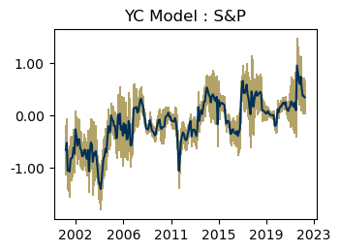

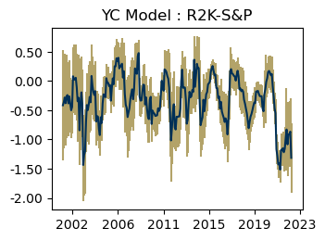
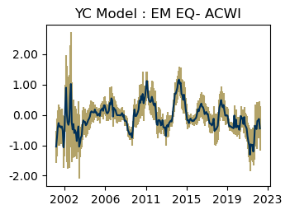

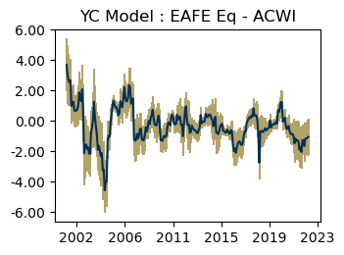
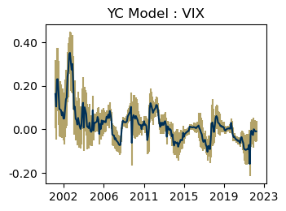

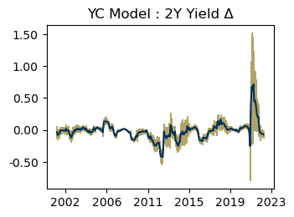
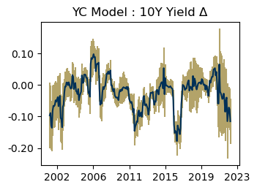

Rolling 12 month Beta (Gold represents rolling error of factor)

