Sheet1
画风标签 | 质量词/画师串 | 反向提示词 | 效果 | 采样器 | 步数 | cfg
类ask | [artist:cogecha], {{artist:ciloranko}}, artist:Rella, [ask (askzy)], mignon, artist: kawacy, artist: minaba hideo, [artist:pigeon666],best quality, amazing quality, very aesthetic, absurdresm,close-up, | lowres, artistic error, film grain, scan artifacts, worst quality, bad quality, jpeg artifacts, very displeasing, chromatic aberration, dithering, halftone, screentone, multiple views, logo, too many watermarks, negative space, blank page, @_@, mismatched pupils, glowing eyes, bad anatomy, {{multiple views}},building,city,blurry, lowres, error, film grain, scan artifacts, worst quality, bad quality, jpeg artifacts, bad quality, very displeasing, chromatic aberration, logo, dated, signature, multiple views, gigantic breasts, nun,pov,{pubic hair},wolf, {animal},{{chibi}},{{doll}},milk,lowres, {bad}, error, fewer, extra, missing, worst quality, jpeg artifacts, bad quality, watermark, unfinished, displeasing, chromatic aberration, signature, extra digits, artistic error, username, scan, [abstract], very displeasing, displeasing, lowres,lowres, bad, text, error, missing, extra, fewer, cropped, jpeg artifacts, worst quality, bad quality, watermark, displeasing, unfinished, chromatic aberration, scan, scan artifacts, photo, deformed, realism, disfigured, lowres, bad anatomy, bad hands, text, error, missing fingers, extra digit, fewer digits, cropped, worst quality, low quality, normal quality, jpeg artifacts, signature, watermark, username,2girls,3girls, | 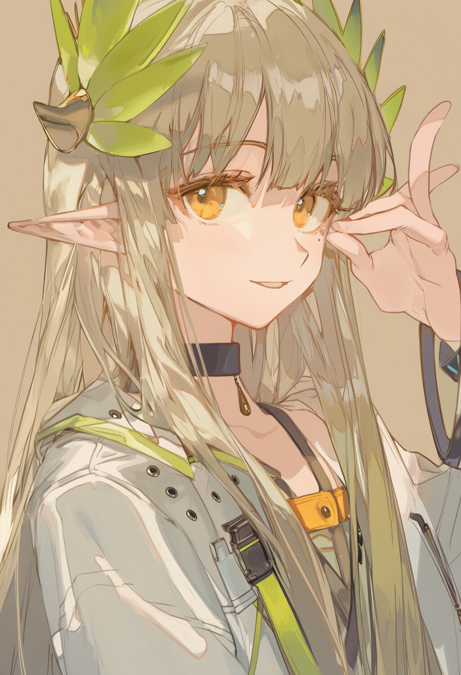 | dpm++2m sde | 24 | 5

灰度厚涂+光影 | shade, , very awa, masterpiece, best quality, newest, highres, absurdres,{{{yoneyama_mai}}},{artist_ciloranko},zhibuji_loom,[[[fuzichoco]]],{{rella,konya_karasue}},{hagimorijia},wlop,, location ,frieren,,::,,__artist__, year 2024,colorful, | nsfw,{{{{bad anatomy}}}},{bad feet},bad hands,{{{bad proportions}}},{blurry},cloned face,cropped,{{{deformed}}},{{{disfigured}}},error,{{{extra arms}}},{extra digit},{{{extra legs}}},extra limbs,{{extra limbs}},{fewer digits},{{{fused fingers}}},gross proportions,ink eyes,ink hair,jpeg artifacts,{{{{long neck}}}},low quality,{malformed limbs},{{missing arms}},{missing fingers},{{missing legs}},{{{more than 2 }}},mutated hands,{{{mutation}}},normal quality,owres,{{poorly drawn face}},{{poorly drawn hands}},reen eyes,signature,text,{{too many fingers}},{{{ugly}}},username,uta,watermark,worst quality,{{{more than 2 legs}}} | 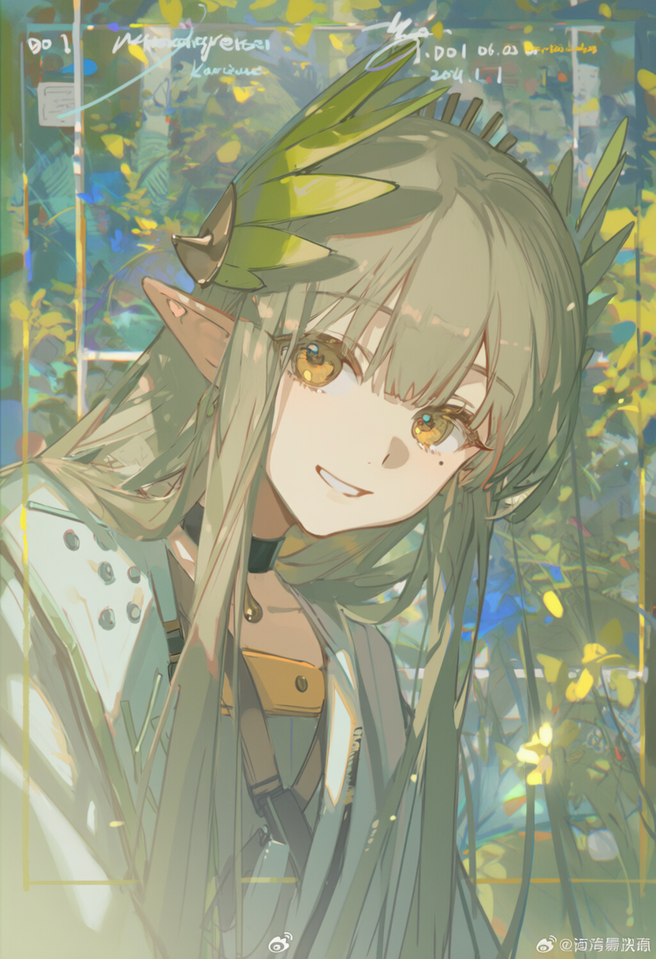 | er | 24 | 5

