Info Cost
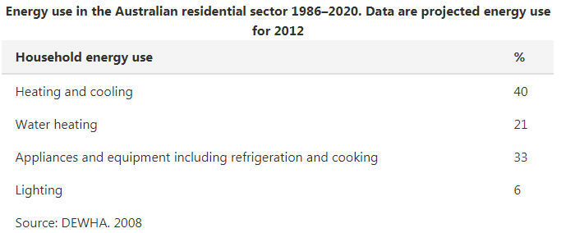
Space Heating | https://www.yourhome.gov.au/energy/heating-and-cooling
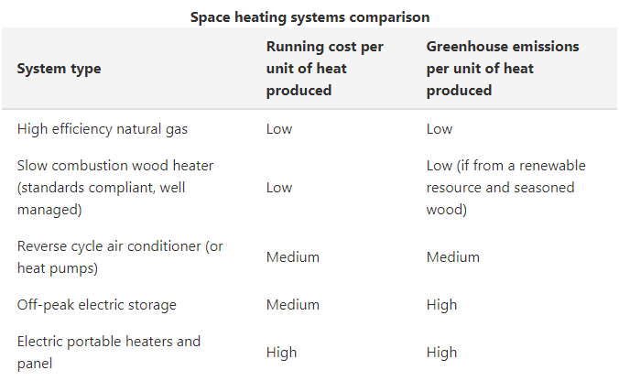

Space Cooling |  |  | Air Conditioner | https://www.choice.com.au/home-and-living/cooling/air-conditioners/buying-guides/air-conditioners
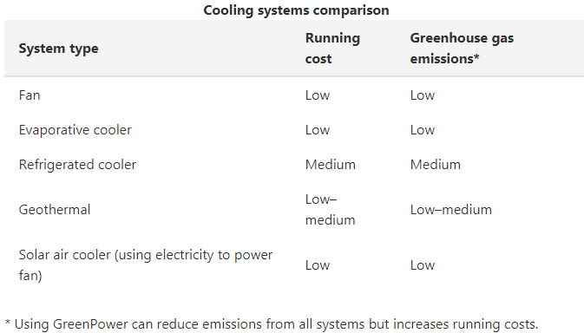

 |  |  | Electric Heater | https://www.choice.com.au/home-and-living/heating/electric-heaters/buying-guides/electric-heaters
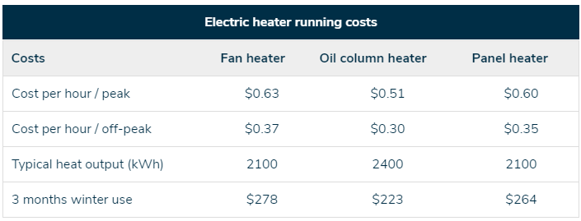

Lighting | https://www.yourhome.gov.au/energy/lighting
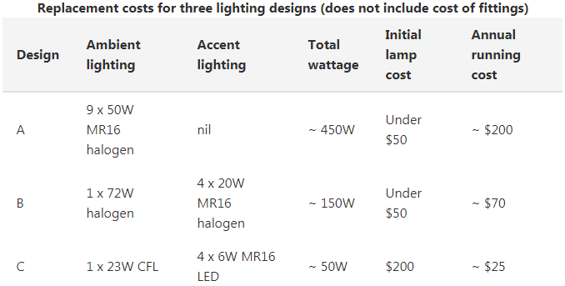

 |  |  | Gas Heater | https://www.choice.com.au/home-and-living/heating/gas-heaters/buying-guides/gas-heaters

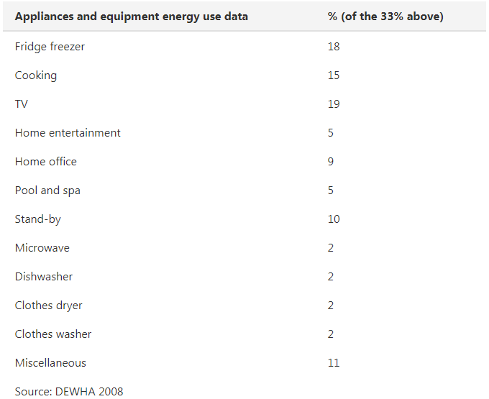
Appliances | https://www.yourhome.gov.au/energy/appliances
 |  |  | Fridge | https://www.choice.com.au/home-and-living/kitchen/fridges/buying-guides/fridges

 |  |  | Solar Hot Water System |  | https://www.choice.com.au/home-improvement/energy-saving/solar/buying-guides/solar-hot-water-systems

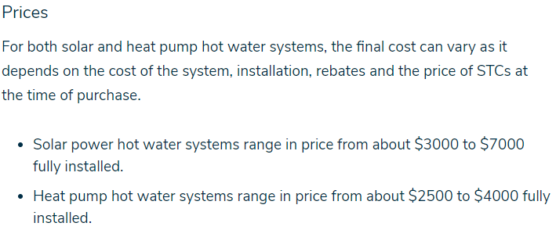

Source: https://www.iea-4e.org/document/387/achievements-of-appliance-energy-efficiency-standards-and-labelling-programs-a-global-assessment-in-2016
 |  |  |  |  |  | Fridge
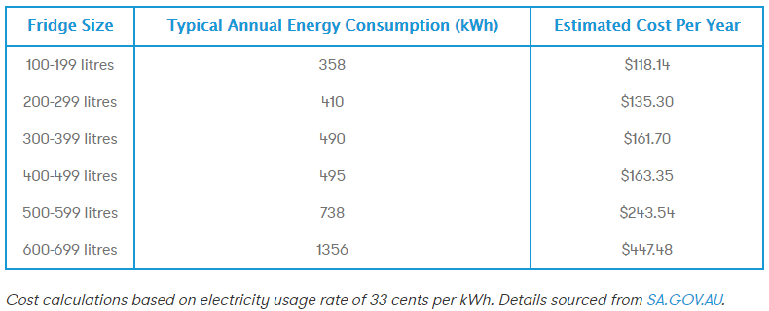
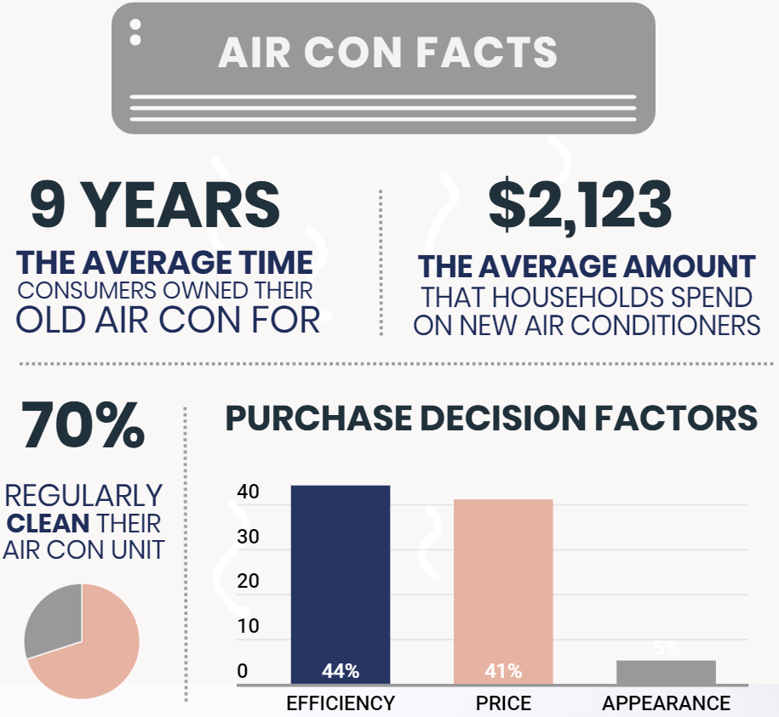
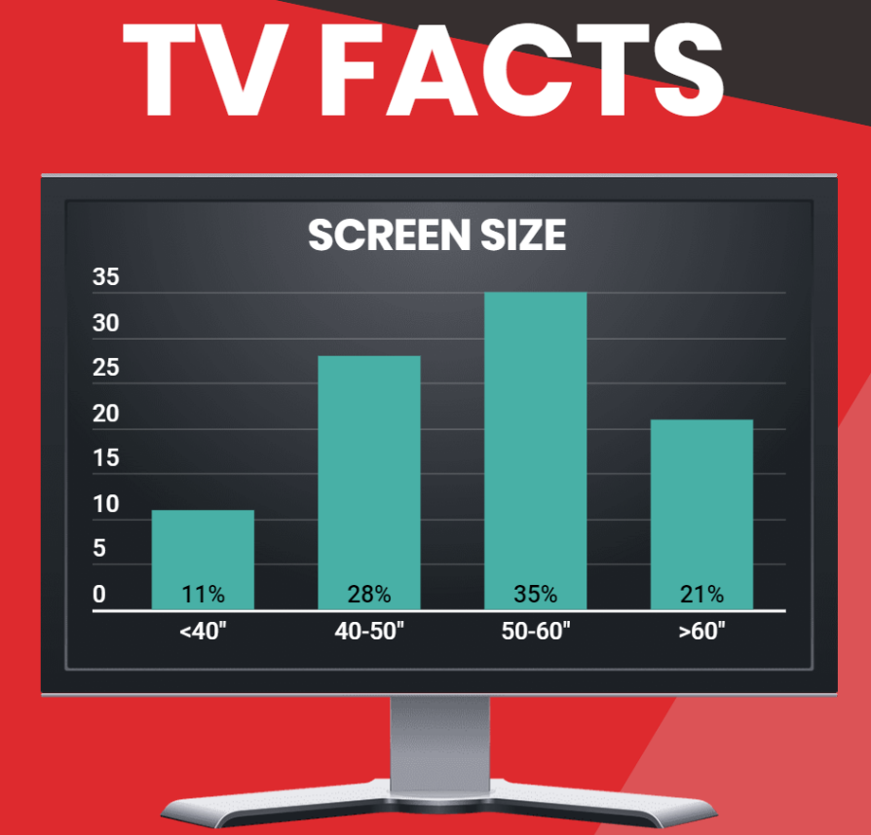

 |  |  |  |  |  | Source: https://www.canstarblue.com.au/appliances/refrigerators/

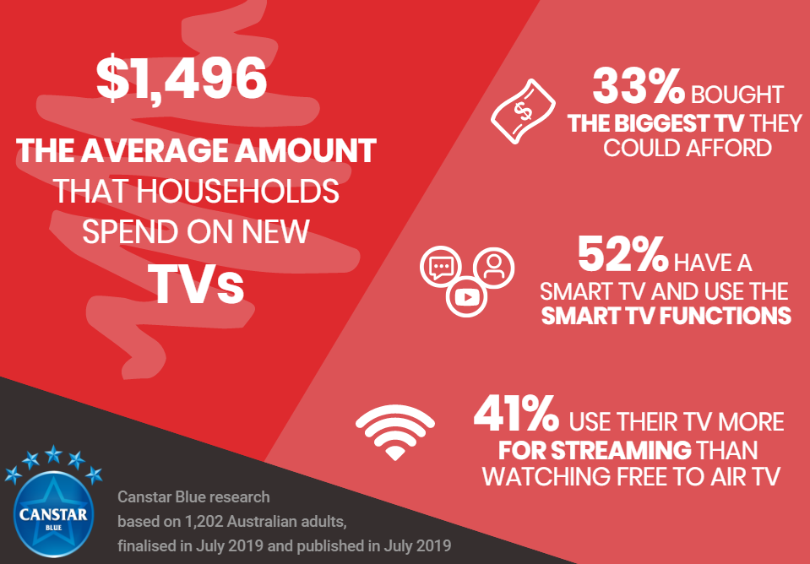

Source: https://www.canstarblue.com.au/appliances/air-conditioners/

Evaporative
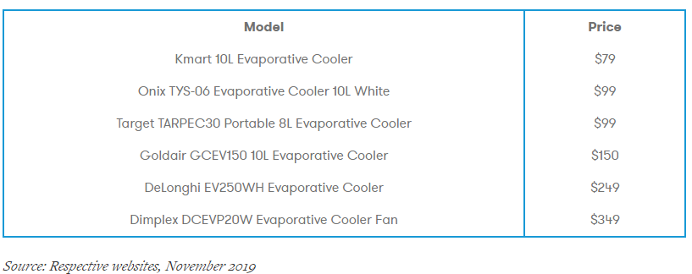

 |  | Source: https://www.canstarblue.com.au/technology/tvs/

 |  |  |  |  |  | Source: https://www.canstarblue.com.au/appliances/clothes-dryers/
Source: https://www.canstarblue.com.au/appliances/evaporative-coolers-guide/

Others
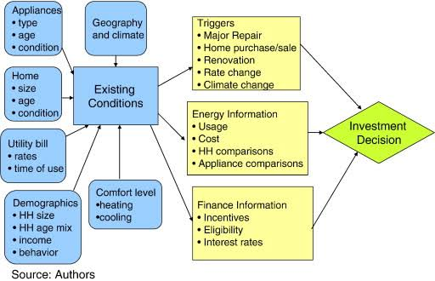

https://www.sciencedirect.com/science/article/pii/S0166046213000677

