Timetable
 | TIME |  |  |  |  |  |  |  | Unlock Free Resources
Date | 8:00-9:30 QA | Mock/Live Session | 9:30-10 Speed Maths | 10:30-12:30 LR/DI | 2:00-3:30 VA/RC | 3:30-4:30 CR | 5:30-7 Revision | 9:00-10 Light | Daily Speed Maths Test | https://student.crackeverytest.com/student/dashboard
2026-04-08 | Percentages & Averages 10 questions |  | Speed Maths Test | Circular 2–4 sets | 1 RC 1 passage (8–10 Qs) | Assumptions 12 Qs | Weak Areas 15 Qs | Vocab Refer sheet by Crack Every Test | Daily Vocabulary Test | https://student.crackeverytest.com/student/dashboard
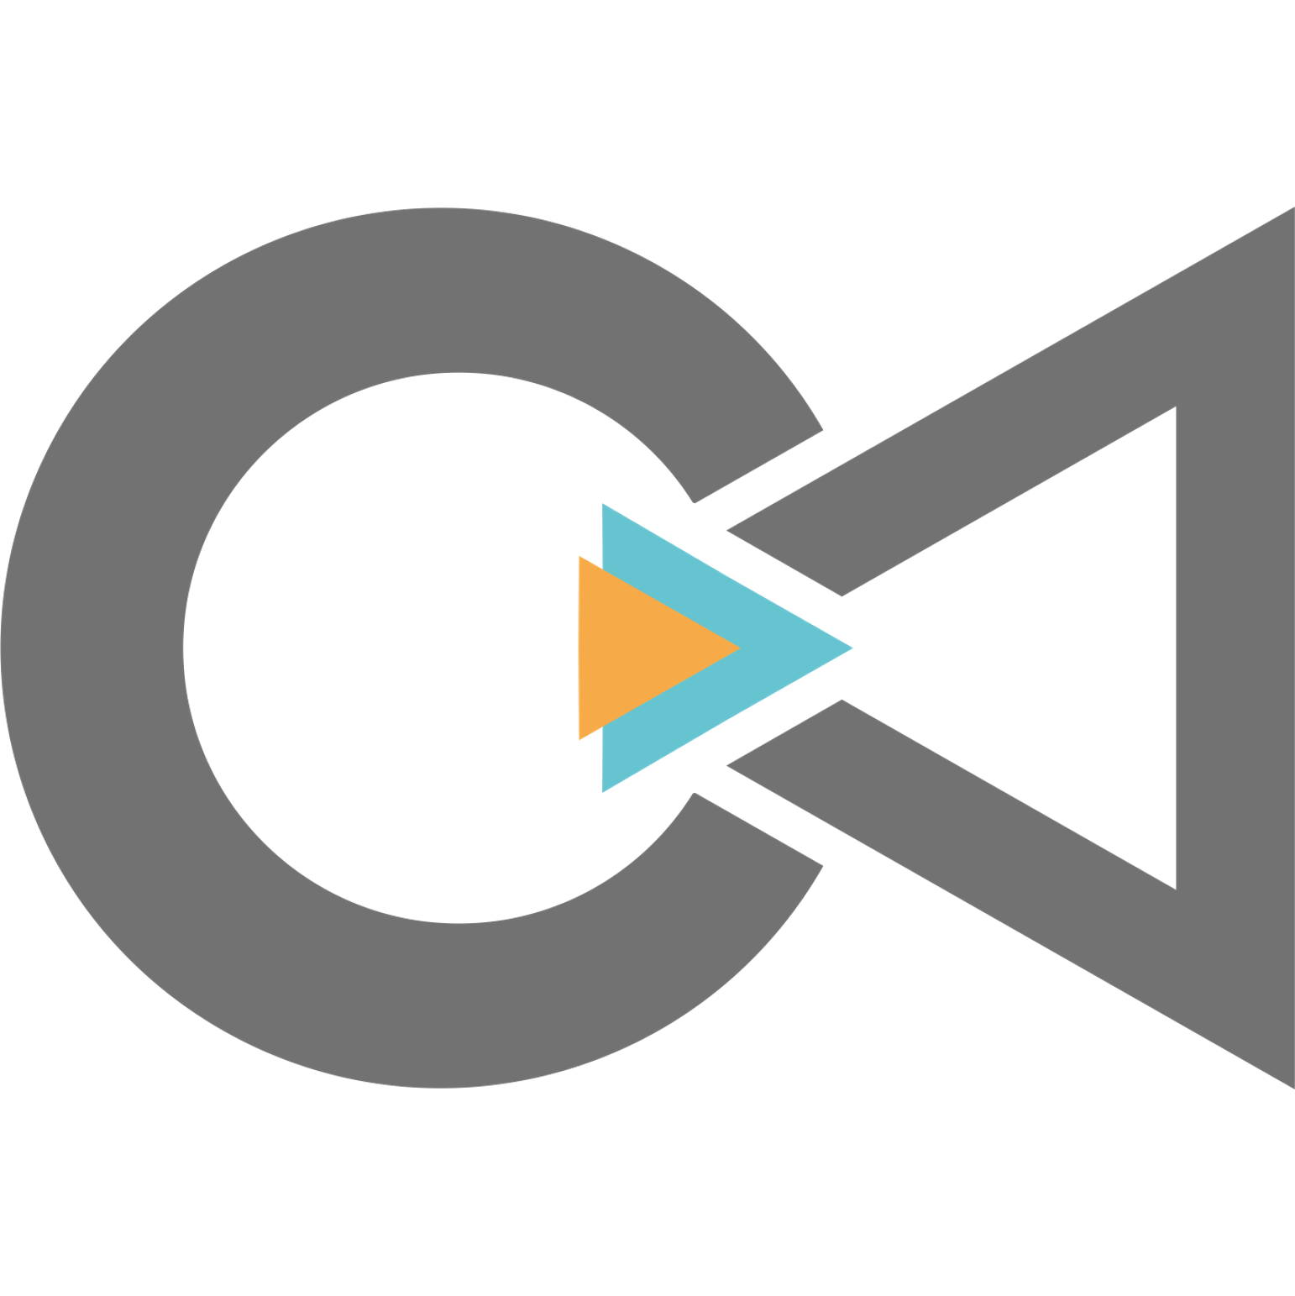
2026-04-09 | Ratio & SI-CI 20 Qs |  | Speed Maths Test | Linear 2 sets | Parajumbles 5 Qs | Conclusions 12 Qs | Formula Revision no solving | Idioms Refer by Crack Every Test | Free MBA CET PYQs | https://student.crackeverytest.com/student/test/
2026-04-10 | Profit & Loss 20 Qs | — | Speed Maths Test | Floor Puzzle 2 sets | Sentence Correction 10 Qs | Cause-Effect 12 Qs | LR Basics 15 Qs | Formulae Revision | Free ProCET Mock Test | https://student.crackeverytest.com/student/test/
2026-04-11 | Mixtures 20 Qs | Success Jam – 1 PM Topic: 👉 “Attempt 1 Analysis: What Went Wrong & How to Recover” | Speed Maths Test | Tabular DI 2 sets | Grammar 15 Qs | CR Mixed 12 Qs | QA Revision 15 Qs | Grammar Rules | Free Advanced Mock Test | https://student.crackeverytest.com/student/test/
2026-04-12 | Time Speed Distance 20 Qs | — | Speed Maths Test | Caselet DI 2 sets | RC+VA Mix 1 RC 5 VA | Assumptions 12 Qs | Mixed Revision 15 Qs | Vocab 20 Questions from Crack Every Test sheet
2026-04-13 | Geometry 20 Qs | — | Speed Maths Test | Mixed DI 3 sets | RC 1 passage | Conclusions 12 Qs | Weak Areas 15 Qs | Idioms 10 idioms from Crack Every Test sheet | Crazy OFFERS!
2026-04-14 | Mensuration 20 Qs | Advanced ProCET 9 – Target 145 | Speed Maths Test | Selection Criteria 2 sets | Parajumbles 5 Qs | Cause-Effect 12 Qs | Formula Revision | Formulae Revision | 15 Full Length Mock Series 10 ProCET Advanced Mock Test 4 PYQs as Mocks 1 ProCET Mock | From Rs.1200 Rs. 750/-
2026-04-15 | Quadratic Eq 20 Qs | — | Speed Maths Test | Input Output 2 sets | Sentence Correction 10 Qs | CR Mixed 12 Qs | LR Basics 15 Qs | Grammar Rules Basics
2026-04-16 | Linear Eq 20 Qs | — | Speed Maths Test | Advanced Circular 2 sets | Grammar 15 Qs | Assumptions 12 Qs | QA Revision 15 Qs | Vocab Refer sheet by Crack Every Test
2026-04-17 | Arithmetic Rev 25 Qs | — | Speed Maths Test | Mixed Puzzles 3 sets | RC+VA Mix 1 RC 5 VA | Conclusions 12 Qs | Mixed Revision 15 Qs | Idioms 10 idioms from Crack Every Test sheet
2026-04-18 | Percentages & Averages 25 Qs | Success Jam – 1 PM Topic: 👉 “Attempt 2 Strategy: How to Improve 10–20 Marks” | Speed Maths Test | Circular 3 sets mixed | RC 2 passages | Cause-Effect 12 Qs | Weak Areas 15 Qs | Formulae Revision
Use Code: CETScoreMax & Get Rs. 2500/- off on CET Score Maximizer Packages
This timetable works best when paired with Score Maximizer Course, Crack Every Test's daily guidance, mock analysis, and elimination strategies.

2026-04-19 | Ratio & SI-CI 20 Qs | — | Speed Maths Test | Linear 2 sets | Parajumbles 10 Qs | CR Mixed 3 sets | Formula Revision | Grammar Rules | Road To JBIMS Batch | From Rs. 7999/- Rs. 4499/-
2026-04-20 | Profit & Loss 25 Qs | — | Speed Maths Test | Floor based puzzles 2 sets | Sentence Correction 10 Qs | Assumptions 12 Qs | LR Basics 15 Qs | VocabRefer sheet by Crack Every Test
2026-04-21 | Mixtures 25 Qs | — | Speed Maths Test | Tabular DI 3 sets | Grammar 20 Qs | Conclusions 12 Qs | QA Revision light revision | Idioms 15 idioms from Crack Every Test sheet
2026-04-22 | Time Speed Distance 20 Qs | — | Speed Maths Test | Caselet DI 3 sets | RC+VA Mix 2 passages 5 VA | Cause-Effect 12 Qs | Mixed Revision | Formulae | Toppers Accelerator Batch | From Rs. 5999/- Rs. 2499/-
2026-04-23 | Geometry 25 Qs | — | Speed Maths Test | Mixed DI 4 sets | RC 2 passages | CR Mixed 12 Qs | Weak Areas 15 Qs | Grammar Rules
2026-04-24 | Mensuration 30 Qs | — | Speed Maths Test | Selection Criteria 3 sets | Parajumbles 10 Qs | Assumptions 15 Qs | Formula Revision | Vocab Refer sheet by Crack Every Test
2026-04-25 | Quadratic Eq 30 Qs | Success Jam – 1 PM Topic: 👉 “Mock Strategy + High-Impact Revision for Attempt 2” | Speed Maths Test | Input Output 2 sets | Sentence Correction 15 Qs | Conclusions 12 Qs | LR Basics 15 Qs | Idioms 15 idioms from Crack Every Test sheet
2026-04-26 | Linear Eq 25 Qs | — | Speed Maths Test | Advanced Circular 3 sets | Grammar 15 Qs | Cause-Effect 12 Qs | QA Revision 20 Qs | Formulae Revision | To Join: +91 79770 41874 Website: www.crackeverytest.com
2026-04-27 | Arithmetic Rev 30 Qs | — | Speed Maths Test | Mixed Puzzles 3 sets | RC+VA Mix 3 passages 5 VA | CR Mixed 15 Qs | Mixed Revision 20 Qs each | Grammar Rules
2026-04-28 | Percentages & Averages 10 percentages 10 averages | — | Speed Maths Test | Circular 2 sets | RC 2 passages | Assumptions 15 Qs | Weak Areas 15 Qs | Vocab Refer sheet by Crack Every Test

2026-04-29 | Ratio & SI-CI 15 Qs each | — | Speed Maths Test | Linear 2 sets | Parajumbles 15 Qs | Conclusions 15 Qs | Formula Revision | Idioms 15 idioms from Crack Every Test sheet
2026-04-30 | Profit & Loss 15 Qs | — | Speed Maths Test | Floor 2 sets | Sentence Correction 15 Qs | Cause-Effect 15 Qs | LR Basics 15 Qs | Formulae
Use Code: CETScoreMax & Get Rs. 2500/- off on CET Score Maximizer Packages
This timetable works best when paired with Score Maximizer Course, Crack Every Test's daily guidance, mock analysis, and elimination strategies.

2026-05-01 | Mixtures 25 Qs | — | Speed Maths Test | Tabular DI 2 sets | Grammar 15 Qs | CR Mixed 15 Qs | QA Revision 20 Qs | Grammar Rules
2026-05-02 | Time Speed Distance 20 Qs | Success Jam – 1 PM Topic: 👉 “Final Push: Attempt 2 Strategy, Accuracy Fix & Mental Game | Speed Maths Test | Caselet DI 2 sets | RC+VA Mix 2 passages 5 VA | Assumptions 12 Qs | Mixed Revision 15 Qs | Vocab Refer sheet by Crack Every Test
2026-05-03 | Geometry 15 Qs | — | Speed Maths Test | Mixed DI 3 sets | RC 2 passages | Conclusions 12 Qs | Weak Areas 20 Qs | Idioms 15 idioms from Crack Every Test sheet
2026-05-04 | Mensuration 20 Qs | — | Speed Maths Test | Selection Criteria 12 Qs | Parajumbles 5 Qs | Cause-Effect 12 Qs | Formula Revision | Formulae
2026-05-05 | Quadratic Eq 20 Qs | Advanced ProCET 10 – Target 150 | Speed Maths Test | Input Output 2 sets | Sentence Correction 15 Qs | CR Mixed 12 Qs | LR Basics 20 Qs | Grammar Rules
2026-05-06 | Linear Eq 30 Qs | — | Speed Maths Test | Advanced Circular 2 sets | Grammar 20 Qs | Assumptions 10 Qs | QA Revision light revision | Vocab Refer sheet by Crack Every Test
2026-05-07 | Arithmetic Rev 20 Qs | Success Jam - 1 PM Topic: 👉 “How to Maximise Score in My Final CET Attempt" | Speed Maths Test | Mixed Puzzles | RC+VA Mix | Conclusions | Mixed Revision | Idioms 15 idioms from Crack Every Test sheet
2026-05-08 | Percentages, Ratio light questions | — | Speed Maths Test | 2 easy–moderate sets | 1 RC 5 Parajumbles 5 Sentence correction | LAST MOCK | Light Revision Grammar Rules | -
2026-05-09 | EXAM DAY

Mock Tracking Dashboard
P.S. Only Edit the Star Marked Fields |  | QA |  |  |  | LR |  |  |  | VA |  |  |  | Abstract |  |  |  | Total Score | Overall MPM | Remarks

Date | Mock Name | Attempts | Score | Time | MPM | Attempts | Score | Time | MPM | Attempts | Score | Time | MPM | Attempts | Score | Time | MPM
 | Crack Every Test ProCET Advanced 1 | 42 | 34 | 38 | 0.89473684211 | 58 | 50 | 52 | 0.96153846154 | 46 | 37 | 30 | 1.2333333333 | 22 | 20 | 14 | 1.4285714286 | 141 | 1.052238806
 | Crack Every Test ProCET Advanced 2 | 45 | 36 | 40 | 0.9 | 62 | 54 | 55 | 0.98181818182 | 48 | 39 | 32 | 1.21875 | 24 | 21 | 15 | 1.4 | 150 | 1.0563380282
 | Crack Every Test ProCET Advanced 3 | 38 | 31 | 36 | 0.86111111111 | 55 | 47 | 50 | 0.94 | 43 | 35 | 29 | 1.2068965517 | 20 | 18 | 13 | 1.3846153846 | 131 | 1.0234375
 | Crack Every Test ProCET Advanced 4 | 47 | 39 | 42 | 0.92857142857 | 65 | 57 | 58 | 0.98275862069 | 50 | 41 | 33 | 1.2424242424 | 26 | 23 | 16 | 1.4375 | 160 | 1.0738255034
 | Crack Every Test ProCET Advanced 5 |  |  |  |  |  |  |  |  |  |  |  |  |  |  |  |  | 0
 | Crack Every Test ProCET Advanced 6 |  |  |  |  |  |  |  |  |  |  |  |  |  |  |  |  | 0
 | Crack Every Test ProCET Advanced 7 |  |  |  |  |  |  |  |  |  |  |  |  |  |  |  |  | 0
 | Crack Every Test ProCET Advanced 8 |  |  |  |  |  |  |  |  |  |  |  |  |  |  |  |  | 0
 | Crack Every Test ProCET Advanced 9 |  |  |  |  |  |  |  |  |  |  |  |  |  |  |  |  | 0
 | Crack Every Test ProCET Advanced 10 |  |  |  |  |  |  |  |  |  |  |  |  |  |  |  |  | 0
 | CET 2025 PYQ 1 |  |  |  |  |  |  |  |  |  |  |  |  |  |  |  |  | 0
 | CET 2025 PYQ 2 |  |  |  |  |  |  |  |  |  |  |  |  |  |  |  |  | 0
 | CET 2024 PYQ 1 |  |  |  |  |  |  |  |  |  |  |  |  |  |  |  |  | 0
 | CET 2024 PYQ 2 |  |  |  |  |  |  |  |  |  |  |  |  |  |  |  |  | 0
 | Crack Every Test ProCET 1 |  |  |  |  |  |  |  |  |  |  |  |  |  |  |  |  | 0


 |  |  | Crazy OFFERS! |  |  |  |  |  |  |  |  | To Join: +91 79770 41874 Website: www.crackeverytest.com
 |  |  | 15 Full Length Mock Series 10 ProCET Advanced Mock Test 4 PYQs as Mocks 1 ProCET Mock |  |  |  |  | From Rs.1200 Rs. 750/-

 |  |  | Road To JBIMS Batch |  |  |  |  | From Rs. 7999/- Rs. 4499/-

 |  |  | Toppers Accelerator Batch |  |  |  |  | From Rs. 5999/- Rs. 2499/-

