Sheet1
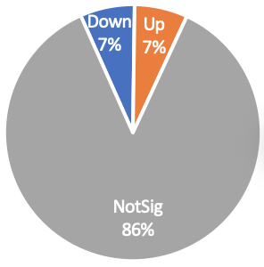
 | ps1isoVSps1 | ps1VSwt | wtisoVSps1 | ps1isoVSwt | ps1isoVSwtiso | wtisoVSwt
Down | 1078 | 5758 | 5924 | 5766 | 5687 | 319
Up | 1047 | 5939 | 5732 | 5973 | 5935 | 242
NotSig | 13533 | 3961 | 4002 | 3919 | 4036 | 15097

 |  | Clcn7 | Ostm1
 | - | 0.31559793535 | 0.16341207943
 | + | 0.042911702346 | 0.098955847083

