Data
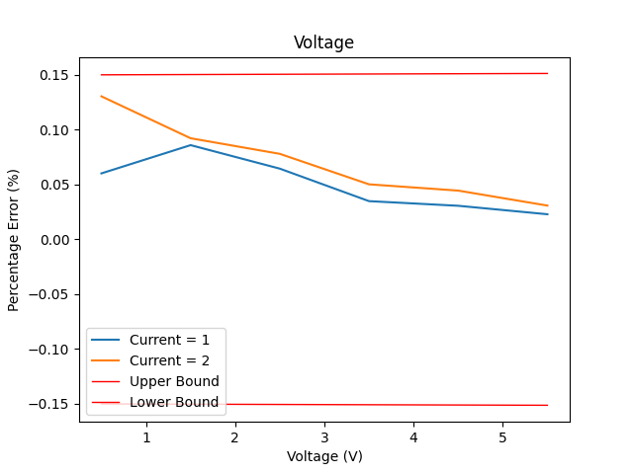
Instruments Used: | SCPI Version |  |  |  |  | Name | Gain | Offset
Keysight Technologies,N6701C,MY56000223,E.02.07.3231 | 1995 |  |  |  | 0 | Voltage | 0.00025 | 0.0015
Keysight Technologies,E36731A,MY62100050,K-01.00.93-01.00-01.00-01.00-2021010101 | 1999
Keysight Technologies,EDU34450A,CN60440004,K-00.00.93-00.07-00.19-00.26-2020110901 | 1997

 | Time Generated: | 2023-07-06 16:13:06
 | Voltage Set | Unnamed: 0 | Current Set | Voltage Measured | Current Measured | Voltage Absolute Error | Voltage Percentage Error (%) | Current Absolute Error | Current Percentage Error(%) | Upper Error Boundary | Lower Error Boundary | Condition ?
 | 0.5 | 0 | 1 | 0.499698929 | 1 | 0.000301071 | 0.0602142 | 0 | 0 | 0.150125 | -0.150125 | FALSE
 | 1.5 | 1 | 1 | 1.49871027 | 1 | 0.00128973 | 0.085982 | 0 | 0 | 0.150375 | -0.150375 | FALSE
 | 2.5 | 2 | 1 | 2.49838673 | 1 | 0.00161327 | 0.0645308 | 0 | 0 | 0.150625 | -0.150625 | FALSE
 | 3.5 | 3 | 1 | 3.49877894 | 1 | 0.00122106 | 0.034887428571 | 0 | 0 | 0.150875 | -0.150875 | FALSE
 | 4.5 | 4 | 1 | 4.4986207 | 1 | 0.0013793 | 0.030651111111 | 0 | 0 | 0.151125 | -0.151125 | FALSE
 | 5.5 | 5 | 1 | 5.49873932 | 1 | 0.00126068 | 0.022921454545 | 0 | 0 | 0.151375 | -0.151375 | FALSE
 | 0.5 | 6 | 2 | 0.499347486 | 2 | 0.000652514 | 0.1305028 | 0 | 0 | 0.150125 | -0.150125 | FALSE
 | 1.5 | 7 | 2 | 1.49861593 | 2 | 0.00138407 | 0.092271333333 | 0 | 0 | 0.150375 | -0.150375 | FALSE
 | 2.5 | 8 | 2 | 2.498049 | 2 | 0.001951 | 0.07804 | 0 | 0 | 0.150625 | -0.150625 | FALSE
 | 3.5 | 9 | 2 | 3.498242 | 2 | 0.001758 | 0.050228571429 | 0 | 0 | 0.150875 | -0.150875 | FALSE
 | 4.5 | 10 | 2 | 4.49799744 | 2 | 0.00200256 | 0.044501333333 | 0 | 0 | 0.151125 | -0.151125 | FALSE
 | 5.5 | 11 | 2 | 5.49830401 | 2 | 0.00169599 | 0.030836181818 | 0 | 0 | 0.151375 | -0.151375 | FALSE

