Data
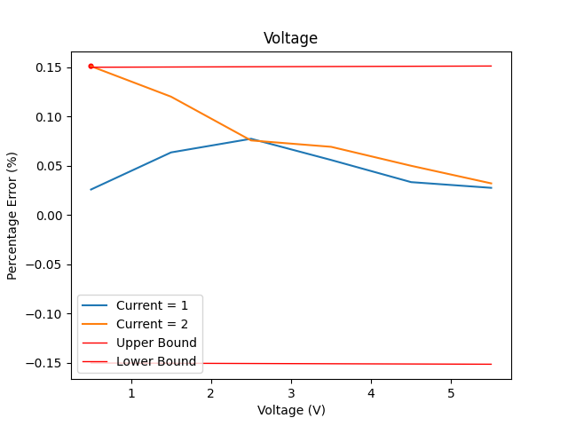
Instruments Used: | SCPI Version |  |  |  | Name | Gain | Offset
Keysight Technologies,N6701C,MY56000223,E.02.07.3231 | 1995 |  |  |  | Voltage | 0.00025 | 0.0015
Keysight Technologies,E36731A,MY62100050,K-01.00.93-01.00-01.00-01.00-2021010101 | 1999
Keysight Technologies,EDU34450A,CN60440004,K-00.00.93-00.07-00.19-00.26-2020110901 | 1997

 | Time Generated: | 2023-07-07 08:58:55
 | Voltage Set | Unnamed: 0 | Current Set | Voltage Measured | Current Measured | Voltage Absolute Error | Voltage Percentage Error (%) | Current Absolute Error | Current Percentage Error(%) | Upper Error Boundary | Lower Error Boundary | Condition ?
 | 0.5 | 0 | 1 | 0.499869907 | 1 | 0.000130093 | 0.0260186 | 0 | 0 | 0.150125 | -0.150125 | FALSE
 | 1.5 | 1 | 1 | 1.49904498 | 1 | 0.00095502 | 0.063668 | 0 | 0 | 0.150375 | -0.150375 | FALSE
 | 2.5 | 2 | 1 | 2.49806191 | 1 | 0.00193809 | 0.0775236 | 0 | 0 | 0.150625 | -0.150625 | FALSE
 | 3.5 | 3 | 1 | 3.49804021 | 1 | 0.00195979 | 0.055994 | 0 | 0 | 0.150875 | -0.150875 | FALSE
 | 4.5 | 4 | 1 | 4.49849235 | 1 | 0.00150765 | 0.033503333333 | 0 | 0 | 0.151125 | -0.151125 | FALSE
 | 5.5 | 5 | 1 | 5.49847591 | 1 | 0.00152409 | 0.027710727273 | 0 | 0 | 0.151375 | -0.151375 | FALSE
 | 0.5 | 6 | 2 | 0.499244162 | 2 | 0.000755838 | 0.1511676 | 0 | 0 | 0.150125 | -0.150125 | TRUE
 | 1.5 | 7 | 2 | 1.49819604 | 2 | 0.00180396 | 0.120264 | 0 | 0 | 0.150375 | -0.150375 | FALSE
 | 2.5 | 8 | 2 | 2.49810439 | 2 | 0.00189561 | 0.0758244 | 0 | 0 | 0.150625 | -0.150625 | FALSE
 | 3.5 | 9 | 2 | 3.49757251 | 2 | 0.00242749 | 0.069356857143 | 0 | 0 | 0.150875 | -0.150875 | FALSE
 | 4.5 | 10 | 2 | 4.4977456 | 2 | 0.0022544 | 0.050097777778 | 0 | 0 | 0.151125 | -0.151125 | FALSE
 | 5.5 | 11 | 2 | 5.4982261 | 2 | 0.0017739 | 0.032252727273 | 0 | 0 | 0.151375 | -0.151375 | FALSE

