maven
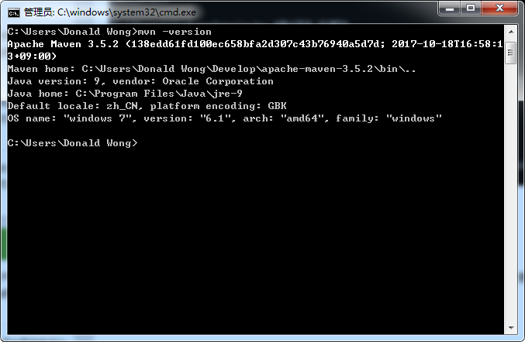
1 | Download maven. Zip will be good.
 | (apache-maven-3.5.2)

2 | Unzip maven to a proper path.

3 | Need to add environment viarables.
 | Add:
 |  | MAVEN_HOME | maven directroy
 | Edit:
 |  | Path | ;%MAVEN_HOME%\bin

4 | Try the command below to see whether your settings are good.
 |  | mvn --version

 | Things like below will be outputed.

