装备升级|wapenUp
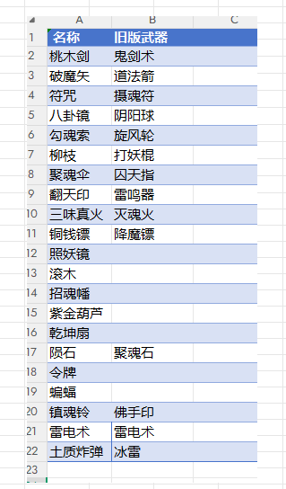
序号 | 装备大类ID | 备注 | 基础攻击 | 升级成长 | 对应碎片ID | 装备消耗ID | 碎片倍率 | 元宝倍率 | 技能配置
int | int |  | double | double | int | int | double | double | int[]
id | wapenTable |  | baseAtk | growthAtk | item | wapenCostId | cost1 | cost2 | equipSkillEx
server/client | server/client |  | server/client | server/client | server/client | server/client | server/client | server/client | server/client
1 | 1 | 道法箭 | 6 | 3 | 147 | 1 | 1 | 1 | 100101,100102,100103,100104,100105,100106
2 | 2 | 鬼剑术 | 10 | 5 | 148 | 2 | 1.1 | 1.1 | 100201,100202,100203,100204,100205,100206
3 | 3 | 降魔镖 | 12 | 6 | 149 | 3 | 1.2 | 1.2 | 100301,100302,100303,100304,100305,100306
4 | 4 | 摄魂符 | 22 | 11 | 150 | 4 | 1.6 | 1.6 | 100401,100402,100403,100404,100405,100406
5 | 5 | 打妖棍 | 12 | 6 | 151 | 5 | 1.45 | 1.45 | 100501,100502,100503,100504,100505,100506
6 | 6 | 旋风轮 | 16 | 8 | 152 | 6 | 1.8 | 1.8 | 100601,100602,100603,100604,100605,100606
7 | 7 | 灭魂火 | 30 | 15 | 153 | 7 | 1.7 | 1.7 | 100701,100702,100703,100704,100705,100706
8 | 8 | 囚天指 | 15 | 7.5 | 154 | 8 | 2.15 | 2.15 | 100801,100802,100803,100804,100805,100806
9 | 20 | 雷鸣器 | 13 | 6.5 | 155 | 20 | 1.3 | 1.3 | 102001,102002,102003,102004,102005,102006
10 | 21 | 阴阳球 | 14 | 7 | 156 | 21 | 1.4 | 1.4 | 102101,102102,102103,102104,102105,102106
11 | 22 | 补天石 | 60 | 30 | 157 | 22 | 1.5 | 1.5 | 102201,102202,102203,102204,102205,102206
12 | 23 | 冰魄珠 | 38 | 19 | 158 | 23 | 1.9 | 1.9 | 102301,102302,102303,102304,102305,102306
13 | 24 | 八卦掌 | 20 | 10 | 159 | 24 | 1.85 | 1.85 | 102401,102402,102403,102404,102405,102406
14 | 25 | 纸鹤 | 39 | 19.5 | 160 | 25 | 1.95 | 1.95 | 102501,102502,102503,102504,102505,102506
15 | 26 | 乾坤镜 | 61.5 | 30.75 | 161 | 26 | 2.05 | 2.05 | 102601,102602,102603,102604,102605,102606
16 | 27 | 焚天功 | 92 | 46 | 162 | 27 | 2.3 | 2.3 | 102701,102702,102703,102704,102705,102706
17 | 28 | 混沌青莲 | 96 | 48 | 163 | 28 | 2.4 | 2.4 | 102801,102802,102803,102804,102805,102806
18 | 29 | 雷电术 | 20 | 10 | 207 | 29 | 1.23 | 1.23 | 102901,102902,102903,102904,102905,102906

