Sheet1
State* | Electronic Energy | Electronic Energy | < Usage >
 | (Hartree) | (eV) | (1) Input the electronic energies of 4 states (see inserted figure) in Hartree;
1 | -385.906905 | -10501.067155 | (2) Input effective transfer integral Jeff in eV;
2 | -385.902586 | -10500.949629 | (3) Input the temperature in K;
3 | -385.897342 | -10500.806932 | (4) Read the results from λ and ket!
4 | -385.893038 | -10500.689814 | By Dr. Zhe Wang @ Kyoto Univ., 2023-09-29.

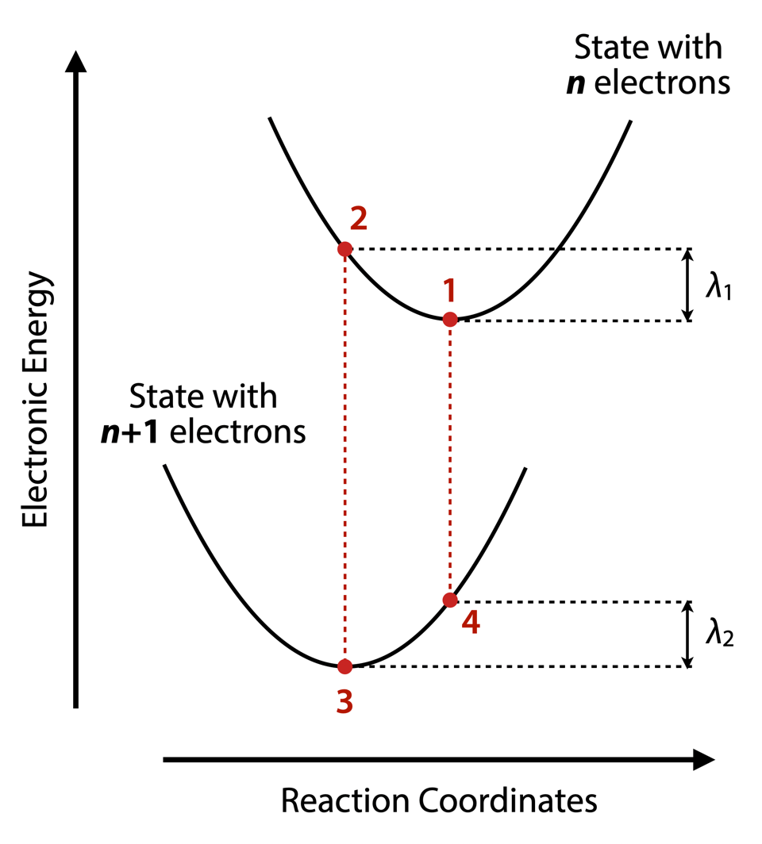
Jeff (eV) | 0.0368193
T (K) | 300

↓↓↓Result↓↓↓
λ1 (eV) | 0.1175
λ2 (eV) | 0.1171
λ (eV) | 0.2346
ket (s–1) | 4.8467E+12

Constant
π | 3.14159265
ħ | 6.5821E-16 | eV s
kB | 8.6173E-05 | eV K–1

