Summary
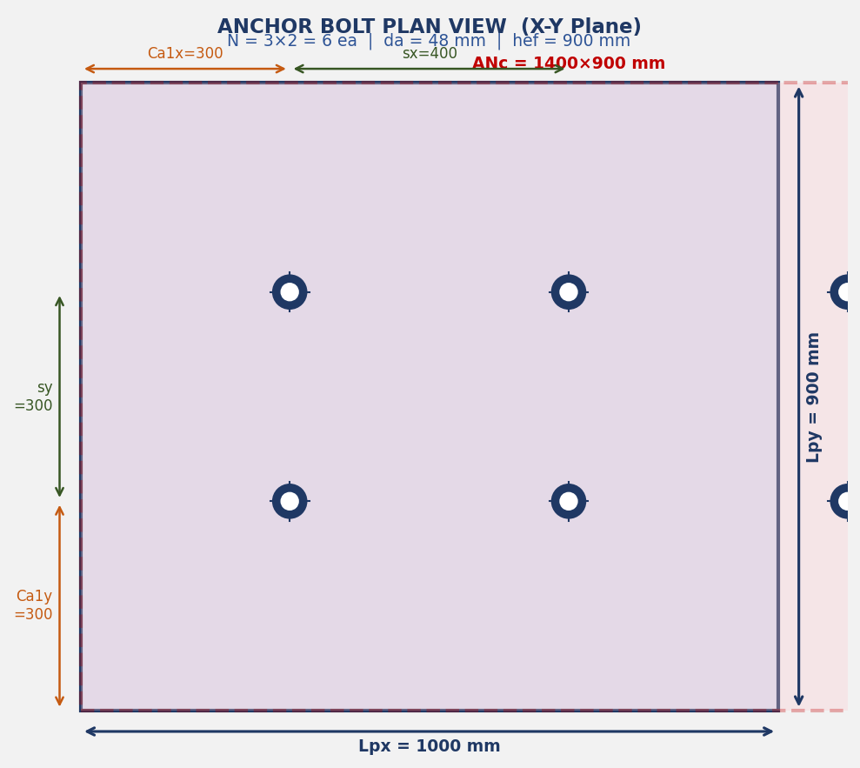
DL E&C 지반구조설계팀 | SHAHEEN-2300-CI-CA-0035 | Item: H-23010101 | By: 원성연 | 2026-08-06 | Rev. A
ANCHOR BOLT STRUCTURAL DESIGN — ACI 318-19 Chapter 17 | Octagonal Pedestal v3.5
Code: ACI 318-19 Chapter 17 | Anchor Type: Cast-in Headed Bolt | N=16ea Circular

Job No. |  | 190076 |  | Item
Project |  | SHAHEEN |  | 작성자
Document |  | SHAHEEN-2300-CI-CA-0035 |  | 날짜
Rev. |  | A |  | Code

3D Model View — Isometric View | Octagonal Pedestal | N=16ea Circular | BCD=2030mm | D=2300mm

RESULT SUMMARY / 결과 요약
No. | Failure Mode | Symbol | Capacity (kN) | Demand (kN) | Ratio | Status
T-1 | Steel Failure in Tension | φNsa | 17684.201 | 80.61 | 0.5% | ✔ O.K
T-2 | Concrete Breakout (Tension) | φNcbg | 656.688 | 483.64 | 73.6% | ✔ O.K
T-3 | Pullout Failure | φNpn | 35763.441 | 80.61 | 0.2% | ✔ O.K
T-4 | Side-face Blowout | φNsb | 4704.127 | 483.64 | 10.3% | ✔ O.K
V-1 | Steel Failure in Shear | φVsa | 11352.821 | 6.29 | 0.1% | ✔ O.K
V-2 | Concrete Breakout (Shear) | φVcbg | 361.526 | 100.64 | 27.8% | ✔ O.K
V-3 | Concrete Pryout | φVcpg | 1751.169 | 100.64 | 5.7% | ✔ O.K
C | Combined T+V (IR) | IR | 1.2 | 0.401 | 33.4% | ✔ O.K

종합 판정: 전 항목 만족 ─ O.K !

Fig. 1 Anchor Bolt Plan View — Octagonal Pedestal | N=16ea Circular | Ca1=(D-BCD)/2

3D Model View — Isometric | N=16ea Circular | BCD=2030 D=2300 Ha=4000mm
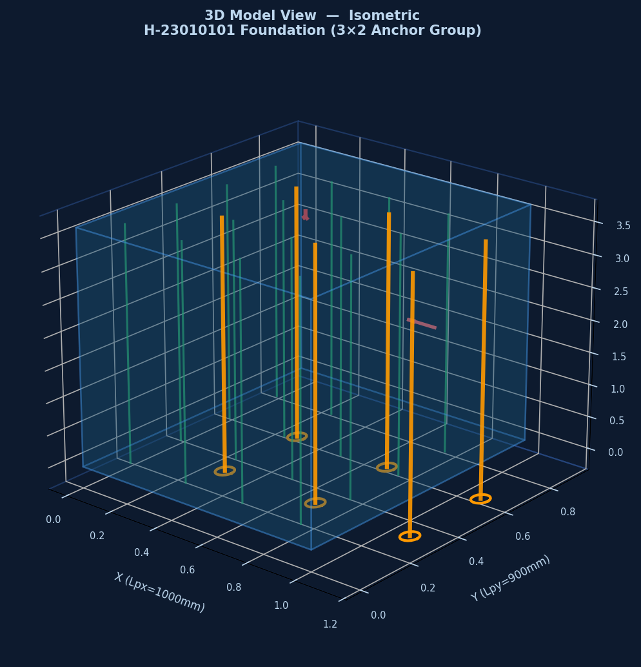

Fig. 1 Anchor Bolt Plan View | N=16ea | Ca1=(D-BCD)/2=135mm

Failure_Modes
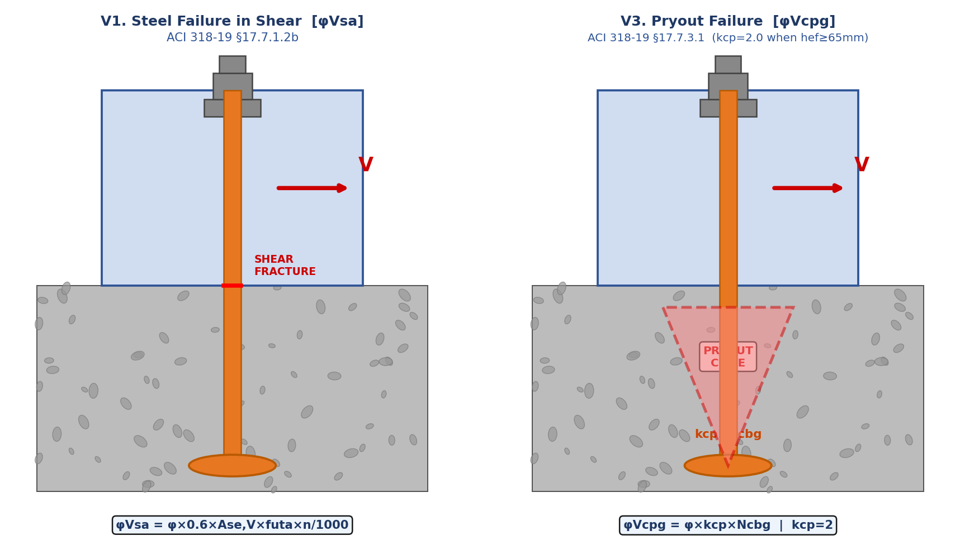
DL E&C 지반구조설계팀 | SHAHEEN-2300-CI-CA-0035 | Item: H-23010101 | By: 원성연 | 2026-08-06 | Rev. A
FAILURE MODES — ACI 318-19 §17.6 (Tension) + §17.7 (Shear)
Code: ACI 318-19 Chapter 17 | Anchor Type: Cast-in Headed Bolt | N=16ea Circular

TENSION FAILURE MODES (T1~T4) — ACI 318-19 §17.6

SHEAR FAILURE MODES (V1~V3) — ACI 318-19 §17.7

TENSION FAILURE MODES T1~T4 — ACI 318-19 §17.6
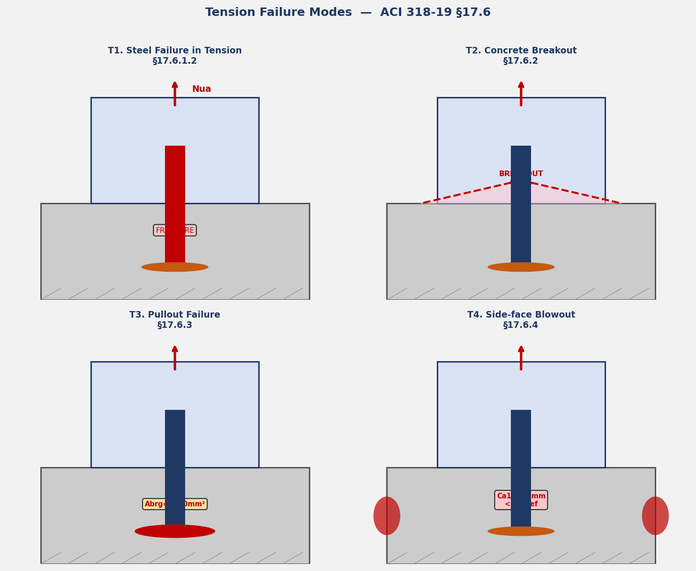

SHEAR FAILURE MODES V1~V3 — ACI 318-19 §17.7

T2_Breakout
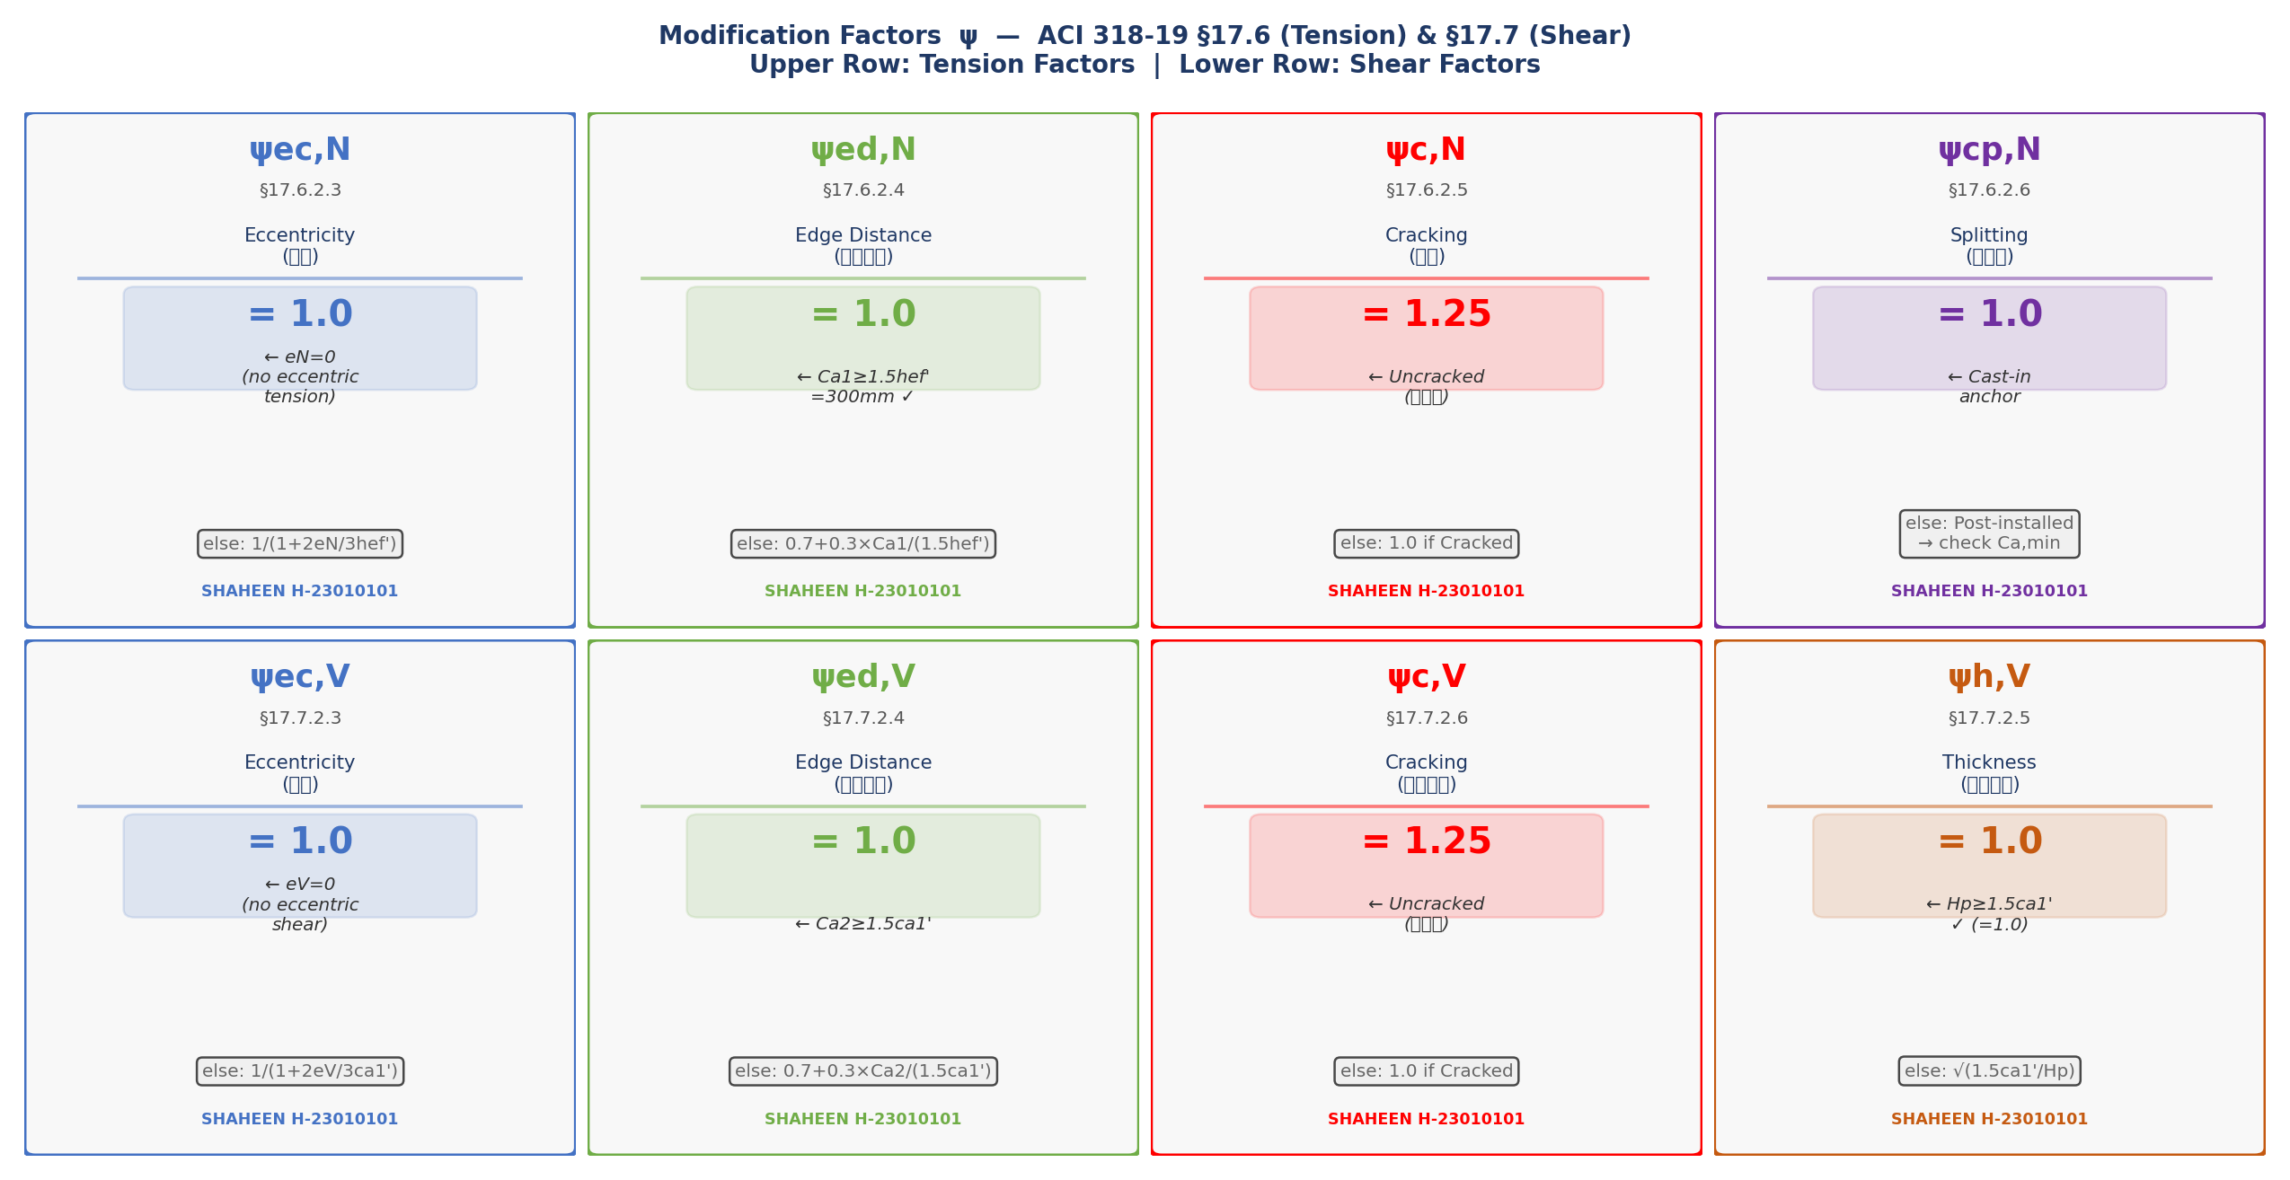
DL E&C 지반구조설계팀 | SHAHEEN-2300-CI-CA-0035 | Item: H-23010101 | By: 원성연 | 2026-08-06 | Rev. A
T2. CONCRETE BREAKOUT IN TENSION [φNcbg] — ACI 318-19 §17.6.2
Code: ACI 318-19 Chapter 17 | Anchor Type: Cast-in Headed Bolt | N=16ea Circular

NOTE: Octagonal pedestal → ANc computed as ANNULAR area (환형 투영면적) per ACI §17.6.2.1.2

T2.1 Projected Area ANc — Annular Formula (§17.6.2.1.2)
No. | Symbol | Item / Description | Formula / Calculation | Value | Unit | Code Reference
1 | hef' | Modified hef' = max(Ca1/1.5, s/3) = max(90.0,132.9) | max(90.0,132.9) | 132.86 | mm | §17.6.2.1.2
2 | ANco | Basic projected area = 9×hef'² = 9×132.86² | 9×132.86² | 158874 | mm² | §17.6.2.1.4
3 | r_bolt | Bolt circle radius = BCD/2 = 2030/2 | 2030/2 | 1015 | mm
4 | r_out | Outer radius = r_bolt + min(Ca1, 1.5hef') = 1015.0 + min(135.0,199.3) | 1015.0+min(135.0,199.3) | 1150 | mm | §17.6.2.1.2
5 | r_in | Inner radius = max(0, r_bolt − 1.5hef') = max(0, 1015.0 − 199.3) | max(0,1015.0-199.3) | 815.7 | mm | §17.6.2.1.2
6 | ANc | Annular projected area = π(r_out² − r_in²) = π(1150.0² − 815.7²) → min(calc, N×ANco) | π(1150.0²-815.7²) | 2064419 | mm² | §17.6.2.1.2
7 | ANc/ANco | Area ratio = 2064419/158874 | 2064419/158874 | 12.994 | —

T2.2 Basic Breakout Strength Nb (§17.6.2.2.1)
No. | Symbol | Item / Description | Formula / Calculation | Value | Unit | Code Reference
8 | kc | Anchor type factor (cast-in = 10) | = 10 | 10 | — | §17.6.2.2.2
9 | Nb | kc×λ×√f'c×hef'^1.5/1000 = 10×1.0×√27×132.86^1.5/1000 | 10×1.0×√27×132.86^1.5/1000 | 79.577 | kN | §17.6.2.2.1

T2.3 Modification Factors ψ
No. | Symbol | Item / Description | Formula / Calculation | Value | Unit | Code Reference
10 | ψec,N | Eccentricity factor (eN=0) | = 1.0 | 1 | — | §17.6.2.3
11 | ψed,N | Ca1(135.0) vs 1.5hef'(199.3) → < | 0.7+0.3×135.0/199.3 | 0.9032 | — | §17.6.2.4
12 | ψc,N | Uncracked → 1.25 | = 1.25 | 1.25 | — | §17.6.2.5
13 | ψcp,N | Cast-in → 1.0 | = 1.0 | 1 | — | §17.6.2.6

T2.4 Design Strength φNcbg
No. | Symbol | Item / Description | Formula / Calculation | Value | Unit | Code Reference
14 | Ncbg | (ANc/ANco)×ψec,N×ψed,N×ψc,N×ψcp,N×Nb = 12.994×1.0×0.9032×1.25×1.0×79.577 | 12.994×1.0×0.9032×1.25×1.0×79.577 | 1167.446 | kN | §17.6.2.1b
15 | φNcbg | φc,t × Ncbg = 0.5625×1167.446 | 0.5625×1167.446 | 656.688 | kN | §17.6.2.1b

T2.5 Check
No. | Symbol | Item / Description | Formula / Calculation | Value | Unit | Code Reference
— | ΣNua | Group tension demand |  | 483.64 | kN | §17.2.3
▶ CHECK |  | T2 Concrete Breakout (Tension) | φNcbg = 656.688 kN ≥ demand = 483.640 kN ( 73.6% ) | ✔ O.K ! | §17.6.2.1b

Fig. T2-1 Concrete Breakout Cone + ANc Annular Area (ACI 318-19 §17.6.2.1.2)

Fig. T2-2 ANc Projected Area Cases (ACI 318-19 §17.6.2.1.2)

Fig. T2-3 Modification Factors ψ (ACI 318-19 §17.6.2.3 ~ §17.6.2.6)

Fig. T2-1 Breakout Cone (§17.6.2.1)
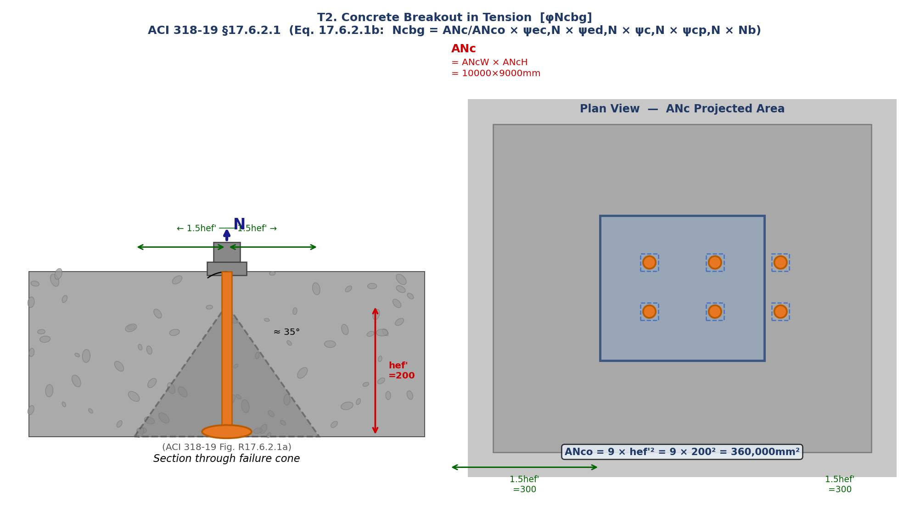

Fig. T2-2 ANc Annular Projected Area (§17.6.2.1.2)
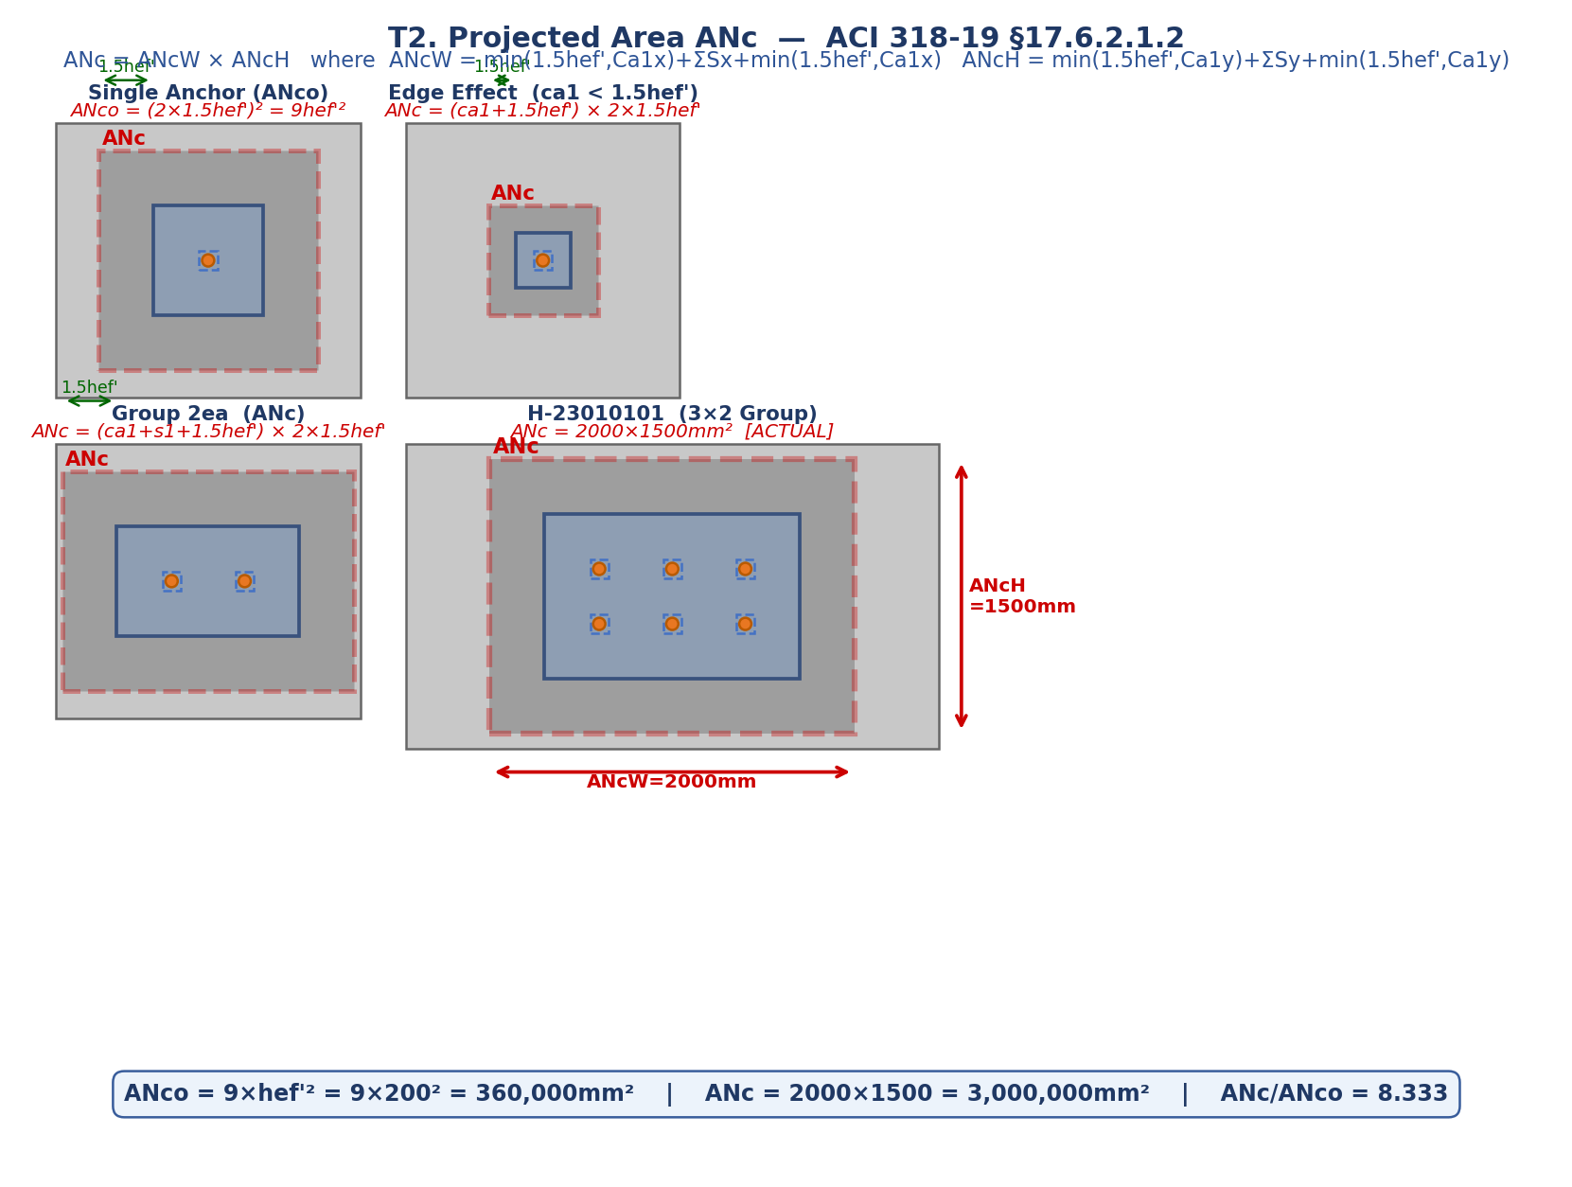

Fig. T2-3 ψ Modification Factors

T1_Steel
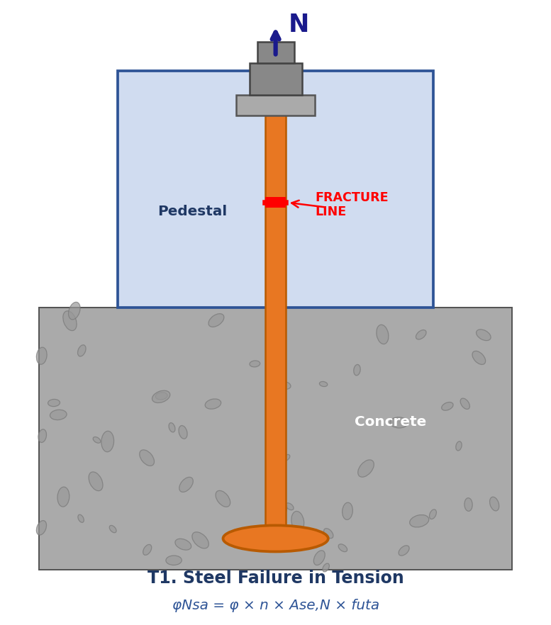
DL E&C 지반구조설계팀 | SHAHEEN-2300-CI-CA-0035 | Item: H-23010101 | By: 원성연 | 2026-08-06 | Rev. A
T1. STEEL FAILURE IN TENSION [φNsa] — §17.6.1.2b
Code: ACI 318-19 Chapter 17 | Anchor Type: Cast-in Headed Bolt | N=16ea Circular

No. | Symbol | Item / Description | Formula / Calculation | Value | Unit | Code Reference
1 | 0.9da | 0.9 × da = 0.9×76.1 | 0.9×76.1 | 68.5 | mm | §17.6.1.2
2 | Ase,N | π/4×(0.9da)² = π/4×68.5² | π/4×68.5² | 3684.21 | mm² | §17.6.1.2
3 | futa | min(futa,1.9fy,860) | min(400,760,860) | 400 | MPa | §17.6.1.2
4 | φNsa | φs,t×n×Ase,N×futa/1000 = 0.75×16×3684.21×400/1000 | 0.75×16×3684.21×400/1000 | 17684.201 | kN | §17.6.1.2b

▶ CHECK |  | T1 Steel Failure in Tension | φNsa = 17684.201 kN ≥ demand = 80.610 kN ( 0.5% ) | ✔ O.K ! | §17.6.1.2b

Fig. T1 Steel Fracture (ACI 318-19 §17.6.1.2)

Fig. T1 Steel Failure in Tension (§17.6.1.2)

T3_Pullout
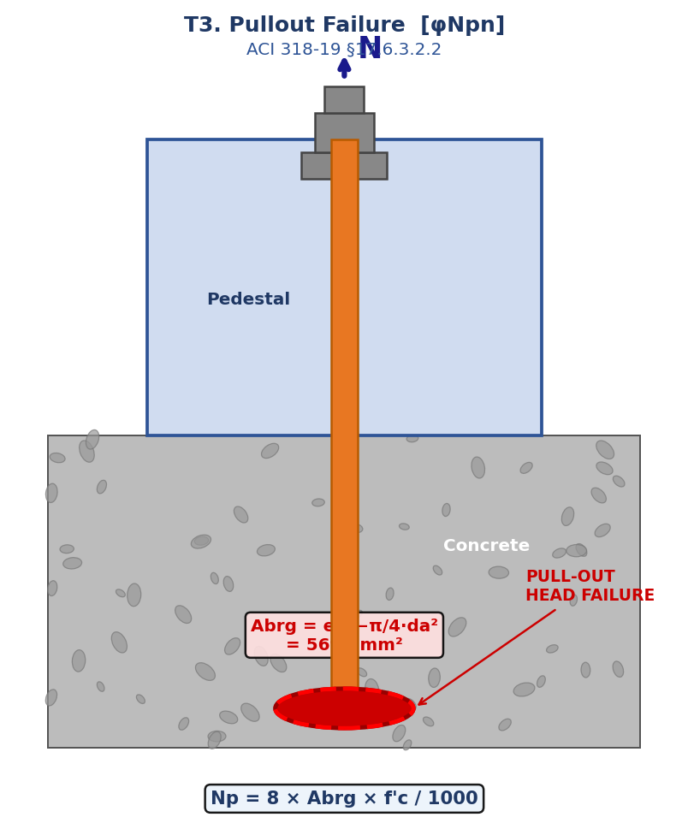
DL E&C 지반구조설계팀 | SHAHEEN-2300-CI-CA-0035 | Item: H-23010101 | By: 원성연 | 2026-08-06 | Rev. A
T3. PULLOUT FAILURE [φNpn] — §17.6.3
Code: ACI 318-19 Chapter 17 | Anchor Type: Cast-in Headed Bolt | N=16ea Circular

No. | Symbol | Item / Description | Formula / Calculation | Value | Unit | Code Reference
1 | Abrg | eh²−π/4da² = 133²−π/4×76.1² | 133²−π/4×76.1² | 13140.6 | mm² | §17.6.3.2.2
2 | Np | 8×Abrg×f'c/1000 = 8×13140.6×27/1000 | 8×13140.6×27/1000 | 2838.368 | kN | §17.6.3.2.2
3 | ψc,P | Uncracked → 1.4 | = 1.4 | 1.4 | — | §17.6.3.3
4 | φNpn | φ×ψc,P×Np×N = 0.5625×1.4×2838.368×16 | 0.5625×1.4×2838.368×16 | 35763.441 | kN | §17.6.3.1

▶ CHECK |  | T3 Pullout Failure | φNpn = 35763.441 kN ≥ demand = 80.610 kN ( 0.2% ) | ✔ O.K ! | §17.6.3.1

Fig. T3 Pullout — Head Bearing Area (ACI 318-19 §17.6.3.2.2)

Fig. T3 Pullout Failure (§17.6.3.2.2)

T4_Sideface
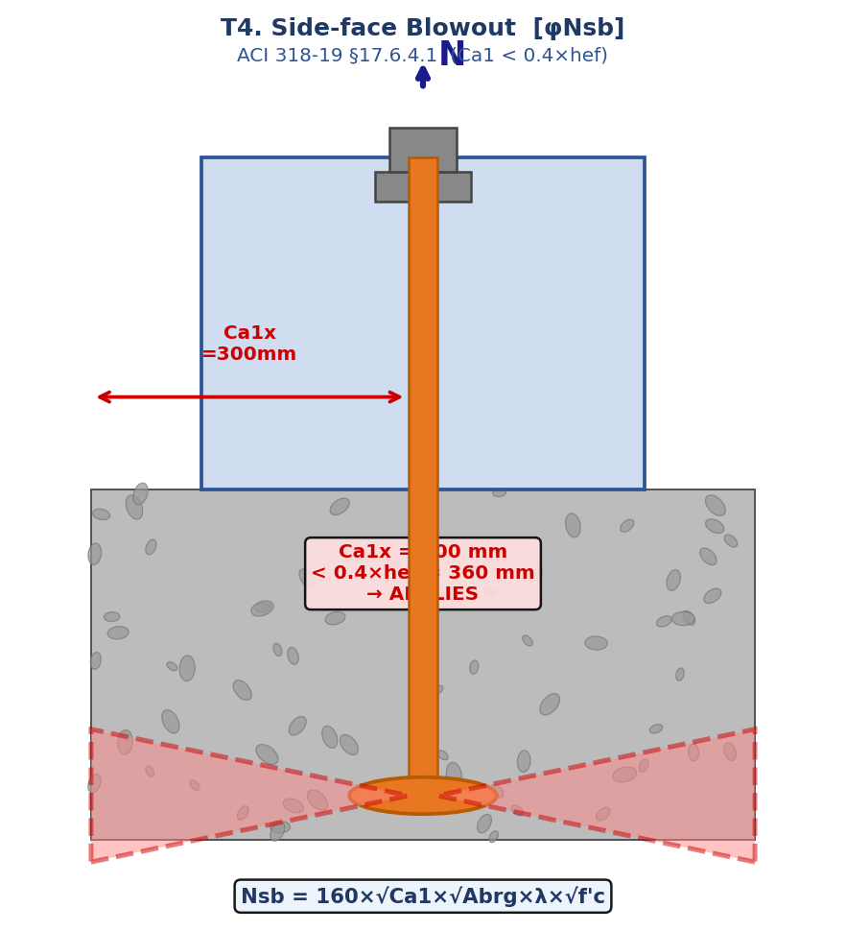
DL E&C 지반구조설계팀 | SHAHEEN-2300-CI-CA-0035 | Item: H-23010101 | By: 원성연 | 2026-08-06 | Rev. A
T4. SIDE-FACE BLOWOUT [φNsb] — §17.6.4
Code: ACI 318-19 Chapter 17 | Anchor Type: Cast-in Headed Bolt | N=16ea Circular

No. | Symbol | Item / Description | Formula / Calculation | Value | Unit | Code Reference
1 | — | Applicability: Ca1(135.0) < 0.4hef(360.0) → APPLIES | APPLIES |  |  | §17.6.4.1
2 | Nsb_unit | 160×√Ca1×√Abrg×λ×√fc/1000 (13×...) per anchor | 13×... | 1045.362 | kN/ea | §17.6.4.1
3 | φNsb | φ×Nsb×(tension anchors) = 0.5625×1045.362×8 | 0.5625×1045.362×8 | 4704.127 | kN | §17.5.3

▶ CHECK |  | T4 Side-face Blowout | φNsb = 4704.127 kN ≥ demand = 483.640 kN ( 10.3% ) | ✔ O.K ! | §17.6.4.1

Fig. T4 Side-face Blowout (ACI 318-19 §17.6.4.1)

Fig. T4 Side-face Blowout (§17.6.4.1)

V2_Breakout
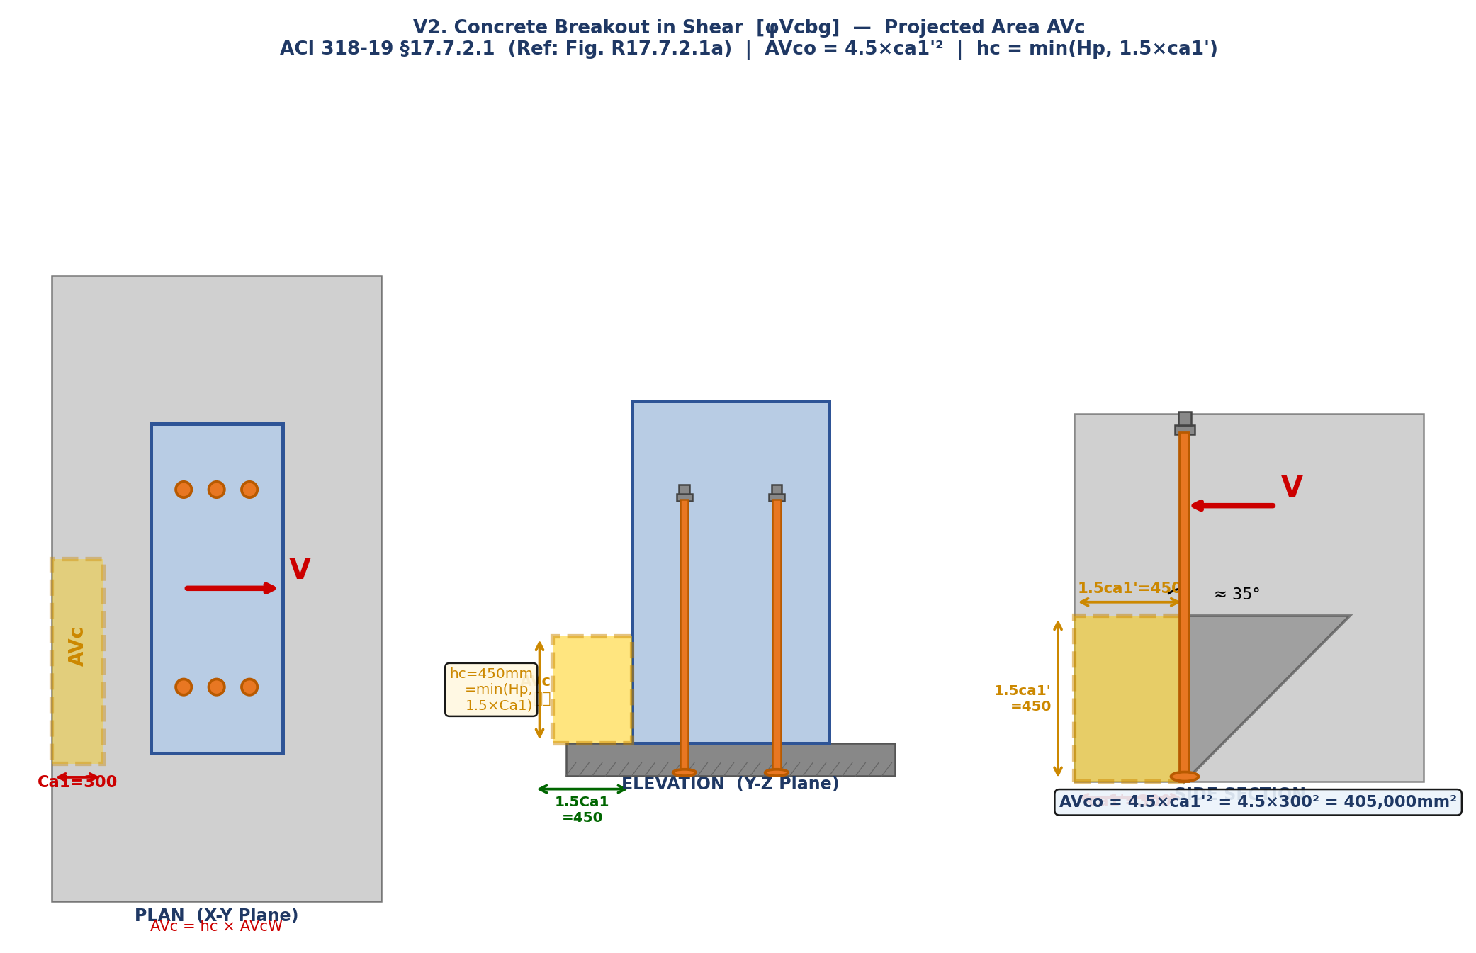
DL E&C 지반구조설계팀 | SHAHEEN-2300-CI-CA-0035 | Item: H-23010101 | By: 원성연 | 2026-08-06 | Rev. A
V2. CONCRETE BREAKOUT IN SHEAR [φVcbg] — §17.7.2.1b (환형 AVc)
Code: ACI 318-19 Chapter 17 | Anchor Type: Cast-in Headed Bolt | N=16ea Circular

NOTE: Octagonal → AVc computed as ANNULAR (반원형) area per ACI §17.7.2.1.2

V2.1 Projected Area AVc (환형)
No. | Symbol | Item / Description | Formula / Calculation | Value | Unit | Code Reference
1 | AVco | 4.5×ca1'² = 4.5×135.0² | 4.5×135.0² | 82012 | mm² | §17.7.2.1.3
2 | r_vout | r_bolt+min(Ca1,1.5ca1') = 1015.0+min(135.0,202.5) | 1015.0+135.0 | 1150 | mm | §17.7.2.1.2
3 | r_vin | max(0, r_bolt−1.5ca1') = max(0,1015.0-202.5) | max(0,1015.0-202.5) | 812.5 | mm | §17.7.2.1.2
4 | hV | min(Ha, 1.5ca1') = min(4000,202.5) | min(4000,202.5) | 202.5 | mm | §17.7.2.1.2
5 | AVc | π(r_vout²−r_vin²)/2 × hV/(1.5ca1') → min(calc, N×AVco) | π(1150.0²-812.5²)/2×202.5/202.5 | 1040407 | mm² | §17.7.2.1.2
6 | AVc/AVco | 1040407/82012 | 1040407/82012 | 12.686 | —

V2.2 Basic Shear Strength Vb (§17.7.2.2.1)
No. | Symbol | Item / Description | Formula / Calculation | Value | Unit | Code Reference
7 | le | min(8da,hef') = min(608.8,132.86) | min(608.8,132.86) | 132.9 | mm | §17.7.2.2.1
8 | Vb1 | 0.6×(le/da)^0.2×√da×λ×√fc×ca1^1.5/1000 = 0.6×(132.9/76.1)^0.2×√76.1×1.0×√27×135.0^1.5/1000 | 0.6×(132.9/76.1)^0.2×√76.1×... | 47.69 | kN | §17.7.2.2.1
9 | Vb2 | 3.7×λ×√fc×ca1^1.5/1000 = 3.7×1.0×√27×135.0^1.5/1000 | 3.7×1.0×√27×135.0^1.5/1000 | 30.157 | kN | §17.7.2.2.1
10 | Vb | min(Vb1,Vb2) = min(47.690,30.157) | min(47.690,30.157) | 30.157 | kN

V2.3 Modification Factors ψ
No. | Symbol | Item / Description | Formula / Calculation | Value | Unit | Code Reference
11 | ψec,V | =1 (no eccentric shear) | = 1.0 | 1 | — | §17.7.2.3
12 | ψed,V | Ca1(135.0) < 1.5ca1'(202.5) → 0.9 | 0.7+0.3×135.0/202.5 | 0.9 | — | §17.7.2.4
13 | ψc,V | Uncracked → 1.4 | = 1.4 | 1.4 | — | §17.7.2.6
14 | ψh,V | Ha(4000) ≥ 1.5ca1'(202.5) → 1.0 | = 1.0 | 1 | — | §17.7.2.5

V2.4 Design Strength
No. | Symbol | Item / Description | Formula / Calculation | Value | Unit | Code Reference
15 | Vcbg | (AVc/AVco)×ψec,V×ψed,V×ψc,V×ψh,V×Vb = 12.686×1.0×0.9×1.4×1.0×30.157 | 12.686×1.0×0.9×1.4×1.0×30.157 | 482.034 | kN | §17.7.2.1b
16 | φVcbg | φc,v×Vcbg = 0.75×482.034 | 0.75×482.034 | 361.526 | kN | §17.7.2.1b

▶ CHECK |  | V2 Concrete Breakout (Shear) | φVcbg = 361.526 kN ≥ demand = 100.640 kN ( 27.8% ) | ✔ O.K ! | §17.7.2.1b

Fig. V2 Concrete Breakout in Shear — Plan / Elevation / Side Section (ACI 318-19 §17.7.2.1)

Fig. V2 Shear Breakout Plan/Elev/Section (§17.7.2.1)

Combined
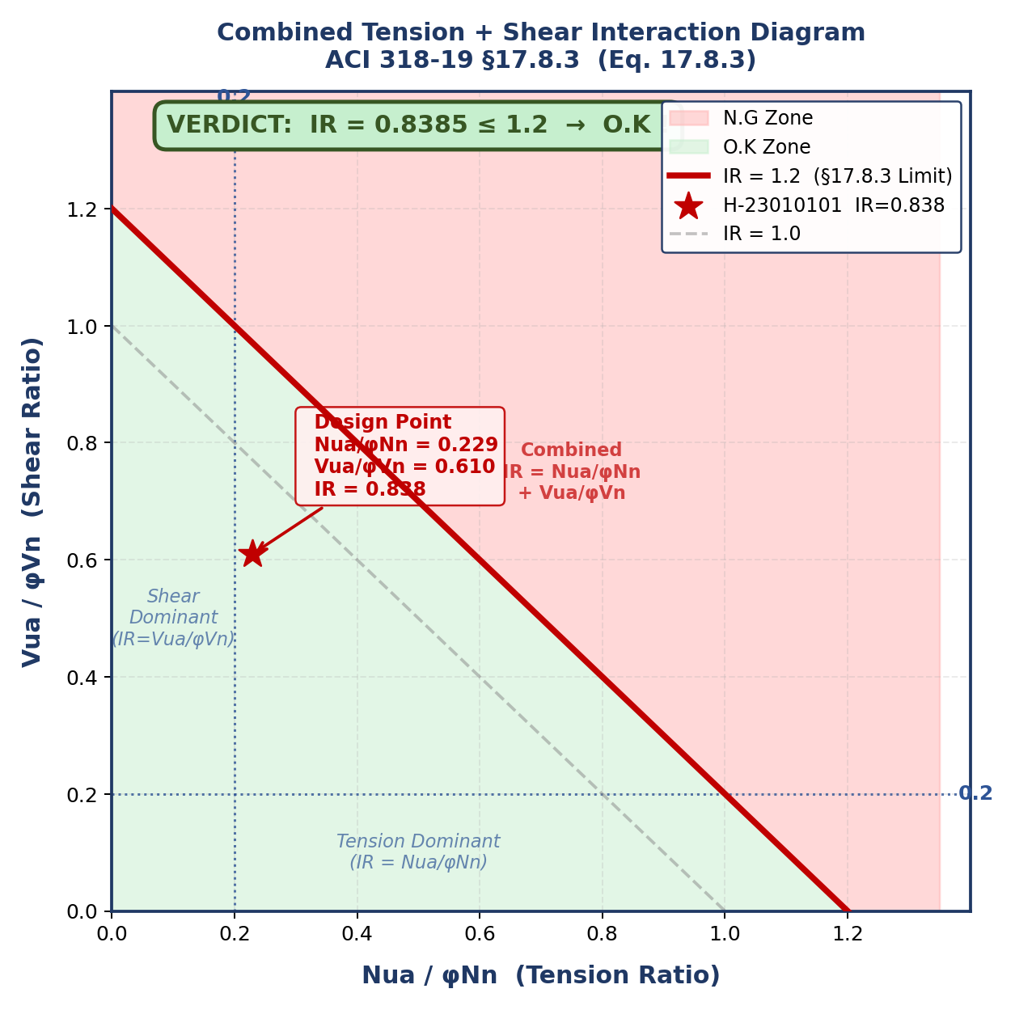
DL E&C 지반구조설계팀 | SHAHEEN-2300-CI-CA-0035 | Item: H-23010101 | By: 원성연 | 2026-08-06 | Rev. A
COMBINED TENSION + SHEAR [IR] — §17.8.3
Code: ACI 318-19 Chapter 17 | Anchor Type: Cast-in Headed Bolt | N=16ea Circular

ACI 318-19 §17.8.3: When Nua/φNn > 0.2 AND Vua/φVn > 0.2 → Nua/φNn + Vua/φVn ≤ 1.2

No. | Symbol | Item / Description | Formula / Calculation | Value | Unit | Code Reference
1 | φNn | min(φNsa,φNcbg,φNpn,φNsb) = min(17684.2,656.69,35763.44,4704.13) | min(...) | 656.688 | kN | §17.8.1
2 | φVn | min(φVsa,φVcbg,φVcpg) = min(11352.82,361.53,1751.17) | min(...) | 361.526 | kN | §17.8.1
3 | Nua/φNn | Nua,i / φNn = 80.61/656.688 | 80.61/656.688 | 0.1228 | — | §17.8.3
4 | Vua/φVn | Vua / φVn = 100.64/361.526 | 100.64/361.526 | 0.2784 | — | §17.8.3
5 | Mode | Shear dominant |  |  |  | §17.8.3
6 | IR | IR = 0.1228 + 0.2784 ≤ 1.2 | 0.1228+0.2784 | 0.4011 | ≤ 1.2 | §17.8.3

종합 판정: IR = 0.4011 ≤ 1.2 → O.K !

Fig. C Combined T+V Interaction Diagram (ACI 318-19 §17.8.3)

Fig. C Combined T+V Interaction (§17.8.3)

