Summary
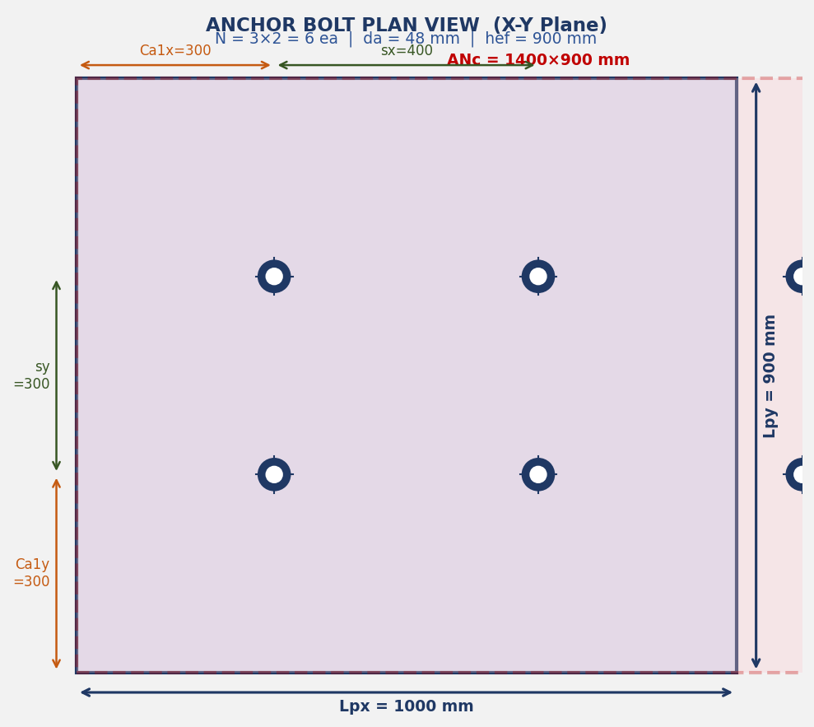
ANCHOR BOLT STRUCTURAL DESIGN
ACI 318-19 Chapter 17 — Anchoring to Concrete | Rectangular Pedestal
Job No. |  | 190076 |  | Project | SHAHEEN
Document |  | SHAHEEN-2300-CI-CA-0035 |  | Item | H-23010101
Engineer |  | 원성연 |  | Date | 2026-08-06
Rev. |  | A |  | Code | ACI 318-19 Chapter 17

RESULT SUMMARY / 결과 요약
No. | Failure Mode | Symbol | Capacity (kN) | Demand (kN) | Ratio | Status
T-1 | Steel Tension | φNsa | 542.87 | 80.61 | 14.8% | ✔ O.K
T-2 | Concrete Breakout (Tension) | φNcbg | 352.2 | 483.64 | 137.3% | ✖ N.G
T-3 | Pullout | φNpn | 5807.214 | 80.61 | 1.4% | ✔ O.K
T-4 | Side-face Blowout | φNsb | 611 | 80.61 | 13.2% | ✔ O.K
V-1 | Steel Shear | φVsa | 1693.746 | 49 | 2.9% | ✔ O.K
V-2 | Concrete Breakout (Shear) | φVcbg | 39.825 | 49 | 123.0% | ✖ N.G
V-3 | Concrete Pryout | φVcpg | 516.689 | 49 | 9.5% | ✔ O.K
C | Combined T+V | IR | 1.2 | 1.459 | 121.6% | ✖ N.G

종합 판정 : 불만족 항목 있음 ─ N.G !

상세 계산은 각 시트를 참조 / See detail calculation in each sheet: Input → T1 → T2 → T3 → T4 → V1 → V2 → V3 → Combined

Fig. 1 Anchor Bolt Plan View (X-Y Plane) | N=3×2=6ea | Lpx=1000×Lpy=900mm

3D Model View — Isometric View | H-23010101 | 3×2 Anchor Group | Lpx=1000 × Lpy=900mm
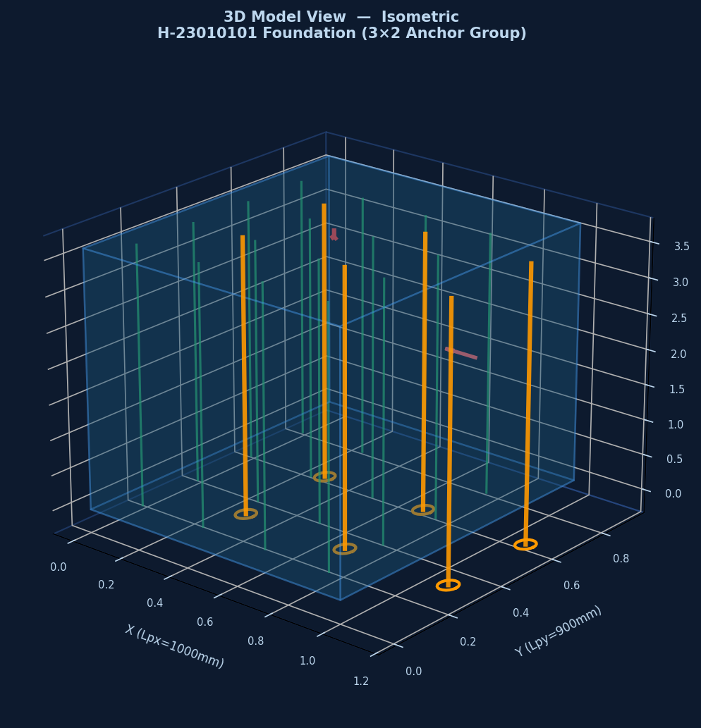

Fig. 1 Anchor Bolt Plan View | N=3×2=6ea | Ca1x=Ca1y=300mm | ANc 투영면 표시

Failure_Modes
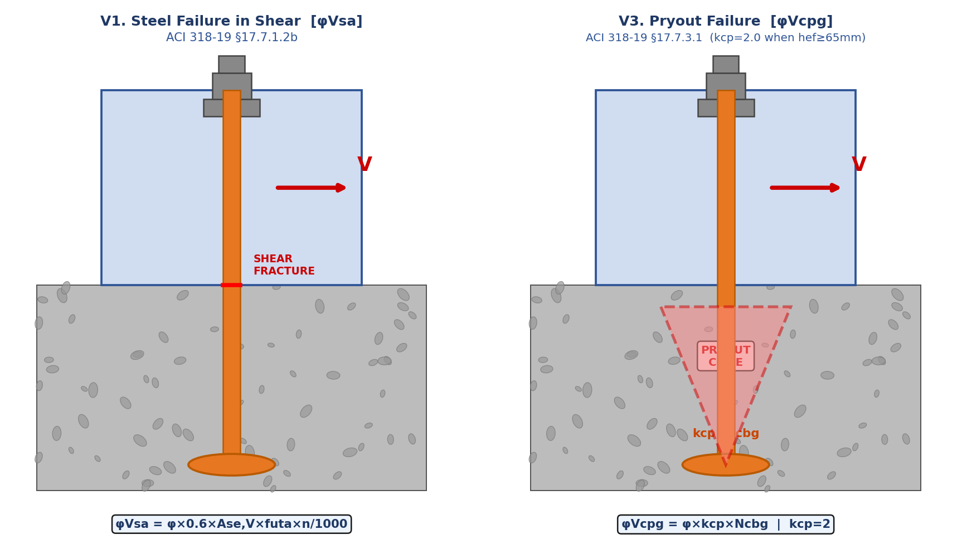
FAILURE MODES — ACI 318-19 §17.6 (Tension) + §17.7 (Shear)
T1 Steel Fracture | T2 Concrete Breakout | T3 Pullout | T4 Side-face Blowout | V1 Steel Shear | V2 Breakout | V3 Pryout
TENSION FAILURE MODES (T1 ~ T4) — ACI 318-19 §17.6

TENSION FAILURE MODES T1~T4 — ACI 318-19 §17.6 | Steel / Breakout / Pullout / Side-face Blowout
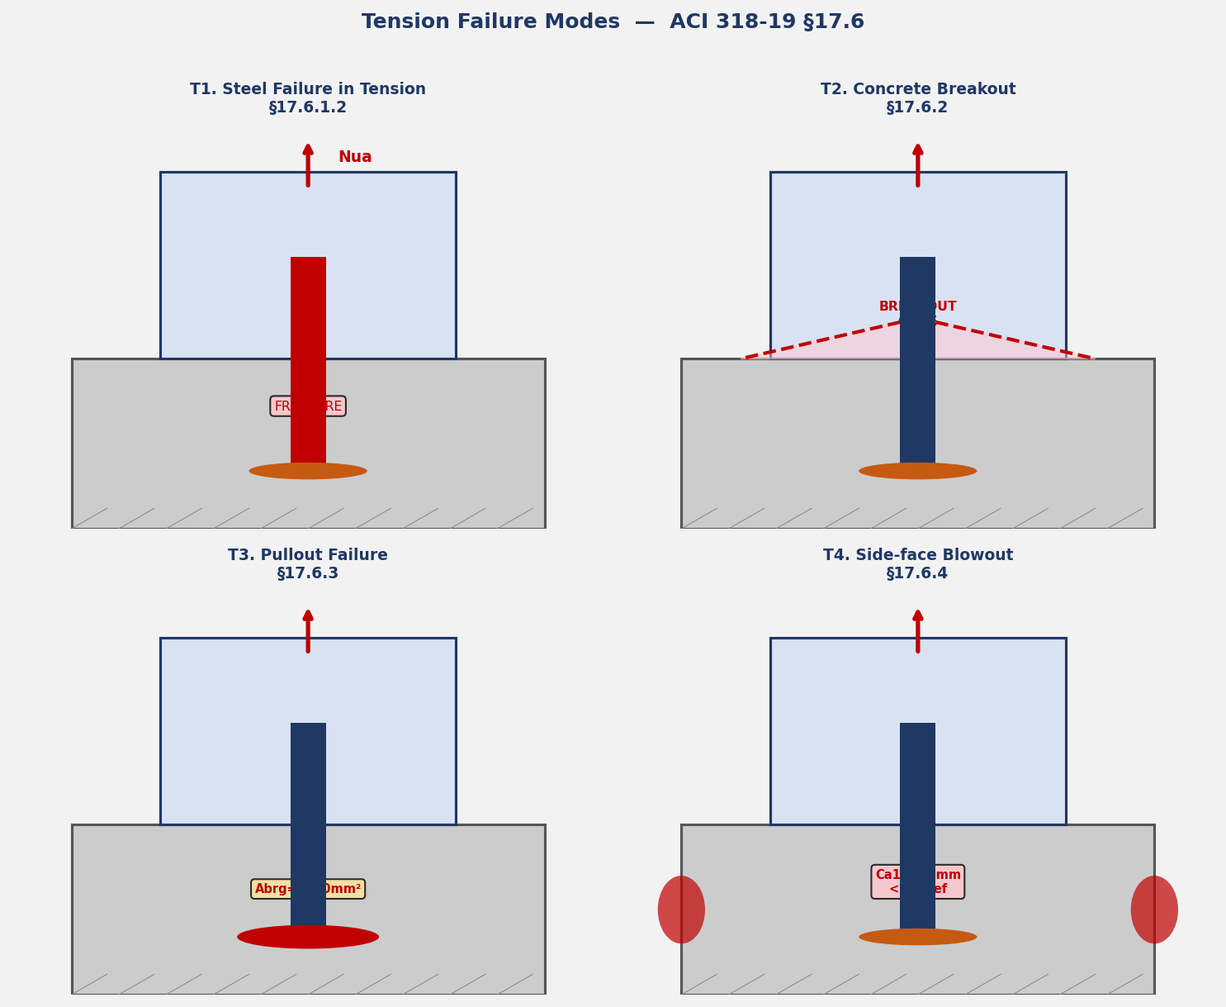

SHEAR FAILURE MODES V1~V3 — ACI 318-19 §17.7 | φVsa / φVcbg / φVcpg

T1_Steel
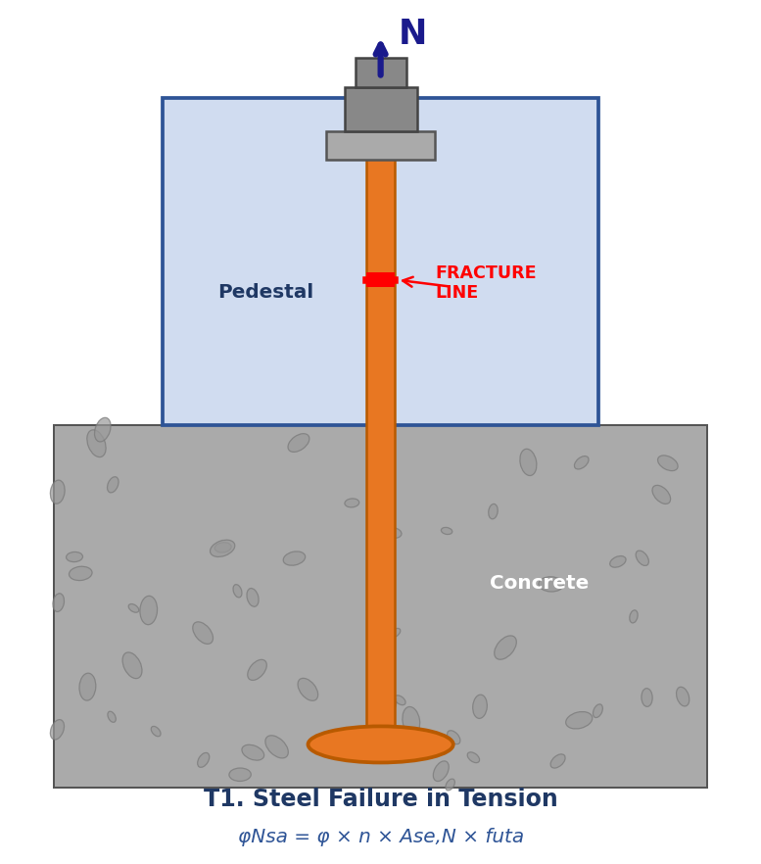
DL E&C 지반구조설계팀 | SHAHEEN-2300-CI-CA-0035 | Item: H-23010101 | By: 원성연 | 2026-08-06 | Rev. A
T1. STEEL FAILURE IN TENSION [φNsa] — ACI 318-19 §17.6.1.2
Code: ACI 318-19 Chapter 17 | Anchor Type: Cast-in Headed Bolt | Project: SHAHEEN

ACI 318-19 §17.6.1.2b: Nsa = Ase,N × futa
Requirement: futa ≤ min(1.9fya, 860 MPa) per §17.6.1.2

T1.1 Required Parameters
No. | Symbol | Item / Description | Formula / Calculation (수식 전개) | Value | Unit | Code Reference
1 | 0.9da | Effective diameter | 0.9 × da = 0.9 × 48 = 43.2 mm | 43.200 | mm | §17.6.1.2
2 | Ase,N | Effective tensile area of anchor | π/4 × (0.9×da)² = π/4 × 43.2² = 1465.74 | 1465.740 | mm² | ACI 318-19 §17.6.1.2
3 | futa | Specified tensile strength (limited) | min(futa, 1.9×fya, 860) = min(400, 760, 860) | 400.000 | MPa | ACI 318-19 §17.6.1.2
4 | Nsa,1 | Nominal strength per anchor (1 ea) | Ase,N × futa / 1000 = 1465.74 × 400 / 1000 | 586.297 | kN | §17.6.1.2

T1.2 Design Strength
No. | Symbol | Item / Description | Formula / Calculation (수식 전개) | Value | Unit | Code Reference
5 | φs,t | Steel strength reduction factor (ductile) | = 0.75 per Table 17.5.3(a) | 0.750 | — | Table 17.5.3(a)
6 | n | No. of anchors in group | = 3 × 2 | 6.000 | ea
7 | φNsa | Steel tension strength of anchor GROUP | φs,t × n × Ase,N × futa / 1000 = 0.75 × 6 × 1465.74 × 400 / 1000 | 542.870 | kN | ACI 318-19 §17.6.1.2b

T1.3 Check
No. | Symbol | Item / Description | Formula / Calculation (수식 전개) | Value | Unit | Code Reference
— | Nua,i | Max. tensile demand (per anchor, governing L/C 46) |  | 80.610 | kN | §17.2.3
▶ CHECK |  | T1 Steel Failure in Tension | φNsa = 542.870 kN ≥ demand = 80.610 kN → 14.8% | ✔ O.K ! | §17.6.1.2b

Fig. T1-1 Steel Failure in Tension — Fracture at bolt shank (ACI 318-19 §17.6.1.2)

Fig. T1 Steel Failure in Tension (ACI 318-19 §17.6.1.2) | Fracture at shank

T2_Breakout
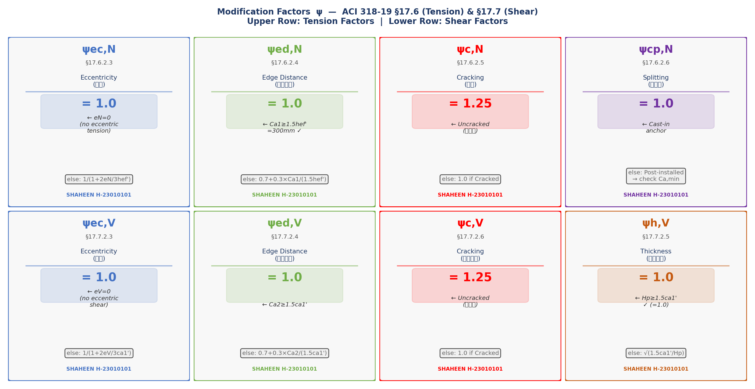
DL E&C 지반구조설계팀 | SHAHEEN-2300-CI-CA-0035 | Item: H-23010101 | By: 원성연 | 2026-08-06 | Rev. A
T2. CONCRETE BREAKOUT IN TENSION [φNcbg] — ACI 318-19 §17.6.2
Code: ACI 318-19 Chapter 17 | Anchor Type: Cast-in Headed Bolt | Project: SHAHEEN

ACI 318-19 §17.6.2.1b (Eq. 17.6.2.1b): Ncbg = (ANc/ANco) × ψec,N × ψed,N × ψc,N × ψcp,N × Nb
For a group of anchors that will not resist torsion. ANco = projected area of single anchor (§17.6.2.1.4)

T2.1 Projected Area ANc — Rectangular Bounding Box Method
Width = min(1.5hef', Ca1x) + ΣSx + min(1.5hef', Ca1x) Height = min(1.5hef', Ca1y) + ΣSy + min(1.5hef', Ca1y)
No. | Symbol | Item / Description | Formula / Calculation (수식 전개) | Value | Unit | Code Reference
1 | hef' | Modified effective embedment depth (§17.6.2.1.2) | max(Ca1/1.5, sx/3) = max(200.0, 66.7) → 200 mm (MODIFIED) | 200.000 | mm | ACI 318-19 §17.6.2.1.2
2 | ANco | Basic projected area (single anchor) | 9 × hef'² = 9 × 200² = 360000 | 360000.000 | mm² | ACI 318-19 §17.6.2.1.4
3 | ANcW | Projected width | min(1.5hef', Ca1x) + ΣSx + min(1.5hef', Ca1x) = 300.0 + 400 + 300.0 = 1000 mm | 1000.000 | mm | ACI 318-19 §17.6.2.1.2
4 | ANcH | Projected height | min(1.5hef', Ca1y) + ΣSy + min(1.5hef', Ca1y) = 300.0 + 300 + 300.0 = 900 mm | 900.000 | mm | ACI 318-19 §17.6.2.1.2
5 | ANc | Projected area of anchor group | ANcW × ANcH = 1000 × 900 | 900000.000 | mm² | ACI 318-19 §17.6.2.1.2
6 | ANc/ANco | Area ratio | 900000 / 360000 | 2.500 | —

T2.2 Basic Breakout Strength Nb — §17.6.2.2.1
Eq. 17.6.2.2.1: Nb = kc × λa × √f'c × hef'^1.5 / 1000 where kc = 10 (cast-in) or 7 (post-installed)
No. | Symbol | Item / Description | Formula / Calculation (수식 전개) | Value | Unit | Code Reference
7 | kc | Anchor type factor | = 10 cast-in headed bolt (§17.6.2.2.2) | 10.000 | — | ACI 318-19 §17.6.2.2.2
8 | λ | Lightweight concrete factor | = 1.0 normal weight concrete (§19.2.4.1) | 1.000 | — | ACI 318-19 §19.2.4
9 | √f'c | Square root of f'c | √27 = 5.1962 | 5.196 | MPa^0.5
10 | hef'^1.5 | Power of effective embedment | 200^1.5 = 2828.43 | 2828.430 | mm^1.5
11 | Nb | Basic concrete breakout strength | kc × λ × √f'c × hef'^1.5 / 1000 = 10 × 1.0 × 5.1962 × 2828.43 / 1000 | 146.969 | kN | ACI 318-19 §17.6.2.2.1

T2.3 Modification Factors ψ — §17.6.2.3 ~ §17.6.2.6
No. | Symbol | Item / Description | Formula / Calculation (수식 전개) | Value | Unit | Code Reference
12 | ψec,N | Eccentricity factor (no eccentric loading) | = 1.0 No eccentricity in tension (eN = 0) per §17.6.2.3 | 1.000 | — | ACI 318-19 §17.6.2.3
13 | ψed,N | Edge distance modification factor | Ca1x = 300 mm ≥ 1.5×hef' = 300 mm → ψed,N = 1.0 | 1.000 | — | ACI 318-19 §17.6.2.4
14 | ψc,N | Cracking modification factor | = 1.25 Uncracked concrete (§17.6.2.5) | 1.250 | — | ACI 318-19 §17.6.2.5
15 | ψcp,N | Splitting factor | = 1.0 Cast-in anchor (§17.6.2.6) | 1.000 | — | ACI 318-19 §17.6.2.6

T2.4 Breakout Strength Ncbg & φNcbg
No. | Symbol | Item / Description | Formula / Calculation (수식 전개) | Value | Unit | Code Reference
16 | Ncbg | Concrete breakout strength (group) | (ANc/ANco) × ψec,N × ψed,N × ψc,N × ψcp,N × Nb = 2.5 × 1.0 × 1.0 × 1.25 × 1.0 × 146.969 | 459.279 | kN | ACI 318-19 §17.6.2.1b
17 | φc,t | Strength reduction factor (with rebar + seismic) | = 0.75 × 0.75 = 0.5625 (Table 17.5.3(b) + §17.10.5.4) | 0.563 | — | Table 17.5.3(b)
18 | φNcbg | Design breakout strength (without rebar alternative) | φc,t × Ncbg = 0.5625 × 459.279 | 258.345 | kN | §17.6.2.1b

T2.5 Anchor Reinforcement φNnr — ACI 318-19 §17.5.2
§17.5.2.1: When anchor reinforcement is fully developed on both sides of breakout plane,
φNnr may replace φNcbg. Governing capacity = max(φNcbg, φNnr)
No. | Symbol | Item / Description | Formula / Calculation (수식 전개) | Value | Unit | Code Reference
19 | Ase,rebar | Area of single vertical rebar D25 | π/4 × 25² = 490.9 | 490.900 | mm²
20 | N1 | No. of rebars within 0.5hef' from each anchor | = 3.667 ea (within 0.5 × 200 = 100 mm) | 3.667 | ea | ACI 318-19 §17.5.2
21 | Ld1r | Available development length | hef − C1 − (Ca1 − da/2 − dv/2 − dtie − C2) = 1160 | 1160.000 | mm | ACI 318-19 §25.5
22 | Ld1 | Required development length (×1.7 factor, §25.5.2) | = 1160 mm | 1160.000 | mm | ACI 318-19 §25.5.2
23 | φNnr | Anchor reinforcement design strength | φ × N1 × (Ld1r/Ld1) × fy × Ase,rebar / 1000 = 0.75 × 3.667 × (1160/1160) × 400 × 490.9 / 1000 | 352.200 | kN | ACI 318-19 §17.5.2
24 | φNcb | Governing breakout capacity (with rebar) | max(φNcbg, φNnr) = max(258.345, 352.200) | 352.200 | kN | ACI 318-19 §17.5.2

T2.6 Check
No. | Symbol | Item / Description | Formula / Calculation (수식 전개) | Value | Unit | Code Reference
— | Nua,g | Group tensile demand ΣNua (tension anchors) |  | 483.640 | kN | §17.2.3
▶ CHECK |  | T2 Concrete Breakout (Tension) | φNcbg = 352.200 kN ≥ demand = 483.640 kN → 137.3% | ✖ N.G ! | §17.6.2.1b

Fig. T2-1 Concrete Breakout Cone — Section View (ACI 318-19 Fig. R17.6.2.1a)

Fig. T2-2 ANc Projected Area Cases — Single & Group Anchors (ACI 318-19 §17.6.2.1.2)

Fig. T2-3 Modification Factors ψ — Tension & Shear (ACI 318-19 §17.6.2.3~§17.6.2.6, §17.7.2.3~§17.7.2.6)

Fig. T2-1 Concrete Breakout Cone (ACI 318-19 §17.6.2.1 | Fig. R17.6.2.1a)
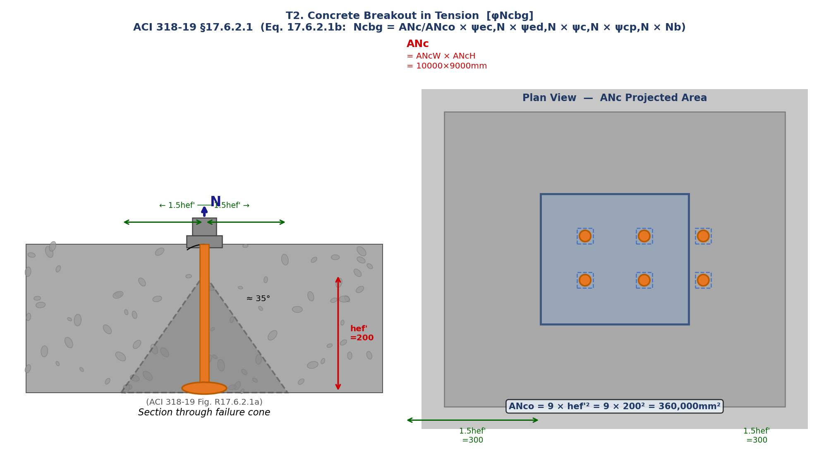

Fig. T2-2 ANc Projected Area Cases (ACI 318-19 §17.6.2.1.2)
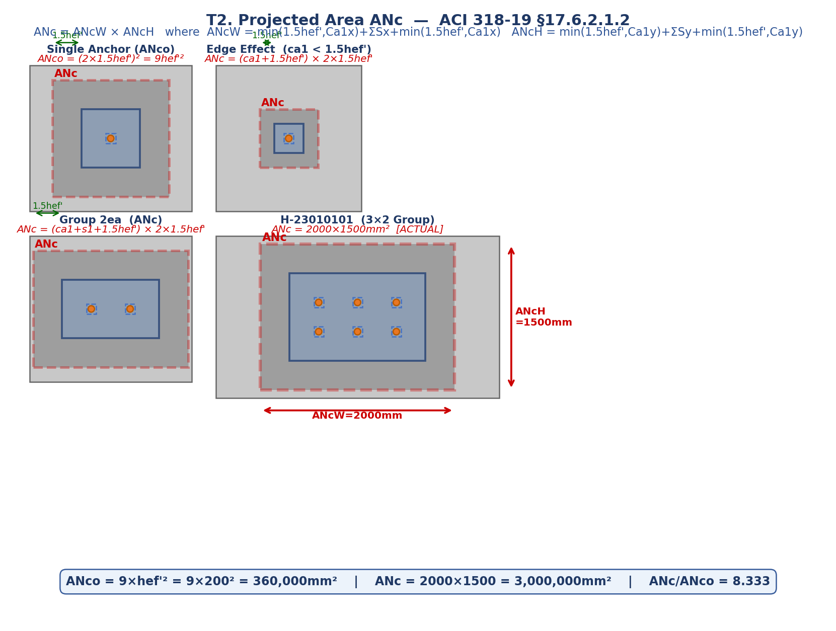

Fig. T2-3 Modification Factors ψ (ACI 318-19 §17.6.2.3 ~ §17.6.2.6 | §17.7.2.3 ~ §17.7.2.6)

T3_Pullout
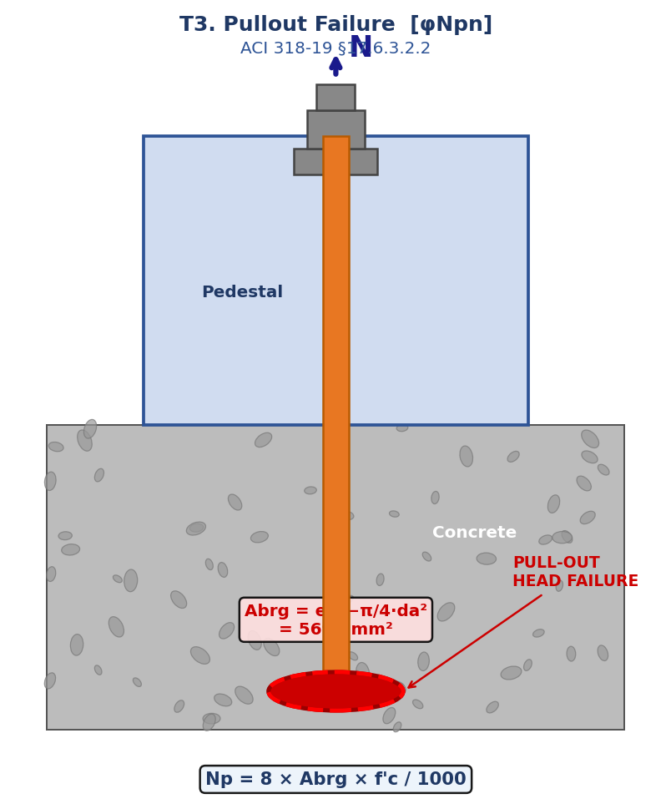
DL E&C 지반구조설계팀 | SHAHEEN-2300-CI-CA-0035 | Item: H-23010101 | By: 원성연 | 2026-08-06 | Rev. A
T3. PULLOUT FAILURE [φNpn] — ACI 318-19 §17.6.3
Code: ACI 318-19 Chapter 17 | Anchor Type: Cast-in Headed Bolt | Project: SHAHEEN

ACI 318-19 §17.6.3.1: φNpn = φ × ψc,P × Np × n
ACI 318-19 §17.6.3.2.2 (Eq. 17.6.3.2.2b): Np = 8 × Abrg × f'c (cast-in headed bolt)

T3.1 Bearing Area Abrg
No. | Symbol | Item / Description | Formula / Calculation (수식 전개) | Value | Unit | Code Reference
1 | Abrg | Bearing area (head minus bolt hole) | eh² − π/4×da² = 86.6² − π/4×48² = 7499.6 − 1809.6 | 5690.000 | mm² | ACI 318-19 §17.6.3.2.2

T3.2 Pullout Strength per Anchor Np
No. | Symbol | Item / Description | Formula / Calculation (수식 전개) | Value | Unit | Code Reference
2 | Np | Pullout strength of single anchor | 8 × Abrg × f'c / 1000 = 8 × 5690.0 × 27 / 1000 | 1229.040 | kN | ACI 318-19 §17.6.3.2.2

T3.3 Modification & Design Strength
No. | Symbol | Item / Description | Formula / Calculation (수식 전개) | Value | Unit | Code Reference
3 | ψc,P | Cracking modification factor (uncracked) | = 1.4 Uncracked concrete (ACI 318-19 §17.6.3.3) | 1.400 | — | ACI 318-19 §17.6.3.3
4 | φ | Strength reduction factor | = φc,t = 0.5625 (Table 17.5.3(b)) | 0.563 | — | Table 17.5.3(b)
5 | φNpn | Pullout design strength (group, all anchors) | φ × ψc,P × Np × n = 0.5625 × 1.4 × 1229.040 × 6 | 5807.214 | kN | ACI 318-19 §17.6.3.1

T3.4 Check
No. | Symbol | Item / Description | Formula / Calculation (수식 전개) | Value | Unit | Code Reference
— | Nua,i | Tensile demand per anchor |  | 80.610 | kN
▶ CHECK |  | T3 Pullout Failure | φNpn = 5807.214 kN ≥ demand = 80.610 kN → 1.4% | ✔ O.K ! | §17.6.3.1

Fig. T3-1 Pullout Failure — Head bearing area Abrg (ACI 318-19 §17.6.3.2.2)

Fig. T3 Pullout Failure (ACI 318-19 §17.6.3.2.2) | Bearing Area Abrg

T4_Sideface
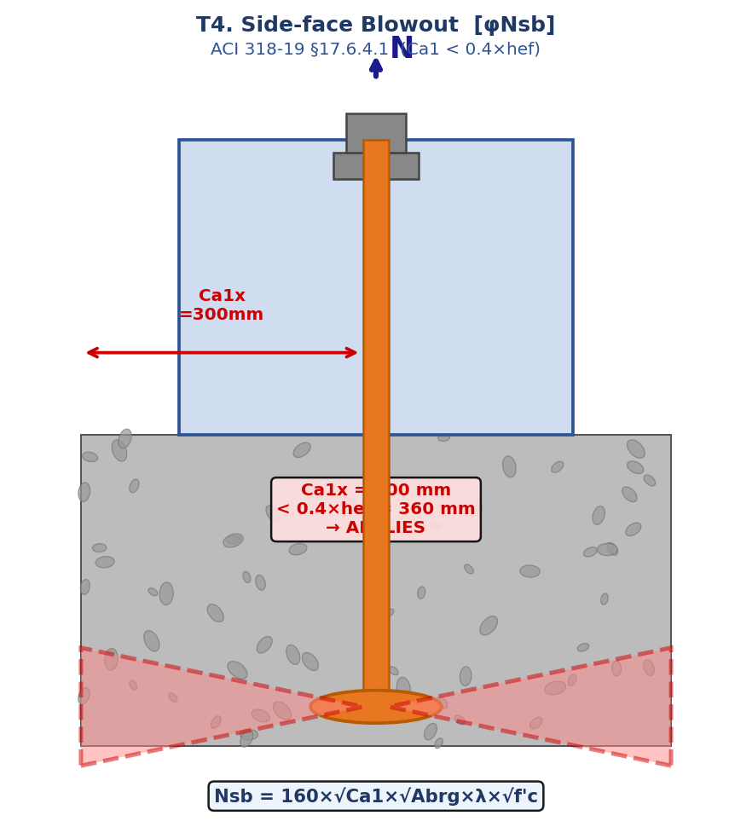
DL E&C 지반구조설계팀 | SHAHEEN-2300-CI-CA-0035 | Item: H-23010101 | By: 원성연 | 2026-08-06 | Rev. A
T4. SIDE-FACE BLOWOUT [φNsb] — ACI 318-19 §17.6.4
Code: ACI 318-19 Chapter 17 | Anchor Type: Cast-in Headed Bolt | Project: SHAHEEN

ACI 318-19 §17.6.4.1: Applicable when Ca1 < 0.4×hef
Ca1x = 300 mm vs. 0.4×hef = 360 mm → APPLIES — check required

T4.1 Side-face Blowout Strength Nsb
No. | Symbol | Item / Description | Formula / Calculation (수식 전개) | Value | Unit | Code Reference
1 | Nsb | Side-face blowout strength (§17.6.4.1 Eq. 17.6.4.1) | 160 × √Ca1 × √Abrg × λ × √f'c / 1000 = 160 × √300 × √5690 × 1.0 × √27 / 1000 | 1086.222 | kN | ACI 318-19 §17.6.4.1
2 | φNsb | Design side-face blowout strength | φc,t × Nsb = 0.5625 × 1086.222 | 611.000 | kN | §17.5.3

T4.2 Check
No. | Symbol | Item / Description | Formula / Calculation (수식 전개) | Value | Unit | Code Reference
— | Nua,i | Tensile demand |  | 80.610 | kN
▶ CHECK |  | T4 Side-face Blowout | φNsb = 611.000 kN ≥ demand = 80.610 kN → 13.2% | ✔ O.K ! | §17.6.4.1

Fig. T4-1 Side-face Blowout — Applicable when Ca1 < 0.4×hef (ACI 318-19 §17.6.4.1)

Fig. T4 Side-face Blowout (ACI 318-19 §17.6.4.1) | Ca1 < 0.4×hef

V2_Breakout
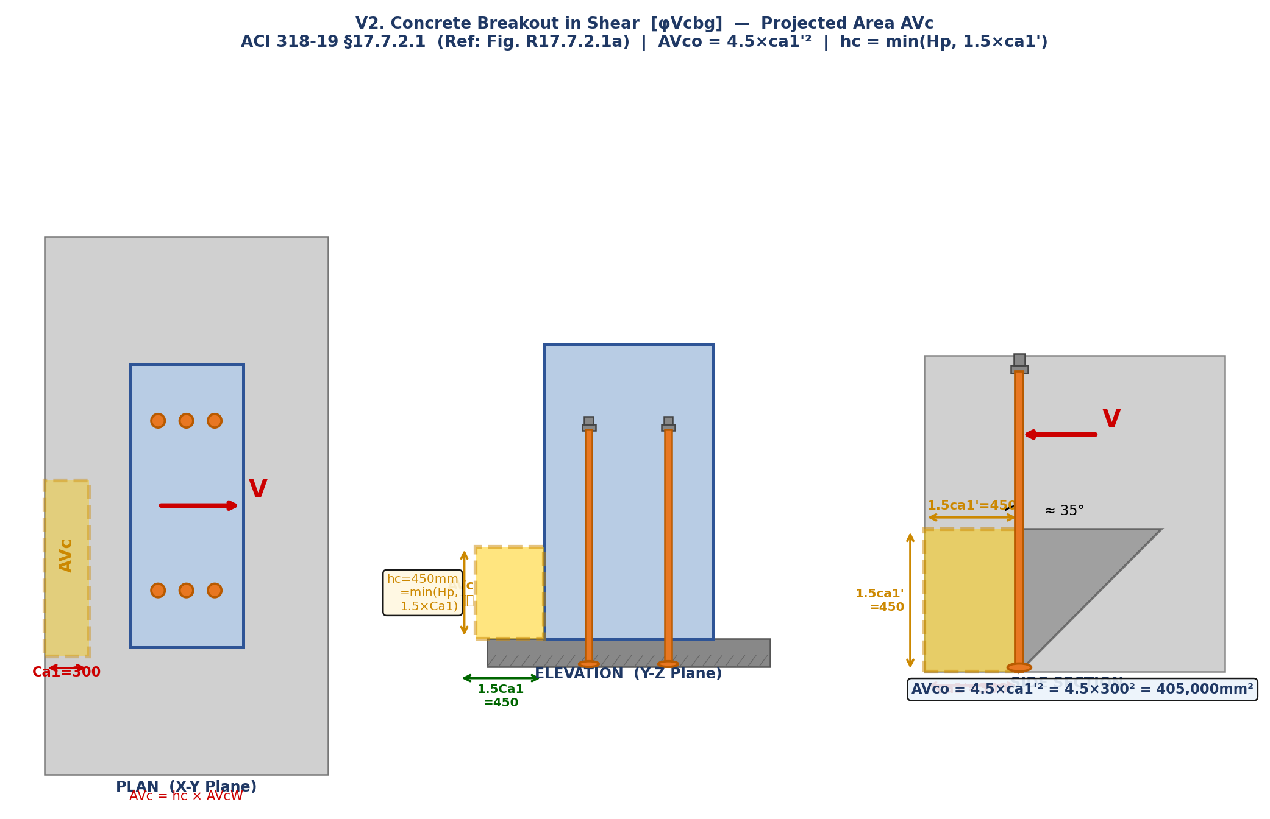
DL E&C 지반구조설계팀 | SHAHEEN-2300-CI-CA-0035 | Item: H-23010101 | By: 원성연 | 2026-08-06 | Rev. A
V2. CONCRETE BREAKOUT IN SHEAR [φVcbg] — ACI 318-19 §17.7.2
Code: ACI 318-19 Chapter 17 | Anchor Type: Cast-in Headed Bolt | Project: SHAHEEN

ACI 318-19 §17.7.2.1b (Eq. 17.7.2.1b): Vcbg = (AVc/AVco) × ψec,V × ψed,V × ψc,V × ψh,V × Vb
Shear direction: X-direction governs (Hx = 100.64 kN > Hy = 31.93 kN)

V2.1 Projected Shear Area AVc — §17.7.2.1
ACI 318-19 §17.7.2.1.3: AVco = 4.5 × ca1'² (basic projected area, single anchor)
ACI 318-19 §17.7.2.1.2: AVc = hc × AVcW where hc = min(Hp, 1.5×ca1')
No. | Symbol | Item / Description | Formula / Calculation (수식 전개) | Value | Unit | Code Reference
1 | ca1' | Modified edge distance for shear (§17.7.2.1.2) | = Ca1x = 300 mm (no modification required) | 300.000 | mm | ACI 318-19 §17.7.2.1.2
2 | AVco | Basic projected area (single anchor) | 4.5 × ca1'² = 4.5 × 300² = 405000 | 405000.000 | mm² | ACI 318-19 §17.7.2.1.3
3 | hc | Height of projected area | min(Hp, 1.5×ca1') = min(3650, 450) = 450 | 177.000 | mm | ACI 318-19 §17.7.2.1.2
4 | AVcW | Width of projected area | min(1.5ca1'+ΣSy+1.5ca1', 1.5ca1'+Ca2y) = 1200 | 1200.000 | mm | ACI 318-19 §17.7.2.1.2
5 | AVc | Projected area of anchor group | hc × AVcW = 177 × 1200 | 212400.000 | mm² | ACI 318-19 §17.7.2.1.2
6 | AVc/AVco | Area ratio | 212400 / 405000 | 0.524 | —

V2.2 Basic Shear Strength Vb — §17.7.2.2
Eq. 17.7.2.2.1a: Vb1 = 7×(le/da)^0.2 × √da × λa × √f'c × ca1'^1.5 / 1000
Eq. 17.7.2.2.1b: Vb2 = 9 × λa × √f'c × ca1'^1.5 / 1000 → Vb = min(Vb1, Vb2)
No. | Symbol | Item / Description | Formula / Calculation (수식 전개) | Value | Unit | Code Reference
7 | le | Effective length for shear calculation | min(8×da, hef') = min(384, 200) = 200 | 384.000 | mm | ACI 318-19 §17.7.2.2.1
8 | Vb1 | Basic shear strength (Eq. 17.7.2.2.1a) | 7×(le/da)^0.2×√da×λ×√f'c×ca1'^1.5/1000 = 7×(384/48)^0.2×√48×1.0×√27×300^1.5/1000 | 1984.725 | kN | §17.7.2.2.1a
9 | Vb2 | Basic shear strength (Eq. 17.7.2.2.1b) | 9×λ×√f'c×ca1'^1.5/1000 = 9×1.0×√27×300^1.5/1000 | 243.000 | kN | §17.7.2.2.1b
10 | Vb | Governing basic shear strength | min(Vb1, Vb2) = min(1984.725, 243.000) | 243.000 | kN

V2.3 Modification Factors ψ — §17.7.2.3 ~ §17.7.2.6
No. | Symbol | Item / Description | Formula / Calculation (수식 전개) | Value | Unit | Code Reference
11 | ψec,V | Eccentricity factor | = 1.0 No eccentric shear (§17.7.2.3) | 1.000 | — | ACI 318-19 §17.7.2.3
12 | ψed,V | Edge distance factor | = 1.0 Ca2 ≥ 1.5×ca1' = 450 mm (§17.7.2.4) | 1.000 | — | ACI 318-19 §17.7.2.4
13 | ψc,V | Cracking factor | = 1.25 Uncracked concrete (§17.7.2.6) | 1.250 | — | ACI 318-19 §17.7.2.6
14 | ψh,V | Member thickness factor | min(√(1.5×ca1'/Hp), 1.0) = min(√(450/3650), 1.0) = 1.0 | 1.000 | — | ACI 318-19 §17.7.2.5

V2.4 Design Shear Breakout Strength φVcbg
No. | Symbol | Item / Description | Formula / Calculation (수식 전개) | Value | Unit | Code Reference
15 | Vcbg | Concrete breakout strength in shear | (AVc/AVco)×ψec,V×ψed,V×ψc,V×ψh,V×Vb = 0.524×1.0×1.0×1.25×1.0×243.0 | 159.300 | kN | ACI 318-19 §17.7.2.1b
16 | ns | No. of anchor rows perpendicular to shear | = 3 (nx = 3 rows parallel to X-direction) | 3.000 | ea
17 | φc,v | Concrete shear reduction factor (with rebar) | = 0.75 Table 17.5.3(b) | 0.750 | — | Table 17.5.3(b)
18 | φVcbg | Design shear breakout strength (per anchor, governing) | φc,v × Vcbg / ns = 0.75 × 159.3 / 3 | 39.825 | kN | §17.7.2.1b

V2.5 Check
No. | Symbol | Item / Description | Formula / Calculation (수식 전개) | Value | Unit | Code Reference
— | Vua,i | Shear demand per anchor |  | 49.000 | kN
▶ CHECK |  | V2 Concrete Breakout (Shear) | φVcbg = 39.825 kN ≥ demand = 49.000 kN → 123.0% | ✖ N.G ! | §17.7.2.1b

Fig. V2-1 Concrete Breakout in Shear — Plan / Elevation / Side Section (ACI 318-19 §17.7.2.1, Fig. R17.7.2.1a)

Fig. V2 Concrete Breakout in Shear (ACI 318-19 §17.7.2.1 | Fig. R17.7.2.1a)

Combined
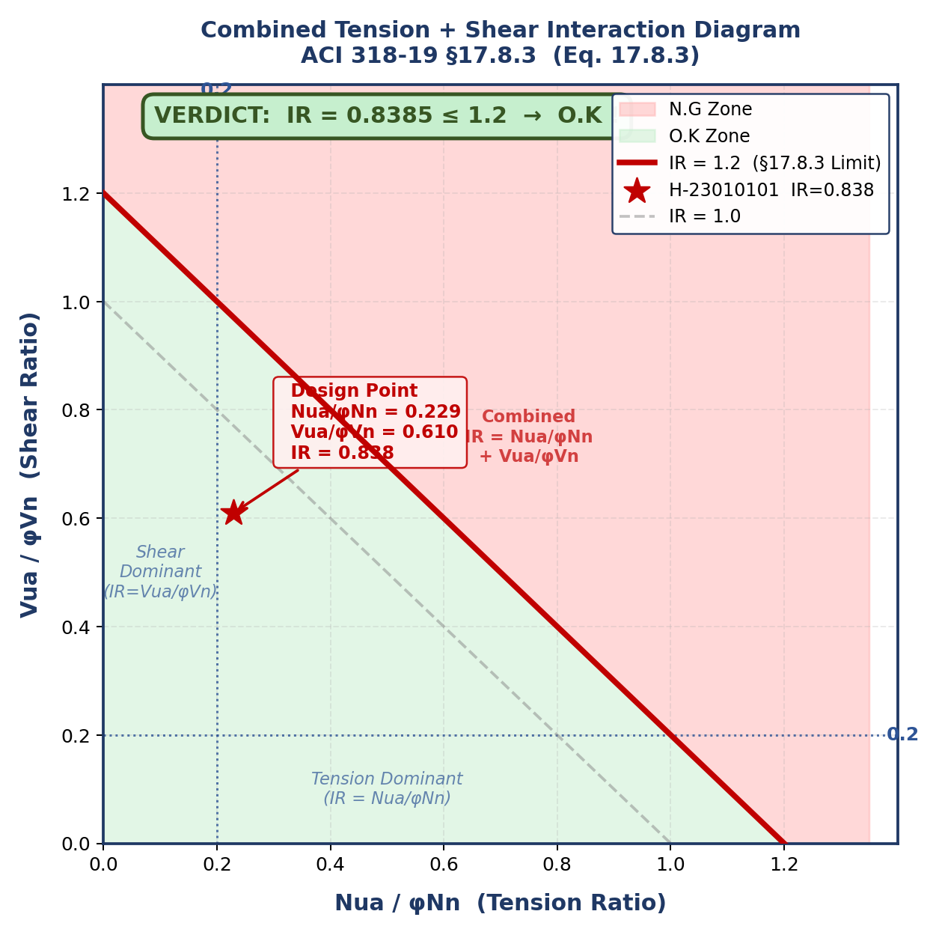
DL E&C 지반구조설계팀 | SHAHEEN-2300-CI-CA-0035 | Item: H-23010101 | By: 원성연 | 2026-08-06 | Rev. A
COMBINED TENSION + SHEAR [IR] — ACI 318-19 §17.8.3
Code: ACI 318-19 Chapter 17 | Anchor Type: Cast-in Headed Bolt | Project: SHAHEEN

ACI 318-19 §17.8.3 (Eq. 17.8.3): When Nua/φNn > 0.2 AND Vua/φVn > 0.2:
Nua/φNn + Vua/φVn ≤ 1.2
Else if Nua/φNn ≤ 0.2: full shear only Else if Vua/φVn ≤ 0.2: full tension only

Governing Capacities
No. | Symbol | Item / Description | Formula / Calculation (수식 전개) | Value | Unit | Code Reference
1 | φNn | Governing tension capacity | min(φNsa, φNcbg, φNpn, φNsb) = min(542.87, 352.20, 5807.21, 611.00) = φNcbg (with rebar) = 352.20 kN | 352.200 | kN | ACI 318-19 §17.8.1
2 | φVn | Governing shear capacity | min(φVsa, φVcbg, φVcpg) = min(1693.75, 39.83, 516.69) = φVcbg = 39.83 kN | 39.825 | kN | ACI 318-19 §17.8.1

Demand Ratios
No. | Symbol | Item / Description | Formula / Calculation (수식 전개) | Value | Unit | Code Reference
3 | Nua/φNn | Tension demand ratio | Nua,i / φNn = 80.610 / 352.200 | 0.229 | — | ACI 318-19 §17.8.3
4 | Vua/φVn | Shear demand ratio | Vua,i / φVn = 49.000 / 39.825 | 1.230 | — | ACI 318-19 §17.8.3

Interaction Ratio IR — §17.8.3
Nua/φNn > 0.2 AND Vua/φVn > 0.2 → Combined interaction (Eq. 17.8.3)
No. | Symbol | Item / Description | Formula / Calculation (수식 전개) | Value | Unit | Code Reference
5 | IR | Interaction ratio | Nua/φNn + Vua/φVn = 0.2289 + 1.2304 = 1.4593 ≤ 1.2 | 1.459 | — | ACI 318-19 §17.8.3

종합 판정: IR = 1.4593 ≤ 1.2 → N.G !
전체 결론: 불만족 항목 있음 — 설계 수정 필요 N.G !

Fig. C-1 Combined T+V Interaction Diagram (ACI 318-19 §17.8.3, Eq. 17.8.3) | IR = Nua/φNn + Vua/φVn ≤ 1.2

Fig. C Combined T+V Interaction Diagram (ACI 318-19 §17.8.3 | IR = Nua/φNn + Vua/φVn ≤ 1.2)

