Todo Design
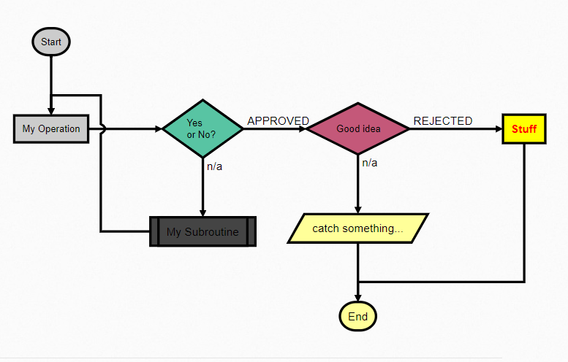
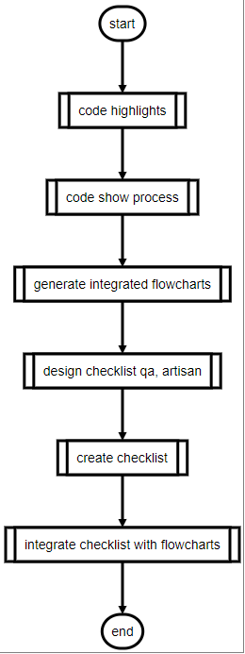

Yes / No?

What is your name?

 |  |  |  |  |  |  |  |  | /What is your name?/


 |  |  |  | [Todo items] $ Item1, Item2, Item3, Item4, Item5 $

 |  |  |  | [Todo items] $ items.chk $ |  |  |  | items.chk |  |  |  | checklist.config |  |  |  | m=min; d=day; w=week; m=month;
 |  |  |  |  |  |  |  | Item 1 (1h) |  |  |  |  | default
 |  |  |  |  |  |  |  | Item 2 |  |  |  |  |  | day | 8h
- Weekend (we)
- 1 week (1w)
- 1.5 weeks (1.5w)
- 2 weeks (2w)
- 3 weeks (3w)
- 4 weeks (4w)
 |  |  |  |  |  |  |  | Item 3 (3h) |  |  |  |  |  | week | 5d
 |  |  |  |  |  |  |  | Item 4 |  |  |  |  |  | weekend | 2d
 |  |  |  |  |  |  |  | Item 5 |  |  |  |  |  | month | 20d
 |  |  |  |  |  |  |  |  |  | Folders |  |  |  | itemDuration | 2h
Start date | ??? | End date | ??? |  | Equipment prepare |  |  |  |  |  |  |  |  | totalDuration | 1w
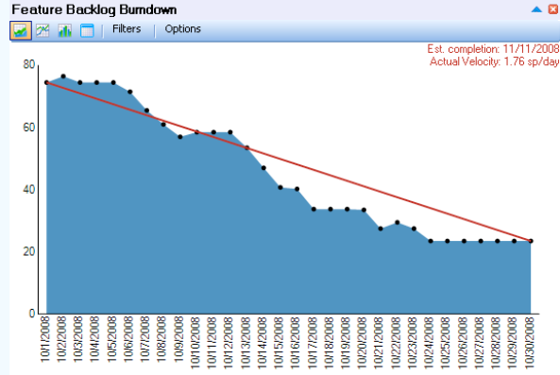
 |  |  |  |  |  | Equipment Cabin |  | Alias |  |  |  |  |  | statusInterval | 1d
 |  |  |  |  |  |  | Cabin.chk | (Reheater1)
 |  |  |  |  |  |  | Cabin.chk | (Economiser) |  | Check stock
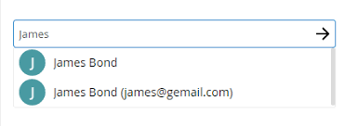
 |  |  |  |  |  | Equipment other |  |  |  | Equip. Forms |  |  | Users
 |  |  |  |  |  |  | Inspection company cabins.chk |  |  | Package |  |  |  | Egan
 |  |  |  |  |  |  | Miscellaneous.chk |  |  | QA |  |  |  | Jacques
 |  |  |  |  | Off Site prepare |  |  |  |  |  |  |  |  | Cobus
 |  |  |  |  |  | Off Site Prepare1 |  |  |  |  |  |  |  | Ruan
 |  |  |  |  |  |  | ComponentList.chk |  | Setup Logos |  |  |  |  | Tertius
 |  |  |  |  |  |  |  |  | Set master
 |  |  |  |  |  |  |  |  | Setup Master |  | Define todo's
 |  |  |  |  |  |  |  |  | Testing |  | Collect done vs outstanding

 |  |  |  |  |  | Off Site Prepare2
 |  |  |  |  |  |  | Database.chk |  | IT prep Done
 |  |  |  |  |  |  | Training.chk |  | IT QA Done
 |  |  |  |  |  |  | Logistics.chk | (logistics} | Logistics
 |  |  |  |  | On Site setup
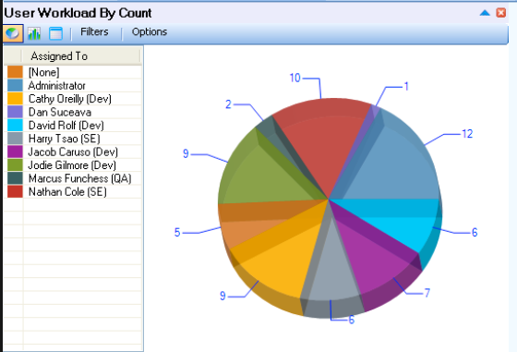
 |  |  |  |  |  | On Site
 |  |  |  |  |  |  | Tablet Setup.chk
 |  |  |  |  |  |  | Site establishment.chk |  | Done
 |  |  |  |  |  |  | TBI training.chk |  | QA
 |  |  |  |  |  |  | MCI training.chk

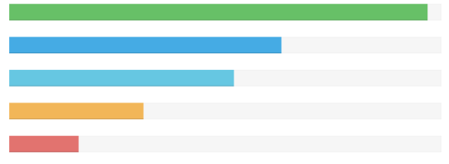
 |  |  |  |  | Equipment prepare
 |  |  |  |  |  | Check stock
 |  |  |  |  |  | Equip. Forms
 |  |  |  |  |  | Package
 |  |  |  |  |  | QA
 |  |  |  |  | Off Site
 |  |  |  |  |  | Setup Logos
 |  |  |  |  |  | Set master
 |  |  |  |  |  | Setup Master
 |  |  |  |  |  | Testing
 |  |  |  |  |  | IT prep Done
 |  |  |  |  |  | IT QA Done
 |  |  |  |  |  | Logistics
 |  |  |  |  | On Site
 |  |  |  |  |  | Done
 |  |  |  |  |  | QA

Burndown
Burn down
 | Target | Actual
2/10/2019 | 34 | 34
2/11/2019 |  | 33
2/12/2019 |  | 31
2/13/2019 |  | 30
2/14/2019 |  | 29
2/15/2019 |  | 28
2/16/2019 |  | 28
2/17/2019 |  | 28
2/18/2019 |  | 23
2/19/2019 |  | 23
2/20/2019 |  | 23
2/21/2019 |  | 23
2/22/2019 | 0 | 23
 |  |  |  |  |  |  |  |  |  |  |  |  |  |  |  |  | Day | 134
Sprint 1 (Week 1 - Week 2) |  |  |  |  |  |  |  |  |  |  |  | 80 | Hours |  | Today: | 2019-06-24 10:23:01 | Hours/task | 2.4
Front-end |  | Done | Back-end |  | Done | Integrate | Done | QA & Test | Done | ProjectM | Done |  |  |  |  |  | Task/day | 3 | Todo | 368.66666667
1 | Login User | x | 1 | Create / update user |  | 1 |  | 1 |  | URS | x |  |  | No | Date | Target | Actual | Work | Accum | Todo
2 | Login Password reset | x | 2 | User Reset |  | 2 |  | 2 |  | Mockup | x |  |  | 0 | 2019-02-10 | 34 | 34 |  |  | 0
3 | Setup User | x | 3 | Retrieve user data |  | 3 |  | 3 |  | Total Hours | x |  |  | 1 | 2019-02-11 |  | 33 | 1 | 1 | 2.8
4 | Setup Role | x | 4 | Add/update/view users |  | 4 |  | 4 |  | Sprint1 | x |  |  | 2 | 2019-02-12 |  | 31 | 3 | 3 | 5.7
5 | Setup Site | x | 5 | Add/update/view roles |  | 5 |  | 5 |  | Sprint2 | x |  |  | 3 | 2019-02-13 |  | 30 | 4 | 4 | 8.5
6 | Setup Reasons | x | 6 | Add/update/view Reasons |  | 6 |  | 6 |  | Demo |  |  |  | 4 | 2019-02-14 |  | 29 | 5 | 5 | 11.3
 |  |  | 7 | Add/Update workflow of site |  |  |  | 7 |  |  |  |  |  | 5 | 2019-02-15 |  | 28 | 6 | 6 | 14.2
 |  |  | 8 | View workflows/ site |  |  |  | 8 |  |  |  |  |  | 6 | 2019-02-16 |  | 28 | 0 | 6 | 17.0
 |  |  |  |  |  |  |  |  |  |  |  |  |  | 7 | 2019-02-17 |  | 28 | 0 | 6 | 19.8
Totals |  |  |  |  |  |  |  |  |  |  |  | Items | Done | 8 | 2019-02-18 |  | 23 | 11 | 11 | 22.7
 | 6 | 6 |  | 8 | 0 | 6 | 0 | 8 | 0 | 6 | 5 | 34 | 11 | 9 | 2019-02-19 |  | 23 | 0 | 11 | 25.5
 |  |  |  |  |  |  |  |  |  |  |  |  |  | 10 | 2019-02-20 |  | 23 |  | 11 | 28.3
 |  |  |  |  |  |  |  |  |  |  |  |  |  | 11 | 2019-02-21 |  | 23 |  | 11 | 31.2
 |  |  |  |  |  |  |  |  |  |  |  |  |  | 12 | 2019-02-22 | 0 | 23 |  | 11 | 34.0

Design
Sample | Unique items |  |  |  |  |  | Create
(Auto job card) | no | code | type | flows |  |  | Legend
[[Do flow]] | 1 | a | start | Auto job card |  | 1 | () | (Start) / (End)
<Success?> (Close out) ?? [Task] {red} | 2 | z | end | Close out |  | 2 | [] | [operation]
(Close out) | 3 | f01 | subroutine | Do flow |  | 3 | [[]] | [[subroutine]]
[Task] {red} | 4 | c01 | condition | Success? |  | 4 | <> .. / .. | <condition?> yes / now
[[Do flow]] | 5 | t01 | operation | Task |  | 5 | // | /inputoutput/
 |  |  |  |  |  |  | :> <: | Link to item | :>http://www.google.com[blank]

 |  |  | Flow
 |  |  | From | To | Colour
 |  |  | a | f01
 |  |  | f01 | c01
 |  |  | c01(yes) | z
 |  |  | c01(no) | t01 | red
 |  |  | t01 | f01 | red

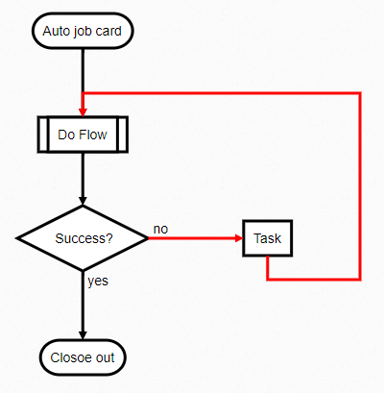
a=>start: Auto job card
z=>end: Closoe out
f01=>subroutine: Do Flow
c01=>condition: Success?
t01=>operation: Task

a->f01
f01->c01
c01(yes)->z
c01(no)->t01
t01->f01

c01(no)@>t01({"stroke":"Red"})
t01@>f01({"stroke":"Red"})

Design (Easy useCase)
 |  |  |  |  |  |  |  |  |  |  |  | (start)
Application design |  |  |  |  | Unique items |  |  |  | 1 | sdfsdfsf | ---> | [ ????? ]
-o | open | Open flowchart site | and also show legend |  | no | code | type | flows |  |  |  | (end)
-g | generate <file> | generate the file name |  |  | 1 | a | start | parse file
-u | update | show unique list of items and update accrosss |  |  | 2 | z | end | stop |  |  |  | (start)
-? | howto | Show more detail help |  |  | 3 | t01 | operation | open file | 2 | sffsfs | ---> | [ ???? ]
Process |  |  |  |  | 4 | t02 | operation | [create unique_array] |  | sdgegr |  | [ ???? ]
(start) |  |  |  | (parse file) | 5 | t03 | operation | [create flow_array] |  |  |  | (end)
<help?> [show help] ?? <update?> |  |  |  | [open file]
<update?> [[update]] ?? <generate?> |  |  |  | [create unique_array] |  |  |  |  |  |  |  | (start)
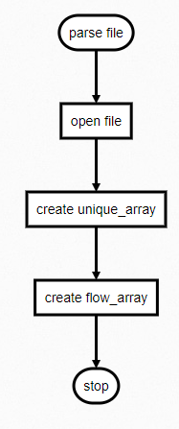
<generate?> [[generate]] ?? <open?> |  |  |  | [create flow_array] |  |  |  |  | 3 | [sfsdsd] | ---> | [sfsdsd]
<open?> [open] ?? [show help] |  |  |  | (stop) | Flow |  |  |  |  |  |  | (end)
[open] |  |  |  |  | From | To | Colour
(end) |  |  |  |  | a | t01 |  |  |  |  |  | (start)
[show help] |  |  |  |  | t01 | t02 |  |  | 4 | [task1] |  | [task1]
(end) |  |  |  |  | t02 | t03 |  |  |  | [task2] | ---> | [task2]
[[generate]] |  |  |  |  | t03 | z |  |  |  | [asfsf |  | [ ???? ]
[[parse file]] |  |  |  |  |  |  |  |  |  | [[task3 |  | [ ???? ]
[generate_header] |  |  |  |  |  |  |  |  |  | [[task4] |  | [task4]
[[generate_flow]] |  |  |  | a=>start: parse file |  |  |  |  |  |  |  | (end)
[[generate_colour]] |  |  |  | z=>end: stop
(end) |  |  |  | t01=>operation: open file |  |  |  |  | 5 | [task1 |  | (start)
[[update]] |  |  |  | t02=>operation: create unique_array |  |  |  |  |  | task2 | ---> | [task1 \ntask2 \ntask3]
[[parse file]] |  |  |  | t03=>operation: create flow_array |  |  |  |  |  | task3] |  | (end)
[show unique_array items]
<enter line no> [show item] ?? (end) |  |  |  | a->t01
[show item] |  |  |  | t01->t02 |  |  |  |  |  | array_start | ---> | (, [, <, ??, /
/get new definition/ |  |  |  | t02->t03
[replace all items with new one] |  |  |  | t03->z |  |  |  |  |  | array_end | ---> | ), ], /, >
(end)
 |  |  |  |  |  |  |  |  |  | condition | ---> | <, >, something ?? Something

Design (subProcess)

(Auto job card)
[[Do flow]]
<Success?> (Close out) ?? [Task] {red}
(Close out)
[Task] {red}
[[Do flow]]
-g | generate <file> | generate the file name
-b | build all <folder/file> | In the folder, build all related files. Show ignored files

 |  | (Lamed Flowchart)
 |  | <generate?> [[generate]] ?? <help?>
 |  | [[generate]]
 |  | [[parse file]]
 |  | [generate_header]
 |  | [generate_flow]
(Do flow)
[Task1]
[Task2]
[Task3]
(end)
 |  | [generate_colour]
 |  | (end)
 |  | <help?> [show help] ?? (end) {red}
 |  | [show help]
 |  | (end)

console app


(build js console app)
[header]
[console require]
[parse parameters]
[command help]
[command detail help]
[[main function]]
<if error?> [show errors] {red} ?? (end)
[show errors] {red}
(end)

