Abbriviations
abbr/heading.md
Abbr/Def1.md
Abbr/Heading/Def2.md
Used abbriviations.txt
indexAbbr.md
indexAbbr.txt
_allAbbriviations.md
_usedAbbriviations.md
Generate
Common words.txt
indexAbbr.txt
Exclude list.txt
markdown doc
New abbriviations.txt
debug/ lists.txt
Used abbriviations.txt
Update

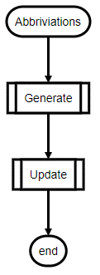
(Abbriviations)
[[Generate]]
[[Update]]
(end)

