Website Critique
Designer World — Website Review & Critique Tracker
Instructions: Paste/insert a full-size screenshot into the Screenshot cell for each row (Insert > Pictures > place in cell, then resize to fit column D). One row = one observation. Fill Remark, Suggestion, Priority and Status for each item.

Sr No | Section / Area | Screenshot | Remark / Issue | Suggestion |  | STATUS
1 | 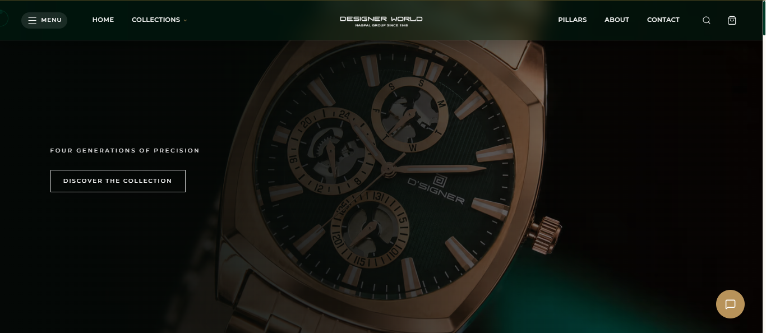 BANNER |  | THE BANNER USED IS TOO DARK MAKES THE WATCH LOOK DULL | IT'S SUGGESTED TO USE 970 MODEL OR 824 MODEL FROM GRANDEUR SERIES
2 | EXPLORE SECTION | 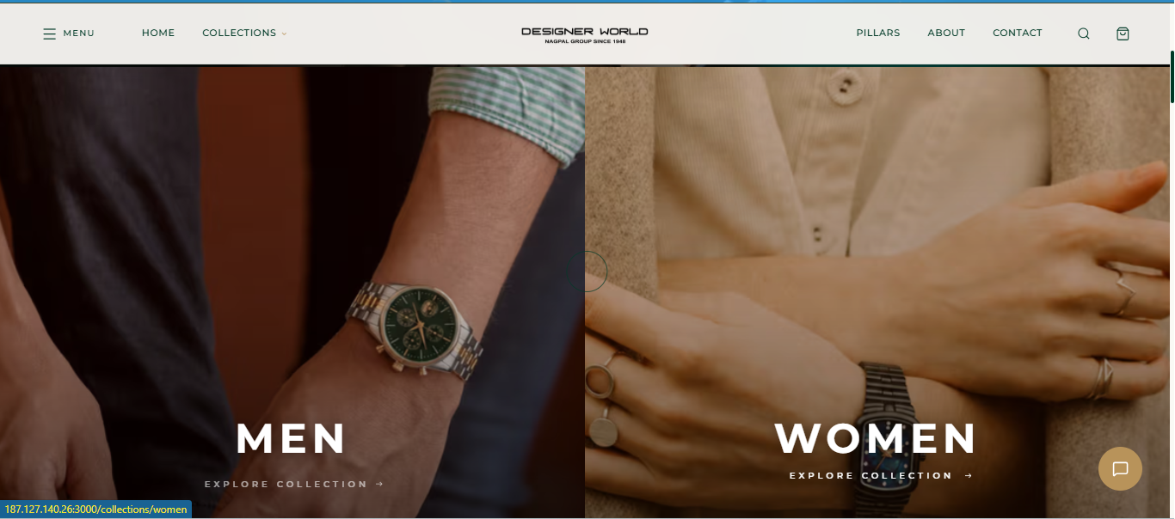 | THIS IS CONFUSING WAY BECAUSE CUSTOMER DOESN’T GETS OPTION TO CHOOSE WHICH BRAND TO EXPLORE | 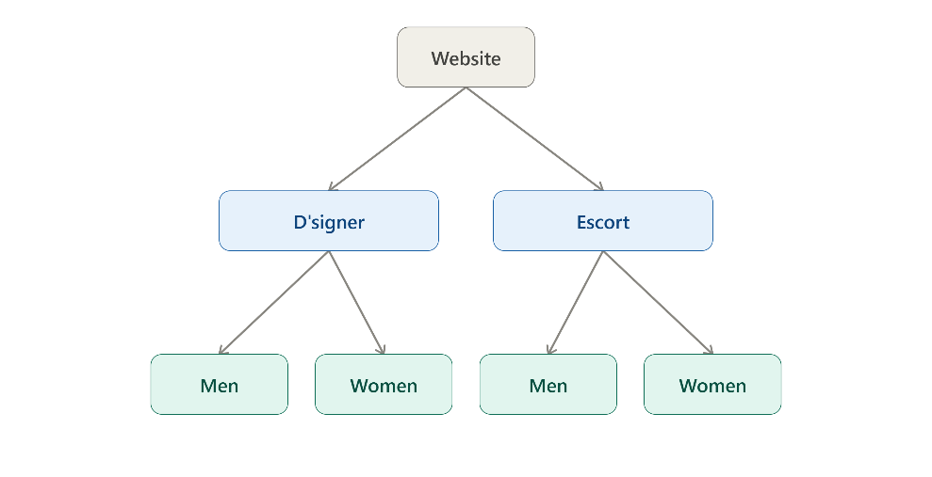 SUGGESTING TWO FLOWS | 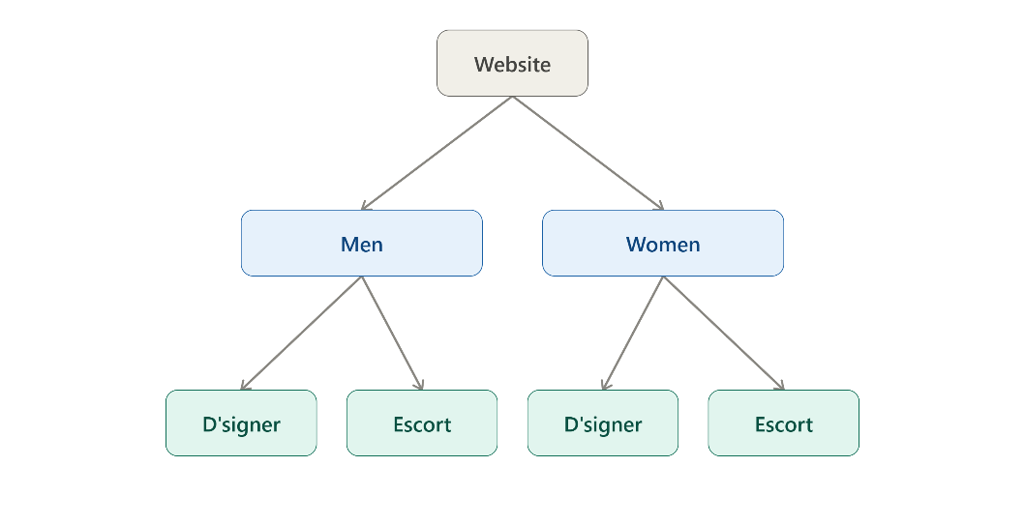
3 | 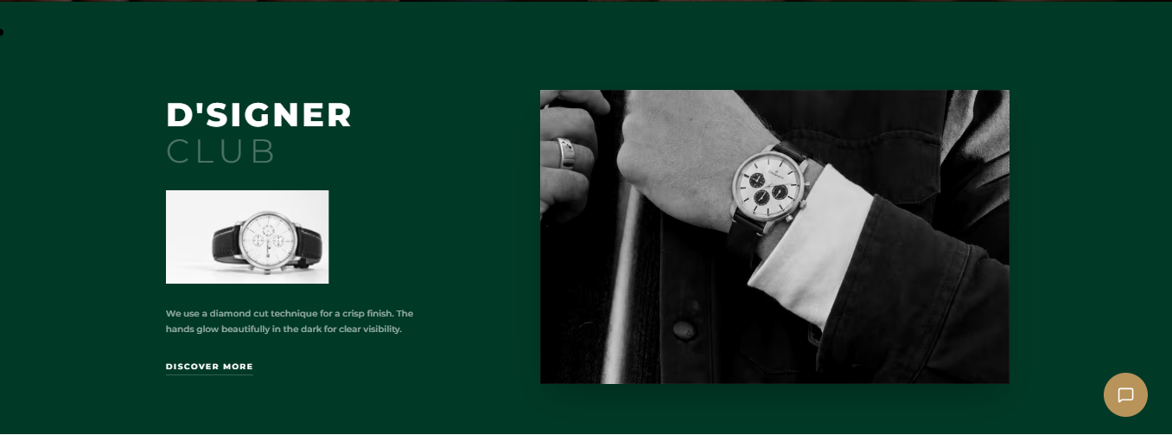 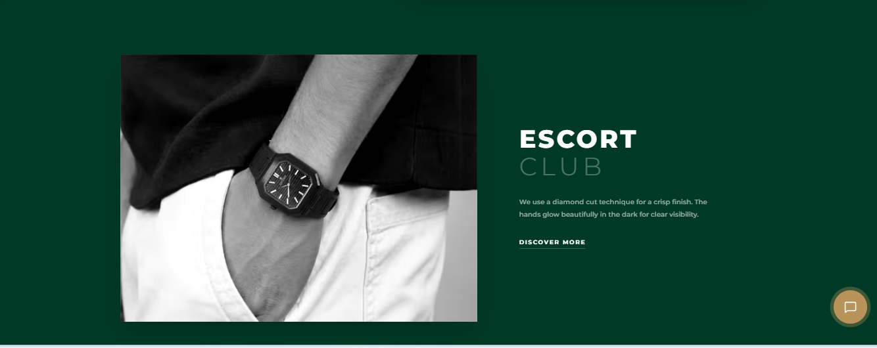 BRAND EXPLORE |  | THESE MIGHT BECOME REPEATABLE PLS SUGGEST, ALSO WHY WORD CLUB USED TO DESCRIBE THE BRAND | AND IF KEPT AS IT IS CAN WE DESCRIBE D'SIGNER FOR THE MASSES AND ESCORT FOR THE CLASSES.
4
5 | HOROLOGY ON WRIST | 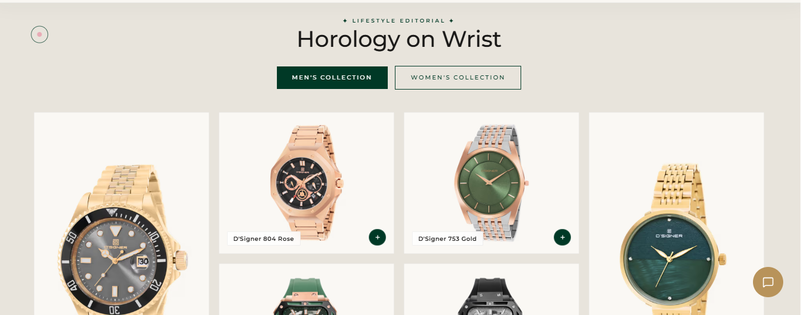 | THIS IS REPEATED REMOVE IT | REPLACE IT WITH MODELS SUGGESTED MODELS FROM MASTERPIECE OF D'SIGNER COLLECTION(GO THROUGH THE CATALOGUE SHARED IN GROUP FOR THIS
6 | VIDEO | 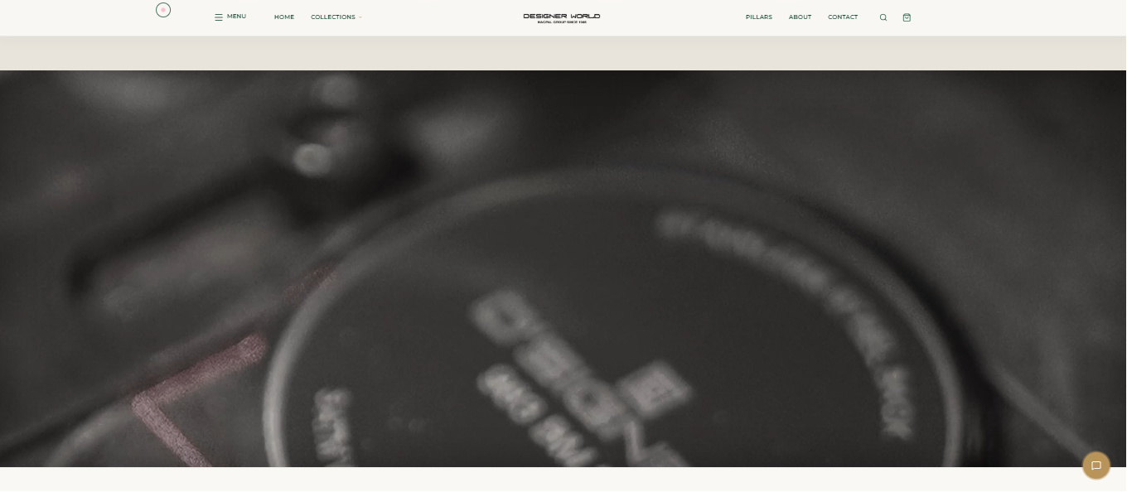 | THIS VIDEO REPLACE IT WITH ONE OF THE MODELS FROM MASTERPIECE COLLECTION | SUGGESTED MODEL 824 GRANDEUR AUTOMATIC
7 | ABOUT US EXPLORE | 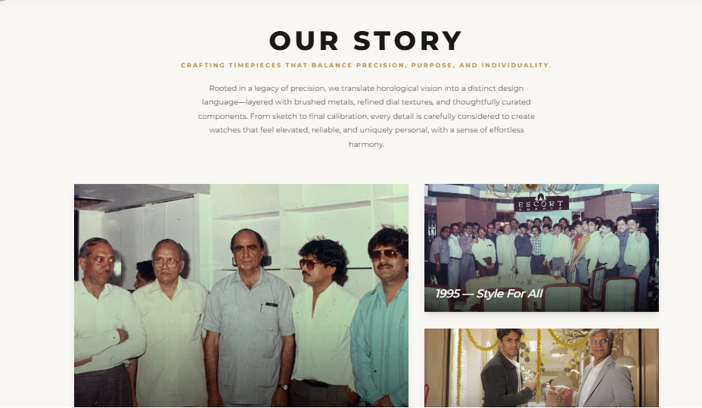 | THIS SECTION IS FOR ABOUT HENCE NOT REQUIRED
8 | DATA |  | THE NUMBERS ARE WRONG SUGGESTING NUMBERS | :-4 GENERATIONS EXPERTISE :-200+ WATCH POINTS ALL ACROSS INDIA :- 5000+ STYLES :- 5,00,000 WATCHES MANUFACTURED
9 | ADDITIONAL CONCEPT | 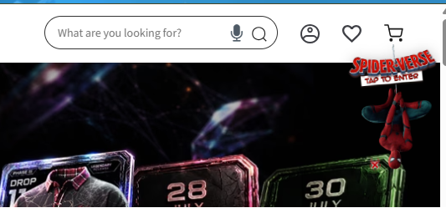 | _ | CAN WE HAVE OUR 35+ YEARS OF WATERMARK OR SOME DIFFERENT WATERMARK IN SOME CORNER OF WEBSITE WITH TEXT SOMETHING LIKE "CELEBRATING 35 YEARS OF JOURNEY OF DSIGNER"
10 | MENS SECTION | 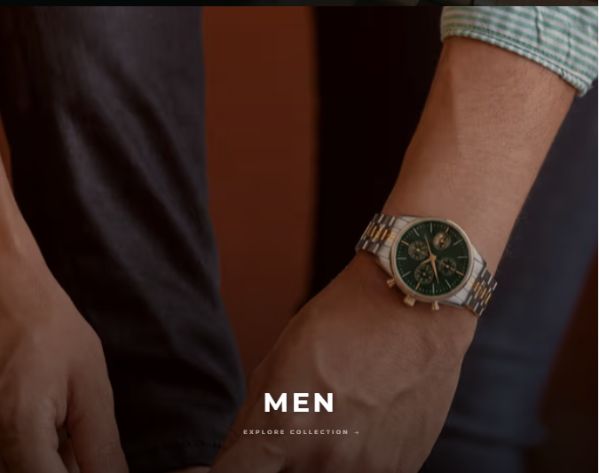 | MENS WATCH POSTER CHANGE | MODEL SUGGESTED 820
11 | WOMENS SECTION | 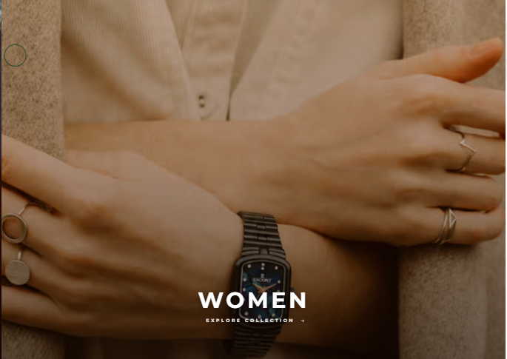 | THIS POSTER HAS TECHNICAL MISTAKE SINCE AI WAS USED THE CROWN IS ON THE WRONG SIDE KINDLY REWISE THE POSTER
12 | ADDITIONAL CONCEPT | 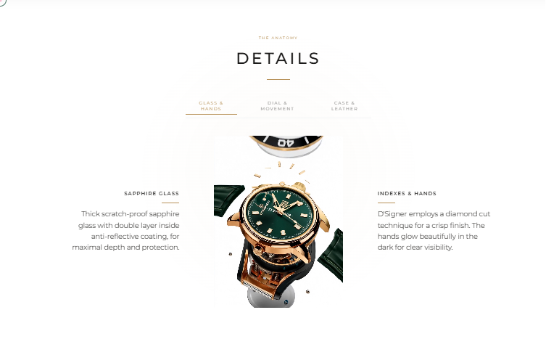 | FROM THE LAST WEBSITE THIS CONCEPT IS MISSING CAN WE HAVE REVISED ACCURATE VIDEO PLAYING IN THIS CONCEPT ON WEBSITE
13 | MISSING THINGS: -UPDATE OF THE MONTH -MODELS OF THE MONTH -DEALS OF THE MONTH -POP UPS

Legend
• Priority — High: blocks launch / brand-critical, Medium: should fix before go-live, Low: nice-to-have polish.
• Status — Open: not yet actioned, In Progress: agency working on it, Fixed: resolved & verified, Won't Fix: acknowledged, no action.
• Screenshot column — insert one large, clear screenshot per row. Row height is pre-set tall; resize the image to fit within the cell borders.

