Figure 1.1
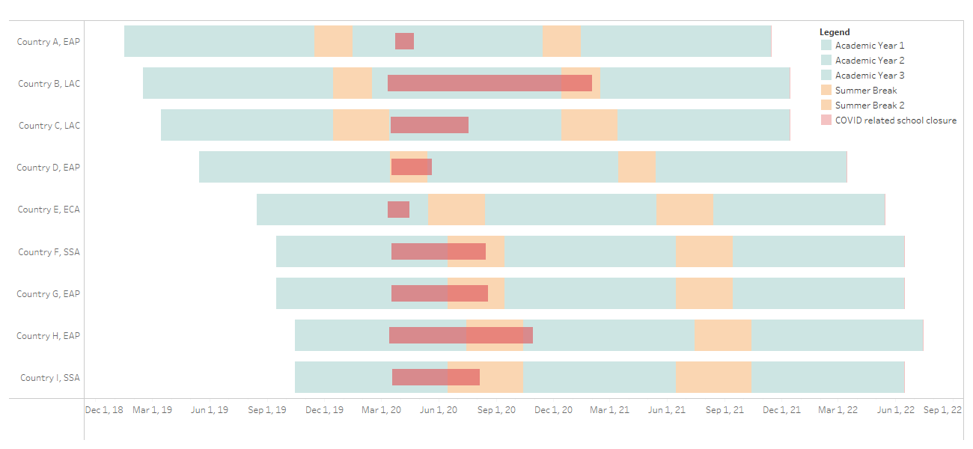
back to Index | NOT AUTOMATED

[Note to editors/designers: graph done on Tableau, please contact Diana Goldemberg <dgoldemberg1@worldbank.org> for any edits needed]

Figure 5.2
back to Index | DO NOT INSERT NOR MOVE CELLS (STATA WILL PASTE IN A3)

Note: data in the graph from the Global row only. But N is the series name (salmon) is not automated. Could modify Stata code to check N and paste directly in Excel only what is needed
Label | Platform developed by Ministry of National Education (N=149) | Using existing commercial or open source platform (N=149) | All subjects and developmental domains covered in the online platform (N=95)
Primary | 0 | 0 | 0
Secondary | 0 | 0 | 0

Figure 9.1
back to Index | DO NOT INSERT NOR MOVE CELLS (STATA WILL PASTE IN A3)
Reducing person-to-person transmission |  | Reducing exposure contact | Isolating staff or students who are infected or exposed to COVID-19

Reducing person-to-person transmission
Reducing exposure contact
Isolating staff or students who are infected or exposed to COVID-19

Figure 10.2
back to Index | DO NOT INSERT NOR MOVE CELLS (STATA WILL PASTE IN A3)

[Formulas based on range above (reshape in Excel)]
0 | 0 | 0
 | 0 | 0
 | 0 | 0
 | 0 | 0
 | 0 | 0
0 | 0 | 0
 | 0 | 0
 | 0 | 0
 | 0 | 0
 | 0 | 0

