Hoja1
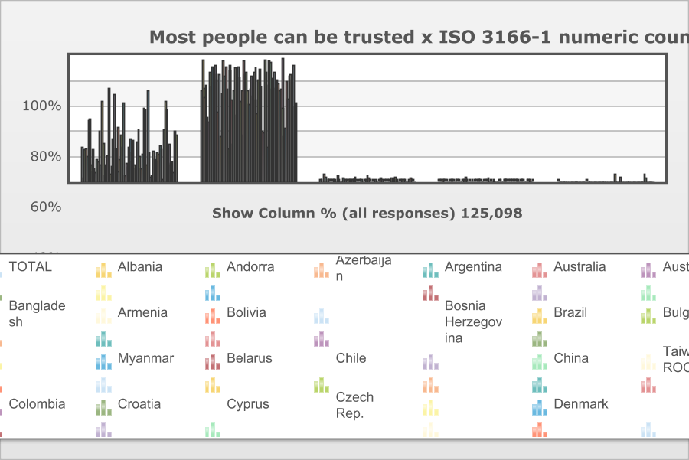
 | http://www.worldvaluessurvey.org/WVSOnline.jsp

 | World Values Survey Wave 7: 2017-2020
 | Most people can be trusted

 | TOTAL | ISO 3166-1 numeric country code
 |  | Albania | Andorra | Azerbaijan | Argentina | Australia | Austria | Bangladesh | Armenia | Bolivia | Bosnia Herzegovina | Brazil | Bulgaria | Myanmar | Belarus | Chile | China | Taiwan ROC | Colombia | Croatia | Cyprus | Czech Rep. | Denmark | Ecuador | Ethiopia | Estonia | Finland | France | Georgia | Germany | Greece | Guatemala | Hong Kong SAR | Hungary | Iceland | Indonesia | Iran | Iraq | Italy | Japan | Kazakhstan | Jordan | South Korea | Kyrgyzstan | Lebanon | Lithuania | Macau SAR | Malaysia | Mexico | Montenegro | Netherlands | New Zealand | Nicaragua | Nigeria | Norway | Pakistan | Peru | Philippines | Poland | Puerto Rico | Romania | Russia | Serbia | Slovakia | Vietnam | Slovenia | Zimbabwe | Spain | Sweden | Switzerland | Tajikistan | Thailand | Tunisia | Turkey | North Macedonia | Egypt | United Kingdom | United States
Most people can be trusted | 27 | 2.8 | 25.5 | 26.3 | 19.2 | 48.5 | 49.8 | 12.9 | 24.9 | 8.5 | 9.6 | 6.5 | 17.1 | 15.1 | 40 | 12.9 | 63.5 | 30.8 | 4.5 | 13.6 | 6.6 | 21.1 | 73.9 | 5.8 | 11.9 | 33.9 | 68.4 | 26.3 | 9 | 43.4 | 8.4 | 18 | 36.4 | 27.2 | 62.3 | 4.6 | 14.8 | 11 | 26.6 | 33.7 | 22.8 | 15.9 | 32.9 | 12.8 | 9.9 | 31.7 | 41.4 | 19.6 | 10.5 | 21.7 | 58.5 | 56.6 | 4.2 | 13 | 72.1 | 23.3 | 4.2 | 5.3 | 24.1 | 17.7 | 12.1 | 22.9 | 16.3 | 21.4 | 27.7 | 25.3 | 2.1 | 41 | 62.8 | 57.1 | 20.6 | 28.9 | 13.8 | 14 | 15.1 | 7.3 | 40.2 | 37
Need to be very careful | 71.3 | 96.8 | 74.2 | 66.9 | 76.2 | 50.6 | 47.5 | 87 | 74.6 | 90.5 | 89.4 | 91.6 | 80.3 | 84.9 | 54.8 | 85 | 35.7 | 69.2 | 95.5 | 83.7 | 91 | 73.3 | 25.8 | 92.3 | 87.8 | 64.6 | 29.6 | 72.3 | 90 | 52.5 | 90.6 | 82 | 63.1 | 71.8 | 36.2 | 95.3 | 85 | 86.8 | 71.3 | 61 | 72.6 | 83.5 | 67.1 | 86.4 | 90.1 | 64.6 | 53.2 | 80.4 | 89.3 | 75.5 | 39.8 | 38.5 | 95.8 | 86.4 | 26.9 | 75.9 | 95.6 | 94.5 | 73 | 81.4 | 86.2 | 74.1 | 80.1 | 77.5 | 72.3 | 73.2 | 97.8 | 57.7 | 35.7 | 41.7 | 79.4 | 65.6 | 83.2 | 84.1 | 79.9 | 92.4 | 59.3 | 62.5
Don´t know | 1.1 | 0.1 | 0 | 5.5 | 4 | 0 | 1.9 | 0.1 | 0.5 | 0.7 | 0.9 | 1.6 | 1.7 | 0 | 4.4 | 1.9 | 0 | 0 | 0 | 2.3 | 0.7 | 1.9 | 0.1 | 1.5 | 0.3 | 1.2 | 2 | 1.4 | 1 | 3.2 | 0.8 | 0 | 0.4 | 0.7 | 1.1 | 0 | 0.2 | 1.9 | 1.6 | 4.3 | 2.4 | 0.6 | 0 | 0.3 | 0 | 2.1 | 0 | 0 | 0.2 | 2.4 | 1.5 | 1.6 | 0 | 0.5 | 0.9 | 0.8 | 0.2 | 0 | 2.7 | 0 | 1.4 | 2.8 | 3.3 | 1.1 | 0 | 1 | 0.1 | 1.1 | 1.2 | 0.4 | 0 | 0 | 0 | 1.6 | 2.9 | 0.2 | 0.5 | 0
No answer | 0.4 | 0.4 | 0.3 | 1.3 | 0.6 | 0.8 | 0.8 | 0 | 0 | 0.2 | 0 | 0.3 | 0.9 | 0 | 0.7 | 0.3 | 0.8 | 0 | 0 | 0.4 | 1.7 | 3.7 | 0.2 | 0.1 | 0 | 0.3 | 0 | 0.1 | 0 | 0.8 | 0.1 | 0 | 0.1 | 0.4 | 0.5 | 0 | 0 | 0.2 | 0.6 | 1 | 2.2 | 0 | 0 | 0.5 | 0 | 1.5 | 0 | 0 | 0 | 0.4 | 0.2 | 0 | 0 | 0.1 | 0.1 | 0.1 | 0.1 | 0.2 | 0.2 | 1 | 0.3 | 0.2 | 0.3 | 0.1 | 0 | 0.5 | 0 | 0.2 | 0.4 | 0.9 | 0 | 0 | 0.1 | 0.2 | 2.1 | 0 | 0 | 0.4
Other missing; Multiple answers Mail (EVS) | 0.2 | 0 | 0 | 0 | 0 | 0 | 0 | 0 | 0 | 0 | 0 | 0 | 0 | 0 | 0 | 0 | 0 | 0 | 0 | 0 | 0 | 0 | 0 | 0.3 | 0 | 0 | 0 | 0 | 0 | 0 | 0 | 0 | 0 | 0 | 0 | 0 | 0 | 0 | 0 | 0 | 0 | 0 | 0 | 0 | 0 | 0 | 5.4 | 0 | 0 | 0 | 0 | 3.3 | 0 | 0 | 0 | 0 | 0 | 0 | 0 | 0 | 0 | 0 | 0 | 0 | 0 | 0 | 0 | 0 | 0 | 0 | 0 | 5.5 | 2.9 | 0 | 0 | 0 | 0 | 0
(N) | 125.098 | 1.454 | 1.004 | 1.817 | 1.003 | 1.813 | 1.651 | 1.2 | 1.501 | 2.067 | 1.735 | 1.762 | 1.566 | 1.2 | 1.548 | 1 | 3.036 | 1.223 | 1.52 | 1.493 | 1 | 1.829 | 3.369 | 1.2 | 1.23 | 1.304 | 1.22 | 1.88 | 2.212 | 3.698 | 1.2 | 1.203 | 2.075 | 1.519 | 1.633 | 3.2 | 1.499 | 1.2 | 2.282 | 1.353 | 1.276 | 1.203 | 1.245 | 1.2 | 1.2 | 1.453 | 1.023 | 1.313 | 1.739 | 1.004 | 2.409 | 1.057 | 1.2 | 1.237 | 1.123 | 1.995 | 1.4 | 1.2 | 1.358 | 1.127 | 2.873 | 3.648 | 2.566 | 1.436 | 1.2 | 1.08 | 1.215 | 1.21 | 1.198 | 3.181 | 1.2 | 1.5 | 1.208 | 2.415 | 1.118 | 1.2 | 1.794 | 2.596

