Corr_All21
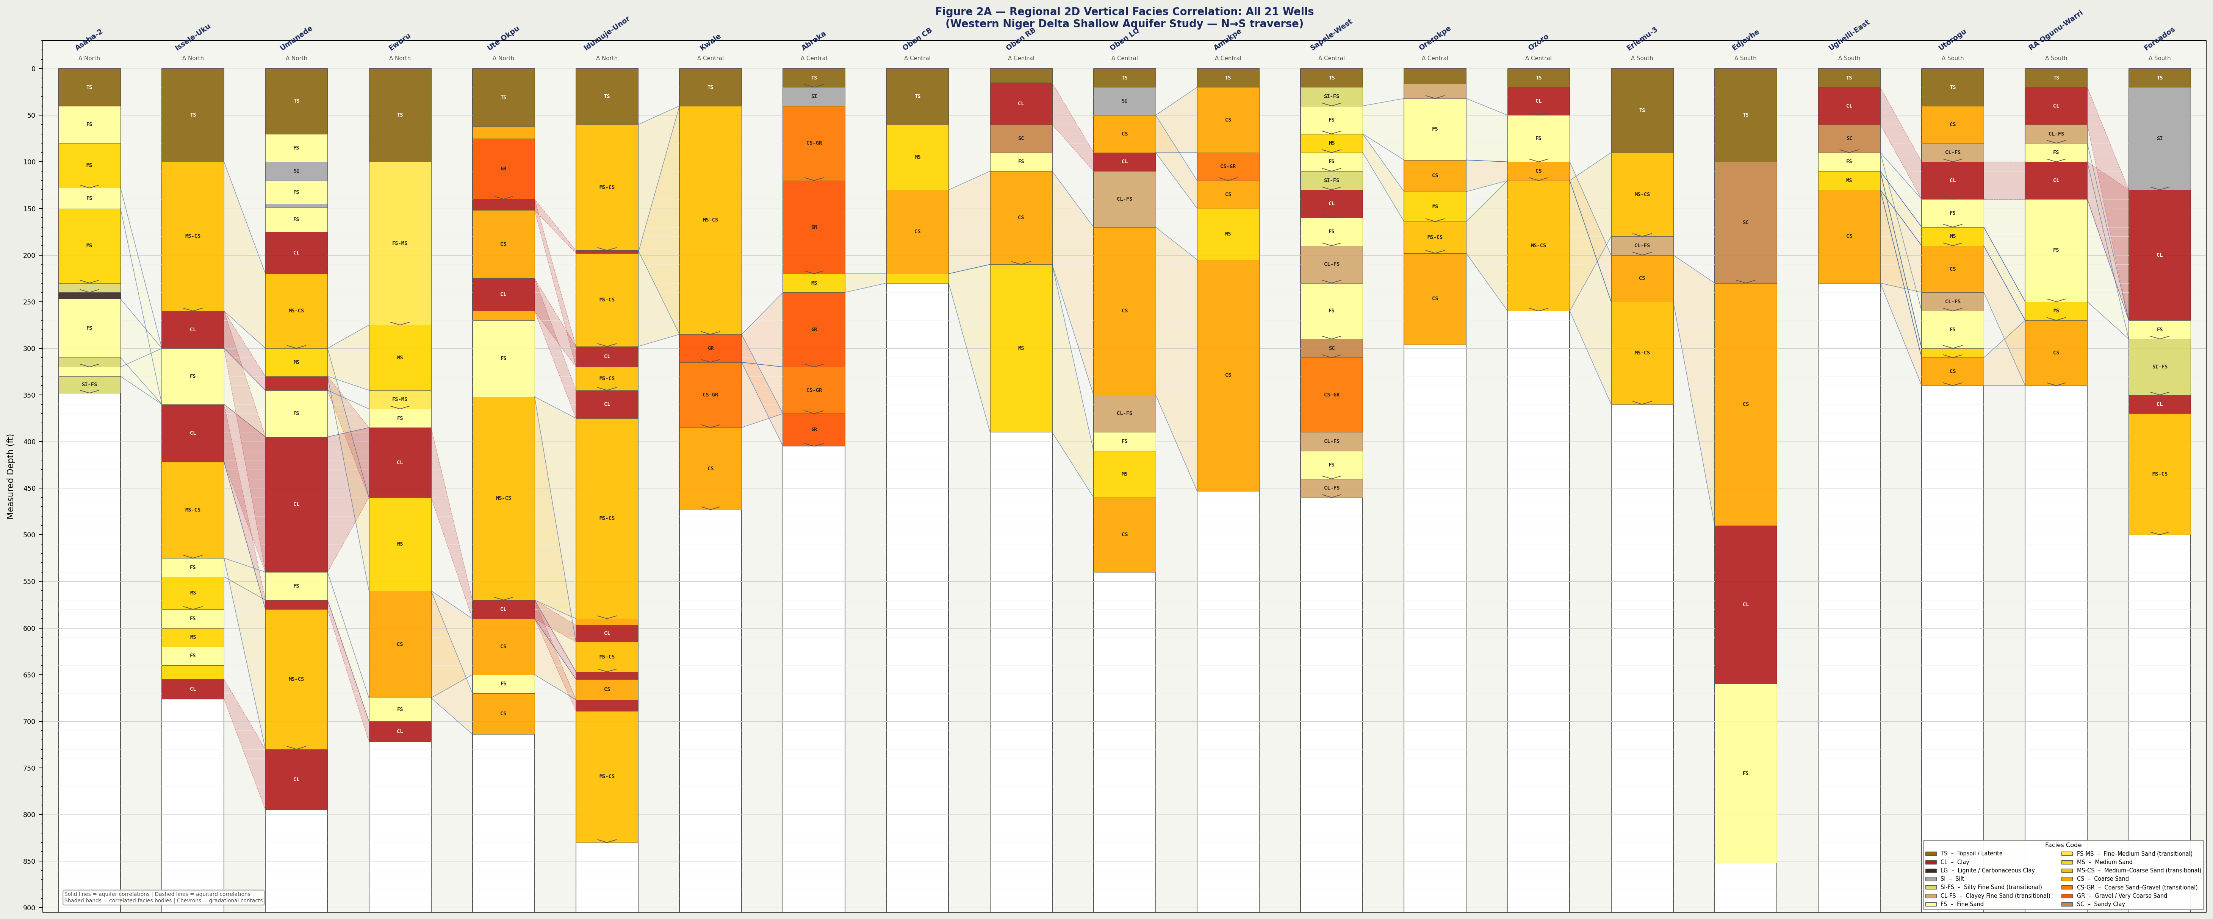
Figure 2A – Regional 2D Vertical Facies Correlation: All 21 Wells

Corr_North
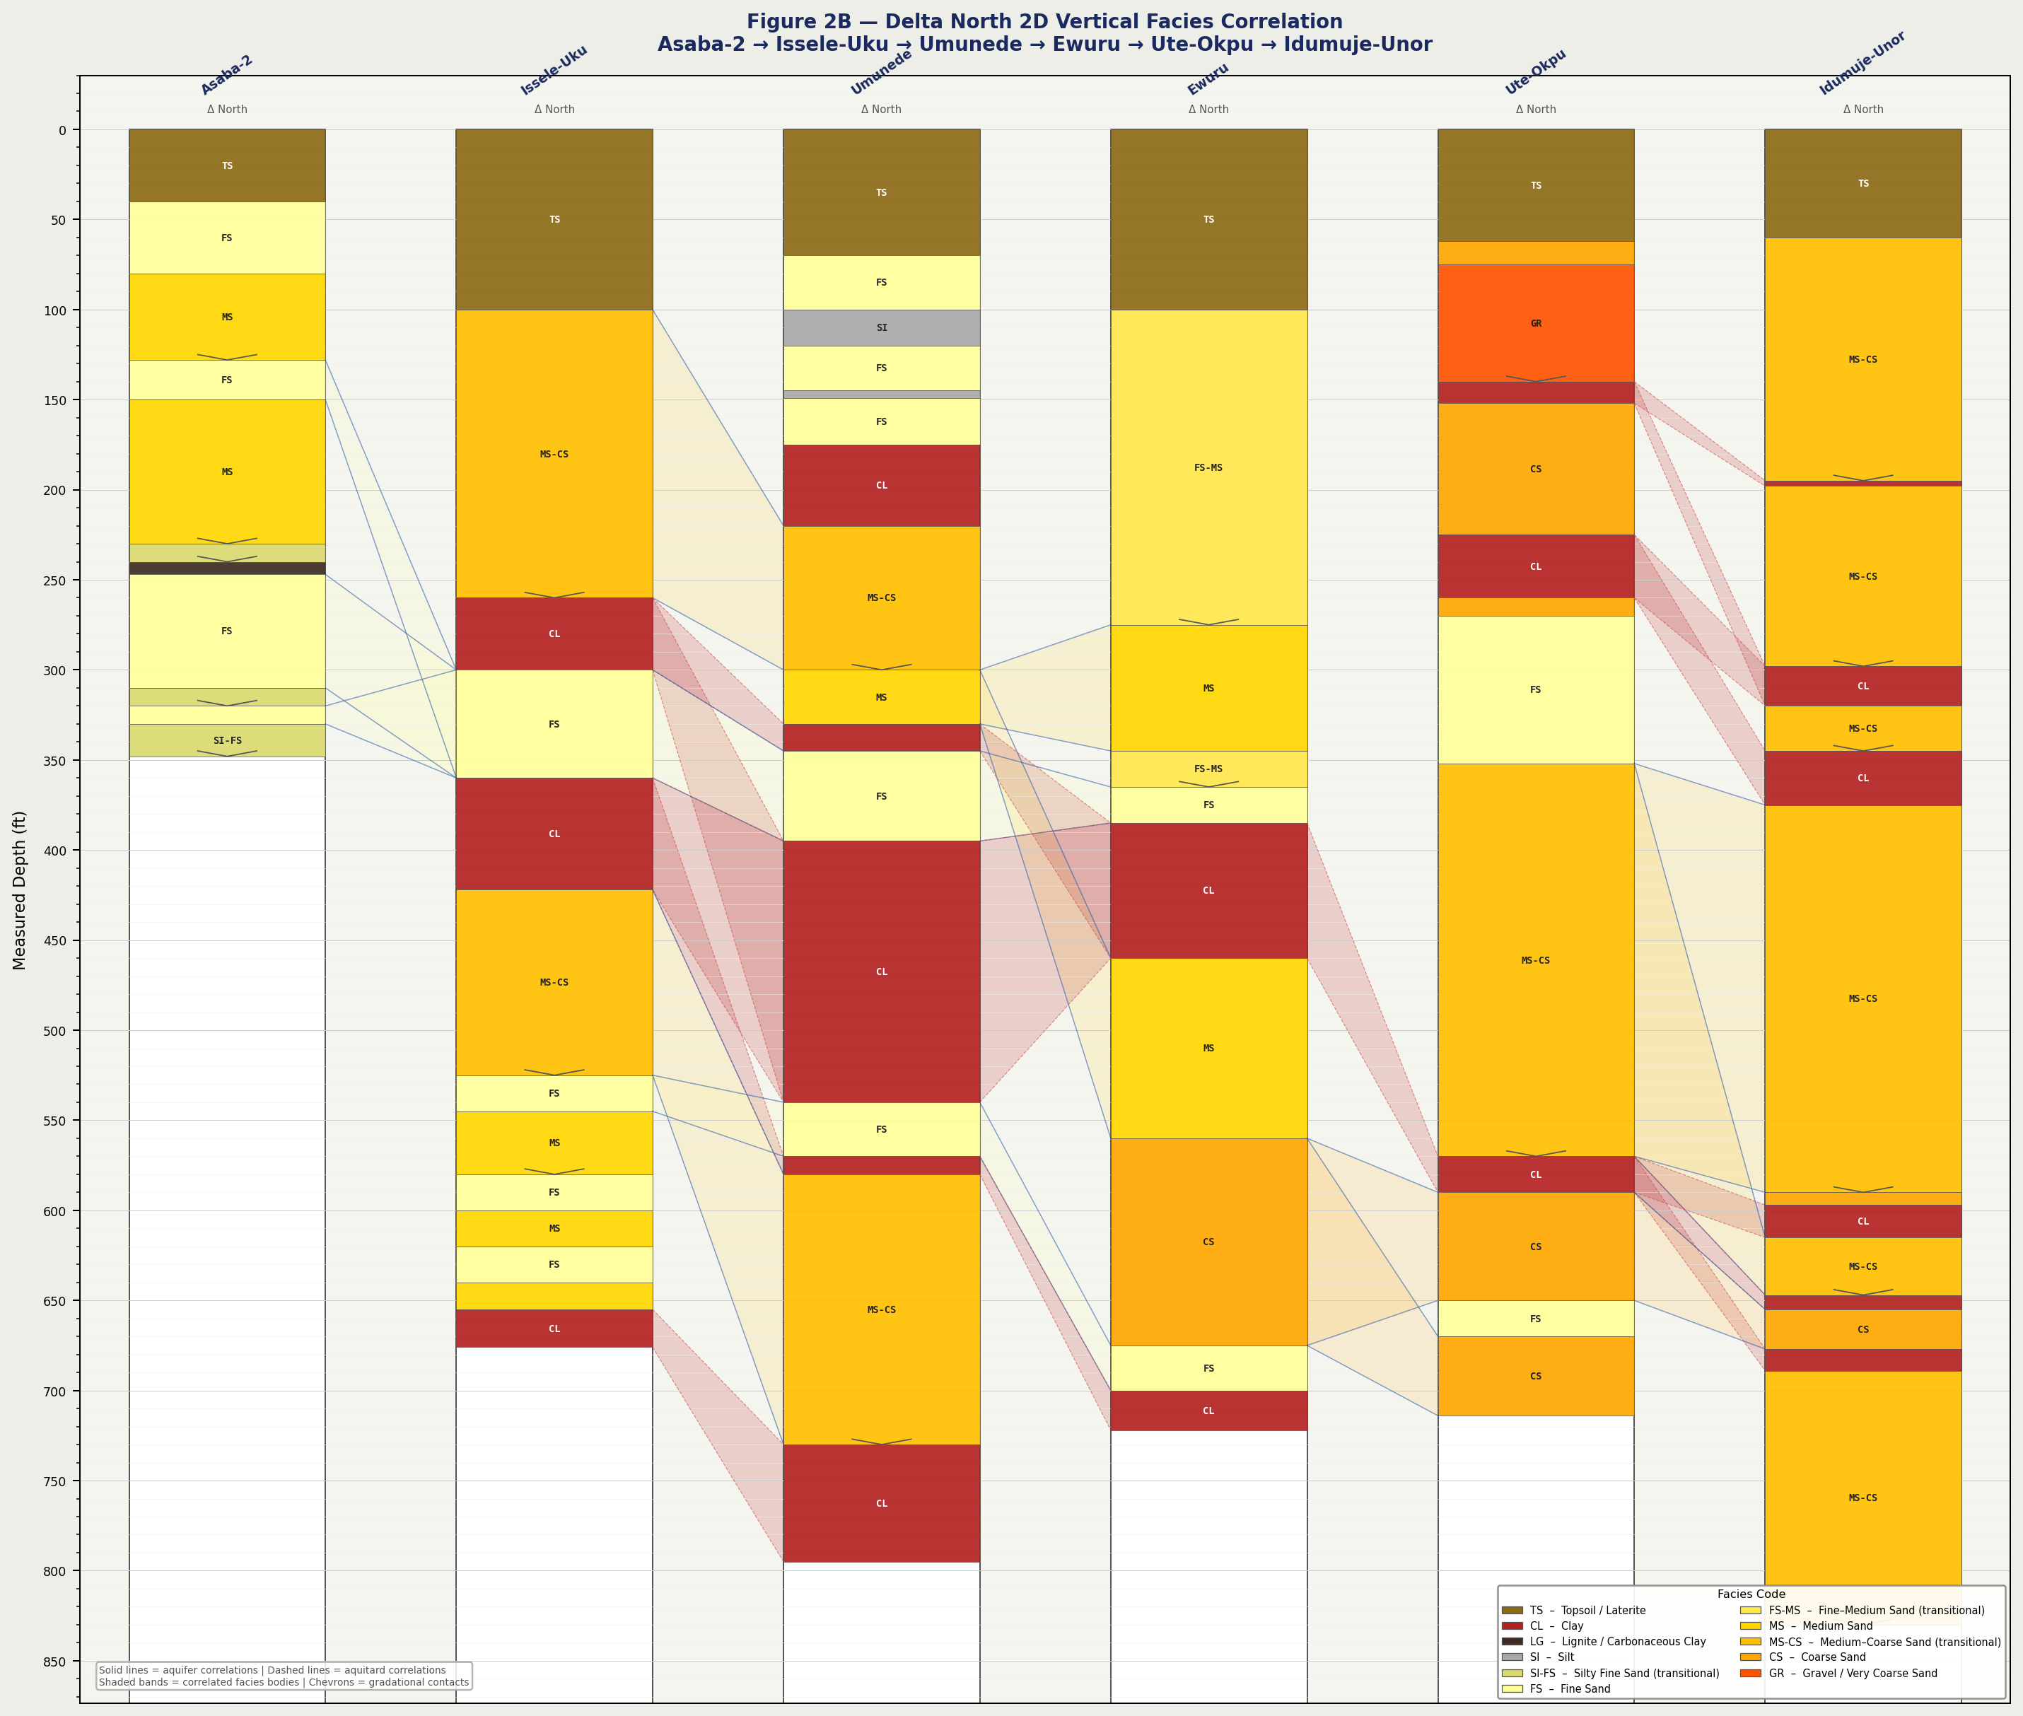
Figure 2B – Delta North Facies Correlation (6 wells)

Corr_Central
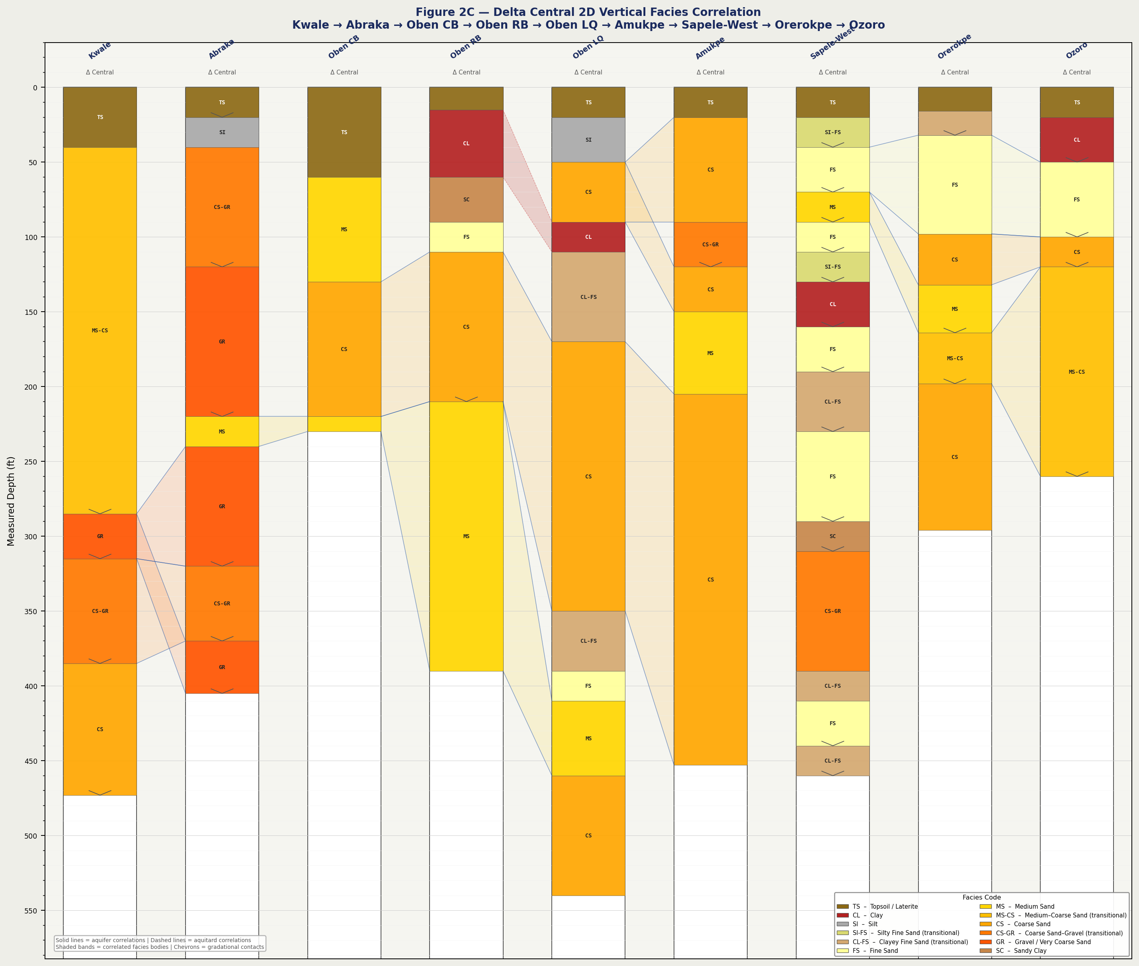
Figure 2C – Delta Central Facies Correlation (9 wells)

Corr_South
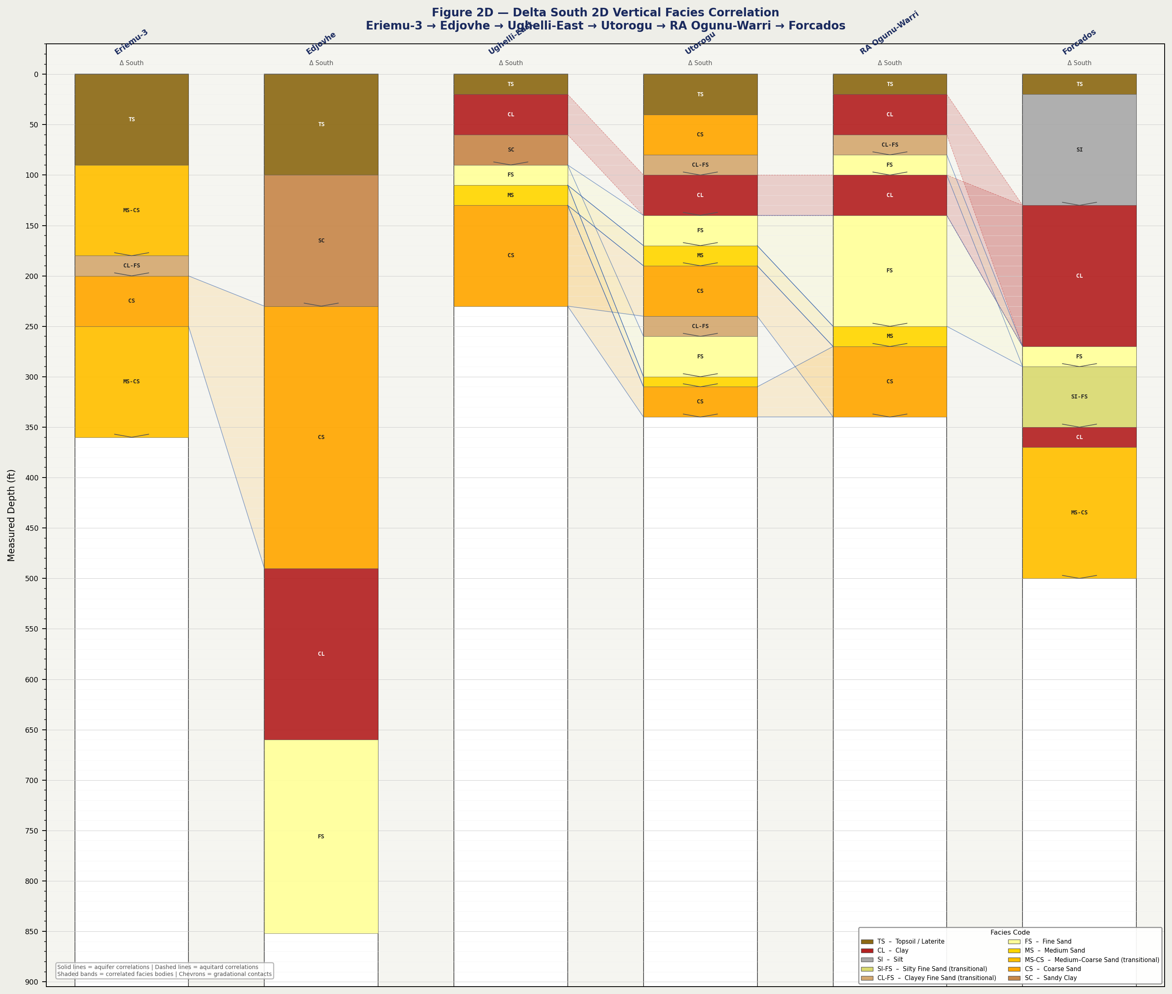
Figure 2D – Delta South Facies Correlation (6 wells)

Corr_N→C
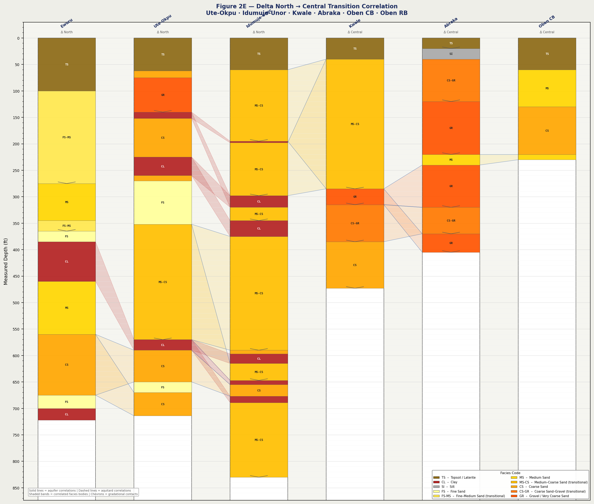
Figure 2E – Delta North → Central Transition Correlation

Corr_C→S
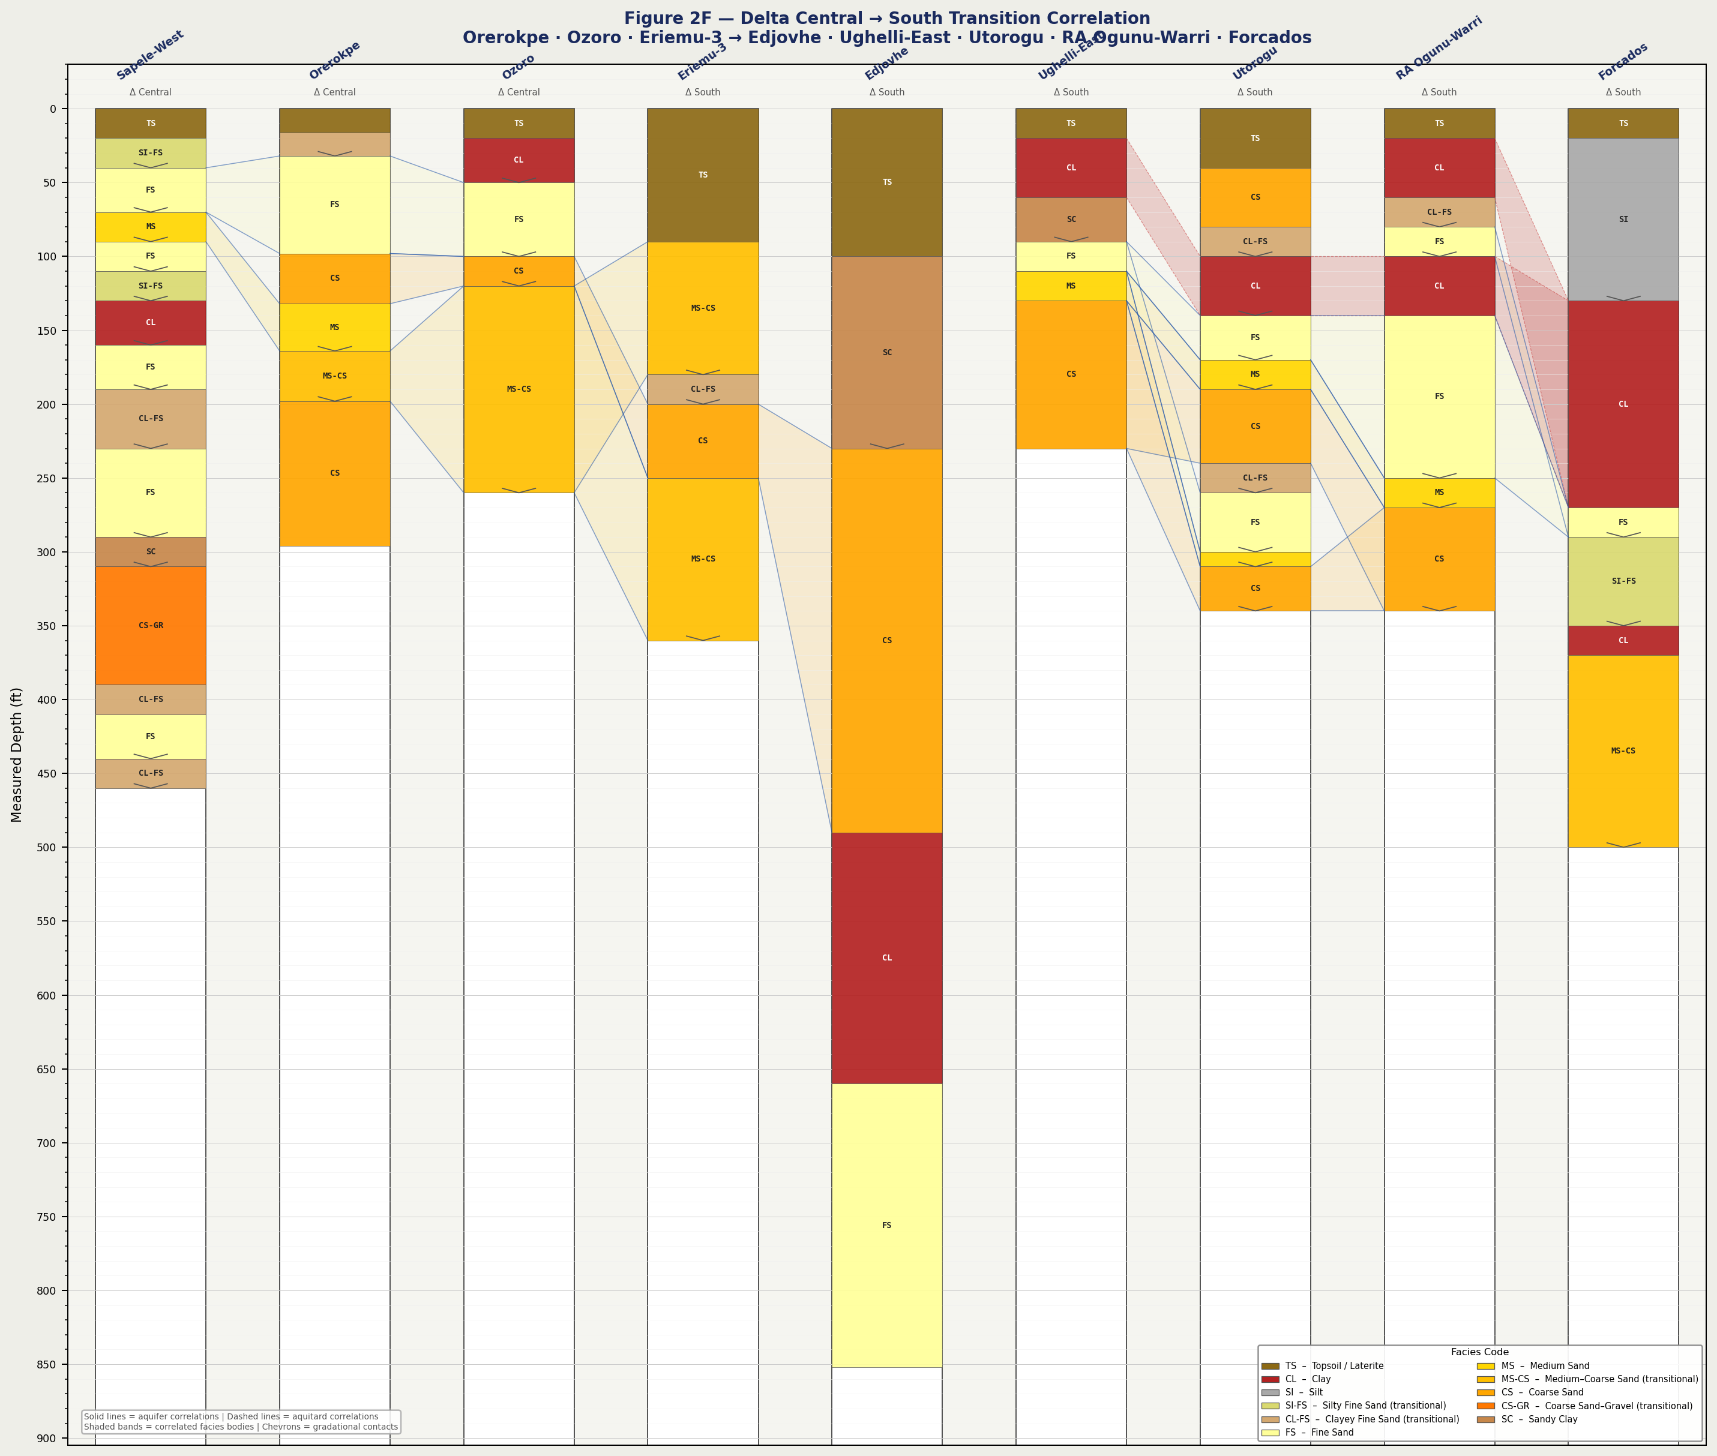
Figure 2F – Delta Central → South Transition Correlation

