Inputs

INPUTS | GROUND TEMPERATURE [K] | GROUND PRESSURE [Pa] | GROUND LEVEL ALTITUDE [m] | LAPSE RATE [K/m] | SURFACE ROUGHNESS HEIGHT [µm] | LAUNCH ROD LENGTH [m] | LAUNCH ROD ANGLE [°]
INITIAL VALUES | 322 | 85847 | 1376 | -0.0098 | 10 | 5 | 2.5

FinGeometry
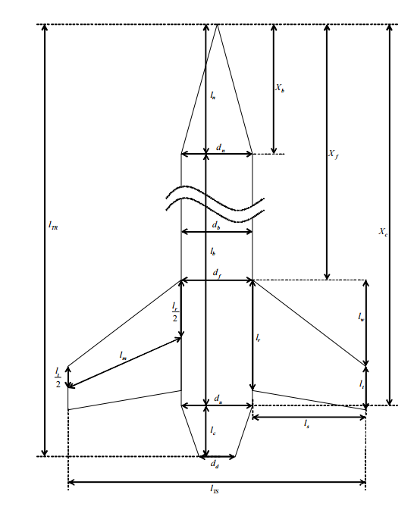
FIN GEOMETRY
Tip Chord [m] | 0.0126
Fin Height [m] | 0.17
Root Chord [m] | 0.305
Sweep Length [m] | 0.28
Median Length [m] | 0.21633871591
Max Fin Diameter [m] | 0.485
Body Diameter @ Fins [m] | 0.157
Weight of One Fin [kg] | 0.30613
Fin Reference Length [m] | 2.119
Fin Thickness [m] | 0.00476
Number of Fins | 3
Exposed Area [m2] | 0.026996
Planform Area [m2] | 0.0509385
Centre of Mass [m] | 0.1110852225

