Std Analysis
Step 5. | ANALYSIS OF CALIBRATION DATA |  |  |  |  |  |  |  |  | 1.0000000 | 0.0000000 | <--Assumed LS Ratio and uncert |  |  | Ratio | StdErr | Conc | StdErr
 |  |  |  |  |  |  | Regression Output |  | Formula | 5.14104 |  | <--Concentration of LS from OLS |  | 1
 | Number of measurents: |  | 0 |  |  |  | slope, m | 0.1996253 | =B27 |  |  |  |  | 2
 | Average Concentration: |  | #DIV/0! |  |  |  | u(m) | 1.801E-04 | =C27 | 1 |  | <--EIV Degree |  | 3
 |  |  |  |  |  |  | intercept, b | -0.026281921755 | =B26 | 5.13937 | 0.00548 | <--Concentration From ISO6143 |  | 4
Step 5.1 | Regression output, below |  |  | Do Regression Below |  |  | u(b) | 0.0011068657383 | =C26 | #NUM! | #NUM! | <--ISO6143 Lot Conc and uncertainty |  | 5
 |  |  |  | X=Concentration of Standards |  |  | d.f. | 44 | =B22 |  |  | (from ratio, LS conc, and LS bias uncerts) |  | 6
 |  |  |  | Y=Ratios |  |  | u(m,b) | #DIV/0! | = - D4*C27^2 | 5.14105 | 0.00321 | <--Monte Carlo estimate |  | 7
 |  |  |  | Output=A10 |  |  |  |  |  | 5.00846 | 0.01205 | <--Monte Carlo Slope |  | 8
SUMMARY OUTPUT |  |  |  |  |  |  |  |  |  | 0.13259 | 0.01270 | <--Monte Carlo Intercept |  | 9
 |  |  |  |  |  |  |  |  |  |  | (all k = 1) |  |  | 10
Regression Statistics |  |  |  |  |  |  |  |  |  |  |  |  | Primary LS |  | 1.000000 | 0.000000
Multiple R | 0.99998209663 |  |  |  |  |  |  |  |  |  |  |  | Additional LS
R Square | 0.99996419358 |  |  |  |  |  |  |  |  |  |  |  | Additional LS
Adjusted R Square | 0.99996337979 |  |  |  |  |  |  |  |  |  |  |  | Additional LS
Standard Error | 0.002206079335
Observations | 46 |  |  |  |  |  |  |  |  |  |  |  | Number of stds |  | 0
 |  |  |  |  |  |  |  |  |  |  |  |  | Number of LS |  | 1
ANOVA
 | df | SS | MS | F | Significance F
Regression | 1 | 5.9802376634 | 5.9802376634 | 1228785.8196 | 1.840324282E-99
Residual | 44 | 0.00021413858542 | 4.8667860324E-06 |  |  |  |  |  |  |  |  |  |  |  | GENLINE - Linear (y=b0+b1*x) |  |  |  |  | 20
Total | 45 | 5.980451802 |  |  |  |  |  |  |  |  |  |  |  |  |  | Value | Std Error
 |  |  |  |  |  |  |  |  |  |  |  |  |  |  | b0 | 0.11912533274 | 0.01975683715
 | Coefficients | Standard Error | t Stat | P-value | Lower 95% | Upper 95% | Lower 95.0% | Upper 95.0% |  |  |  |  |  |  | b1 | 5.0202400026 | 0.019046724159
Intercept | -0.026281921755 | 0.0011068657383 | -23.744453229 | 1.0152399413E-26 | -0.028512663073 | -0.024051180436 | -0.028512663073 | -0.024051180436 |  |  |  |  |  |  | cov(b0,b1) |  | -0.00036156027298
X Variable 1 | 0.19962526495 | 0.00018008494606 | 1108.5061207 | 1.840324282E-99 | 0.19926232759 | 0.19998820231 | 0.19926232759 | 0.19998820231 |  |  |  |  |  |  | rms residual error |  | 1.468855544

 |  |  |  |  |  |  |  |  |  |  |  |  |  |  | X | Y | X-Solution | Y-Solution | uTest
 |  |  |  |  |  |  |  |  |  |  |  |  |  |  | 0.77623 | 4.00690 | 0.77613 | 4.01547 | PASS
RESIDUAL OUTPUT |  |  |  |  |  |  |  |  |  |  |  |  |  |  | 0.96322 | 4.97200 | 0.96355 | 4.95640 | PASS
 |  |  |  |  |  |  |  |  |  |  |  |  |  |  | 1.17833 | 6.03600 | 1.17835 | 6.03470 | PASS
Observation | Predicted Y | Residuals |  |  |  |  |  |  |  |  |  |  |  |  | 1.77260 | 9.00700 | 1.77256 | 9.01779 | PASS
1 | 0.77359655237 | 0.0028341183003 |  |  |  |  |  |  | #DIV/0!
2 | 0.77359655237 | 0.0030667867525 |  |  |  |  |  |  |  |  |  |  |  |  | Xin | uXin | Yeval | uYeval
3 | 0.77359655237 | 0.0029288480218 |  |  |  |  |  |  |  |  |  |  |  | LS# 1 | 1.00000 | 0.00000 | 5.13937 | 0.00548
4 | 0.77359655237 | 0.00246358124 |  |  |  |  |  |  |  |  |  |  |  | #DIV/0! | 1.00100 | 0.00013 | 5.14437 | 0.00551
5 | 0.77359655237 | 0.0022031824647 |  |  |  |  |  |  |  |  |  |  |  | #DIV/0! | 0.99696 | 0.00015 | 5.12410 | 0.00553
 |  | Y
 |  | 0
6 | 0.77359655237 | 0.0031098276272 |  |  |  |  |  |  |  |  |  |  |  | #DIV/0! | 1.00215 | 0.00012 | 5.15015 | 0.00551
7 | 0.77359655237 | 0.0028315549004
8 | 0.77359655237 | 0.0023079618374
9 | 0.77359655237 | 0.0025516739847
10 | 0.77359655237 | 0.0029360998816
11 | 0.77359655237 | 0.0026608828585
12 | 0.77359655237 | 0.0017556336419
13 | 0.96625489557 | -0.0030659320522
14 | 0.96625489557 | -0.0033929745834
15 | 0.96625489557 | -0.0037792976031
16 | 0.96625489557 | -0.0035517764853
17 | 0.96625489557 | -0.0034269463741
18 | 0.96625489557 | -0.002908006797
19 | 0.96625489557 | -0.0032020524559
20 | 0.96625489557 | -0.0024609686178
21 | 0.96625489557 | -0.0034767109586
22 | 0.96625489557 | -0.0033649949534
23 | 0.96625489557 | -0.0020709237132
24 | 0.96625489557 | -0.0016641669344
25 | 1.1786561775 | -0.00093508683919
26 | 1.1786561775 | -0.0011154812666
27 | 1.1786561775 | -0.00052122918342
28 | 1.1786561775 | 3.1948061339E-06
29 | 1.1786561775 | 0.00047771872336
30 | 1.1786561775 | 0.00013190583994
31 | 1.1786561775 | -0.00092429283836
32 | 1.1786561775 | -0.0006889895394
33 | 1.1786561775 | 0.00013563548233
34 | 1.1786561775 | -2.4579395517E-05
35 | 1.1786561775 | 0.00017240555845
36 | 1.1786561775 | -0.00058940739051
37 | 1.7717428396 | 0.00039878183731
38 | 1.7717428396 | 0.001075065497
39 | 1.7717428396 | 0.0003310068128
40 | 1.7717428396 | 0.00067608121989
41 | 1.7717428396 | 0.00025708353922
42 | 1.7717428396 | 0.00045390914258
43 | 1.7717428396 | 0.00088137542976
44 | 1.7717428396 | 0.0015074250209
45 | 1.7717428396 | 0.0014880878455
46 | 1.7717428396 | 0.0015239897152

RCertification
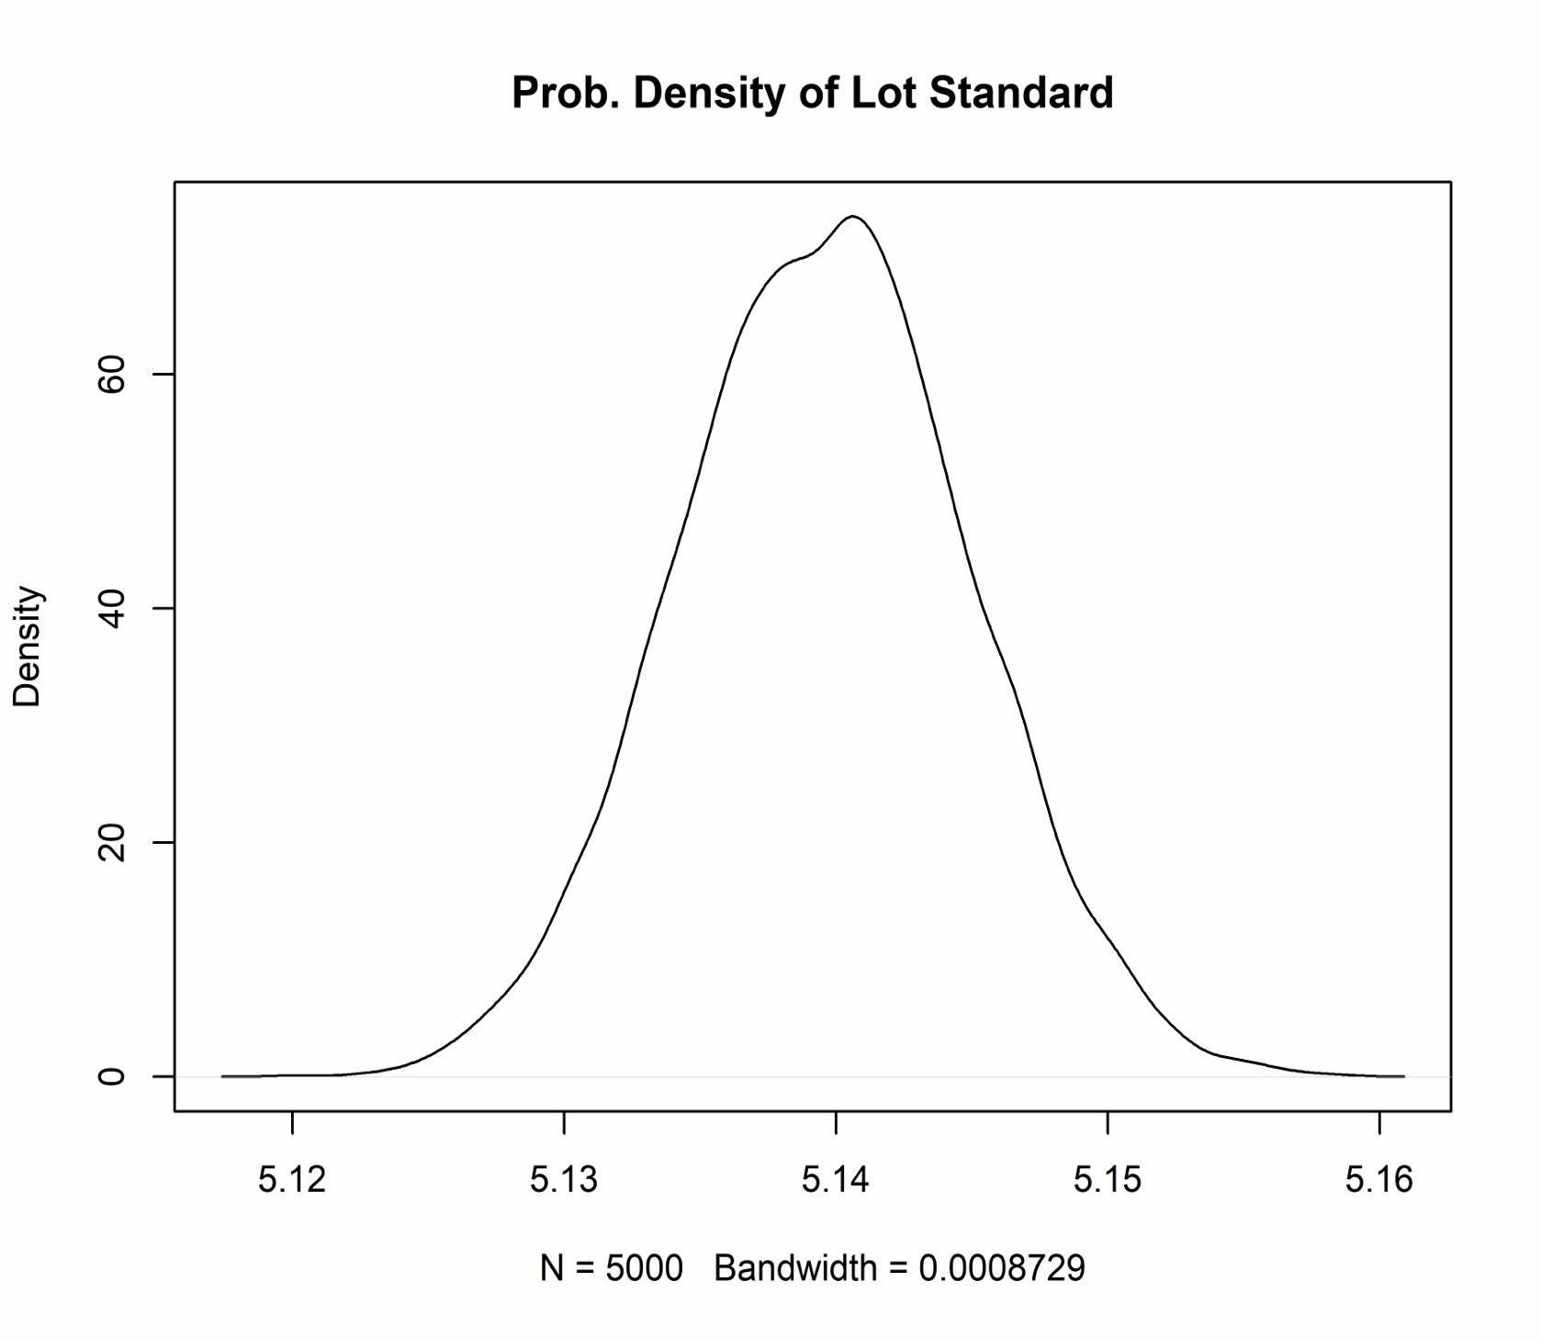
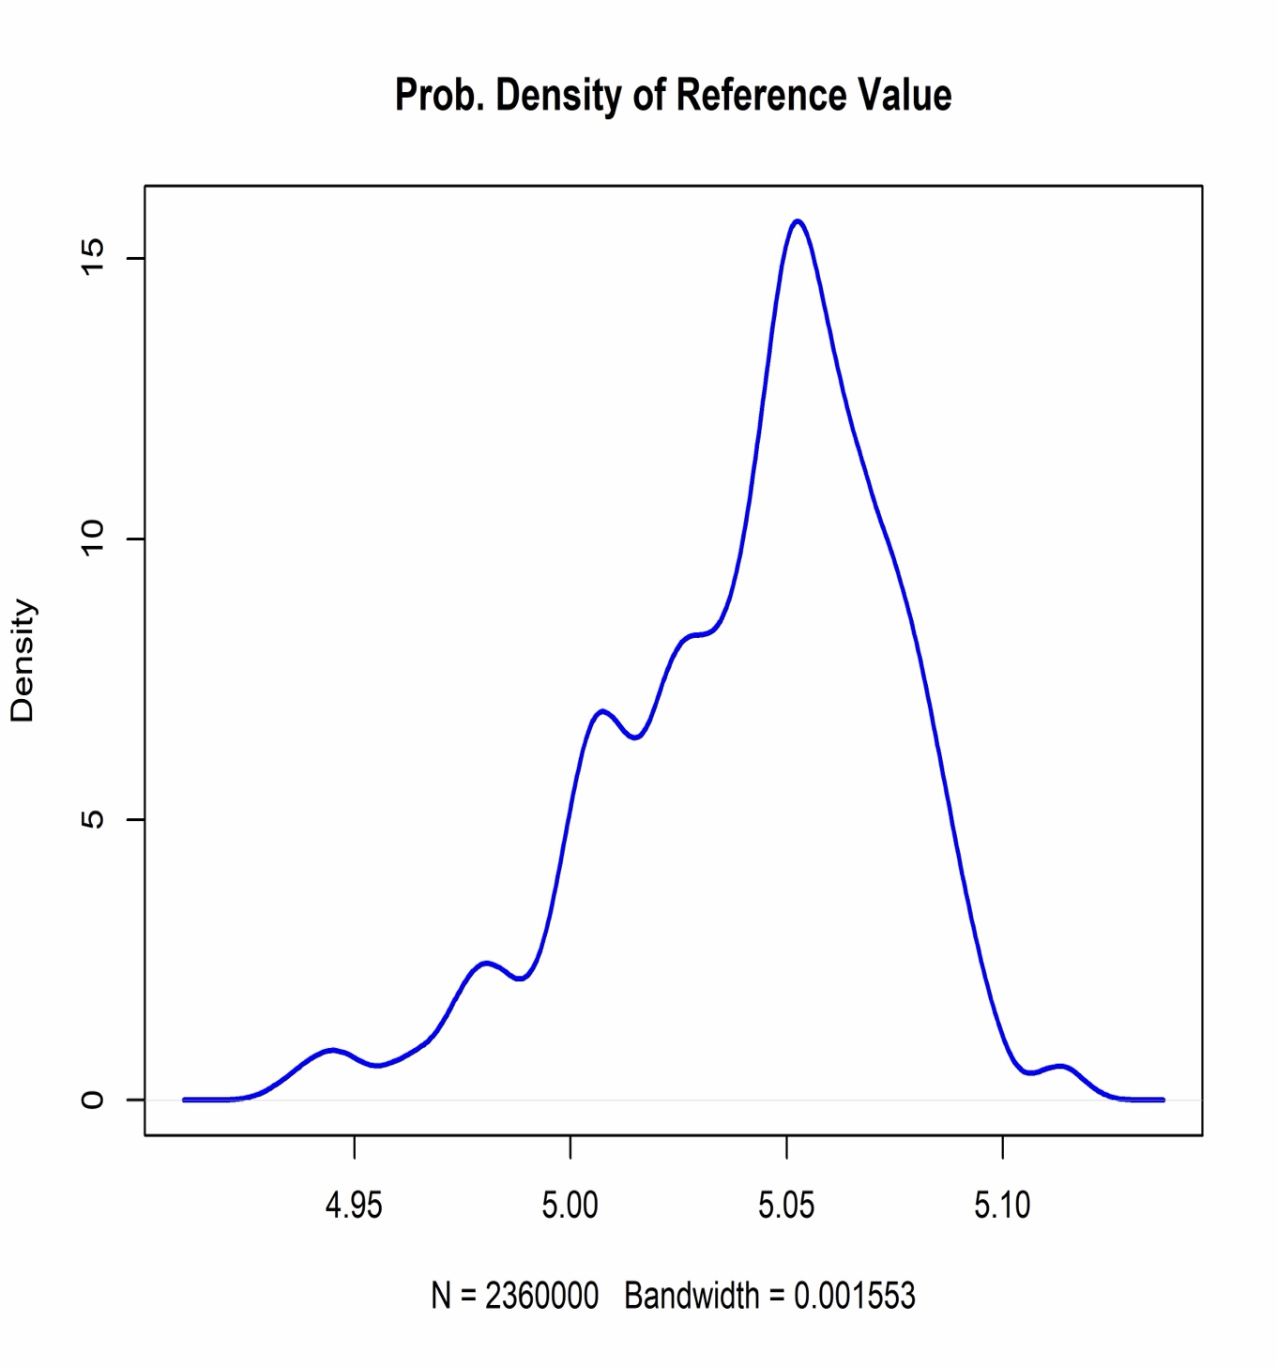

 |  |  |  |  |  |  |  |  |  |  |  |  |  |  |  |  |  |  |  | Test = | 80%
R analysis date: | November 26 2024
 | #DIV/0! |  |  |  |  |  |  |  |  |  | Cylinder-specific uncertainties
 |  | Keith Memo |  |  | Analysis Function Coefficients |  |  |  | Genline Values |  | SRM |  |  | Uncert |  | CI 95 | CI 95 | Relative | Test
 |  | Value | Diff |  |  | Value | uncert | 95CL | Value | 95CL | Sample | Value | Uncert | 95% CI | k | Lower | Upper | Uncert | IN/OUT
SRM Value |  | #NUM! | #NUM! |  | b0 |  |  |  |  |  |  |  |  |  | #DIV/0!
SRM uncertainty |  | #NUM! |  |  | b1 |  |  |  |  |  |  |  |  |  | #DIV/0!
SRM 95 % C.L. |  | #NUM! |  |  | b2 |  |  |  |  |  |  |  |  |  | #DIV/0!
SRM Rel Unc |  | #NUM! |  |  | b3 |  |  |  |  |  |  |  |  |  | #DIV/0!
Effective k factor |  | #NUM! |  |  | Correlation Coefficients |  |  |  |  |  |  |  |  |  | #DIV/0!
uHistorical |  |  |  |  |  | b0 | b1 | b2 | b3 |  |  |  |  |  | #DIV/0!
LS Value |  | 5.1394 | #DIV/0! |  | b0 |  |  |  |  |  |  |  |  |  | #DIV/0!
LS uncertainty |  | 0.0055 |  |  | b1 |  |  |  |  |  |  |  |  |  | #DIV/0!
LS 95 % C.L. |  | 0.0110 |  |  | b2 |  |  |  |  |  |  |  |  |  | #DIV/0!
LS Rel Unc |  | 0.0021 |  |  | b3 |  |  |  |  |  |  |  |  |  | #DIV/0!
 |  |  |  |  |  |  |  |  |  |  |  |  |  |  | #DIV/0!
Primary Standards | Value | Uncert (k=2) | Predicted | Uncert (k=2) | %diff | Test | Ratio | Uncert |  |  |  |  |  |  | #DIV/0!
1 |  |  |  |  |  |  |  |  |  |  |  |  |  |  | #DIV/0!
2 |  |  |  |  |  |  |  |  |  |  |  |  |  |  | #DIV/0!
3 |  |  |  |  |  |  |  |  |  |  |  |  |  |  | #DIV/0!
4 |  |  |  |  |  |  |  |  |  |  |  |  |  |  | #DIV/0!
5 |  |  |  |  |  |  |  |  |  |  |  |  |  |  | #DIV/0!
6 |  |  |  |  |  |  |  |  |  |  |  |  |  |  | #DIV/0!
7 |  |  |  |  |  |  |  |  |  |  |  |  |  |  | #DIV/0!
8 |  |  |  |  |  |  |  |  |  |  |  |  |  |  | #DIV/0!
9 |  |  |  |  |  |  |  |  |  |  |  |  |  |  | #DIV/0!
10 |  |  |  |  |  |  |  |  |  |  |  |  |  |  | #DIV/0!
 |  |  |  |  |  |  |  |  |  |  |  |  |  |  | #DIV/0!
 |  |  |  |  |  |  |  |  |  |  |  |  |  |  | #DIV/0!
Additional LSs | LS # | Value | Uncert | 95% CI | k | CI95-Lower | CI95-Upper |  |  |  |  |  |  |  | #DIV/0!
 |  |  |  |  |  |  |  |  |  |  |  |  |  |  | #DIV/0!
 |  |  |  |  |  |  |  |  |  |  |  |  |  |  | #DIV/0!
 |  |  |  |  |  |  |  |  |  |  |  |  |  |  | #DIV/0!
 |  |  |  |  |  |  |  |  |  |  |  |  |  |  | #DIV/0!
 |  |  |  |  |  |  |  |  |  |  |  |  |  |  | #DIV/0!
 |  |  |  |  |  |  |  |  |  |  |  |  |  |  | #DIV/0!
SampleID | Ratio | Test | Value |  |  | uHistorical Lot |  |  |  |  |  |  |  |  | #DIV/0!
 |  |  |  |  |  | Value |  |  |  |  |  |  |  |  | #DIV/0!
 |  |  |  |  |  | u(Value) |  |  |  |  |  |  |  |  | #DIV/0!
 |  |  |  |  |  | U95(Value) |  |  |  |  |  |  |  |  | #DIV/0!
 |  |  |  |  |  | k95 |  |  |  |  |  |  |  |  | #DIV/0!
 |  |  |  |  |  | CI 95 Lower |  |  |  |  |  |  |  |  | #DIV/0!
 |  |  |  |  |  | CI 95 Upper |  |  |  |  |  |  |  |  | #DIV/0!
 |  |  |  |  |  |  |  |  |  |  |  |  |  |  | #DIV/0!
 |  |  |  |  |  |  |  |  |  |  |  |  |  |  | #DIV/0!
 |  |  |  |  |  |  |  |  |  |  |  |  |  |  | #DIV/0!
 |  |  |  |  |  |  |  |  |  |  |  |  |  |  | #DIV/0!
 |  |  |  |  |  |  |  |  |  |  |  |  |  |  | #DIV/0!
 |  |  |  |  |  |  |  |  |  |  |  |  |  |  | #DIV/0!
 |  |  |  |  |  |  |  |  |  |  |  |  |  |  | #DIV/0!
 |  |  |  |  |  |  |  |  |  |  |  |  |  |  | #DIV/0!
 |  |  |  |  |  |  |  |  |  |  |  |  |  |  | #DIV/0!
 |  |  |  |  |  |  |  |  |  |  |  |  |  |  | #DIV/0!
 |  |  |  |  |  |  |  |  |  |  |  |  |  |  | #DIV/0!
 |  |  |  |  |  |  |  |  |  |  |  |  |  |  | #DIV/0!
 |  |  |  |  |  |  |  |  |  |  |  |  |  |  | #DIV/0!
 |  |  |  |  |  |  |  |  |  |  |  |  |  |  | #DIV/0!
 |  |  |  |  |  |  |  |  |  |  |  |  |  |  | #DIV/0!
 |  |  |  |  |  |  |  |  |  |  |  |  |  |  | #DIV/0!
 |  |  |  |  |  |  |  |  |  |  |  |  |  |  | #DIV/0!
 |  |  |  |  |  |  |  |  |  |  |  |  |  |  | #DIV/0!
 |  |  |  |  |  |  |  |  |  |  |  |  |  |  | #DIV/0!
 |  |  |  |  |  |  |  |  |  |  |  |  |  |  | #DIV/0!
 |  |  |  |  |  |  |  |  |  |  |  |  |  |  | #DIV/0!
 |  |  |  |  |  |  |  |  |  |  |  |  |  |  | #VALUE!
 |  |  |  |  |  |  |  |  |  |  |  |  |  |  | #VALUE!
 |  |  |  |  |  |  |  |  |  |  |  |  |  |  | #VALUE!
 |  |  |  |  |  |  |  |  |  |  |  |  |  |  | #VALUE!
 |  |  |  |  |  |  |  |  |  |  |  |  |  |  | #VALUE!
 |  |  |  |  |  |  |  |  |  |  |  |  |  |  | #VALUE!
 |  |  |  |  |  |  |  |  |  |  |  |  |  |  | #VALUE!
 |  |  |  |  |  |  |  |  |  |  |  |  |  |  | #VALUE!
 |  |  |  |  |  |  |  |  |  |  |  |  |  |  | #VALUE!
 |  |  |  |  |  |  |  |  |  |  |  |  |  |  | #VALUE!
 |  |  |  |  |  |  |  |  |  |  |  |  |  |  | #VALUE!
 |  |  |  |  |  |  |  |  |  |  |  |  |  |  | #VALUE!
 |  |  |  |  |  |  |  |  |  |  |  |  |  |  | #VALUE!
 |  |  |  |  |  |  |  |  |  |  |  |  |  |  | #VALUE!
 |  |  |  |  |  |  |  |  |  |  |  |  |  |  | #VALUE!
 |  |  |  |  |  |  |  |  |  |  |  |  |  |  | #VALUE!
 |  |  |  |  |  |  |  |  |  |  |  |  |  |  | #VALUE!
 |  |  |  |  |  |  |  |  |  |  |  |  |  |  | #VALUE!
 |  |  |  |  |  |  |  |  |  |  |  |  |  |  | #VALUE!
 |  |  |  |  |  |  |  |  |  |  |  |  |  |  | #VALUE!
 |  |  |  |  |  |  |  |  |  |  |  |  |  |  | #VALUE!
 |  |  |  |  |  |  |  |  |  |  |  |  |  |  | #VALUE!
 |  |  |  |  |  |  |  |  |  |  |  |  |  |  | #VALUE!
 |  |  |  |  |  |  |  |  |  |  |  |  |  |  | #VALUE!
 |  |  |  |  |  |  |  |  |  |  |  |  |  |  | #VALUE!
 |  |  |  |  |  |  |  |  |  |  |  |  |  |  | #VALUE!
 |  |  |  |  |  |  |  |  |  |  |  |  |  |  | #VALUE!
 |  |  |  |  |  |  |  |  |  |  |  |  |  |  | #VALUE!
 |  |  |  |  |  |  |  |  |  |  |  |  |  |  | #VALUE!
 |  |  |  |  |  |  |  |  |  |  |  |  |  |  | #VALUE!
 |  |  |  |  |  |  |  |  |  |  |  |  |  |  | #VALUE!
 |  |  |  |  |  |  |  |  |  |  |  |  |  |  | #VALUE!
 |  |  |  |  |  |  |  |  |  |  |  |  |  |  | #VALUE!
 |  |  |  |  |  |  |  |  |  |  |  |  |  |  | #VALUE!
 |  |  |  |  |  |  |  |  |  |  |  |  |  |  | #VALUE!
 |  |  |  |  |  |  |  |  |  |  |  |  |  |  | #VALUE!
 |  |  |  |  |  |  |  |  |  |  |  |  |  |  | #VALUE!
 |  |  |  |  |  |  |  |  |  |  |  |  |  |  | #VALUE!
 |  |  |  |  |  |  |  |  |  |  |  |  |  |  | #VALUE!
 |  |  |  |  |  |  |  |  |  |  |  |  |  |  | #VALUE!
 |  |  |  |  |  |  |  |  |  |  |  |  |  |  | #VALUE!
 |  |  |  |  |  |  |  |  |  |  |  |  |  |  | #VALUE!
 |  |  |  |  |  |  |  |  |  |  |  |  |  |  | #VALUE!
 |  |  |  |  |  |  |  |  |  |  |  |  |  |  | #VALUE!
 |  |  |  |  |  |  |  |  |  |  |  |  |  |  | #VALUE!
 |  |  |  |  |  |  |  |  |  |  |  |  |  |  | #VALUE!
 |  |  |  |  |  |  |  |  |  |  |  |  |  |  | #VALUE!
 |  |  |  |  |  |  |  |  |  |  |  |  |  |  | #VALUE!
 |  |  |  |  |  |  |  |  |  |  |  |  |  |  | #VALUE!
 |  |  |  |  |  |  |  |  |  |  |  |  |  |  | #VALUE!
 |  |  |  |  |  |  |  |  |  |  |  |  |  |  | #VALUE!
 |  |  |  |  |  |  |  |  |  |  |  |  |  |  | #VALUE!
 |  |  |  |  |  |  |  |  |  |  |  |  |  |  | #VALUE!
 |  |  |  |  |  |  |  |  |  |  |  |  |  |  | #VALUE!
 |  |  |  |  |  |  |  |  |  |  |  |  |  |  | #VALUE!
 |  |  |  |  |  |  |  |  |  |  |  |  |  |  | #VALUE!
 |  |  |  |  |  |  |  |  |  |  |  |  |  |  | #VALUE!
 |  |  |  |  |  |  |  |  |  |  |  |  |  |  | #VALUE!
 |  |  |  |  |  |  |  |  |  |  |  |  |  |  | #VALUE!
 |  |  |  |  |  |  |  |  |  |  |  |  |  |  | #VALUE!
 |  |  |  |  |  |  |  |  |  |  |  |  |  |  | #VALUE!
 |  |  |  |  |  |  |  |  |  |  |  |  |  |  | #VALUE!
 |  |  |  |  |  |  |  |  |  |  |  |  |  |  | #VALUE!
 |  |  |  |  |  |  |  |  |  |  |  |  |  |  | #VALUE!
 |  |  |  |  |  |  |  |  |  |  |  |  |  |  | #VALUE!
 |  |  |  |  |  |  |  |  |  |  |  |  |  |  | #VALUE!
 |  |  |  |  |  |  |  |  |  |  |  |  |  |  | #VALUE!
 |  |  |  |  |  |  |  |  |  |  |  |  |  |  | #VALUE!
 |  |  |  |  |  |  |  |  |  |  |  |  |  |  | #VALUE!
 |  |  |  |  |  |  |  |  |  |  |  |  |  |  | #VALUE!
 |  |  |  |  |  |  |  |  |  |  |  |  |  |  | #VALUE!
 |  |  |  |  |  |  |  |  |  |  |  |  |  |  | #VALUE!
 |  |  |  |  |  |  |  |  |  |  |  |  |  |  | #VALUE!
 |  |  |  |  |  |  |  |  |  |  |  |  |  |  | #VALUE!
 |  |  |  |  |  |  |  |  |  |  |  |  |  |  | #VALUE!
 |  |  |  |  |  |  |  |  |  |  |  |  |  |  | #VALUE!
 |  |  |  |  |  |  |  |  |  |  |  |  |  |  | #VALUE!
 |  |  |  |  |  |  |  |  |  |  |  |  |  |  | #VALUE!
 |  |  |  |  |  |  |  |  |  |  |  |  |  |  | #VALUE!
 |  |  |  |  |  |  |  |  |  |  |  |  |  |  | #VALUE!
 |  |  |  |  |  |  |  |  |  |  |  |  |  |  | #VALUE!
 |  |  |  |  |  |  |  |  |  |  |  |  |  |  | #VALUE!
 |  |  |  |  |  |  |  |  |  |  |  |  |  |  | #VALUE!
 |  |  |  |  |  |  |  |  |  |  |  |  |  |  | #VALUE!
 |  |  |  |  |  |  |  |  |  |  |  |  |  |  | #VALUE!
 |  |  |  |  |  |  |  |  |  |  |  |  |  |  | #VALUE!
 |  |  |  |  |  |  |  |  |  |  |  |  |  |  | #VALUE!
 |  |  |  |  |  |  |  |  |  |  |  |  |  |  | #VALUE!
 |  |  |  |  |  |  |  |  |  |  |  |  |  |  | #VALUE!
 |  |  |  |  |  |  |  |  |  |  |  |  |  |  | #VALUE!
 |  |  |  |  |  |  |  |  |  |  |  |  |  |  | #VALUE!
 |  |  |  |  |  |  | 0.01
 |  |  |  |  |  |  | 0.01
 |  |  |  |  |  |  | 0.01
 |  |  |  |  |  |  | 0.01
 |  |  |  |  |  |  | 0.01
 |  |  |  |  |  |  | 0.01
 |  |  |  |  |  |  | 0.01
 |  |  |  |  |  |  | 0.01
 |  |  |  |  |  |  | 0.01
 |  |  |  |  |  |  | 0.01
 |  |  |  |  |  |  | 0.01
 |  |  |  |  |  |  | 0.01
 |  |  |  |  |  |  | 0.01
 |  |  |  |  |  |  | 0.01
 |  |  |  |  |  |  | 0.01
 |  |  |  |  |  |  | 0.01
 |  |  |  |  |  |  | 0.01
 |  |  |  |  |  |  | 0.01
 |  |  |  |  |  |  | 0.01
 |  |  |  |  |  |  | 0.01
 |  |  |  |  |  |  | 0.01
 |  |  |  |  |  |  | 0.01
 |  |  |  |  |  |  | 0.01
 |  |  |  |  |  |  | 0.01
 |  |  |  |  |  |  | 0.01
 |  |  |  |  |  |  | 0.01
 |  |  |  |  |  |  | 0.01
 |  |  |  |  |  |  | 0.01
 |  |  |  |  |  |  | 0.01
 |  |  |  |  |  |  | 0.01
 |  |  |  |  |  |  | 0.01
 |  |  |  |  |  |  | 0.01
 |  |  |  |  |  |  | 0.01
 |  |  |  |  |  |  | 0.01
 |  |  |  |  |  |  | 0.01
 |  |  |  |  |  |  | 0.01
 |  |  |  |  |  |  | 0.01
 |  |  |  |  |  |  | 0.01
 |  |  |  |  |  |  | 0.01
 |  |  |  |  |  |  | 0.01
 |  |  |  |  |  |  | 0.01
 |  |  |  |  |  |  | 0.01
 |  |  |  |  |  |  | 0.01
 |  |  |  |  |  |  | 0.01
 |  |  |  |  |  |  | 0.01
 |  |  |  |  |  |  | 0.01
 |  |  |  |  |  |  | 0.01
 |  |  |  |  |  |  | 0.01
 |  |  |  |  |  |  | 0.01
 |  |  |  |  |  |  | 0.01
 |  |  |  |  |  |  | 0.01
 |  |  |  |  |  |  | 0.01
 |  |  |  |  |  |  | 0.01
 |  |  |  |  |  |  | 0.01
 |  |  |  |  |  |  | 0.01
 |  |  |  |  |  |  | 0.01
 |  |  |  |  |  |  | 0.01
 |  |  |  |  |  |  | 0.01
 |  |  |  |  |  |  | 0.01

