Home-SOC
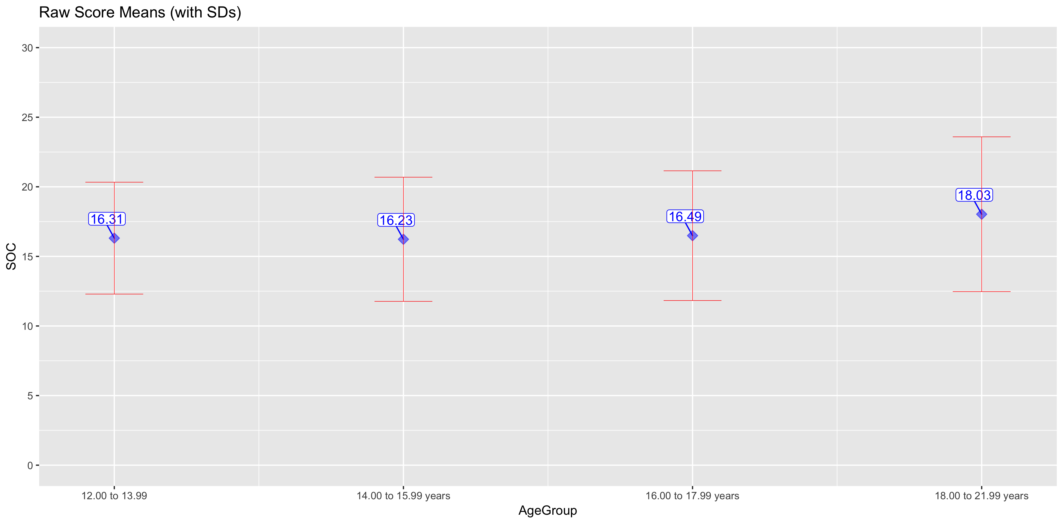
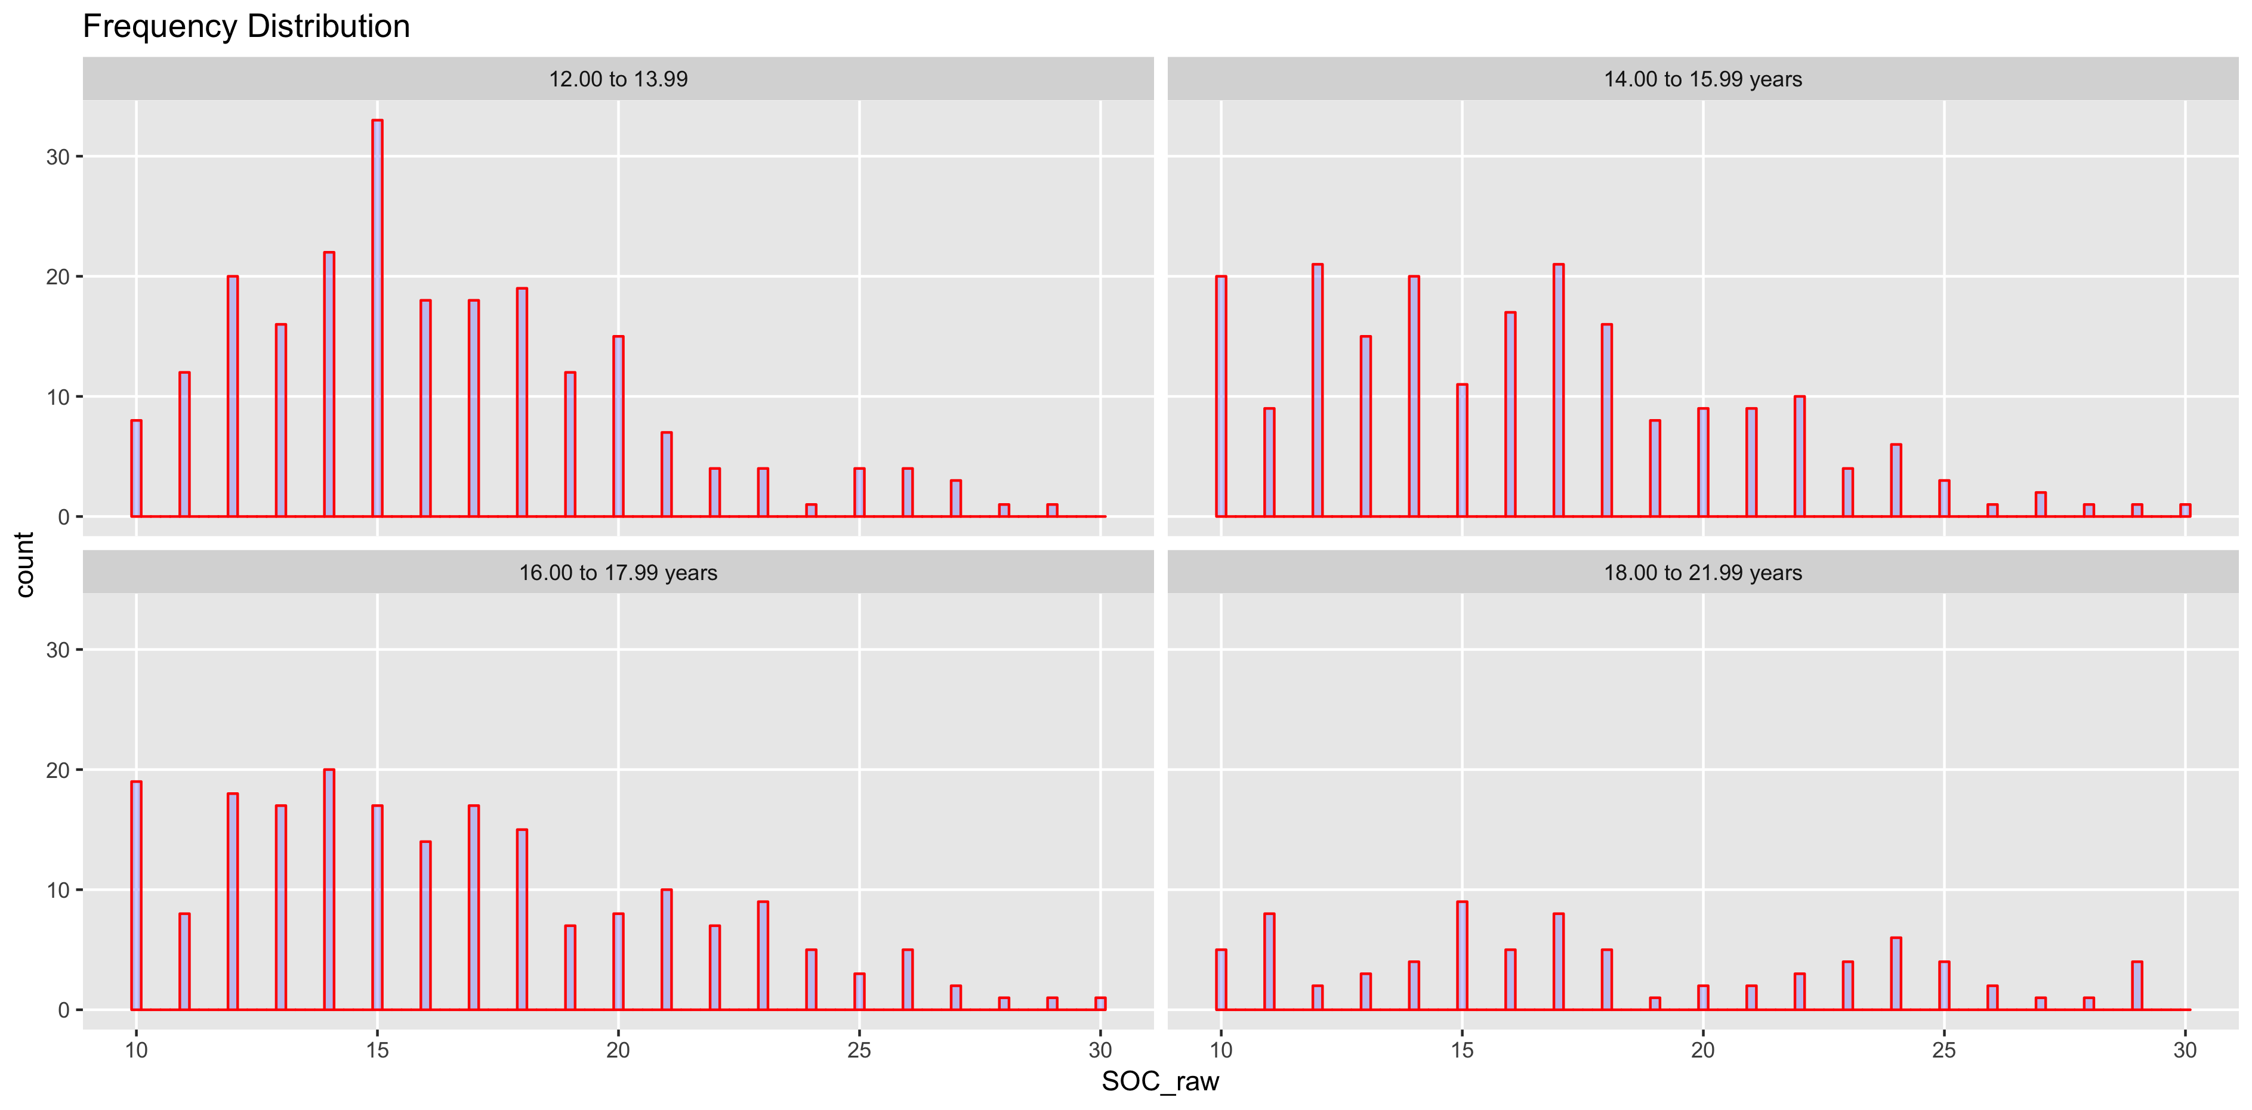
HOME-SOC

AgeGroup | n | median | mean | sd | ES
12.00 to 13.99 | 222 | 15.5 | 16.31 | 4.02 | NA
14.00 to 15.99 years | 205 | 16 | 16.23 | 4.46 | -0.02
16.00 to 17.99 years | 204 | 16 | 16.49 | 4.66 | 0.06
18.00 to 21.99 years | 79 | 17 | 18.03 | 5.56 | 0.3

Home-PLA
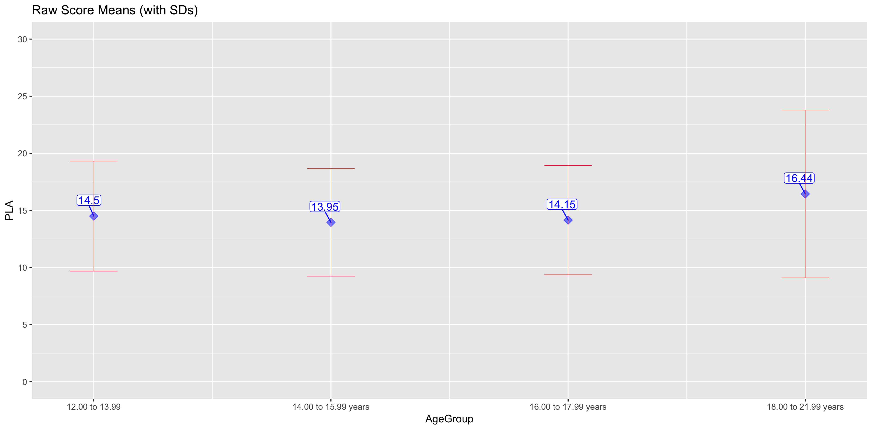
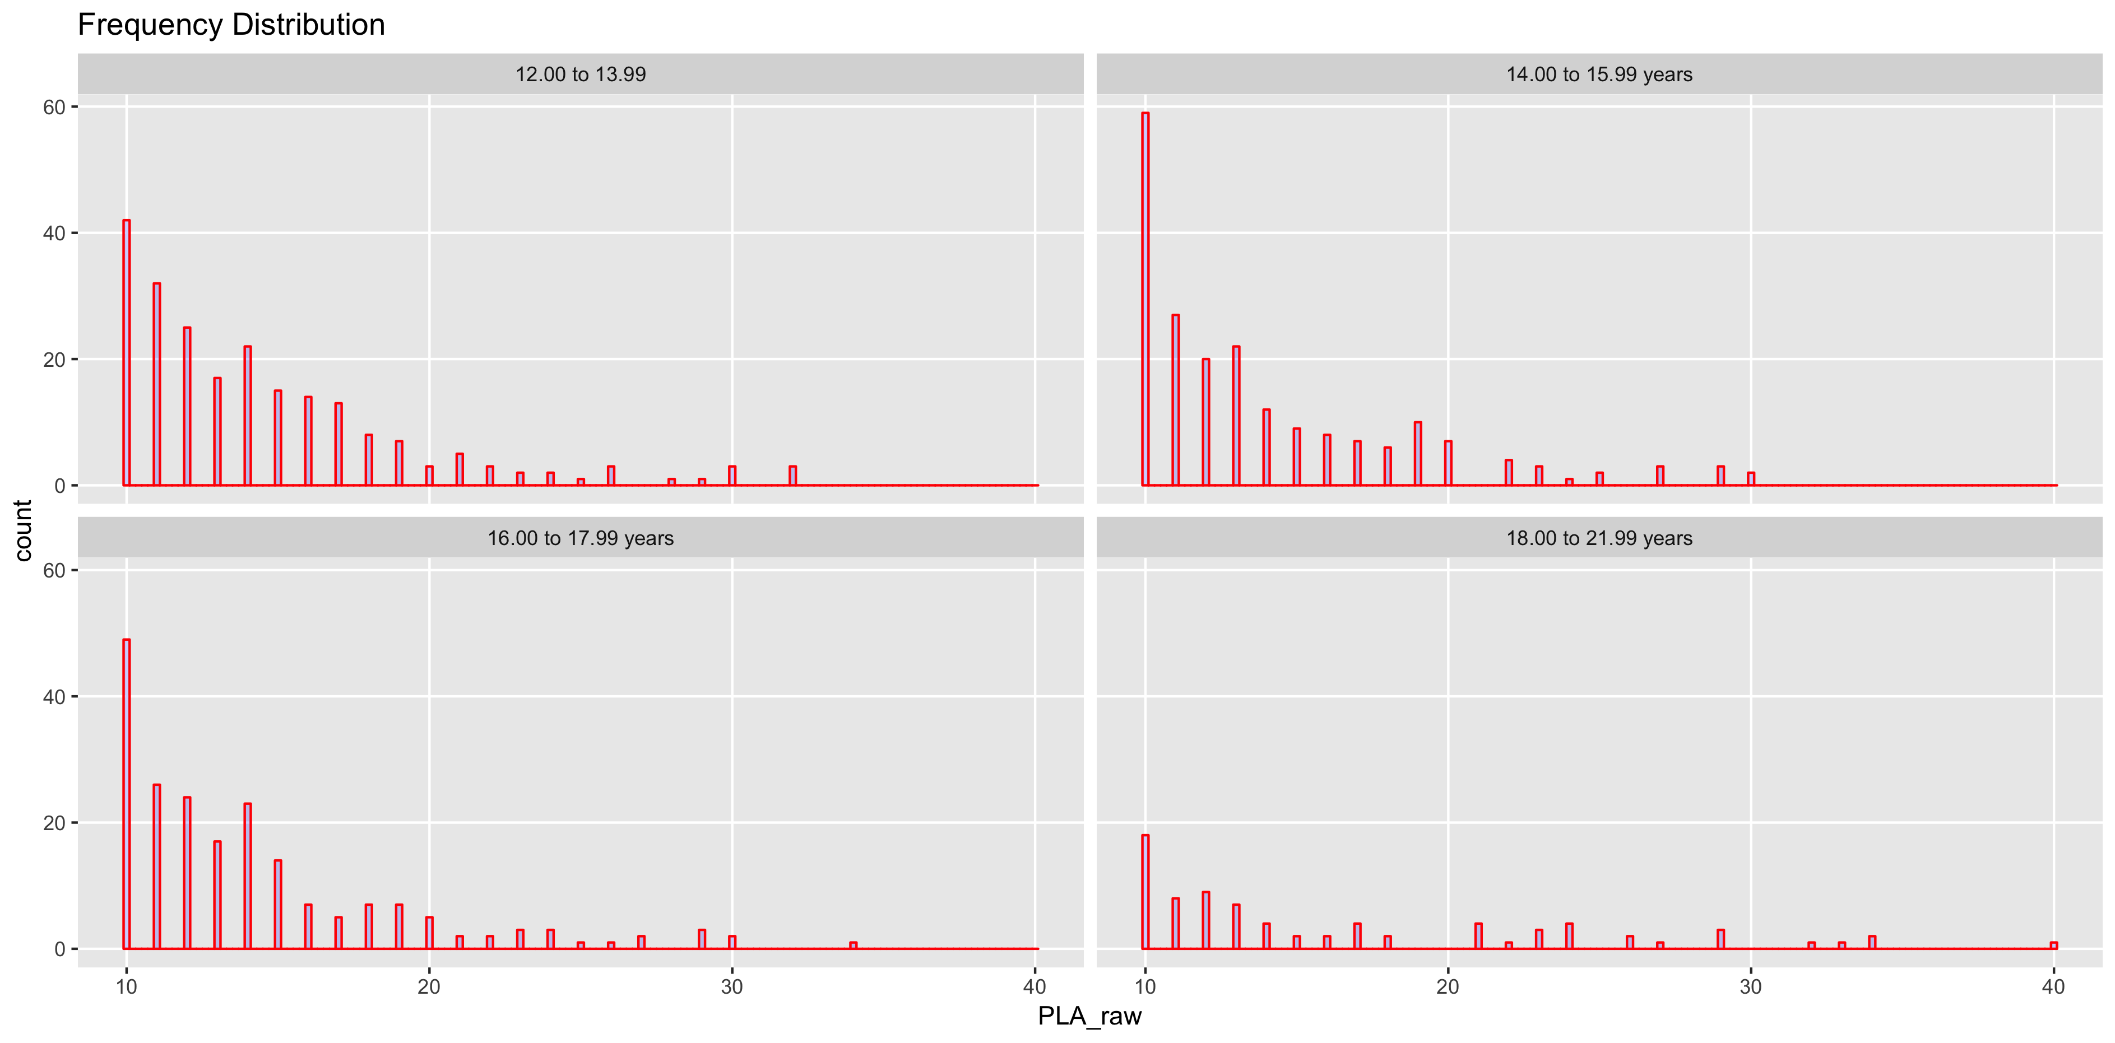
HOME-PLA

AgeGroup | n | median | mean | sd | ES
12.00 to 13.99 | 222 | 13 | 14.5 | 4.82 | NA
14.00 to 15.99 years | 205 | 12 | 13.95 | 4.71 | -0.12
16.00 to 17.99 years | 204 | 13 | 14.15 | 4.78 | 0.04
18.00 to 21.99 years | 79 | 13 | 16.44 | 7.34 | 0.38

School-SOC
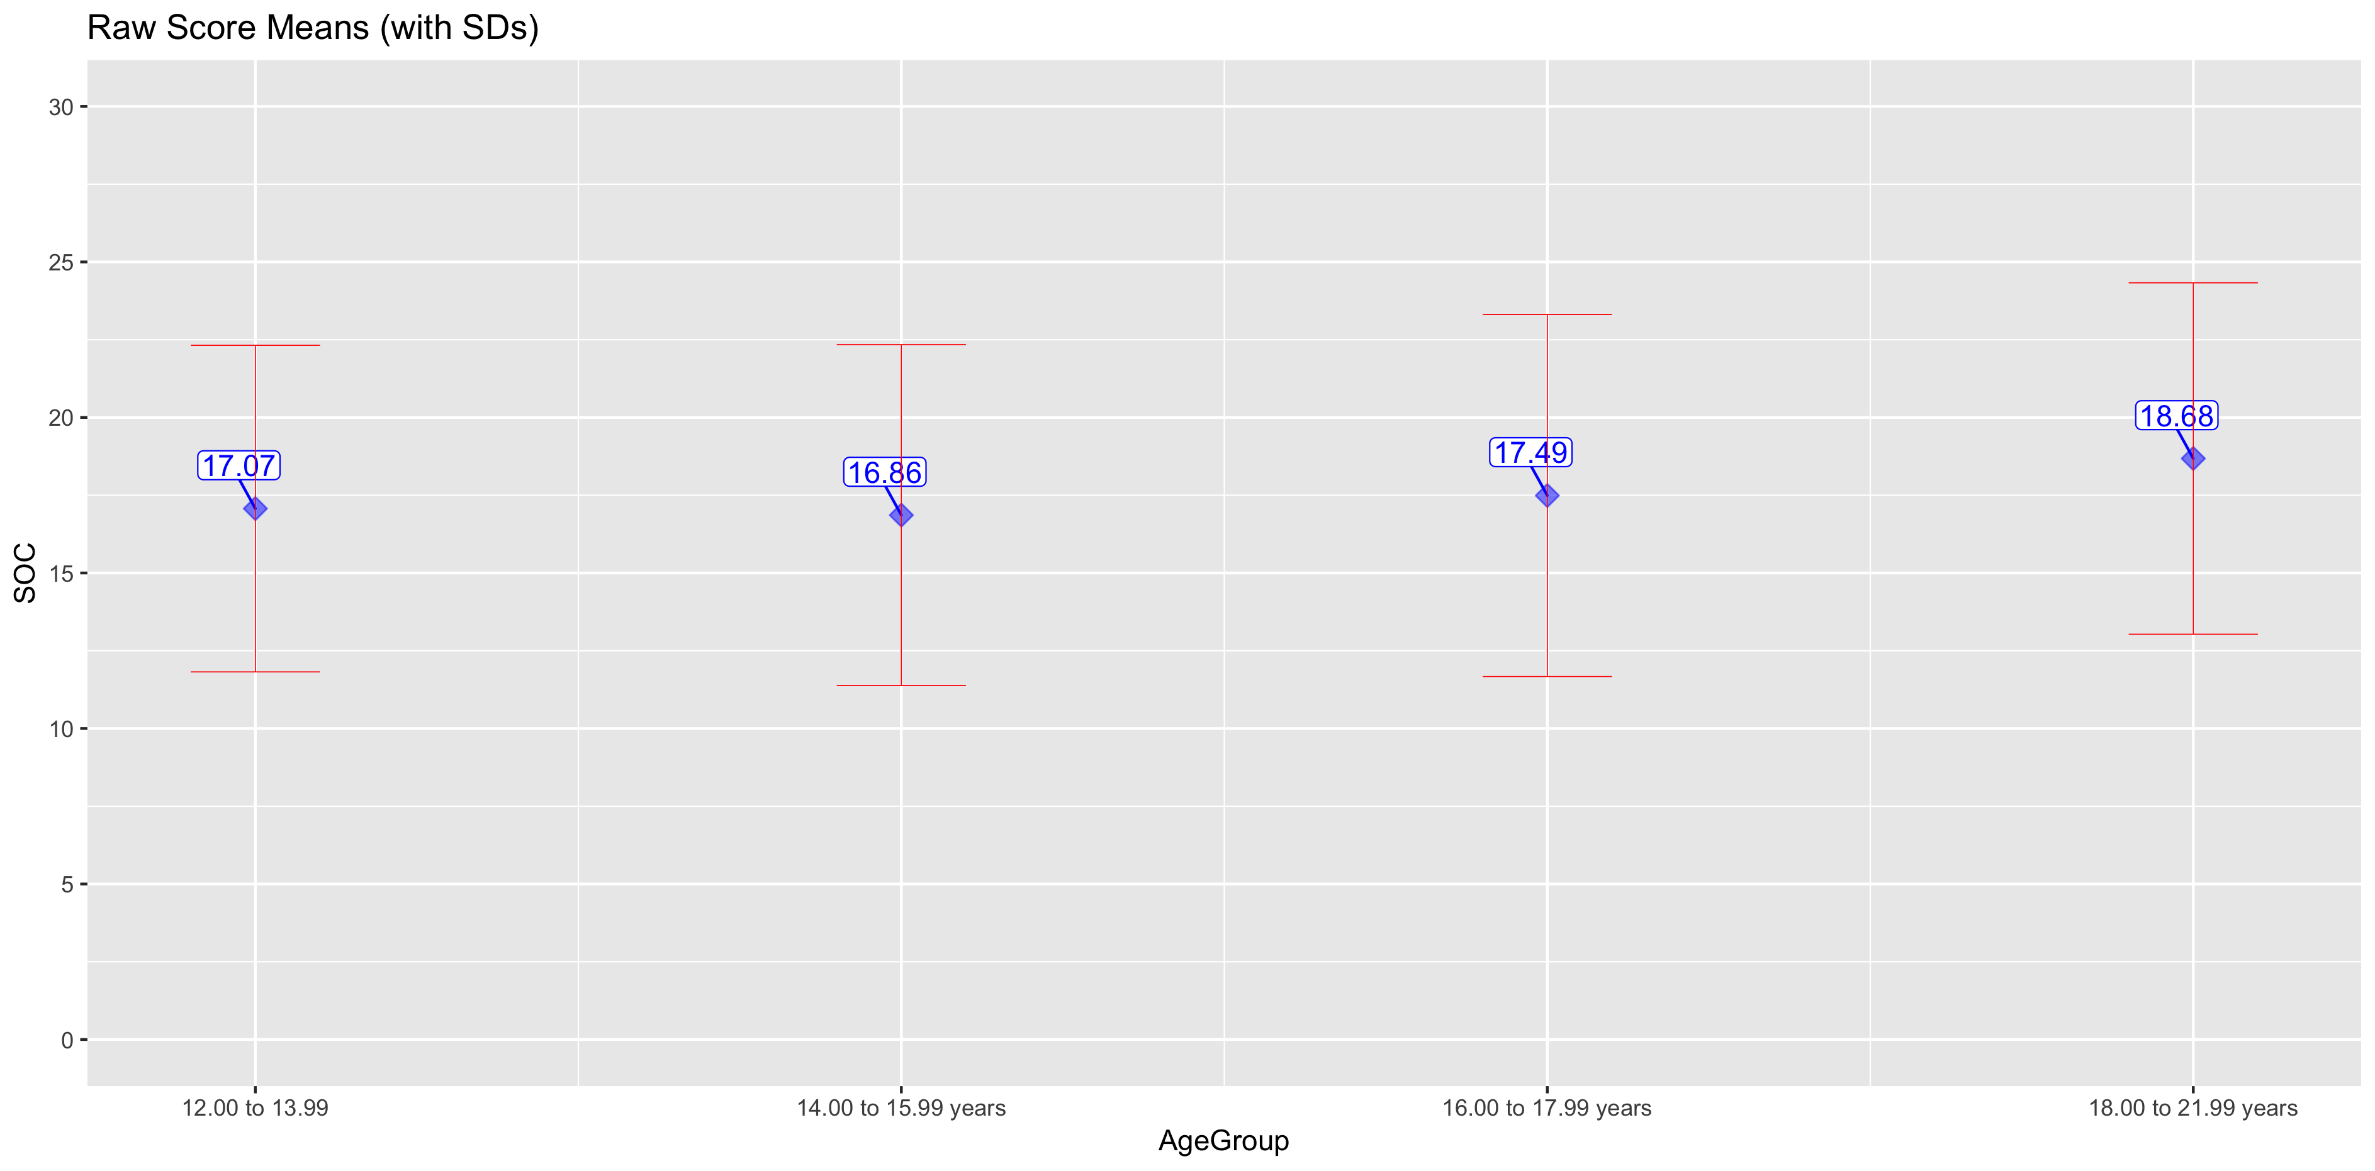
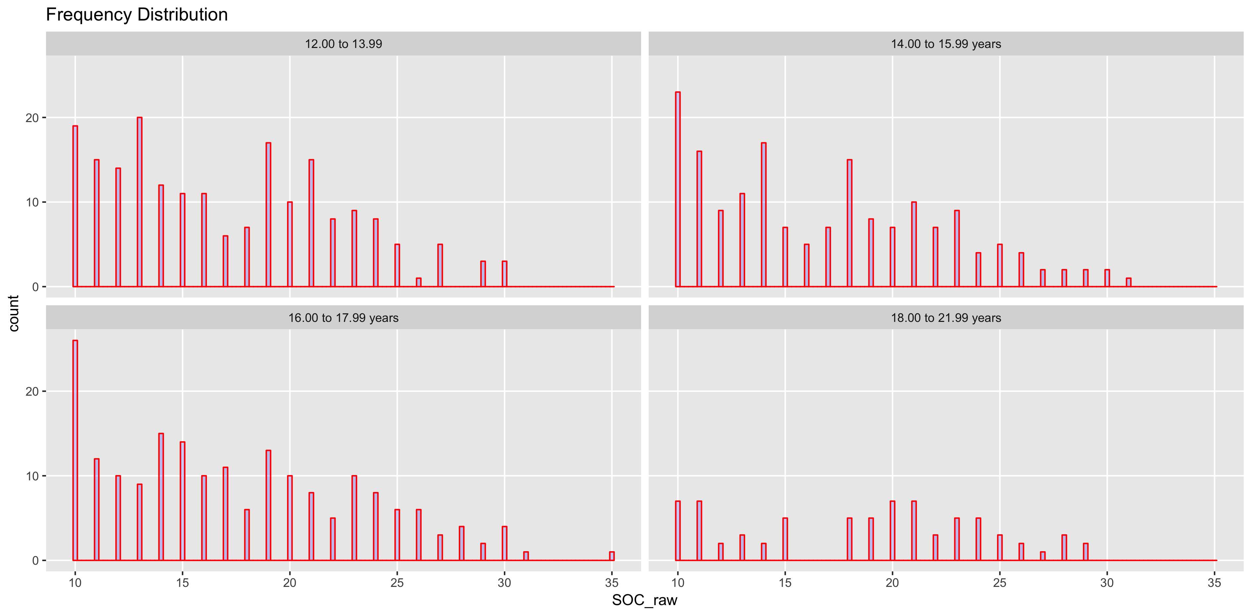
SCHOOL-SOC

AgeGroup | n | median | mean | sd | ES
12.00 to 13.99 | 199 | 16 | 17.07 | 5.25 | NA
14.00 to 15.99 years | 173 | 16 | 16.86 | 5.48 | -0.04
16.00 to 17.99 years | 194 | 17 | 17.49 | 5.82 | 0.11
18.00 to 21.99 years | 74 | 20 | 18.68 | 5.65 | 0.21

School-PLA
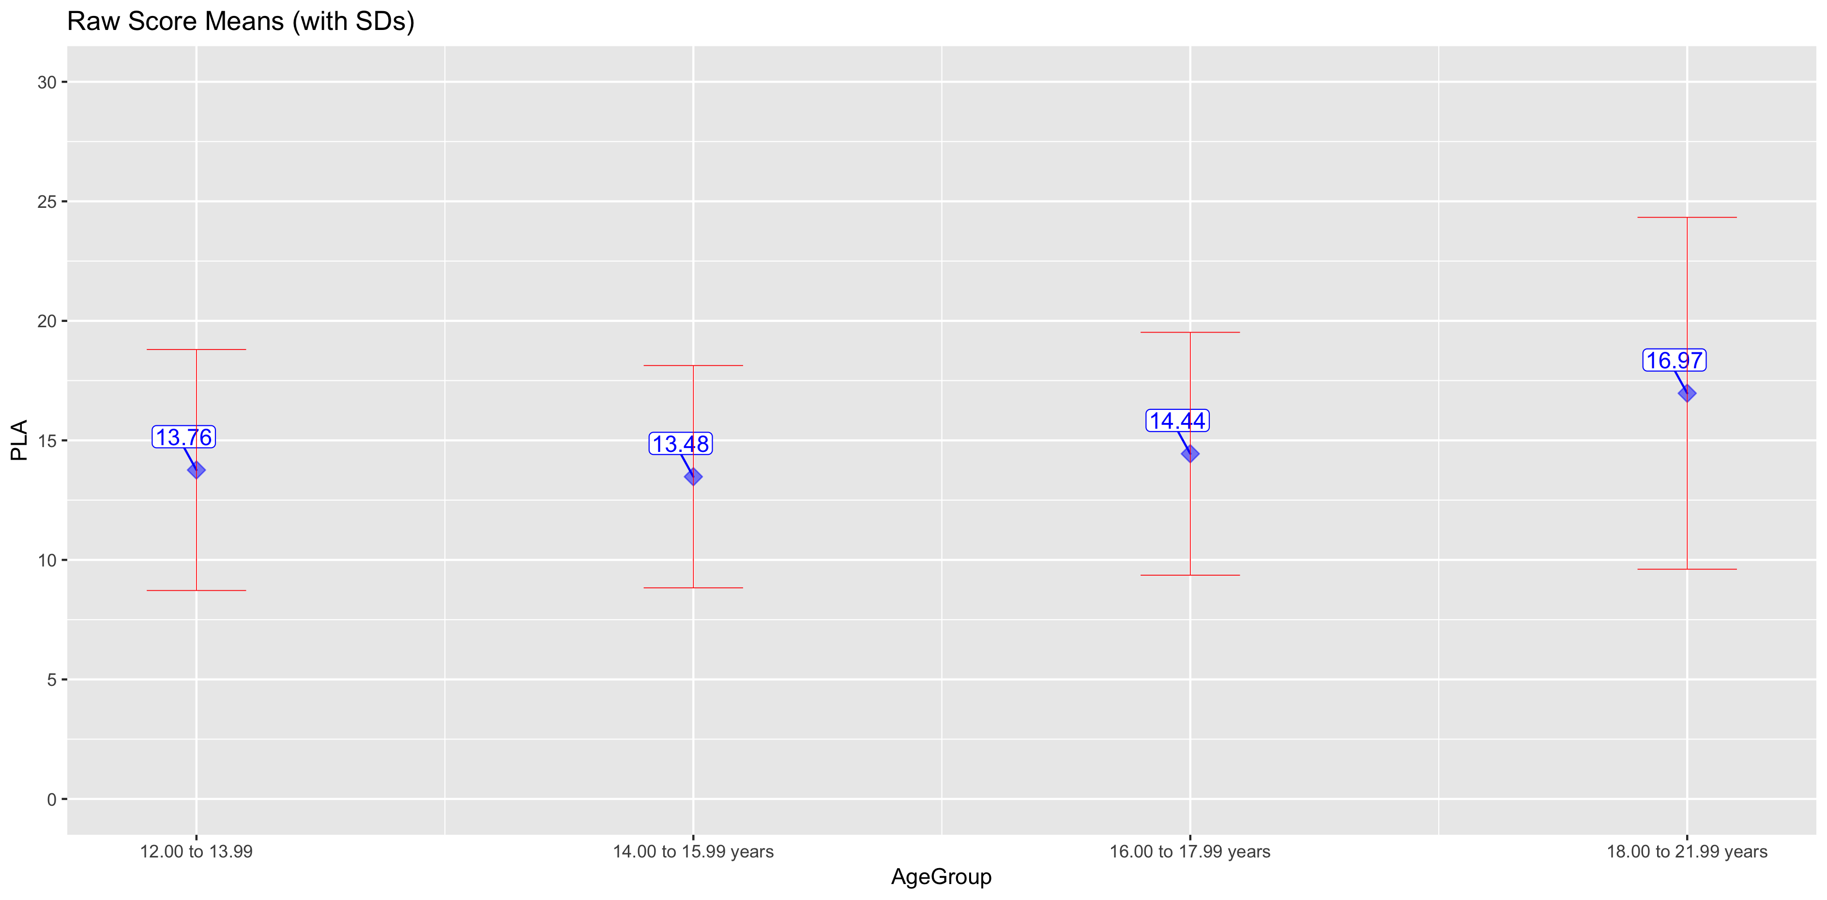
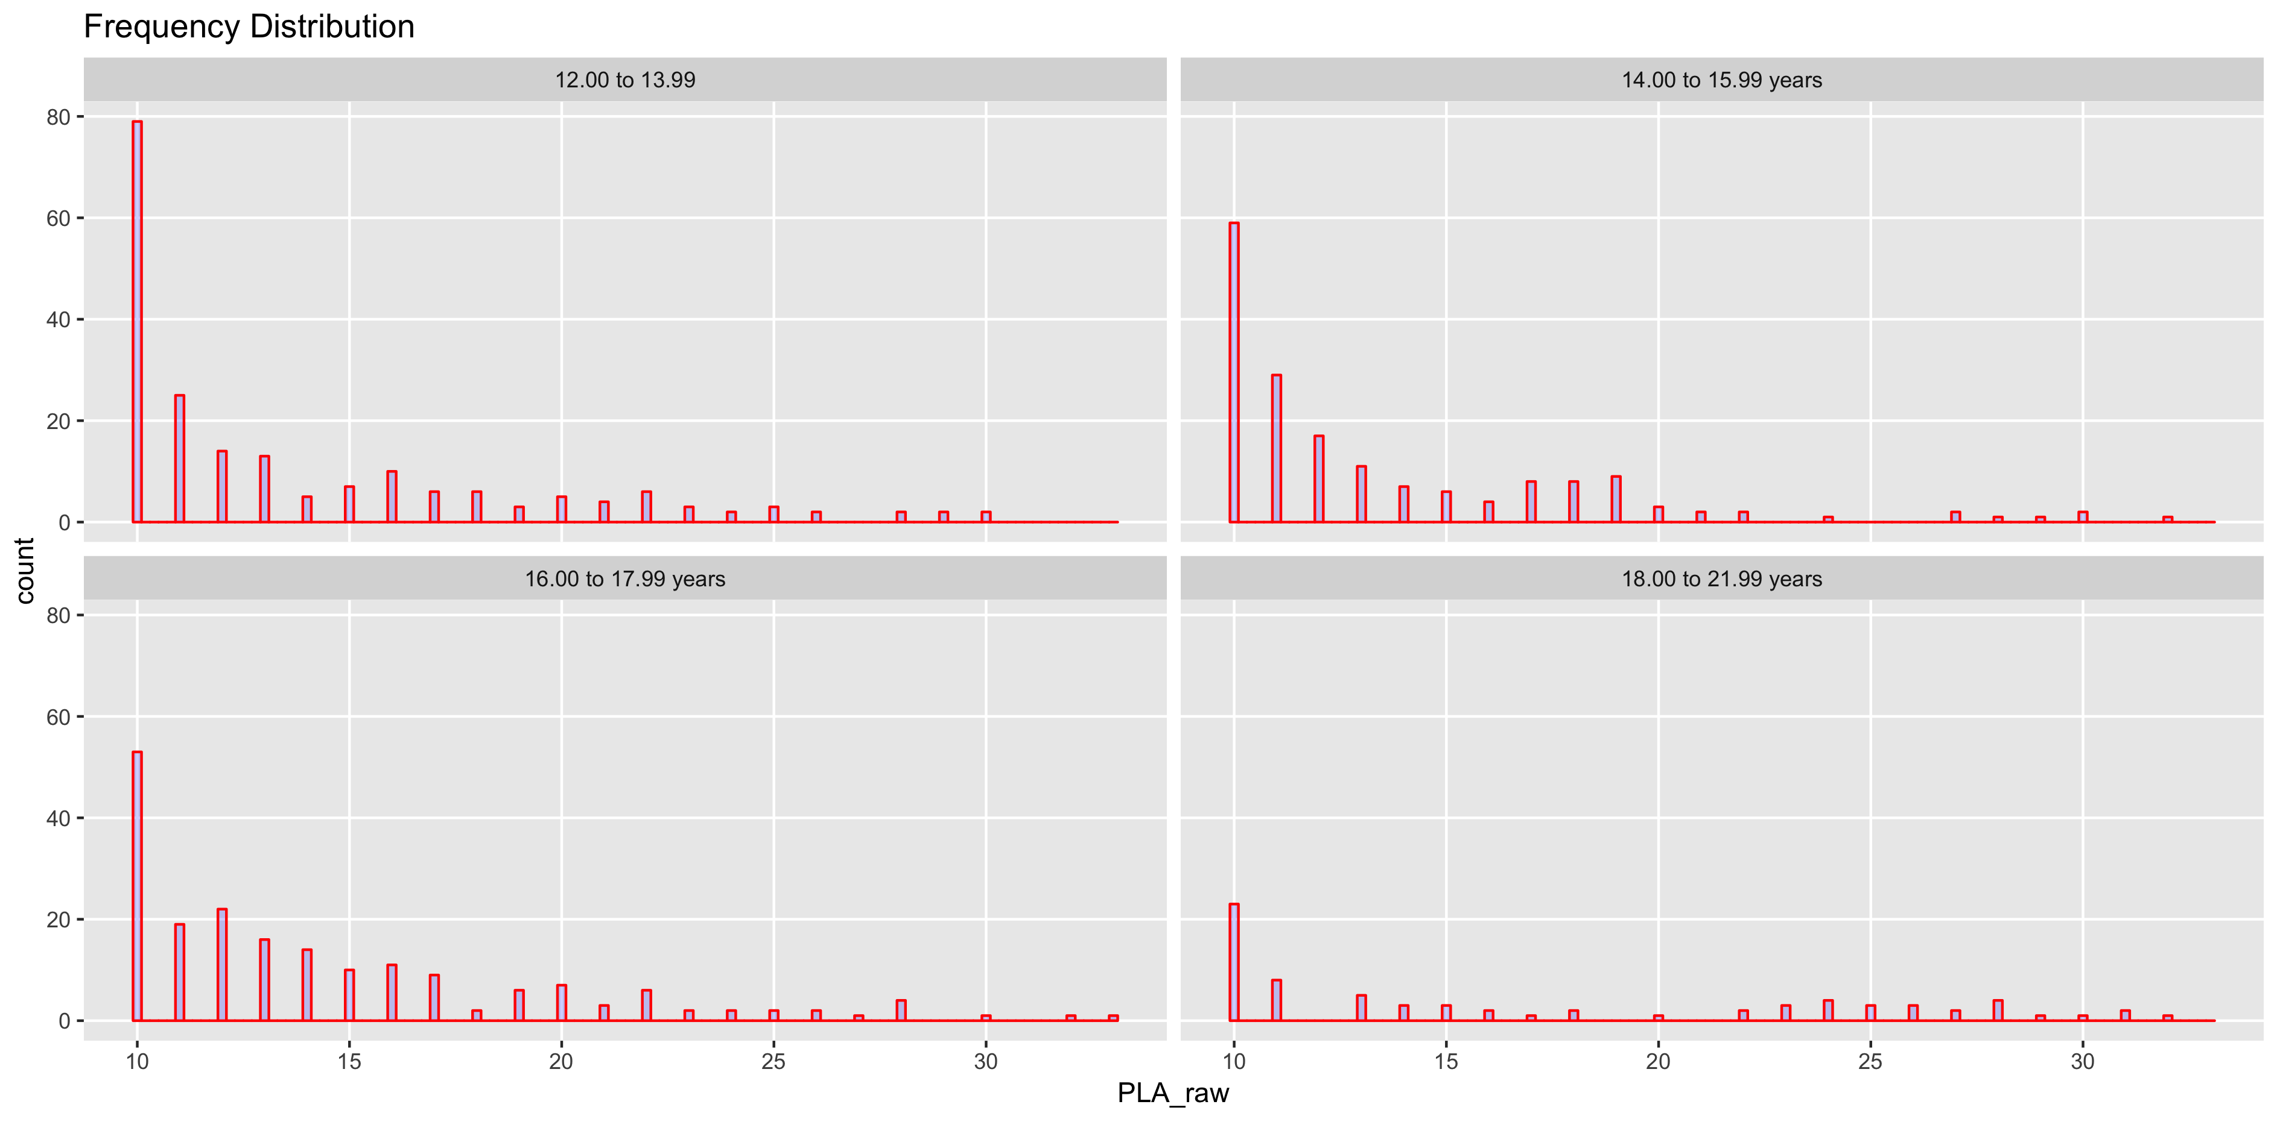
SCHOOL-PLA

AgeGroup | n | median | mean | sd | ES
12.00 to 13.99 | 199 | 11 | 13.76 | 5.04 | NA
14.00 to 15.99 years | 173 | 11 | 13.48 | 4.65 | -0.06
16.00 to 17.99 years | 194 | 13 | 14.44 | 5.08 | 0.2
18.00 to 21.99 years | 74 | 14 | 16.97 | 7.36 | 0.41

Self-SOC
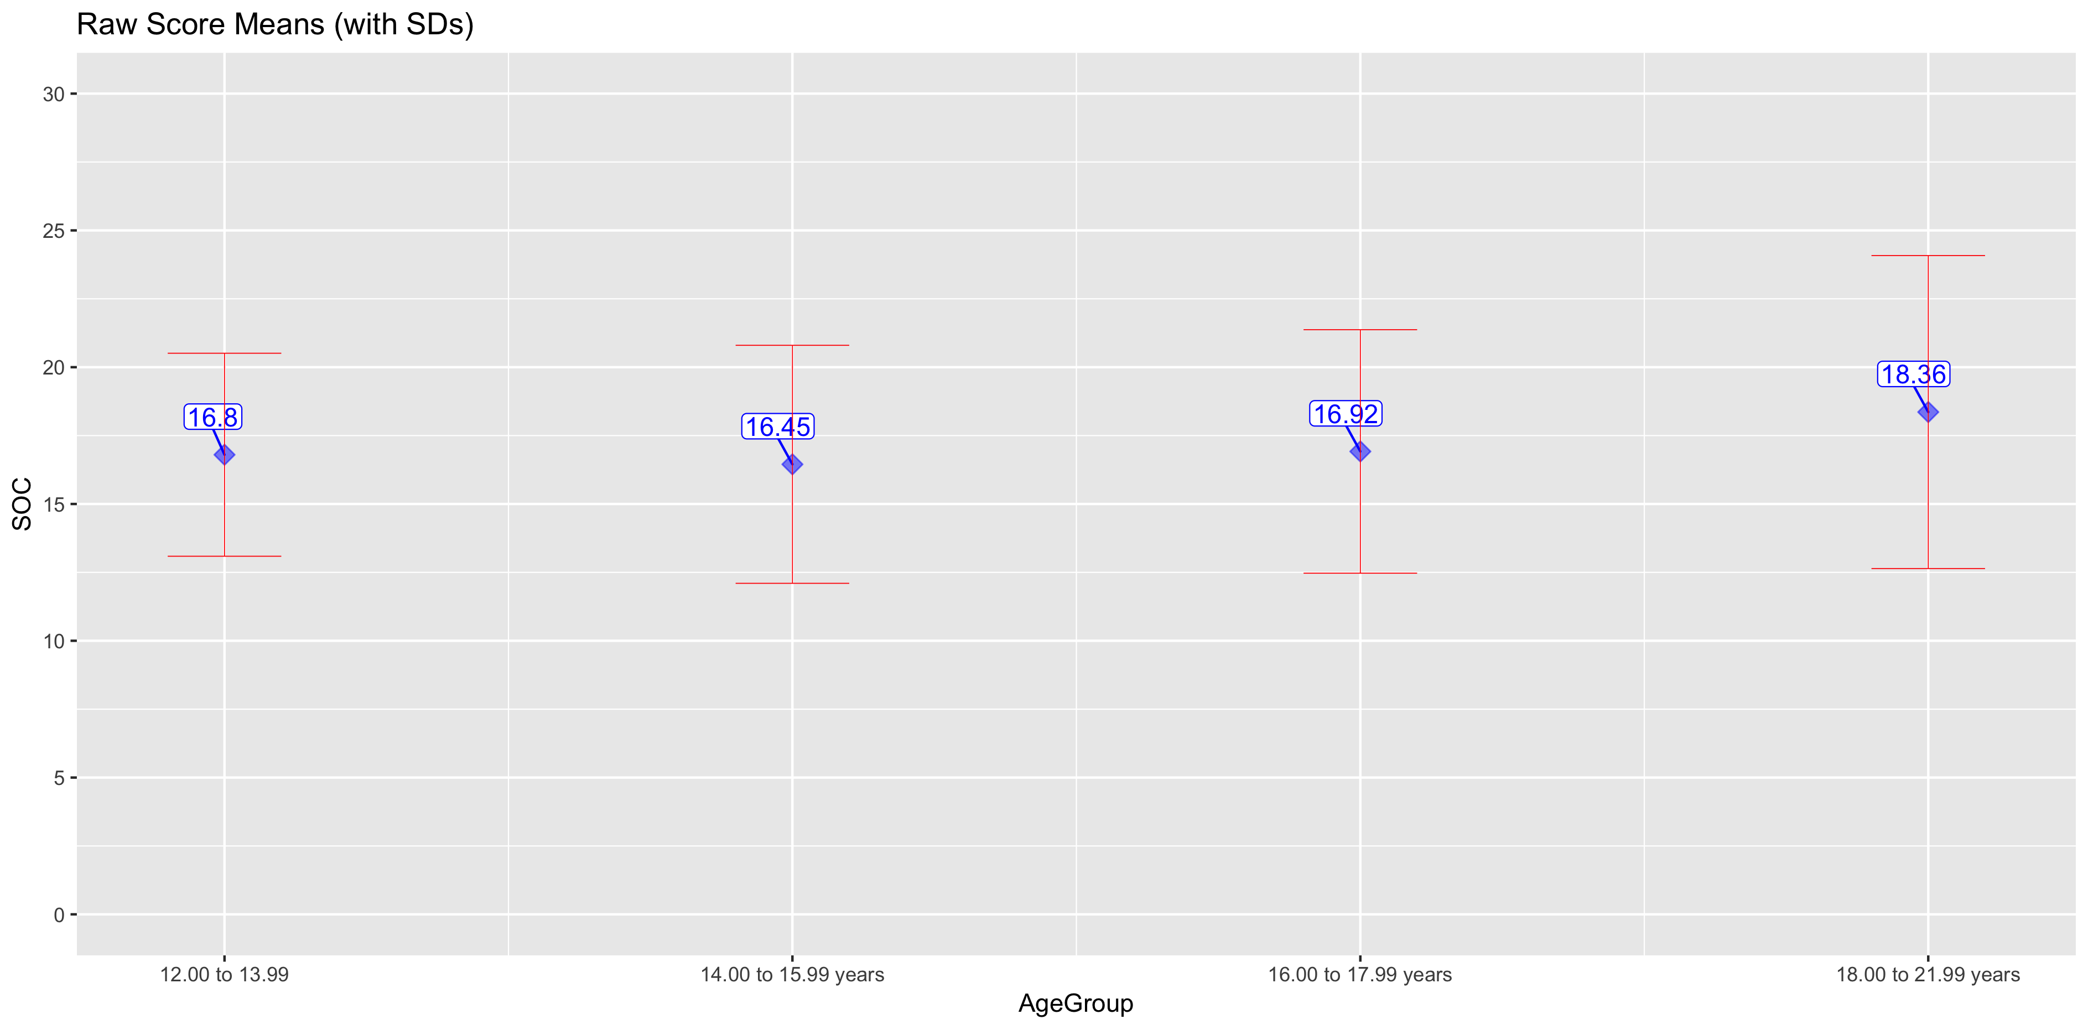
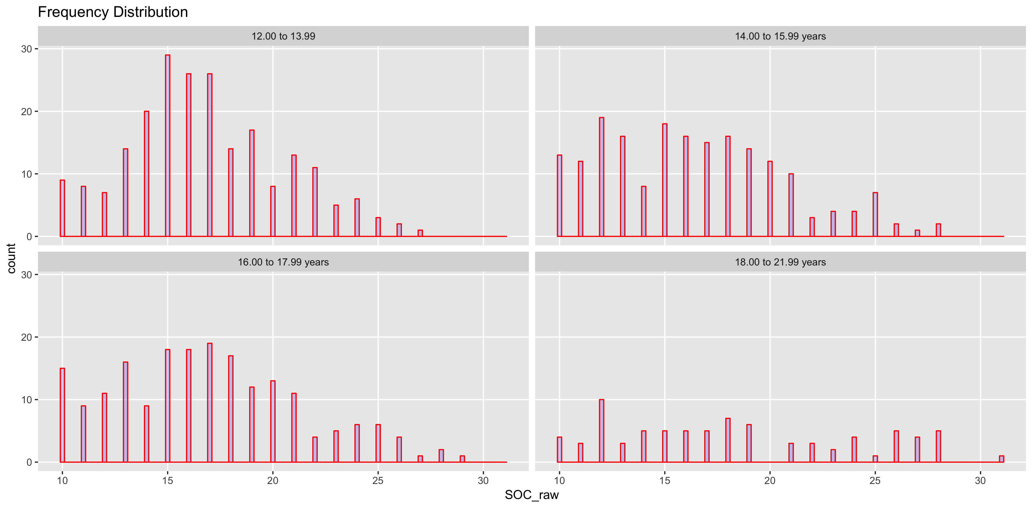
SELF-SOC

AgeGroup | n | median | mean | sd | ES
12.00 to 13.99 | 219 | 16 | 16.8 | 3.71 | NA
14.00 to 15.99 years | 192 | 16 | 16.45 | 4.35 | -0.09
16.00 to 17.99 years | 197 | 17 | 16.92 | 4.45 | 0.11
18.00 to 21.99 years | 81 | 18 | 18.36 | 5.72 | 0.28

Self-PLA
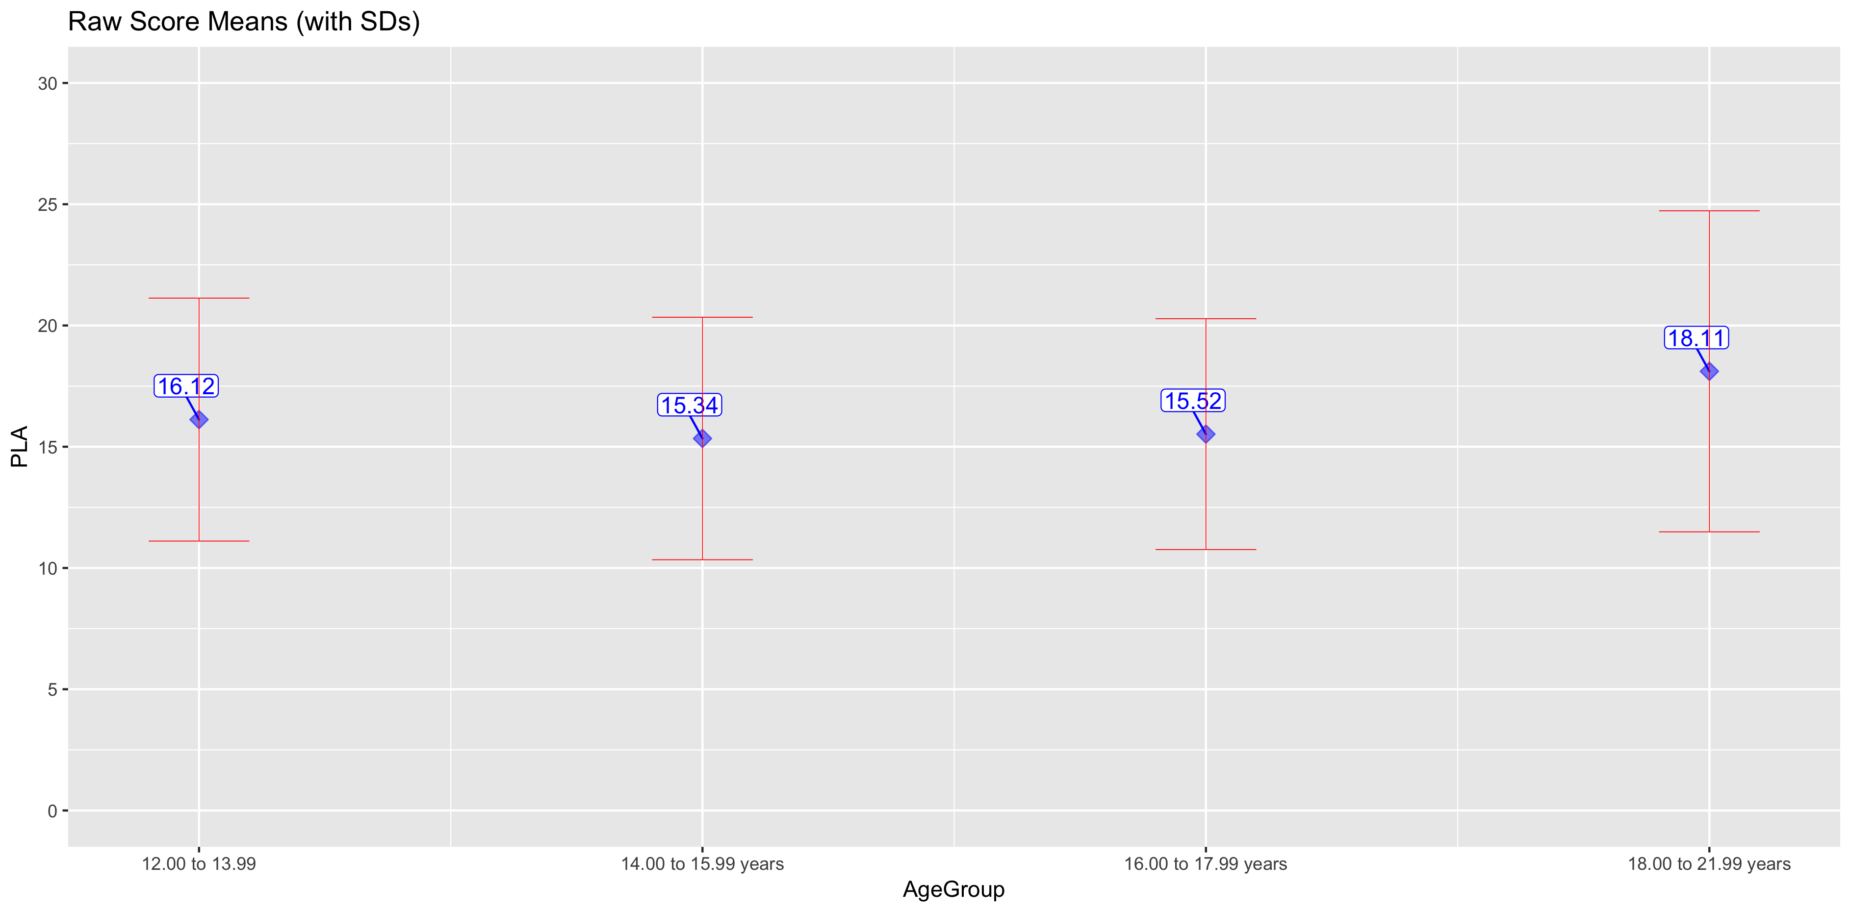
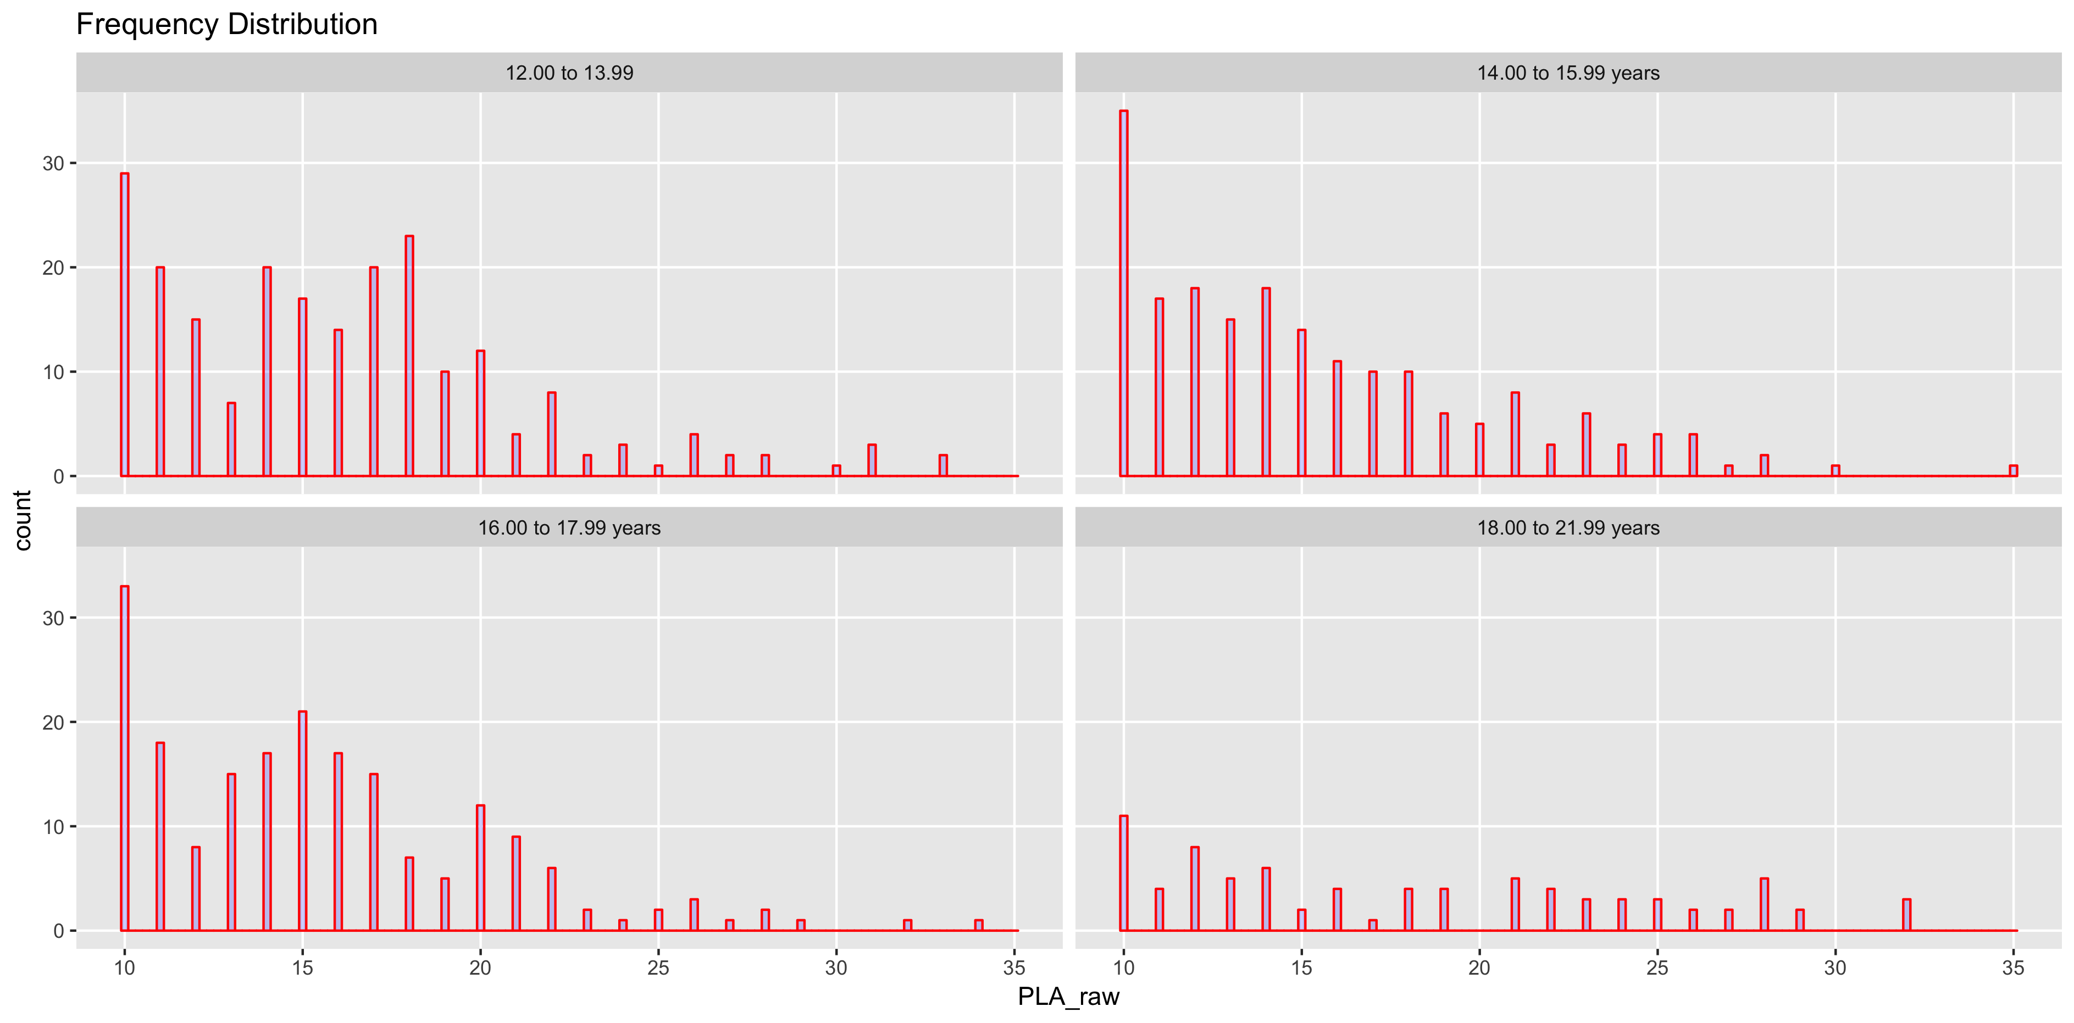
SELF-PLA

AgeGroup | n | median | mean | sd | ES
12.00 to 13.99 | 219 | 16 | 16.12 | 5.01 | NA
14.00 to 15.99 years | 192 | 14 | 15.34 | 5 | -0.16
16.00 to 17.99 years | 197 | 15 | 15.52 | 4.76 | 0.04
18.00 to 21.99 years | 81 | 17 | 18.11 | 6.62 | 0.46

