Data source for prices
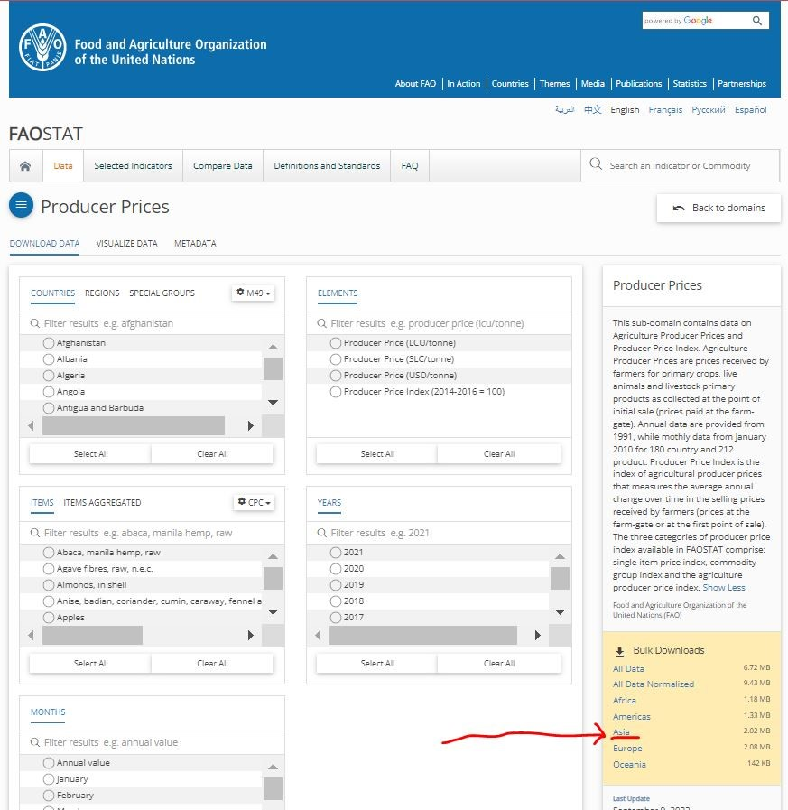
ref. | Annual Agricultural Producer Prices by FAOSTAT of FAO
 | http://www.fao.org/faostat/en/#data/PP
 | (last update: September 9, 2022)

Source for production
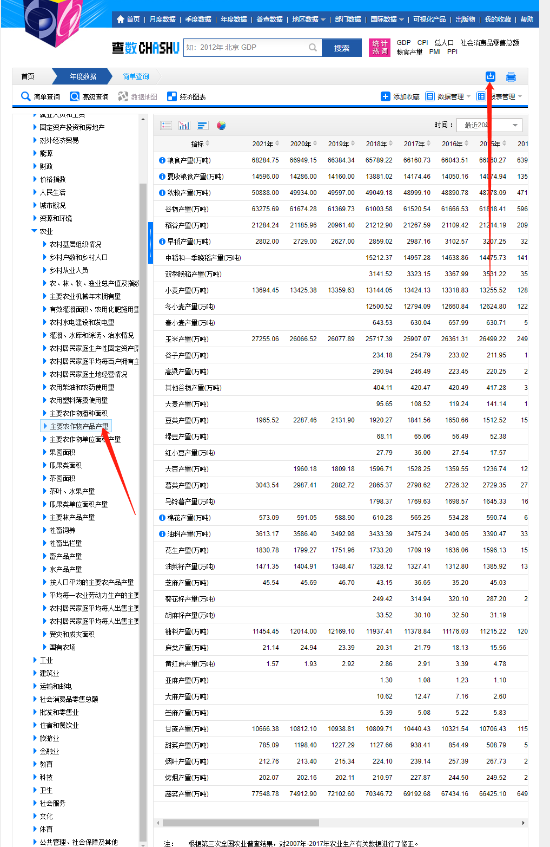
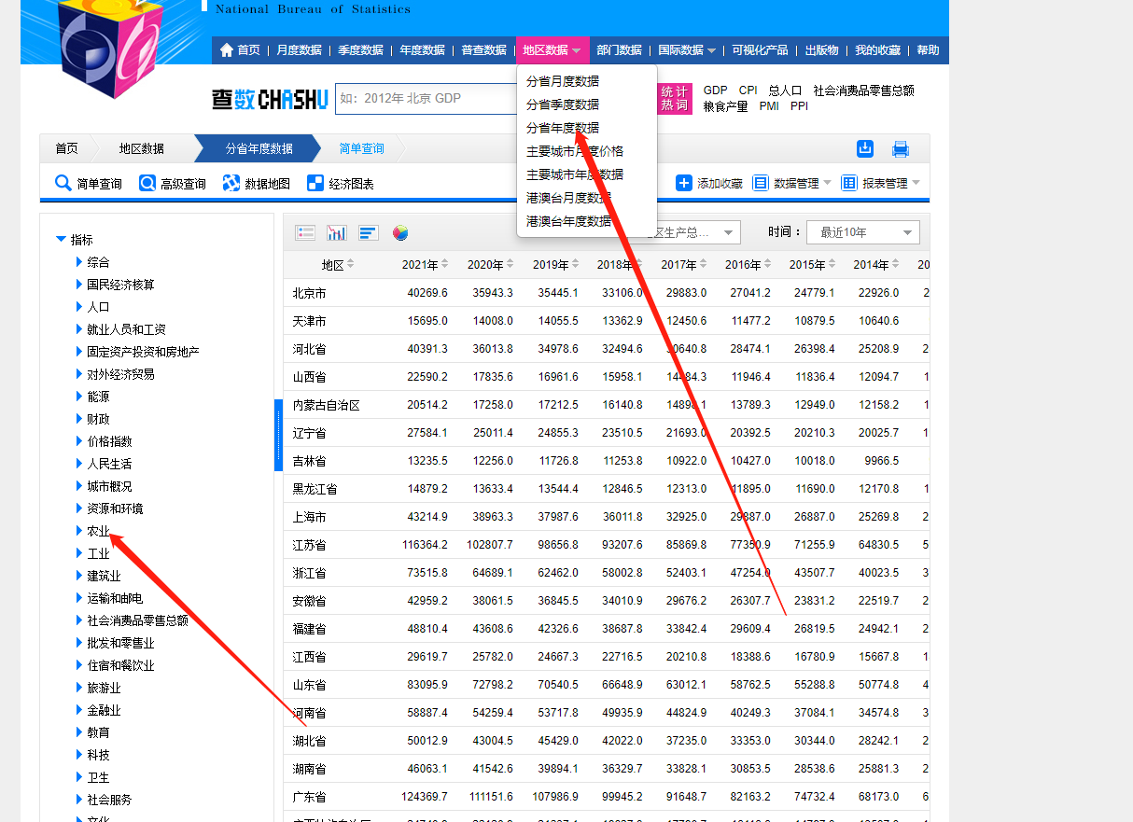
https://data.stats.gov.cn/easyquery.htm?cn=C01

