1. Data & Scope
1. Data Funnel & Scope — what we have, what's common, what we test on

1.1 THE DATA SOURCES (objects)
Source | What it is |  |  | Key objects (counts)
RegMap | Regulation→Summary→Control mapping (the linkage backbone) |  |  | RGL=311 RSM=850 Controls=2,315
Helios | The control master (control text lives here) |  |  | Controls=3,763 Library-Controls=387
Golden | Hand-picked, human-verified alert→control links (our test truth) |  |  | Records=161 RGL=47 Controls=2,185
RWT | Prior-run results: which RSMs each alert linked to |  |  | Records=161 linked-RGL rows=908

1.2 DO THE SOURCES AGREE? (overlaps — where linkage is even possible)
Check |  | Result |  | Meaning
Golden RGL in RegMap |  | 45 / 47 (95.7%) |  | almost all regulations are mapped
Golden control in RegMap |  | 2,184 / 2,185 (100%) |  | controls exist in the mapping
Golden control in Helios (has TEXT) |  | 1,686 / 2,185 (77.2%) |  | 23% of controls have NO text → unjudgeable
RegMap control in Helios |  | 1,769 / 2,315 (76.4%) |  | a quarter of mapped controls lack text

1.3 REACHABILITY — the actual data we can test on
A golden control can only be judged if (a) its parent summary is in RegMap AND (b) it has text in Helios. Only 1,686 of 2,185 controls (77.2%) clear both. This is the HARD CEILING — no model or prompt can score above it.
Reachability step |  |  | Count
Golden controls total |  |  | 2,185
... with a RegMap parent |  |  | 2,184
... with control text in Helios |  |  | 1,686
REACHABLE (both) → testable |  |  | 1,686 (77.2%)
UPPER BOUND on recall |  |  | 77.2%

1.4 THE FUNNEL — from 64,114 golden links to what the model is measured on
The golden contains 64,114 links, but they come from only 2,184 controls repeated across records via whole-regulation mapping. The waterfall below shows where the volume goes, and who owns each reduction (see diagram).
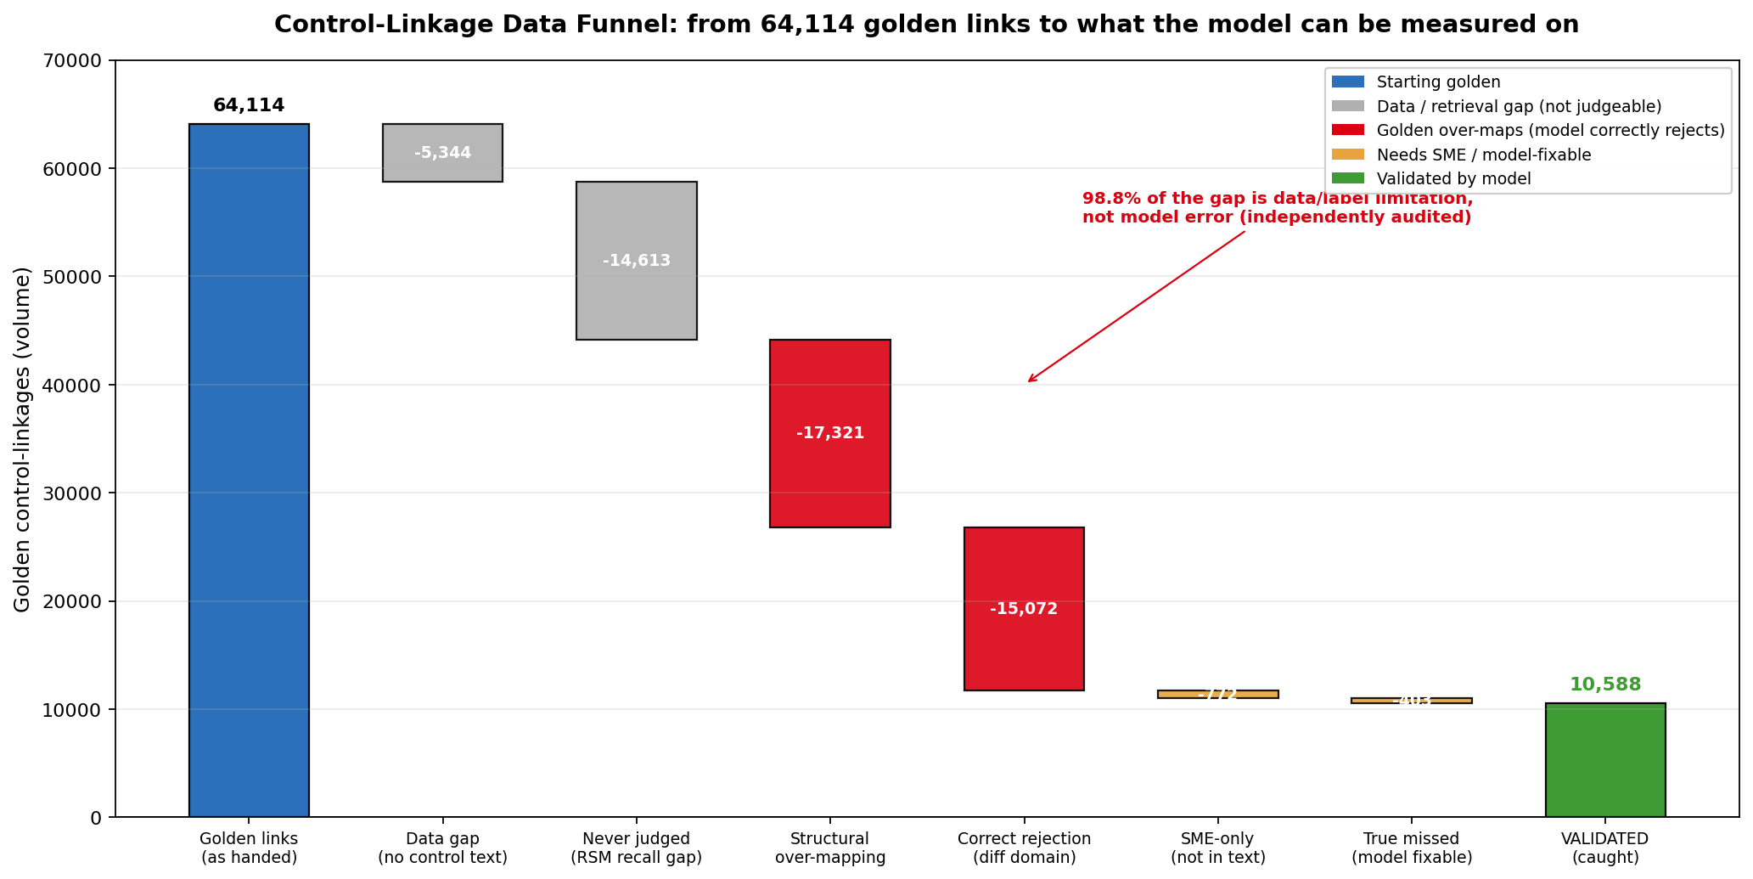

1.5 FILTERS & LEAKAGES (and their impact on the numbers)
Filter / Leakage |  | What happens |  |  | Impact
Data gap (no control text) |  | 5,344 golden links reference controls absent from Helios |  |  | Unjudgeable — carved out, not a model failure (8.3%)
RGL with no RegMap controls |  | Alert's regulation has no controls mapped → zero candidates |  |  | Silent recall loss — see Tab 2
RSM not linked upstream |  | Control's parent summary wasn't linked → never a candidate |  |  | ~4,828 controls never judged (8.2%)
Whole-RGL over-mapping |  | Golden marks every control under a regulation as linked |  |  | Inflates truth ~30×; drives apparent low recall — see Tab 2

2. Data-Quality Issues
2. The Two Data-Quality Issues that shape every number

ISSUE A — THE MISSING 'RSM' (SUMMARY) LAYER → the golden over-maps
The golden links an alert to a whole REGULATION, not to specific SUMMARIES within it. Because a regulation contains many controls, EVERY control under a linked regulation inherits the 'linked' label — including controls the specific alert never touches.

EXAMPLE: A securities-settlement (T+1) alert is marked 'linked' in the golden to a deposit-account statement-timing control — simply because both sit under the same broad regulation. They are unrelated; the model correctly rejects the link, but the golden counts that as a 'miss'.

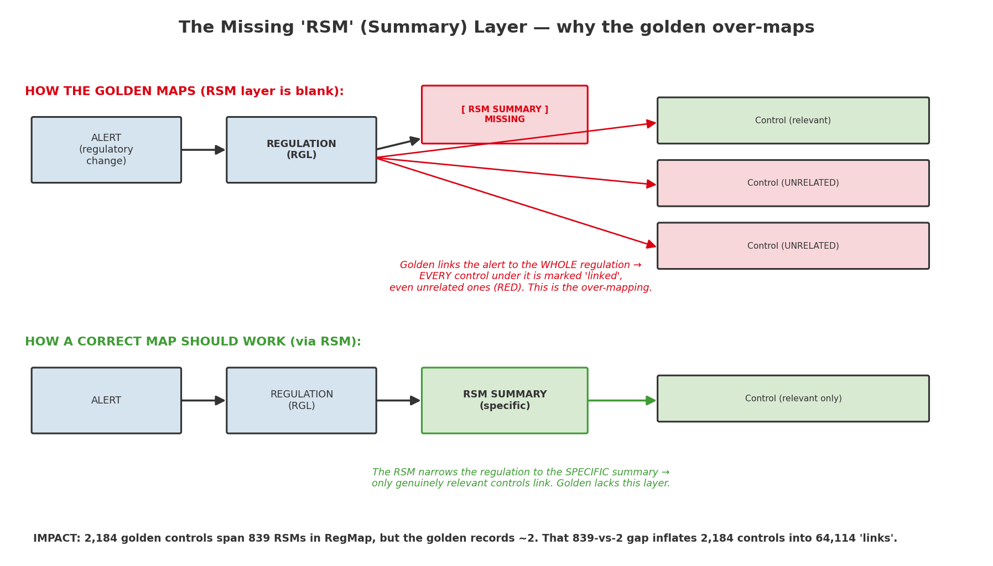

QUANTIFIED IMPACT: the 2,184 golden controls actually span 839 distinct summaries (RSMs) in RegMap, but the golden records only ~2. That 839-vs-2 gap inflates 2,184 real controls into 64,114 'links'. Result: apparent recall looks ~30× worse than reality.

ISSUE B — REGULATIONS WITH NO MAPPED CONTROLS → candidate leakage
We generate candidate controls via RegMap (alert→regulation→summary→control). If a regulation has NO controls mapped in RegMap, the alert gets ZERO candidates — even if relevant controls exist in Helios. The link becomes impossible before judging even begins. (Raised by the delivery team.)

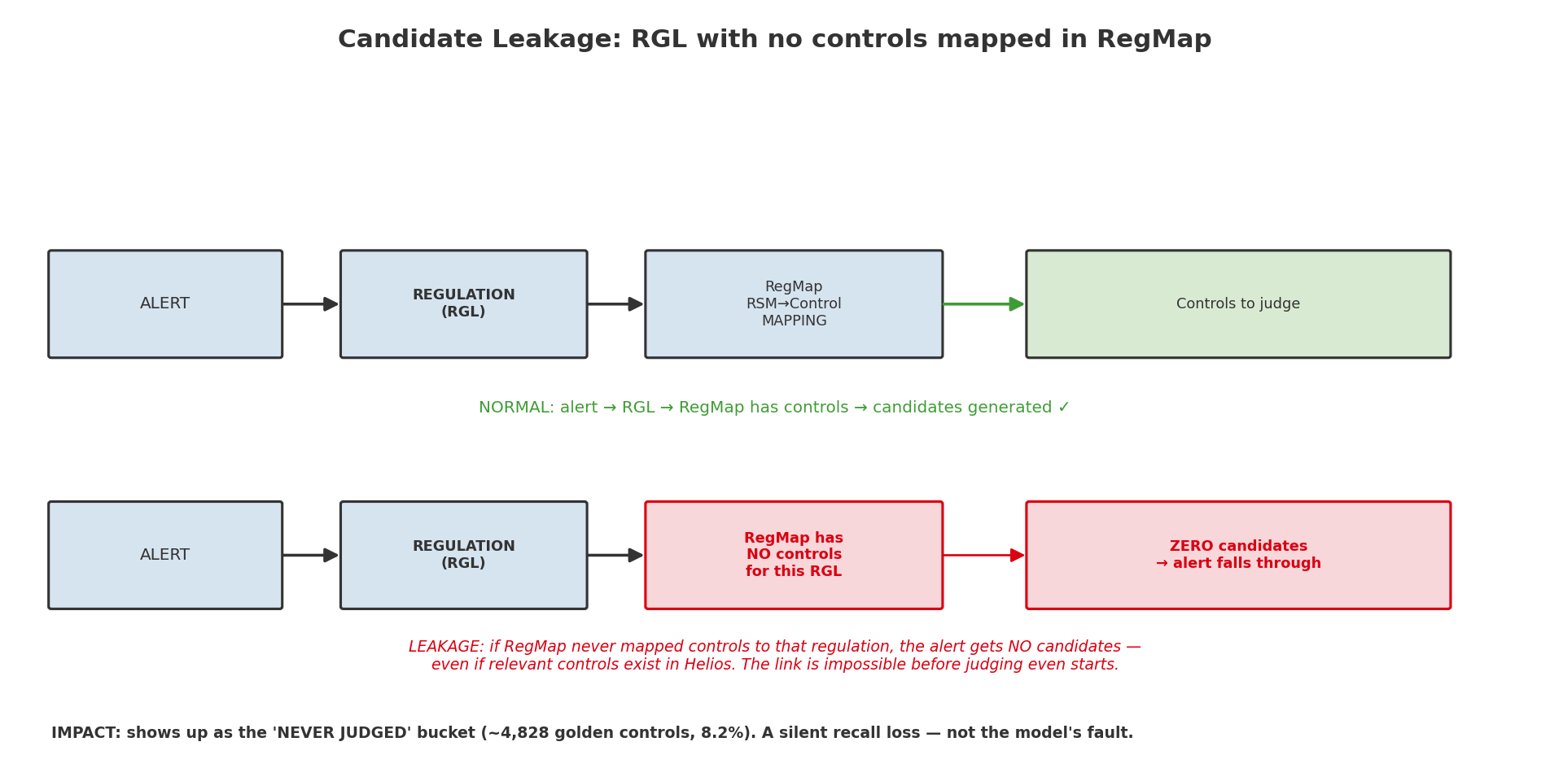

QUANTIFIED IMPACT: appears as the 'never judged' bucket — ~4,828 golden controls (8.2%) were never shown to the model because their parent summary/regulation surfaced no candidates. This is a DATA-COMPLETENESS gap, not a model error.

4. Solution Approach
4. Solution Approach — how the pipeline works

4.1 STANDARD PIPELINE (prompt-based linkage)
For each alert, gather the controls under its linked summaries, keep those with text, and have the LLM judge each link using a carefully engineered prompt.

4.2 ENRICHED PIPELINE (entity extraction + pre-filter + impact/gap)
An upgrade: first extract structured entities (jurisdiction, regulator, obligation type, control function, lifecycle stage) from every alert and control. A free Python pre-filter drops obvious mismatches; the LLM then judges the rest using entity matching PLUS careful control reading; finally, impact & gap statements are generated for every link.

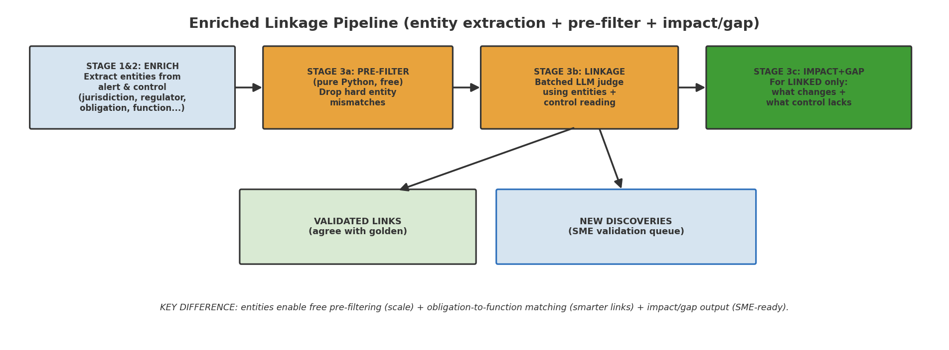

WHY THE ENRICHED APPROACH
It matches regulatory OBLIGATIONS to control FUNCTIONS (e.g. a recordkeeping rule → a recordkeeping control) rather than surface keywords — 41% of its links are driven by this obligation-to-function signal. It also produces the impact/gap output SMEs need, and scales via the free pre-filter.

5. Performance & Results
5. Performance & Results — approaches, prompts, and audit outcomes

5.1 PROMPT / APPROACH JOURNEY (same model, comparable)
Approach | What changed | Validated links | Reachable recall | Discoveries | Model error (audited)
v2 baseline | Strict: only explicit mandate-change linked | 5,518 | 9.4% | 3,966 | 2.6%
v2.5 holistic | Read whole control + library objective | 20,512 | 34.9% | 11,570 | 0.8%
v3 over-guarded | Too many 'do-not-link' rules | 1,386 | 2.4% | 909 | 1.2%
v2.6 disciplined | v2.5 + two targeted guards | 10,588 | 18.0% | 4,838 | 1.2%
Enriched (full) | Entities + pre-filter + impact/gap | 2,604 | 4.4% | 2,139 | ~2.0%

KEY INSIGHT: across every approach the audited model error stayed ~1–3%. The recall swings are trade-offs against an over-mapped golden — not changes in model capability. We are at the golden's ceiling.

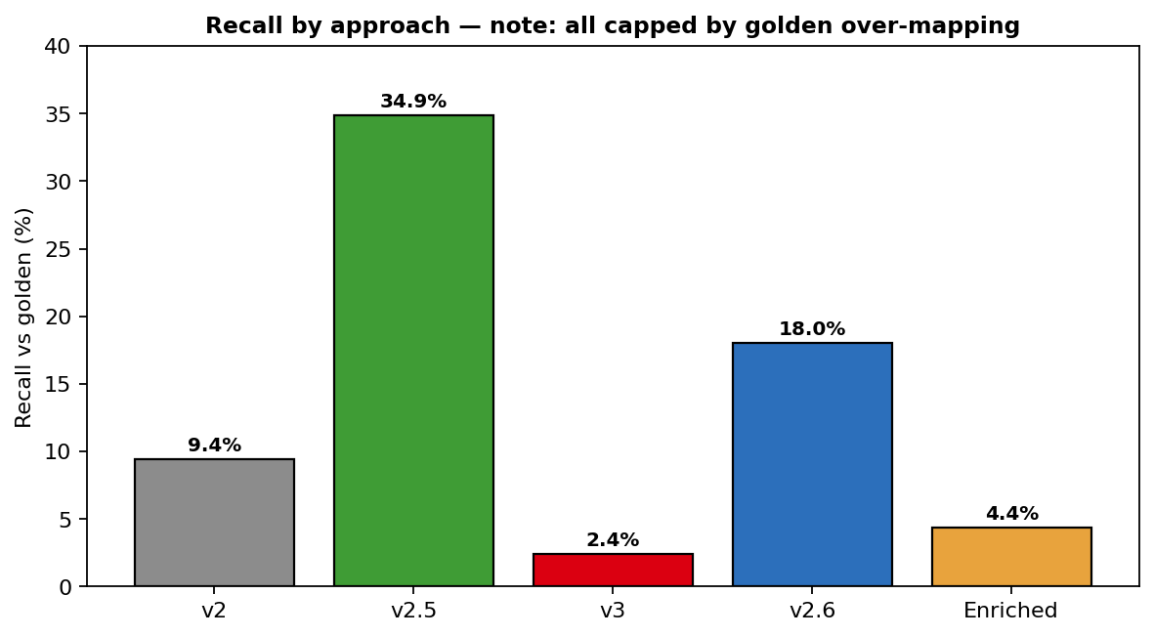

5.2 INDEPENDENT AI AUDIT — are the model's decisions sound?
A separate AI model audited the decisions. For REJECTIONS: is the model right to not link? For DISCOVERIES: is the new link genuine?

Audit result |  | Enriched pipeline | Reading
Rejections that are CORRECT (golden over-maps / different domain) |  | 98% | Model rejects for the right reasons
Rejections that are TRUE model misses |  | 2% | The model's real error rate
Discoveries assessed as GENUINE new links (SME-worthy) |  | ~40% | Real links the manual process missed
Discoveries SME would deprioritise |  | ~60% | Cheap to filter in review

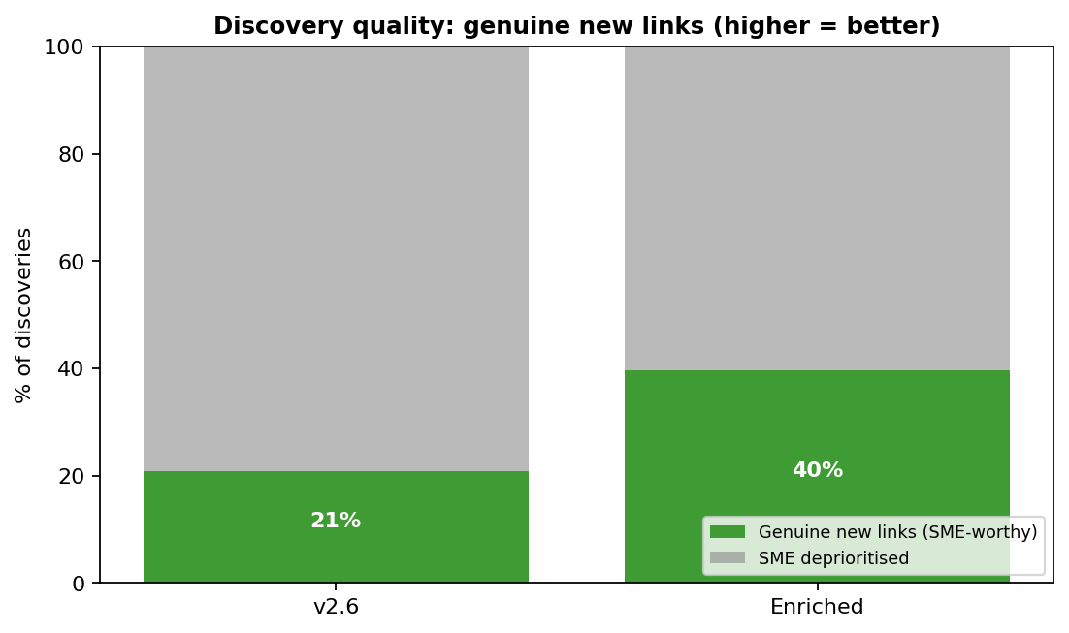

5.3 DISCOVERY QUALITY IMPROVED WITH ENRICHMENT
The enriched approach nearly DOUBLED the share of genuine discoveries (21% → 40%) versus the standard approach, while cutting noise — because it matches obligations to functions rather than keywords. It produces fewer links, but a higher fraction are real and each carries an impact/gap statement.

