NCU-USD
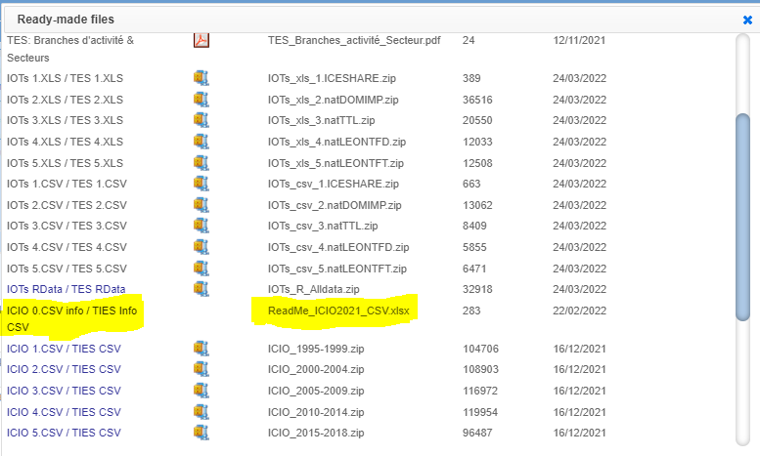
 | e base = 2015 | 2010 | 2011 | 2012 | 2013 | 2014 | 2015 | 2016 | 2017 | 2018 | from: | https://stats.oecd.org/Index.aspx?DataSetCode=IOTS_2021
COL | Colombia | 1,899 | 1,848 | 1,797 | 1,869 | 2,002 | 2,742 | 3,054 | 2,951 | 2,956 | go to: | Export -> Related Files -> select highlight
BRA | Brazil | 1.8 | 1.7 | 2.0 | 2.2 | 2.4 | 3.3 | 3.5 | 3.2 | 3.7
CRI | Costa Rica | 526 | 506 | 503 | 500 | 538 | 535 | 545 | 568 | 577
COL | Deflator ratios (e/e_base) | 0.6924 | 0.6740 | 0.6554 | 0.6816 | 0.7301 | 1 | 1.1139 | 1.0764 | 1.0780
BRA | Deflator ratios (e/e_base) |  |  |  | 0.6481 | 0.7072 | 1 | 1.0494 | 0.9593
CRI | Deflator ratios (e/e_base) |  |  | 0.9408 | 0.9349 | 1.0070 | 1 | 1.0190 | 1.0616

