Valuation
https://stockdividendscreener.com/auto-manufacturers/tesla-quarterly-inventory/ Inventories and Inventory Valuation
1. Inventories are stated at the lower of cost or market. Cost is computed using standard cost, which approximates actual cost on a first-in, first-out basis. 2. We record inventory write-downs based on reviews for excess and obsolescence determined primarily by future demand forecasts. 3. We also adjust the carrying value of our inventories when we believe that the net realizable value is less than the carrying value. 4. These write-downs are measured as the difference between the cost of the inventory, including estimated costs to complete, and estimated selling prices. Once inventory is written down, a new, lower-cost basis for that inventory is established, and subsequent changes in facts and circumstances do not result in the restoration or increase in that newly established cost basis. Selling Cost in NRV When a company buys inventory, it may incur extra costs to store or prepare the goods for sale. The costs associated with storing inventory are referred to as the carrying cost of inventory. Assume, for example, a retailer purchases large pieces of expensive furniture as inventory, and the company has to build a display case and hire a contractor to carefully move the furniture to the buyer's home. These extra costs are subtracted from the selling price to compute the NRV. Cost of automotive sales revenue Cost of automotive sales revenue includes direct parts, material and labor costs, manufacturing overhead, including depreciation costs of tooling and machinery, shipping and logistic costs, vehicle connectivity costs, allocations of electricity and infrastructure costs related to our Supercharger network, and reserves for estimated warranty expenses
Tesla | Yearly |  |  |  |  |  |  |  |  |  | Quaterly |  |  |  | YoY
 | Dec-15 | Dec-16 | Dec-17 | Dec-18 | Dec-19 | Dec-20 | Dec-21 | Dec-22 | Dec-23 | Industry | Jun-22 | Sep-22 | Dec-22 | Mar-23 | Jun-22 | Jun-23
Plant | 2 | 2 | 2 | 2 | 3 | 3 |  |  |  |  | 3 | 3 | 3 | 3 | 3
Employees | 10,000 | 10,000 | 10,000 | 10,000 | 12,000 | 12,000 |  |  |  |  | 12,000 | 12,000 | 12,000 | 12,000 | 12,000
Pdf won't have detail (like finished goods) go to SEC https://www.sec.gov/Archives/edgar/data//1318605/000156459020047486/tsla-10q_20200930.htm or click sec filing link in https://ir.tesla.com/
Models | 3 | 3 | 4 | 4 | 5 | 5
Net PPE(M) (Operating lease vehicles, net: Solar energy systems, net: Property, plant and equipment, net: Operating lease right-of-use assets) https://www.gurufocus.com/term/Net+PPE/NAS:TSLA/Property,-Plant-and-Equipment/Tesla | 5,194.74 | 15,036.92 | 20,491.62 | 19,691.00 | 20,199.00 | 23,375.00 | 31,176.00 | 36,635.00 |  |  | 33,684.00 | 34,563.00 | 36,635.00 | 38,669.00 | 33,684.00 | 41,041.00
 |  | 189.46% | 36.28% | -3.91% | 2.58% | 15.72% | 33.37% | 17.51% |  |  | #DIV/0! | 2.61% | 5.99% | 5.55% | #DIV/0! | 21.84%
AP(PPE) | 10 | 6 | 5 | 13 | 18 | 22 | 30 | 37 |  |  | 8 | 11 | 12 | 11 | 8 | 12
MP(PPE) |  | 3 | 3 | (192) | 218 | 45 | 54 | 80 |  |  | 8 | 122 | 36 | 1 | 37 | 16
MRP(PPE) |  | 317,915 | 357,932 | (16,800,265) | 14,592,832 | 2,871,268 | 3,100,409 | 4,988,240 |  |  | 510,400 | 7,619,902 | 2,136,545 | 30,025 | 2,430,463 | 876,797
Depreciated | (422.59) | (947.10) | (1636.00) | (1901.00) | (2154.00) | (2322.00) | 2911.00 | 3747.00 |  |  | 922.00 | 956.00 | 989.00 | 1046.00 | 922.00 | 1154.00 |  |  |  |  |  |  | 根据公司披露，上海工厂的单位资本投入是Fremont的一半，这意味着同样规模的 销量，中国工厂的单车D&A为美国的一半；目前公司单车D&A稳定在0.6万美元/ 辆，预计国产化后可降低单车D&A 2万元（3000美元）
Finished Goods | 476.51 | 1,016.73 | 1,013.91 | 1,581.00 | 1,356.00 | 1,666.00 | 1,277.00 | 3,475.00 |  |  | 1,185.00 | 2,067.00 | 3,475.00 | 4,591.00 | 1,185.00 | 5,193.00 |  |  |  |  |  |  | The products in a manufacturer's inventory that are completed and are waiting to be sold.
Warranties
We began recording warranty reserves with the commencement of Tesla Roadster sales in 2008. Initially, Tesla Roadsters were sold with a warranty of four years or 50,000 miles. More recently, Tesla Roadsters have been sold with a warranty of three years or 36,000 miles. Accrued warranty activity consisted of the following for the periods presented (in thousands):
Diff |  | 540.22 | -2.82 | 567.09 | -225.00 | 310.00 | -389.00 | 2,198.00 |  |  |  | 882.00 | 1,408.00 | 1,116.00 |  | 602.00
Raw Materials & Components | 528.94 | 680.34 | 821.4 | 932 | 1,428.00 | 1,508.00 | 2,816.00 | 6,137.00 |  |  | 4,949.00 | 5,381.00 | 6,137.00 | 6,405.00 | 4,949.00 | 5,968.00
work in progress | 163.83 | 233.75 | 243.18 | 297 | 362.00 | 493.00 | 1,089.00 | 2,385.00 |  |  | 1,370.00 | 2,237.00 | 2,385.00 | 2,458.00 | 1,370.00 | 2,202.00 |  |  |  |  |  |  | remark: This account contains the cost of the direct material, direct labor, and factory overhead placed into the products on the factory floor.
Total Inv | 1,277.84 | 2,067.45 | 2,263.54 | 3,113.00 | 3,552.00 | 4,101.00 | 5,757.00 | 12,839.00 |  |  | 8,108.00 | 10,327.00 | 12,839.00 | 14,375.00 | 8,108.00 | 14,356.00
COGS | 3,122.52 | 5,400.88 | 9,536.00 | 17,419.00 | 20,509.00 | 24,906.00 | 40,217.00 | 60,609.00 |  |  | 12,700.00 | 16,072.00 | 18,541.00 | 18,818.00 | 12,700.00 | 20,394.00
Production Variable Cost(M) | 3,122.52 | 5,941.10 | 9,533.18 | 17,986.09 | 20,284.00 | 25,216.00 | 39,828.00 | 62,807.00 |  |  | 12,700.00 | 16,954.00 | 19,949.00 | 19,934.00 | 12,700.00 | 20,996.00 |  |  |  |  |  |  | 电池端目前仍拥有多种降本方式，一是本土化导入成本更有竞 争力的宁德时代、材料端进步、低版本使用价格更低的材料 （如LFP）、提高能量密度等。
AVC (USD) | 62450.4 | 70793.117419 | 94362.695121 | 70663.929596 | 55529.396305 | 49468.647557 | 42806.38248 | 45857.546413 |  |  | 49114.393998 | 46332.151846 | 45369.466979 | 45221.502332 | 49114.393998 | 43769.022306
 |  | 13.36% | 33.29% | -25.11% | -21.42% | -10.91% | -13.47% | 7.13% |  |  |  | -5.66% | -2.08% | -0.33% |  | -10.88%
Production Fixed Cost(M) | 422.59 | 947.10 | 1,636.00 | 1,901.00 | 2,154.00 | 2,322.00 | -2,911.00 | -3,747.00 |  |  | -922.00 | -956.00 | -989.00 | -1,046.00 | -922.00 | -1,154.00 |  |  |  |  |  |  | 固定成本主要依赖于规模效应，降低单车摊销。弹性成本主要依赖于技术进步，供应链价格降低+用料变化，电动车目前核心降本 空间来自于电池系统。
AFC (USD) | 8451.8 | 11285.479374 | 16193.690796 | 7468.6677405 | 5896.7816822 | 4555.2902771 | -3128.6878427 | -2735.8133076 |  |  | -3565.6276588 | -2612.5714973 | -2249.2557442 | -2372.9151921 | -3565.6276588 | -2405.6702105
 |  | 33.53% | 43.49% | -53.88% | -21.05% | -22.75% | -168.68% | -12.56% |  |  |  | -26.73% | -13.91% | 5.50% |  | -32.53%
Production Total Cost(M) | 3,545.11 | 6,888.20 | 11,169.18 | 19,887.09 | 22,438.00 | 27,538.00 | 36,917.00 | 59,060.00 |  |  | 11,778.00 | 15,998.00 | 18,960.00 | 18,888.00 | 11,778.00 | 19,842.00 |  |  |  |  |  |  | 固定成本定义：只包括SG&A、R&D、D&A（折旧摊销基本为制造端成本）；可变成本定义：营业成本减去D&A。
ATC (USD) | 70,902.20 | 82,078.60 | 110,556.39 | 78,132.60 | 61,426.18 | 54,023.94 | 39,677.69 | 43,121.73 |  |  | 45,548.77 | 43,719.58 | 43,120.21 | 42,848.59 | 45,548.77 | 41,363.35
Marginal Cost(USD) |  | 98,552.27 | 250,276.53 | 56,793.09 | 23,032.22 | 35,305.60 | 22,294.59 | 50,417.93 |  |  |  | 39,313.23 | 40,147.47 | -65,040.65 |  | 36,468.89
 |  |  | 153.95% | -77.31% | -59.45% | 53.29% | -36.85% | 126.14% |  |  |  |  | 2.12% | -262.00% |  | #DIV/0!
Revenue | 4,046.03 | 7,000.13 | 11,759.00 | 21,461.00 | 24,578.00 | 31,536.00 | 53,823.00 | 81,462.00 |  |  | 16,934.00 | 21,454.00 | 24,318.00 | 23,329.00 | 16,934.00 | 24,927.00
Marginal Revenue(USD) |  | 114,101.97 | 175,409.88 | 68,372.09 | 25,490.68 | 52,572.72 | 51,044.15 | 73,181.19 |  |  |  | 50,709.60 | 46,608.51 | -56,202.76 |  | 37,801.79
 |  |  | 53.73% | -61.02% | -62.72% | 106.24% | -2.91% | 43.37% |  |  |  |  | -8.09% | -220.58% |  | #DIV/0!
Days Inventory | 130.42 | 113.04 | 82.89 | 56.33 | 59.31 | 56.08 | 44.73 | 55.99 |  | 79.87 |  | 62.15 | 54.3 | 77.27 |  | 77.27
Days Payable | 107.09 | 125.72 | 91.49 | 71.35 | 63.86 | 71.97 | 72.95 | 76.12 |  | 59.86 |  | 61.9 | 57.42 | 76.25 |  | 76.25
Days Sales Outstanding | 15.24 | 26.03 | 16 | 16.14 | 16.88 | 18.58 | 12.88 | 10.9 |  | 59.14 |  | 16.33 | 16.36 | 19.42 |  | 19.42
Operating Cycle | 145.66 | 139.07 | 98.89 | 72.47 | 76.19 | 74.66 | 57.61 | 66.89 |  | 139.01 |  | 78.48 | 70.66 | 96.69 |  | 96.69
Net Operating Cycle | 38.57 | 13.35 | 7.4 | 1.12 | 12.33 | 2.69 | -15.34 | -9.23 |  | 79.15 |  | 16.58 | 13.24 | 20.44 |  | 20.44 |  | measures how fast a company can convert cash on hand into even more cash on hand. This metric looks at the amount of time needed to sell inventory, the amount of time needed to collect receivables and the length of time the company is afforded to pay its bills without incurring penalties.
Quick Ratio | 0.54 | 0.72 | 0.56 | 0.52 | 0.8 | 1.59 | 1.08 | 1.05 |  | 1.04 |  | 0.73 | 0.8 | 0.87 |  | 1.87 |  | In general, low or decreasing quick ratios generally suggest that a company is over-leveraged, struggling to maintain or grow sales, paying bills too quickly or collecting receivables too slowly.
 |  |  |  |  |  |  |  |  |  |  |  |  |  |  |  |  |  | On the other hand, a high or increasing quick ratio generally indicates that a company is experiencing solid top-line growth, quickly converting receivables into cash, and easily able to cover its financial obligations. Such companies often have faster inventory turnover and cash conversion cycles.
Avg. Price (USD) | 80,920.60 | 92,240.48 | 114,142.88 | 87,624.53 | 66,933.55 | 63,128.82 | 57,492.64 | 62,002.46 |  |  | 66,487.37 | 62,397.11 | 60,003.26 | 55,167.60 | 66,487.37 | 53,475.35
 | AVC (USD) | ATC (USD) | Marginal Cost(USD) | Avg. Price (USD)
258,580 | 49114.393998 | 45,548.77 |  | 66,487.37
365,923 | 46332.151846 | 43,719.58 | 39,313.23 | 62,397.11
439,701 | 45369.466979 | 43,120.21 | 40,147.47 | 60,003.26
440,808 | 45221.502332 | 42,848.59 | -65,040.65 | 55,167.60
258,580 | 49114.393998 | 45,548.77 |  | 66,487.37
479,700 | 43769.022306 | 41,363.35 | 36,468.89 | 53,475.35
Contribution Margin(M) | 923.51 | 1,627.64 | 2,037.76 | 4,153.99 | 4,187.61 | 6,823.94 | 13,748.86 | 21,212.02 |  |  | 4,424.81 | 5,523.62 | 5,930.75 | 4,205.96 | 4,424.81 | 4,524.51
DOL | 1.84 | 2.39 | 5.07 | 1.84 | 2.06 | 1.52 | 0.83 | 0.85 |  |  | 0.83 | 0.85 | 0.86 | 0.80 | 0.83 | 0.80
Operating Income | 500.92 | 680.54 | 401.76 | 2,252.99 | 2,033.61 | 4,501.94 | 16,659.86 | 24,959.02 |  |  | 5,346.81 | 6,479.62 | 6,919.75 | 5,251.96 | 5,346.81 | 5,678.51
Qbe to Operating | 22,879.56 | 44,159.28 | 82,709.01 | 112,083.29 | 188,878.53 | 169,983.26 | -198,212.51 | -232,085.41 |  |  | -53,070.94 | -59,508.38 | -67,583.31 | -105,166.85 | -53,070.94 | -118,891.51
Interest expense(M) | 118.85 | 198.81 | 471.00 | 663.00 | 685.00 | 748.00 | 371.00 | 191.00 |  |  | 44.00 | 53.00 | 33.00 | 29.00 | 44.00 | 28.00
DFL | 1.31 | 1.41 | -5.80 | 1.42 | 1.51 | 1.20 | 1.02 | 1.01 |  |  | 1.01 | 1.01 | 1.00 | 1.01 | 1.01 | 1.00
EBT(M) | 382.07 | 481.73 | -69.24 | 1,589.99 | 1,348.61 | 3,753.94 | 16,288.86 | 24,768.02 |  |  | 5,302.81 | 6,426.62 | 6,886.75 | 5,222.96 | 5,302.81 | 5,650.51
 |  |  |  |  |  |  |  |  |  |  |  |  | 7.16% | -24.16% |  | 6.56%
Qbe to EBT | 29,314.25 | 53,428.95 | 106,520.72 | 151,173.89 | 248,944.36 | 224,741.01 | -172,950.80 | -220,255.07 |  |  | -50,538.27 | -56,209.28 | -65,328.26 | -102,251.13 | -50,538.27 | -116,006.79
Diff | 20,685.75 | 22,461.05 | -3,500.72 | 93,746.11 | 118,255.64 | 274,808.99 | 1,109,122.80 | 1,534,106.07 |  |  | 305,233.27 | 400,039.28 | 470,606.26 | 525,126.13 | 305,233.27 | 582,146.79
DTL | 2.42 | 3.38 | -29.43 | 2.61 | 3.11 | 1.82 | 0.84 | 0.86 |  |  | 0.83 | 0.86 | 0.86 | 0.81 | 0.83 | 0.80
expected |  |  |  |  |  |  |  |  |  |  |  |  |  | 3.74% |  | 69.27%
Gross Profit | 923.5 | 1,599.26 | 2,223.00 | 4,042.00 | 4,069.00 | 6,630.00 | 13,606.00 | 20,853.00 |  |  | 4,234.00 | 5,382.00 | 5,777.00 | 4,511.00 | 4,234.00 | 4,533.00
Gross Profit(USD) in unit |  | 21,073.40 | 21,578.33 | 16,503.35 | 11,081.15 | 13,271.94 | 14,533.65 | 15,871.66 |  |  | 16,623.80 | 15,653.08 | 14,254.41 | 10,667.45 | 16,623.80 | 9,724.55
Gross Profit Margin | 22.82% | 22.85% | 18.90% | 18.83% | 16.56% | 21.02% | 25.28% | 25.60% |  |  | 25.00% | 25.09% | 23.76% | 19.34% | 25.00% | 18.19% |  |  |  |  |  |  | It indicates how efficiently the company generates gross profit from revenue.
Growth Rate |  | 73.17% | 39.00% | 81.83% | 0.67% | 62.94% | 105.22% | 53.26% |  |  |  | 27.11% | 7.34% | -21.91% |  | 7.06%
Unlevered FCF vs levered FCF (DCF Model) http://www.streetofwalls.com/finance-training-courses/investment-banking-technical-training/discounted-cash-flow-analysis/
Capitial Expenditure | -1,634.85 | -1,440.47 | -4,081.00 | -2,319.00 | -1,437.00 | -3,242.00 | -8,014.00 | -7,172.00 |  |  | -1,730.00 | -1,803.00 | -1,858.00 | -2,073.00 | -1,730.00 | -2,060.00
Net Income | -888.66 | -674.91 | -1,962.00 | -976 | -862 | 721 | 5524 | 12583 |  |  | 2,259.00 | 3,292.00 | 3,714.00 | 2,513.00 | 2,259.00 | 2,703.00
CFO | -524.5 | -123.83 | -61 | 2,098.00 | 2,405.00 | 5,943.00 | 11,497.00 | 14,724.00 |  |  | 2,351.00 | 5,100.00 | 3,278.00 | 2,513.00 | 2,351.00 | 3,065.00
Tax Rate | -1.49 | -3.58 | -1.45 | -5.77 | -16.54 | 25.3 | 11.02 | 8.25 |  |  | 8.29 | 8.39 | 6.93 | 9.32 | 8.29 | 11 |  | Book value of Long Term debt and finance leases(2022) | 1597.00 | cash equivalents are short-term investments, marketable securities, commercial paper, and money market funds. | 16253.00 | Book value of Short Term debt and finance leases | 1502.00
Free CF |  | -1564.3 | -4142 | -221 | 968 | 2701 | 3483 | 7552 |  |  | 621 | 3,297.00 | 1,420.00 | 440 | 621 | 1,005.00 |  | 2019 | 11634.00 |  | 106.00 |  | 1785.00
Period |  |  |  |  |  |  |  |  |  |  |  |  |  |  |  |  |  | 0 | 1 | 2 | 3 | 4 | 5 | 6 | 7 | 8 | 9 | 10 | 10 | Toyota EV/EBITDA | Apple EV/EBITDA | General Motor EV/EBITDA
 | Production Variable Cost(M) | Production Fixed Cost(M) | Production Total Cost(M)
258,580 | 12,700.00 | -922.00 | 11,778.00
365,923 | 16,954.00 | -956.00 | 15,998.00
439,701 | 19,949.00 | -989.00 | 18,960.00
440,808 | 19,934.00 | -1,046.00 | 18,888.00
258,580 | 12,700.00 | -922.00 | 11,778.00
479,700 | 20,996.00 | -1,154.00 | 19,842.00
TTM Free CF |  |  |  |  |  |  |  |  |  |  |  |  |  | 5,778 |  | 6,783 |  | 7872.51 | 12060.52 | 18476.46 | 28305.54 | 43363.49 | 54897.72 | 62198.83 | 66334.88 | 68540.43 | 69679.87 | 70259.06 |  | 10.48 | 22.70 | 8.93
FCF per unit (USD) |  |  |  |  | 2,636 | 5,407 | 3,720 | 5,748 |  |  |  | 9,589 | 3,504 | 1,040 |  | 2,156 | WACC |  |  |  |  |  |  |  |  |  |  | Terminal Value | 774748.58
 |  |  |  |  |  |  |  |  |  |  |  |  |  |  |  |  | 11% |  | 10840.91 | 14928.58 | 20557.55 | 28308.98 | 32214.71 | 32808.18 | 31451.53 | 29211.02 | 26693.60 | 24193.69 | 266784.50
 |  |  |  |  |  |  |  |  |  |  |  |  |  |  |  |  | Enterprise value | 517993.25395 |  |  |  |  |  |  |  |  |  | Terminal Value | 868657.50
 |  |  |  |  |  |  |  |  |  |  |  |  |  |  |  |  | stock prise | 167.87207773
 |  |  |  |  |  |  |  |  |  |  |  |  |  |  |  |  | 10% |  | 10939.24 | 15200.63 | 21122.03 | 29350.12 | 33702.44 | 34634.63 | 33503.62 | 31399.16 | 28953.43 | 26479.90 | 327387.88
 |  |  |  |  |  |  |  |  |  |  |  |  |  |  |  |  | Enterprise value | 592673.07892 |  |  |  |  |  |  |  |  |  | Terminal Value | 699163.36
 |  |  |  |  |  |  |  |  |  |  |  |  |  |  |  |  | stock prise | 191.47505655
Total stockholders' equity |  |  |  |  |  |  |  |  |  |  | 36,376.00 | 39,851.00 | 44,704.00 | 48,054.00 | 36,376.00 | 51,130.00 | 12% |  | 10744.33 | 14663.78 | 20013.01 | 27313.59 | 30805.10 | 31093.11 | 29541.84 | 27192.93 | 24628.06 | 22122.74 | 220148.21
Noncontrolling interests in subsidiaries (Minority Interest ?) |  |  |  |  |  |  |  |  |  |  | 1,282.00 | 1,273.00 | 1,194.00 | 1,181.00 | 1,282.00 | 1,052.00 | Enterprise value | 458266.69791
Equity |  |  |  |  |  |  |  |  |  |  |  | 41124 | 45898 | 49235 |  | 52182 | stock prise | 148.99516369
ROE |  |  |  |  |  |  |  |  |  |  |  | 8.01% | 8.09% | 5.10% |  | 5.18%
Production in units | 50,000 | 83,922 | 101,027 | 254,530 | 365,284 | 509,737 | 930,422 | 1,369,611 |  |  | 258,580 | 365,923 | 439,701 | 440,808 | 258,580 | 479,700 |  | 1,369,611 | 2,098,215 | 3,214,421 | 4,924,426 | 7,544,116 | 9,550,771 | 10,820,973 | 11,540,540 | 11,924,247 | 12,122,480 | 12,223,244 | 12,324,846 | 12,427,292 | 12,530,590 | 12,634,746 | 12,739,768 | 12,845,664 | 12,952,439 | 13,060,102 | 13,168,660 | 13,278,120
Delivery in units | 50,000 | 75,890 | 103,020 | 244,920 | 367,200 | 499,550 | 936,172 | 1,313,851 |  |  | 254,695 | 343,830 | 405,278 | 422,875 | 254,695 | 466,140 |  | 1,369,611 | 2,098,215 | 3,214,421 | 4,924,426 | 7,544,116 | 9,550,771 | 10,820,973 | 11,540,540 | 11,924,247 | 12,122,480 | 12,223,244 | 12,324,846 | 12,427,292 | 12,530,590 | 12,634,746 | 12,739,768 | 12,845,664 | 12,952,439 | 13,060,102 | 13,168,660 | 13,278,120
Diff | N/A | 8032 | -1993 | 9610 | -1,916 | 10,187 | -5,750 | 55,760 |  |  | 3,885 | 22,093 | 34,423 | 17,933 | 3,885 | 13,560
Growth Rate |  | 67.84% | 20.38% | 151.94% | 43.51% | 39.55% | 82.53% | 47.20% |  |  | #DIV/0! | 41.51% | 20.16% | 0.25% | #DIV/0! | 85.51% | te | 53.20% | 53.20% | 53.20% | 53.20% | 53.20% | 26.60% | 13.30% | 6.65% | 3.32% | 1.66% | 0.83% | 0.83% | 0.83% | 0.83% | 0.83% | 0.83% | 0.83% | 0.83% | 0.83% | 0.83% | 0.83%
Cumulative production units | 107000 | 190,922 | 291,949 | 546,479 | 911,763 | 1,421,500 | 2,351,922 | 3,721,533
Prod growth rate Av | 53.20%
AVC growth rate Avg | -9.67%
AFC growth rate Avg | -56.26%
MC growth rate Avg | 20.78%
MR growth rate Avg | 21.00%
Yearly
No. of Common shares(M) (As of January 25, 2023, there were 3,164,102,701 shares of the registrant’s common stock outstanding.) | 3164.00
AVG GP | 55.52%
Production
Quarter | Year | Unit | Total
Q2 | 2023 | 479,700
Q1 | 2023 | 440,808
Q4 | 2022 | 439,701 | 1,369,611
Q3 | 2022 | 365,923
Q2 | 2022 | 258,580
Q1 | 2022 | 305,407
Q4 | 2021 | 305,840 | 930,422
Q3 | 2021 | 237,823
Q2 | 2021 | 206,421
Q1 | 2021 | 180,338
Q4 | 2020 | 179,757 | 509,737
Q3 | 2020 | 145,036 | 329,980
Q2 | 2020 | 82272
Q1 | 2020 | 102672
Q4 | 2019 | 104981 | 365284
Q3 | 2019 | 96155
Q2 | 2019 | 87048
Q1 | 2019 | 77100
Q4 | 2018 | 86555 | 254530
Q3 | 2018 | 80142
Q2 | 2018 | 53339
Q1 | 2018 | 34494
Q4 | 2017 | 24565 | 101027
Q3 | 2017 | 25336
Q2 | 2017 | 25708
Q1 | 2017 | 25418
Q4 | 2016 | 24882 | 83922
Q3 | 2016 | 25185
Q2 | 2016 | 18345
Q1 | 2016 | 15510

Delivery
Quarter | Year | Unit | Total
Q2 | 2023 | 466,140
Q1 | 2023 | 422,875
Q4 | 2022 | 405,278 | 1,313,851
Q3 | 2022 | 343,830
Q2 | 2022 | 254,695
Q1 | 2022 | 310,048
Q4 | 2021 | 308,600 | 936,172
Q3 | 2021 | 241,300
Q2 | 2021 | 201,250
Q1 | 2021 | 184,800
Q4 | 2020 | 180,570 | 499,550
Q3 | 2020 | 139,300 | 318,350
Q2 | 2020 | 90,650
Q1 | 2020 | 88,400
Q4 | 2019 | 112,000 | 367200
Q3 | 2019 | 97,000
Q2 | 2019 | 95,200
Q1 | 2019 | 63,000
Q4 | 2018 | 90,700 | 244920
Q3 | 2018 | 83,500
Q2 | 2018 | 40,740
Q1 | 2018 | 29,980
Q4 | 2017 | 29,870 | 103020
 | Growth Rate | Gross Profit Margin
923.50 |  | 22.82%
1,599.26 | 73.17% | 22.85%
2,223.00 | 39.00% | 18.90%
4,042.00 | 81.83% | 18.83%
4,069.00 | 0.67% | 16.56%
6,630.00 | 62.94% | 21.02%
13,606.00 | 105.22% | 25.28%
20,853.00 | 53.26% | 25.60%
Q3 | 2017 | 26,150
Q2 | 2017 | 22,000
Q1 | 2017 | 25,000
Q4 | 2016 | 22,200 | 75890
Q3 | 2016 | 24,500
Q2 | 2016 | 14,370
Q1 | 2016 | 14,820

We've identified the following companies as similar to Tesla, Inc. because they operate in a related industry or sector. We also considered size, growth, and various financial metrics to narrow down the list to the ones listed below.

Demand Curve
Tesla Gross Profit Margin Benchmarks
Name | Ticker | Gross Profit Margin
NIO Limited | NYSE:NIO | -3.40%
Ford Motor Company | NYSE:F | 4.70%
General Motors Company | NYSE:GM | 8.30%
Visteon Corporation | NASDAQGS:VC | 9.90%
Toyota Motor Corporation | OTCPK:TOYO.F | 16.80%
Tesla, Inc. | NASDAQGS:TSLA | 19.80%
Honda Motor Co., Ltd. | OTCPK:HNDA.F | 19.90%
Consumer Discretionary | SECTOR:DSCY.US | 33.80%
Apple Inc. | NASDAQGS:AAPL | 38.20%
Netflix, Inc. | NASDAQGS:NFLX | 39.00%
Amazon.com, Inc. | NASDAQGS:AMZN | 40.30%
Facebook, Inc. | NASDAQGS:FB | 81.50%

Model 3 price (10K)
standard range plus | long range | performance | Column1
中国 | 4.29 | 6.32 | 7.32
美国 | 4 | 4.9 | 5.7
德国 | 4.98 | 6.07 | 6.77
英国 | 5.09 | 6.22 | 6.88
法国 | 4.89 | 5.95 | 6.61
意大利 | 5.55 | 6.5 | 7.25
西班牙 | 5.5 | 6.58 | 7.33
荷兰 | 5.49 | 6.62 | 7.24
挪威 | 4.39 | 5.24 | 5.7
瑞典 | 5.88 | 7.06 | 7.49
瑞士 | 4.65 | 5.68 | 6.2

VIN | Name | Location | Products | Opened | Employees |  |  |  |  | Comments
3 | Lotus Cars | Hethel, UK | Tesla Roadster (2008) | 2006‒2008 | 1,487 |  |  |  |  | Manufactured by Tesla in England
1 |  | Menlo Park, California, US | Tesla Roadster (2008) |  |  |  |  |  |  | Final assembly of gliders originally manufactured at Lotus Cars in Hethel, England
F | Tesla Factory | Fremont, California, US | Tesla Model S | 2010 | 10,000
 |  |  | Tesla Model X
 |  |  | Tesla Model 3
 |  |  | Tesla Model Y
 |  |  | Tesla Roadster (2020)
 | Tesla facilities in Tilburg | Tilburg, Netherlands | Tesla Model S | 2013 |  |  |  |  |  | Final assembly of major components from USA
 |  |  | Tesla Model X
C | Tesla Gigafactory 3 | Shanghai, China | Tesla Model 3 | 2019 | 2,000 |  |  |  |  | Constructed in a 12 month period, among the fastest constructions of a factory of this size | Production line capacity of Giga Shanghai is aimed at 5,000 cars per week, and if achieved and sustained could result in an annual capacity of more than 250,000 vehicles |  |  |  | Production line capacity of Giga Shanghai is aimed at 5,000 cars per week, and if achieved and sustained could result in an annual capacity of more than 250,000 vehicles
 |  |  | Tesla Model Y
 | Tesla Gigafactory 4 | Grünheide (Mark), Germany | Tesla Model Y | 2021 (Future) | 10,000+ |  |  |  |  | Mega rave cave under the Berlin Gigafactory, suggested by Elon Musk on Twitter and confirmed in an interview at Giga Berlin. | expected to produce batteries, battery packs and seats, along with drivetrain assembly. It is also expected to be employed in the final assembly of both Model 3 and Model Y EVs |  |  |  | expected to produce batteries, battery packs and seats, along with drivetrain assembly. It is also expected to be employed in the final assembly of both Model 3 and Model Y EVs
 |  |  | Tesla Model 3
 |  |  | Tesla "Model 2" (Future)
 | Tesla Terafactory 5 | Austin,Texas, US | Tesla Semi | 2021 (Future) |  |  |  |  |  | Will include an ecological paradise for t
 |  |  | Tesla city bus
 |  |  | Tesla Cybertruck
 |  |  | Tesla Model 3
 |  |  | Tesla Model Y

 | 2019 | 2020(3 Qs)
Additional paid-in capital | 12736 | 21574
Retained Earnings (Accumulated deficit= Retained loss) | -6083 | -5669 | Retained Earnings is the accumulated portion of net income that is not distributed to shareholders. Because the net income was not distributed to shareholders, shareholders' equity is increased by the same amount.
 |  |  | Of course, if a company loses, it is called retained losses, or accumulated losses.
 |  |  | If the company loses more than it has accumulated, retained earnings is negative.
 |  |  | Historically profitable companies sometimes have negative retained earnings. This is because they have cumulatively paid out more to shareholders than they reported in profits.
 |  |  | For example, in 2011, Microsoft had negative retained earnings. This does not mean the company lost more money than it made over the years. It just means it paid out more money than it earned.
Total Equity | 6618 | 16031
Noncontrolling interests in subsidiaries | 849.00 | 861.00
Total debt on book | 13419.00 | 3099.00
Cash | 106.00 | 16253.00
Total Invested Capital | 26155.00 | 24673.00
Total Invested Capital (all) | 20,780.00 | 3,738.00
Operating Income |  | 1,419
Interest Income |  | 24
Tax rate |  | 27%
NOPAT |  | 1,036
NOPAT(all) |  | 1,053
ROIC |  | 3.96%
ROIC(all) |  | 5.07%
Net Income |  | 566
ROE(including RE) |  | 8.55%

Dividend Stock
https://www.dividend.com/stocks/consumer-staples/consumer-products/household-products/cl-colgate-palmolive/ https://www.fool.com/investing/general/2011/12/17/how-does-colgate-palmolive-boost-its-returns.aspx
YEAR | CALENDAR YEAR PAYOUT | CALENDAR YEAR PAYOUT GROWTH | PAY DATE | DECLARED DATE | EX-DIVIDEND DATE | PAYOUT AMOUNT | QUALIFIED DIVIDEND? | PAYOUT TYPE | FREQUENCY | DAYS TAKEN FOR STOCK PRICE TO RECOVER |  | CL Dividend Growth
2020 | - | - | 2020-11-16 | 2020-09-10 | 2020-10-22 | US$0.44 | Income, Qualified | Regular | Quarterly | 8
 |  |  | 2020-08-14 | 2020-06-11 | 2020-07-17 | US$0.44 | Income, Qualified | Regular | Quarterly | 0 |  | 1 YEAR ANNUALIZED GROWTH | 3 YEAR ANNUALIZED GROWTH | 5 YEAR ANNUALIZED GROWTH | 10 YEAR ANNUALIZED GROWTH | 20 YEAR ANNUALIZED GROWTH | YEARS OF CONSECUTIVE DIVIDEND GROWTH
 |  |  | 2020-05-15 | 2020-03-11 | 2020-04-17 | US$0.44 | Income, Qualified | Regular | Quarterly | 0 |  | 3.01% | 10.32% | 20.42% | 98.84% | 479.66% | 58
 |  |  | 2020-02-14 | 2020-01-09 | 2020-01-22 | US$0.43 | Income, Qualified | Regular | Quarterly | 7 |  | During the past 5 years, the average Dividends Per Share Growth Rate was 3.70% per year. During the past 10 years, the average Dividends Per Share Growth Rate was 6.60% per year.
2019 | US$1.71 | 3.01% | 2019-11-15 | 2019-09-11 | 2019-10-22 | US$0.43 | Income, Qualified | Regular | Quarterly | 2 |  | Cost of Equity | 4.52% | 5.02% | 5.52% | 6.02% | 6.52%
 |  |  | 2019-08-15 | 2019-06-20 | 2019-07-17 | US$0.43 | Income, Qualified | Regular | Quarterly | 8 |  | Div Growth | 3.01% | TTM DPS | US$1.75 | Forward DPS | US$1.80
 |  |  | 2019-05-15 | 2019-03-14 | 2019-04-17 | US$0.43 | Income, Qualified | Regular | Quarterly | 1 |  | Payout Ratio | 55.59% | ROE | 108.33% | sustainable | 48.10935300%
 |  |  | 2019-02-15 | 2019-01-10 | 2019-01-22 | US$0.42 | Income, Qualified | Regular | Quarterly | 4 |  | ROIC | 29.866
2018 | US$1.66 | 4.40% | 2018-11-15 | 2018-09-13 | 2018-10-18 | US$0.42 | Income, Qualified | Regular | Quarterly | 1 |  | Price | US$119.38 | US$89.69 | US$71.82 | US$59.89 | US$51.36
 |  |  | 2018-08-15 | 2018-06-18 | 2018-07-17 | US$0.42 | Income, Qualified | Regular | Quarterly | 2 |  | Forward Div yield | 1.51% | 2.01% | 2.51% | 3.01% | 3.51%
 |  |  | 2018-05-15 | 2018-03-07 | 2018-04-19 | US$0.42 | Income, Qualified | Regular | Quarterly | - |  | 20-Y forward Div | HK$3.26 | HK$3.26 | HK$3.26 | HK$3.26 | HK$3.26
 |  |  | 2018-02-15 | 2018-01-11 | 2018-01-22 | US$0.40 | Income, Qualified | Regular | Quarterly | - |  | 20-Y forward Div Yield | 2.73% | 3.64% | 4.54% | 5.45% | 6.35%
2017 | US$1.59 | 2.58% | 2017-11-15 | 2017-09-26 | 2017-10-20 | US$0.40 | Income, Qualified | Regular | Quarterly | 13 | Year | Dec-15 | Dec-16 | Dec-17 | Dec-18 | Dec-19
 |  |  | 2017-08-15 | 2017-06-08 | 2017-07-14 | US$0.40 | Income, Qualified | Regular | Quarterly | 0 | ROIC | 25.49 | 34.63 | 28.86 | 32.74 | 27.61
 |  |  | 2017-05-15 | 2017-03-09 | 2017-04-19 | US$0.40 | Income, Qualified | Regular | Quarterly | 20 |  | AVG | 29.866
 |  |  | 2017-02-15 | 2017-01-12 | 2017-01-19 | US$0.39 | Income, Qualified | Regular | Quarterly | 1
2016 | US$1.55 | 3.33% | 2016-11-15 | 2016-09-08 | 2016-10-20 | US$0.39 | Income, Qualified | Regular | Quarterly | -
 |  |  | 2016-08-15 | 2016-06-09 | 2016-07-20 | US$0.39 | Income, Qualified | Regular | Quarterly | 2 | Dividend Payout Ratio | 99.00% | 57.00% | 70.00% | 60.00% | 62.00%
 |  |  | 2016-05-16 | 2016-03-10 | 2016-04-20 | US$0.39 | Income, Qualified | Regular | Quarterly | 8 |  | AVG | 69.60%
 |  |  | 2016-02-16 | 2016-01-14 | 2016-01-21 | US$0.38 | Income, Qualified | Regular | Quarterly | 0 |  |  |  |  |  |  | Sep-20
2015 | US$1.50 | 5.63% | 2015-11-16 | 2015-09-10 | 2015-10-21 | US$0.38 | Income, Qualified | Regular | Quarterly | 1 | Equity-to-Asset | -0.03 | -0.02 | -0.01 | -0.01 | 0.01 | 0.04
 |  |  | 2015-08-14 | 2015-06-11 | 2015-07-21 | US$0.38 | Income, Qualified | Regular | Quarterly | 5 | Financial Leverage | -33.333333333 | -50 | -100 | -100 | 100 | 25
 |  |  | 2015-05-15 | 2015-02-19 | 2015-04-21 | US$0.38 | Income, Qualified | Regular | Quarterly | 0
 |  |  | 2015-02-16 | 2015-01-08 | 2015-01-21 | US$0.36 | Income, Qualified | Regular | Quarterly | 1
2014 | US$1.42 | 6.77% | 2014-11-14 | 2014-09-10 | 2014-10-15 | US$0.36 | Income, Qualified | Regular | Quarterly | 3 | Total Equity | -44 | 17 | 243 | 197 | 558
 |  |  | 2014-08-15 | 2014-06-12 | 2014-07-16 | US$0.36 | Income, Qualified | Regular | Quarterly | -
 |  |  | 2014-05-15 | 2014-03-13 | 2014-04-17 | US$0.36 | Income, Qualified | Regular | Quarterly | 7 | Div Yield | 2.25 | 2.37 | 2.11 | 2.79 | 2.48
 |  |  | 2014-02-14 | 2014-01-09 | 2014-01-22 | US$0.34 | Income, Qualified | Regular | Quarterly | 48
2013 | US$1.33 | 9.02% | 2013-11-15 | 2013-09-12 | 2013-10-18 | US$0.34 | Income, Qualified | Regular | Quarterly | 2
 |  |  | 2013-08-15 | 2013-06-20 | 2013-07-19 | US$0.34 | Income, Qualified | Regular | Quarterly | 0
 |  |  | 2013-05-15 | 2013-03-07 | 2013-04-19 | US$0.34 | Income, Qualified | Regular | Quarterly | 0
 |  |  | 2013-02-15 | 2013-01-10 | 2013-01-22 | US$0.31 | Income, Qualified | Regular | Quarterly | 2
2012 | US$1.22 | 7.49% | 2012-11-15 | 2012-10-11 | 2012-10-19 | US$0.31 | Income, Qualified | Regular | Quarterly | -
 |  |  | 2012-08-15 | 2012-07-12 | 2012-07-20 | US$0.31 | Income, Qualified | Regular | Quarterly | 4
 |  |  | 2012-05-15 | 2012-03-08 | 2012-04-20 | US$0.31 | Income, Qualified | Regular | Quarterly | 0
 |  |  | 2012-02-15 | 2012-01-12 | 2012-01-20 | US$0.29 | Income, Qualified | Regular | Quarterly | 4
2011 | US$1.14 | 11.82% | 2011-11-15 | 2011-10-13 | 2011-10-21 | US$0.29 | Income, Qualified | Regular | Quarterly | 0
 |  |  | 2011-08-15 | 2011-07-14 | 2011-07-22 | US$0.29 | Income, Qualified | Regular | Quarterly | 26
 |  |  | 2011-05-16 | 2011-02-24 | 2011-04-21 | US$0.29 | Income, Qualified | Regular | Quarterly | 5
 |  |  | 2011-02-15 | 2011-01-13 | 2011-01-21 | US$0.27 | Income, Qualified | Regular | Quarterly | 0
2010 | US$1.02 | 18.02% | 2010-11-15 | 2010-10-14 | 2010-10-21 | US$0.27 | Income, Qualified | Regular | Quarterly | 7
 |  |  | 2010-08-13 | 2010-07-08 | 2010-07-22 | US$0.27 | Income, Qualified | Regular | Quarterly | 1
 |  |  | 2010-05-14 | 2010-02-04 | 2010-04-22 | US$0.27 | Income, Qualified | Regular | Quarterly | 4
 |  |  | 2010-02-16 | 2010-01-07 | 2010-01-21 | US$0.22 | Income, Qualified | Regular | Quarterly | 1
2009 | US$0.86 | 10.26% | 2009-11-13 | 2009-10-08 | 2009-10-22 | US$0.22 | Income, Qualified | Regular | Quarterly | 0
 |  |  | 2009-08-14 | 2009-07-09 | 2009-07-22 | US$0.22 | Income, Qualified | Regular | Quarterly | 1
 |  |  | 2009-05-15 | 2009-02-26 | 2009-04-22 | US$0.22 | Income, Qualified | Regular | Quarterly | 7
 |  |  | 2009-02-13 | 2009-01-08 | 2009-01-22 | US$0.20 | Income, Qualified | Regular | Quarterly | 4
2008 | US$0.78 | 11.43% | 2008-11-14 | 2008-10-02 | 2008-10-22 | US$0.20 | Income, Qualified | Regular | Quarterly | 6
 |  |  | 2008-08-15 | 2008-07-10 | 2008-07-22 | US$0.20 | Income, Qualified | Regular | Quarterly | 0
 |  |  | 2008-05-15 | 2008-02-27 | 2008-04-22 | US$0.20 | Income, Qualified | Regular | Quarterly | -
 |  |  | 2008-02-15 | 2008-01-10 | 2008-01-23 | US$0.18 | Income, Qualified | Regular | Quarterly | 0
2007 | US$0.70 | 12.00% | 2007-11-15 | 2007-10-04 | 2007-10-24 | US$0.18 | Income, Qualified | Regular | Quarterly | 0
 |  |  | 2007-08-15 | 2007-07-12 | 2007-07-19 | US$0.18 | Income, Qualified | Regular | Quarterly | 0
 |  |  | 2007-05-15 | 2007-03-08 | 2007-04-20 | US$0.18 | Income, Qualified | Regular | Quarterly | 0
 |  |  | 2007-02-15 | 2007-01-11 | 2007-01-24 | US$0.16 | Income, Qualified | Regular | Quarterly | 0
2006 | US$0.63 | 12.61% | 2006-11-15 | 2006-10-05 | 2006-10-20 | US$0.16 | Income, Qualified | Regular | Quarterly | 0
 |  |  | 2006-08-15 | 2006-07-13 | 2006-07-24 | US$0.16 | Income, Qualified | Regular | Quarterly | 0
 |  |  | 2006-05-15 | 2006-03-09 | 2006-04-20 | US$0.16 | Income, Qualified | Regular | Quarterly | 0
 |  |  | 2006-02-15 | 2006-01-12 | 2006-01-24 | US$0.15 | Income, Qualified | Regular | Quarterly | 1
2005 | US$0.56 | 15.63% | 2005-11-15 | 2005-10-06 | 2005-10-24 | US$0.15 | Income, Qualified | Regular | Quarterly | 0
 |  |  | 2005-08-15 | 2005-07-14 | 2005-07-22 | US$0.15 | Income, Qualified | Regular | Quarterly | 0
 |  |  | 2005-05-13 | 2005-02-10 | 2005-04-22 | US$0.15 | Income, Qualified | Regular | Quarterly | -
 |  |  | 2005-02-15 | 2005-01-13 | 2005-01-24 | US$0.12 | Income, Qualified | Regular | Quarterly | 1
2004 | US$0.48 | 6.67% | 2004-11-15 | 2004-10-07 | 2004-10-21 | US$0.12 | Income, Qualified | Regular | Quarterly | 0
 |  |  | 2004-08-16 | 2004-07-08 | 2004-07-22 | US$0.12 | Income, Qualified | Regular | Quarterly | 33
 |  |  | 2004-05-14 | 2004-03-11 | 2004-04-22 | US$0.12 | Income, Qualified | Regular | Quarterly | 0
 |  |  | 2004-02-13 | 2004-01-08 | 2004-01-22 | US$0.12 | Income, Qualified | Regular | Quarterly | 5
2003 | US$0.45 | 25.00% | 2003-11-14 | 2003-10-09 | 2003-10-22 | US$0.12 | Income, Qualified | Regular | Quarterly | 0
 |  |  | 2003-08-15 | 2003-07-10 | 2003-07-23 | US$0.12 | Income, Qualified | Regular | Quarterly | 50
 |  |  | 2003-05-15 | 2003-02-06 | 2003-04-23 | US$0.12 | Income, Qualified | Regular | Quarterly | 0
 |  |  | 2003-02-14 | 2003-01-09 | 2003-01-30 | US$0.09 | Income, Qualified | Regular | Quarterly | 1
2002 | US$0.36 | 6.67% | 2002-11-15 | 2002-10-10 | 2002-10-23 | US$0.09 | Income | Regular | Quarterly | -
 |  |  | 2002-08-15 | 2002-07-11 | 2002-07-24 | US$0.09 | Income | Regular | Quarterly | 0
 |  |  | 2002-05-15 | 2002-03-14 | 2002-04-24 | US$0.09 | Income | Regular | Quarterly | 0
 |  |  | 2002-02-15 | 2002-01-10 | 2002-01-23 | US$0.09 | Income | Regular | Quarterly | 6
2001 | US$0.34 | 7.14% | 2001-11-15 | 2001-10-11 | 2001-10-24 | US$0.09 | Income | Regular | Quarterly | 1
 |  |  | 2001-08-15 | 2001-07-12 | 2001-07-24 | US$0.09 | Income | Regular | Quarterly | 14
 |  |  | 2001-05-15 | 2001-03-08 | 2001-04-24 | US$0.08 | Income | Regular | Quarterly | 1
 |  |  | 2001-02-15 | 2001-01-11 | 2001-01-24 | US$0.08 | Income | Regular | Quarterly | 0
2000 | US$0.32 | 6.78% | 2000-11-15 | 2000-10-12 | 2000-10-24 | US$0.08 | Income | Regular | Quarterly | 0
 |  |  | 2000-08-15 | 2000-07-13 | 2000-07-24 | US$0.08 | Income | Regular | Quarterly | 6
 |  |  | 2000-05-15 | 2000-03-09 | 2000-04-24 | US$0.08 | Income | Regular | Quarterly | 0
 |  |  | 2000-02-15 | 2000-01-13 | 2000-01-24 | US$0.08 | Income | Regular | Quarterly | 7
1999 | US$0.30 | 7.27% | 1999-11-15 | 1999-10-14 | 1999-10-22 | US$0.08 | Income | Regular | Quarterly | 4
 |  |  | 1999-08-16 | 1999-07-08 | 1999-07-22 | US$0.08 | Income | Regular | Quarterly | 0
 |  |  | 1999-05-17 | 1999-03-11 | 1999-04-22 | US$0.07 | Income | Regular | Quarterly | 1
 |  |  | 1999-02-16 | 1999-01-14 | 1999-01-22 | US$0.07 | Income | Regular | Quarterly | 4
1998 | US$0.28 | 3.77% | 1998-11-16 | 1998-10-08 | 1998-10-23 | US$0.07 | Income | Regular | Quarterly | 0
 |  |  | 1998-08-17 | 1998-07-09 | 1998-07-23 | US$0.07 | Income | Regular | Quarterly | 0
 |  |  | 1998-05-15 | 1998-03-05 | 1998-04-23 | US$0.07 | Income | Regular | Quarterly | 0
 |  |  | 1998-02-17 | 1998-01-08 | 1998-01-23 | US$0.07 | Income | Regular | Quarterly | 1
1997 | US$0.27 | 12.77% | 1997-11-17 | 1997-10-09 | 1997-10-23 | US$0.07 | Income | Regular | Quarterly | 52
 |  |  | 1997-08-15 | 1997-07-10 | 1997-07-23 | US$0.07 | Income | Regular | Quarterly | 0
 |  |  | 1997-05-15 | 1997-03-06 | 1997-04-23 | US$0.07 | Income | Regular | Quarterly | 4
 |  |  | 1997-02-17 | 1997-01-09 | 1997-01-23 | US$0.06 | Income | Regular | Quarterly | 6
1996 | US$0.24 | 100.00% | 1996-11-15 | 1996-10-10 | 1996-10-23 | US$0.06 | Income | Regular | Quarterly | 5
 |  |  | 1996-08-15 | 1996-07-11 | 1996-07-23 | US$0.06 | Income | Regular | Quarterly | 0
 |  |  | 1996-05-15 | 1996-03-14 | 1996-04-23 | US$0.06 | Income | Regular | Quarterly | 11
 |  |  | 1996-02-15 | 1996-01-11 | 1996-01-23 | US$0.06 | Income | Regular | Quarterly | 0
1995 | US$0.12 | - | 1995-11-15 | 1995-10-12 | 1995-10-23 | US$0.06 | Income | Regular | Quarterly | 0
 |  |  | 1995-08-15 | 1995-07-13 | 1995-07-21 | US$0.06 | Income | Regular | Quarterly | 0

EV Battery Supply chain
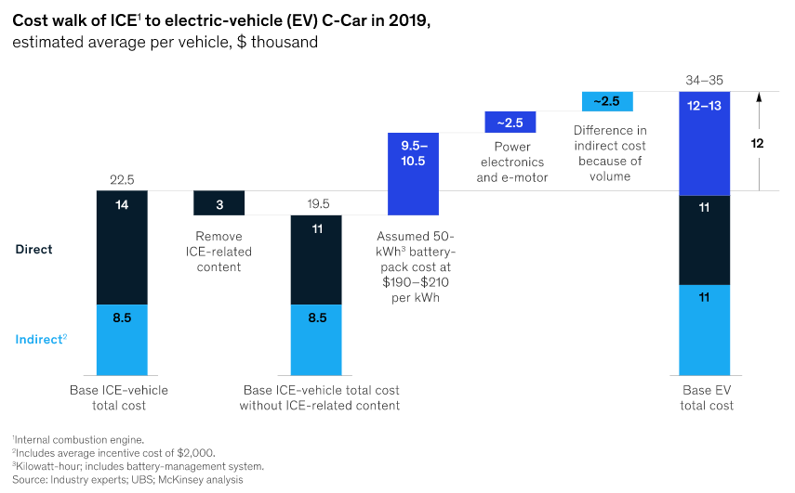
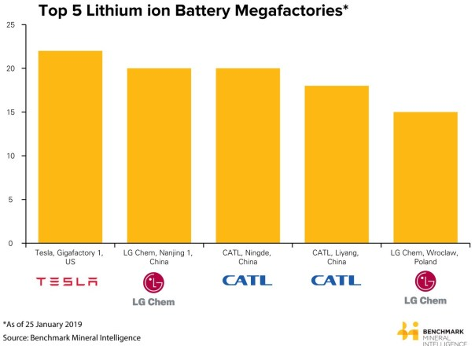
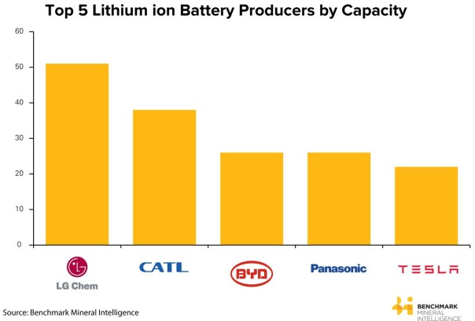
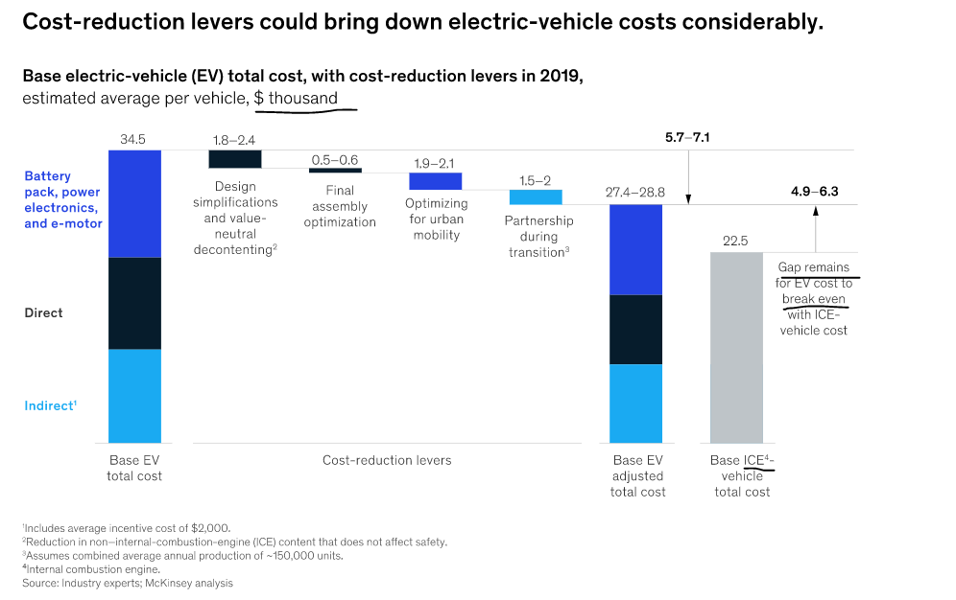
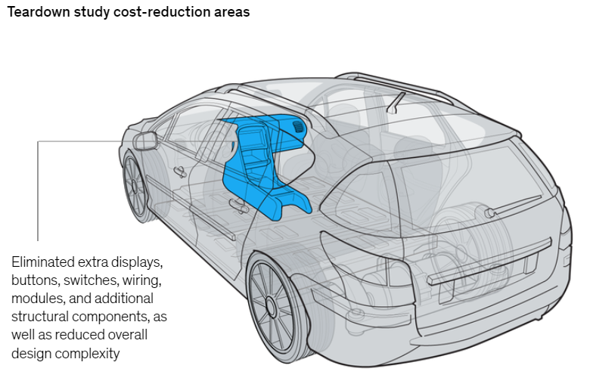
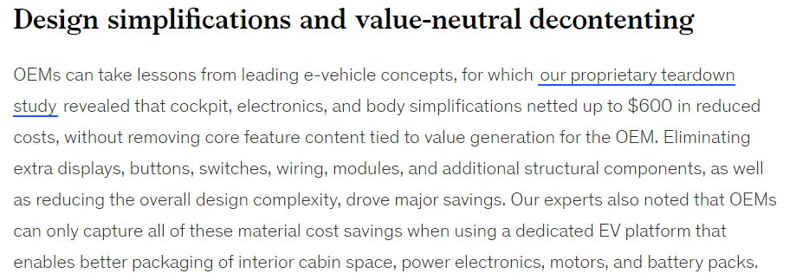
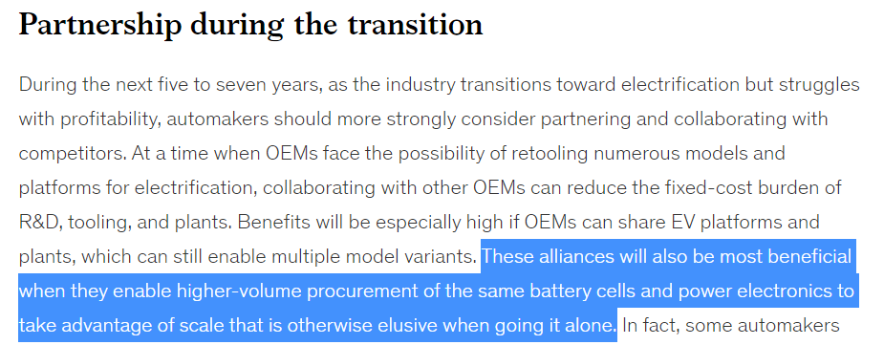
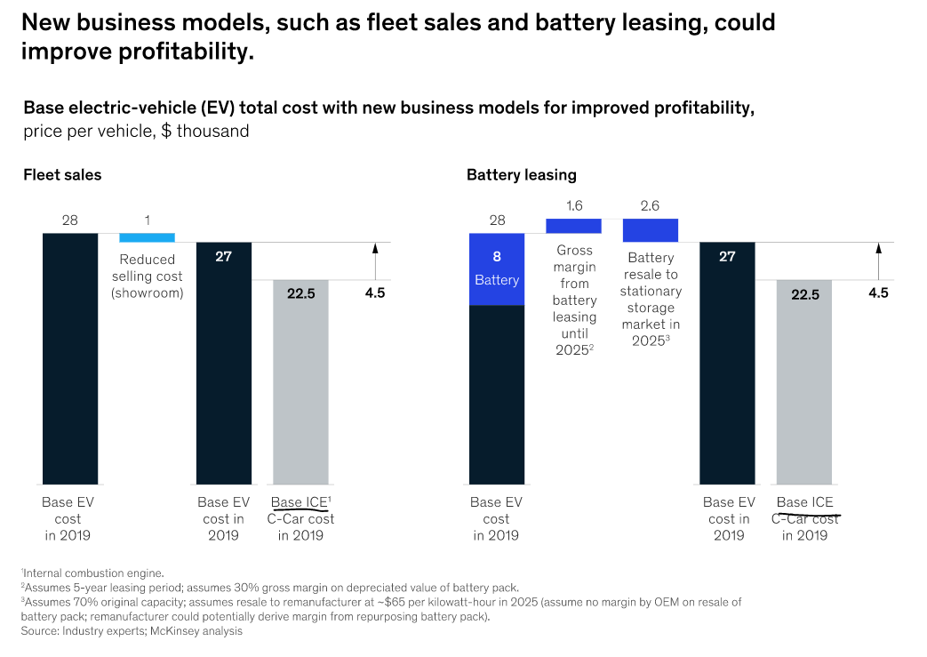
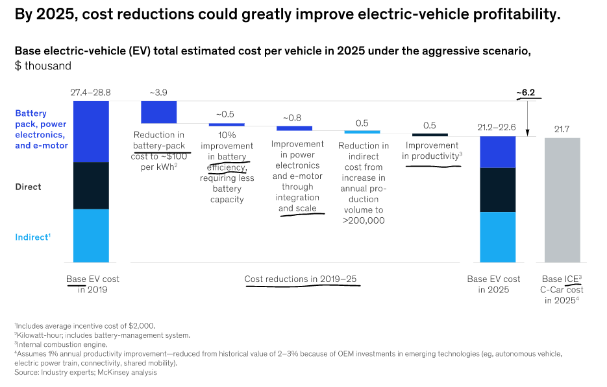
https://www.benchmarkminerals.com/who-is-winning-the-global-lithium-ion-battery-arms-race/
https://www.globalxetfs.com/can-lithium-keep-up-with-the-ev-boom/
Before Elon Musk announced Tesla’s intention to build the world’s biggest lithium ion battery plant, The Gigafactory 1, lithium ion batteries were somewhat of a cottage industry geared to supplying a mobile consumer market for smartphones, laptops, and power-tools.

Decreasing Indusctry Cost
https://www.globalxetfs.com/can-lithium-keep-up-with-the-ev-boom/

Scaling battery production isn’t just about meeting ambitious EV targets, it’s also about achieving economies of scale to reduce battery costs. One of the key determinants of battery costs is the relationship between price and volume. Historically, for every doubling of cumulative volume, there is an 18% reduction in total battery price.5 Based on this information, we could infer that battery prices could decline to approximately $60/kWh by 2030, from approximately $120/kWh in 2019 with this greater manufacturing capacity. | Just as EVs depend on battery manufacturing capacity to meet their production targets, battery producers depend on access to raw materials like lithium to build their batteries. The problem, however, is that lithium miners see little incentive to increase capacity right now. The current lithium market is slightly oversupplied, with mining output exceeding demand, which keeps a lid on lithium prices. Should miners increase production capacity, they will only put further pressure on lithium prices in the near term. We saw this pattern from 2015 to 2018 when high lithium prices resulted in greater capacity expansion plans, which ultimately pressured prices downwards.

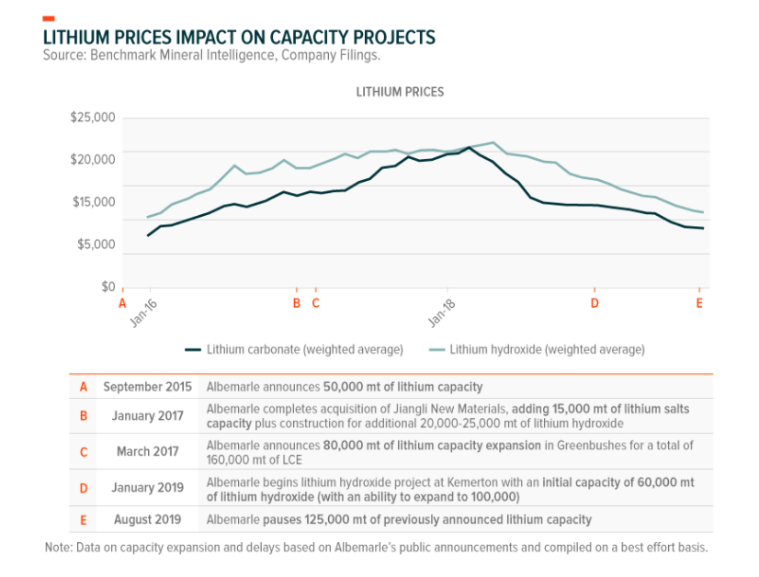
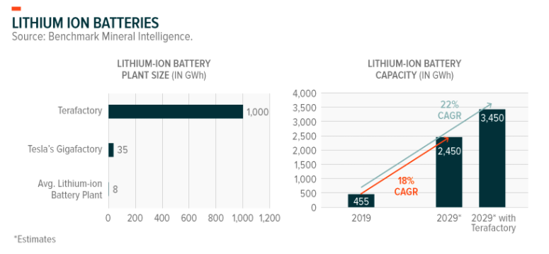

Miners still have time to prepare to meet the massive demand, but even to double current output by 2025 – delivering less than one third of 2029’s expected demand – seems ambitious. Depending on the method of extraction, lithium extraction can require 3-5 years or more of studies, permitting, capital raising, and capex before any lithium is produced. With EVs potentially reaching purchase price parity with in as soon as 2–3 years, a lithium supply crunch could be looming.6 Plans for the Terafactory behemoth make the numbers even less plausible: By itself, a Terafactory operating at full capacity would require about 800,000 mt of LCE, or 2.5 times 2019’s total lithium demand.

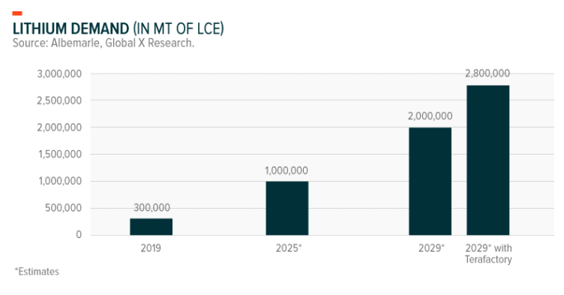
 | While the EV industry slowly incorporates advanced and next frontier battery technologies, consumers are expected to continue to experience enhanced features such as longer driving range of over 500 miles in a single charge with a life cycle of over a thousand charges.

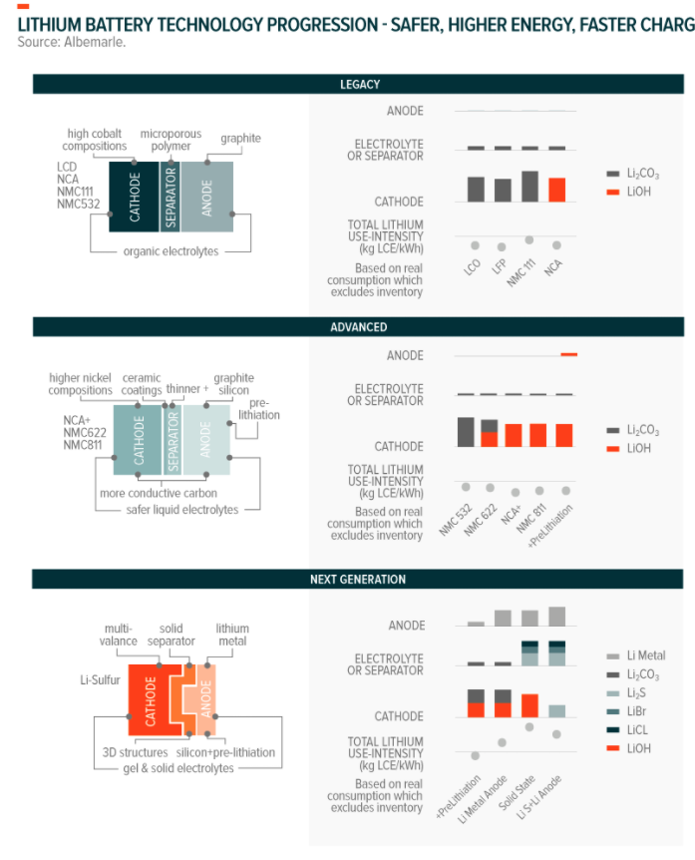

While undersupply may slow EV adoption in the near term, its effects are likely positive for lithium miners who would enjoy higher selling prices until investments in new projects begin to yield greater lithium output.

Toyota - production
Scale of Production
Japan or overseas | Company category | No. of companies/ No. of plants | Year of | 20th | 30th | 40th | 50th | 75th
 |  |  | establishment | anniversary | anniversary | anniversary | anniversary | anniversary
 |  |  | 1937 | 1957 | 1967 | 1977 | 1987 | 2012
Japan | Toyota | No. of plants | 1 | 1 | 4 | 8 | 11 | 12
 | Affiliates (Toyota wholly | No. of companies | - | - | - | - | - | 4
 | -owned subsidiaries) | No. of plants & sites | - | - | - | - | - | 13
 | Affiliates (other vehicle assembly cos.) | No. of companies | - | 5 | 6 | 6 | 7 | 3
 |  | No. of plants & sites | - | 5 | 6 | 10 | 9 | 6
Overseas |  | No. of companies | - | - | 10 | 18 | 18 | 50
 |  | No. of plants & sites | - | - | 10 | 18 | 18 | 60
scale |  | Total | 1 | 11 | 36 | 60 | 63 | 148
Worldwide production (vehicles) |  |  | 4,013 | 79,527 | 832,130 | 2,720,758 | 3,830,539 | 6,928,813
Avg |  |  | 4,013 | 7,230 | 23,115 | 45,346 | 60,802 | 46,816

Year | Worldwide production | Production in Japan | Overseas production
1935 | 20 | 20
1936 | 1,142 | 1,142
1937 | 4,013 | 4,013
1938 | 4,615 | 4,615
1939 | 11,981 | 11,981
1940 | 14,787 | 14,787
1941 | 14,611 | 14,611
1942 | 16,302 | 16,302
1943 | 9,827 | 9,827
1944 | 12,720 | 12,720
1945 | 3,275 | 3,275
1946 | 5,821 | 5,821
1947 | 3,922 | 3,922
1948 | 6,703 | 6,703
1949 | 10,824 | 10,824 |  |  | Japan Sales Total | Market share (excluding minivehicles) | Market share (including minivehicles) |  | WorldWideSales
1950 | 11,706 | 11,706 |  |  | 9,228 | 34.4 |  |  | 9,228
1951 | 14,228 | 14,228 |  |  | 10,126 | 35.9 |  |  | 10,126
1952 | 14,106 | 14,106 |  |  | 14,364 | 38.6 |  |  | 14,364
1953 | 16,496 | 16,496 |  |  | 14,883 | 30.5 |  |  | 14,883
1954 | 22,713 | 22,713 |  |  | 20,768 | 33.3 |  |  | 20,768
1955 | 22,786 | 22,786 |  |  | 22,240 | 34.5 |  |  | 22,240
1956 | 46,417 | 46,417 |  |  | 43,551 | 41.5 |  |  | 43,551
1957 | 79,527 | 79,527 |  |  | 71,408 | 44.7 |  |  | 71,408
1958 | 78,856 | 78,856 |  |  | 75,240 | 44.2 |  |  | 75,240
1959 | 101,194 | 101,194 | -489 |  | 90,144 | 38.9 |  |  | 90,144
1960 | 154,770 | 154,770 | -459 |  | 127,444 | 37 |  |  | 127,444
1961 | 210,937 | 210,937 | -2,503 |  | 176,243 | 35.4 |  |  | 176,243
1962 | 230,350 | 230,350 | -2,029 | Tesla 2019 | 207,551 | 35.2 |  |  | 207,551
1963 | 318,495 | 318,495 | -7,586 | 365,284 | 287,233 | 36.4 |  |  | 287,233
1964 | 425,764 | 425,764 | -10,824 |  | 369,200 | 35.7 |  |  | 369,200
1965 | 477,643 | 477,643 | -12,446 |  | 409,850 | 35.1 |  |  | 409,850
1966 | 587,539 | 587,539 | -23,391 |  | 482,991 | 32.9 |  |  | 482,991
1967 | 832,130 | 832,130 | -35,036 |  | 654,741 | 34 |  |  | 654,741
1968 | 1,097,405 | 1,097,405 | -63,934 |  | 807,212 | 35.4 |  |  | 807,212
1969 | 1,471,211 | 1,471,211 | -80,340 |  | 1,040,944 | 38.4 |  |  | 1,040,944
1970 | 1,609,190 | 1,609,190 | -75,575 |  | 1,110,448 | 39 |  |  | 1,110,448
1971 | 1,955,033 | 1,955,033 | -103,478 |  | 1,169,450 | 40.2 |  |  | 1,169,450
1972 | 2,087,133 | 2,087,133 | -102,234 |  | 1,366,627 | 39.9 |  |  | 1,366,627
1973 | 2,308,098 | 2,308,098 | -123,869 |  | 1,564,701 | 39.2 |  |  | 1,564,701
1974 | 2,114,980 | 2,114,980 | -138,371 |  | 1,266,412 | 40.4 |  |  | 1,266,412
1975 | 2,336,053 | 2,336,053 | -154,208 |  | 1,442,519 | 38.7 |  |  | 1,442,519
1976 | 2,487,851 | 2,487,851 | -160,715 |  | 1,305,857 | 37.6 | 31.8 |  | 1,305,857
1977 | 2,720,758 | 2,720,758 | -176,855 |  | 1,303,299 | 37 | 31.1 |  | 1,303,299
1978 | 2,929,157 | 2,929,157 | -199,991 |  | 1,513,024 | 38.2 | 32.3 |  | 1,513,024
1979 | 3,074,832 | 2,996,225 | 78,607 |  | 1,611,267 | 37.5 | 31.3 |  | 1,611,267
1980 | 3,377,582 | 3,293,344 | 84,238 |  | 1,494,470 | 37.3 | 29.8 |  | 1,494,470
1981 | 3,327,300 | 3,220,418 | 106,882 |  | 1,492,804 | 38.3 | 29.1 |  | 1,492,804
1982 | 3,283,372 | 3,144,557 | 138,815 |  | 1,523,786 | 38.8 | 29 |  | 1,523,786
1983 | 3,406,431 | 3,272,335 | 134,096 |  | 1,598,638 | 40.2 | 29.7 |  | 1,598,638
1984 | 3,583,320 | 3,429,249 | 154,071 |  | 1,624,009 | 40.8 | 29.9 |  | 1,624,009
1985 | 3,801,929 | 3,665,622 | 136,307 |  | 1,683,494 | 41.8 | 30.3 |  | 1,683,494
1986 | 3,812,691 | 3,660,167 | 152,524 |  | 1,753,984 | 42.8 | 30.7 |  | 1,753,984
1987 | 3,830,539 | 3,638,279 | 192,260 |  | 1,875,711 | 43.2 | 31.2 |  | 1,875,711
1988 | 4,213,068 | 3,968,697 | 244,371 |  | 2,120,273 | 42.7 | 31.5 |  | 2,120,273
1989 | 4,447,483 | 3,975,902 | 471,581 |  | 2,308,863 | 41.5 | 31.8 |  | 2,308,863
1990 | 4,890,028 | 4,212,373 | 677,655 |  | 2,504,291 | 41.9 | 32.2 |  | 2,504,291
1991 | 4,754,998 | 4,085,081 | 669,917 |  | 2,355,356 | 41 | 31.3 |  | 2,355,356
1992 | 4,695,807 | 3,931,341 | 764,466 |  | 2,231,117 | 41.8 | 32.1 |  | 2,231,117
1993 | 4,450,464 | 3,561,750 | 888,714 |  | 2,065,687 | 42.3 | 31.9 |  | 2,065,687
1994 | 4,559,748 | 3,508,456 | 1,051,292 |  | 2,040,570 | 41.5 | 31.3 |  | 2,040,570
1995 | 4,424,701 | 3,171,277 | 1,253,424 |  | 2,060,125 | 40 | 30 | Over seaTotal | 2,060,125
1996 | 4,756,093 | 3,410,060 | 1,346,033 |  | 2,135,276 | 39.7 | 30.2 | 2621.8 | 2,137,898
1997 | 4,892,117 | 3,502,046 | 1,390,071 |  | 2,005,949 | 39.2 | 29.8 | 2837.6 | 2,008,787
1998 | 4,633,370 | 3,165,805 | 1,467,565 |  | 1,711,037 | 39.4 | 29.1 | 2930 | 1,713,967
1999 | 4,729,421 | 3,118,226 | 1,611,195 |  | 1,664,400 | 41.7 | 28.4 | 3058.1 | 1,667,458
2000 | 5,180,651 | 3,429,209 | 1,751,442 |  | 1,771,661 | 43.2 | 29.7 | 3382.6 | 1,775,044
2001 | 5,134,629 | 3,354,424 | 1,780,205 |  | 1,715,152 | 42.2 | 29 | 3546.7 | 1,718,699
2002 | 5,640,389 | 3,485,168 | 2,155,221 |  | 1,680,479 | 42.4 | 29 | 3838.3 | 1,684,317
2003 | 6,078,282 | 3,520,018 | 2,558,264 |  | 1,715,908 | 42.6 | 29.4 | 4354.5 | 1,720,263
2004 | 6,723,674 | 3,680,946 | 3,042,728 |  | 1,759,624 | 44.4 | 30.1 | 4948.8 | 1,764,573
2005 | 7,360,885 | 3,789,582 | 3,571,303 |  | 1,714,205 | 43.6 | 29.3 | 5554.1 | 1,719,759
2006 | 8,093,163 | 4,194,188 | 3,898,975 |  | 1,692,253 | 45.5 | 29.5 | 6229.3 | 1,698,482
2007 | 8,534,690 | 4,226,137 | 4,308,553 |  | 1,587,335 | 46.2 | 29.6 | 6841.9 | 1,594,177
2008 | 8,210,558 | 4,012,128 | 4,198,430 |  | 1,470,043 | 45.7 | 28.9 | 6526.1 | 1,476,569
2009 | 6,371,291 | 2,792,274 | 3,579,017 |  | 1,375,509 | 47.1 | 29.8 | 5604 | 1,381,113
2010 | 7,623,349 | 3,282,855 | 4,340,494 |  | 1,566,157 | 48.5 | 31.6 | 5961.6 | 1,572,119
2011 | 6,928,813 | 2,760,028 | 4,168,785 |  | 1,200,976 | 44.4 | 28.5 | 5895.9 | 1,206,872

Japan
Year | Passenger cars | Trucks & buses | Total | Market share (excluding minivehicles)
1950 | 548 | 8,680 | 9,228 | 34.4
1951 | 1,718 | 8,408 | 10,126 | 35.9
1952 | 2,102 | 12,262 | 14,364 | 38.6
1953 | 3,530 | 11,353 | 14,883 | 30.5
1954 | 4,217 | 16,551 | 20,768 | 33.3
1955 | 7,055 | 15,185 | 22,240 | 34.5
1956 | 11,938 | 31,613 | 43,551 | 41.5
1957 | 18,666 | 52,742 | 71,408 | 44.7
1958 | 20,728 | 54,512 | 75,240 | 44.2
1959 | 27,876 | 62,268 | 90,144 | 38.9
1960 | 39,011 | 88,433 | 127,444 | 37
1961 | 65,506 | 110,737 | 176,243 | 35.4
1962 | 75,592 | 131,959 | 207,551 | 35.2
1963 | 118,614 | 168,619 | 287,233 | 36.4
1964 | 158,326 | 210,874 | 369,200 | 35.7
1965 | 197,679 | 212,171 | 409,850 | 35.1
1966 | 245,517 | 237,474 | 482,991 | 32.9
1967 | 354,435 | 300,306 | 654,741 | 34
1968 | 452,622 | 354,590 | 807,212 | 35.4
1969 | 637,348 | 403,596 | 1,040,944 | 38.4
1970 | 706,962 | 403,486 | 1,110,448 | 39
1971 | 780,802 | 388,648 | 1,169,450 | 40.2
1972 | 927,085 | 439,542 | 1,366,627 | 39.9
1973 | 1,073,217 | 491,484 | 1,564,701 | 39.2
1974 | 885,114 | 381,298 | 1,266,412 | 40.4
1975 | 1,065,943 | 376,576 | 1,442,519 | 38.7
ear | Passenger cars | RVs | Total of all passenger cars & RVs | Trucks & buses | Total | Market share (excluding minivehicles) | Market share (including minivehicles)
1976 | 898,673 | 29,124 | 927,797 | 378,060 | 1,305,857 | 37.6 | 31.8
1977 | 892,501 | 47,727 | 940,228 | 363,071 | 1,303,299 | 37 | 31.1
1978 | 1,081,919 | 62,337 | 1,144,256 | 368,768 | 1,513,024 | 38.2 | 32.3
1979 | 1,142,426 | 89,483 | 1,231,909 | 379,358 | 1,611,267 | 37.5 | 31.3
1980 | 1,064,241 | 101,496 | 1,165,737 | 328,733 | 1,494,470 | 37.3 | 29.8
1981 | 1,098,088 | 95,960 | 1,194,048 | 298,756 | 1,492,804 | 38.3 | 29.1
1982 | 1,173,850 | 77,371 | 1,251,221 | 272,565 | 1,523,786 | 38.8 | 29
1983 | 1,247,610 | 81,574 | 1,329,184 | 269,454 | 1,598,638 | 40.2 | 29.7
1984 | 1,274,910 | 83,031 | 1,357,941 | 266,068 | 1,624,009 | 40.8 | 29.9
1985 | 1,322,893 | 95,558 | 1,418,451 | 265,043 | 1,683,494 | 41.8 | 30.3
1986 | 1,382,609 | 112,210 | 1,494,819 | 259,165 | 1,753,984 | 42.8 | 30.7
1987 | 1,453,833 | 132,277 | 1,586,110 | 289,601 | 1,875,711 | 43.2 | 31.2
1988 | 1,633,227 | 158,081 | 1,791,308 | 328,965 | 2,120,273 | 42.7 | 31.5
1989 | 1,760,966 | 207,477 | 1,968,443 | 340,420 | 2,308,863 | 41.5 | 31.8
1990 | 1,893,462 | 262,735 | 2,156,197 | 348,094 | 2,504,291 | 41.9 | 32.2
1991 | 1,728,403 | 285,212 | 2,013,615 | 341,741 | 2,355,356 | 41 | 31.3
1992 | 1,576,484 | 348,466 | 1,924,950 | 306,167 | 2,231,117 | 41.8 | 32.1
1993 | 1,473,053 | 324,242 | 1,797,295 | 268,392 | 2,065,687 | 42.3 | 31.9
1994 | 1,426,385 | 351,008 | 1,777,393 | 263,177 | 2,040,570 | 41.5 | 31.3
1995 | 1,403,594 | 373,572 | 1,777,166 | 282,959 | 2,060,125 | 40 | 30
1996 | 1,346,166 | 503,591 | 1,849,757 | 285,519 | 2,135,276 | 39.7 | 30.2
1997 | 1,245,681 | 501,232 | 1,746,913 | 259,036 | 2,005,949 | 39.2 | 29.8
1998 | 1,062,224 | 450,522 | 1,512,746 | 198,291 | 1,711,037 | 39.4 | 29.1
1999 | 1,077,447 | 403,227 | 1,480,674 | 183,726 | 1,664,400 | 41.7 | 28.4
2000 | 1,160,469 | 425,127 | 1,585,596 | 186,065 | 1,771,661 | 43.2 | 29.7
2001 | 1,091,858 | 443,916 | 1,535,774 | 179,378 | 1,715,152 | 42.2 | 29
2002 | 1,028,887 | 493,546 | 1,522,433 | 158,046 | 1,680,479 | 42.4 | 29
2003 | 899,333 | 629,813 | 1,529,146 | 186,762 | 1,715,908 | 42.6 | 29.4
2004 | 968,085 | 609,836 | 1,577,921 | 181,703 | 1,759,624 | 44.4 | 30.1
2005 | 942,717 | 575,832 | 1,518,549 | 195,656 | 1,714,205 | 43.6 | 29.3
2006 | 922,705 | 569,060 | 1,491,765 | 200,488 | 1,692,253 | 45.5 | 29.5
2007 | 906,092 | 503,753 | 1,409,845 | 177,490 | 1,587,335 | 46.2 | 29.6
2008 | 841,427 | 475,932 | 1,317,359 | 152,684 | 1,470,043 | 45.7 | 28.9
2009 | 799,974 | 466,100 | 1,266,074 | 109,435 | 1,375,509 | 47.1 | 29.8
2010 | 972,620 | 475,852 | 1,448,472 | 117,685 | 1,566,157 | 48.5 | 31.6
2011 | 709,245 | 370,443 | 1,079,688 | 121,288 | 1,200,976 | 44.4 | 28.5

Oversea
Year | North America | Latin America | Europe | Africa | Asia | China | Middle East | Oceania | Total
1996 | 1233.3 | 100.4 | 438.8 | 135.5 | 431.5 | 23.8 | 114.4 | 144.2 | 2621.8
1997 | 1336.4 | 135.4 | 501.8 | 143.6 | 379.4 | 46.3 | 146.7 | 148.2 | 2837.6
1998 | 1489.4 | 151.6 | 560.5 | 129.7 | 201.2 | 38.9 | 182.3 | 176.5 | 2930
1999 | 1605.3 | 125.9 | 606.8 | 123.2 | 249.3 | 14.3 | 161.4 | 171.8 | 3058.1
2000 | 1742.8 | 129.1 | 671.9 | 121.8 | 348.2 | 23.5 | 168.7 | 176.7 | 3382.6
2001 | 1869 | 132 | 672.3 | 126.5 | 348.3 | 32 | 204.3 | 162.2 | 3546.7
2002 | 1908.9 | 128.8 | 764.8 | 139.8 | 431.1 | 62.3 | 220.3 | 182.2 | 3838.3
2003 | 2031.3 | 162.1 | 851.5 | 160.6 | 575.1 | 107.3 | 251.4 | 215.1 | 4354.5
2004 | 2230.3 | 214.9 | 946.9 | 206.7 | 718.9 | 127.4 | 270.9 | 232.8 | 4948.8
2005 | 2436.1 | 270.5 | 995.2 | 227.2 | 868.6 | 194.3 | 325.3 | 236.9 | 5554.1
2006 | 2738.3 | 339.4 | 1124.1 | 265.7 | 788.1 | 318.6 | 404.8 | 250.3 | 6229.3
2007 | 2822.2 | 379.4 | 1238.6 | 313.5 | 818.2 | 511.4 | 482.7 | 275.9 | 6841.9
2008 | 2441.8 | 370.2 | 1119.5 | 288.1 | 840.4 | 598.2 | 590.1 | 277.7 | 6526.1
2009 | 1975.4 | 293.6 | 886 | 201.4 | 817.8 | 716.1 | 482.5 | 231.2 | 5604
2010 | 1935.5 | 342.1 | 785.8 | 198 | 1038.8 | 857 | 554.6 | 249.7 | 5961.6
2011 | 1806.9 | 333.5 | 801.9 | 211.9 | 1103 | 895.2 | 527.5 | 215.9 | 5895.9

