Treasury
https://www.boerse-frankfurt.de/bond/us912810rj97-united-states-of-america-3-14-44

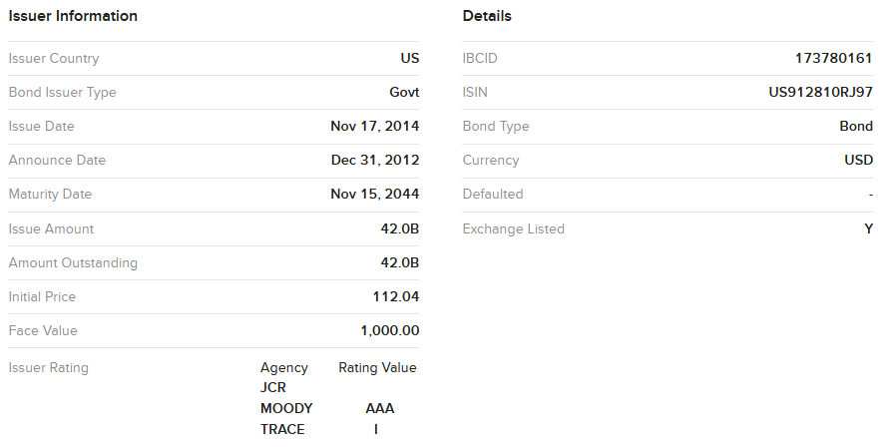

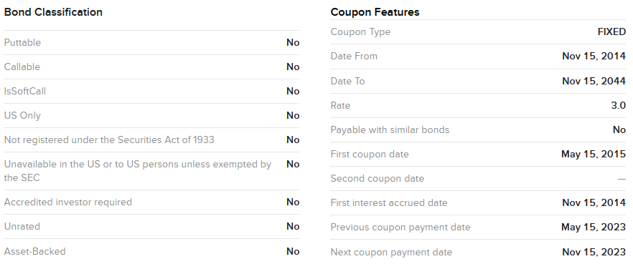
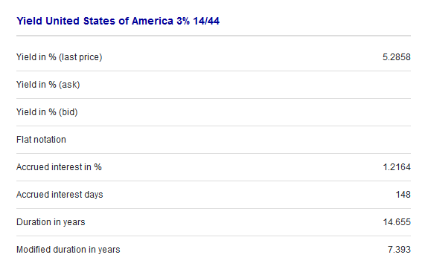

 | Maturity | 2044-11-15
 | Anuual Coupon Rate | 3.00%
 | Frequency | 2
 | Coupon Rate(c) | 1.50%
 | Coupon | 15
 | Last Coupon Date | 2023-05-15
 | Next Coupon Date | 2023-11-15
 | Trade Date | 2023-10-09
 | Number of Period | 43
 | Number of Days(t) | 114
 | Period(T) | 180
 | Day Fraction (30/180) | 0.63333333333
 | Acrrued Interest | $9.50

 | Annual Yield | 5.190%
 | Yield(r) | 2.595% |  | https://excelweez.com/how-to-calculate-the-ytm-of-a-bond-in-excel/
 | Flat Price (%)(IB Quoted) | 71.83%
 | Full Price (%) | 81.33%
 | Par Value | 1000
 | Don't edit cells below, it supports K<=43
 | k | 0 | 1 | 2 | 3 | 4 | 5 | 6 | 7 | 8 | 9 | 10 | 11 | 12 | 13 | 14 | 15 | 16 | 17 | 18 | 19 | 20 | 21 | 22 | 23 | 24 | 25 | 26 | 27 | 28 | 29 | 30 | 31 | 32 | 33 | 34 | 35 | 36 | 37 | 38 | 39 | 40 | 41 | 42 | 43
 | Year | 2023 | 2023 | 2024 | 2024 | 2025 | 2025 | 2026 | 2026 | 2027 | 2027 | 2028 | 2028 | 2029 | 2029 | 2030 | 2030 | 2031 | 2031 | 2032 | 2032 | 2033 | 2033 | 2034 | 2034 | 2035 | 2035 | 2036 | 2036 | 2037 | 2037 | 2038 | 2038 | 2039 | 2039 | 2040 | 2040 | 2041 | 2041 | 2042 | 2042 | 2043 | 2043 | 2044 | 2044
 | Month | May | Nov | May | Nov | May | Nov | May | Nov | May | Nov | May | Nov | May | Nov | May | Nov | May | Nov | May | Nov | May | Nov | May | Nov | May | Nov | May | Nov | May | Nov | May | Nov | May | Nov | May | Nov | May | Nov | May | Nov | May | Nov | May | Nov
 | coupon rate | 0.00% | 1.50% | 1.50% | 1.50% | 1.50% | 1.50% | 1.50% | 1.50% | 1.50% | 1.50% | 1.50% | 1.50% | 1.50% | 1.50% | 1.50% | 1.50% | 1.50% | 1.50% | 1.50% | 1.50% | 1.50% | 1.50% | 1.50% | 1.50% | 1.50% | 1.50% | 1.50% | 1.50% | 1.50% | 1.50% | 1.50% | 1.50% | 1.50% | 1.50% | 1.50% | 1.50% | 1.50% | 1.50% | 1.50% | 1.50% | 1.50% | 1.50% | 1.50% | 1.50%
 | Coupon | 0 | 15 | 15 | 15 | 15 | 15 | 15 | 15 | 15 | 15 | 15 | 15 | 15 | 15 | 15 | 15 | 15 | 15 | 15 | 15 | 15 | 15 | 15 | 15 | 15 | 15 | 15 | 15 | 15 | 15 | 15 | 15 | 15 | 15 | 15 | 15 | 15 | 15 | 15 | 15 | 15 | 15 | 15 | 15
 | Redemption | 0 | 0 | 0 | 0 | 0 | 0 | 0 | 0 | 0 | 0 | 0 | 0 | 0 | 0 | 0 | 0 | 0 | 0 | 0 | 0 | 0 | 0 | 0 | 0 | 0 | 0 | 0 | 0 | 0 | 0 | 0 | 0 | 0 | 0 | 0 | 0 | 0 | 0 | 0 | 0 | 0 | 0 | 0 | 1000
 | CF | 0 | 15 | 15 | 15 | 15 | 15 | 15 | 15 | 15 | 15 | 15 | 15 | 15 | 15 | 15 | 15 | 15 | 15 | 15 | 15 | 15 | 15 | 15 | 15 | 15 | 15 | 15 | 15 | 15 | 15 | 15 | 15 | 15 | 15 | 15 | 15 | 15 | 15 | 15 | 15 | 15 | 15 | 15 | 1015
 | TTR(Time-to-Receipt) | 0 | 0.36666666667 | 1.3666666667 | 2.3666666667 | 3.3666666667 | 4.3666666667 | 5.3666666667 | 6.3666666667 | 7.3666666667 | 8.3666666667 | 9.3666666667 | 10.366666667 | 11.366666667 | 12.366666667 | 13.366666667 | 14.366666667 | 15.366666667 | 16.366666667 | 17.366666667 | 18.366666667 | 19.366666667 | 20.366666667 | 21.366666667 | 22.366666667 | 23.366666667 | 24.366666667 | 25.366666667 | 26.366666667 | 27.366666667 | 28.366666667 | 29.366666667 | 30.366666667 | 31.366666667 | 32.366666667 | 33.366666667 | 34.366666667 | 35.366666667 | 36.366666667 | 37.366666667 | 38.366666667 | 39.366666667 | 40.366666667 | 41.366666667 | 42.366666667
 | Discounted | 0 | 14.859753703 | 14.483892696 | 14.117538677 | 13.760451176 | 13.412395809 | 13.073144116 | 12.74247342 | 12.420166672 | 12.106012316 | 11.799804146 | 11.501341173 | 11.21042749 | 10.926872147 | 10.650489022 | 10.381096701 | 10.118518362 | 9.8625816497 | 9.6131185735 | 9.3699653894 | 9.1329624958 | 8.9019543277 | 8.6767892553 | 8.457319484 | 8.2434009574 | 8.034893263 | 7.8316595396 | 7.6335663882 | 7.4404837835 | 7.2522849894 | 7.0688464753 | 6.8900478352 | 6.7157717086 | 6.5459037035 | 6.3803323215 | 6.2189488841 | 6.0616474619 | 5.908324805 | 5.7588802748 | 5.6132157784 | 5.4712357041 | 5.3328468585 | 5.1979584054 | 342.83193556
 | Weight (w) | 0 | 0.018271791505 | 0.017809626782 | 0.017359152004 | 0.016920071486 | 0.016492097023 | 0.0160749477 | 0.015668349707 | 0.01527203616 | 0.014885746925 | 0.014509228448 | 0.014142233589 | 0.013784521459 | 0.01343585726 | 0.013096012136 | 0.012764763018 | 0.012441892479 | 0.012127188593 | 0.011820444793 | 0.011521459738 | 0.011230037178 | 0.01094598583 | 0.010669119245 | 0.010399255694 | 0.010136218042 | 0.0098798336366 | 0.0096299341905 | 0.009386355674 | 0.0091489382063 | 0.0089175259503 | 0.008691967011 | 0.0084721133352 | 0.0082578206145 | 0.0080489481908 | 0.0078453589636 | 0.0076469193004 | 0.0074534989486 | 0.0072649709503 | 0.0070812115589 | 0.0069021001577 | 0.0067275191809 | 0.0065573540366 | 0.006391493031 | 0.42155164702
 | TTR x w | 0 | 0.0066996568852 | 0.024339823269 | 0.041083326408 | 0.056964240668 | 0.072015490333 | 0.08626888599 | 0.099755159802 | 0.11250399971 | 0.12454408261 | 0.13590310647 | 0.14660782154 | 0.15668406058 | 0.16615676812 | 0.17505002888 | 0.18338709536 | 0.19119041443 | 0.19848165331 | 0.20528172458 | 0.21161081052 | 0.21748838669 | 0.22293324473 | 0.22796351453 | 0.23259668568 | 0.23684962825 | 0.24073861295 | 0.24427933063 | 0.24748691127 | 0.25037594224 | 0.25296048612 | 0.25525409789 | 0.25726984161 | 0.25902030661 | 0.26051762311 | 0.26177347742 | 0.26279912662 | 0.26360541282 | 0.26420277689 | 0.26460127192 | 0.26481057605 | 0.26484000509 | 0.26469852461 | 0.26439476172 | 17.859738112
 | k(k+1) x w | 0 | 0.009156197743 | 0.057604248402 | 0.13831386557 | 0.24874385092 | 0.38648313145 | 0.5492452408 | 0.73486301054 | 0.94128346426 | 1.1665629071 | 1.4088622037 | 1.6664422382 | 1.9376595492 | 2.2209621338 | 2.514885415 | 2.8180483653 | 3.1291497829 | 3.4469647125 | 3.7703410081 | 4.0981960304 | 4.4295134755 | 4.763340329 | 5.0987839417 | 5.4350092222 | 5.7712359418 | 6.1067361484 | 6.4408316843 | 6.7728918051 | 7.102330895 | 7.4286062758 | 7.7512161059 | 8.0696973652 | 8.3836239239 | 8.692604691 | 8.9962818406 | 9.2943291116 | 9.5864501794 | 9.8723770966 | 10.151868799 | 10.424709677 | 10.690708205 | 10.949695635 | 11.201524738 | 774.51730946

 | Equation type | Open Form | Closed Form
 | Duration | 26.04 | 29.00
 | Annual Duration | 13.02 | 14.50
 | Modified Duration | 25.38 | 28.27
 | Annual Modified Duration | 12.69 | 14.14
 | Money Duration (Full price per 1000 of par) | $10,319.15 | $11,495.95
 | DeltaPVFull =-MoneyDur*DeltaYield(100bps) | -$103.19 | -$114.96

 | Convexity | 939.77
 | Annual Convexity | 234.94
 | Money Convexity (Full price per 1000 of par) | $191,069.42

 | Investment Horizon(Year) | 21.5
 | Duration Gap | -8.5

 | To be accurate : 1. Parallel Shift Curve Delta as Effective Duration Or 2. Key Rate Duration Should be used to reflect downward sloping in Yield Vol.
 | Yield Volatility | Benchmark (Inflation & Real Rate)
 | Delta Change(bps) | -200 | -175 | -150 | -125 | -100 | -75 | -50 | -25 | 0 | 25 | 50 | 75 | 100 | 125 | 150 | 175 | 200
 | New Annualized Yield | 3.190055% | 3.440055% | 3.690055% | 3.940055% | 4.190055% | 4.440055% | 4.690055% | 4.940055% | 5.190055% | 5.440055% | 5.690055% | 5.940055% | 6.190055% | 6.440055% | 6.690055% | 6.940055% | 7.190055%
 | %DeltaFullPrice | 30.08% | 25.80% | 21.68% | 17.70% | 13.86% | 10.18% | 6.64% | 3.25% | 0.00% | -3.10% | -6.05% | -8.86% | -11.51% | -14.03% | -16.39% | -18.61% | -20.68%
 | New Full Price(%)(per 100 of par) | 105.79% | 102.31% | 98.95% | 95.72% | 92.60% | 89.60% | 86.72% | 83.97% | 81.33% | 78.81% | 76.41% | 74.12% | 71.96% | 69.92% | 68.00% | 66.19% | 64.51%

89236THB4(Step-up Callable)
https://sec.report/Document/0000950103-20-011427/
https://sec.report/Document/0000950103-20-011427/dp130039_424b2-mtn1209.htm

TOYOTA MOTOR CREDIT CORPORATION
Medium-Term Notes, Series B – Fixed Rate Step-up Callable Notes
Capitalized terms used in this Pricing Supplement that are defined in the accompanying Prospectus Supplement shall have the meanings assigned to them in the accompanying Prospectus Supplement.
CUSIP: 89236THB4
Principal Amount (in Specified Currency): $25,000,000. TMCC may increase the Principal Amount prior to the Original Issue Date but is not required to do so.
Issue Price: 100.00%
Trade Date: June 10, 2020
Original Issue Date: June 19, 2020
Stated Maturity Date: June 19, 2030
Interest Rate:
1.25% per annum from and including the Original Issue Date to but excluding the earlier of (i) the redemption of the Notes and (ii) June 19, 2025;
1.50% per annum from and including June 19, 2025 to but excluding the earlier of (i) the redemption of the Notes and (ii) June 19, 2026;
1.75% per annum from and including June 19, 2026 to but excluding the earlier of (i) the redemption of the Notes and (ii) June 19, 2027;
2.00% per annum from and including June 19, 2027 to but excluding the earlier of (i) the redemption of the Notes and (ii) June 19, 2028;
3.00% per annum from and including June 19, 2028 to but excluding the earlier of (i) the redemption of the Notes and (ii) June 19, 2029;
4.00% per annum from and including June 19, 2029 to but excluding the earlier of (i) the redemption of the Notes and (ii) the Stated Maturity Date.
Interest Payment Dates: Semi-annually, on each June 19 and December 19; commencing on December 19, 2020 and ending on the earlier of (i) the redemption of the Notes and (ii) the Stated Maturity Date.
Net Proceeds to Issuer: 99.50% of Principal Amount
Agent’s Discount or Commission: 0.50% of Principal Amount
The Agent or its affiliates will enter into swap transactions with TMCC to hedge TMCC’s obligations under the Notes. The Agent and its affiliates expect to realize a profit in connection with these swap transactions. See “Use of Proceeds and Hedging” below.
Agent: Morgan Stanley & Co. LLC
Agent’s Capacity: Principal
Day Count Convention: 30/360
Business Day Convention: Following, unadjusted
Redemption: The Notes are subject to redemption by TMCC, in whole but not in part, at a price equal to 100% of the principal amount per Note plus accrued and unpaid interest thereon, on the Redemption Dates and subject to the Notice of Redemption stated below.
Redemption Dates: Semi-annually, on each Interest Payment Date, commencing on (and including) June 19, 2024 up to (but excluding) the Stated Maturity Date. If any Redemption Date falls on a day that is not a Business Day, the redemption price plus accrued and unpaid interest will be paid on the next succeeding Business Day as if paid on the date the payment was due, and no interest will accrue on the amount payable for the period from and after the applicable Redemption Date.
Notice of Redemption: The redemption of the Notes is subject to not less than 10 Business Days prior written notice.

 |  |  |  | https://ycharts.com/indicators/us_corporate_a_optionadjusted_spread
 | last coupon date | 2022-06-19 |  | US Corporate A(rated) Option-Adjusted Spread
 | Trade Date | 2022-11-07 |  | 1.36%
 | Number of days(t) | 108 |  | OAS = Z-Spread - Option Yield
 | Period(T) = 360/2 | 180
 | Day Fraction (30/180) | 0.6
 | Acrrued Interest | $0.38
 |  | Total | Benchmark | OAS | Option Yield
 | Yield | 9.158% | 4.25% | 1.36% | 3.545%
 | Price | $79.50
 | Par Value | 100

 | k | 0 | 1 | 2 | 3 | 4 | 5 | 6 | 7 | 8 | 9 | 10 | 11 | 12 | 13 | 14 | 15 | 16
 | Year | 2022 | 2022 | 2023 | 2023 | 2024 | 2024 | 2025 | 2025 | 2026 | 2026 | 2027 | 2027 | 2028 | 2028 | 2029 | 2029 | 2030
 | Month | June | Dec | June | Dec | June | Dec | June | Dec | June | Dec | June | Dec | June | Dec | June | Dec | June
 | coupon rate | 0.00% | 1.25% | 1.25% | 1.25% | 1.25% | 1.25% | 1.50% | 1.50% | 1.75% | 1.75% | 2.00% | 2.00% | 3.00% | 3.00% | 4.00% | 4.00% | 0.00%
 | Coupon | 0 | 0.625 | 0.625 | 0.625 | 0.625 | 0.625 | 0.75 | 0.75 | 0.875 | 0.875 | 1 | 1 | 1.5 | 1.5 | 2 | 2 | 0
 | Redemption | 0 | 0 | 0 | 0 | 0 | 0 | 0 | 0 | 0 | 0 | 0 | 0 | 0 | 0 | 0 | 0 | 100
 | CF | 0 | 0.625 | 0.625 | 0.625 | 0.625 | 0.625 | 0.75 | 0.75 | 0.875 | 0.875 | 1 | 1 | 1.5 | 1.5 | 2 | 2 | 100
 | Discounted | 0 | 0.59763432429 | 0.57146685691 | 0.54644513422 | 0.52251898968 | 0.49964045332 | 0.57331638664 | 0.54821368214 | 0.61157845185 | 0.58480043971 | 0.63907989144 | 0.61109772655 | 0.87651114451 | 0.83813303293 | 1.0685804134 | 1.0217925333 | 48.852663218
 | Weight (w) | 0 | 0.0075174128842 | 0.0071882623511 | 0.0068735237008 | 0.0065725659079 | 0.0062847855764 | 0.007211526876 | 0.0068957695866 | 0.0076928107151 | 0.0073559803738 | 0.0080387407729 | 0.0076867638559 | 0.011025297415 | 0.010542553873 | 0.013441263062 | 0.012852736268 | 0.61449890841
 | W x k | 0 | 0.0075174128842 | 0.014376524702 | 0.020620571103 | 0.026290263632 | 0.031423927882 | 0.043269161256 | 0.048270387106 | 0.061542485721 | 0.066203823364 | 0.080387407729 | 0.084554402415 | 0.13230356898 | 0.13705320035 | 0.18817768287 | 0.19279104403 | 9.8319825345
 | k(k+1) x w | 0 | 0.015034825768 | 0.043129574107 | 0.08248228441 | 0.13145131816 | 0.18854356729 | 0.30288412879 | 0.38616309685 | 0.55388237149 | 0.66203823364 | 0.88426148502 | 1.014652829 | 1.7199463968 | 1.918744805 | 2.8226652431 | 3.0846567044 | 167.14370309

 |  | k | 0 | 1 | 2 | 3 | 4 | 5 | 6 | 7 | 8 | 9 | 10 | 11 | 12 | 13 | 14 | 15
 |  | Gov Spot Rate | 2.00% | 2.19% | 2.37% | 2.35% | 2.33% | 2.31% | 2.30% | 2.26% | 2.23% | 2.20% | 2.17% | 2.16% | 2.15% | 2.14% | 2.13% | 2.13%
 |  | (1+Z+OAS) | 1 | 103.55% | 103.73% | 103.71% | 103.69% | 103.67% | 103.66% | 103.62% | 103.59% | 103.56% | 103.53% | 103.52% | 103.51% | 103.50% | 103.49% | 103.49%
 |  | Discounted | 0 | 0.60359617774 | 0.58083620239 | 0.56028622965 | 0.54068699327 | 0.626248283 | 0.60465431735 | 0.68204912547 | 0.65985771034 | 0.73004552191 | 0.70718139755 | 1.0257071427 | 0.99198752624 | 1.2794087871 | 1.237813663 | 59.805533329
 |  | PV | $70.635892

 | Gov Forward Rate (6-month) | 2.00% | 2.45% | 2.53% | 2.32% | 2.11% | 1.97% | 1.88% | 1.81% | 1.76% | 1.74% | 1.74% | 1.75% | 1.77% | 1.78% | 1.80% | 1.82% | 1.83% | Annaulized
 | (1+x)(1+x2)… | 1 | 102.00% | 104.50% | 107.14% | 109.63% | 111.94% | 114.14% | 116.29% | 118.39% | 120.48% | 122.58% | 124.70% | 126.89% | 129.13% | 131.44% | 133.80% | 136.23% | 3.90%
 | Discounted | 0 | 0.61274509804 | 0.59809008648 | 0.58335242546 | 0.57010052577 | 0.55833922975 | 0.65707092556 | 0.64492295336 | 0.73905464923 | 0.7262436838 | 0.81582126173 | 0.80189846802 | 1.182136026 | 1.1616076075 | 1.5216568549 | 1.4947661773 | 73.405516084
 | PV | $86.07 | $87.79

 | Duration | $10.966764 |  | To-Year | 2023 | 2023 | 2024 | 2024 | 2025 | 2025 | 2026 | 2026 | 2027 | 2027 | 2028 | 2028 | 2029 | 2029 | 2030 | 2030
 | Annual Duration | $5.483382 |  | To-Month | 6 | 12 | 6 | 12 | 6 | 12 | 6 | 12 | 6 | 12 | 6 | 12 | 6 | 12 | 6 | 12
 | Modified Duration | $10.49 |  | Date | 2023-06-09 | 2023-12-11 | 2024-06-10 | 2024-12-09 | 2025-06-09 | 2025-12-09 | 2026-06-09 | 2026-12-09 | 2027-06-09 | 2027-12-09 | 2028-06-09 | 2028-12-11 | 2029-06-11 | 2029-12-10 | 2030-06-10 | 2030-12-09
 | Annual Modified Duration | $5.24 |  | 3 Month Term SOFR Forward Curve | 5.08% | 4.78% | 4.27% | 3.99% | 3.79% | 3.64% | 3.53% | 3.47% | 3.45% | 3.48% | 3.51% | 3.54% | 3.57% | 3.60% | 3.64% | 3.66%
 | Money Duration | 416.84170325 |  | 6-month Yield | 2.45% | 2.53% | 2.32% | 2.11% | 1.97% | 1.88% | 1.81% | 1.76% | 1.74% | 1.74% | 1.75% | 1.77% | 1.78% | 1.80% | 1.82% | 1.83%
 |  |  |  | Annualized | 4.90% | 5.05% | 4.65% | 4.21% | 3.94% | 3.77% | 3.61% | 3.53% | 3.47% | 3.47% | 3.50% | 3.53% | 3.57% | 3.60% | 3.63% | 3.66%
 | Convexity | $165.454961
 | Annual Convexity | $41.36
 | Money Convexity | 3288.4173538

 | Investment Horizon(Year) | 8
 | Duration Gap | -2.5

 | To be accurate : 1. Parallel Shift Curve Delta as Effective Duration Or 2. Key Rate Duration Should be used to reflect downward sloping in Yield Vol.
 | Yield Volatility | G-Spread (Credit & Liquidty) | Benchmark (Inflation & Real Rate) | Credit Risk (Downgrade to Bbb)
 | 1M Delta Change(bps) | -13 | -37 | 144
 | New Spread | 1.23% | 3.88% | 2.80%
 | New Annualized Yield | 9.03% | 8.79% | 10.60%
 | %DeltaPrice | 0.685123% | 1.977506% | -7.121481%
 | New Price | $80.04 | $81.07 | $73.84

48128GW89(Callable)
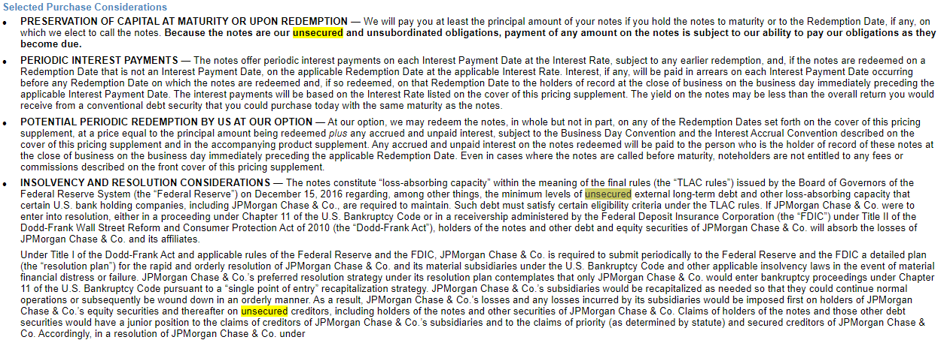
 |  |  | Par | 1000 | Coupon Date Interval(m) | 6
 |  |  | Next Coupon Date | 2023-03-22 | is Coupon Date | Y | N | Y | N | Y | Y
 |  |  | Last Coupon Date | 2022-09-22 | Callable | 1st Callable @ 100 | 2nd Callable @ 100 | 3rd Callable @ 100 | 4th Callable @ 100 | 5th Callable @ 100 | Maturity
 | CUSIP | 48128GW89 | Trade Date | 2022-11-14 | Call Date | 2025-09-22 | 2025-12-22 | 2026-03-22 | 2026-06-22 | 2026-09-22 | 2030-09-22
 | Seniority Ranking | Senior unsecured | Ask Yield (IB Quoted) | 5.6550% | YTC ( and YTM ) | 6.06% |  | 5.30% |  | 4.74% | 2.79%
https://www.sec.gov/Archives/edgar/data/19617/000121390020027764/s127538_424b2.htm | Credit Rating | A1 | Flat Price (IB Quoted) | 73.9490% | Call Price(%) | 100.00% |  | 100.00% |  | 100.00% | 100.00%
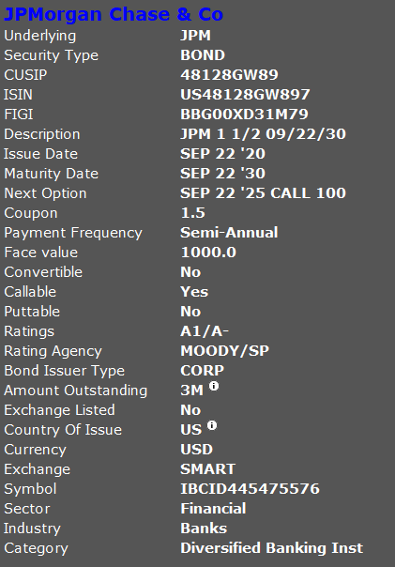
 | Avg. Recovery Rate | 37.90% | Full Price (%) | 79.28%
 | Predicted Default Prob. | 30% | Coupon Rate | 1.50% | Annualized | 12.11% |  | 10.60% |  | 9.48% | 5.58%
 | Expected Loss | 18.63% | Coupon | 7.5 | N for next call | 6.00 |  | 7.00 |  | 8.00 | 16.00
 |  |  | Number of days(t) | 128 | Yield-to-Worst | 5.58%
 | Liquidity Risk |  | Period(T) = 360/2 | 180
 | Bid-Ask Spread | -1.182 | Day Fraction | 0.71111111111
 | Amount Outstanding | 3M | AI | 5.3333333333

 |  |  | The notes may be purchased in minimum denominations of $1,000 and in integral multiples of $1,000 thereafter.

 |  |  | On the 22nd calendar day of March, June, September and December of each year, beginning on September 22, 2025 and ending on June 22, 2030 (each, a “Redemption Date”), we may redeem your notes, in whole but not in part, at a price equal to the principal amount being redeemed plus any accrued and unpaid interest, subject to the Business Day Convention and the Interest Accrual Convention described below and in the accompanying product supplement.
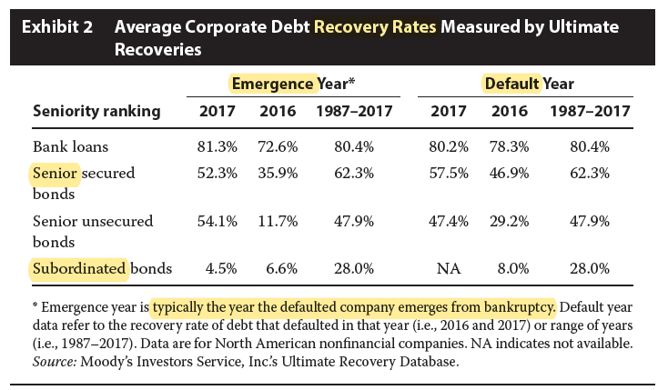

 |  |  | Interest on the notes will be payable in arrears on the 22nd calendar day of March and September of each year, beginning on March 22, 2021 to and including the Maturity Date (each, an “Interest Payment Date”), subject to any earlier redemption and the Business Day Convention and Interest Accrual Convention described below and in the accompanying product supplement.

$3,000,000
Callable Fixed Rate Notes due September 22, 2030
General
·The notes are unsecured and unsubordinated obligations of JPMorgan Chase & Co. Any payment on the notes is subject to the credit risk of JPMorgan Chase & Co. ·These notes are designed for an investor who seeks a fixed income investment at an interest rate of 1.50% per annum but who is also willing to accept the risk that the notes will be called prior to the Maturity Date. ·These notes have a long maturity relative to other fixed income products. Longer-dated notes may be riskier than shorter-dated notes. See “Selected Risk Considerations” in this pricing supplement. ·At our option, we may redeem the notes, in whole but not in part, on any of the Redemption Dates specified below. ·The notes may be purchased in minimum denominations of $1,000 and in integral multiples of $1,000 thereafter. Key Terms
Issuer: JPMorgan Chase & Co. Payment at Maturity: On the Maturity Date, we will pay you the principal amount of your notes plus any accrued and unpaid interest, provided that your notes are outstanding and have not previously been called on any Redemption Date. Call Feature: On the 22nd calendar day of March, June, September and December of each year, beginning on September 22, 2025 and ending on June 22, 2030 (each, a “Redemption Date”), we may redeem your notes, in whole but not in part, at a price equal to the principal amount being redeemed plus any accrued and unpaid interest, subject to the Business Day Convention and the Interest Accrual Convention described below and in the accompanying product supplement. If we intend to redeem your notes, we will deliver notice to The Depository Trust Company at least 5 business days and not more than 15 business days before the applicable Redemption Date. Interest: Subject to the Interest Accrual Convention, with respect to each Interest Period, for each $1,000 principal amount note, we will pay you interest in arrears on each Interest Payment Date in accordance with the following formula:
$1,000 × Interest Rate × Day Count Fraction.
Interest Period: The period beginning on and including the Original Issue Date of the notes and ending on but excluding the first Interest Payment Date, and each successive period beginning on and including an Interest Payment Date and ending on but excluding the next succeeding Interest Payment Date or, if the notes are redeemed prior to that succeeding Interest Payment Date, ending on but excluding the applicable Redemption Date, subject to the Interest Accrual Convention described below and in the accompanying product supplement Interest Payment Dates: Interest on the notes will be payable in arrears on the 22nd calendar day of March and September of each year, beginning on March 22, 2021 to and including the Maturity Date (each, an “Interest Payment Date”), subject to any earlier redemption and the Business Day Convention and Interest Accrual Convention described below and in the accompanying product supplement. Interest Rate: 1.50% per annum Pricing Date: September 18, 2020 Original Issue Date: September 22, 2020, subject to the Business Day Convention (Settlement Date) Maturity Date: September 22, 2030, subject to the Business Day Convention Business Day Convention: Following Interest Accrual Convention: Unadjusted Day Count Fraction: 30/360 CUSIP: 48128GW89 Investing in the notes involves a number of risks. See “Risk Factors” beginning on page S-2 of the accompanying prospectus supplement, “Risk Factors” beginning on page PS-9 of the accompanying product supplement and “Selected Risk Considerations” beginning on page PS-4 of this pricing supplement.
Neither the Securities and Exchange Commission (the “SEC”) nor any state securities commission has approved or disapproved of the notes or passed upon the accuracy or the adequacy of this pricing supplement or the accompanying product supplement, prospectus supplement and prospectus. Any representation to the contrary is a criminal offense.
Price to Public⁽¹⁾ Fees and Commissions⁽²⁾ Proceeds to Issuer Per note $1,000 $13.167 $986.833 Total $3,000,000 $39,501 $2,960,499
(1) The price to the public includes the estimated cost of hedging our obligations under the notes through one or more of our affiliates.
(2) J.P. Morgan Securities LLC, which we refer to as JPMS, acting as agent for JPMorgan Chase & Co., will pay all of the selling commissions of $13.167 per $1,000 principal amount note it receives from us to other affiliated or unaffiliated dealers. See “Plan of Distribution (Conflicts of Interest)” in the accompanying product supplement.
The notes are not bank deposits, are not insured by the Federal Deposit Insurance Corporation or any other governmental agency and are not obligations of, or guaranteed by, a bank.
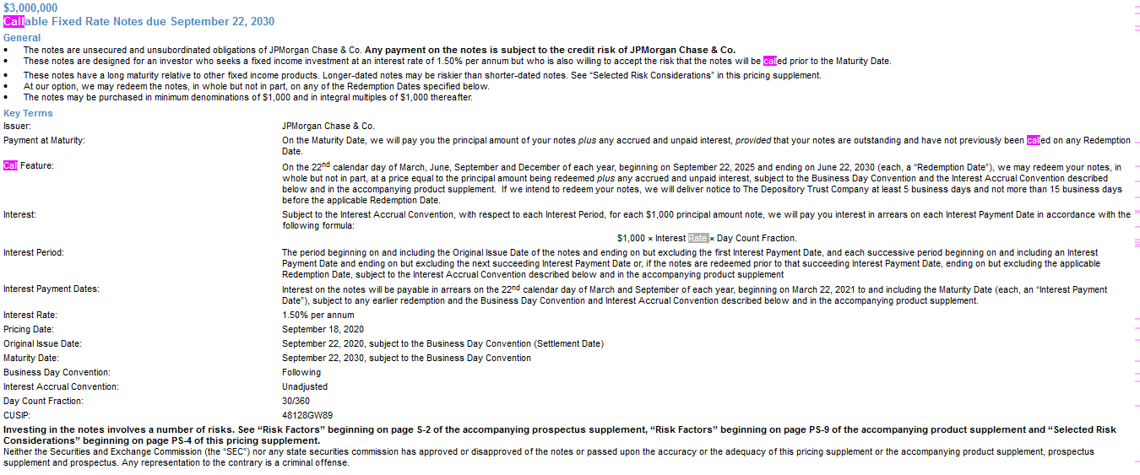

Selected Purchase Considerations
·PRESERVATION OF CAPITAL AT MATURITY OR UPON REDEMPTION — We will pay you at least the principal amount of your notes if you hold the notes to maturity or to the Redemption Date, if any, on which we elect to call the notes. Because the notes are our unsecured and unsubordinated obligations, payment of any amount on the notes is subject to our ability to pay our obligations as they become due.·PERIODIC INTEREST PAYMENTS — The notes offer periodic interest payments on each Interest Payment Date at the Interest Rate, subject to any earlier redemption, and, if the notes are redeemed on a Redemption Date that is not an Interest Payment Date, on the applicable Redemption Date at the applicable Interest Rate. Interest, if any, will be paid in arrears on each Interest Payment Date occurring before any Redemption Date on which the notes are redeemed and, if so redeemed, on that Redemption Date to the holders of record at the close of business on the business day immediately preceding the applicable Interest Payment Date. The interest payments will be based on the Interest Rate listed on the cover of this pricing supplement. The yield on the notes may be less than the overall return you would receive from a conventional debt security that you could purchase today with the same maturity as the notes.·POTENTIAL PERIODIC REDEMPTION BY US AT OUR OPTION — At our option, we may redeem the notes, in whole but not in part, on any of the Redemption Dates set forth on the cover of this pricing supplement, at a price equal to the principal amount being redeemed plus any accrued and unpaid interest, subject to the Business Day Convention and the Interest Accrual Convention described on the cover of this pricing supplement and in the accompanying product supplement. Any accrued and unpaid interest on the notes redeemed will be paid to the person who is the holder of record of these notes at the close of business on the business day immediately preceding the applicable Redemption Date. Even in cases where the notes are called before maturity, noteholders are not entitled to any fees or commissions described on the front cover of this pricing supplement.·INSOLVENCY AND RESOLUTION CONSIDERATIONS — The notes constitute “loss-absorbing capacity” within the meaning of the final rules (the “TLAC rules”) issued by the Board of Governors of the Federal Reserve System (the “Federal Reserve”) on December 15, 2016 regarding, among other things, the minimum levels of unsecured external long-term debt and other loss-absorbing capacity that certain U.S. bank holding companies, including JPMorgan Chase & Co., are required to maintain. Such debt must satisfy certain eligibility criteria under the TLAC rules. If JPMorgan Chase & Co. were to enter into resolution, either in a proceeding under Chapter 11 of the U.S. Bankruptcy Code or in a receivership administered by the Federal Deposit Insurance Corporation (the “FDIC”) under Title II of the Dodd-Frank Wall Street Reform and Consumer Protection Act of 2010 (the “Dodd-Frank Act”), holders of the notes and other debt and equity securities of JPMorgan Chase & Co. will absorb the losses of JPMorgan Chase & Co. and its affiliates.Under Title I of the Dodd-Frank Act and applicable rules of the Federal Reserve and the FDIC, JPMorgan Chase & Co. is required to submit periodically to the Federal Reserve and the FDIC a detailed plan (the “resolution plan”) for the rapid and orderly resolution of JPMorgan Chase & Co. and its material subsidiaries under the U.S. Bankruptcy Code and other applicable insolvency laws in the event of material financial distress or failure. JPMorgan Chase & Co.’s preferred resolution strategy under its resolution plan contemplates that only JPMorgan Chase & Co. would enter bankruptcy proceedings under Chapter 11 of the U.S. Bankruptcy Code pursuant to a “single point of entry” recapitalization strategy. JPMorgan Chase & Co.’s subsidiaries would be recapitalized as needed so that they could continue normal operations or subsequently be wound down in an orderly manner. As a result, JPMorgan Chase & Co.’s losses and any losses incurred by its subsidiaries would be imposed first on holders of JPMorgan Chase & Co.’s equity securities and thereafter on unsecured creditors, including holders of the notes and other securities of JPMorgan Chase & Co. Claims of holders of the notes and those other debt securities would have a junior position to the claims of creditors of JPMorgan Chase & Co.’s subsidiaries and to the claims of priority (as determined by statute) and secured creditors of JPMorgan Chase & Co. Accordingly, in a resolution of JPMorgan Chase & Co. under
Callable Fixed Rate NotesPS-2
Chapter 11 of the U.S. Bankruptcy Code, holders of the notes and other debt securities of JPMorgan Chase & Co. would realize value only to the extent available to JPMorgan Chase & Co. as a shareholder of JPMorgan Chase Bank, N.A. and its other subsidiaries and only after any claims of priority and secured creditors of JPMorgan Chase & Co. have been fully repaid. If JPMorgan Chase & Co. were to enter into a resolution, none of JPMorgan Chase & Co., the Federal Reserve or the FDIC is obligated to follow JPMorgan Chase & Co.’s preferred resolution strategy under its resolution plan.
The FDIC has similarly indicated that a single point of entry recapitalization model could be a desirable strategy to resolve a systemically important financial institution, such as JPMorgan Chase & Co., under Title II of the Dodd-Frank Act (“Title II”). Pursuant to that strategy, the FDIC would use its power to create a “bridge entity” for JPMorgan Chase & Co.; transfer the systemically important and viable parts of JPMorgan Chase & Co.’s business, principally the stock of JPMorgan Chase & Co.’s main operating subsidiaries and any intercompany claims against such subsidiaries, to the bridge entity; recapitalize those subsidiaries using assets of JPMorgan Chase & Co. that have been transferred to the bridge entity; and exchange external debt claims against JPMorgan Chase & Co. for equity in the bridge entity. Under this Title II resolution strategy, the value of the stock of the bridge entity that would be redistributed to holders of the notes and other debt securities of JPMorgan Chase & Co. may not be sufficient to repay all or part of the principal amount and interest on the notes and those other securities. To date, the FDIC has not formally adopted a single point of entry resolution strategy, and it is not obligated to follow such a strategy in a Title II resolution of JPMorgan Chase & Co.
Callable Fixed Rate NotesPS-3
Selected Risk Considerations
An investment in the notes involves significant risks. These risks are explained in more detail in the “Risk Factors” sections of the accompanying prospectus supplement and the accompanying product supplement.
·WE MAY CALL YOUR NOTES PRIOR TO THEIR SCHEDULED MATURITY DATE — We may choose to call the notes early or choose not to call the notes early on any Redemption Date in our sole discretion. If the notes are called early, you will receive the principal amount of your notes plus any accrued and unpaid interest to, but excluding, the Redemption Date. The aggregate amount that you will receive through and including the Redemption Date will be less than the aggregate amount that you would have received had the notes not been called early. If we call the notes early, your overall return may be less than the yield that the notes would have earned if you held your notes to maturity and you may not be able to reinvest your funds at the same rate as the original notes. We may choose to call the notes early, for example, if U.S. interest rates decrease or do not rise significantly or if volatility of U.S. interest rates decreases significantly.·LONGER-DATED NOTES MAY BE RISKIER THAN SHORTER-DATED NOTES — By purchasing a note with a longer tenor, you are more exposed to fluctuations in interest rates than if you purchased a note with a shorter tenor. The present value of a longer-dated note tends to be more sensitive to rising interest rates than the present value of a shorter-dated note. If interest rates rise, the present value of a longer-dated note will fall faster than the present value of a shorter-dated note. You should purchase these notes only if you are comfortable with owning a note with a longer tenor.·CREDIT RISK OF JPMORGAN CHASE & CO. — The notes are subject to the credit risk of JPMorgan Chase & Co., and our credit ratings and credit spreads may adversely affect the market value of the notes. Investors are dependent on JPMorgan Chase & Co.’s ability to pay all amounts due on the notes. Any actual or potential change in our creditworthiness or credit spreads, as determined by the market for taking our credit risk, is likely to adversely affect the value of the notes. If we were to default on our payment obligations, you may not receive any amounts owed to you under the notes and you could lose your entire investment.·POTENTIAL CONFLICTS — We and our affiliates play a variety of roles in connection with the issuance of the notes, including acting as calculation agent and as an agent of the offering of the notes and hedging our obligations under the notes. In performing these duties, our economic interests and the economic interests of the calculation agent and other affiliates of ours are potentially adverse to your interests as an investor in the notes. In addition, our business activities, including hedging and trading activities for our own accounts or on behalf of customers, could cause our economic interests to be adverse to yours and could adversely affect any payment on the notes and the value of the notes. It is possible that hedging or trading activities of ours or our affiliates in connection with the notes could result in substantial returns for us or our affiliates while the value of the notes declines. Please refer to “Risk Factors — Risks Relating to Conflicts of Interest” in the accompanying product supplement for additional information about these risks.·REINVESTMENT RISK — If we redeem the notes, the term of the notes may be reduced and you will not receive interest payments after the applicable Redemption Date. There is no guarantee that you would be able to reinvest the proceeds from an investment in the notes at a comparable return and/or with a comparable interest rate for a similar level of risk in the event the notes are redeemed prior to the Maturity Date.·CERTAIN BUILT-IN COSTS ARE LIKELY TO AFFECT ADVERSELY THE VALUE OF THE NOTES PRIOR TO MATURITY — While the payment at maturity described in this pricing supplement is based on the full principal amount of your notes, the original issue price of the notes includes the agent’s commission and the estimated cost of hedging our obligations under the notes through one or more of our affiliates. As a result, the price, if any, at which JPMS will be willing to purchase notes from you in secondary market transactions, if at all, will likely be lower than the original issue price and any sale prior to the Maturity Date could result in a substantial loss to you. This secondary market price will also be affected by a number of factors aside from the agent’s commission and hedging costs, including those referred to under “Many Economic and Market Factors Will Impact the Value of the Notes” below.The notes are not designed to be short-term trading instruments. Accordingly, you should be able and willing to hold your notes to maturity.
·LACK OF LIQUIDITY — The notes will not be listed on any securities exchange. JPMS intends to offer to purchase the notes in the secondary market but is not required to do so. Even if there is a secondary market, it may not provide enough liquidity to allow you to trade or sell the notes easily. Because other dealers are not likely to make a secondary market for the notes, the price at which you may be able to trade your notes is likely to depend on the price, if any, at which JPMS is willing to buy the notes.·MANY ECONOMIC AND MARKET FACTORS WILL IMPACT THE VALUE OF THE NOTES — The notes will be affected by a number of economic and market factors that may either offset or magnify each other, including but not limited to:·any actual or potential change in our creditworthiness or credit spreads;·the time to maturity of the notes;·interest and yield rates in the market generally, as well as the volatility of those rates; and·the likelihood, or expectation, that the notes will be redeemed by us, based on prevailing market interest rates or otherwise.

US Treaseury Par Rate Curve
Par rate | The coupon rate which makes bond priced at par using input of given spot rate
Date | 1 Mo | 2 Mo | 3 Mo | 4 Mo | 6 Mo | 1 Yr | 2 Yr | 3 Yr | 5 Yr | 7 Yr | 10 Yr | 20 Yr | 30 Yr
11/17/2022 | 3.93 | 4.2 | 4.32 | 4.44 | 4.57 | 4.68 | 4.43 | 4.22 | 3.93 | 3.87 | 3.77 | 4.1 | 3.89
09/19/2022 | 2.62 | 3.02 | 3.37 |  | 3.87 | 4.05 | 3.95 | 3.9 | 3.69 | 3.62 | 3.49 | 3.77 | 3.52
Treasury Par Yield Curve Rates: These rates are commonly referred to as "Constant Maturity Treasury" rates, or CMTs. Yields are interpolated by the Treasury from the daily par yield curve. This curve, which relates the yield on a security to its time to maturity, is based on the closing market bid prices on the most recently auctioned Treasury securities in the over-the-counter market. These par yields are derived from indicative, bid-side market price quotations (not actual transactions) obtained by the Federal Reserve Bank of New York at or near 3:30 PM each trading day. The CMT yield values are read from the par yield curve at fixed maturities, currently 1, 2, 3, 4 and 6 months and 1, 2, 3, 5, 7, 10, 20, and 30 years. This method provides a par yield for a 10-year maturity, for example, even if no outstanding security has exactly 10 years remaining to maturity.
Treasury Par Yield Curve Methodology: The Treasury par yield curve is estimated daily using a monotone convex spline method. Inputs to the model are indicative bid-side prices for the most recently auctioned nominal Treasury securities. Treasury reserves the option to make changes to the yield curve as appropriate and in its sole discretion. See our Treasury Yield Curve Methodology page for details.
07/13/2022 | 1.78 | 2.2 | 2.39 |  | 2.96 | 3.21 | 3.13 | 3.14 | 3.02 | 3 | 2.91 | 3.35 | 3.08
05/13/2022 | 0.67 | 0.79 | 1.03 |  | 1.47 | 2.04 | 2.61 | 2.79 | 2.89 | 2.95 | 2.93 | 3.32 | 3.1
2022-02-02 | 0.04 | 0.1 | 0.19 |  | 0.45 | 0.76 | 1.16 | 1.38 | 1.6 | 1.74 | 1.78 | 2.17 | 2.11
2022-01-02 | 0.04 | 0.1 | 0.19 |  | 0.48 | 0.78 | 1.18 | 1.39 | 1.63 | 1.76 | 1.81 | 2.19 | 2.12
01/31/2022 | 0.03 | 0.13 | 0.22 |  | 0.49 | 0.78 | 1.18 | 1.39 | 1.62 | 1.75 | 1.79 | 2.17 | 2.11
Par Curve
 | 11/17/2022 |  | 11/16/2022 |  | 11/15/2022 |  | 11/14/2022 |  | 11/10/2022 |  | 11/9/2022 |  | 11/8/2022 |  | 11/7/2022 |  | 11/4/2022 |  | 11/3/2022 |  | 11/2/2022 |  | 11/1/2022
1 Mo | 3.93 | 1 Mo |  | 1 Mo |  | 1 Mo |  | 1 Mo |  | 1 Mo |  | 1 Mo |  | 1 Mo |  | 1 Mo |  | 1 Mo |  | 1 Mo |  | 1 Mo
2 Mo | 4.2 | 2 Mo |  | 2 Mo |  | 2 Mo |  | 2 Mo |  | 2 Mo |  | 2 Mo |  | 2 Mo |  | 2 Mo |  | 2 Mo |  | 2 Mo |  | 2 Mo
3 Mo | 4.32 | 3 Mo |  | 3 Mo |  | 3 Mo |  | 3 Mo |  | 3 Mo |  | 3 Mo |  | 3 Mo |  | 3 Mo |  | 3 Mo |  | 3 Mo |  | 3 Mo
6 Mo | 4.57 | 4 Mo |  | 4 Mo |  | 4 Mo |  | 4 Mo |  | 4 Mo |  | 4 Mo |  | 4 Mo |  | 4 Mo |  | 4 Mo |  | 4 Mo |  | 4 Mo
1 Yr | 4.68 | 6 Mo |  | 6 Mo |  | 6 Mo |  | 6 Mo |  | 6 Mo |  | 6 Mo |  | 6 Mo |  | 6 Mo |  | 6 Mo |  | 6 Mo |  | 6 Mo
2 Yr | 4.43 | 1 Yr |  | 1 Yr |  | 1 Yr |  | 1 Yr |  | 1 Yr |  | 1 Yr |  | 1 Yr |  | 1 Yr |  | 1 Yr |  | 1 Yr |  | 1 Yr
3 Yr | 4.22 | 2 Yr |  | 2 Yr |  | 2 Yr |  | 2 Yr |  | 2 Yr |  | 2 Yr |  | 2 Yr |  | 2 Yr |  | 2 Yr |  | 2 Yr |  | 2 Yr
5 Yr | 3.93 | 3 Yr |  | 3 Yr |  | 3 Yr |  | 3 Yr |  | 3 Yr |  | 3 Yr |  | 3 Yr |  | 3 Yr |  | 3 Yr |  | 3 Yr |  | 3 Yr
7 Yr | 3.87 | 5 Yr |  | 5 Yr |  | 5 Yr |  | 5 Yr |  | 5 Yr |  | 5 Yr |  | 5 Yr |  | 5 Yr |  | 5 Yr |  | 5 Yr |  | 5 Yr
10 Yr | 3.77 | 7 Yr |  | 7 Yr |  | 7 Yr |  | 7 Yr |  | 7 Yr |  | 7 Yr |  | 7 Yr |  | 7 Yr |  | 7 Yr |  | 7 Yr |  | 7 Yr
20 Yr | 4.1 | 10 Yr |  | 10 Yr |  | 10 Yr |  | 10 Yr |  | 10 Yr |  | 10 Yr |  | 10 Yr |  | 10 Yr |  | 10 Yr |  | 10 Yr |  | 10 Yr
30 Yr | 3.89 | 20 Yr |  | 20 Yr |  | 20 Yr |  | 20 Yr |  | 20 Yr |  | 20 Yr |  | 20 Yr |  | 20 Yr |  | 20 Yr |  | 20 Yr |  | 20 Yr
 |  | 30 Yr |  | 30 Yr |  | 30 Yr |  | 30 Yr |  | 30 Yr |  | 30 Yr |  | 30 Yr |  | 30 Yr |  | 30 Yr |  | 30 Yr |  | 30 Yr
2022-12-01 | 0.04 | 0.06 | 0.12 |  | 0.27 | 0.48 | 0.92 | 1.21 | 1.5 | 1.67 | 1.74 | 2.13 | 2.08
2022-05-01 | 0.05 | 0.06 | 0.09 |  | 0.22 | 0.41 | 0.83 | 1.1 | 1.43 | 1.62 | 1.71 | 2.12 | 2.09
2022-04-01 | 0.06 | 0.05 | 0.08 |  | 0.22 | 0.38 | 0.77 | 1.02 | 1.37 | 1.57 | 1.66 | 2.1 | 2.07
2022-03-01 | 0.05 | 0.06 | 0.08 |  | 0.22 | 0.4 | 0.78 | 1.04 | 1.37 | 1.55 | 1.63 | 2.05 | 2.01

Term Struct. of Yield Vol.
Date: | 2022-11-18
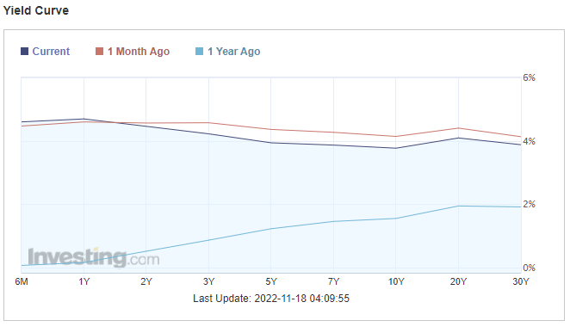

Term Structure Of Yield Volatility

Date\Term | 6M | 1Y | 5Y | 7Y | 10Y
2022-11-18 | 4.59650% | 4.69040% | 3.93530% | 3.86400% | 3.76600%
2022-10-18 | 4.46500% | 4.59600% | 4.35860% | 4.26680% | 4.13770%
2021-11-18 | 0.00630% | 0.15700% | 1.22300% | 1.45330% | 1.54790%

1M Delta | 0.13150% | 0.09440% | -0.42330% | -0.40280% | -0.37170%
1Y Delta | 4.59020% | 4.53340% | 2.71230% | 2.41070% | 2.21810%

JPM Notching
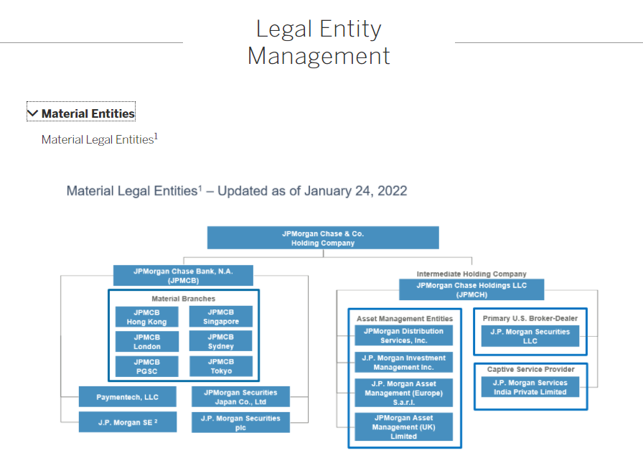
Date | 2022-11-18
JPMorgan Chase & Co.
Outlook | Moody's | S&P | Fitch
 | Stable | Positive | Stable
Long-term issuer rating | A1 | A- | AA-
Short-term issuer rating | P-1 | A-2 | F1+
Senior unsecured | A1 | A- | AA-
Subordinated debt | A3 | BBB+ | A
Trust Preferred | Baa1 | BBB- | BBB+
Preferred stock | Baa2 | BBB- | BBB+

Credit Spread Matrix
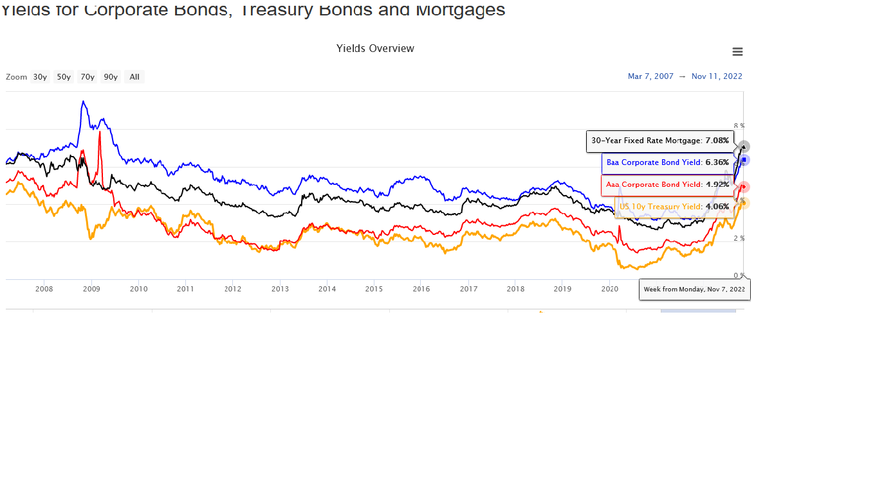
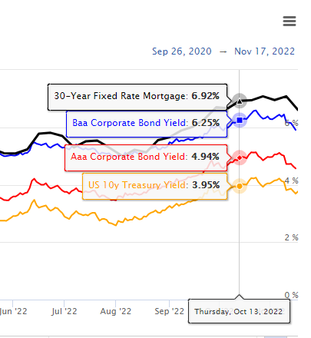
Date | 2022-11-07
Credit/Type | 10Y Treasury | Aaa | Bbb | 30Y Mortgage | Credit/Type | Yield | Delta Spread (Relative to 10Y Treasury) | 1M | vs 2008
10Y Treasury | 0.00% | 0.86% | 2.30% | 3.02% | 10Y Treasury | 4.06% | Aaa | -0.13% | -2.17%
Aaa | -0.86% | 0.00% | 1.44% | 2.16% | Aaa | 4.92% | Bbb | 0.00% | -3.32%
Bbb | -2.30% | -1.44% | 0.00% | 0.72% | Bbb | 6.36% | 30Y Mortgage | 0.05% | 0.43%
30Y Mortgage | -3.02% | -2.16% | -0.72% | 0.00% | 30Y Mortgage | 7.08%

Date | 2022-10-13
Credit/Type | 10Y Treasury | Aaa | Bbb | 30Y Mortgage | Credit/Type | Yield
10Y Treasury | 0.00% | 0.99% | 2.30% | 2.97% | 10Y Treasury | 3.95%
Aaa | -0.99% | 0.00% | 1.31% | 1.98% | Aaa | 4.94%
Bbb | -2.30% | -1.31% | 0.00% | 0.67% | Bbb | 6.25%
30Y Mortgage | -2.97% | -1.98% | -0.67% | 0.00% | 30Y Mortgage | 6.92%

Date | 2008-12-29
Credit/Type | 10Y Treasury | Aaa | Bbb | 30Y Mortgage | Credit/Type | Yield
10Y Treasury | 0.00% | 3.03% | 5.62% | 2.59% | 10Y Treasury | 3.87%
Aaa | -3.03% | 0.00% | 2.59% | -0.44% | Aaa | 6.90%
Bbb | -5.62% | -2.59% | 0.00% | -3.03% | Bbb | 9.49%
30Y Mortgage | -2.59% | 0.44% | 3.03% | 0.00% | 30Y Mortgage | 6.46%

Date | 2008-09-03
Credit/Type | 10Y Treasury | Aaa | Bbb | 30Y Mortgage | Credit/Type | Yield
10Y Treasury | 0.00% | 0.63% | 1.94% | 1.64% | 10Y Treasury | 2.90%
Aaa | -0.63% | 0.00% | 1.31% | 1.01% | Aaa | 3.53%
Bbb | -1.94% | -1.31% | 0.00% | -0.30% | Bbb | 4.84%
30Y Mortgage | -1.64% | -1.01% | 0.30% | 0.00% | 30Y Mortgage | 4.54%

AAA Corp. Yield
FRED Graph Observations
Federal Reserve Economic Data
Link: https://fred.stlouisfed.org
Help: https://fredhelp.stlouisfed.org
Economic Research Division
Federal Reserve Bank of St. Louis

BAMLC0A1CAAAEY | ICE BofA AAA US Corporate Index Effective Yield, Percent, Daily, Not Seasonally Adjusted

This data represents the effective yield of the ICE BofA AAA US Corporate Index, a subset of the ICE BofA US Corporate Master Index tracking the performance of US dollar denominated investment grade rated corporate debt publicly issued in the US domestic market. This subset includes all securities with a given investment grade rating AAA. When the last calendar day of the month takes place on the weekend, weekend observations will occur as a result of month ending accrued interest adjustments. The index data referenced herein is the property of ICE Data Indices, LLC, its affiliates, ("ICE") and/or its Third Party Suppliers and has been licensed for use by the Federal Reserve Bank of St. Louis. ICE, its affiliates and Third Party Suppliers accept no liability in connection with its use.
Frequency: Daily, Close
observation_date | BAMLC0A1CAAAEY
2007-07-24 | 5.61
2007-07-25 | 5.58
2007-07-26 | 5.46
2007-07-27 | 5.50
2007-07-30 | 5.52
2007-07-31 | 5.50
2007-08-01 | 5.49
2007-08-02 | 5.50
2007-08-03 | 5.46
2007-08-06 | 5.49
2007-08-07 | 5.52
2007-08-08 | 5.62
2007-08-09 | 5.54
2007-08-10 | 5.52
2007-08-13 | 5.52
2007-08-14 | 5.48
2007-08-15 | 5.43
2007-08-16 | 5.31
2007-08-17 | 5.38
2007-08-20 | 5.34
2007-08-21 | 5.28
2007-08-22 | 5.35
2007-08-23 | 5.37
2007-08-24 | 5.42
2007-08-27 | 5.38
2007-08-28 | 5.29
2007-08-29 | 5.32
2007-08-30 | 5.28
2007-08-31 | 5.33
2007-09-03 | 5.33
2007-09-04 | 5.34
2007-09-05 | 5.24
2007-09-06 | 5.34
2007-09-07 | 5.22
2007-09-10 | 5.19
2007-09-11 | 5.25
2007-09-12 | 5.29
2007-09-13 | 5.37
2007-09-14 | 5.35
2007-09-17 | 5.37
2007-09-18 | 5.34
2007-09-19 | 5.36
2007-09-20 | 5.47
2007-09-21 | 5.41
2007-09-24 | 5.41
2007-09-25 | 5.38
2007-09-26 | 5.37
2007-09-27 | 5.33
2007-09-28 | 5.33
2007-09-30 | 5.33
2007-10-01 | 5.32
2007-10-02 | 5.30
2007-10-03 | 5.30
2007-10-04 | 5.29
2007-10-05 | 5.39
2007-10-08 | 5.39
2007-10-09 | 5.41
2007-10-10 | 5.41
2007-10-11 | 5.41
2007-10-12 | 5.44
2007-10-15 | 5.43
2007-10-16 | 5.40
2007-10-17 | 5.29
2007-10-18 | 5.24
2007-10-19 | 5.15
2007-10-22 | 5.16
2007-10-23 | 5.16
2007-10-24 | 5.08
2007-10-25 | 5.10
2007-10-26 | 5.13
2007-10-29 | 5.14
2007-10-30 | 5.15
2007-10-31 | 5.25
2007-11-01 | 5.15
2007-11-02 | 5.07
2007-11-05 | 5.09
2007-11-06 | 5.11
2007-11-07 | 5.07
2007-11-08 | 5.00
2007-11-09 | 4.97
2007-11-12 | 4.97
2007-11-13 | 5.04
2007-11-14 | 5.05
2007-11-15 | 4.92
2007-11-16 | 4.92
2007-11-19 | 4.84
2007-11-20 | 4.80
2007-11-21 | 4.76
2007-11-22 | 4.76
2007-11-23 | 4.78
2007-11-26 | 4.65
2007-11-27 | 4.74
2007-11-28 | 4.84
2007-11-29 | 4.78
2007-11-30 | 4.78
2007-12-03 | 4.69
2007-12-04 | 4.70
2007-12-05 | 4.71
2007-12-06 | 4.80
2007-12-07 | 4.92
2007-12-10 | 4.95
2007-12-11 | 4.79
2007-12-12 | 4.88
2007-12-13 | 4.97
2007-12-14 | 5.04
2007-12-17 | 5.00
2007-12-18 | 4.93
2007-12-19 | 4.89
2007-12-20 | 4.85
2007-12-21 | 4.98
2007-12-24 | 5.03
2007-12-25 | #N/A
2007-12-26 | 5.10
2007-12-27 | 5.02
2007-12-28 | 4.92
2007-12-31 | 4.88
2008-01-01 | #N/A
2008-01-02 | 4.73
2008-01-03 | 4.72
2008-01-04 | 4.67
2008-01-07 | 4.65
2008-01-08 | 4.71
2008-01-09 | 4.67
2008-01-10 | 4.73
2008-01-11 | 4.66
2008-01-14 | 4.63
2008-01-15 | 4.56
2008-01-16 | 4.57
2008-01-17 | 4.52
2008-01-18 | 4.50
2008-01-21 | 4.50
2008-01-22 | 4.36
2008-01-23 | 4.29
2008-01-24 | 4.48
2008-01-25 | 4.44
2008-01-28 | 4.43
2008-01-29 | 4.50
2008-01-30 | 4.55
2008-01-31 | 4.51
2008-02-01 | 4.45
2008-02-04 | 4.48
2008-02-05 | 4.39
2008-02-06 | 4.41
2008-02-07 | 4.49
2008-02-08 | 4.43
2008-02-11 | 4.41
2008-02-12 | 4.47
2008-02-13 | 4.45
2008-02-14 | 4.53
2008-02-15 | 4.51
2008-02-18 | 4.51
2008-02-19 | 4.62
2008-02-20 | 4.68
2008-02-21 | 4.54
2008-02-22 | 4.55
2008-02-25 | 4.66
2008-02-26 | 4.61
2008-02-27 | 4.60
2008-02-28 | 4.49
2008-02-29 | 4.34
2008-03-03 | 4.35
2008-03-04 | 4.41
2008-03-05 | 4.50
2008-03-06 | 4.50
2008-03-07 | 4.43
2008-03-10 | 4.42
2008-03-11 | 4.62
2008-03-12 | 4.50
2008-03-13 | 4.54
2008-03-14 | 4.42
2008-03-17 | 4.35
2008-03-18 | 4.47
2008-03-19 | 4.37
2008-03-20 | 4.37
2008-03-21 | #N/A
2008-03-24 | 4.57
2008-03-25 | 4.57
2008-03-26 | 4.53
2008-03-27 | 4.55
2008-03-28 | 4.51
2008-03-31 | 4.46
2008-04-01 | 4.59
2008-04-02 | 4.65
2008-04-03 | 4.65
2008-04-04 | 4.53
2008-04-07 | 4.60
2008-04-08 | 4.56
2008-04-09 | 4.46
2008-04-10 | 4.54
2008-04-11 | 4.51
2008-04-14 | 4.51
2008-04-15 | 4.57
2008-04-16 | 4.71
2008-04-17 | 4.78
2008-04-18 | 4.78
2008-04-21 | 4.74
2008-04-22 | 4.77
2008-04-23 | 4.78
2008-04-24 | 4.89
2008-04-25 | 4.93
2008-04-28 | 4.88
2008-04-29 | 4.84
2008-04-30 | 4.83
2008-05-01 | 4.84
2008-05-02 | 4.90
2008-05-05 | 4.89
2008-05-06 | 4.90
2008-05-07 | 4.87
2008-05-08 | 4.80
2008-05-09 | 4.78
2008-05-12 | 4.78
2008-05-13 | 4.93
2008-05-14 | 4.97
2008-05-15 | 4.88
2008-05-16 | 4.87
2008-05-19 | 4.84
2008-05-20 | 4.79
2008-05-21 | 4.85
2008-05-22 | 4.99
2008-05-23 | 4.90
2008-05-26 | 4.90
2008-05-27 | 4.99
2008-05-28 | 5.08
2008-05-29 | 5.12
2008-05-30 | 5.09
2008-05-31 | 5.10
2008-06-02 | 5.01
2008-06-03 | 4.93
2008-06-04 | 4.97
2008-06-05 | 5.02
2008-06-06 | 4.93
2008-06-09 | 5.07
2008-06-10 | 5.21
2008-06-11 | 5.17
2008-06-12 | 5.31
2008-06-13 | 5.36
2008-06-16 | 5.32
2008-06-17 | 5.28
2008-06-18 | 5.18
2008-06-19 | 5.25
2008-06-20 | 5.19
2008-06-23 | 5.25
2008-06-24 | 5.19
2008-06-25 | 5.18
2008-06-26 | 5.13
2008-06-27 | 5.11
2008-06-30 | 5.07
2008-07-01 | 5.10
2008-07-02 | 5.07
2008-07-03 | 5.06
2008-07-04 | 5.06
2008-07-07 | 5.00
2008-07-08 | 4.98
2008-07-09 | 4.94
2008-07-10 | 4.95
2008-07-11 | 5.11
2008-07-14 | 5.03
2008-07-15 | 4.99
2008-07-16 | 5.06
2008-07-17 | 5.17
2008-07-18 | 5.21
2008-07-21 | 5.21
2008-07-22 | 5.25
2008-07-23 | 5.29
2008-07-24 | 5.13
2008-07-25 | 5.21
2008-07-28 | 5.12
2008-07-29 | 5.14
2008-07-30 | 5.15
2008-07-31 | 5.10
2008-08-01 | 5.07
2008-08-04 | 5.09
2008-08-05 | 5.11
2008-08-06 | 5.14
2008-08-07 | 5.01
2008-08-08 | 5.04
2008-08-11 | 5.09
2008-08-12 | 5.00
2008-08-13 | 5.06
2008-08-14 | 5.00
2008-08-15 | 4.97
2008-08-18 | 4.93
2008-08-19 | 4.97
2008-08-20 | 4.93
2008-08-21 | 4.98
2008-08-22 | 5.03
2008-08-25 | 4.95
2008-08-26 | 4.96
2008-08-27 | 4.94
2008-08-28 | 4.97
2008-08-29 | 4.97
2008-08-31 | 4.97
2008-09-01 | 4.97
2008-09-02 | 4.91
2008-09-03 | 4.87
2008-09-04 | 4.84
2008-09-05 | 4.87
2008-09-08 | 4.87
2008-09-09 | 4.80
2008-09-10 | 4.84
2008-09-11 | 4.86
2008-09-12 | 4.98
2008-09-15 | 4.99
2008-09-16 | 5.38
2008-09-17 | 5.54
2008-09-18 | 5.94
2008-09-19 | 6.02
2008-09-22 | 5.89
2008-09-23 | 5.95
2008-09-24 | 5.85
2008-09-25 | 6.17
2008-09-26 | 6.34
2008-09-29 | 6.19
2008-09-30 | 6.45
2008-10-01 | 6.54
2008-10-02 | 6.38
2008-10-03 | 6.38
2008-10-06 | 6.28
2008-10-07 | 6.27
2008-10-08 | 6.52
2008-10-09 | 6.63
2008-10-10 | 6.95
2008-10-13 | 6.95
2008-10-14 | 6.90
2008-10-15 | 6.74
2008-10-16 | 6.80
2008-10-17 | 6.91
2008-10-20 | 6.87
2008-10-21 | 6.66
2008-10-22 | 6.63
2008-10-23 | 6.62
2008-10-24 | 6.86
2008-10-27 | 6.91
2008-10-28 | 6.89
2008-10-29 | 6.88
2008-10-30 | 6.88
2008-10-31 | 6.95
2008-11-03 | 6.84
2008-11-04 | 6.67
2008-11-05 | 6.56
2008-11-06 | 6.55
2008-11-07 | 6.60
2008-11-10 | 6.49
2008-11-11 | 6.49
2008-11-12 | 6.31
2008-11-13 | 6.35
2008-11-14 | 6.30
2008-11-17 | 6.26
2008-11-18 | 6.12
2008-11-19 | 6.11
2008-11-20 | 6.10
2008-11-21 | 6.28
2008-11-24 | 6.21
2008-11-25 | 6.05
2008-11-26 | 5.96
2008-11-27 | 5.96
2008-11-28 | 5.95
2008-11-30 | 5.94
2008-12-01 | 5.78
2008-12-02 | 5.76
2008-12-03 | 5.72
2008-12-04 | 5.64
2008-12-05 | 5.73
2008-12-08 | 5.78
2008-12-09 | 5.66
2008-12-10 | 5.65
2008-12-11 | 5.56
2008-12-12 | 5.52
2008-12-15 | 5.49
2008-12-16 | 5.34
2008-12-17 | 5.22
2008-12-18 | 5.04
2008-12-19 | 5.06
2008-12-22 | 5.05
2008-12-23 | 5.07
2008-12-24 | 5.07
2008-12-25 | #N/A
2008-12-26 | 5.04
2008-12-29 | 4.94
2008-12-30 | 4.92
2008-12-31 | 5.07
2009-01-01 | #N/A
2009-01-02 | 5.22
2009-01-05 | 5.19
2009-01-06 | 5.32
2009-01-07 | 5.29
2009-01-08 | 5.28
2009-01-09 | 5.23
2009-01-12 | 5.18
2009-01-13 | 5.12
2009-01-14 | 5.14
2009-01-15 | 5.20
2009-01-16 | 5.18
2009-01-19 | 5.18
2009-01-20 | 5.25
2009-01-21 | 5.39
2009-01-22 | 5.39
2009-01-23 | 5.45
2009-01-26 | 5.45
2009-01-27 | 5.34
2009-01-28 | 5.39
2009-01-29 | 5.50
2009-01-30 | 5.49
2009-01-31 | 5.66
2009-02-02 | 5.59
2009-02-03 | 5.71
2009-02-04 | 5.76
2009-02-05 | 5.72
2009-02-06 | 5.76
2009-02-09 | 5.79
2009-02-10 | 5.60
2009-02-11 | 5.50
2009-02-12 | 5.47
2009-02-13 | 5.59
2009-02-16 | 5.58
2009-02-17 | 5.42
2009-02-18 | 5.56
2009-02-19 | 5.68
2009-02-20 | 5.66
2009-02-23 | 5.68
2009-02-24 | 5.83
2009-02-25 | 6.04
2009-02-26 | 6.05
2009-02-27 | 6.10
2009-02-28 | 6.11
2009-03-02 | 6.13
2009-03-03 | 6.52
2009-03-04 | 8.13
2009-03-05 | 8.14
2009-03-06 | 8.16
2009-03-09 | 8.25
2009-03-10 | 8.10
2009-03-11 | 8.04
2009-03-12 | 7.55
2009-03-13 | 7.41
2009-03-16 | 6.95
2009-03-17 | 6.82
2009-03-18 | 6.36
2009-03-19 | 6.37
2009-03-20 | 6.35
2009-03-23 | 6.34
2009-03-24 | 6.27
2009-03-25 | 6.32
2009-03-26 | 6.24
2009-03-27 | 6.24
2009-03-30 | 6.22
2009-03-31 | 4.72
2009-04-01 | 4.68
2009-04-02 | 4.77
2009-04-03 | 4.91
2009-04-06 | 4.93
2009-04-07 | 4.91
2009-04-08 | 4.85
2009-04-09 | 4.89
2009-04-10 | #N/A
2009-04-13 | 4.80
2009-04-14 | 4.72
2009-04-15 | 4.70
2009-04-16 | 4.76
2009-04-17 | 4.82
2009-04-20 | 4.73
2009-04-21 | 4.71
2009-04-22 | 4.75
2009-04-23 | 4.72
2009-04-24 | 4.73
2009-04-27 | 4.67
2009-04-28 | 4.73
2009-04-29 | 4.77
2009-04-30 | 4.75
2009-05-01 | 4.76
2009-05-04 | 4.77
2009-05-05 | 4.77
2009-05-06 | 4.77
2009-05-07 | 4.88
2009-05-08 | 4.87
2009-05-11 | 4.77
2009-05-12 | 4.73
2009-05-13 | 4.66
2009-05-14 | 4.65
2009-05-15 | 4.67
2009-05-18 | 4.75
2009-05-19 | 4.65
2009-05-20 | 4.59
2009-05-21 | 4.67
2009-05-22 | 4.64
2009-05-25 | 4.64
2009-05-26 | 4.68
2009-05-27 | 4.80
2009-05-28 | 4.80
2009-05-29 | 4.56
2009-05-31 | 4.40
2009-06-01 | 4.60
2009-06-02 | 4.52
2009-06-03 | 4.46
2009-06-04 | 4.58
2009-06-05 | 4.78
2009-06-08 | 4.80
2009-06-09 | 4.75
2009-06-10 | 4.77
2009-06-11 | 4.71
2009-06-12 | 4.64
2009-06-15 | 4.56
2009-06-16 | 4.52
2009-06-17 | 4.52
2009-06-18 | 4.68
2009-06-19 | 4.50
2009-06-22 | 4.41
2009-06-23 | 4.38
2009-06-24 | 4.39
2009-06-25 | 4.29
2009-06-26 | 4.22
2009-06-29 | 4.21
2009-06-30 | 3.96
2009-07-01 | 3.90
2009-07-02 | 3.69
2009-07-03 | 3.69
2009-07-06 | 4.14
2009-07-07 | 4.06
2009-07-08 | 3.92
2009-07-09 | 4.01
2009-07-10 | 3.91
2009-07-13 | 3.93
2009-07-14 | 4.00
2009-07-15 | 4.14
2009-07-16 | 4.11
2009-07-17 | 4.17
2009-07-20 | 4.09
2009-07-21 | 3.98
2009-07-22 | 4.04
2009-07-23 | 4.18
2009-07-24 | 4.14
2009-07-27 | 4.18
2009-07-28 | 4.17
2009-07-29 | 4.16
2009-07-30 | 4.12
2009-07-31 | 3.99
2009-08-03 | 4.12
2009-08-04 | 4.14
2009-08-05 | 4.16
2009-08-06 | 4.14
2009-08-07 | 4.25
2009-08-10 | 4.14
2009-08-11 | 4.09
2009-08-12 | 4.05
2009-08-13 | 3.94
2009-08-14 | 3.89
2009-08-17 | 3.80
2009-08-18 | 3.85
2009-08-19 | 3.80
2009-08-20 | 3.81
2009-08-21 | 3.93
2009-08-24 | 3.84
2009-08-25 | 3.81
2009-08-26 | 3.80
2009-08-27 | 3.81
2009-08-28 | 3.78
2009-08-31 | 3.68
2009-09-01 | 3.67
2009-09-02 | 3.56
2009-09-03 | 3.60
2009-09-04 | 3.71
2009-09-07 | 3.71
2009-09-08 | 3.73
2009-09-09 | 3.75
2009-09-10 | 3.64
2009-09-11 | 3.62
2009-09-14 | 3.68
2009-09-15 | 3.68
2009-09-16 | 3.70
2009-09-17 | 3.63
2009-09-18 | 3.70
2009-09-21 | 3.70
2009-09-22 | 3.67
2009-09-23 | 3.64
2009-09-24 | 3.57
2009-09-25 | 3.55
2009-09-28 | 3.53
2009-09-29 | 3.52
2009-09-30 | 3.52
2009-10-01 | 3.42
2009-10-02 | 3.46
2009-10-05 | 3.46
2009-10-06 | 3.47
2009-10-07 | 3.41
2009-10-08 | 3.47
2009-10-09 | 3.60
2009-10-12 | 3.60
2009-10-13 | 3.51
2009-10-14 | 3.62
2009-10-15 | 3.66
2009-10-16 | 3.63
2009-10-19 | 3.61
2009-10-20 | 3.53
2009-10-21 | 3.61
2009-10-22 | 3.60
2009-10-23 | 3.66
2009-10-26 | 3.70
2009-10-27 | 3.60
2009-10-28 | 3.55
2009-10-29 | 3.63
2009-10-30 | 3.55
2009-10-31 | 3.59
2009-11-02 | 3.61
2009-11-03 | 3.63
2009-11-04 | 3.66
2009-11-05 | 3.63
2009-11-06 | 3.61
2009-11-09 | 3.60
2009-11-10 | 3.59
2009-11-11 | 3.59
2009-11-12 | 3.56
2009-11-13 | 3.55
2009-11-16 | 3.46
2009-11-17 | 3.44
2009-11-18 | 3.47
2009-11-19 | 3.39
2009-11-20 | 3.41
2009-11-23 | 3.42
2009-11-24 | 3.37
2009-11-25 | 3.34
2009-11-26 | 3.34
2009-11-27 | 3.27
2009-11-30 | 3.28
2009-12-01 | 3.32
2009-12-02 | 3.29
2009-12-03 | 3.36
2009-12-04 | 3.49
2009-12-07 | 3.47
2009-12-08 | 3.40
2009-12-09 | 3.40
2009-12-10 | 3.44
2009-12-11 | 3.50
2009-12-14 | 3.52
2009-12-15 | 3.57
2009-12-16 | 3.55
2009-12-17 | 3.41
2009-12-18 | 3.47
2009-12-21 | 3.58
2009-12-22 | 3.61
2009-12-23 | 3.61
2009-12-24 | 3.67
2009-12-25 | #N/A
2009-12-28 | 3.72
2009-12-29 | 3.70
2009-12-30 | 3.68
2009-12-31 | 3.73
2010-01-01 | #N/A
2010-01-04 | 3.68
2010-01-05 | 3.56
2010-01-06 | 3.59
2010-01-07 | 3.62
2010-01-08 | 3.58
2010-01-11 | 3.57
2010-01-12 | 3.49
2010-01-13 | 3.54
2010-01-14 | 3.47
2010-01-15 | 3.42
2010-01-18 | 3.42
2010-01-19 | 3.49
2010-01-20 | 3.44
2010-01-21 | 3.39
2010-01-22 | 3.37
2010-01-25 | 3.40
2010-01-26 | 3.40
2010-01-27 | 3.41
2010-01-28 | 3.42
2010-01-29 | 3.37
2010-01-31 | 3.46
2010-02-01 | 3.52
2010-02-02 | 3.50
2010-02-03 | 3.58
2010-02-04 | 3.50
2010-02-05 | 3.40
2010-02-08 | 3.46
2010-02-09 | 3.51
2010-02-10 | 3.57
2010-02-11 | 3.55
2010-02-12 | 3.50
2010-02-15 | 3.49
2010-02-16 | 3.46
2010-02-17 | 3.55
2010-02-18 | 3.58
2010-02-19 | 3.59
2010-02-22 | 3.58
2010-02-23 | 3.48
2010-02-24 | 3.48
2010-02-25 | 3.41
2010-02-26 | 3.36
2010-02-28 | 3.36
2010-03-01 | 3.40
2010-03-02 | 3.40
2010-03-03 | 3.41
2010-03-04 | 3.41
2010-03-05 | 3.46
2010-03-08 | 3.46
2010-03-09 | 3.45
2010-03-10 | 3.48
2010-03-11 | 3.50
2010-03-12 | 3.47
2010-03-15 | 3.46
2010-03-16 | 3.41
2010-03-17 | 3.42
2010-03-18 | 3.45
2010-03-19 | 3.43
2010-03-22 | 3.45
2010-03-23 | 3.45
2010-03-24 | 3.54
2010-03-25 | 3.57
2010-03-26 | 3.51
2010-03-29 | 3.54
2010-03-30 | 3.54
2010-03-31 | 3.50
2010-04-01 | 3.52
2010-04-02 | #N/A
2010-04-05 | 3.66
2010-04-06 | 3.62
2010-04-07 | 3.53
2010-04-08 | 3.54
2010-04-09 | 3.54
2010-04-12 | 3.50
2010-04-13 | 3.49
2010-04-14 | 3.50
2010-04-15 | 3.48
2010-04-16 | 3.39
2010-04-19 | 3.42
2010-04-20 | 3.42
2010-04-21 | 3.38
2010-04-22 | 3.40
2010-04-23 | 3.45
2010-04-26 | 3.42
2010-04-27 | 3.30
2010-04-28 | 3.38
2010-04-29 | 3.33
2010-04-30 | 3.28
2010-05-03 | 3.33
2010-05-04 | 3.26
2010-05-05 | 3.20
2010-05-06 | 3.08
2010-05-07 | 3.15
2010-05-10 | 3.21
2010-05-11 | 3.21
2010-05-12 | 3.23
2010-05-13 | 3.20
2010-05-14 | 3.10
2010-05-17 | 3.11
2010-05-18 | 3.05
2010-05-19 | 3.08
2010-05-20 | 3.08
2010-05-21 | 3.05
2010-05-24 | 3.07
2010-05-25 | 3.05
2010-05-26 | 3.15
2010-05-27 | 3.24
2010-05-28 | 3.20
2010-05-31 | 3.21
2010-06-01 | 3.18
2010-06-02 | 3.22
2010-06-03 | 3.27
2010-06-04 | 3.07
2010-06-07 | 3.08
2010-06-08 | 3.09
2010-06-09 | 3.11
2010-06-10 | 3.26
2010-06-11 | 3.14
2010-06-14 | 3.18
2010-06-15 | 3.21
2010-06-16 | 3.19
2010-06-17 | 3.10
2010-06-18 | 3.14
2010-06-21 | 3.14
2010-06-22 | 3.08
2010-06-23 | 3.04
2010-06-24 | 3.04
2010-06-25 | 3.00
2010-06-28 | 2.94
2010-06-29 | 2.90
2010-06-30 | 2.91
2010-07-01 | 2.93
2010-07-02 | 2.96
2010-07-05 | 2.96
2010-07-06 | 2.92
2010-07-07 | 2.94
2010-07-08 | 2.96
2010-07-09 | 2.99
2010-07-12 | 2.96
2010-07-13 | 3.01
2010-07-14 | 2.93
2010-07-15 | 2.88
2010-07-16 | 2.82
2010-07-19 | 2.85
2010-07-20 | 2.82
2010-07-21 | 2.79
2010-07-22 | 2.81
2010-07-23 | 2.85
2010-07-26 | 2.85
2010-07-27 | 2.85
2010-07-28 | 2.79
2010-07-29 | 2.78
2010-07-30 | 2.77
2010-07-31 | 2.68
2010-08-02 | 2.68
2010-08-03 | 2.61
2010-08-04 | 2.65
2010-08-05 | 2.62
2010-08-06 | 2.56
2010-08-09 | 2.57
2010-08-10 | 2.54
2010-08-11 | 2.50
2010-08-12 | 2.52
2010-08-13 | 2.49
2010-08-16 | 2.41
2010-08-17 | 2.44
2010-08-18 | 2.43
2010-08-19 | 2.38
2010-08-20 | 2.41
2010-08-23 | 2.40
2010-08-24 | 2.33
2010-08-25 | 2.37
2010-08-26 | 2.34
2010-08-27 | 2.43
2010-08-30 | 2.38
2010-08-31 | 2.40
2010-09-01 | 2.49
2010-09-02 | 2.50
2010-09-03 | 2.55
2010-09-06 | 2.55
2010-09-07 | 2.47
2010-09-08 | 2.51
2010-09-09 | 2.56
2010-09-10 | 2.58
2010-09-13 | 2.52
2010-09-14 | 2.46
2010-09-15 | 2.48
2010-09-16 | 2.50
2010-09-17 | 2.48
2010-09-20 | 2.45
2010-09-21 | 2.39
2010-09-22 | 2.37
2010-09-23 | 2.37
2010-09-24 | 2.38
2010-09-27 | 2.31
2010-09-28 | 2.28
2010-09-29 | 2.31
2010-09-30 | 2.37
2010-10-01 | 2.35
2010-10-04 | 2.33
2010-10-05 | 2.29
2010-10-06 | 2.23
2010-10-07 | 2.22
2010-10-08 | 2.21
2010-10-11 | 2.20
2010-10-12 | 2.24
2010-10-13 | 2.24
2010-10-14 | 2.28
2010-10-15 | 2.31
2010-10-18 | 2.25
2010-10-19 | 2.24
2010-10-20 | 2.23
2010-10-21 | 2.26
2010-10-22 | 2.27
2010-10-25 | 2.27
2010-10-26 | 2.34
2010-10-27 | 2.38
2010-10-28 | 2.33
2010-10-29 | 2.28
2010-10-31 | 2.28
2010-11-01 | 2.28
2010-11-02 | 2.26
2010-11-03 | 2.26
2010-11-04 | 2.18
2010-11-05 | 2.23
2010-11-08 | 2.27
2010-11-09 | 2.37
2010-11-10 | 2.33
2010-11-11 | 2.33
2010-11-12 | 2.47
2010-11-15 | 2.58
2010-11-16 | 2.53
2010-11-17 | 2.52
2010-11-18 | 2.54
2010-11-19 | 2.54
2010-11-22 | 2.46
2010-11-23 | 2.40
2010-11-24 | 2.57
2010-11-25 | 2.57
2010-11-26 | 2.53
2010-11-29 | 2.52
2010-11-30 | 2.46
2010-12-01 | 2.59
2010-12-02 | 2.62
2010-12-03 | 2.58
2010-12-06 | 2.50
2010-12-07 | 2.67
2010-12-08 | 2.76
2010-12-09 | 2.76
2010-12-10 | 2.77
2010-12-13 | 2.75
2010-12-14 | 2.84
2010-12-15 | 2.88
2010-12-16 | 2.86
2010-12-17 | 2.75
2010-12-20 | 2.80
2010-12-21 | 2.79
2010-12-22 | 2.82
2010-12-23 | 2.87
2010-12-24 | 2.87
2010-12-27 | 2.81
2010-12-28 | 2.92
2010-12-29 | 2.80
2010-12-30 | 2.82
2010-12-31 | 2.90
2011-01-03 | 2.91
2011-01-04 | 2.92
2011-01-05 | 3.06
2011-01-06 | 2.99
2011-01-07 | 2.88
2011-01-10 | 2.86
2011-01-11 | 2.87
2011-01-12 | 2.89
2011-01-13 | 2.84
2011-01-14 | 2.85
2011-01-17 | 2.84
2011-01-18 | 2.87
2011-01-19 | 2.85
2011-01-20 | 2.93
2011-01-21 | 2.91
2011-01-24 | 2.90
2011-01-25 | 2.84
2011-01-26 | 2.90
2011-01-27 | 2.85
2011-01-28 | 2.81
2011-01-31 | 2.88
2011-02-01 | 2.93
2011-02-02 | 3.01
2011-02-03 | 3.05
2011-02-04 | 3.15
2011-02-07 | 3.15
2011-02-08 | 3.23
2011-02-09 | 3.15
2011-02-10 | 3.21
2011-02-11 | 3.16
2011-02-14 | 3.10
2011-02-15 | 3.09
2011-02-16 | 3.10
2011-02-17 | 3.05
2011-02-18 | 3.05
2011-02-21 | 3.04
2011-02-22 | 2.94
2011-02-23 | 2.97
2011-02-24 | 2.94
2011-02-25 | 2.93
2011-02-28 | 2.98
2011-03-01 | 2.98
2011-03-02 | 3.01
2011-03-03 | 3.10
2011-03-04 | 3.01
2011-03-07 | 3.02
2011-03-08 | 3.05
2011-03-09 | 2.99
2011-03-10 | 2.93
2011-03-11 | 2.92
2011-03-14 | 2.88
2011-03-15 | 2.89
2011-03-16 | 2.81
2011-03-17 | 2.84
2011-03-18 | 2.86
2011-03-21 | 2.91
2011-03-22 | 2.92
2011-03-23 | 2.92
2011-03-24 | 2.96
2011-03-25 | 3.00
2011-03-28 | 3.01
2011-03-29 | 3.04
2011-03-30 | 3.01
2011-03-31 | 2.96
2011-04-01 | 2.98
2011-04-04 | 2.94
2011-04-05 | 3.01
2011-04-06 | 3.05
2011-04-07 | 3.02
2011-04-08 | 3.03
2011-04-11 | 3.03
2011-04-12 | 2.96
2011-04-13 | 2.93
2011-04-14 | 2.95
2011-04-15 | 2.88
2011-04-18 | 2.85
2011-04-19 | 2.84
2011-04-20 | 2.88
2011-04-21 | 2.88
2011-04-22 | #N/A
2011-04-25 | 2.85
2011-04-26 | 2.81
2011-04-27 | 2.83
2011-04-28 | 2.78
2011-04-29 | 2.74
2011-04-30 | 2.76
2011-05-02 | 2.76
2011-05-03 | 2.74
2011-05-04 | 2.72
2011-05-05 | 2.69
2011-05-06 | 2.67
2011-05-09 | 2.65
2011-05-10 | 2.70
2011-05-11 | 2.67
2011-05-12 | 2.69
2011-05-13 | 2.66
2011-05-16 | 2.63
2011-05-17 | 2.61
2011-05-18 | 2.66
2011-05-19 | 2.65
2011-05-20 | 2.64
2011-05-23 | 2.62
2011-05-24 | 2.63
2011-05-25 | 2.63
2011-05-26 | 2.57
2011-05-27 | 2.57
2011-05-30 | 2.56
2011-05-31 | 2.56
2011-06-01 | 2.51
2011-06-02 | 2.56
2011-06-03 | 2.53
2011-06-06 | 2.53
2011-06-07 | 2.52
2011-06-08 | 2.47
2011-06-09 | 2.52
2011-06-10 | 2.49
2011-06-13 | 2.52
2011-06-14 | 2.59
2011-06-15 | 2.49
2011-06-16 | 2.47
2011-06-17 | 2.49
2011-06-20 | 2.49
2011-06-21 | 2.51
2011-06-22 | 2.51
2011-06-23 | 2.44
2011-06-24 | 2.41
2011-06-27 | 2.48
2011-06-28 | 2.58
2011-06-29 | 2.61
2011-06-30 | 2.64
2011-07-01 | 2.67
2011-07-04 | 2.67
2011-07-05 | 2.60
2011-07-06 | 2.57
2011-07-07 | 2.63
2011-07-08 | 2.51
2011-07-11 | 2.43
2011-07-12 | 2.43
2011-07-13 | 2.42
2011-07-14 | 2.44
2011-07-15 | 2.42
2011-07-18 | 2.43
2011-07-19 | 2.42
2011-07-20 | 2.45
2011-07-21 | 2.51
2011-07-22 | 2.47
2011-07-25 | 2.50
2011-07-26 | 2.46
2011-07-27 | 2.49
2011-07-28 | 2.51
2011-07-29 | 2.40
2011-07-31 | 2.44
2011-08-01 | 2.41
2011-08-02 | 2.33
2011-08-03 | 2.33
2011-08-04 | 2.25
2011-08-05 | 2.33
2011-08-08 | 2.29
2011-08-09 | 2.18
2011-08-10 | 2.15
2011-08-11 | 2.24
2011-08-12 | 2.20
2011-08-15 | 2.24
2011-08-16 | 2.19
2011-08-17 | 2.16
2011-08-18 | 2.14
2011-08-19 | 2.14
2011-08-22 | 2.15
2011-08-23 | 2.18
2011-08-24 | 2.25
2011-08-25 | 2.22
2011-08-26 | 2.19
2011-08-29 | 2.23
2011-08-30 | 2.18
2011-08-31 | 2.26
2011-09-01 | 2.22
2011-09-02 | 2.16
2011-09-05 | 2.16
2011-09-06 | 2.16
2011-09-07 | 2.19
2011-09-08 | 2.16
2011-09-09 | 2.12
2011-09-12 | 2.16
2011-09-13 | 2.21
2011-09-14 | 2.21
2011-09-15 | 2.25
2011-09-16 | 2.24
2011-09-19 | 2.15
2011-09-20 | 2.17
2011-09-21 | 2.17
2011-09-22 | 2.12
2011-09-23 | 2.18
2011-09-26 | 2.23
2011-09-27 | 2.30
2011-09-28 | 2.28
2011-09-29 | 2.25
2011-09-30 | 2.22
2011-10-03 | 2.14
2011-10-04 | 2.16
2011-10-05 | 2.24
2011-10-06 | 2.29
2011-10-07 | 2.34
2011-10-10 | 2.34
2011-10-11 | 2.40
2011-10-12 | 2.42
2011-10-13 | 2.37
2011-10-14 | 2.39
2011-10-17 | 2.33
2011-10-18 | 2.32
2011-10-19 | 2.31
2011-10-20 | 2.32
2011-10-21 | 2.30
2011-10-24 | 2.30
2011-10-25 | 2.23
2011-10-26 | 2.28
2011-10-27 | 2.34
2011-10-28 | 2.28
2011-10-31 | 2.21
2011-11-01 | 2.11
2011-11-02 | 2.13
2011-11-03 | 2.17
2011-11-04 | 2.16
2011-11-07 | 2.12
2011-11-08 | 2.18
2011-11-09 | 2.14
2011-11-10 | 2.20
2011-11-11 | 2.20
2011-11-14 | 2.19
2011-11-15 | 2.21
2011-11-16 | 2.21
2011-11-17 | 2.20
2011-11-18 | 2.24
2011-11-21 | 2.22
2011-11-22 | 2.22
2011-11-23 | 2.19
2011-11-24 | 2.19
2011-11-25 | 2.24
2011-11-28 | 2.24
2011-11-29 | 2.25
2011-11-30 | 2.29
2011-12-01 | 2.37
2011-12-02 | 2.31
2011-12-05 | 2.32
2011-12-06 | 2.34
2011-12-07 | 2.31
2011-12-08 | 2.28
2011-12-09 | 2.34
2011-12-12 | 2.33
2011-12-13 | 2.33
2011-12-14 | 2.31
2011-12-15 | 2.33
2011-12-16 | 2.29
2011-12-19 | 2.27
2011-12-20 | 2.32
2011-12-21 | 2.36
2011-12-22 | 2.36
2011-12-23 | 2.41
2011-12-26 | #N/A
2011-12-27 | 2.40
2011-12-28 | 2.33
2011-12-29 | 2.32
2011-12-30 | 2.29
2011-12-31 | 2.07
2012-01-02 | #N/A
2012-01-03 | 2.13
2012-01-04 | 2.14
2012-01-05 | 2.14
2012-01-06 | 2.12
2012-01-09 | 2.11
2012-01-10 | 2.11
2012-01-11 | 2.08
2012-01-12 | 2.09
2012-01-13 | 2.05
2012-01-16 | 2.04
2012-01-17 | 2.04
2012-01-18 | 2.06
2012-01-19 | 2.10
2012-01-20 | 2.12
2012-01-23 | 2.14
2012-01-24 | 2.13
2012-01-25 | 2.08
2012-01-26 | 2.03
2012-01-27 | 2.02
2012-01-30 | 1.98
2012-01-31 | 1.97
2012-02-01 | 1.99
2012-02-02 | 1.99
2012-02-03 | 2.04
2012-02-06 | 2.00
2012-02-07 | 2.03
2012-02-08 | 2.02
2012-02-09 | 2.04
2012-02-10 | 1.99
2012-02-13 | 2.01
2012-02-14 | 1.98
2012-02-15 | 1.97
2012-02-16 | 2.01
2012-02-17 | 2.01
2012-02-20 | 2.01
2012-02-21 | 2.03
2012-02-22 | 2.00
2012-02-23 | 1.98
2012-02-24 | 1.99
2012-02-27 | 1.95
2012-02-28 | 1.94
2012-02-29 | 1.96
2012-03-01 | 1.99
2012-03-02 | 1.95
2012-03-05 | 1.97
2012-03-06 | 1.95
2012-03-07 | 1.97
2012-03-08 | 1.99
2012-03-09 | 1.99
2012-03-12 | 1.98
2012-03-13 | 2.02
2012-03-14 | 2.14
2012-03-15 | 2.09
2012-03-16 | 2.09
2012-03-19 | 2.15
2012-03-20 | 2.14
2012-03-21 | 2.08
2012-03-22 | 2.07
2012-03-23 | 2.04
2012-03-26 | 2.04
2012-03-27 | 2.00
2012-03-28 | 2.01
2012-03-29 | 1.98
2012-03-30 | 2.01
2012-03-31 | 1.97
2012-04-02 | 1.96
2012-04-03 | 2.02
2012-04-04 | 1.99
2012-04-05 | 1.96
2012-04-06 | #N/A
2012-04-09 | 1.90
2012-04-10 | 1.86
2012-04-11 | 1.90
2012-04-12 | 1.90
2012-04-13 | 1.87
2012-04-16 | 1.86
2012-04-17 | 1.88
2012-04-18 | 1.87
2012-04-19 | 1.86
2012-04-20 | 1.88
2012-04-23 | 1.86
2012-04-24 | 1.90
2012-04-25 | 1.93
2012-04-26 | 1.91
2012-04-27 | 1.91
2012-04-30 | 1.90
2012-05-01 | 1.92
2012-05-02 | 1.91
2012-05-03 | 1.90
2012-05-04 | 1.88
2012-05-07 | 1.88
2012-05-08 | 1.86
2012-05-09 | 1.87
2012-05-10 | 1.88
2012-05-11 | 1.86
2012-05-14 | 1.85
2012-05-15 | 1.86
2012-05-16 | 1.87
2012-05-17 | 1.85
2012-05-18 | 1.87
2012-05-21 | 1.88
2012-05-22 | 1.92
2012-05-23 | 1.88
2012-05-24 | 1.91
2012-05-25 | 1.90
2012-05-28 | 1.89
2012-05-29 | 1.88
2012-05-30 | 1.83
2012-05-31 | 1.87
2012-06-01 | 1.83
2012-06-04 | 1.86
2012-06-05 | 1.86
2012-06-06 | 1.91
2012-06-07 | 1.90
2012-06-08 | 1.89
2012-06-11 | 1.87
2012-06-12 | 1.92
2012-06-13 | 1.89
2012-06-14 | 1.89
2012-06-15 | 1.85
2012-06-18 | 1.86
2012-06-19 | 1.88
2012-06-20 | 1.89
2012-06-21 | 1.87
2012-06-22 | 1.90
2012-06-25 | 1.85
2012-06-26 | 1.87
2012-06-27 | 1.86
2012-06-28 | 1.83
2012-06-29 | 1.85
2012-06-30 | 1.85
2012-07-02 | 1.80
2012-07-03 | 1.82
2012-07-04 | 1.82
2012-07-05 | 1.80
2012-07-06 | 1.77
2012-07-09 | 1.75
2012-07-10 | 1.75
2012-07-11 | 1.73
2012-07-12 | 1.72
2012-07-13 | 1.72
2012-07-16 | 1.67
2012-07-17 | 1.69
2012-07-18 | 1.66
2012-07-19 | 1.67
2012-07-20 | 1.64
2012-07-23 | 1.62
2012-07-24 | 1.61
2012-07-25 | 1.61
2012-07-26 | 1.63
2012-07-27 | 1.67
2012-07-30 | 1.63
2012-07-31 | 1.61
2012-08-01 | 1.62
2012-08-02 | 1.61
2012-08-03 | 1.65
2012-08-06 | 1.64
2012-08-07 | 1.68
2012-08-08 | 1.70
2012-08-09 | 1.70
2012-08-10 | 1.68
2012-08-13 | 1.68
2012-08-14 | 1.71
2012-08-15 | 1.75
2012-08-16 | 1.75
2012-08-17 | 1.74
2012-08-20 | 1.73
2012-08-21 | 1.73
2012-08-22 | 1.68
2012-08-23 | 1.65
2012-08-24 | 1.66
2012-08-27 | 1.65
2012-08-28 | 1.63
2012-08-29 | 1.64
2012-08-30 | 1.62
2012-08-31 | 1.59
2012-09-03 | 1.58
2012-09-04 | 1.59
2012-09-05 | 1.60
2012-09-06 | 1.65
2012-09-07 | 1.63
2012-09-10 | 1.64
2012-09-11 | 1.63
2012-09-12 | 1.66
2012-09-13 | 1.65
2012-09-14 | 1.66
2012-09-17 | 1.65
2012-09-18 | 1.64
2012-09-19 | 1.62
2012-09-20 | 1.61
2012-09-21 | 1.60
2012-09-24 | 1.58
2012-09-25 | 1.57
2012-09-26 | 1.55
2012-09-27 | 1.55
2012-09-28 | 1.53
2012-09-30 | 1.57
2012-10-01 | 1.57
2012-10-02 | 1.56
2012-10-03 | 1.56
2012-10-04 | 1.58
2012-10-05 | 1.62
2012-10-08 | 1.61
2012-10-09 | 1.60
2012-10-10 | 1.59
2012-10-11 | 1.58
2012-10-12 | 1.57
2012-10-15 | 1.57
2012-10-16 | 1.59
2012-10-17 | 1.63
2012-10-18 | 1.63
2012-10-19 | 1.61
2012-10-22 | 1.62
2012-10-23 | 1.60
2012-10-24 | 1.60
2012-10-25 | 1.63
2012-10-26 | 1.59
2012-10-29 | 1.57
2012-10-30 | #N/A
2012-10-31 | 1.55
2012-11-01 | 1.56
2012-11-02 | 1.56
2012-11-05 | 1.54
2012-11-06 | 1.57
2012-11-07 | 1.52
2012-11-08 | 1.51
2012-11-09 | 1.51
2012-11-12 | 1.51
2012-11-13 | 1.50
2012-11-14 | 1.50
2012-11-15 | 1.52
2012-11-16 | 1.51
2012-11-19 | 1.53
2012-11-20 | 1.55
2012-11-21 | 1.57
2012-11-22 | 1.57
2012-11-23 | 1.58
2012-11-26 | 1.56
2012-11-27 | 1.55
2012-11-28 | 1.53
2012-11-29 | 1.53
2012-11-30 | 1.53
2012-12-03 | 1.53
2012-12-04 | 1.53
2012-12-05 | 1.52
2012-12-06 | 1.51
2012-12-07 | 1.53
2012-12-10 | 1.52
2012-12-11 | 1.54
2012-12-12 | 1.55
2012-12-13 | 1.57
2012-12-14 | 1.58
2012-12-17 | 1.58
2012-12-18 | 1.63
2012-12-19 | 1.61
2012-12-20 | 1.61
2012-12-21 | 1.59
2012-12-24 | 1.60
2012-12-25 | #N/A
2012-12-26 | 1.60
2012-12-27 | 1.57
2012-12-28 | 1.57
2012-12-31 | 2.00
2013-01-01 | #N/A
2013-01-02 | 2.05
2013-01-03 | 2.08
2013-01-04 | 2.09
2013-01-07 | 2.08
2013-01-08 | 2.05
2013-01-09 | 2.04
2013-01-10 | 2.06
2013-01-11 | 2.05
2013-01-14 | 2.03
2013-01-15 | 2.01
2013-01-16 | 2.01
2013-01-17 | 2.05
2013-01-18 | 2.02
2013-01-21 | 2.02
2013-01-22 | 2.01
2013-01-23 | 2.02
2013-01-24 | 2.02
2013-01-25 | 2.09
2013-01-28 | 2.10
2013-01-29 | 2.09
2013-01-30 | 2.11
2013-01-31 | 2.11
2013-02-01 | 2.12
2013-02-04 | 2.10
2013-02-05 | 2.12
2013-02-06 | 2.10
2013-02-07 | 2.08
2013-02-08 | 2.08
2013-02-11 | 2.08
2013-02-12 | 2.10
2013-02-13 | 2.12
2013-02-14 | 2.09
2013-02-15 | 2.09
2013-02-18 | 2.09
2013-02-19 | 2.11
2013-02-20 | 2.11
2013-02-21 | 2.08
2013-02-22 | 2.07
2013-02-25 | 2.02
2013-02-26 | 2.01
2013-02-27 | 2.03
2013-02-28 | 2.01
2013-03-01 | 1.99
2013-03-04 | 2.01
2013-03-05 | 2.02
2013-03-06 | 2.05
2013-03-07 | 2.08
2013-03-08 | 2.11
2013-03-11 | 2.11
2013-03-12 | 2.09
2013-03-13 | 2.09
2013-03-14 | 2.10
2013-03-15 | 2.08
2013-03-18 | 2.06
2013-03-19 | 2.03
2013-03-20 | 2.05
2013-03-21 | 2.05
2013-03-22 | 2.04
2013-03-25 | 2.04
2013-03-26 | 2.04
2013-03-27 | 2.01
2013-03-28 | 2.03
2013-03-29 | #N/A
2013-03-31 | 2.03
2013-04-01 | 2.02
2013-04-02 | 2.03
2013-04-03 | 1.99
2013-04-04 | 1.97
2013-04-05 | 1.93
2013-04-08 | 1.95
2013-04-09 | 1.96
2013-04-10 | 1.99
2013-04-11 | 1.98
2013-04-12 | 1.94
2013-04-15 | 1.93
2013-04-16 | 1.95
2013-04-17 | 1.95
2013-04-18 | 1.94
2013-04-19 | 1.95
2013-04-22 | 1.94
2013-04-23 | 1.94
2013-04-24 | 1.94
2013-04-25 | 1.95
2013-04-26 | 1.92
2013-04-29 | 1.93
2013-04-30 | 1.93
2013-05-01 | 1.91
2013-05-02 | 1.91
2013-05-03 | 1.97
2013-05-06 | 1.98
2013-05-07 | 1.99
2013-05-08 | 1.98
2013-05-09 | 1.99
2013-05-10 | 2.05
2013-05-13 | 2.05
2013-05-14 | 2.07
2013-05-15 | 2.06
2013-05-16 | 2.02
2013-05-17 | 2.07
2013-05-20 | 2.07
2013-05-21 | 2.06
2013-05-22 | 2.10
2013-05-23 | 2.10
2013-05-24 | 2.09
2013-05-27 | 2.09
2013-05-28 | 2.16
2013-05-29 | 2.16
2013-05-30 | 2.16
2013-05-31 | 2.30
2013-06-03 | 2.29
2013-06-04 | 2.30
2013-06-05 | 2.29
2013-06-06 | 2.28
2013-06-07 | 2.35
2013-06-10 | 2.38
2013-06-11 | 2.38
2013-06-12 | 2.40
2013-06-13 | 2.37
2013-06-14 | 2.32
2013-06-17 | 2.34
2013-06-18 | 2.34
2013-06-19 | 2.44
2013-06-20 | 2.53
2013-06-21 | 2.59
2013-06-24 | 2.63
2013-06-25 | 2.65
2013-06-26 | 2.61
2013-06-27 | 2.56
2013-06-28 | 2.55
2013-06-30 | 2.70
2013-07-01 | 2.69
2013-07-02 | 2.68
2013-07-03 | 2.70
2013-07-04 | 2.70
2013-07-05 | 2.84
2013-07-08 | 2.77
2013-07-09 | 2.76
2013-07-10 | 2.79
2013-07-11 | 2.71
2013-07-12 | 2.74
2013-07-15 | 2.70
2013-07-16 | 2.68
2013-07-17 | 2.65
2013-07-18 | 2.67
2013-07-19 | 2.63
2013-07-22 | 2.62
2013-07-23 | 2.64
2013-07-24 | 2.69
2013-07-25 | 2.69
2013-07-26 | 2.65
2013-07-29 | 2.68
2013-07-30 | 2.68
2013-07-31 | 2.75
2013-08-01 | 2.84
2013-08-02 | 2.75
2013-08-05 | 2.77
2013-08-06 | 2.77
2013-08-07 | 2.74
2013-08-08 | 2.74
2013-08-09 | 2.73
2013-08-12 | 2.75
2013-08-13 | 2.83
2013-08-14 | 2.82
2013-08-15 | 2.86
2013-08-16 | 2.91
2013-08-19 | 2.95
2013-08-20 | 2.90
2013-08-21 | 2.94
2013-08-22 | 2.98
2013-08-23 | 2.92
2013-08-26 | 2.90
2013-08-27 | 2.83
2013-08-28 | 2.88
2013-08-29 | 2.86
2013-08-30 | #N/A
2013-09-02 | 2.85
2013-09-03 | 2.93
2013-09-04 | 2.97
2013-09-05 | 3.06
2013-09-06 | 3.02
2013-09-09 | 2.98
2013-09-10 | 3.02
2013-09-11 | 2.99
2013-09-12 | 2.98
2013-09-13 | 2.98
2013-09-16 | 2.96
2013-09-17 | 2.95
2013-09-18 | 2.84
2013-09-19 | 2.86
2013-09-20 | 2.84
2013-09-23 | 2.83
2013-09-24 | 2.79
2013-09-25 | 2.75
2013-09-26 | 2.77
2013-09-27 | 2.76
2013-09-30 | 2.76
2013-10-01 | 2.79
2013-10-02 | 2.77
2013-10-03 | 2.76
2013-10-04 | 2.79
2013-10-07 | 2.78
2013-10-08 | 2.79
2013-10-09 | 2.80
2013-10-10 | 2.81
2013-10-11 | 2.79
2013-10-14 | 2.79
2013-10-15 | 2.81
2013-10-16 | 2.77
2013-10-17 | 2.71
2013-10-18 | 2.72
2013-10-21 | 2.74
2013-10-22 | 2.67
2013-10-23 | 2.66
2013-10-24 | 2.69
2013-10-25 | 2.67
2013-10-28 | 2.68
2013-10-29 | 2.67
2013-10-30 | 2.67
2013-10-31 | 2.74
2013-11-01 | 2.79
2013-11-04 | 2.78
2013-11-05 | 2.81
2013-11-06 | 2.79
2013-11-07 | 2.77
2013-11-08 | 2.85
2013-11-11 | 2.85
2013-11-12 | 2.87
2013-11-13 | 2.84
2013-11-14 | 2.79
2013-11-15 | 2.80
2013-11-18 | 2.77
2013-11-19 | 2.80
2013-11-20 | 2.84
2013-11-21 | 2.83
2013-11-22 | 2.80
2013-11-25 | 2.78
2013-11-26 | 2.76
2013-11-27 | 2.78
2013-11-28 | 2.78
2013-11-29 | 2.78
2013-11-30 | 2.79
2013-12-02 | 2.84
2013-12-03 | 2.82
2013-12-04 | 2.87
2013-12-05 | 2.88
2013-12-06 | 2.88
2013-12-09 | 2.87
2013-12-10 | 2.83
2013-12-11 | 2.86
2013-12-12 | 2.87
2013-12-13 | 2.86
2013-12-16 | 2.86
2013-12-17 | 2.84
2013-12-18 | 2.84
2013-12-19 | 2.87
2013-12-20 | 2.84
2013-12-23 | 2.87
2013-12-24 | 2.91
2013-12-25 | #N/A
2013-12-26 | 2.92
2013-12-27 | 2.92
2013-12-30 | 2.89
2013-12-31 | 2.94
2014-01-01 | #N/A
2014-01-02 | 2.92
2014-01-03 | 2.93
2014-01-06 | 2.90
2014-01-07 | 2.89
2014-01-08 | 2.91
2014-01-09 | 2.89
2014-01-10 | 2.81
2014-01-13 | 2.78
2014-01-14 | 2.81
2014-01-15 | 2.83
2014-01-16 | 2.81
2014-01-17 | 2.79
2014-01-20 | 2.79
2014-01-21 | 2.78
2014-01-22 | 2.82
2014-01-23 | 2.76
2014-01-24 | 2.74
2014-01-27 | 2.76
2014-01-28 | 2.74
2014-01-29 | 2.70
2014-01-30 | 2.71
2014-01-31 | 2.70
2014-02-03 | 2.65
2014-02-04 | 2.67
2014-02-05 | 2.70
2014-02-06 | 2.73
2014-02-07 | 2.70
2014-02-10 | 2.70
2014-02-11 | 2.73
2014-02-12 | 2.77
2014-02-13 | 2.72
2014-02-14 | 2.73
2014-02-17 | 2.73
2014-02-18 | 2.70
2014-02-19 | 2.72
2014-02-20 | 2.74
2014-02-21 | 2.72
2014-02-24 | 2.73
2014-02-25 | 2.69
2014-02-26 | 2.67
2014-02-27 | 2.64
2014-02-28 | 2.66
2014-03-03 | 2.63
2014-03-04 | 2.68
2014-03-05 | 2.69
2014-03-06 | 2.72
2014-03-07 | 2.76
2014-03-10 | 2.76
2014-03-11 | 2.75
2014-03-12 | 2.72
2014-03-13 | 2.67
2014-03-14 | 2.68
2014-03-17 | 2.72
2014-03-18 | 2.70
2014-03-19 | 2.79
2014-03-20 | 2.79
2014-03-21 | 2.78
2014-03-24 | 2.77
2014-03-25 | 2.76
2014-03-26 | 2.72
2014-03-27 | 2.71
2014-03-28 | 2.74
2014-03-31 | 2.66
2014-04-01 | 2.67
2014-04-02 | 2.70
2014-04-03 | 2.69
2014-04-04 | 2.63
2014-04-07 | 2.61
2014-04-08 | 2.60
2014-04-09 | 2.59
2014-04-10 | 2.54
2014-04-11 | 2.53
2014-04-14 | 2.55
2014-04-15 | 2.55
2014-04-16 | 2.56
2014-04-17 | 2.62
2014-04-18 | #N/A
2014-04-21 | 2.62
2014-04-22 | 2.62
2014-04-23 | 2.59
2014-04-24 | 2.60
2014-04-25 | 2.58
2014-04-28 | 2.60
2014-04-29 | 2.61
2014-04-30 | 2.60
2014-05-01 | 2.57
2014-05-02 | 2.57
2014-05-05 | 2.58
2014-05-06 | 2.57
2014-05-07 | 2.56
2014-05-08 | 2.54
2014-05-09 | 2.55
2014-05-12 | 2.58
2014-05-13 | 2.55
2014-05-14 | 2.49
2014-05-15 | 2.47
2014-05-16 | 2.48
2014-05-19 | 2.48
2014-05-20 | 2.46
2014-05-21 | 2.49
2014-05-22 | 2.50
2014-05-23 | 2.48
2014-05-26 | 2.48
2014-05-27 | 2.47
2014-05-28 | 2.42
2014-05-29 | 2.43
2014-05-30 | 2.43
2014-05-31 | 2.47
2014-06-02 | 2.53
2014-06-03 | 2.57
2014-06-04 | 2.57
2014-06-05 | 2.56
2014-06-06 | 2.57
2014-06-09 | 2.59
2014-06-10 | 2.61
2014-06-11 | 2.60
2014-06-12 | 2.57
2014-06-13 | 2.59
2014-06-16 | 2.58
2014-06-17 | 2.62
2014-06-18 | 2.60
2014-06-19 | 2.59
2014-06-20 | 2.60
2014-06-23 | 2.59
2014-06-24 | 2.57
2014-06-25 | 2.55
2014-06-26 | 2.52
2014-06-27 | 2.53
2014-06-30 | 2.51
2014-07-01 | 2.55
2014-07-02 | 2.60
2014-07-03 | 2.62
2014-07-04 | 2.62
2014-07-07 | 2.60
2014-07-08 | 2.57
2014-07-09 | 2.55
2014-07-10 | 2.53
2014-07-11 | 2.53
2014-07-14 | 2.54
2014-07-15 | 2.55
2014-07-16 | 2.55
2014-07-17 | 2.51
2014-07-18 | 2.52
2014-07-21 | 2.52
2014-07-22 | 2.51
2014-07-23 | 2.51
2014-07-24 | 2.54
2014-07-25 | 2.51
2014-07-28 | 2.53
2014-07-29 | 2.50
2014-07-30 | 2.57
2014-07-31 | 2.59
2014-08-01 | 2.54
2014-08-04 | 2.53
2014-08-05 | 2.53
2014-08-06 | 2.52
2014-08-07 | 2.48
2014-08-08 | 2.48
2014-08-11 | 2.49
2014-08-12 | 2.50
2014-08-13 | 2.47
2014-08-14 | 2.45
2014-08-15 | 2.42
2014-08-18 | 2.45
2014-08-19 | 2.47
2014-08-20 | 2.50
2014-08-21 | 2.49
2014-08-22 | 2.50
2014-08-25 | 2.50
2014-08-26 | 2.50
2014-08-27 | 2.48
2014-08-28 | 2.46
2014-08-29 | 2.46
2014-08-31 | 2.46
2014-09-01 | 2.46
2014-09-02 | 2.52
2014-09-03 | 2.52
2014-09-04 | 2.55
2014-09-05 | 2.54
2014-09-08 | 2.55
2014-09-09 | 2.58
2014-09-10 | 2.61
2014-09-11 | 2.60
2014-09-12 | 2.65
2014-09-15 | 2.63
2014-09-16 | 2.62
2014-09-17 | 2.64
2014-09-18 | 2.65
2014-09-19 | 2.63
2014-09-22 | 2.61
2014-09-23 | 2.58
2014-09-24 | 2.61
2014-09-25 | 2.57
2014-09-26 | 2.59
2014-09-29 | 2.56
2014-09-30 | 2.68
2014-10-01 | 2.61
2014-10-02 | 2.63
2014-10-03 | 2.65
2014-10-06 | 2.62
2014-10-07 | 2.57
2014-10-08 | 2.54
2014-10-09 | 2.54
2014-10-10 | 2.53
2014-10-13 | 2.52
2014-10-14 | 2.44
2014-10-15 | 2.37
2014-10-16 | 2.43
2014-10-17 | 2.47
2014-10-20 | 2.44
2014-10-21 | 2.46
2014-10-22 | 2.48
2014-10-23 | 2.52
2014-10-24 | 2.52
2014-10-27 | 2.51
2014-10-28 | 2.53
2014-10-29 | 2.57
2014-10-30 | 2.55
2014-10-31 | 2.58
2014-11-03 | 2.59
2014-11-04 | 2.59
2014-11-05 | 2.59
2014-11-06 | 2.61
2014-11-07 | 2.57
2014-11-10 | 2.60
2014-11-11 | 2.60
2014-11-12 | 2.60
2014-11-13 | 2.59
2014-11-14 | 2.56
2014-11-17 | 2.58
2014-11-18 | 2.57
2014-11-19 | 2.61
2014-11-20 | 2.59
2014-11-21 | 2.58
2014-11-24 | 2.58
2014-11-25 | 2.52
2014-11-26 | 2.50
2014-11-27 | 2.50
2014-11-28 | 2.46
2014-11-30 | 2.44
2014-12-01 | 2.47
2014-12-02 | 2.52
2014-12-03 | 2.54
2014-12-04 | 2.51
2014-12-05 | 2.57
2014-12-08 | 2.55
2014-12-09 | 2.52
2014-12-10 | 2.48
2014-12-11 | 2.49
2014-12-12 | 2.43
2014-12-15 | 2.45
2014-12-16 | 2.42
2014-12-17 | 2.50
2014-12-18 | 2.53
2014-12-19 | 2.52
2014-12-22 | 2.51
2014-12-23 | 2.58
2014-12-24 | 2.57
2014-12-25 | #N/A
2014-12-26 | 2.57
2014-12-29 | 2.52
2014-12-30 | 2.50
2014-12-31 | 2.50
2015-01-01 | #N/A
2015-01-02 | 2.46
2015-01-05 | 2.41
2015-01-06 | 2.35
2015-01-07 | 2.34
2015-01-08 | 2.38
2015-01-09 | 2.34
2015-01-12 | 2.29
2015-01-13 | 2.27
2015-01-14 | 2.23
2015-01-15 | 2.19
2015-01-16 | #N/A
2015-01-19 | 2.23
2015-01-20 | 2.22
2015-01-21 | 2.25
2015-01-22 | 2.27
2015-01-23 | 2.22
2015-01-26 | 2.23
2015-01-27 | 2.22
2015-01-28 | 2.15
2015-01-29 | 2.17
2015-01-30 | 2.10
2015-01-31 | 2.11
2015-02-02 | 2.11
2015-02-03 | 2.20
2015-02-04 | 2.21
2015-02-05 | 2.21
2015-02-06 | 2.32
2015-02-09 | 2.32
2015-02-10 | 2.36
2015-02-11 | 2.36
2015-02-12 | 2.34
2015-02-13 | 2.38
2015-02-16 | 2.37
2015-02-17 | 2.46
2015-02-18 | 2.38
2015-02-19 | 2.41
2015-02-20 | 2.43
2015-02-23 | 2.36
2015-02-24 | 2.30
2015-02-25 | 2.30
2015-02-26 | 2.34
2015-02-27 | 2.32
2015-02-28 | 2.49
2015-03-02 | 2.56
2015-03-03 | 2.59
2015-03-04 | 2.58
2015-03-05 | 2.56
2015-03-06 | 2.66
2015-03-09 | 2.62
2015-03-10 | 2.57
2015-03-11 | 2.57
2015-03-12 | 2.56
2015-03-13 | 2.58
2015-03-16 | 2.57
2015-03-17 | 2.56
2015-03-18 | 2.46
2015-03-19 | 2.49
2015-03-20 | 2.45
2015-03-23 | 2.44
2015-03-24 | 2.41
2015-03-25 | 2.44
2015-03-26 | 2.51
2015-03-27 | 2.45
2015-03-30 | 2.47
2015-03-31 | 2.41
2015-04-01 | 2.37
2015-04-02 | 2.39
2015-04-03 | #N/A
2015-04-06 | 2.37
2015-04-07 | 2.37
2015-04-08 | 2.37
2015-04-09 | 2.43
2015-04-10 | 2.42
2015-04-13 | 2.40
2015-04-14 | 2.37
2015-04-15 | 2.37
2015-04-16 | 2.35
2015-04-17 | 2.33
2015-04-20 | 2.38
2015-04-21 | 2.39
2015-04-22 | 2.43
2015-04-23 | 2.40
2015-04-24 | 2.38
2015-04-27 | 2.38
2015-04-28 | 2.43
2015-04-29 | 2.48
2015-04-30 | 2.51
2015-05-01 | 2.57
2015-05-04 | 2.57
2015-05-05 | 2.60
2015-05-06 | 2.66
2015-05-07 | 2.63
2015-05-08 | 2.59
2015-05-11 | 2.68
2015-05-12 | 2.67
2015-05-13 | 2.67
2015-05-14 | 2.63
2015-05-15 | 2.57
2015-05-18 | 2.64
2015-05-19 | 2.67
2015-05-20 | 2.66
2015-05-21 | 2.62
2015-05-22 | 2.67
2015-05-25 | #N/A
2015-05-26 | 2.60
2015-05-27 | 2.61
2015-05-28 | 2.60
2015-05-29 | 2.58
2015-05-31 | 2.63
2015-06-01 | 2.71
2015-06-02 | 2.76
2015-06-03 | 2.83
2015-06-04 | 2.78
2015-06-05 | 2.86
2015-06-08 | 2.83
2015-06-09 | 2.86
2015-06-10 | 2.91
2015-06-11 | 2.84
2015-06-12 | 2.85
2015-06-15 | 2.83
2015-06-16 | 2.81
2015-06-17 | 2.79
2015-06-18 | 2.83
2015-06-19 | 2.77
2015-06-22 | 2.84
2015-06-23 | 2.87
2015-06-24 | 2.84
2015-06-25 | 2.86
2015-06-26 | 2.91
2015-06-29 | 2.81
2015-06-30 | 2.82
2015-07-01 | 2.89
2015-07-02 | 2.85
2015-07-03 | 2.85
2015-07-06 | 2.77
2015-07-07 | 2.74
2015-07-08 | 2.72
2015-07-09 | 2.80
2015-07-10 | 2.89
2015-07-13 | 2.90
2015-07-14 | 2.87
2015-07-15 | 2.83
2015-07-16 | 2.85
2015-07-17 | 2.84
2015-07-20 | 2.87
2015-07-21 | 2.85
2015-07-22 | 2.84
2015-07-23 | 2.81
2015-07-24 | 2.80
2015-07-27 | 2.77
2015-07-28 | 2.79
2015-07-29 | 2.81
2015-07-30 | 2.80
2015-07-31 | 2.78
2015-08-03 | 2.74
2015-08-04 | 2.80
2015-08-05 | 2.85
2015-08-06 | 2.82
2015-08-07 | 2.78
2015-08-10 | 2.83
2015-08-11 | 2.74
2015-08-12 | 2.75
2015-08-13 | 2.81
2015-08-14 | 2.81
2015-08-17 | 2.77
2015-08-18 | 2.80
2015-08-19 | 2.75
2015-08-20 | 2.72
2015-08-21 | 2.70
2015-08-24 | 2.67
2015-08-25 | 2.78
2015-08-26 | 2.81
2015-08-27 | 2.79
2015-08-28 | 2.80
2015-08-31 | 2.83
2015-09-01 | 2.81
2015-09-02 | 2.82
2015-09-03 | 2.79
2015-09-04 | 2.75
2015-09-07 | 2.75
2015-09-08 | 2.79
2015-09-09 | 2.78
2015-09-10 | 2.81
2015-09-11 | 2.77
2015-09-14 | 2.78
2015-09-15 | 2.86
2015-09-16 | 2.88
2015-09-17 | 2.78
2015-09-18 | 2.71
2015-09-21 | 2.78
2015-09-22 | 2.71
2015-09-23 | 2.72
2015-09-24 | 2.71
2015-09-25 | 2.74
2015-09-28 | 2.69
2015-09-29 | 2.66
2015-09-30 | 2.68
2015-10-01 | 2.67
2015-10-02 | 2.62
2015-10-05 | 2.67
2015-10-06 | 2.65
2015-10-07 | 2.66
2015-10-08 | 2.69
2015-10-09 | 2.68
2015-10-12 | 2.68
2015-10-13 | 2.64
2015-10-14 | 2.57
2015-10-15 | 2.60
2015-10-16 | 2.60
2015-10-19 | 2.60
2015-10-20 | 2.63
2015-10-21 | 2.59
2015-10-22 | 2.57
2015-10-23 | 2.61
2015-10-26 | 2.59
2015-10-27 | 2.56
2015-10-28 | 2.63
2015-10-29 | 2.71
2015-10-30 | 2.70
2015-10-31 | 2.70
2015-11-02 | 2.72
2015-11-03 | 2.75
2015-11-04 | 2.76
2015-11-05 | 2.77
2015-11-06 | 2.84
2015-11-09 | 2.85
2015-11-10 | 2.82
2015-11-11 | 2.82
2015-11-12 | 2.83
2015-11-13 | 2.81
2015-11-16 | 2.80
2015-11-17 | 2.77
2015-11-18 | 2.78
2015-11-19 | 2.76
2015-11-20 | 2.77
2015-11-23 | 2.77
2015-11-24 | 2.76
2015-11-25 | 2.75
2015-11-26 | 2.75
2015-11-27 | 2.75
2015-11-30 | 2.81
2015-12-01 | 2.74
2015-12-02 | 2.76
2015-12-03 | 2.86
2015-12-04 | 2.82
2015-12-07 | 2.78
2015-12-08 | 2.80
2015-12-09 | 2.78
2015-12-10 | 2.81
2015-12-11 | 2.73
2015-12-14 | 2.83
2015-12-15 | 2.86
2015-12-16 | 2.87
2015-12-17 | 2.83
2015-12-18 | 2.80
2015-12-21 | 2.80
2015-12-22 | 2.83
2015-12-23 | 2.85
2015-12-24 | 2.83
2015-12-25 | #N/A
2015-12-28 | 2.82
2015-12-29 | 2.89
2015-12-30 | 2.88
2015-12-31 | 2.86
2016-01-01 | #N/A
2016-01-04 | 2.83
2016-01-05 | 2.83
2016-01-06 | 2.77
2016-01-07 | 2.76
2016-01-08 | 2.73
2016-01-11 | 2.75
2016-01-12 | 2.71
2016-01-13 | 2.68
2016-01-14 | 2.72
2016-01-15 | 2.71
2016-01-18 | 2.70
2016-01-19 | 2.71
2016-01-20 | 2.72
2016-01-21 | 2.73
2016-01-22 | 2.75
2016-01-25 | 2.73
2016-01-26 | 2.72
2016-01-27 | 2.72
2016-01-28 | 2.73
2016-01-29 | 2.69
2016-01-31 | 2.69
2016-02-01 | 2.73
2016-02-02 | 2.66
2016-02-03 | 2.67
2016-02-04 | 2.65
2016-02-05 | 2.65
2016-02-08 | 2.56
2016-02-09 | 2.57
2016-02-10 | 2.55
2016-02-11 | 2.52
2016-02-12 | 2.59
2016-02-15 | 2.59
2016-02-16 | 2.61
2016-02-17 | 2.65
2016-02-18 | 2.60
2016-02-19 | 2.60
2016-02-22 | 2.60
2016-02-23 | 2.58
2016-02-24 | 2.57
2016-02-25 | 2.53
2016-02-26 | 2.58
2016-02-29 | 2.55
2016-03-01 | 2.62
2016-03-02 | 2.62
2016-03-03 | 2.59
2016-03-04 | 2.63
2016-03-07 | 2.63
2016-03-08 | 2.57
2016-03-09 | 2.61
2016-03-10 | 2.62
2016-03-11 | 2.62
2016-03-14 | 2.59
2016-03-15 | 2.59
2016-03-16 | 2.56
2016-03-17 | 2.54
2016-03-18 | 2.50
2016-03-21 | 2.54
2016-03-22 | 2.54
2016-03-23 | 2.49
2016-03-24 | 2.52
2016-03-25 | #N/A
2016-03-28 | 2.50
2016-03-29 | 2.44
2016-03-30 | 2.44
2016-03-31 | 2.47
2016-04-01 | 2.47
2016-04-04 | 2.45
2016-04-05 | 2.40
2016-04-06 | 2.42
2016-04-07 | 2.36
2016-04-08 | 2.39
2016-04-11 | 2.39
2016-04-12 | 2.43
2016-04-13 | 2.40
2016-04-14 | 2.42
2016-04-15 | 2.38
2016-04-18 | 2.39
2016-04-19 | 2.39
2016-04-20 | 2.44
2016-04-21 | 2.45
2016-04-22 | 2.46
2016-04-25 | 2.47
2016-04-26 | 2.49
2016-04-27 | 2.45
2016-04-28 | 2.42
2016-04-29 | 2.41
2016-04-30 | 2.49
2016-05-02 | 2.52
2016-05-03 | 2.47
2016-05-04 | 2.47
2016-05-05 | 2.45
2016-05-06 | 2.48
2016-05-09 | 2.46
2016-05-10 | 2.45
2016-05-11 | 2.44
2016-05-12 | 2.47
2016-05-13 | 2.44
2016-05-16 | 2.48
2016-05-17 | 2.49
2016-05-18 | 2.59
2016-05-19 | 2.56
2016-05-20 | 2.57
2016-05-23 | 2.57
2016-05-24 | 2.58
2016-05-25 | 2.59
2016-05-26 | 2.54
2016-05-27 | 2.55
2016-05-30 | 2.55
2016-05-31 | 2.56
2016-06-01 | 2.58
2016-06-02 | 2.55
2016-06-03 | 2.47
2016-06-06 | 2.48
2016-06-07 | 2.47
2016-06-08 | 2.46
2016-06-09 | 2.43
2016-06-10 | 2.41
2016-06-13 | 2.41
2016-06-14 | 2.42
2016-06-15 | 2.41
2016-06-16 | 2.40
2016-06-17 | 2.44
2016-06-20 | 2.46
2016-06-21 | 2.48
2016-06-22 | 2.47
2016-06-23 | 2.51
2016-06-24 | 2.40
2016-06-27 | 2.31
2016-06-28 | 2.32
2016-06-29 | 2.34
2016-06-30 | 2.34
2016-07-01 | 2.31
2016-07-04 | 2.31
2016-07-05 | 2.24
2016-07-06 | 2.25
2016-07-07 | 2.24
2016-07-08 | 2.22
2016-07-11 | 2.26
2016-07-12 | 2.31
2016-07-13 | 2.27
2016-07-14 | 2.31
2016-07-15 | 2.35
2016-07-18 | 2.34
2016-07-19 | 2.33
2016-07-20 | 2.35
2016-07-21 | 2.34
2016-07-22 | 2.35
2016-07-25 | 2.35
2016-07-26 | 2.35
2016-07-27 | 2.32
2016-07-28 | 2.32
2016-07-29 | 2.27
2016-07-31 | 2.28
2016-08-01 | 2.32
2016-08-02 | 2.37
2016-08-03 | 2.37
2016-08-04 | 2.33
2016-08-05 | 2.39
2016-08-08 | 2.37
2016-08-09 | 2.34
2016-08-10 | 2.30
2016-08-11 | 2.35
2016-08-12 | 2.31
2016-08-15 | 2.33
2016-08-16 | 2.35
2016-08-17 | 2.33
2016-08-18 | 2.31
2016-08-19 | 2.34
2016-08-22 | 2.32
2016-08-23 | 2.31
2016-08-24 | 2.31
2016-08-25 | 2.33
2016-08-26 | 2.38
2016-08-29 | 2.32
2016-08-30 | 2.32
2016-08-31 | 2.41
2016-09-01 | 2.41
2016-09-02 | 2.43
2016-09-05 | 2.43
2016-09-06 | 2.39
2016-09-07 | 2.40
2016-09-08 | 2.47
2016-09-09 | 2.52
2016-09-12 | 2.52
2016-09-13 | 2.58
2016-09-14 | 2.55
2016-09-15 | 2.55
2016-09-16 | 2.55
2016-09-19 | 2.54
2016-09-20 | 2.53
2016-09-21 | 2.52
2016-09-22 | 2.49
2016-09-23 | 2.47
2016-09-26 | 2.45
2016-09-27 | 2.43
2016-09-28 | 2.44
2016-09-29 | 2.43
2016-09-30 | 2.47
2016-10-03 | 2.48
2016-10-04 | 2.52
2016-10-05 | 2.54
2016-10-06 | 2.55
2016-10-07 | 2.55
2016-10-10 | 2.55
2016-10-11 | 2.56
2016-10-12 | 2.57
2016-10-13 | 2.54
2016-10-14 | 2.58
2016-10-17 | 2.55
2016-10-18 | 2.52
2016-10-19 | 2.52
2016-10-20 | 2.52
2016-10-21 | 2.52
2016-10-24 | 2.55
2016-10-25 | 2.55
2016-10-26 | 2.59
2016-10-27 | 2.63
2016-10-28 | 2.63
2016-10-31 | 2.64
2016-11-01 | 2.63
2016-11-02 | 2.62
2016-11-03 | 2.63
2016-11-04 | 2.61
2016-11-07 | 2.64
2016-11-08 | 2.66
2016-11-09 | 2.82
2016-11-10 | 2.82
2016-11-11 | 2.82
2016-11-14 | 2.90
2016-11-15 | 2.92
2016-11-16 | 2.90
2016-11-17 | 2.95
2016-11-18 | 2.99
2016-11-21 | 3.01
2016-11-22 | 3.00
2016-11-23 | 3.01
2016-11-24 | 3.01
2016-11-25 | 3.02
2016-11-28 | 2.98
2016-11-29 | 2.96
2016-11-30 | 3.05
2016-12-01 | 3.10
2016-12-02 | 3.06
2016-12-05 | 3.06
2016-12-06 | 3.06
2016-12-07 | 3.03
2016-12-08 | 3.06
2016-12-09 | 3.12
2016-12-12 | 3.12
2016-12-13 | 3.12
2016-12-14 | 3.15
2016-12-15 | 3.18
2016-12-16 | 3.20
2016-12-19 | 3.15
2016-12-20 | 3.16
2016-12-21 | 3.14
2016-12-22 | 3.14
2016-12-23 | 3.13
2016-12-26 | #N/A
2016-12-27 | 3.15
2016-12-28 | 3.10
2016-12-29 | 3.07
2016-12-30 | 3.04
2016-12-31 | 3.05
2017-01-02 | #N/A
2017-01-03 | 3.05
2017-01-04 | 3.05
2017-01-05 | 2.98
2017-01-06 | 3.03
2017-01-09 | 3.00
2017-01-10 | 3.00
2017-01-11 | 2.99
2017-01-12 | 2.99
2017-01-13 | 3.01
2017-01-16 | 3.00
2017-01-17 | 2.96
2017-01-18 | 3.01
2017-01-19 | 3.06
2017-01-20 | 3.06
2017-01-23 | 3.00
2017-01-24 | 3.07
...

Baa Corp. Yield
FRED Graph Observations
Federal Reserve Economic Data
Link: https://fred.stlouisfed.org
Help: https://fredhelp.stlouisfed.org
Economic Research Division
Federal Reserve Bank of St. Louis

DBAA | Moody's Seasoned Baa Corporate Bond Yield, Percent, Daily, Not Seasonally Adjusted

Moody’s Investors Service, Inc., Moody’s Analytics, Inc. and/or their licensors and affiliates (collectively, “Moody’s”). All rights reserved. Moody’s ratings and other information (“Moody’s Information”) are proprietary to Moody’s and/or its licensors and are protected by copyright and other intellectual property laws. Moody’s Information is licensed to Client by Moody’s. MOODY’S INFORMATION MAY NOT BE COPIED OR OTHERWISE REPRODUCED, REPACKAGED, FURTHER TRANSMITTED, TRANSFERRED, DISSEMINATED, REDISTRIBUTED OR RESOLD, OR STORED FOR SUBSEQUENT USE FOR ANY SUCH PURPOSE, IN WHOLE OR IN PART, IN ANY FORM OR MANNER OR BY ANY MEANS WHATSOEVER, BY ANY PERSON WITHOUT MOODY’S PRIOR WRITTEN CONSEN
Frequency: Daily
observation_date | DBAA
2006-02-17 | 6.24
2006-02-20 | #N/A
2006-02-21 | 6.25
2006-02-22 | 6.21
2006-02-23 | 6.23
2006-02-24 | 6.22
2006-02-27 | 6.24
2006-02-28 | 6.20
2006-03-01 | 6.25
2006-03-02 | 6.30
2006-03-03 | 6.35
2006-03-06 | 6.41
2006-03-07 | 6.41
2006-03-08 | 6.41
2006-03-09 | 6.41
2006-03-10 | 6.43
2006-03-13 | 6.46
2006-03-14 | 6.39
2006-03-15 | 6.43
2006-03-16 | 6.37
2006-03-17 | 6.38
2006-03-20 | 6.36
2006-03-21 | 6.41
2006-03-22 | 6.39
...

JPM(obsolete)
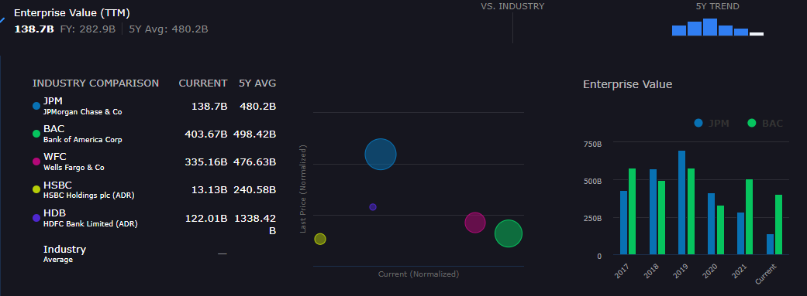
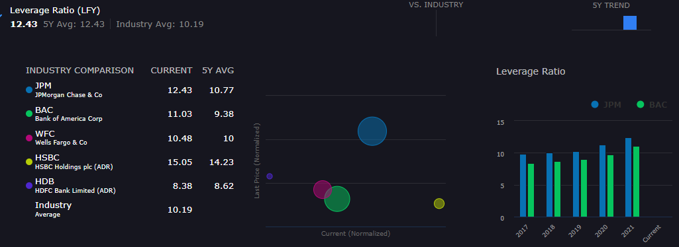
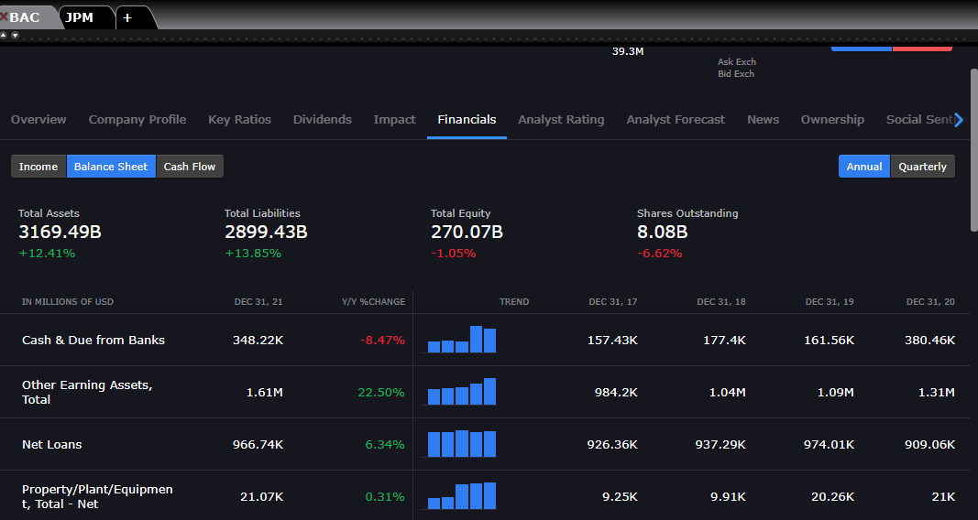
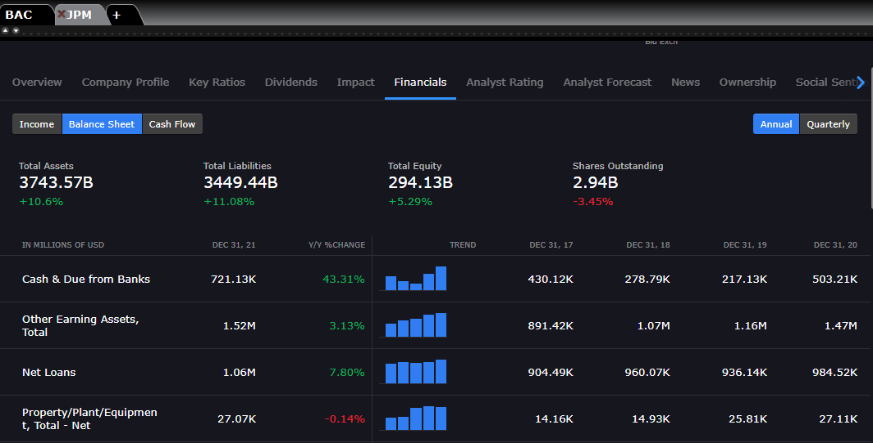
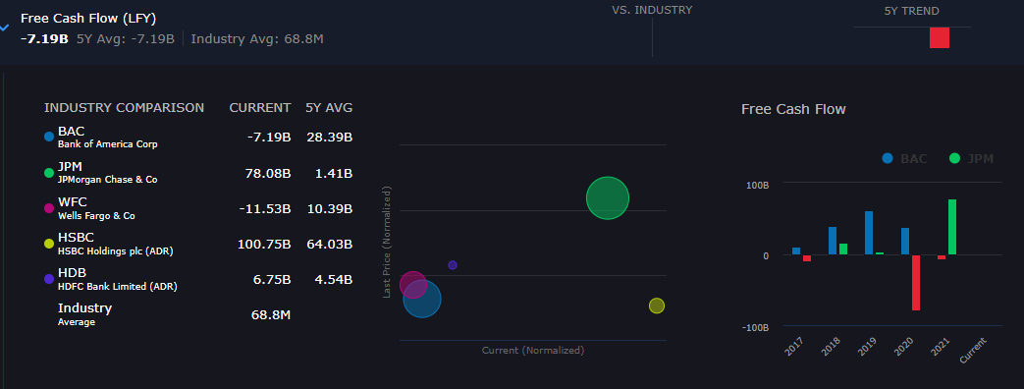
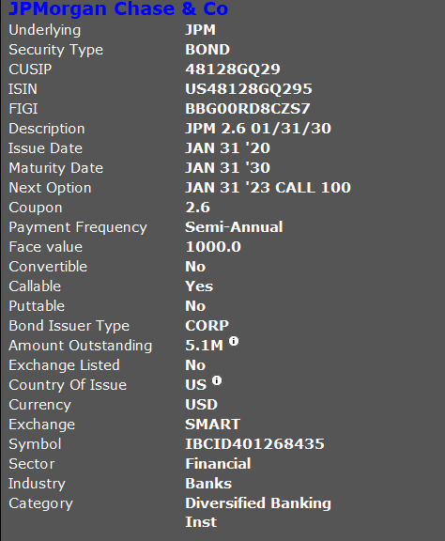
https://cbonds.com/company/811/

ISIN | US48128GQ295

https://cbonds.com/bonds/899583/

US Market Projections
 |  | Date | 1 Month USD LIBOR Forward Curve | 1 Month Term SOFR Forward Curve | 3 Month Term SOFR Forward Curve | US Treasury 5Y Forward Curve
 |  | 2022-11-09 | 3.88% | 3.85% | 4.20% | 4.32%
 |  | 2022-12-09 | 4.42% | 4.21% | 4.50% | 4.33%
 |  | 2023-01-09 | 4.84% | 4.47% | 4.73% | 4.33%
 |  | 2023-02-09 | 5.13% | 4.78% | 4.91% | 4.31%
 |  | 2023-03-09 | 5.27% | 4.88% | 5.01% | 4.30%
US Market Projections |  | 2023-04-10 | 5.31% | 5.01% | 5.08% | 4.28%
11/4/2022 |  | 2023-05-09 | 5.29% | 5.09% | 5.09% | 4.27%
 |  | 2023-06-09 | 5.25% | 5.06% | 5.08% | 4.25%
US Market Projections
 | 1 Month USD LIBOR Forward Curve | 1 Month Term SOFR Forward Curve | 3 Month Term SOFR Forward Curve | US Treasury 5Y Forward Curve | US Treasury 7Y Forward Curve | US Treasury 10Y Forward Curve
11/9/2022 | 3.88% | 3.85% | 4.20% | 4.32% | 4.25% | 4.17%
12/9/2022 | 4.42% | 4.21% | 4.50% | 4.33% | 4.26% | 4.18%
1/9/2023 | 4.84% | 4.47% | 4.73% | 4.33% | 4.25% | 4.18%
2/9/2023 | 5.13% | 4.78% | 4.91% | 4.31% | 4.24% | 4.17%
3/9/2023 | 5.27% | 4.88% | 5.01% | 4.30% | 4.23% | 4.17%
4/10/2023 | 5.31% | 5.01% | 5.08% | 4.28% | 4.21% | 4.16%
5/9/2023 | 5.29% | 5.09% | 5.09% | 4.27% | 4.20% | 4.15%
6/9/2023 | 5.25% | 5.06% | 5.08% | 4.25% | 4.18% | 4.15%
7/10/2023 | 5.21% | 5.05% | 5.05% | 4.23% | 4.17% | 4.14%
8/9/2023 | 5.18% | 5.05% | 5.01% | 4.22% | 4.16% | 4.13%
9/11/2023 | 5.14% | 4.97% | 4.96% | 4.20% | 4.14% | 4.13%
10/9/2023 | 5.10% | 4.93% | 4.91% | 4.19% | 4.13% | 4.13%
11/9/2023 | 5.05% | 4.93% | 4.85% | 4.17% | 4.12% | 4.12%
12/11/2023 | 4.97% | 4.80% | 4.78% | 4.16% | 4.11% | 4.12%
1/9/2024 | 4.89% | 4.74% | 4.72% | 4.15% | 4.10% | 4.12%
2/9/2024 | 4.80% | 4.74% | 4.64% | 4.14% | 4.09% | 4.12%
3/11/2024 | 4.69% | 4.62% | 4.52% | 4.13% | 4.08% | 4.12%
4/9/2024 | 4.59% | 4.50% | 4.43% | 4.12% | 4.07% | 4.12%
5/9/2024 | 4.48% | 4.41% | 4.35% | 4.12% | 4.06% | 4.12%
6/10/2024 | 4.38% | 4.33% | 4.27% | 4.11% | 4.05% | 4.12%
7/9/2024 | 4.29% | 4.26% | 4.21% | 4.10% | 4.04% | 4.12%
8/9/2024 | 4.21% | 4.19% | 4.15% | 4.09% | 4.03% | 4.12%
9/9/2024 | 4.15% | 4.14% | 4.11% | 4.08% | 4.03% | 4.12%
10/9/2024 | 4.10% | 4.09% | 4.07% | 4.07% | 4.02% | 4.12%
11/11/2024 | 4.06% | 4.05% | 4.02% | 4.06% | 4.01% | 4.12%
12/9/2024 | 4.03% | 4.01% | 3.99% | 4.05% | 4.00% | 4.12%
1/9/2025 | 4.00% | 3.97% | 3.95% | 4.04% | 4.00% | 4.13%
2/10/2025 | 3.97% | 3.94% | 3.92% | 4.03% | 3.99% | 4.13%
3/10/2025 | 3.95% | 3.90% | 3.88% | 4.02% | 3.98% | 4.13%
4/9/2025 | 3.93% | 3.87% | 3.85% | 4.01% | 3.98% | 4.13%
5/9/2025 | 3.90% | 3.84% | 3.82% | 4.00% | 3.97% | 4.13%
6/9/2025 | 3.88% | 3.81% | 3.79% | 3.99% | 3.97% | 4.14%
7/9/2025 | 3.85% | 3.78% | 3.76% | 3.98% | 3.96% | 4.14%
8/11/2025 | 3.83% | 3.75% | 3.73% | 3.97% | 3.96% | 4.14%
9/9/2025 | 3.81% | 3.72% | 3.71% | 3.96% | 3.96% | 4.15%
10/9/2025 | 3.78% | 3.70% | 3.68% | 3.95% | 3.95% | 4.15%
11/10/2025 | 3.76% | 3.67% | 3.66% | 3.95% | 3.95% | 4.16%
12/9/2025 | 3.74% | 3.65% | 3.64% | 3.94% | 3.96% | 4.17%
1/9/2026 | 3.72% | 3.63% | 3.62% | 3.93% | 3.96% | 4.17%
2/9/2026 | 3.71% | 3.61% | 3.60% | 3.93% | 3.96% | 4.18%
3/9/2026 | 3.69% | 3.59% | 3.58% | 3.93% | 3.96% | 4.19%
4/9/2026 | 3.68% | 3.57% | 3.56% | 3.93% | 3.97% | 4.20%
5/11/2026 | 3.67% | 3.55% | 3.54% | 3.92% | 3.97% | 4.21%
6/9/2026 | 3.66% | 3.53% | 3.53% | 3.92% | 3.98% | 4.22%
7/9/2026 | 3.65% | 3.52% | 3.52% | 3.92% | 3.98% | 4.23%
8/10/2026 | 3.64% | 3.51% | 3.50% | 3.92% | 3.99% | 4.24%
9/9/2026 | 3.63% | 3.49% | 3.49% | 3.92% | 4.00% | 4.25%
10/9/2026 | 3.63% | 3.48% | 3.48% | 3.92% | 4.01% | 4.26%
11/9/2026 | 3.62% | 3.47% | 3.48% | 3.93% | 4.02% | 4.27%
12/9/2026 | 3.62% | 3.47% | 3.47% | 3.93% | 4.03% | 4.28%
...
 |  | 2023-07-10 | 5.21% | 5.05% | 5.05% | 4.23%
 |  | 2023-08-09 | 5.18% | 5.05% | 5.01% | 4.22%
 |  | 2023-09-11 | 5.14% | 4.97% | 4.96% | 4.20%
 |  | 2023-10-09 | 5.10% | 4.93% | 4.91% | 4.19%
 |  | 2023-11-09 | 5.05% | 4.93% | 4.85% | 4.17%
 |  | 2023-12-11 | 4.97% | 4.80% | 4.78% | 4.16%
 |  | 2024-01-09 | 4.89% | 4.74% | 4.72% | 4.15%
 |  | 2024-02-09 | 4.80% | 4.74% | 4.64% | 4.14%
 |  | 2024-03-11 | 4.69% | 4.62% | 4.52% | 4.13%
 |  | 2024-04-09 | 4.59% | 4.50% | 4.43% | 4.12%
 |  | 2024-05-09 | 4.48% | 4.41% | 4.35% | 4.12%
 |  | 2024-06-10 | 4.38% | 4.33% | 4.27% | 4.11%
 |  | 2024-07-09 | 4.29% | 4.26% | 4.21% | 4.10%
 |  | 2024-08-09 | 4.21% | 4.19% | 4.15% | 4.09%
 |  | 2024-09-09 | 4.15% | 4.14% | 4.11% | 4.08%
 |  | 2024-10-09 | 4.10% | 4.09% | 4.07% | 4.07%
 |  | 2024-11-11 | 4.06% | 4.05% | 4.02% | 4.06%
 |  | 2024-12-09 | 4.03% | 4.01% | 3.99% | 4.05%
 |  | 2025-01-09 | 4.00% | 3.97% | 3.95% | 4.04%
 |  | 2025-02-10 | 3.97% | 3.94% | 3.92% | 4.03%
 |  | 2025-03-10 | 3.95% | 3.90% | 3.88% | 4.02%
 |  | 2025-04-09 | 3.93% | 3.87% | 3.85% | 4.01%
 |  | 2025-05-09 | 3.90% | 3.84% | 3.82% | 4.00%
 |  | 2025-06-09 | 3.88% | 3.81% | 3.79% | 3.99%
For the latest rates, please visit: | https://www.chathamfinancial.com/technology/us-forward-curves | 2025-07-09 | 3.85% | 3.78% | 3.76% | 3.98%
 |  | 2025-08-11 | 3.83% | 3.75% | 3.73% | 3.97%
ICE BENCHMARK ADMINISTRATION LIMITED MAKES NO WARRANTY, EXPRESS OR IMPLIED, EITHER AS TO THE RESULTS TO BE OBTAINED FROM THE USE OF ICE LIBOR AND/OR THE FIGURE AT WHICH ICE LIBOR STANDS AT ANY PARTICULAR TIME ON ANY PARTICULAR DAY OR OTHERWISE. ICE BENCHMARK ADMINISTRATION LIMITED MAKES NO EXPRESS OR IMPLIED WARRANTIES OF MERCHANTABILITY OR FITNESS FOR A PARTICULAR PURPOSE IN RESPECT OF ANY USE OF ICE LIBOR. |  | 2025-09-09 | 3.81% | 3.72% | 3.71% | 3.96%
 |  | 2025-10-09 | 3.78% | 3.70% | 3.68% | 3.95%
 |  | 2025-11-10 | 3.76% | 3.67% | 3.66% | 3.95%
 |  | 2025-12-09 | 3.74% | 3.65% | 3.64% | 3.94%
 |  | 2026-01-09 | 3.72% | 3.63% | 3.62% | 3.93%
 |  | 2026-02-09 | 3.71% | 3.61% | 3.60% | 3.93%
 |  | 2026-03-09 | 3.69% | 3.59% | 3.58% | 3.93%
...

1 Month USD LIBOR Forward Curve
 |  | Date | 1 Month USD LIBOR Forward Curve
 |  | 2022-11-09 | 3.88%
 |  | 2022-12-09 | 4.42%
 |  | 2023-01-09 | 4.84%
 |  | 2023-02-09 | 5.13%
 |  | 2023-03-09 | 5.27%
1 Month USD LIBOR Forward Curve |  | 2023-04-10 | 5.31%
11/4/2022 |  | 2023-05-09 | 5.29%
 |  | 2023-06-09 | 5.25%
1 Month USD LIBOR Forward Curve
 | 1 Month USD LIBOR Forward Curve
11/9/2022 | 3.88%
12/9/2022 | 4.42%
1/9/2023 | 4.84%
2/9/2023 | 5.13%
3/9/2023 | 5.27%
4/10/2023 | 5.31%
5/9/2023 | 5.29%
6/9/2023 | 5.25%
7/10/2023 | 5.21%
8/9/2023 | 5.18%
9/11/2023 | 5.14%
10/9/2023 | 5.10%
11/9/2023 | 5.05%
12/11/2023 | 4.97%
1/9/2024 | 4.89%
2/9/2024 | 4.80%
3/11/2024 | 4.69%
4/9/2024 | 4.59%
5/9/2024 | 4.48%
6/10/2024 | 4.38%
7/9/2024 | 4.29%
8/9/2024 | 4.21%
9/9/2024 | 4.15%
10/9/2024 | 4.10%
11/11/2024 | 4.06%
12/9/2024 | 4.03%
1/9/2025 | 4.00%
2/10/2025 | 3.97%
3/10/2025 | 3.95%
4/9/2025 | 3.93%
5/9/2025 | 3.90%
6/9/2025 | 3.88%
7/9/2025 | 3.85%
8/11/2025 | 3.83%
9/9/2025 | 3.81%
10/9/2025 | 3.78%
11/10/2025 | 3.76%
12/9/2025 | 3.74%
1/9/2026 | 3.72%
2/9/2026 | 3.71%
3/9/2026 | 3.69%
4/9/2026 | 3.68%
5/11/2026 | 3.67%
6/9/2026 | 3.66%
7/9/2026 | 3.65%
8/10/2026 | 3.64%
9/9/2026 | 3.63%
10/9/2026 | 3.63%
11/9/2026 | 3.62%
12/9/2026 | 3.62%
...
 |  | 2023-07-10 | 5.21%
 |  | 2023-08-09 | 5.18%
 |  | 2023-09-11 | 5.14%
 |  | 2023-10-09 | 5.10%
 |  | 2023-11-09 | 5.05%
 |  | 2023-12-11 | 4.97%
 |  | 2024-01-09 | 4.89%
 |  | 2024-02-09 | 4.80%
 |  | 2024-03-11 | 4.69%
 |  | 2024-04-09 | 4.59%
 |  | 2024-05-09 | 4.48%
 |  | 2024-06-10 | 4.38%
 |  | 2024-07-09 | 4.29%
 |  | 2024-08-09 | 4.21%
 |  | 2024-09-09 | 4.15%
 |  | 2024-10-09 | 4.10%
 |  | 2024-11-11 | 4.06%
 |  | 2024-12-09 | 4.03%
 |  | 2025-01-09 | 4.00%
 |  | 2025-02-10 | 3.97%
 |  | 2025-03-10 | 3.95%
 |  | 2025-04-09 | 3.93%
 |  | 2025-05-09 | 3.90%
 |  | 2025-06-09 | 3.88%
For the latest rates, please visit: | https://www.chathamfinancial.com/technology/us-forward-curves | 2025-07-09 | 3.85%
 |  | 2025-08-11 | 3.83%
ICE BENCHMARK ADMINISTRATION LIMITED MAKES NO WARRANTY, EXPRESS OR IMPLIED, EITHER AS TO THE RESULTS TO BE OBTAINED FROM THE USE OF ICE LIBOR AND/OR THE FIGURE AT WHICH ICE LIBOR STANDS AT ANY PARTICULAR TIME ON ANY PARTICULAR DAY OR OTHERWISE. ICE BENCHMARK ADMINISTRATION LIMITED MAKES NO EXPRESS OR IMPLIED WARRANTIES OF MERCHANTABILITY OR FITNESS FOR A PARTICULAR PURPOSE IN RESPECT OF ANY USE OF ICE LIBOR. |  | 2025-09-09 | 3.81%
 |  | 2025-10-09 | 3.78%
 |  | 2025-11-10 | 3.76%
 |  | 2025-12-09 | 3.74%
 |  | 2026-01-09 | 3.72%
 |  | 2026-02-09 | 3.71%
 |  | 2026-03-09 | 3.69%
...

1 Month Term SOFR Forward Curve
 |  | Date | 1 Month Term SOFR Forward Curve
 |  | 2022-11-09 | 3.85%
 |  | 2022-12-09 | 4.21%
 |  | 2023-01-09 | 4.47%
 |  | 2023-02-09 | 4.78%
 |  | 2023-03-09 | 4.88%
1 Month Term SOFR Forward Curve |  | 2023-04-10 | 5.01%
11/4/2022 |  | 2023-05-09 | 5.09%
 |  | 2023-06-09 | 5.06%
1 Month Term SOFR Forward Curve
 | 1 Month Term SOFR Forward Curve
11/9/2022 | 3.85%
12/9/2022 | 4.21%
1/9/2023 | 4.47%
2/9/2023 | 4.78%
3/9/2023 | 4.88%
4/10/2023 | 5.01%
5/9/2023 | 5.09%
6/9/2023 | 5.06%
7/10/2023 | 5.05%
8/9/2023 | 5.05%
9/11/2023 | 4.97%
10/9/2023 | 4.93%
11/9/2023 | 4.93%
12/11/2023 | 4.80%
1/9/2024 | 4.74%
2/9/2024 | 4.74%
3/11/2024 | 4.62%
4/9/2024 | 4.50%
5/9/2024 | 4.41%
6/10/2024 | 4.33%
7/9/2024 | 4.26%
8/9/2024 | 4.19%
9/9/2024 | 4.14%
10/9/2024 | 4.09%
11/11/2024 | 4.05%
12/9/2024 | 4.01%
1/9/2025 | 3.97%
2/10/2025 | 3.94%
3/10/2025 | 3.90%
4/9/2025 | 3.87%
5/9/2025 | 3.84%
6/9/2025 | 3.81%
7/9/2025 | 3.78%
8/11/2025 | 3.75%
9/9/2025 | 3.72%
10/9/2025 | 3.70%
11/10/2025 | 3.67%
12/9/2025 | 3.65%
1/9/2026 | 3.63%
2/9/2026 | 3.61%
3/9/2026 | 3.59%
4/9/2026 | 3.57%
5/11/2026 | 3.55%
6/9/2026 | 3.53%
7/9/2026 | 3.52%
8/10/2026 | 3.51%
9/9/2026 | 3.49%
10/9/2026 | 3.48%
11/9/2026 | 3.47%
12/9/2026 | 3.47%
...
 |  | 2023-07-10 | 5.05%
 |  | 2023-08-09 | 5.05%
 |  | 2023-09-11 | 4.97%
 |  | 2023-10-09 | 4.93%
 |  | 2023-11-09 | 4.93%
 |  | 2023-12-11 | 4.80%
 |  | 2024-01-09 | 4.74%
 |  | 2024-02-09 | 4.74%
 |  | 2024-03-11 | 4.62%
 |  | 2024-04-09 | 4.50%
 |  | 2024-05-09 | 4.41%
 |  | 2024-06-10 | 4.33%
 |  | 2024-07-09 | 4.26%
 |  | 2024-08-09 | 4.19%
 |  | 2024-09-09 | 4.14%
 |  | 2024-10-09 | 4.09%
 |  | 2024-11-11 | 4.05%
 |  | 2024-12-09 | 4.01%
 |  | 2025-01-09 | 3.97%
 |  | 2025-02-10 | 3.94%
 |  | 2025-03-10 | 3.90%
 |  | 2025-04-09 | 3.87%
 |  | 2025-05-09 | 3.84%
 |  | 2025-06-09 | 3.81%
For the latest rates, please visit: | https://www.chathamfinancial.com/technology/us-forward-curves | 2025-07-09 | 3.78%
 |  | 2025-08-11 | 3.75%
 |  | 2025-09-09 | 3.72%
 |  | 2025-10-09 | 3.70%
 |  | 2025-11-10 | 3.67%
 |  | 2025-12-09 | 3.65%
 |  | 2026-01-09 | 3.63%
 |  | 2026-02-09 | 3.61%
 |  | 2026-03-09 | 3.59%
...

US Treasury 5Y Forward Curve
 |  | Date | US Treasury 5Y Forward Curve
 |  | 2022-11-09 | 4.32%
 |  | 2022-12-09 | 4.33%
 |  | 2023-01-09 | 4.33%
 |  | 2023-02-09 | 4.31%
 |  | 2023-03-09 | 4.30%
US Treasury 5Y Forward Curve |  | 2023-04-10 | 4.28%
11/4/2022 |  | 2023-05-09 | 4.27%
 |  | 2023-06-09 | 4.25%
US Treasury 5Y Forward Curve
 | US Treasury 5Y Forward Curve
11/9/2022 | 4.32%
12/9/2022 | 4.33%
1/9/2023 | 4.33%
2/9/2023 | 4.31%
3/9/2023 | 4.30%
4/10/2023 | 4.28%
5/9/2023 | 4.27%
6/9/2023 | 4.25%
7/10/2023 | 4.23%
8/9/2023 | 4.22%
9/11/2023 | 4.20%
10/9/2023 | 4.19%
11/9/2023 | 4.17%
12/11/2023 | 4.16%
1/9/2024 | 4.15%
2/9/2024 | 4.14%
3/11/2024 | 4.13%
4/9/2024 | 4.12%
5/9/2024 | 4.12%
6/10/2024 | 4.11%
7/9/2024 | 4.10%
8/9/2024 | 4.09%
9/9/2024 | 4.08%
10/9/2024 | 4.07%
11/11/2024 | 4.06%
12/9/2024 | 4.05%
1/9/2025 | 4.04%
2/10/2025 | 4.03%
3/10/2025 | 4.02%
4/9/2025 | 4.01%
5/9/2025 | 4.00%
6/9/2025 | 3.99%
7/9/2025 | 3.98%
8/11/2025 | 3.97%
9/9/2025 | 3.96%
10/9/2025 | 3.95%
11/10/2025 | 3.95%
12/9/2025 | 3.94%
1/9/2026 | 3.93%
2/9/2026 | 3.93%
3/9/2026 | 3.93%
4/9/2026 | 3.93%
5/11/2026 | 3.92%
6/9/2026 | 3.92%
7/9/2026 | 3.92%
8/10/2026 | 3.92%
9/9/2026 | 3.92%
10/9/2026 | 3.92%
11/9/2026 | 3.93%
12/9/2026 | 3.93%
...
 |  | 2023-07-10 | 4.23%
 |  | 2023-08-09 | 4.22%
 |  | 2023-09-11 | 4.20%
 |  | 2023-10-09 | 4.19%
 |  | 2023-11-09 | 4.17%
 |  | 2023-12-11 | 4.16%
 |  | 2024-01-09 | 4.15%
 |  | 2024-02-09 | 4.14%
 |  | 2024-03-11 | 4.13%
 |  | 2024-04-09 | 4.12%
 |  | 2024-05-09 | 4.12%
 |  | 2024-06-10 | 4.11%
 |  | 2024-07-09 | 4.10%
 |  | 2024-08-09 | 4.09%
 |  | 2024-09-09 | 4.08%
 |  | 2024-10-09 | 4.07%
 |  | 2024-11-11 | 4.06%
 |  | 2024-12-09 | 4.05%
 |  | 2025-01-09 | 4.04%
 |  | 2025-02-10 | 4.03%
 |  | 2025-03-10 | 4.02%
 |  | 2025-04-09 | 4.01%
 |  | 2025-05-09 | 4.00%
 |  | 2025-06-09 | 3.99%
For the latest rates, please visit: | https://www.chathamfinancial.com/technology/us-forward-curves | 2025-07-09 | 3.98%
 |  | 2025-08-11 | 3.97%
 |  | 2025-09-09 | 3.96%
 |  | 2025-10-09 | 3.95%
 |  | 2025-11-10 | 3.95%
 |  | 2025-12-09 | 3.94%
 |  | 2026-01-09 | 3.93%
 |  | 2026-02-09 | 3.93%
 |  | 2026-03-09 | 3.93%
...

US Treasury 7Y Forward Curve
 |  | Date | US Treasury 7Y Forward Curve
 |  | 2022-11-09 | 4.25%
 |  | 2022-12-09 | 4.26%
 |  | 2023-01-09 | 4.25%
 |  | 2023-02-09 | 4.24%
 |  | 2023-03-09 | 4.23%
US Treasury 7Y Forward Curve |  | 2023-04-10 | 4.21%
11/4/2022 |  | 2023-05-09 | 4.20%
 |  | 2023-06-09 | 4.18%
US Treasury 7Y Forward Curve
 | US Treasury 7Y Forward Curve
11/9/2022 | 4.25%
12/9/2022 | 4.26%
1/9/2023 | 4.25%
2/9/2023 | 4.24%
3/9/2023 | 4.23%
4/10/2023 | 4.21%
5/9/2023 | 4.20%
6/9/2023 | 4.18%
7/10/2023 | 4.17%
8/9/2023 | 4.16%
9/11/2023 | 4.14%
10/9/2023 | 4.13%
11/9/2023 | 4.12%
12/11/2023 | 4.11%
1/9/2024 | 4.10%
2/9/2024 | 4.09%
3/11/2024 | 4.08%
4/9/2024 | 4.07%
5/9/2024 | 4.06%
6/10/2024 | 4.05%
7/9/2024 | 4.04%
8/9/2024 | 4.03%
9/9/2024 | 4.03%
10/9/2024 | 4.02%
11/11/2024 | 4.01%
12/9/2024 | 4.00%
1/9/2025 | 4.00%
2/10/2025 | 3.99%
3/10/2025 | 3.98%
4/9/2025 | 3.98%
5/9/2025 | 3.97%
6/9/2025 | 3.97%
7/9/2025 | 3.96%
8/11/2025 | 3.96%
9/9/2025 | 3.96%
10/9/2025 | 3.95%
11/10/2025 | 3.95%
12/9/2025 | 3.96%
1/9/2026 | 3.96%
2/9/2026 | 3.96%
3/9/2026 | 3.96%
4/9/2026 | 3.97%
5/11/2026 | 3.97%
6/9/2026 | 3.98%
7/9/2026 | 3.98%
8/10/2026 | 3.99%
9/9/2026 | 4.00%
10/9/2026 | 4.01%
11/9/2026 | 4.02%
12/9/2026 | 4.03%
...
 |  | 2023-07-10 | 4.17%
 |  | 2023-08-09 | 4.16%
 |  | 2023-09-11 | 4.14%
 |  | 2023-10-09 | 4.13%
 |  | 2023-11-09 | 4.12%
 |  | 2023-12-11 | 4.11%
 |  | 2024-01-09 | 4.10%
 |  | 2024-02-09 | 4.09%
 |  | 2024-03-11 | 4.08%
 |  | 2024-04-09 | 4.07%
 |  | 2024-05-09 | 4.06%
 |  | 2024-06-10 | 4.05%
 |  | 2024-07-09 | 4.04%
 |  | 2024-08-09 | 4.03%
 |  | 2024-09-09 | 4.03%
 |  | 2024-10-09 | 4.02%
 |  | 2024-11-11 | 4.01%
 |  | 2024-12-09 | 4.00%
 |  | 2025-01-09 | 4.00%
 |  | 2025-02-10 | 3.99%
 |  | 2025-03-10 | 3.98%
 |  | 2025-04-09 | 3.98%
 |  | 2025-05-09 | 3.97%
 |  | 2025-06-09 | 3.97%
For the latest rates, please visit: | https://www.chathamfinancial.com/technology/us-forward-curves | 2025-07-09 | 3.96%
 |  | 2025-08-11 | 3.96%
 |  | 2025-09-09 | 3.96%
 |  | 2025-10-09 | 3.95%
 |  | 2025-11-10 | 3.95%
 |  | 2025-12-09 | 3.96%
 |  | 2026-01-09 | 3.96%
 |  | 2026-02-09 | 3.96%
 |  | 2026-03-09 | 3.96%
...

US Treasury 10Y Forward Curve
 |  | Date | US Treasury 10Y Forward Curve
 |  | 2022-11-09 | 4.17%
 |  | 2022-12-09 | 4.18%
 |  | 2023-01-09 | 4.18%
 |  | 2023-02-09 | 4.17%
 |  | 2023-03-09 | 4.17%
US Treasury 10Y Forward Curve |  | 2023-04-10 | 4.16%
11/4/2022 |  | 2023-05-09 | 4.15%
 |  | 2023-06-09 | 4.15%
US Treasury 10Y Forward Curve
 | US Treasury 10Y Forward Curve
11/9/2022 | 4.17%
12/9/2022 | 4.18%
1/9/2023 | 4.18%
2/9/2023 | 4.17%
3/9/2023 | 4.17%
4/10/2023 | 4.16%
5/9/2023 | 4.15%
6/9/2023 | 4.15%
7/10/2023 | 4.14%
8/9/2023 | 4.13%
9/11/2023 | 4.13%
10/9/2023 | 4.13%
11/9/2023 | 4.12%
12/11/2023 | 4.12%
1/9/2024 | 4.12%
2/9/2024 | 4.12%
3/11/2024 | 4.12%
4/9/2024 | 4.12%
5/9/2024 | 4.12%
6/10/2024 | 4.12%
7/9/2024 | 4.12%
8/9/2024 | 4.12%
9/9/2024 | 4.12%
10/9/2024 | 4.12%
11/11/2024 | 4.12%
12/9/2024 | 4.12%
1/9/2025 | 4.13%
2/10/2025 | 4.13%
3/10/2025 | 4.13%
4/9/2025 | 4.13%
5/9/2025 | 4.13%
6/9/2025 | 4.14%
7/9/2025 | 4.14%
8/11/2025 | 4.14%
9/9/2025 | 4.15%
10/9/2025 | 4.15%
11/10/2025 | 4.16%
12/9/2025 | 4.17%
1/9/2026 | 4.17%
2/9/2026 | 4.18%
3/9/2026 | 4.19%
4/9/2026 | 4.20%
5/11/2026 | 4.21%
6/9/2026 | 4.22%
7/9/2026 | 4.23%
8/10/2026 | 4.24%
9/9/2026 | 4.25%
10/9/2026 | 4.26%
11/9/2026 | 4.27%
12/9/2026 | 4.28%
...
 |  | 2023-07-10 | 4.14%
 |  | 2023-08-09 | 4.13%
 |  | 2023-09-11 | 4.13%
 |  | 2023-10-09 | 4.13%
 |  | 2023-11-09 | 4.12%
 |  | 2023-12-11 | 4.12%
 |  | 2024-01-09 | 4.12%
 |  | 2024-02-09 | 4.12%
 |  | 2024-03-11 | 4.12%
 |  | 2024-04-09 | 4.12%
 |  | 2024-05-09 | 4.12%
 |  | 2024-06-10 | 4.12%
 |  | 2024-07-09 | 4.12%
 |  | 2024-08-09 | 4.12%
 |  | 2024-09-09 | 4.12%
 |  | 2024-10-09 | 4.12%
 |  | 2024-11-11 | 4.12%
 |  | 2024-12-09 | 4.12%
 |  | 2025-01-09 | 4.13%
 |  | 2025-02-10 | 4.13%
 |  | 2025-03-10 | 4.13%
 |  | 2025-04-09 | 4.13%
 |  | 2025-05-09 | 4.13%
 |  | 2025-06-09 | 4.14%
For the latest rates, please visit: | https://www.chathamfinancial.com/technology/us-forward-curves | 2025-07-09 | 4.14%
 |  | 2025-08-11 | 4.14%
 |  | 2025-09-09 | 4.15%
 |  | 2025-10-09 | 4.15%
 |  | 2025-11-10 | 4.16%
 |  | 2025-12-09 | 4.17%
 |  | 2026-01-09 | 4.17%
 |  | 2026-02-09 | 4.18%
 |  | 2026-03-09 | 4.19%
...

