M6079_2_7_3_2_20C
M6079_2_7_3_2_20C
Ivcsel (mA) | S21 bw (GHz) | ea bw (GHz) | opt bw (GHz) | peaking opt (dB) |  | Ivcsel = 6mA
3.8 | 18.7 | 21.5 | 20.3 |  |  | blue=fitted S21 | red=parasitics response (EA)
4.8 | 20.2 | 21.5 | 22.8 | 1.6 |  | red=measured S21 | magenta=intrinsic optical response
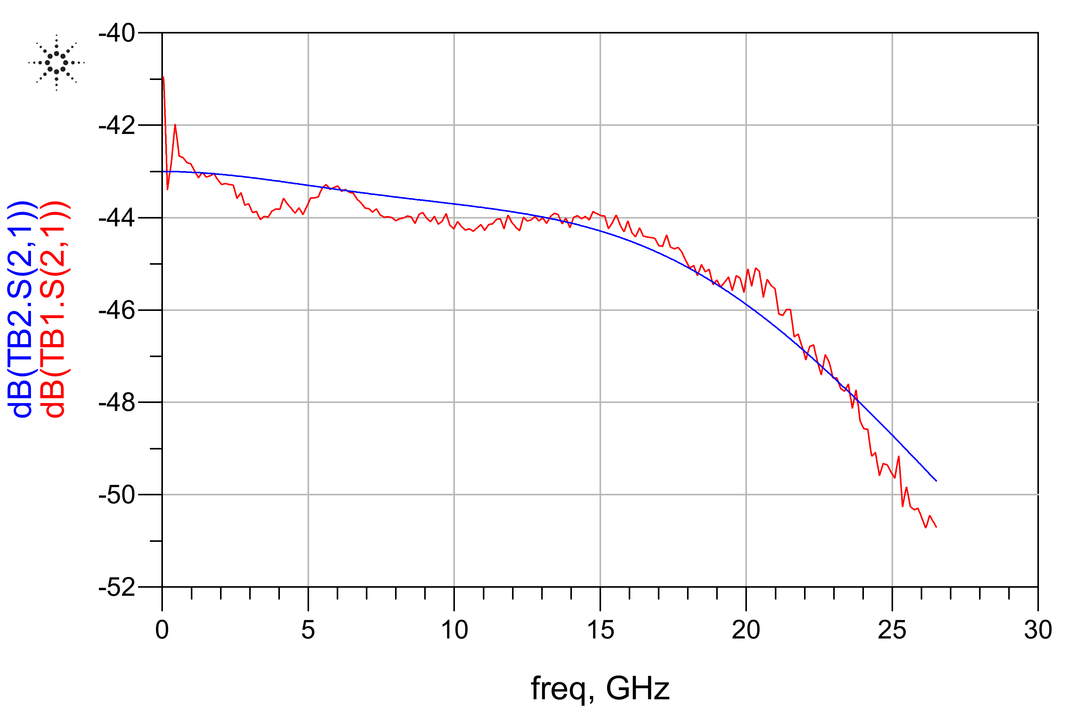
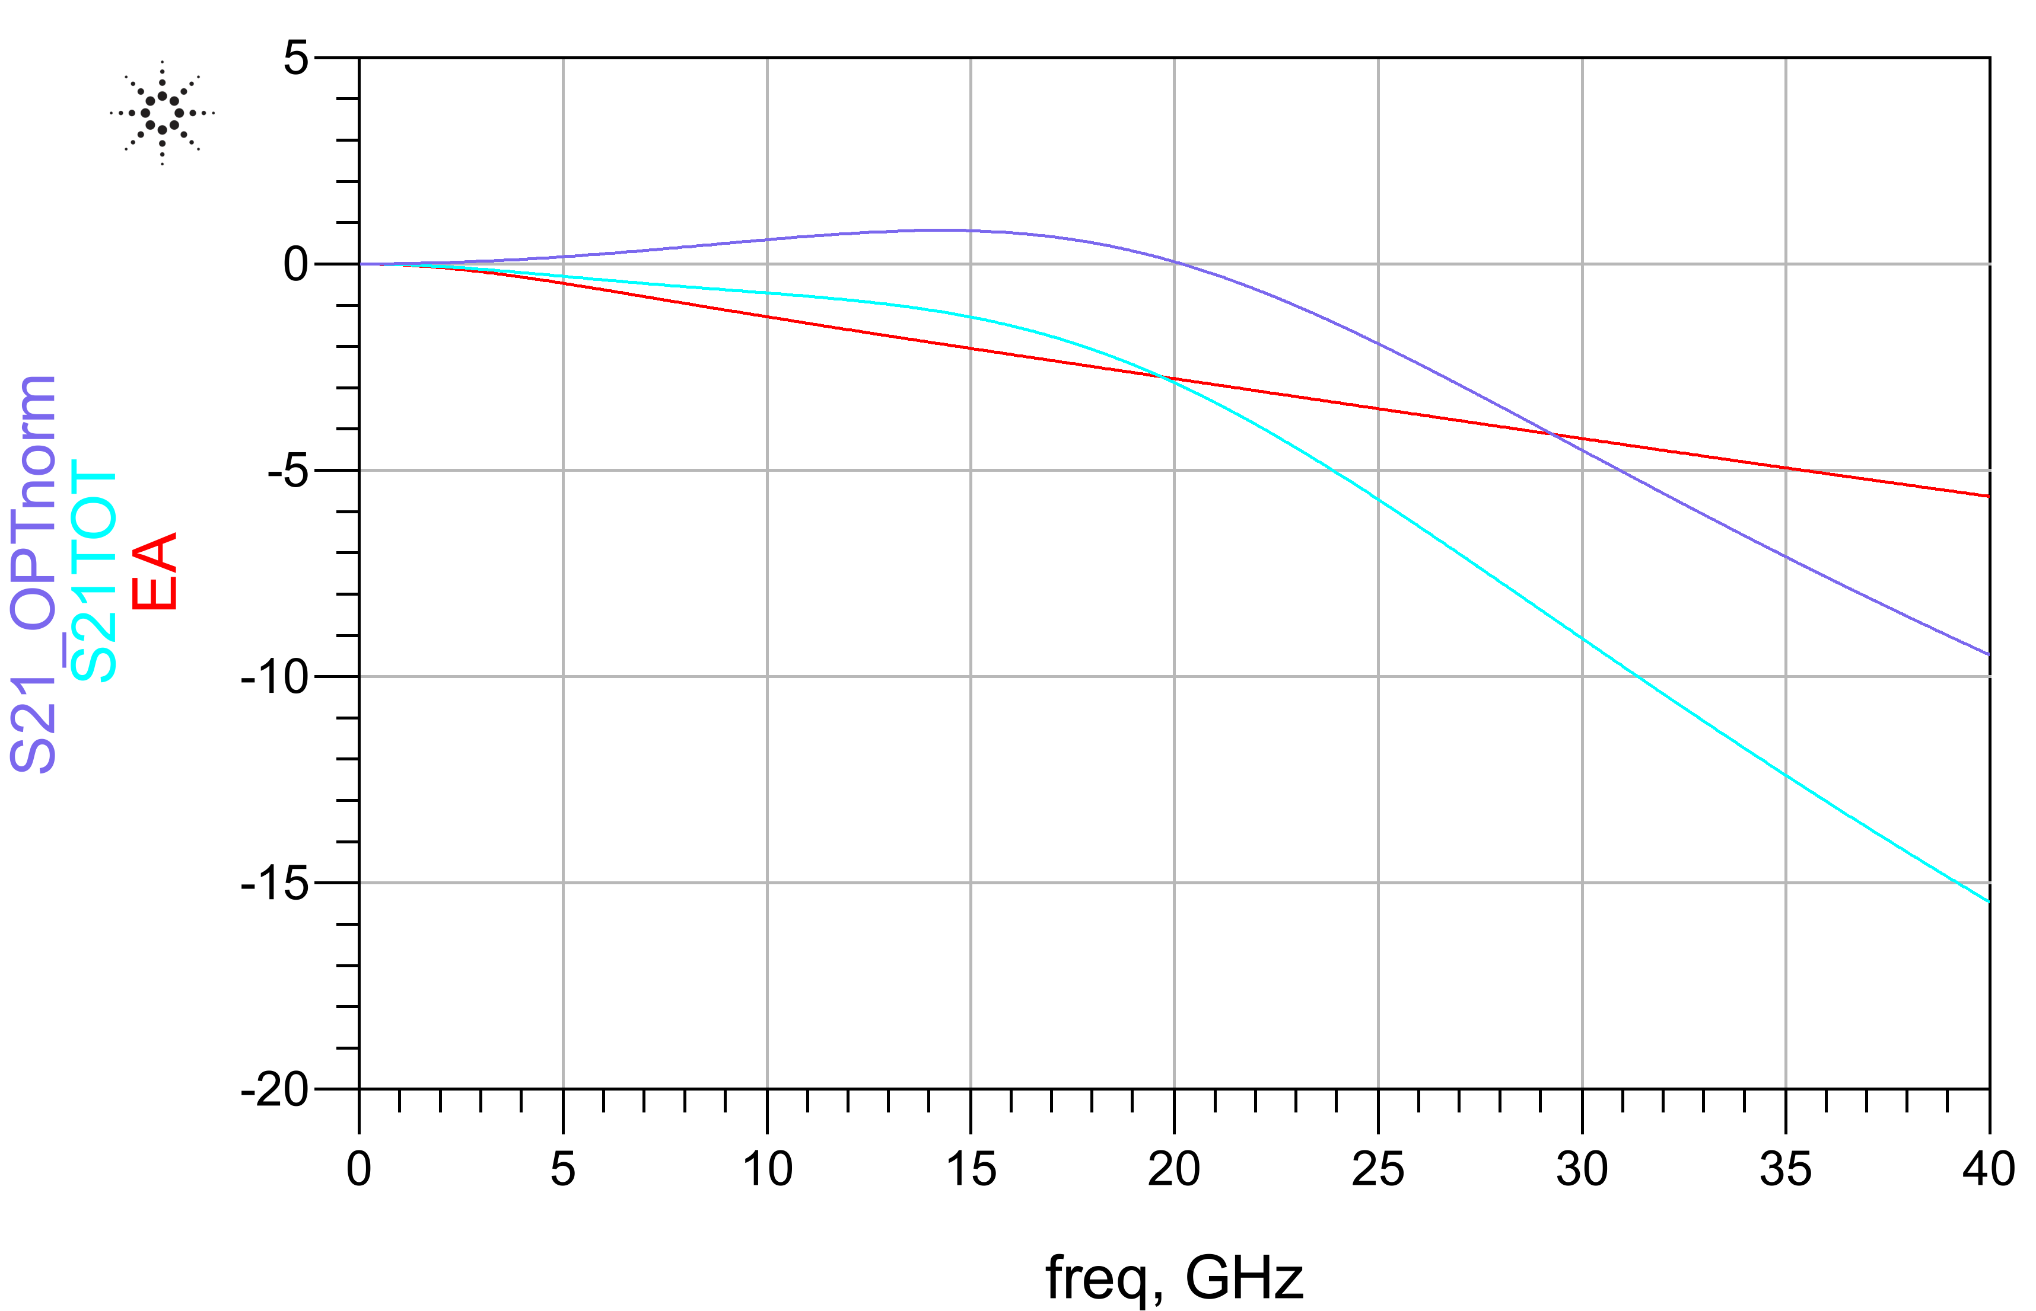
6 | 20.2 | 21.5 | 25.5 | 0.8 |  |  | cyan=total S21 fitted response
7.4 | 20.4 | 21.5 | 25.8 | 0.7
9 | 19.6 | 21.5 | 24 | 0.7

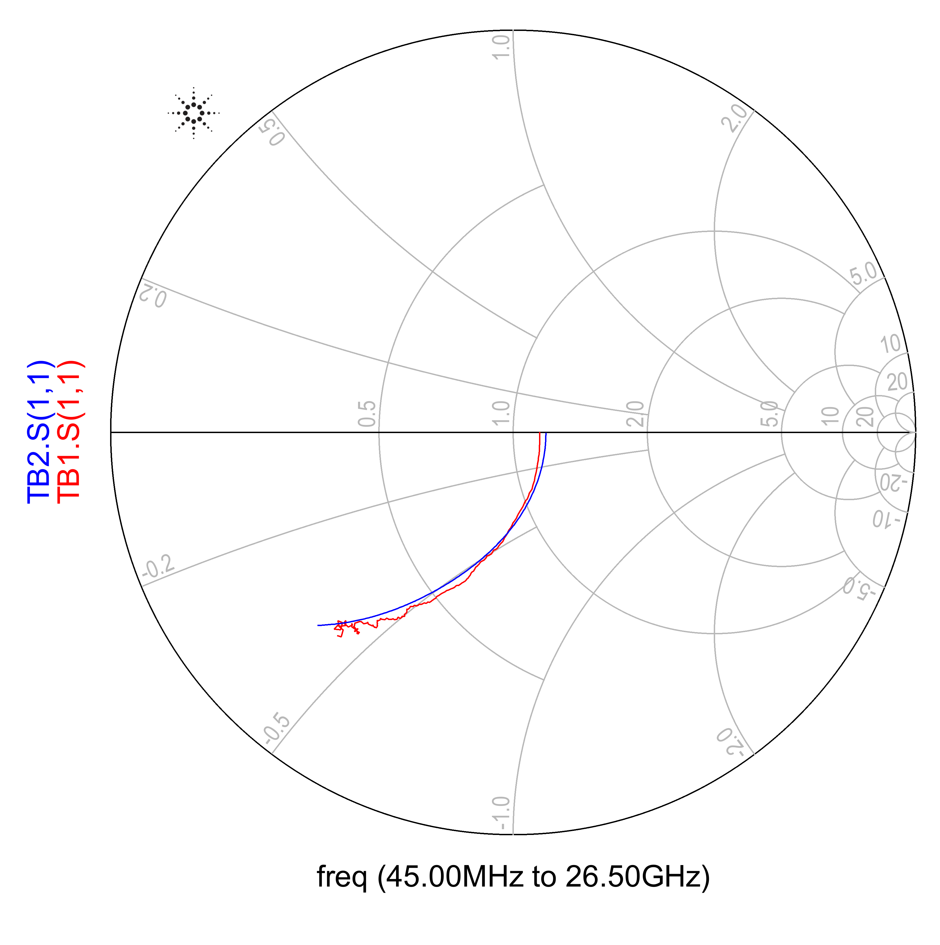

 |  |  |  |  | EA_TUM=electrical parasitics network |  |  | VCSEL_TUM=E/O model

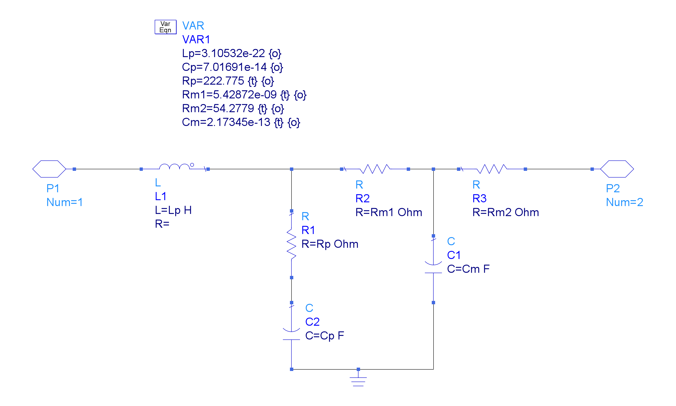
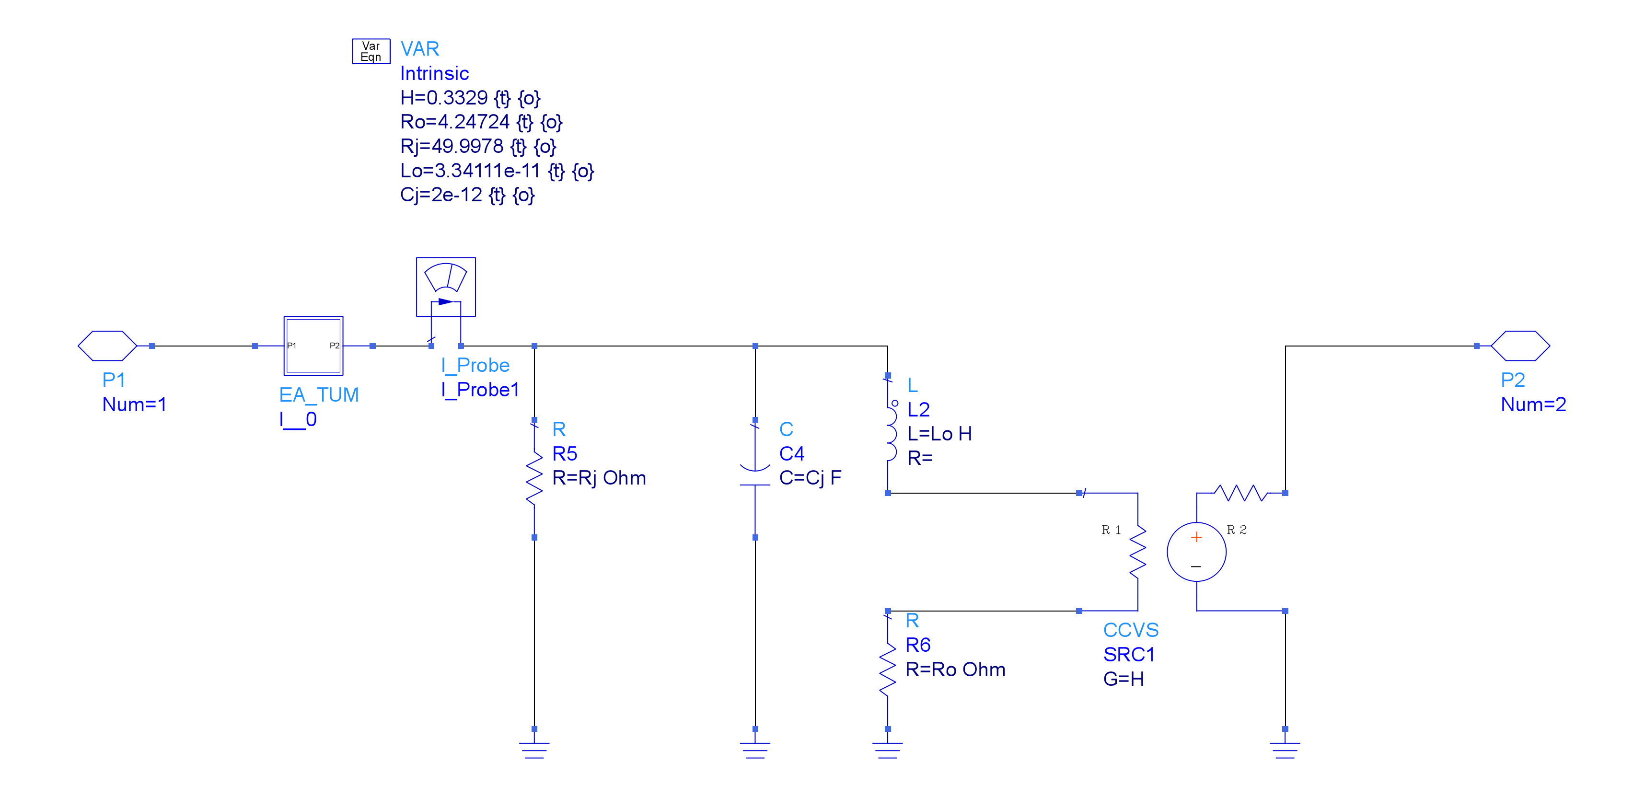

 |  |  |  |  |  |  |  | P2 is optical output port of VCSEL, proportional to current through L2

M5400_2_7_14_5__9_75mA_22C
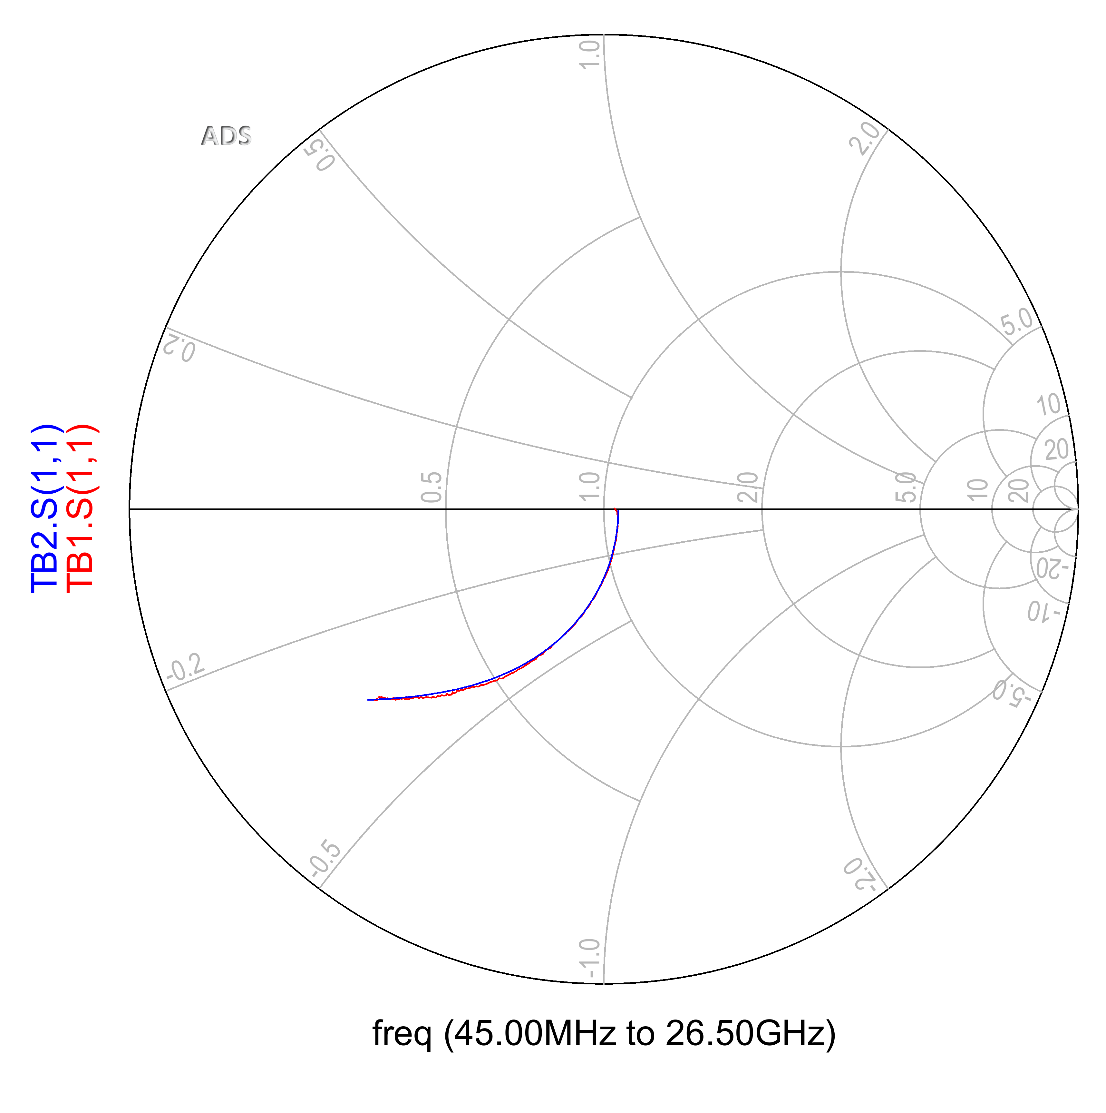

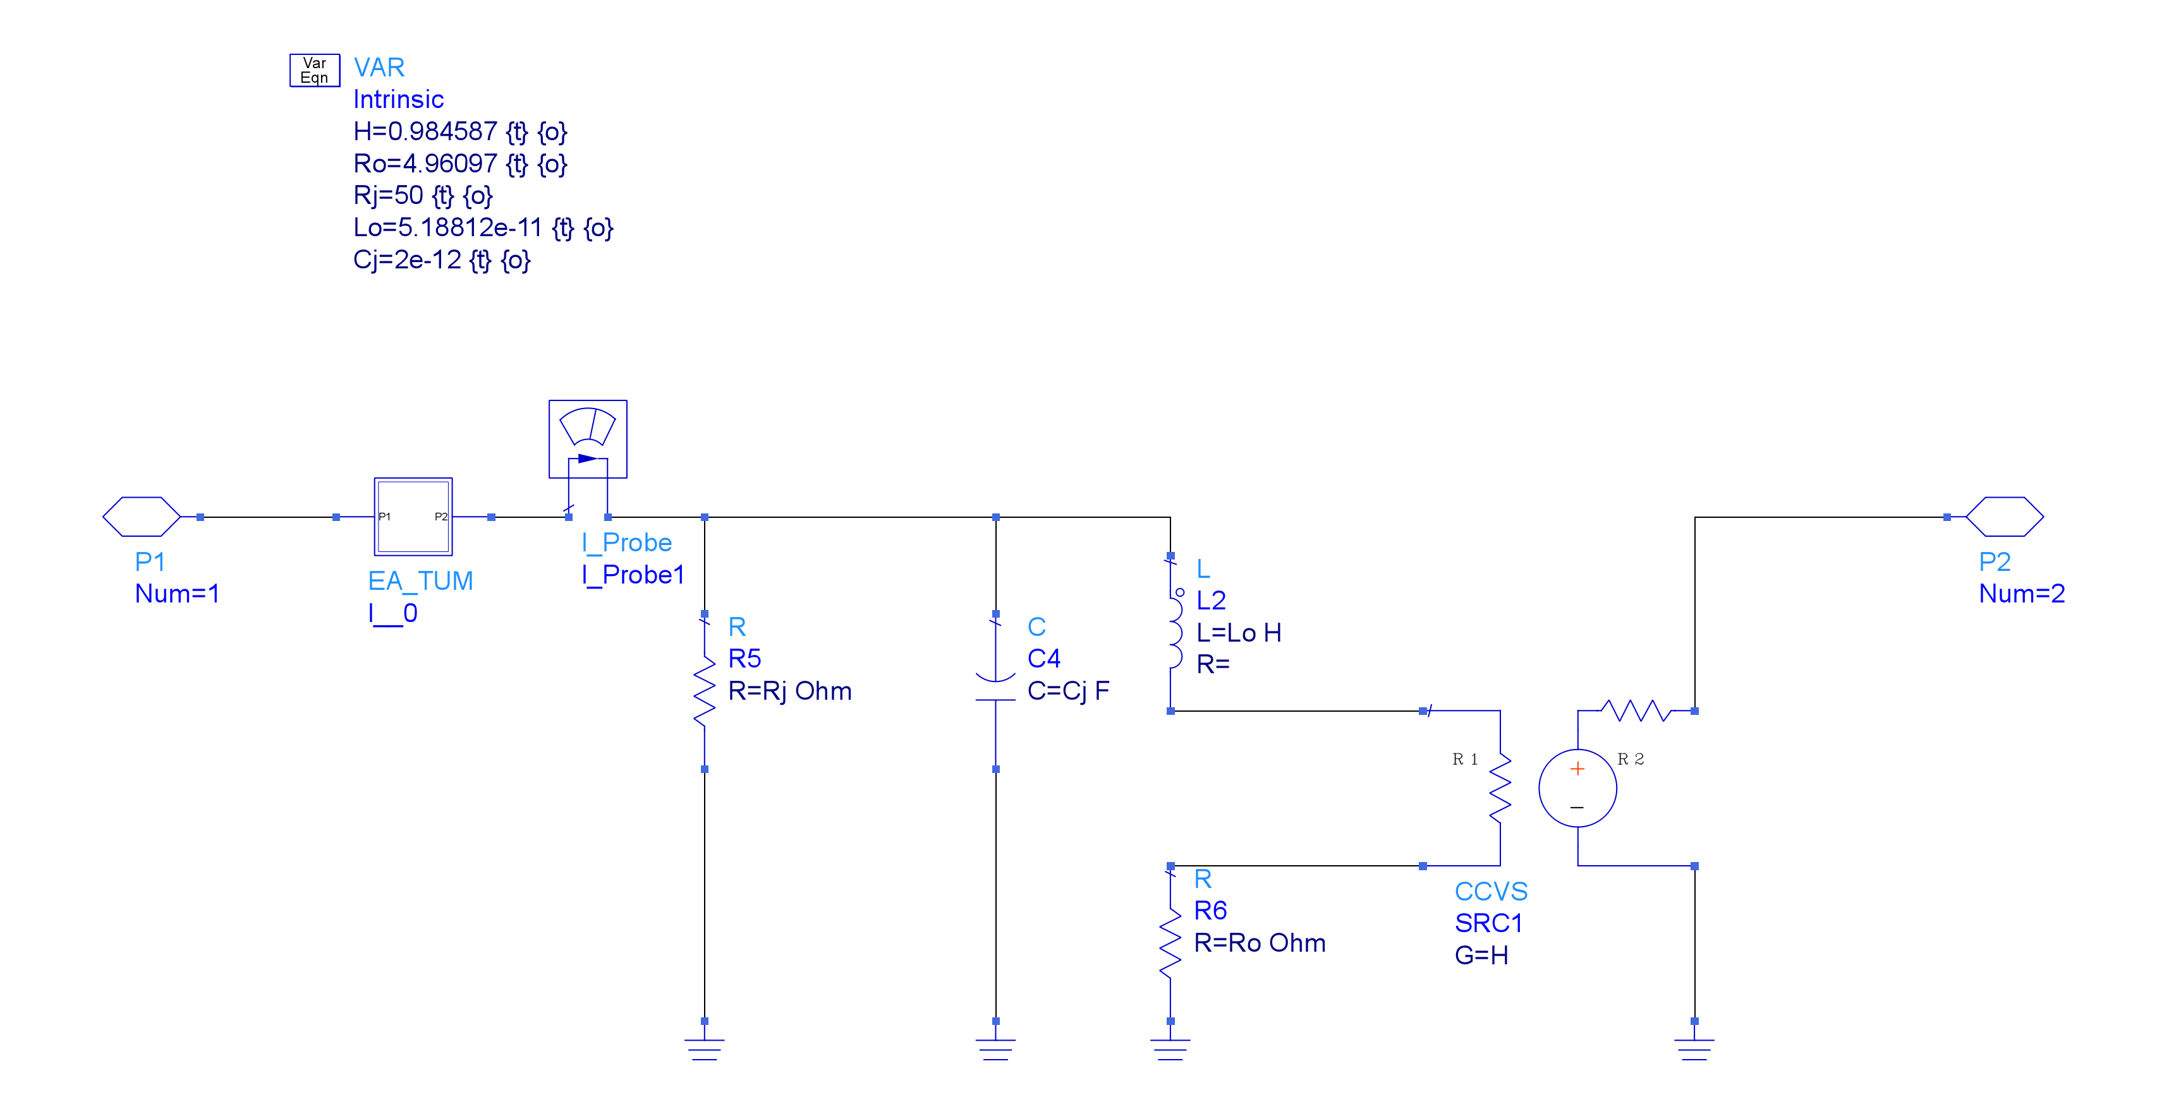
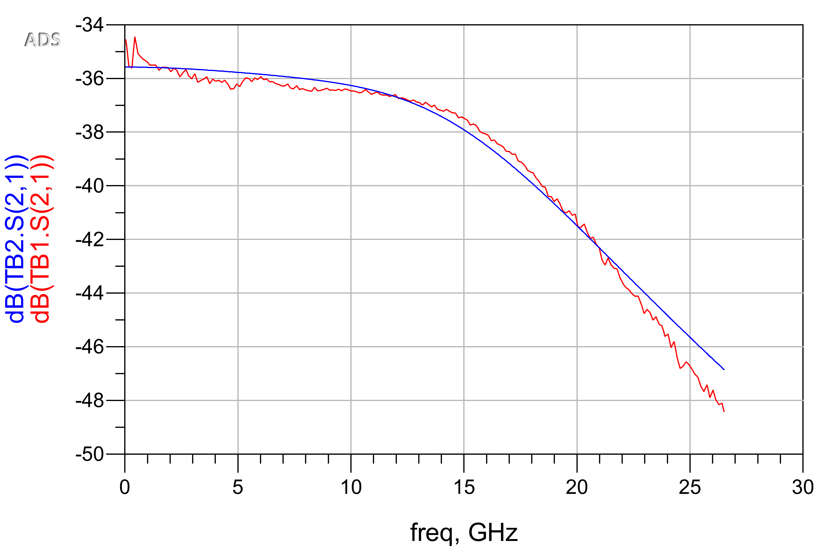
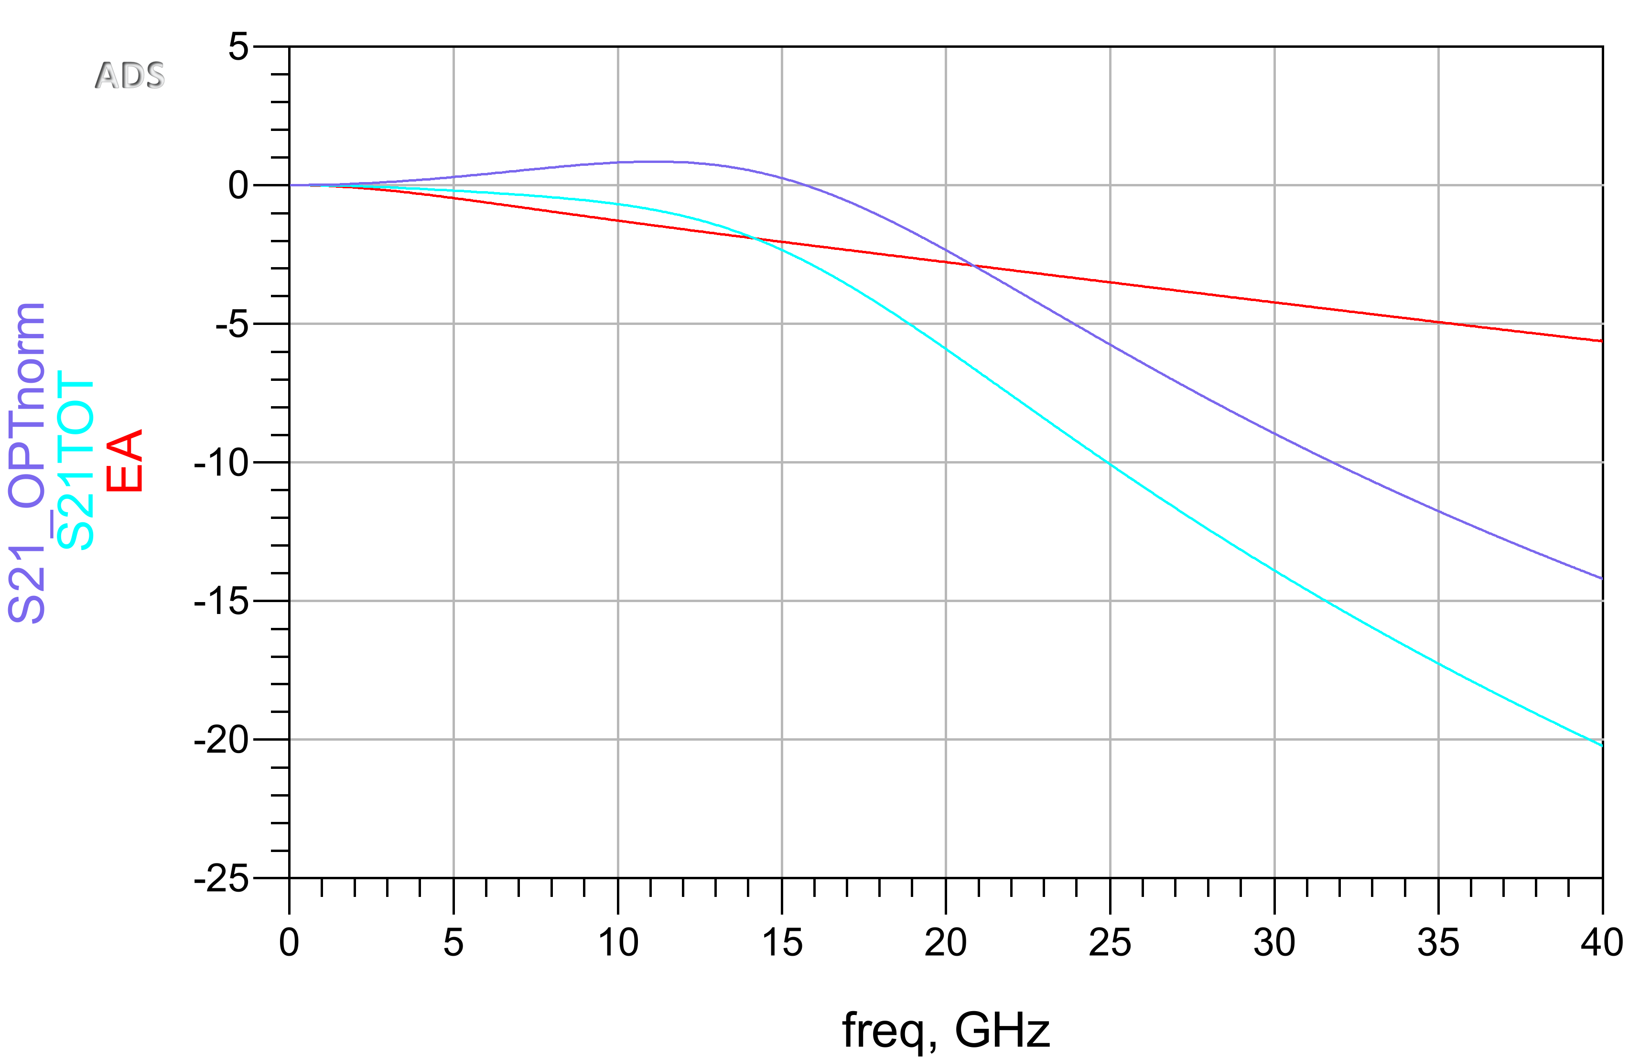
M5400_2_7_14_5__9_75mA_22C
Ivcsel (mA) | S21 bw (GHz) | ea bw (GHz) | opt bw (GHz) | peaking opt (dB)
9.75 | 16.1 | 21.5 | 19.6 | 0.85

