Sheet1
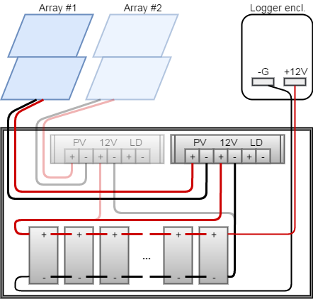
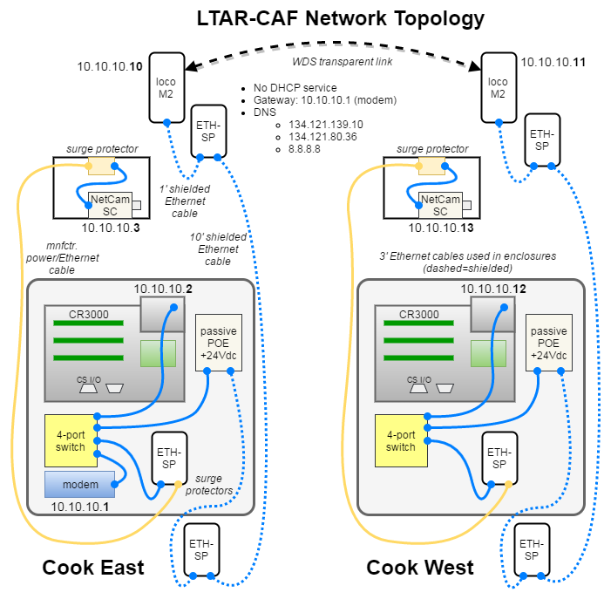
Datalogger Wiring Table
Description | Channel | Color | CR3000 | Description | Channel | Color | CR3000
Anemometer/IRGA control box (EC100) | SDM data | green | SDM-C1 | GPS receiver (GPS16X-HVS) | msg trasmit (TX) | white | COM 2 Rx
 | SDM clock | white | SDM-C2 |  | PPS | gray | COM 2 Tx
 | SDM enable | red | SDM-C3 |  | receive data (RX) | blue | earth (⏚)
 | SDM reference | black | G |  | shield | clear | earth (⏚)
 | SDM shield | clear | G |  | power in | red | 12V
 | power in | red | use +12V rail |  | power ground | black | G
 | power ground | black | use -G rail |  | power switch | yellow | G
Cup & vane (034B) | WD signal | green | SE 23 | Tipping bucket (TE525WS) | rain signal | black | P2
 | WD excitation | blue | VX 1 |  | signal reference | white | earth (⏚)
 | WD reference | white | earth (⏚) |  | shield | clear | earth (⏚)
 | WS signal | red | P1 | Soil T/VWC probes (TDR-315L) | SDI data | blue | C7
 | WS reference | black | earth (⏚) |  | power in | red | 12V
 | shield | clear | earth (⏚) |  | power ground | white | G
Tmpr./RH probe (HMP-155A) | temp signal | yellow | DIFF 8H | Heat flux plate #1 (HFP01) | sensor signal | white | DIFF 1H
 | RH signal | blue | DIFF 9H |  | sensor reference | green | DIFF 1L
 | signal reference | white | DIFF 8L + DIFF 9L |  | shield | clear | earth (⏚)
 | power in | red | 12V | Heat flux plate #2 (HFP01) | sensor signal | white | DIFF 2H
 | power ground | black | G |  | sensor reference | green | DIFF 2L
 | shield | clear | earth (⏚) |  | shield | clear | earth (⏚)
Net radiometer (NL-Lite2) | net rad signal | red | DIFF 10H | HFP tmpr. probe (TCAV) | sensor signal | violet | DIFF 5H
 | signal reference | blue | DIFF 10L + earth (⏚) |  | sensor reference | red | DIFF 5L
 | shield | black | earth (⏚) | Encl. door sensor | state detect | white | C8
PAR sensor (LI-190SB) | PAR signal | red | DIFF 11H |  | excitation | white | 5V
 | signal reference | black | DIFF 11L + earth (⏚)
 | shield | clear | earth (⏚)

