Jozef check
zwiazek | SMILES? | wzór SMILES pierwotny | wzory substratów | symetryczny SMILES 1 | wzór SMILES 1 | symetryczny SMILES 2 | wzór SMILES 2 | liczba_pierscieni | srednia_liczba_N_w_pierscieniu | liczba_substratu_w_porze | odleglosc_miedzy_najdalszymi_grupami [nm] | Temp pirolizy lub syntezy | N_perc_triaz | wielkosc_pora teoretyczna | BET | V total | objetosc_mikroporow | pojemnosc_3_H2SO4_CV | pojemnosc_3_H2SO4_GCD | pojemnosc_3_NaOH_CV | pojemnosc_3_NaOH_GCD | DOI
PG-BBT | Nc3cc2sc(c1c(O)c(C=O)c(O)c(C=O)c1O)nc2cc3S | 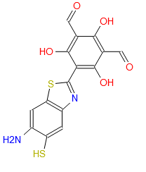 | 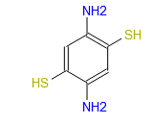 | O=Cc5c(O)c(C=O)c(O)c(c4nc3cc2sc(c1c(O)c(C=O)c(O)c(C=O)c1O)nc2cc3s4)c5O | 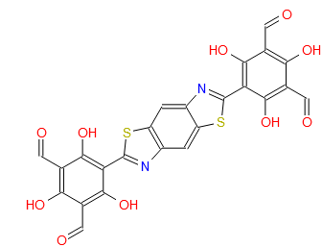 | Nc7cc6sc(c5c(O)c(c2nc1cc(S)c(N)cc1s2)c(O)c(c4nc3cc(S)c(N)cc3s4)c5O)nc6cc7S | 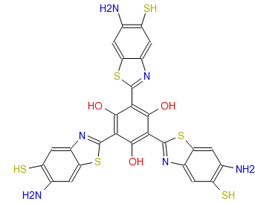 | 4 |  |  |  | /120 |  |  | 507 |  |  |  |  |  | 724 | 10.1039/c9py01623f
BZ-BBT | Nc3cc2sc(c1cc(C=O)cc(C=O)c1)nc2cc3S | 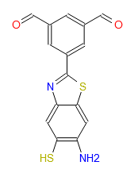 | 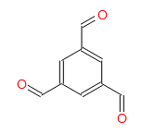 | O=Cc5cc(C=O)cc(c4nc3cc2sc(c1cc(C=O)cc(C=O)c1)nc2cc3s4)c5 | 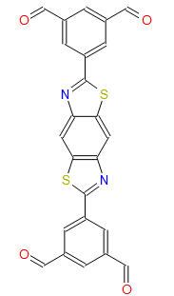 | Nc7cc6sc(c5cc(c2nc1cc(S)c(N)cc1s2)cc(c4nc3cc(S)c(N)cc3s4)c5)nc6cc7S | 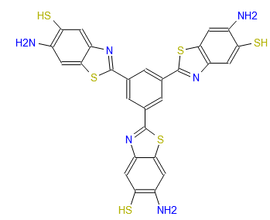 | 4 |  |  |  | /120 |  |  | 440 |  |  |  |  |  | 166 | 10.1039/c9py01623f
BIBDZ | Nc1c(N)cc(c(cc2)cc3c2nc(c4cc(N5C(c6c(C5=O)cc7c(C(N(C7=O)c8cc(C(O)=O)cc(C(O)=O)c8)=O)c6)=O)cc(C(O)=O)c4)[nH]3)cc1 | 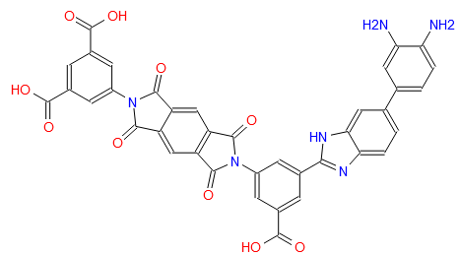 | 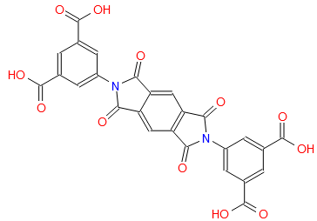 | Nc1c(N)cc(c(cc2)cc3c2[nH]c(c4cc(N5C(c6c(C5=O)cc7c(C(N(C7=O)c8cc(c(n9)[nH]c%10c9cc(c%11cc(N)c(N)cc%11)cc%10)cc(c(n%12)[nH]c%13c%12ccc(c%14cc(N)c(N)cc%14)c%13)c8)=O)c6)=O)cc(c(n%15)[nH]c%16c%15ccc(c%17cc(N)c(N)cc%17)c%16)c4)n3)cc1 | 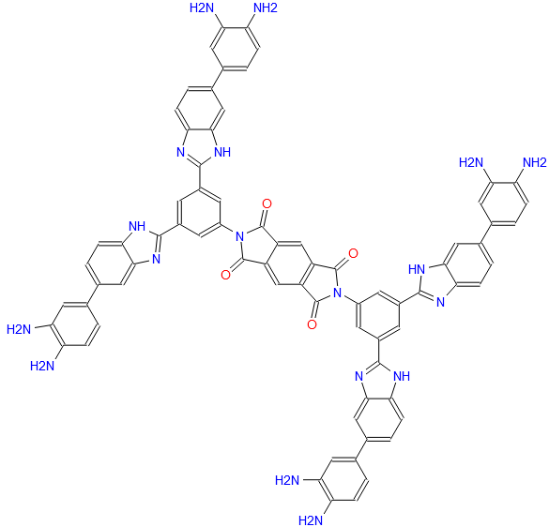 |  |  | 8 |  |  |  | /220 |  |  | 177 |  |  |  | 88.4 |  |  | http://dx.doi.org/10.1016/j.eurpolymj.2017.06.028
NIBDZ | Nc1c(N)cc(c(cc2)cc3c2nc(c4cc(N5C(c(ccc6C(N(C7=O)c8cc(C(O)=O)cc(C(O)=O)c8)=O)c9c6c7ccc9C5=O)=O)cc(C(O)=O)c4)[nH]3)cc1 | 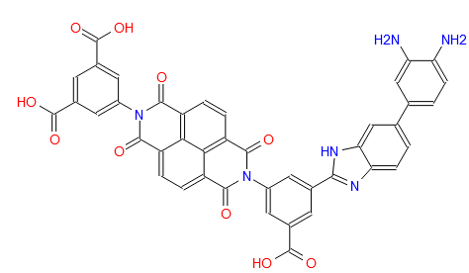 | 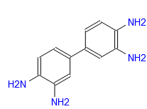 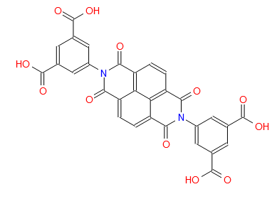 | Nc1c(N)cc(c(cc2)cc3c2[nH]c(c4cc(N5C(c(ccc6C(N(C7=O)c8cc(c(n9)[nH]c%10c9cc(c%11cc(N)c(N)cc%11)cc%10)cc(c(n%12)[nH]c%13c%12ccc(c%14cc(N)c(N)cc%14)c%13)c8)=O)c%15c6c7ccc%15C5=O)=O)cc(c(n%16)[nH]c%17c%16ccc(c%18cc(N)c(N)cc%18)c%17)c4)n3)cc1 | 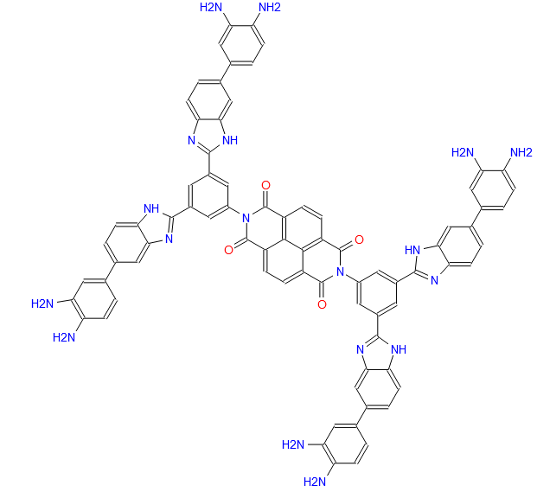 |  |  | 9 |  |  |  | /220 |  |  | 120 |  |  |  | 66.56 |  |  | http://dx.doi.org/10.1016/j.eurpolymj.2017.06.028
PIBDZ | Nc%12ccc(c%11ccc%10nc(c9cc(C(=O)O)cc(n2c(=O)c3ccc4c6ccc7c(=O)n(c1cc(C(=O)O)cc(C(=O)O)c1)c(=O)c8ccc(c5ccc(c2=O)c3c45)c6c78)c9)[nH]c%10c%11)cc%12N | 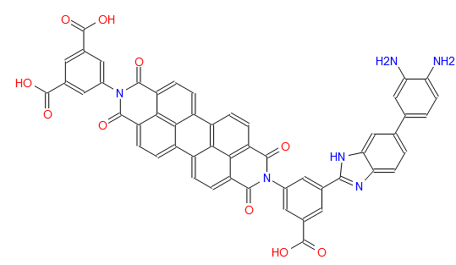 | 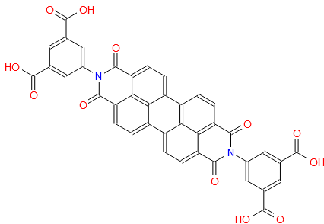 | Nc1c(N)cc(c(cc2)cc3c2[nH]c(c4cc(N5C(c(ccc6c(ccc7C(N(C8=O)c9cc(c(n%10)[nH]c%11c%10ccc(c%12cc(N)c(N)cc%12)c%11)cc(c(n%13)[nH]c%14c%13cc(c%15cc(N)c(N)cc%15)cc%14)c9)=O)c%16c7c8ccc%17%16)c%18c6c%17ccc%18C5=O)=O)cc(c(n%19)[nH]c%20c%19ccc(c%21cc(N)c(N)cc%21)c%20)c4)n3)cc1 | 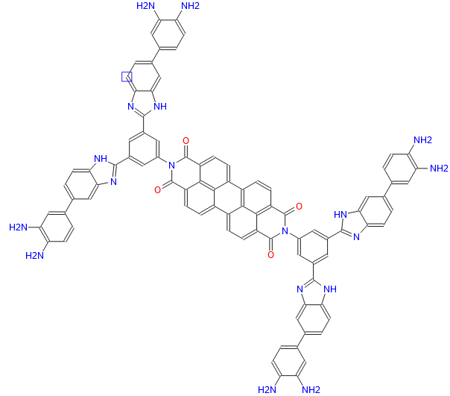 |  |  | 12 |  |  |  | /220 |  |  | 75 |  |  |  | 5.65 |  |  | http://dx.doi.org/10.1016/j.eurpolymj.2017.06.028
TpPa- COF | Nc2ccc(NC=c1c(O)c(C=O)c(O)c(C=O)c1=O)cc2 | 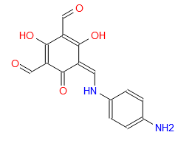 | 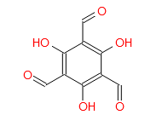 | Nc1ccc(NC=C2C(C(C(C(C2=O)=CNc3ccc(N)cc3)=O)=CNc4ccc(N)cc4)=O)cc1 | 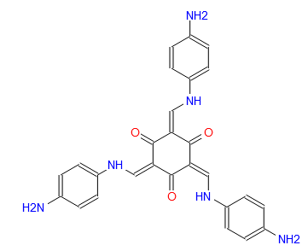 |  |  | 2 |  | 6 |  | /120 |  |  | 574.4 |  |  | 95 |  |  |  | https://doi.org/10.1016/j.matlet.2018.10.131
TFP-NDA-COF | Nc2cccc3c(NC=c1c(O)c(C=O)c(O)c(C=O)c1=O)cccc23 | 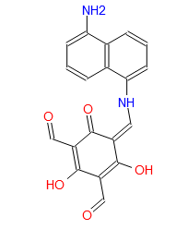 | 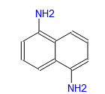 | Nc(ccc1)c2c1c(NC=C3C(C(C(C(C3=O)=CNc(ccc4)c5c4c(N)ccc5)=O)=CNc(ccc6)c7c6c(N)ccc7)=O)ccc2 | 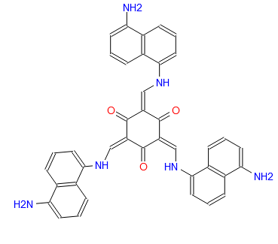 |  |  | 3 |  |  |  | /145 |  |  | 353 |  |  | 379 |  |  |  | 10.1016/j.micromeso.2018.02.026
MA-COF | Nc2nc(N)nc(Nc1ccc(Br)s1)n2 | 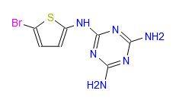 | 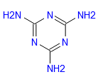 | Nc3nc(N)nc(Nc2ccc(Nc1nc(N)nc(N)n1)s2)n3 | 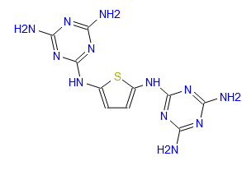 | Brc4ccc(Nc3nc(Nc1ccc(Br)s1)nc(Nc2ccc(Br)s2)n3)s4 | 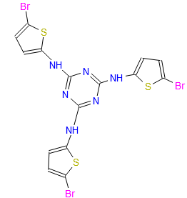 | 2 |  | 6 |  | 600/120 |  |  | 121.4 |  | 1.3 |  |  |  | 407 | https://doi.org/10.1016/j.micromeso.2020.110766
DAAQ-COF | Nc1cc2c(C(c3c(C2=O)ccc(NC=c(c(O)c(C=O)c(O)c4C=O)c4=O)c3)=O)cc1 | 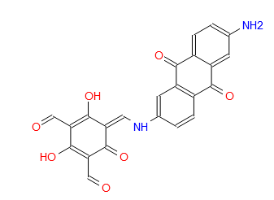 | 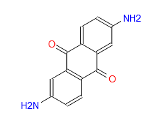 | Nc1cc2c(C(c3c(C2=O)ccc(NC=c(c(=O)c(=CNc4cc5c(C(c6c(C5=O)ccc(N)c6)=O)cc4)c(=O)c7=CNc8cc9c(C(c%10c(C9=O)ccc(N)c%10)=O)cc8)c7=O)c3)=O)cc1 | 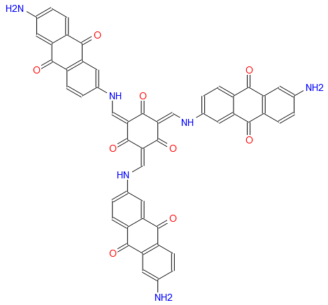 |  |  | 4 |  | 6 |  | ?? |  |  | 1800 |  |  |  | 49 |  |  | 10.1039/d1ma00158b
HEX-AZA 2 | NC1C(C(c2c(C1=O)nc3c(C(C(C(C3=O)=O)=O)=O)n2)=O)N | 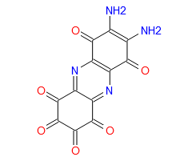 | 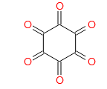 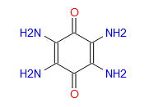 | NC1=C(C(C2N=c(c(=NC2C1=O)c3c4nc5c(C(C(C(C5=O)N)N)=O)n3)c6c4nc(C(C(C(C7=O)N)N)=O)c7n6)=O)N | 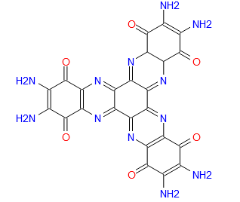 | O=C1C(C(c2c(C1=O)nc3c(C(c4c(C3=O)nc5c(C(C(C(C5=O)=O)=O)=O)n4)=O)n2)=O)=O | 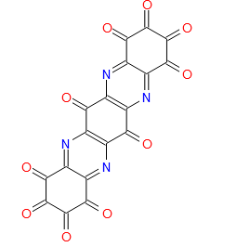 | 3 |  |  |  | /65 |  |  | 96 |  |  | 585 |  |  |  | https://onlinelibrary.wiley.com/action/downloadSupplement?doi=10.1002%2Faenm.202001673&file=aenm202001673-sup-0001-SuppMat.pdf
HEX-AZA3 | Nc(c1)c(N)cc2c1nc(cc(nc(C(C(C(C3=O)=O)=O)=O)c3n4)c4c5)c5n2 | 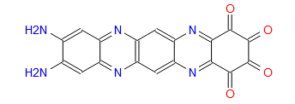 | 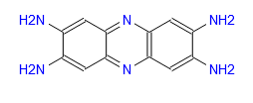 | O=C1C(C(c(n2)c(C1=O)nc3c2cc(nc(cc(nc(C(C(C(C4=O)=O)=O)=O)c4n5)c5c6)c6n7)c7c3)=O)=O | 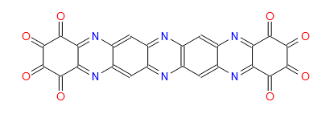 | Nc%13cc%12nc%11cc%10nc9c4nc3cc2nc1cc(N)c(N)cc1nc2cc3nc4c8nc7cc6nc5cc(N)c(N)cc5nc6cc7nc8c9nc%10cc%11nc%12cc%13N | 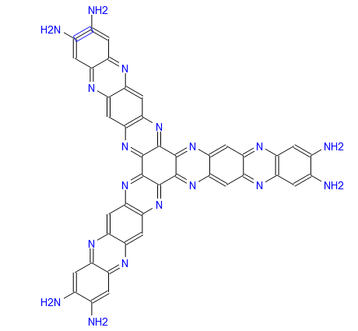 | 5 |  |  |  | /65 |  |  | 124 |  |  | 663 |  |  |  | https://onlinelibrary.wiley.com/action/downloadSupplement?doi=10.1002%2Faenm.202001673&file=aenm202001673-sup-0001-SuppMat.pdf
HEX -AZA | Nc(c1)c(N)cc2c1nc(C(C(C(C3=O)=O)=O)=O)c3n2 | 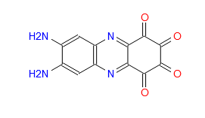 | 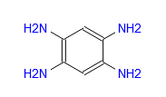 | NC2=C(N)Cc1nc7c(nc1C2)c4=NC3CC(N)=C(N)CC3N=c4c6nc5CC(N)=C(N)Cc5nc67 | 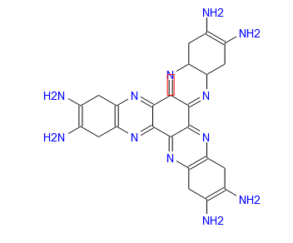 | O=C1C(C(c(n2)c(C1=O)nc3c2cc(nc(C(C(C(C4=O)=O)=O)=O)c4n5)c5c3)=O)=O | 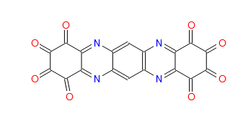 | 3 |  |  |  | /65 |  |  | 85 |  |  | 224 |  |  |  | https://onlinelibrary.wiley.com/action/downloadSupplement?doi=10.1002%2Faenm.202001673&file=aenm202001673-sup-0001-SuppMat.pdf

Nowe COFy
zwiazek | SMILES? | wzór SMILES pierwotny | wzory substratów | symetryczny SMILES 1 | wzór SMILES 1 | symetryczny SMILES 2 | wzór SMILES 2 | liczba_pierscieni | srednia_liczba_N_w_pierscieniu | liczba_substratu_w_porze | odleglosc_miedzy_najdalszymi_grupami [nm] | Temp pirolizy lub syntezy | N_perc_triaz | wielkosc_pora teoretyczna | BET | V total | objetosc_mikroporow | pojemnosc_3_H2SO4_CV | pojemnosc_3_H2SO4_GCD | pojemnosc_3_NaOH_CV | pojemnosc_3_NaOH_GCD | DOI
PI-COF | Nc4cc(N)c5ccc7c(n3c(=O)c2cc1c(=O)oc(=O)c1cc2c3=O)cc(N)c6ccc4c5c67 | 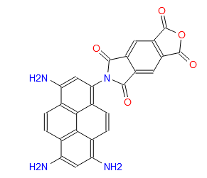 | 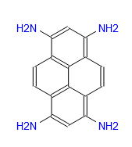 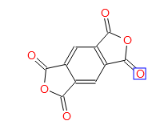 | O=C1OC(c2c1cc3c(C(N(C3=O)c(cc(N4C(c5c(C4=O)cc6c(C(OC6=O)=O)c5)=O)c7cc8)c9c7c%10c8c(N%11C(c%12c(C%11=O)cc%13c(C(OC%13=O)=O)c%12)=O)cc(N%14C(c%15c(C%14=O)cc%16c(C(OC%16=O)=O)c%15)=O)c%10cc9)=O)c2)=O | 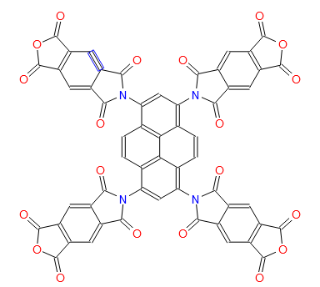 | Nc(cc(N)c1cc2)c3c1c4c2c(N5C(c6c(C5=O)cc7c(C(N(C7=O)c(cc(N)c8ccc9c(N)cc%10N)c%11c8c9c%10cc%11)=O)c6)=O)ccc4cc3 | 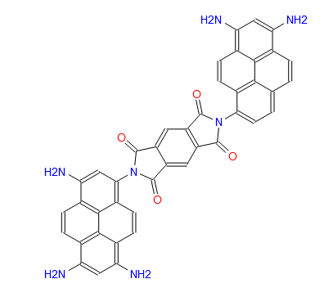 | 7 |  |  |  | /200 |  |  | 375 |  |  |  | 163 |  |  | https://doi.org/10.1007/s10118-020-2412-z
N-DMC) | Nc9ccc(c8nc(c1ccc(N)cc1)nc(c7ccc(N6COc5cc(c4nc(c2ccc(O)cc2)nc(c3ccc(O)cc3)n4)ccc5C6)cc7)n8)cc9 | 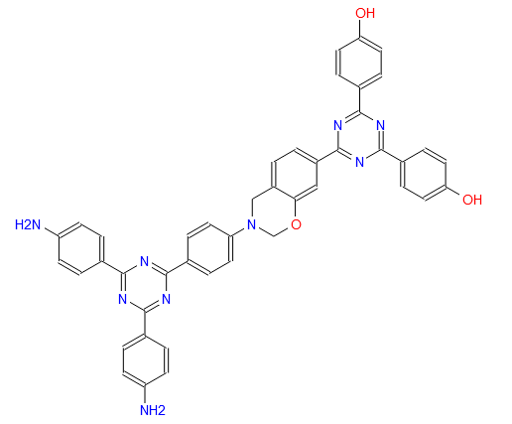 |   | Oc%19ccc(c%18nc(c1ccc(O)cc1)nc(c%17ccc%16OCN(c%15ccc(c%14nc(c7ccc(N6COc5ccc(c4nc(c2ccc(O)cc2)nc(c3ccc(O)cc3)n4)cc5C6)cc7)nc(c%13ccc(N%12COc%11ccc(c%10nc(c8ccc(O)cc8)nc(c9ccc(O)cc9)n%10)cc%11C%12)cc%13)n%14)cc%15)Cc%16c%17)n%18)cc%19 |  |  |  |  |  |  |  | 400/800 |  |  | 1469 |  |  |  | 185 |  |  | https://doi.org/10.1039/c9py01231a
P-COF | Nc5ccc(c4ccc(/N=C/c3ccc(P(c1ccc(C=O)cc1)c2ccc(C=O)cc2)cc3)cc4)cc5 |  |   | Nc9ccc(c8ccc(/N=C/c7ccc(P(c3ccc(/C=N/c2ccc(c1ccc(N)cc1)cc2)cc3)c6ccc(/C=N/c5ccc(c4ccc(N)cc4)cc5)cc6)cc7)cc8)cc9 |  | O=Cc8ccc(P(c1ccc(C=O)cc1)c7ccc(/C=N/c6ccc(c5ccc(/N=C/c4ccc(P(c2ccc(C=O)cc2)c3ccc(C=O)cc3)cc4)cc5)cc6)cc7)cc8 |  |  |  |  |  | /120 |  |  | 1056 |  |  |  | 100 |  |  | https://doi.org/10.1016/j.micromeso.2021.111351
B-N-C-1000 | Nc7nc(N)nc(/N=C/c6ccc(B5OB(c2ccc(/C=N/c1nc(N)nc(N)n1)cc2)OB(c4ccc(/C=N/c3nc(N)nc(N)n3)cc4)O5)cc6)n7 |  |   | C(=N\c9nc(/N=C/c4ccc(B3OB(c1ccccc1)OB(c2ccccc2)O3)cc4)nc(/N=C/c8ccc(B7OB(c5ccccc5)OB(c6ccccc6)O7)cc8)n9)/c%13ccc(B%12OB(c%10ccccc%10)OB(c%11ccccc%11)O%12)cc%13 |  |  |  | 7 |  |  |  | skomplikowane - zerknij w DOI |  |  | 399 |  |  |  | 231 |  |  | https://doi.org/10.1016/j.electacta.2018.12.080
PCCOF-5 | OB(O)c6ccc(B5Oc4cc3c1cc(O)c(O)cc1c2cc(O)c(O)cc2c3cc4O5)cc6 |  |   | Oc%11cc%10c1cc(O)c(O)cc1c9cc8OB(c7ccc(B6Oc5cc4c2cc(O)c(O)cc2c3cc(O)c(O)cc3c4cc5O6)cc7)Oc8cc9c%10cc%11O |  | OB(O)c%10ccc(B9Oc8cc7c3cc2OB(c1ccc(B(O)O)cc1)Oc2cc3c6cc5OB(c4ccc(B(O)O)cc4)Oc5cc6c7cc8O9)cc%10 |  |  |  |  |  | skomplikowane - zerknij w DOI |  |  | 774 |  |  |  | 83 |  |  | https://doi.org/10.1016/j.carbon.2021.08.022

December
zwiazek | SMILES? | wzór SMILES pierwotny | wzory substratów | symetryczny SMILES 1 | wzór SMILES 1 | symetryczny SMILES 2 | wzór SMILES 2 | liczba_pierscieni | srednia_liczba_N_w_pierscieniu | liczba_substratu_w_porze | odleglosc_miedzy_najdalszymi_grupami [nm] | Temp pirolizy lub syntezy | N_perc_triaz | wielkosc_pora teoretyczna | BET | V total | objetosc_mikroporow | pojemnosc_3_H2SO4_CV | pojemnosc_3_H2SO4_GCD | pojemnosc_3_NaOH_CV | pojemnosc_3_NaOH_GCD | DOI
CCOF-900 | Nc2nc(N)nc(/N=C/c1ccc(C=O)cc1)n2 |  |   |  |  |  |  | 3 |  |  |  | 900 |  |  | 456 |  |  | 1236 |  |  |  | https://doi.org/10.1016/j.molstruc.2023.136659
PPDA | Nc3ccc(Oc2ccc(/N=C/c1ccc(C=O)cc1)cc2)cc3 |  |  |  |  |  |  | 3 |  |  |  | 900 |  |  | 898.1 |  |  | 575 |  |  |  | https://doi.org/10.1016/j.apsusc.2023.157148
TPP-CTFs | N#Cc5ccc(c4cc(c1ccc(C#N)cc1)nc(c3ccc(c2ncncn2)cc3)c4)cc5 |  |  |  |  |  |  | 5 |  |  |  | 400-500 |  |  | 1760 |  |  | 231 |  |  |  | https://doi.org/10.1016/j.matchemphys.2022.125850
TPE-Ph-Th CMP | Brc8ccc(C(c1ccc(Br)cc1)C(c2ccc(Br)cc2)c7ccc(c6ccc(c5cc4sc3cc(Br)c(Br)cc3sc4cc5Br)cc6)cc7)cc8 |  |   |  |  |  |  | 8 |  |  |  | 100 |  |  | 67 |  |  |  |  | 39.45 |  | https://doi.org/10.1016/j.colsurfa.2023.132675
TPE-Ph-Tha CMP | Brc8ccc(C(c1ccc(Br)cc1)C(c2ccc(Br)cc2)c7ccc(c6ccc(c5ccc4sc3ccc(Br)cc3sc4c5)cc6)cc7)cc8 |  |  |  |  |  |  | 8 |  |  |  | 100 |  |  | 18 |  |  |  |  | 51 |  | https://doi.org/10.1016/j.colsurfa.2023.132675
TPE-Ph-BSu CMP | O=S8(=O)c1ccc(Br)cc1S(=O)(=O)c7cc(c6ccc(c5ccc(C(c2ccc(Br)cc2)C(c3ccc(Br)cc3)c4ccc(Br)cc4)cc5)cc6)ccc78 |  |  |  |  |  |  | 8 |  |  |  | 100 |  |  | 41 |  |  |  |  | 52 |  | https://doi.org/10.1016/j.colsurfa.2023.132675
Py-QP CMP | OB(O)c%10cc(B(O)O)c%11ccc%13c(B(O)O)cc(c1ccc8c(c1)c2cc(Br)ccc2c9nc7cc6nc5c3ccc(Br)cc3c4cc(Br)ccc4c5nc6cc7nc89)c%12CCc%10c%11c%12%13 |  |   |  |  |  |  | 12 |  |  |  |  |  |  | 527 |  |  |  |  | 75.3 |  | https://doi.org/10.1016/j.colsurfa.2024.133210
TPP-QP CMP | OB(O)c%13ccc(c%12cc(c%10ccc(c1ccc8c(c1)c2cc(Br)ccc2c9nc7cc6nc5c3ccc(Br)cc3c4cc(Br)ccc4c5nc6cc7nc89)cc%10)cc(c%11ccc(B(O)O)cc%11)n%12)cc%13 |  |  |  |  |  |  | 12 |  |  |  |  |  |  | 371 |  |  |  |  | 24.9 |  | https://doi.org/10.1016/j.colsurfa.2024.133210
TPT-QP CMP | OB(O)c%13ccc(c%12nc(c1ccc(B(O)O)cc1)nc(c%11ccc(c2ccc9c(c2)c3cc(Br)ccc3c%10nc8cc7nc6c4ccc(Br)cc4c5cc(Br)ccc5c6nc7cc8nc9%10)cc%11)n%12)cc%13 |  |  |  |  |  |  | 12 |  |  |  |  |  |  | 365 |  |  |  |  | 121.9 |  | https://doi.org/10.1016/j.colsurfa.2024.133210
TPA–DHTP–BZ POP | C#Cc%14ccc(N%13COc%12cc%11CN(c%10ccc(C#Cc9ccc8CN(c7ccc(N(c3ccc(N2COc1cc(Br)ccc1C2)cc3)c6ccc(N5COc4cc(Br)ccc4C5)cc6)cc7)COc8c9)cc%10)COc%11cc%12C%13)cc%14 |  |   |  |  |  |  | 14 |  |  |  |  |  |  | 195 |  |  |  |  | 31.37 |  | 10.1039/d3py00158j
TPA–DHTP–BZ POP (poli) | CCc9ccc(NCc8cc(O)c(CNc7ccc(CCc6ccc(CNc5ccc(N(c2ccc(NCc1ccc(Br)cc1O)cc2)c4ccc(NCc3ccc(Br)cc3O)cc4)cc5)c(O)c6)cc7)cc8O)cc9 |  |  |  |  |  |  | 9 |  |  |  |  |  |  | 40 |  |  |  |  | 67.07 |  | 10.1039/d3py00158j
COP-2 | Nc7ccc(c6cc(c1ccc(N)cc1)cc(c5ccc([n+]4ccc(c3cc[n+](c2ccc(N(=O)=O)cc2N(=O)=O)cc3)cc4)cc5)c6)cc7 |  |   |  |  |  |  | 6 |  |  |  | 120 |  |  | 18 |  |  | 404 |  |  |  | https://doi.org/10.1016/j.est.2023.106714
ANT-CTF-10-500 | c9ncnc(c7cc6c(c1ncncn1)c4cc(c2ncncn2)c(c3ncncn3)cc4c(c5ncncn5)c6cc7c8ncncn8)n9 |  |  |  |  |  |  | 9 |  |  |  | 500 |  |  | 160 |  |  |  |  | 81.2 |  | https://doi.org/ 10.1039/d4ma00565a
TFP-TPA COF | Nc4ccc(N(c1ccc(N)cc1)c3ccc(NC=c2c(O)c(C=O)c(O)c(C=O)c2=O)cc3)cc4 |  |  |  |  |  |  |  |  |  |  | 120 |  |  | 457 |  |  |  |  |  | 291.1 | https://doi.org/10.1016/j.jtice.2019.07.016
TFP-Car COF | Nc5ccc(n4c1ccc(N)cc1c3cc(NC=c2c(O)c(C=O)c(O)c(C=O)c2=O)ccc34)cc5 |  |  |  |  |  |  |  |  |  |  | 120 |  |  | 362 |  |  |  |  |  | 150 | https://doi.org/10.1016/j.jtice.2019.07.016
TFP-TPP-COF | Nc5ccc(c4cc(c1ccc(N)cc1)nc(c3ccc(NC=c2c(O)c(C=O)c(O)c(C=O)c2=O)cc3)c4)cc5 |  |  |  |  |  |  |  |  |  |  | 120 |  |  | 686 |  |  |  |  |  | 209 | https://doi.org/10.1016/j.jtice.2019.07.016
An-CPOP-1 | COc7ccc(C(c1ccccc1)=c5c2ccccc2c(=C(c3ccccc3)c4ccccc4)c6ccccc56)cc7 |  |  |  |  |  |  |  |  |  |  | 80 |  |  | 580 |  |  |  |  | 72.75 |  | https://doi.org/10.1016/j.polymer.2020.122857
An-CPOP-2 | Clc8nc(Cl)nc(c7ccc(C(c1ccccc1)=c5c2ccccc2c(=C(c3ccccc3)c4ccccc4)c6ccccc56)cc7)n8 |  |  |  |  |  |  |  |  |  |  | 80 |  |  | 1130 |  |  |  |  | 98.4 |  | https://doi.org/10.1016/j.polymer.2020.122857
PCz-res | Nc9cc(n8c(=O)c7cc(n3c1ccccc1c2ccccc23)c(n6c4ccccc4c5ccccc56)cc7c8=O)c(O)cc9O |  |   |  |  |  |  |  |  |  |  | 120 |  |  | 1015 |  |  | 367 |  |  |  | https://doi.org/10.1016/j.reactfunctpolym.2020.104670
CHCPN-1 | C=Cc1ccc(/C=C(C#N)/CC#N)cc1 |  |  |  |  |  |  |  |  |  |  | 700 |  |  | 1450 |  |  |  | 330 |  |  | https://doi.org/10.1039/c7py01240c
Car-TPA | Nc7ccc(n6c1ccc(N)cc1c5cc(/N=C/c4ccc(N(c2ccc(C=O)cc2)c3ccc(C=O)cc3)cc4)ccc56)cc7 |  |  |  |  |  |  |  |  |  |  | 140 |  |  | 1334 |  |  | 13.6 |  |  |  | https://doi.org/10.1021/acsami.8b21867
Car-TPP | Nc8ccc(n7c1ccc(N)cc1c6cc(/N=C/c5ccc(c4cc(c2ccc(C=O)cc2)cc(c3ccc(C=O)cc3)n4)cc5)ccc67)cc8 |  |  |  |  |  |  |  |  |  |  | 140 |  |  | 743 |  |  | 14.5 |  |  |  | https://doi.org/10.1021/acsami.8b21867
Car-TPT | Nc8ccc(n7c1ccc(N)cc1c6cc(/N=C/c5ccc(c4nc(c2ccc(C=O)cc2)nc(c3ccc(C=O)cc3)n4)cc5)ccc67)cc8 |  |  |  |  |  |  |  |  |  |  | 140 |  |  | 721 |  |  | 17.4 |  |  |  | https://doi.org/10.1021/acsami.8b21867
TPA-COF 1 | Nc6ccc(N(c1ccc(N)cc1)c5ccc(/N=C/c4ccc(N(c2ccc(C=O)cc2)c3ccc(C=O)cc3)cc4)cc5)cc6 |  |  |  |  |  |  |  |  |  |  | 120 |  |  | 714 |  |  |  | 51.3 |  |  | https://doi.org/10.1039/C8TA04781B
TPA-COF 2 | Nc7ccc(N(c1ccc(N)cc1)c6ccc(/N=C/c5ccc(c4cc(c2ccc(C=O)cc2)cc(c3ccc(C=O)cc3)n4)cc5)cc6)cc7 |  |  |  |  |  |  |  |  |  |  | 120 |  |  | 478 |  |  |  | 14.4 |  |  | https://doi.org/10.1039/C8TA04781B
TPA-COF 3 | Nc7ccc(N(c1ccc(N)cc1)c6ccc(/N=C/c5ccc(c4nc(c2ccc(C=O)cc2)nc(c3ccc(C=O)cc3)n4)cc5)cc6)cc7 |  |  |  |  |  |  |  |  |  |  | 120 |  |  | 557 |  |  |  | 5.1 |  |  | https://doi.org/10.1039/C8TA04781B
TPT-COF 4 | Nc7ccc(c6nc(c1ccc(N)cc1)nc(c5ccc(/N=C/c4ccc(N(c2ccc(C=O)cc2)c3ccc(C=O)cc3)cc4)cc5)n6)cc7 |  |  |  |  |  |  |  |  |  |  | 120 |  |  | 1132 |  |  |  | 2.4 |  |  | https://doi.org/10.1039/C8TA04781B
TPT-COF 5 | Nc8ccc(c7nc(c1ccc(N)cc1)nc(c6ccc(/N=C/c5ccc(c4cc(c2ccc(C=O)cc2)cc(c3ccc(C=O)cc3)n4)cc5)cc6)n7)cc8 |  |  |  |  |  |  |  |  |  |  | 120 |  |  | 1747 |  |  |  | ~0 |  |  | https://doi.org/10.1039/C8TA04781B
TPT-COF 6 | Nc8ccc(c7nc(c1ccc(N)cc1)nc(c6ccc(/N=C/c5ccc(c4nc(c2ccc(C=O)cc2)nc(c3ccc(C=O)cc3)n4)cc5)cc6)n7)cc8 |  |  |  |  |  |  |  |  |  |  | 120 |  |  | 1535 |  |  |  | ~0 |  |  | https://doi.org/10.1039/C8TA04781B

