ISENSE_CAL
 |  |  | Calibration Output
 |  |  | Gain | #DIV/0! | A/Digit
 |  |  | Offset | #DIV/0! | A
 |  |  | R² | #DIV/0!

Sense Current
 | ISENSE0 | ISENSE1 | ISENSE2 | IAVG
...
Paste the measured calibration values into the table below
DAC Count | ISENSE0 | ISENSE1 | ISENSE2 | IAVG | ISense,Variance | ISense,Tolerance
 |  |  |  |  |  | 0.00%
 |  |  |  |  |  | 0.00%
 |  |  |  |  |  | 0.00%
 |  |  |  |  |  | 0.00%
 |  |  |  |  |  | 0.00%
 |  |  |  |  |  | 0.00%
 |  |  |  |  |  | 0.00%
 |  |  |  |  |  | 0.00%
 |  |  |  |  |  | 0.00%
 |  |  |  |  |  | 0.00%
 |  |  |  |  |  | 0.00%
 |  |  |  |  |  | 0.00%
 |  |  |  |  |  | 0.00%
 |  |  |  |  |  | 0.00%
 |  |  |  |  |  | 0.00%
 |  |  |  |  |  | 0.00%
 |  |  |  |  |  | 0.00%
 |  |  |  |  |  | 0.00%
 |  |  |  |  |  | 0.00%
 |  |  |  |  |  | 0.00%
 |  |  |  |  |  | 0.00%
 |  |  |  |  |  | 0.00%
 |  |  |  |  |  | 0.00%
 |  |  |  |  |  | 0.00%
 |  |  |  |  |  | 0.00%
 |  |  |  |  |  | 0.00%
 |  |  |  |  |  | 0.00%
 |  |  |  |  |  | 0.00%
 |  |  |  |  |  | 0.00%
 |  |  |  |  |  | 0.00%
 |  |  |  |  |  | 0.00%
 |  |  |  |  |  | 0.00%
 |  |  |  |  |  | 0.00%
 |  |  |  |  |  | 0.00%
 |  |  |  |  |  | 0.00%
 |  |  |  |  |  | 0.00%
 |  |  |  |  |  | 0.00%
 |  |  |  |  |  | 0.00%
 |  |  |  |  |  | 0.00%
 |  |  |  |  |  | 0.00%
 |  |  |  |  |  | 0.00%
 |  |  |  |  |  | 0.00%
 |  |  |  |  |  | 0.00%
 |  |  |  |  |  | 0.00%
 |  |  |  |  |  | 0.00%
 |  |  |  |  |  | 0.00%
 |  |  |  |  |  | 0.00%
 |  |  |  |  |  | 0.00%
 |  |  |  |  |  | 0.00%
 |  |  |  |  |  | 0.00%
 |  |  |  |  |  | 0.00%
 |  |  |  |  |  | 0.00%
 |  |  |  |  |  | 0.00%
 |  |  |  |  |  | 0.00%
 |  |  |  |  |  | 0.00%
 |  |  |  |  |  | 0.00%
 |  |  |  |  |  | 0.00%
 |  |  |  |  |  | 0.00%
 |  |  |  |  |  | 0.00%
 |  |  |  |  |  | 0.00%
 |  |  |  |  |  | 0.00%
 |  |  |  |  |  | 0.00%
 |  |  |  |  |  | 0.00%
 |  |  |  |  |  | 0.00%
 |  |  |  |  |  | 0.00%
 |  |  |  |  |  | 0.00%

VOFFS_CAL
Channel 0 Offset Voltage
 | VOFFS0,PGA0 | VOFFS0,PGA1 | VOFFS0,PGA2 | VOFFS0,PGA3 | VOFFS0,AVG
...
 |  |  | Calibration Result VOFFS0 |  |  |  |  |  | Calibration Result VOFFS1
 |  |  | Gain | #DIV/0! | V/Digit |  |  |  | Gain | #DIV/0! | V/Digit
 |  |  | Offset | #DIV/0! | V |  |  |  | Offset | #DIV/0! | V
 |  |  | R² | #DIV/0! |  |  |  |  | R² | #DIV/0!

Paste the measured calibration values into the table below
DAC_Count | VOFFS0,PGA0 | VOFFS0,PGA1 | VOFFS0,PGA2 | VOFFS0,PGA3 | VOFFS0,AVG | VOFFS0,Variance | VOFFS0,Tolerance | VOFFS1,AMP1 | VOFFS1,AMP2 | VOFFS1,AVG | VOFFS1,Variance | VOFFS1,Tolerance
 |  |  |  |  |  |  | 0.00% |  |  | #DIV/0! | #DIV/0! | 0.00%
 |  |  |  |  |  |  | 0.00% |  |  | #DIV/0! | #DIV/0! | 0.00%
 |  |  |  |  |  |  | 0.00% |  |  | #DIV/0! | #DIV/0! | 0.00%
 |  |  |  |  |  |  | 0.00% |  |  | #DIV/0! | #DIV/0! | 0.00%
 |  |  |  |  |  |  | 0.00% |  |  | #DIV/0! | #DIV/0! | 0.00%
 |  |  |  |  |  |  | 0.00% |  |  | #DIV/0! | #DIV/0! | 0.00%
 |  |  |  |  |  |  | 0.00% |  |  | #DIV/0! | #DIV/0! | 0.00%
 |  |  |  |  |  |  | 0.00% |  |  | #DIV/0! | #DIV/0! | 0.00%
 |  |  |  |  |  |  | 0.00% |  |  | #DIV/0! | #DIV/0! | 0.00%
 |  |  |  |  |  |  | 0.00% |  |  | #DIV/0! | #DIV/0! | 0.00%
 |  |  |  |  |  |  | 0.00% |  |  | #DIV/0! | #DIV/0! | 0.00%
 |  |  |  |  |  |  | 0.00% |  |  | #DIV/0! | #DIV/0! | 0.00%
 |  |  |  |  |  |  | 0.00% |  |  | #DIV/0! | #DIV/0! | 0.00%
 |  |  |  |  |  |  | 0.00% |  |  | #DIV/0! | #DIV/0! | 0.00%
 |  |  |  |  |  |  | 0.00% |  |  | #DIV/0! | #DIV/0! | 0.00%
 |  |  |  |  |  |  | 0.00% |  |  | #DIV/0! | #DIV/0! | 0.00%
 |  |  |  |  |  |  | 0.00% |  |  | #DIV/0! | #DIV/0! | 0.00%
 |  |  |  |  |  |  | 0.00% |  |  | #DIV/0! | #DIV/0! | 0.00%
 |  |  |  |  |  |  | 0.00% |  |  | #DIV/0! | #DIV/0! | 0.00%
Channel 1 Offset Voltage
 | VOFFS1,AMP1 | VOFFS1,AMP2 | VOFFS1,AVG
...
 |  |  |  |  |  |  | 0.00% |  |  | #DIV/0! | #DIV/0! | 0.00%
 |  |  |  |  |  |  | 0.00% |  |  | #DIV/0! | #DIV/0! | 0.00%
 |  |  |  |  |  |  | 0.00% |  |  | #DIV/0! | #DIV/0! | 0.00%
 |  |  |  |  |  |  | 0.00% |  |  | #DIV/0! | #DIV/0! | 0.00%
 |  |  |  |  |  |  | 0.00% |  |  | #DIV/0! | #DIV/0! | 0.00%
 |  |  |  |  |  |  | 0.00% |  |  | #DIV/0! | #DIV/0! | 0.00%
 |  |  |  |  |  |  | 0.00% |  |  | #DIV/0! | #DIV/0! | 0.00%
 |  |  |  |  |  |  | 0.00% |  |  | #DIV/0! | #DIV/0! | 0.00%
 |  |  |  |  |  |  | 0.00% |  |  | #DIV/0! | #DIV/0! | 0.00%
 |  |  |  |  |  |  | 0.00% |  |  | #DIV/0! | #DIV/0! | 0.00%
 |  |  |  |  |  |  | 0.00% |  |  | #DIV/0! | #DIV/0! | 0.00%
 |  |  |  |  |  |  | 0.00% |  |  | #DIV/0! | #DIV/0! | 0.00%
 |  |  |  |  |  |  | 0.00% |  |  | #DIV/0! | #DIV/0! | 0.00%
 |  |  |  |  |  |  | 0.00% |  |  | #DIV/0! | #DIV/0! | 0.00%
 |  |  |  |  |  |  | 0.00% |  |  | #DIV/0! | #DIV/0! | 0.00%
 |  |  |  |  |  |  | 0.00% |  |  | #DIV/0! | #DIV/0! | 0.00%
 |  |  |  |  |  |  | 0.00% |  |  | #DIV/0! | #DIV/0! | 0.00%
 |  |  |  |  |  |  | 0.00% |  |  | #DIV/0! | #DIV/0! | 0.00%
 |  |  |  |  |  |  | 0.00% |  |  | #DIV/0! | #DIV/0! | 0.00%
 |  |  |  |  |  |  | 0.00% |  |  | #DIV/0! | #DIV/0! | 0.00%
 |  |  |  |  |  |  | 0.00% |  |  | #DIV/0! | #DIV/0! | 0.00%
 |  |  |  |  |  |  | 0.00% |  |  | #DIV/0! | #DIV/0! | 0.00%
 |  |  |  |  |  |  | 0.00% |  |  | #DIV/0! | #DIV/0! | 0.00%
 |  |  |  |  |  |  | 0.00% |  |  | #DIV/0! | #DIV/0! | 0.00%
 |  |  |  |  |  |  | 0.00% |  |  | #DIV/0! | #DIV/0! | 0.00%
 |  |  |  |  |  |  | 0.00% |  |  | #DIV/0! | #DIV/0! | 0.00%
 |  |  |  |  |  |  | 0.00% |  |  | #DIV/0! | #DIV/0! | 0.00%
 |  |  |  |  |  |  | 0.00% |  |  | #DIV/0! | #DIV/0! | 0.00%
 |  |  |  |  |  |  | 0.00% |  |  | #DIV/0! | #DIV/0! | 0.00%
 |  |  |  |  |  |  | 0.00% |  |  | #DIV/0! | #DIV/0! | 0.00%
 |  |  |  |  |  |  | 0.00% |  |  | #DIV/0! | #DIV/0! | 0.00%
 |  |  |  |  |  |  | 0.00% |  |  | #DIV/0! | #DIV/0! | 0.00%
 |  |  |  |  |  |  | 0.00% |  |  | #DIV/0! | #DIV/0! | 0.00%
 |  |  |  |  |  |  | 0.00% |  |  | #DIV/0! | #DIV/0! | 0.00%
 |  |  |  |  |  |  | 0.00% |  |  | #DIV/0! | #DIV/0! | 0.00%
 |  |  |  |  |  |  | 0.00% |  |  | #DIV/0! | #DIV/0! | 0.00%
 |  |  |  |  |  |  | 0.00% |  |  | #DIV/0! | #DIV/0! | 0.00%
 |  |  |  |  |  |  | 0.00% |  |  | #DIV/0! | #DIV/0! | 0.00%
 |  |  |  |  |  |  | 0.00% |  |  | #DIV/0! | #DIV/0! | 0.00%
 |  |  |  |  |  |  | 0.00% |  |  | #DIV/0! | #DIV/0! | 0.00%
 |  |  |  |  |  |  | 0.00% |  |  | #DIV/0! | #DIV/0! | 0.00%
 |  |  |  |  |  |  | 0.00% |  |  | #DIV/0! | #DIV/0! | 0.00%
 |  |  |  |  |  |  | 0.00% |  |  | #DIV/0! | #DIV/0! | 0.00%
 |  |  |  |  |  |  | 0.00% |  |  | #DIV/0! | #DIV/0! | 0.00%
 |  |  |  |  |  |  | 0.00% |  |  | #DIV/0! | #DIV/0! | 0.00%
 |  |  |  |  |  |  | 0.00% |  |  | #DIV/0! | #DIV/0! | 0.00%
 |  |  |  |  |  |  | 0.00% |  |  | #DIV/0! | #DIV/0! | 0.00%
 |  |  |  |  |  |  | 0.00% |  |  | #DIV/0! | #DIV/0! | 0.00%
 |  |  |  |  |  |  | 0.00% |  |  | #DIV/0! | #DIV/0! | 0.00%
 |  |  |  |  |  |  | 0.00% |  |  | #DIV/0! | #DIV/0! | 0.00%
 |  |  |  |  |  |  | 0.00% |  |  | #DIV/0! | #DIV/0! | 0.00%
 |  |  |  |  |  |  | 0.00% |  |  | #DIV/0! | #DIV/0! | 0.00%
 |  |  |  |  |  |  | 0.00% |  |  | #DIV/0! | #DIV/0! | 0.00%
 |  |  |  |  |  |  | 0.00% |  |  | #DIV/0! | #DIV/0! | 0.00%
 |  |  |  |  |  |  | 0.00% |  |  | #DIV/0! | #DIV/0! | 0.00%
 |  |  |  |  |  |  | 0.00% |  |  | #DIV/0! | #DIV/0! | 0.00%
 |  |  |  |  |  |  | 0.00% |  |  | #DIV/0! | #DIV/0! | 0.00%
 |  |  |  |  |  |  | 0.00% |  |  | #DIV/0! | #DIV/0! | 0.00%
 |  |  |  |  |  |  | 0.00% |  |  | #DIV/0! | #DIV/0! | 0.00%
 |  |  |  |  |  |  | 0.00% |  |  | #DIV/0! | #DIV/0! | 0.00%
 |  |  |  |  |  |  | 0.00% |  |  | #DIV/0! | #DIV/0! | 0.00%
 |  |  |  |  |  |  | 0.00% |  |  | #DIV/0! | #DIV/0! | 0.00%
 |  |  |  |  |  |  | 0.00% |  |  | #DIV/0! | #DIV/0! | 0.00%
 |  |  |  |  |  |  | 0.00% |  |  | #DIV/0! | #DIV/0! | 0.00%
 |  |  |  |  |  |  | 0.00% |  |  | #DIV/0! | #DIV/0! | 0.00%
 |  |  |  |  |  |  | 0.00% |  |  | #DIV/0! | #DIV/0! | 0.00%
 |  |  |  |  |  |  | 0.00% |  |  | #DIV/0! | #DIV/0! | 0.00%
 |  |  |  |  |  |  | 0.00% |  |  | #DIV/0! | #DIV/0! | 0.00%
 |  |  |  |  |  |  | 0.00% |  |  | #DIV/0! | #DIV/0! | 0.00%
 |  |  |  |  |  |  | 0.00% |  |  | #DIV/0! | #DIV/0! | 0.00%
 |  |  |  |  |  |  | 0.00% |  |  | #DIV/0! | #DIV/0! | 0.00%
 |  |  |  |  |  |  | 0.00% |  |  | #DIV/0! | #DIV/0! | 0.00%
 |  |  |  |  |  |  | 0.00% |  |  | #DIV/0! | #DIV/0! | 0.00%
 |  |  |  |  |  |  | 0.00% |  |  | #DIV/0! | #DIV/0! | 0.00%
 |  |  |  |  |  |  | 0.00% |  |  | #DIV/0! | #DIV/0! | 0.00%
 |  |  |  |  |  |  | 0.00% |  |  | #DIV/0! | #DIV/0! | 0.00%
 |  |  |  |  |  |  | 0.00% |  |  | #DIV/0! | #DIV/0! | 0.00%
 |  |  |  |  |  |  | 0.00% |  |  | #DIV/0! | #DIV/0! | 0.00%
 |  |  |  |  |  |  | 0.00% |  |  | #DIV/0! | #DIV/0! | 0.00%
 |  |  |  |  |  |  | 0.00% |  |  | #DIV/0! | #DIV/0! | 0.00%
 |  |  |  |  |  |  | 0.00% |  |  | #DIV/0! | #DIV/0! | 0.00%
 |  |  |  |  |  |  | 0.00% |  |  | #DIV/0! | #DIV/0! | 0.00%
 |  |  |  |  |  |  | 0.00% |  |  | #DIV/0! | #DIV/0! | 0.00%
 |  |  |  |  |  |  | 0.00% |  |  | #DIV/0! | #DIV/0! | 0.00%
 |  |  |  |  |  |  | 0.00% |  |  | #DIV/0! | #DIV/0! | 0.00%
 |  |  |  |  |  |  | 0.00% |  |  | #DIV/0! | #DIV/0! | 0.00%
 |  |  |  |  |  |  | 0.00% |  |  | #DIV/0! | #DIV/0! | 0.00%
 |  |  |  |  |  |  | 0.00% |  |  | #DIV/0! | #DIV/0! | 0.00%
 |  |  |  |  |  |  | 0.00% |  |  | #DIV/0! | #DIV/0! | 0.00%
 |  |  |  |  |  |  | 0.00% |  |  | #DIV/0! | #DIV/0! | 0.00%
 |  |  |  |  |  |  | 0.00% |  |  | #DIV/0! | #DIV/0! | 0.00%
 |  |  |  |  |  |  | 0.00% |  |  | #DIV/0! | #DIV/0! | 0.00%
 |  |  |  |  |  |  | 0.00% |  |  | #DIV/0! | #DIV/0! | 0.00%
 |  |  |  |  |  |  | 0.00% |  |  | #DIV/0! | #DIV/0! | 0.00%
 |  |  |  |  |  |  | 0.00% |  |  | #DIV/0! | #DIV/0! | 0.00%
 |  |  |  |  |  |  | 0.00% |  |  | #DIV/0! | #DIV/0! | 0.00%
 |  |  |  |  |  |  | 0.00% |  |  | #DIV/0! | #DIV/0! | 0.00%
 |  |  |  |  |  |  | 0.00% |  |  | #DIV/0! | #DIV/0! | 0.00%
 |  |  |  |  |  |  | 0.00% |  |  | #DIV/0! | #DIV/0! | 0.00%
 |  |  |  |  |  |  | 0.00% |  |  | #DIV/0! | #DIV/0! | 0.00%
 |  |  |  |  |  |  | 0.00% |  |  | #DIV/0! | #DIV/0! | 0.00%
 |  |  |  |  |  |  | 0.00% |  |  | #DIV/0! | #DIV/0! | 0.00%
 |  |  |  |  |  |  | 0.00% |  |  | #DIV/0! | #DIV/0! | 0.00%
 |  |  |  |  |  |  | 0.00% |  |  | #DIV/0! | #DIV/0! | 0.00%
 |  |  |  |  |  |  | 0.00% |  |  | #DIV/0! | #DIV/0! | 0.00%
 |  |  |  |  |  |  | 0.00% |  |  | #DIV/0! | #DIV/0! | 0.00%
 |  |  |  |  |  |  | 0.00% |  |  | #DIV/0! | #DIV/0! | 0.00%
 |  |  |  |  |  |  | 0.00% |  |  | #DIV/0! | #DIV/0! | 0.00%
 |  |  |  |  |  |  | 0.00% |  |  | #DIV/0! | #DIV/0! | 0.00%
 |  |  |  |  |  |  | 0.00% |  |  | #DIV/0! | #DIV/0! | 0.00%
 |  |  |  |  |  |  | 0.00% |  |  | #DIV/0! | #DIV/0! | 0.00%
 |  |  |  |  |  |  | 0.00% |  |  | #DIV/0! | #DIV/0! | 0.00%
 |  |  |  |  |  |  | 0.00% |  |  | #DIV/0! | #DIV/0! | 0.00%

AMP_CAL
Channel 0 PGA Gains
 | AMP0PGA0 | AMP0PGA1 | AMP0PGA2 | AMP0PGA3
Calibration Result AMP0PGA0 |  |  |  | Calibration Result AMP0PGA1 |  |  |  | Calibration Result AMP0PGA2 |  |  |  | Calibration Result AMP0PGA3 |  |  |  | Calibration Result AMP1 |  |  |  | Calibration Result AMP2
Gain | #DIV/0! |  |  | Gain | #DIV/0! |  |  | Gain | #DIV/0! |  |  | Gain | #DIV/0! |  |  | Gain | #DIV/0! |  |  | Gain | #DIV/0!
Offset | #DIV/0! |  |  | Offset | #DIV/0! |  |  | Offset | #DIV/0! |  |  | Offset | #DIV/0! |  |  | Offset | #DIV/0! |  |  | Offset | #DIV/0!
R² | #DIV/0! |  |  | R² | #DIV/0! |  |  | R² | #DIV/0! |  |  | R² | #DIV/0! |  |  | R² | #DIV/0! |  |  | R² | #DIV/0!

Paste the measured calibration values into the table below
ADC Count AMP0PGA0 | AMP0PGA0 | AMP0PGA0 Interpol | AMP0PGA0 Error | ADC Count AMP0PGA1 | AMP0PGA1 | AMP0PGA1 Interpol | AMP0PGA1 Error | ADC Count AMP0PGA2 | AMP0PGA2 | AMP0PGA2 Interpol | AMP0PGA2 Error | ADC Count AMP0PGA3 | AMP0PGA3 | AMP0PGA3 Interpol | AMP0PGA3 Error | ADC Count AMP1 | AMP1 | AMP1 Interpol | AMP1 Error | ADC Count AMP2 | AMP2 | AMP2 Interpol | AMP2 Error
 |  | #DIV/0! | #DIV/0!
 |  | #DIV/0! | #DIV/0!
 |  | #DIV/0! | #DIV/0!
 |  | #DIV/0! | #DIV/0!
 |  | #DIV/0! | #DIV/0!
 |  | #DIV/0! | #DIV/0!
 |  | #DIV/0! | #DIV/0!
 |  | #DIV/0! | #DIV/0!
 |  | #DIV/0! | #DIV/0!
 |  | #DIV/0! | #DIV/0!
 |  | #DIV/0! | #DIV/0!
 |  | #DIV/0! | #DIV/0!
 |  | #DIV/0! | #DIV/0!
 |  | #DIV/0! | #DIV/0!
 |  | #DIV/0! | #DIV/0!
 |  | #DIV/0! | #DIV/0!
 |  | #DIV/0! | #DIV/0!
 |  | #DIV/0! | #DIV/0!
Channel 1 & Channel 2
 | AMP1 | AMP2
 |  | #DIV/0! | #DIV/0!
 |  | #DIV/0! | #DIV/0!
 |  | #DIV/0! | #DIV/0!
 |  | #DIV/0! | #DIV/0!
 |  | #DIV/0! | #DIV/0!
 |  | #DIV/0! | #DIV/0!
 |  | #DIV/0! | #DIV/0!
 |  | #DIV/0! | #DIV/0!
 |  | #DIV/0! | #DIV/0!
 |  | #DIV/0! | #DIV/0!
 |  | #DIV/0! | #DIV/0!
 |  | #DIV/0! | #DIV/0!
 |  | #DIV/0! | #DIV/0!
 |  | #DIV/0! | #DIV/0!
 |  | #DIV/0! | #DIV/0!
 |  | #DIV/0! | #DIV/0!
 |  | #DIV/0! | #DIV/0!
 |  | #DIV/0! | #DIV/0!
 |  | #DIV/0! | #DIV/0!
 |  | #DIV/0! | #DIV/0!
 |  | #DIV/0! | #DIV/0!
 |  | #DIV/0! | #DIV/0!
 |  | #DIV/0! | #DIV/0!
 |  | #DIV/0! | #DIV/0!
 |  | #DIV/0! | #DIV/0!
 |  | #DIV/0! | #DIV/0!
 |  | #DIV/0! | #DIV/0!
 |  | #DIV/0! | #DIV/0!
 |  | #DIV/0! | #DIV/0!
 |  | #DIV/0! | #DIV/0!
 |  | #DIV/0! | #DIV/0!
 |  | #DIV/0! | #DIV/0!
 |  | #DIV/0! | #DIV/0!
 |  | #DIV/0! | #DIV/0!
 |  | #DIV/0! | #DIV/0!
 |  | #DIV/0! | #DIV/0!
 |  | #DIV/0! | #DIV/0!
 |  | #DIV/0! | #DIV/0!
 |  | #DIV/0! | #DIV/0!
 |  | #DIV/0! | #DIV/0!
 |  | #DIV/0! | #DIV/0!
 |  | #DIV/0! | #DIV/0!
 |  | #DIV/0! | #DIV/0!
 |  | #DIV/0! | #DIV/0!
 |  | #DIV/0! | #DIV/0!
 |  | #DIV/0! | #DIV/0!
 |  | #DIV/0! | #DIV/0!
 |  | #DIV/0! | #DIV/0!
 |  | #DIV/0! | #DIV/0!
 |  | #DIV/0! | #DIV/0!
 |  | #DIV/0! | #DIV/0!
 |  | #DIV/0! | #DIV/0!
 |  | #DIV/0! | #DIV/0!
 |  | #DIV/0! | #DIV/0!
 |  | #DIV/0! | #DIV/0!
 |  | #DIV/0! | #DIV/0!
 |  | #DIV/0! | #DIV/0!
 |  | #DIV/0! | #DIV/0!
 |  | #DIV/0! | #DIV/0!
 |  | #DIV/0! | #DIV/0!
 |  | #DIV/0! | #DIV/0!
 |  | #DIV/0! | #DIV/0!
 |  | #DIV/0! | #DIV/0!
 |  | #DIV/0! | #DIV/0!

DIFF_CAL_CH0
 |  |  |  | Calibration Result DIFF0
 |  |  |  | PGA0 |  | 0
 |  |  |  | PGA1 |  | 0
 |  |  |  | PGA2 |  | 0
 |  |  |  | PGA3 |  | 0
 |  |  |  | Average Diff Gain |  | 0

DIFF0 Transfer Functions
 | ADCDIFF0,PGA0 | ADCDIFF0,PGA1 | ADCDIFF0,PGA2 | ADCDIFF0,PGA3
Gain | #DIV/0! | V/Digit |  | Gain | #DIV/0! | V/Digit |  | Gain | #DIV/0! | V/Digit |  | Gain | #DIV/0! | V/Digit
Offset | #DIV/0! | V | 0 | Offset | #DIV/0! | V | 0 | Offset | #DIV/0! | V | 0 | Offset | #DIV/0! | V | 0
ADCDIFF0,PGA0 | VMeasured | VGainStage | Ratio | ADCDIFF0,PGA1 | VMeasured | VGainStage | Ratio | ADCDIFF0,PGA2 | VMeasured | VGainStage | Ratio | ADCDIFF0,PGA3 | VMeasured | VGainStage | Ratio

DIFF_CAL_CH1+2
Calibration Result DIFF1 |  |  |  | Calibration Result DIFF2
Differential Gain |  | 0 |  | Differential Gain |  | 0

DIFF1+2 Transfer Functions
 | ADCDIFF1 | ADCDIFF2
Gain | #DIV/0! | V/Digit |  | Gain | #DIV/0! | V/Digit
Offset | #DIV/0! | V | 0 | Offset | #DIV/0! | V | 0
ADCDIFF1 | VMeasured | VGainStage | Ratio | ADCDIFF2 | VMeasured | VGainStage | Ratio

ADC_I_CAL
 |  | Calibration Output
 |  | Gain | #DIV/0! | A/Digit
 |  | Offset | #DIV/0! | A
Paste the measured calibration values into the table below |  | R² | #DIV/0!

Current Measurement
 | IMeasured
ADC Count | IMeasured

Results
Device:

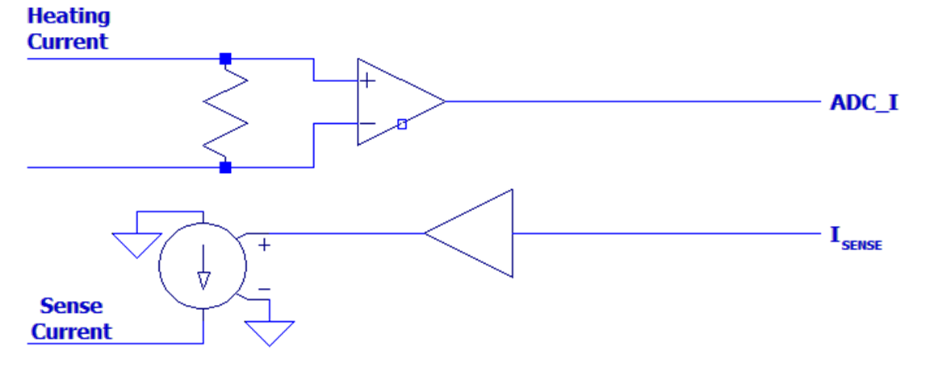
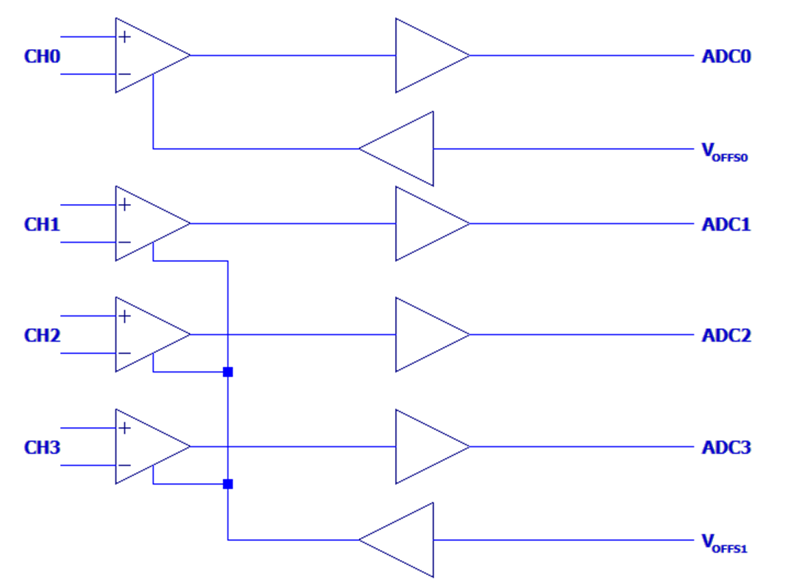
 |  |  | Gain | Offset
 |  | PGA0 | #DIV/0! | #DIV/0!
 |  | PGA1 | #DIV/0! | #DIV/0!
 |  | PGA2 | #DIV/0! | #DIV/0!
 |  | PGA3 | #DIV/0! | #DIV/0!
 | 0.000000 V/V |  |  |  | Gain | #DIV/0!
 |  |  |  |  | Offset | #DIV/0!

 |  |  | Gain | Offset
 |  |  | #DIV/0! | #DIV/0!
 |  |  |  |  | Gain | #DIV/0!
 |  |  |  |  | Offset | #DIV/0!
 |  |  | Gain | Offset
 | 0.000000 V/V |  | #DIV/0! | #DIV/0!

 |  |  | Gain | Offset
 | 0.000000 V/V |  | #DIV/0! | #DIV/0!

 |  |  | Gain | Offset
 | 1.000000 V/V |  | 1 | 0

 |  |  | Gain | Offset
 |  |  | #DIV/0! | #DIV/0!

