Morpho
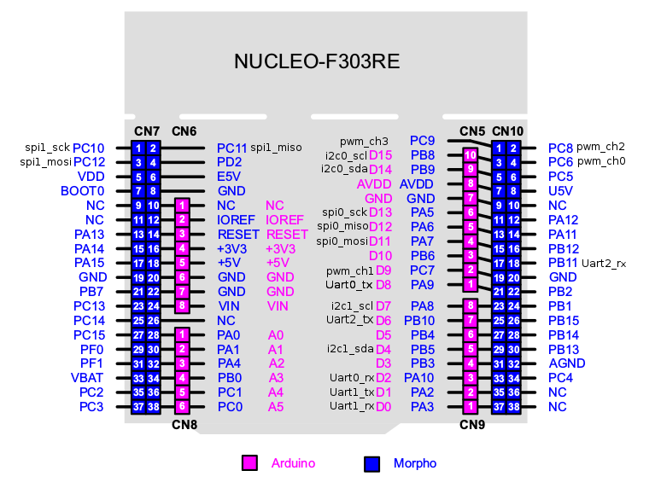
SD_SPI_SCK | PC10 | CN7.1 | CN7.2 | PC11 | SD_SPI_MISO | TEMP_SPI_CSN3 | PC9 | CN10.1 | CN10.2 | PC8 | TEMP_SPI_CSN2
SD_SPI_MOSI | PC12 | CN7.3 | CN7.4 | PD2 | SD_SPI_CS | TEMP_SPI_SCK | PB8 | CN10.3 | CN10.4 | PC6 | TEMP_SPI_CSN1
 | VDD | CN7.5 | CN7.6 | E5V |  | TEMP_SPI_MISO | PB9 | CN10.5 | CN10.6 | PC5 | TEMP_SPI_CSN0
BOOT0_SIG | BOOT0 | CN7.7 | CN7.8 | GND |  |  | VDDA | CN10.7 | CN10.8 | U5V
 | NC | CN7.9 | CN7.10 | NC |  |  | GND | CN10.9 | CN10.10 | NC
 | NC | CN7.11 | CN7.12 | IOREF |  | LE2 -LED | PA5 | CN10.11 | CN10.12 | PA12 | USB_DP
TMS | PA13 | CN7.13 | CN7.14 | NRST | RESET | GAIN_B0_DO | PA6 | CN10.13 | CN10.14 | PA11 | USB_DM
TCK | PA14 | CN7.15 | CN7.16 | +3V3 |  | GAIN_B1_DO | PA7 | CN10.15 | CN10.16 | PB12
 | PA15 | CN7.17 | CN7.18 | +5V |  |  | PB6 | CN10.17 | CN10.18 | PB11 | PGA_DIODE1_OUT
 | GND | CN7.19 | CN7.20 | GND |  |  | PC7 | CN10.19 | CN10.20 | GND
 | PB7 | CN7.21 | CN7.22 | GND |  | USB_DEV_DETECT_DO | PA9 | CN10.21 | CN10.22 | PB2 | PGA_DIODE2_OUT
B1 - PushButton | PC13(2) | CN7.23 | CN7.24 | VIN |  |  | PA8 | CN10.23 | CN10.24 | PB1 | PGA_DIODE3_OUT
RCC_OSC32_IN | PC14 - OSC32_IN | CN7.25 | CN7.26 | NC |  |  | PB10 | CN10.25 | CN10.26 | PB15 | PGA_DIODE4_OUT
RCC_OSC32_OUT | PC15 - OSC32_OUT(2) | CN7.27 | CN7.28 | PA0 | PWSTG_ENABLE_DO |  | PB4 | CN10.27 | CN10.28 | PB14 | CURR_MEAS_AI
RCC_OSC_IN | PF0-OSC_IN | CN7.29 | CN7.30 | PA1 | PWSTG_UVLO_DI |  | PB5 | CN10.29 | CN10.30 | PB13
RCC_OSC_OUT | PF1 - OSC_OUT | CN7.31 | CN7.32 | PA4 | PSU_ENABLE_DO | SWO | PB3 | CN10.31 | CN10.32 | VSSA | VSS
VDD | VBAT | CN7.33 | CN7.34 | PB0 | PWSTG_PWR_EN_DO | TIM4_CH4 | PA10 | CN10.33 | CN10.34 | PC4
DBG_IO3 | PC2 | CN7.35 | CN7.36 | PC1 | DBG_IO2 | USART_TX | PA2 | CN10.35 | CN10.36 | NC
DBG_IO4 | PC3 | CN7.37 | CN7.38 | PC0 | DBG_IO1 | USART_RX | PA3 | CN10.37 | CN10.38 | NC

