Sheet1
 |  |  |  |  |  |  |  |  |  |  |  |  | _y |  |  |  |  |  |  |  |  |  |  | _x
0 | 0 | 0 | 0 | 0 | 0 | 0 | 0 | 0 | 0 | a= | 0 | 9 | 4.5 | 4.5 | 4.5 | 4.5 | 4.5 | 4.5 | 4.5 | 4.5 | 4.5 | 4.5 | 9 | -4.5 | -3.5 | -2.5 | -1.5 | -0.5 | 0.5 | 1.5 | 2.5 | 3.5 | 4.5
0 | 0 | 0 | 0 | 0 | 0 | 0 | 0 | 0 | 0 | h0= | 1.5 | 8 | 3.5 | 3.5 | 3.5 | 3.5 | 3.5 | 3.5 | 3.5 | 3.5 | 3.5 | 3.5 | 8 | -4.5 | -3.5 | -2.5 | -1.5 | -0.5 | 0.5 | 1.5 | 2.5 | 3.5 | 4.5
0 | 0 | 0 | 0 | 1 | 0 | 0 | 0 | 0 | 0 | dx= | 1 | 7 | 2.5 | 2.5 | 2.5 | 2.5 | 2.5 | 2.5 | 2.5 | 2.5 | 2.5 | 2.5 | 7 | -4.5 | -3.5 | -2.5 | -1.5 | -0.5 | 0.5 | 1.5 | 2.5 | 3.5 | 4.5
0 | 0 | 0 | 0 | 1 | 0 | 1 | 0 | 0 | 0 | dy= | 1 | 6 | 1.5 | 1.5 | 1.5 | 1.5 | 1.5 | 1.5 | 1.5 | 1.5 | 1.5 | 1.5 | 6 | -4.5 | -3.5 | -2.5 | -1.5 | -0.5 | 0.5 | 1.5 | 2.5 | 3.5 | 4.5
0 | 0 | 0 | 1 | 0 | 1 | 1 | 0 | 0 | 0 | Nx= | 10 | 5 | 0.5 | 0.5 | 0.5 | 0.5 | 0.5 | 0.5 | 0.5 | 0.5 | 0.5 | 0.5 | 5 | -4.5 | -3.5 | -2.5 | -1.5 | -0.5 | 0.5 | 1.5 | 2.5 | 3.5 | 4.5
0 | 0 | 0 | 0 | 0 | 0 | 0 | 0 | 0 | 0 | Ny= | 10 | 4 | -0.5 | -0.5 | -0.5 | -0.5 | -0.5 | -0.5 | -0.5 | -0.5 | -0.5 | -0.5 | 4 | -4.5 | -3.5 | -2.5 | -1.5 | -0.5 | 0.5 | 1.5 | 2.5 | 3.5 | 4.5
0 | 0 | 0 | 0 | 0 | 0 | 0 | 0 | 0 | 0 | N= | 10 | 3 | -1.5 | -1.5 | -1.5 | -1.5 | -1.5 | -1.5 | -1.5 | -1.5 | -1.5 | -1.5 | 3 | -4.5 | -3.5 | -2.5 | -1.5 | -0.5 | 0.5 | 1.5 | 2.5 | 3.5 | 4.5
0 | 0 | 0 | 0 | 0 | 0 | 0 | 0 | 0 | 0 | Cx | 4.5 | 2 | -2.5 | -2.5 | -2.5 | -2.5 | -2.5 | -2.5 | -2.5 | -2.5 | -2.5 | -2.5 | 2 | -4.5 | -3.5 | -2.5 | -1.5 | -0.5 | 0.5 | 1.5 | 2.5 | 3.5 | 4.5
0 | 0 | 0 | 0 | 0 | 0 | 0 | 0 | 0 | 0 | Cy | 4.5 | 1 | -3.5 | -3.5 | -3.5 | -3.5 | -3.5 | -3.5 | -3.5 | -3.5 | -3.5 | -3.5 | 1 | -4.5 | -3.5 | -2.5 | -1.5 | -0.5 | 0.5 | 1.5 | 2.5 | 3.5 | 4.5
1 | 0 | 0 | 0 | 0 | 0 | 0 | 0 | 0 | 1 |  |  | 0 | -4.5 | -4.5 | -4.5 | -4.5 | -4.5 | -4.5 | -4.5 | -4.5 | -4.5 | -4.5 | 0 | -4.5 | -3.5 | -2.5 | -1.5 | -0.5 | 0.5 | 1.5 | 2.5 | 3.5 | 4.5
 |  |  |  |  |  |  |  |  |  |  |  |  | 0 | 1 | 2 | 3 | 4 | 5 | 6 | 7 | 8 | 9 |  | 0 | 1 | 2 | 3 | 4 | 5 | 6 | 7 | 8 | 9

 |  |  |  |  |  |  |  |  |  |  |  |  |  |  |  |  | 0.2617993878
 |  |  |  |  |  |  |  |  |  |  |  |  |  |  |  |  | 2.8647889757

Sheet2
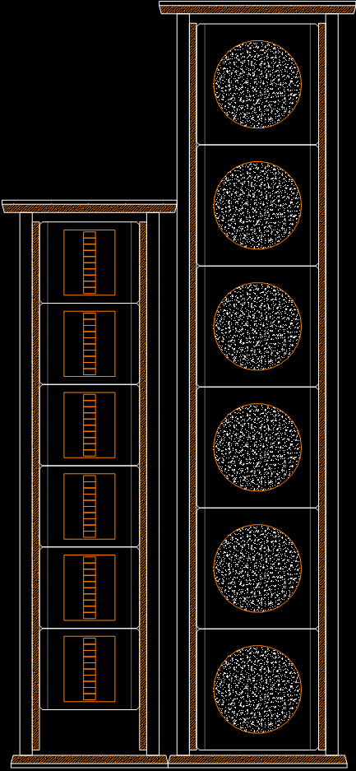

0 | 4 | 6 | 10 | 12

